MOD
CMG 07-18-2024 $thousands
Fiscal year ended December, | 2019 | 2020 | 2021 | 2022 | 2023 | 2024E | 2025E | 2026E
Period ending | 12/31/19 | 12/31/20 | 12/31/21 | 12/31/22 | 12/31/23 | 12/31/24 | 12/31/25 | 12/31/25
Days in period | 365 | 366 | 365 | 365 | 365 | 366 | 365 | 365
 | Gross Profit | Operating Margin | Net Margin
2019 | 929,712 | 443,958 | 350,158
2020 | 802,547 | 290,164 | 355,766
2021 | 1,452,352 | 804,943 | 652,984
2022 | 1,775,293 | 1,160,403 | 899,101
2023 | 2,266,698 | 1,557,813 | 1,228,737
Income Statement
Food and beverage revenue | 5,561,036 | 5,920,545 | 7,457,169 | 8,558,001 | 9,804,124
YOY Growth | -- | 6.46% | 25.95% | 14.76% | 14.56%
Delivery service revenue | 25,333 | 64,089 | 89,892 | 76,651 | 67,525
YOY Growth | -- | 152.99% | 40.26% | -14.73% | -11.91%
Total revenue | 5,586,369 | 5,984,634 | 7,547,061 | 8,634,652 | 9,871,649 | 11,279,263 | 12,873,896 | 14,677,827
Street-based consensus | 5,549,000 | 5,984,200 | 7,546,300 | 8,686,700 | 9,843,100 | 11,340,400 | 12,873,700 | 14,639,100
YOY Growth | -- | 7.13% | 26.11% | 14.41% | 14.33% | 14.26% | 14.14% | 14.01%
total store openings | 2,622 | 2,768 | 2,966 | 3,187 | 3,437 | 3,722 | 4,046 | 4,413
% | -- | 5.57% | 7.15% | 7.45% | 7.84% | 8.29% | 8.69% | 9.09%
AUVs | 2,130.58 | 2,162.08 | 2,544.52 | 2,709.34 | 2,872.17 | 3,030 | 3,182 | 3,326
Comps growth rate | -- | 1.48% | 17.69% | 6.48% | 6.01% | 5.51% | 5.01% | 4.51%

Cost of revenues
Food, beverage and packaging | 1,847,916 | 1,932,766 | 2,308,631 | 2,602,245 | 2,912,564
YOY Growth | -- | 4.59% | 19.45% | 12.72% | 11.93%
% of Sales | 33.08% | 32.30% | 30.59% | 30.14% | 29.50%
Labor | 1,472,060 | 1,593,013 | 1,917,761 | 2,197,958 | 2,440,982
YOY Growth | -- | 8.22% | 20.39% | 14.61% | 11.06%
% of Sales | 26.35% | 26.62% | 25.41% | 25.46% | 24.73%
Occupancy | 363,072 | 387,762 | 416,606 | 460,425 | 503,264
YOY Growth | -- | 6.80% | 7.44% | 10.52% | 9.30%
 | Gross profit
2019 | 929,712
2020 | 802,547
2021 | 1,452,352
2022 | 1,775,293
2023 | 2,266,698
% of Sales | 6.50% | 6.48% | 5.52% | 5.33% | 5.10%
Other operating costs | 760,831 | 1,030,012 | 1,197,054 | 1,311,905 | 1,428,747
YOY Growth | -- | 35.38% | 16.22% | 9.59% | 8.91%
% of Sales | 13.62% | 17.21% | 15.86% | 15.19% | 14.47%
Depreciation and amortization | 212,778 | 238,534 | 254,657 | 286,826 | 319,394
YOY Growth | -- | 12.10% | 6.76% | 12.63% | 11.35%
% of Sales | 3.81% | 3.99% | 3.37% | 3.32% | 3.24%
Total cost of revenues | 4,656,657 | 5,182,087 | 6,094,709 | 6,859,359 | 7,604,951
YOY Growth | -- | 11.28% | 17.61% | 12.55% | 10.87%
Gross profit | 929,712 | 802,547 | 1,452,352 | 1,775,293 | 2,266,698 | 2,707,023 | 3,218,474 | 3,816,235
YOY Growth | -- | -13.68% | 80.97% | 22.24% | 27.68% | 19.43% | 18.89% | 18.57%
Gross Margin | 16.64% | 13.41% | 19.24% | 20.56% | 22.96% | 24.00% | 25.00% | 26.00%

Operating expenses
General and administrative expenses | 451,552 | 466,291 | 606,854 | 564,191 | 633,584 | 789,548 | 733,152 | 733,152
YOY Growth | -- | 3.26% | 30.14% | -7.03% | 12.30%
 | Income from operations
2019 | 443,958
2020 | 290,164
2021 | 804,943
2022 | 1,160,403
2023 | 1,557,813
% of Sales | 8.08% | 7.79% | 8.04% | 6.53% | 6.42% | 7.00% | 6.50% | 6.50%
Pre-opening costs | 11,108 | 15,515 | 21,264 | 29,560 | 36,931 | 45,117 | 45,117 | 45,117
YOY Growth | -- | 39.67% | 37.05% | 39.01% | 24.94%
% of Sales | 0.20% | 0.26% | 0.28% | 0.34% | 0.37% | 0.40% | 0.40% | 0.40%
Impairment, closure costs, and asset disposals | 23,094 | 30,577 | 19,291 | 21,139 | 38,370 | 50,757 | 50,757 | 50,757
YOY Growth | -- | 32.40% | -36.91% | 9.58% | 81.51%
% of Sales | 0.41% | 0.51% | 0.26% | 0.24% | 0.39% | 0.45% | 0.45% | 0.45%
Total operating expenses (including the COGS) | 5,142,411 | 5,694,470 | 6,742,118 | 7,474,249 | 8,313,836
YOY Growth | -- | 10.74% | 18.40% | 10.86% | 11.23%
% of Sales | 92.05% | 95.15% | 89.33% | 86.56% | 84.22%
Income from operations | 443,958 | 290,164 | 804,943 | 1,160,403 | 1,557,813 | 1,821,601 | 2,389,448 | 2,987,209
YOY Growth | -- | -34.64% | 177.41% | 44.16% | 34.25%
Operating Margin | 7.95% | 4.85% | 10.67% | 13.44% | 15.78% | 16.15% | 18.56% | 20.35%
Street-based consensus | 484,500 | 364,500 | 910,100 | 1,209,500 | 1,546,900 | 1,892,500 | 2,278,400 | 2,690,700

Interest and other income, net | 14,327 | 3,617 | 7,820 | 21,128 | 62,693 | 225,585 | 193,108 | 146,778
YOY Growth | -- | -74.75% | 116.20% | 170.18% | 196.73%
% of EBIT | 3.23% | 1.25% | 0.97% | 1.82% | 4.02% | 2.00% | 1.50% | 1.00%
Income before income taxes | 458,285 | 293,781 | 812,763 | 1,181,531 | 1,620,506 | 2,047,186 | 2,582,557 | 3,133,988
 | Net income
2019 | 350,158
2020 | 355,766
2021 | 652,984
2022 | 899,101
2023 | 1,228,737
YOY Growth | -- | -35.90% | 176.66% | 45.37% | 37.15%
% of Sales | 8.20% | 4.91% | 10.77% | 13.68% | 16.42%
Provision for income taxes | (108,127) | 61,985 | (159,779) | (282,430) | (391,769) | (473,616) | (621,257) | (776,674)
YOY Growth | -- | -157.33% | -357.77% | 76.76% | 38.71%
% of Operating Income | -24.36% | 21.36% | -19.85% | -24.34% | -25.15% | -26.00% | -26.00% | -26.00%
Net income | 350,158 | 355,766 | 652,984 | 899,101 | 1,228,737 | 1,573,570 | 1,961,300 | 2,357,313
YOY Growth | -- | 1.60% | 83.54% | 37.69% | 36.66%
Net Margin | 6.27% | 5.94% | 8.65% | 10.41% | 12.45% | 13.95% | 15.23% | 16.06%
Street-based consensus | 392,400 | 311,400 | 713,200 | 935,000 | 1,222,100 | 1,494,100 | 1,763,800 | 2,064,600

EBITDA | 656,736 | 528,698 | 1,059,600 | 1,447,229 | 1,877,207
YOY Growth | -- | -19.50% | 100.42% | 36.58% | 29.71%
Net Margin | 11.76% | 8.83% | 14.04% | 16.76% | 19.02%

Earnings per share:
Basic | 0.25 | 0.25 | 0.46 | 0.65 | 0.89 | 1.15 | 1.43 | 1.72
Diluted | 0.25 | 0.25 | 0.46 | 0.64 | 0.89 | 1.14 | 1.42 | 1.71
Street-based consensus | 0.28 | 0.21 | 0.51 | 0.66 | 0.90 | 1.12 | 1.35 | 1.61

Weighted-average common shares outstanding:
Basic | 1,387,000 | 1,395,850 | 1,406,600 | 1,392,550 | 1,377,750 | 1,372,800 | 1,372,200 | 1,372,200
Diluted | 1,414,750 | 1,420,800 | 1,425,550 | 1,403,100 | 1,385,500 | 1,381,518 | 1,381,200 | 1,381,200

Other comprehensive income/(loss), net of income taxes:
Foreign currency translation adjustments | 873 | 1,134 | (1,125) | (2,534) | 1,231
Comprehensive income | 351,031 | 356,900 | 651,859 | 896,567 | 1,229,968

Cash Flow Statement
Operating activities
Net income | 350,158 | 355,766 | 652,984 | 899,101 | 1,228,737
Adjustments to reconcile net income to net cash provided by operating activities:
Depreciation and amortization | 212,778 | 238,534 | 254,657 | 286,826 | 319,394
Deferred income tax provision | 29,962 | 108,350 | (12,357) | (43,195) | (9,505)
Impairment, closure costs, and asset disposals | 15,402 | 28,874 | 17,086 | 20,738 | 37,025
Provision for credit losses | 33 | 164 | 493 | (760) | 1,570
Stock-based compensation expense | 91,396 | 82,626 | 176,392 | 98,030 | 124,016
Other | (10,592) | 3,643 | (4,599) | (16,202) | (13,080)
Changes in operating assets and liabilities:
Accounts receivable | (2,630) | 3,010 | (1,687) | (14,026) | (11,216)
Inventory | (4,530) | (394) | (6,392) | (3,011) | (3,649)
Prepaid expenses and other current assets | (23,066) | (11,442) | (26,826) | (14,660) | (39,211)
Operating lease assets | 163,952 | 184,538 | 223,837 | 234,273 | 254,241
Other assets | 2,818 | (26,577) | 3,993 | (346) | 4,204
Accounts payable | (973) | (3,859) | 21,440 | 18,208 | 5,313
Accrued payroll and benefits | 11,759 | 76,683 | (44,555) | 9,864 | 57,048
Accrued liabilities | 36,543 | 5,596 | 10,997 | (27,964) | 3,188
Unearned revenue | 30,400 | 36,958 | 34,387 | 33,374 | 35,685
Income tax payable/receivable | (32,083) | (255,251) | 193,379 | 46,262 | (5,237)
Operating lease liabilities | (151,557) | (165,154) | (207,164) | (207,186) | (214,477)
Other long-term liabilities | 1,862 | 1,782 | (3,984) | 3,853 | 9,431
Net cash provided by operating activities | 721,632 | 663,847 | 1,282,081 | 1,323,179 | 1,783,477

Investing activities
Purchases of leasehold improvements, property and equipment | (333,912) | (373,352) | (442,475) | (479,164) | (560,731)
Purchases of investments | (448,754) | (468,418) | (429,350) | (614,416) | (1,115,131)
Maturities of investments | 476,723 | 419,078 | 345,748 | 263,548 | 729,853
Proceeds from sale of equipment | 13,969 | - | 4,035 | - | -
Acquisitions of equity method investments | - | (10,025)
Net cash used in investing activities | (291,974) | (432,717) | (522,042) | (830,032) | (946,009)

Financing activities
Acquisition of treasury stock | (190,617) | (54,401) | (466,462) | (830,140) | (592,349)
Tax withholding on stock-based compensation awards | (10,420) | (48,555) | (79,870) | (98,970) | (69,146)
Other financing activities | (698) | (1,895) | (2,274) | (294) | 843
Net cash used in financing activities | (201,735) | (104,851) | (548,606) | (929,404) | (660,652)
Effect of exchange rate changes on cash, cash equivalents and restricted cash | 406 | 1,076 | (1,039) | (1,007) | 381
Net change in cash, cash equivalents, and restricted cash | 228,329 | 127,355 | 210,394 | (437,264) | 177,197
Cash, cash equivalents, and restricted cash at beginning of year | 280,152 | 508,481 | 635,836 | 846,230 | 408,966
Cash, cash equivalents, and restricted cash at end of year | 508,481 | 635,836 | 846,230 | 408,966 | 586,163

Supplemental disclosures of cash flow information
Income taxes paid (refunded) | 109,571 | 85,010 | (17,831) | 275,796 | 400,229
Purchases of leasehold improvements, property and equipment accrued in accounts payable and accrued liabilities | 36,886 | 46,975 | 63,802 | 72,021 | 76,415
Acquisition of treasury stock accrued in accounts payable and accrued liabilities | $- | $- | 7,695 | 4,497 | 5,643

Change in Net Working Capital | 15,420 | (148,699) | 180,743 | 48,047 | 41,921 | 90,907 | 102,985 | 116,503
% of Incremental Sales | -- | -37.34% | 11.57% | 4.42% | 3.39% | 6.46% | 6.46% | 6.46%

Capex | (333,912) | (373,352) | (442,475) | (479,164) | (560,731) | (658,907) | (777,133) | (919,944)
% of Sales | -5.98% | -6.24% | -5.86% | -5.55% | -5.68%
/ store | 127.35 | 134.88 | 149.18 | 150.35 | 163.15 | 177.03 | 192.10 | 208.45
/ store growth rate | -- | 5.91% | 10.60% | 0.78% | 8.51% | 8.51% | 8.51% | 8.51%

SUM
 |  |  |  |  |  |  |  |  |  |  |  |  |  |  |  |  |  | $44.84 | $30.51
Ticker | CMG |  |  |  |  |  |  |  |  |  |  |  | 1 year return scenarios |  |  |  |  | Tactical R/R |  |  |  |  | 2024E |  | 2025E |  | $1.47
Action | HOLD |  |  | 2021A | 2022A | 2023A | 2024E | 2025E | 2026E |  |  |  | 2025E | P/E | 12m Target | % return |  | Price | Reward | Risk | R/R | % move | P/E | Street | P/E | Street | FCF Yield
Last Updated | 2024-07-18 |  | Revenue | $7,547 | $8,635 | $9,872 | $11,279 | $12,874 | $14,678 |  |  | Bull | $1.61 | 40.5x | $65.21 | 22.4% |  | $114.00 | (60.7%) | (73.2%) | -0.8x | 114.0% | 100.1x | 101.8x | 80.3x | 84.4x | 1.3%
 |  |  | % yoy | 26.1% | 14.4% | 14.3% | 14.3% | 14.1% | 14.0% |  |  | Base | $1.42 | 39.5x | $56.09 | 5.3% |  | $112.00 | (60.0%) | (72.8%) | -0.8x | 110.2% | 98.3x | 100.0x | 78.9x | 83.0x | 1.3%
 |  |  |  |  |  |  |  |  |  |  |  | Bear | $1.35 | 22.6x | $30.51 | (42.7%) |  | $110.00 | (59.2%) | (72.3%) | -0.8x | 106.5% | 96.6x | 98.2x | 77.5x | 81.5x | 1.3%
Cap Table |  |  | EBITDA | 1,060 | 1,447 | 1,877 | $2,195 | $2,816 | $3,473 |  |  |  |  |  |  |  |  | $108.00 | (58.5%) | (71.8%) | -0.8x | 102.7% | 94.8x | 96.4x | 76.1x | 80.0x | 1.4%
Current Price | $53.27 |  | % margin | 14.0% | 16.8% | 19.0% | 19.5% | 21.9% | 23.7% |  |  |  |  |  |  |  |  | $106.00 | (57.7%) | (71.2%) | -0.8x | 99.0% | 93.1x | 94.6x | 74.6x | 78.5x | 1.4%
Diluted Shares | 1,386 |  | % yoy | 100.4% | 36.6% | 29.7% | 16.9% | 28.3% | 23.4% |  |  |  | DCF |  |  |  |  | $104.00 | (56.9%) | (70.7%) | -0.8x | 95.2% | 91.3x | 92.9x | 73.2x | 77.0x | 1.4%
Market Cap | $76,643 |  |  |  |  |  |  |  |  |  |  |  | Current Price |  |  | $53.27 |  | $102.00 | (56.0%) | (70.1%) | -0.8x | 91.5% | 89.6x | 91.1x | 71.8x | 75.6x | 1.4%
Total Debt | $0 |  | Adjusted EPS | $0.46 | $0.64 | $0.89 | $1.14 | $1.42 | $1.71 |  |  |  | Implied equity value/share |  |  | $47.55 |  | $100.00 | (55.2%) | (69.5%) | -0.8x | 87.7% | 87.8x | 89.3x | 70.4x | 74.1x | 1.5%
Cash | $1,420 |  | % yoy | 82.9% | 39.9% | 38.4% | 28.4% | 24.7% | 20.2% |  |  |  | Upside/(Downside) to DCF |  |  | -10.7% |  | $98.00 | (54.2%) | (68.9%) | -0.8x | 84.0% | 86.0x | 87.5x | 69.0x | 72.6x | 1.5%
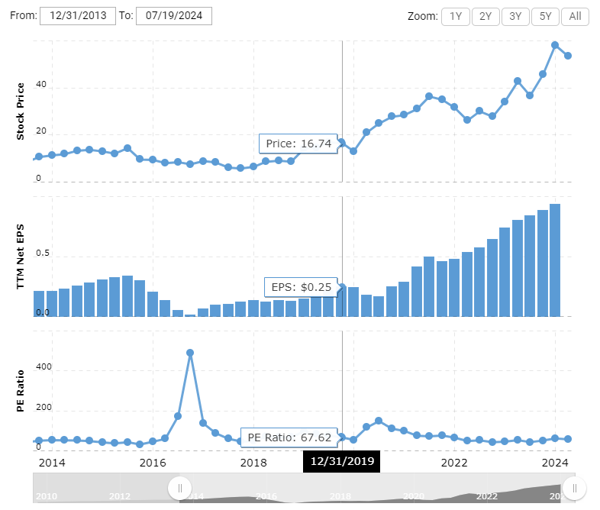
Net Debt | ($1,420) |  | Street EPS | 0.51 | 0.66 | 0.90 | 1.12 | 1.35 | 1.61 |  |  |  |  |  |  |  |  | $96.00 | (53.3%) | (68.2%) | -0.8x | 80.2% | 84.3x | 85.7x | 67.6x | 71.1x | 1.5%
NCI | $0 |  | % yoy |  |  |  | 26.3% | 20.5% | 19.3% |  |  |  |  |  |  |  |  | $94.00 | (52.3%) | (67.5%) | -0.8x | 76.5% | 82.5x | 83.9x | 66.2x | 69.6x | 1.6%
Enterprise Value | $75,224 |  | Expected Delta |  |  |  | 1.7% | 5.2% | 6.0% |  |  |  |  |  |  |  |  | $92.00 | (51.3%) | (66.8%) | -0.8x | 72.7% | 80.8x | 82.1x | 64.8x | 68.1x | 1.6%
 |  |  |  |  |  |  |  |  |  |  |  |  |  |  |  |  |  | $90.00 | (50.2%) | (66.1%) | -0.8x | 69.0% | 79.0x | 80.4x | 63.4x | 66.7x | 1.6%
Buy price | $60.00 |  |  | 2021A | 2022A | 2023A | 2024E | 2025E | 2026E |  |  |  |  |  |  |  |  | $88.00 | (49.0%) | (65.3%) | -0.8x | 65.2% | 77.3x | 78.6x | 62.0x | 65.2x | 1.7%
No-brainer price | $50.00 |  | EV/Sales | 10.0x | 8.7x | 7.6x | 6.7x | 5.8x | 5.1x |  |  |  |  |  |  |  |  | $86.00 | (47.9%) | (64.5%) | -0.7x | 61.4% | 75.5x | 76.8x | 60.6x | 63.7x | 1.7%
 |  |  | EV/EBITDA | 71.0x | 52.0x | 40.1x | 34.3x | 26.7x | 21.7x |  |  |  |  |  |  |  | Trim | $84.00 | (46.6%) | (63.7%) | -0.7x | 57.7% | 73.7x | 75.0x | 59.2x | 62.2x | 1.7%
Normalized FCF | $2,037 |  | P/E | 116.3x | 83.1x | 60.1x | 46.8x | 37.5x | 31.2x |  |  |  |  |  |  |  |  | $82.00 | (45.3%) | (62.8%) | -0.7x | 53.9% | 72.0x | 73.2x | 57.7x | 60.7x | 1.8%
FCF / Share | $1.47 |  | Street P/E | 104.5x | 80.7x | 59.2x | 47.6x | 39.5x | 33.1x |  |  |  |  |  |  |  |  | $80.00 | (44.0%) | (61.9%) | -0.7x | 50.2% | 70.2x | 71.4x | 56.3x | 59.3x | 1.8%
% yield | 2.8% |  |  |  |  |  |  |  |  |  |  |  |  |  |  |  |  | $78.00 | (42.5%) | (60.9%) | -0.7x | 46.4% | 68.5x | 69.6x | 54.9x | 57.8x | 1.9%
 |  |  |  |  |  |  |  |  |  |  |  |  |  |  |  |  |  | $76.00 | (41.0%) | (59.9%) | -0.7x | 42.7% | 66.7x | 67.9x | 53.5x | 56.3x | 1.9%
3 Year Target |  |  | Investing Thesis |  |  |  |  |  |  |  |  |  |  |  |  |  |  | $74.00 | (39.4%) | (58.8%) | -0.7x | 38.9% | 65.0x | 66.1x | 52.1x | 54.8x | 2.0%
2026 EPS | $1.70 |  | 1. New stores openings can bring a significant increase on revenues, domestic locations are around 3700, including the overseas stores, has been collaborated with Alshaya Group to achieve its international expansion goal. 2. Automation & new technical innovation, it will lead to a more efficient on operations, so that we can achieve multiple goals of cost savings and increase of throughout, may work with Chipolane to increase the effiency of drive-through. 3. Fantastic CRM initiatives such as Chipotle Rewards & gift cards, these keep bring more and more floating customers and convert into loyal customers. |  |  |  |  |  |  |  |  |  |  |  |  |  |  | $72.00 | (37.7%) | (57.6%) | -0.7x | 35.2% | 63.2x | 64.3x | 50.7x | 53.3x | 2.0%
Target P/E | 40.5x |  |  |  |  |  |  |  |  |  |  |  |  |  |  |  |  | $70.00 | (35.9%) | (56.4%) | -0.6x | 31.4% | 61.5x | 62.5x | 49.3x | 51.9x | 2.1%
3 Year Target | $68.87 |  |  |  |  |  |  |  |  |  |  |  |  |  |  |  |  | $68.00 | (34.1%) | (55.1%) | -0.6x | 27.7% | 59.7x | 60.7x | 47.9x | 50.4x | 2.2%
% return | 29.3% |  |  |  |  |  |  |  |  |  |  |  |  |  |  |  |  | $66.00 | (32.1%) | (53.8%) | -0.6x | 23.9% | 57.9x | 58.9x | 46.5x | 48.9x | 2.2%
x money multiple | 1.3x |  |  |  |  |  |  |  |  |  |  |  |  |  |  |  | BUY | $64.00 | (29.9%) | (52.3%) | -0.6x | 20.1% | 56.2x | 57.1x | 45.1x | 47.4x | 2.3%
% IRR | 8.9% |  |  |  |  |  |  |  |  |  |  |  |  |  |  |  |  | $62.00 | (27.7%) | (50.8%) | -0.5x | 16.4% | 54.4x | 55.4x | 43.7x | 45.9x | 2.4%
 |  |  |  |  |  |  |  |  |  |  |  |  |  |  |  |  |  | $60.00 | (25.3%) | (49.1%) | -0.5x | 12.6% | 52.7x | 53.6x | 42.3x | 44.4x | 2.4%
12 Months Base Target |  |  |  |  |  |  |  |  |  |  |  |  |  |  |  |  | Add | $58.00 | (22.7%) | (47.4%) | -0.5x | 8.9% | 50.9x | 51.8x | 40.8x | 43.0x | 2.5%
2024 EPS | $1.14 |  |  |  |  |  |  |  |  |  |  |  |  |  |  |  |  | $56.00 | (19.9%) | (45.5%) | -0.4x | 5.1% | 49.2x | 50.0x | 39.4x | 41.5x | 2.6%
Target P/E | 39.5x |  |  |  |  |  |  |  |  |  |  |  |  |  |  |  |  | $54.00 | (17.0%) | (43.5%) | -0.4x | 1.4% | 47.4x | 48.2x | 38.0x | 40.0x | 2.7%
EOY Target Price | $44.84 |  |  |  |  |  |  |  |  |  |  |  |  |  |  |  | No brainer | $52.00 | (13.8%) | (41.3%) | -0.3x | (2.4%) | 45.7x | 46.4x | 36.6x | 38.5x | 2.8%
% return | (15.8%) |  |  |  |  |  |  |  |  |  |  |  |  |  |  |  |  | $50.00 | (10.3%) | (39.0%) | -0.3x | (6.1%) | 43.9x | 44.6x | 35.2x | 37.0x | 2.9%
 |  |  |  |  |  |  |  |  |  |  |  |  |  |  |  |  |  | $48.00 | (6.6%) | (36.4%) | -0.2x | (9.9%) | 42.1x | 42.9x | 33.8x | 35.6x | 3.1%
12 Months Risk Case |  |  |  |  |  |  |  |  |  |  |  |  |  |  |  |  |  | $46.00 | (2.5%) | (33.7%) | -0.1x | (13.6%) | 40.4x | 41.1x | 32.4x | 34.1x | 3.2%
2024 Risk EPS | $1.35 |  |  |  |  |  |  |  |  |  |  |  |  |  |  |  |  | $44.00 | 1.9% | (30.7%) | 0.1x | (17.4%) | 38.6x | 39.3x | 31.0x | 32.6x | 3.3%
Target P/E | 22.6x |  |  |  |  |  |  |  |  |  |  |  |  |  |  |  |  | $42.00 | 6.8% | (27.4%) | 0.2x | (21.2%) | 36.9x | 37.5x | 29.6x | 31.1x | 3.5%
Next 12 Months Risk | $30.51 |  |  |  |  |  |  |  |  |  |  |  |  |  |  |  |  | $40.00 | 12.1% | (23.7%) | 0.5x | (24.9%) | 35.1x | 35.7x | 28.2x | 29.6x | 3.7%
% return | (42.7%) |  |  |  |  |  |  |  |  |  |  |  |  |  |  |  |  | $38.00 | 18.0% | (19.7%) | 0.9x | (28.7%) | 33.4x | 33.9x | 26.8x | 28.1x | 3.9%
 |  |  |  |  |  |  |  |  |  |  |  |  |  |  |  |  |  | $36.00 | 24.6% | (15.2%) | 1.6x | (32.4%) | 31.6x | 32.1x | 25.4x | 26.7x | 4.1%
 |  |  |  |  |  |  |  |  |  |  |  |  |  |  |  |  |  | $34.00 | 31.9% | (10.3%) | 3.1x | (36.2%) | 29.9x | 30.4x | 23.9x | 25.2x | 4.3%
 |  |  |  |  |  |  |  |  |  |  |  |  |  |  |  |  |  | $32.00 | 40.1% | (4.7%) | 8.6x | (39.9%) | 28.1x | 28.6x | 22.5x | 23.7x | 4.6%
 |  |  |  |  |  |  |  |  |  |  |  |  |  |  |  |  |  | $30.00 | 49.5% | 1.7% | -29.1x | (43.7%) | 26.3x | 26.8x | 21.1x | 22.2x | 4.9%
 |  |  |  |  |  |  |  |  |  |  |  |  |  |  |  |  |  | $28.00 | 60.1% | 9.0% | -6.7x | (47.4%) | 24.6x | 25.0x | 19.7x | 20.7x | 5.2%
 |  |  |  |  |  |  |  |  |  |  |  |  |  |  |  |  |  | $26.00 | 72.5% | 17.3% | -4.2x | (51.2%) | 22.8x | 23.2x | 18.3x | 19.3x | 5.7%

 |  | In thousands | 2021 Q1 | 2021 Q2 | 2021 Q3 | 2021 FY | 2022 Q1 | 2022 Q2 | 2022 Q3 | 2022 FY | 2023 Q1 | 2023 Q2 | 2023 Q3 | 22023 FY | 2024 Q1
 |  | Gift Card liability | 86272 | 87964 | 86169 | 130779 | 104402 | 103065 | 101307 | 145014 | 118684 | 118036 | 115244 | 164930 | 139993
 |  | Chipotle Rewards liability | 23925 | 25052 | 34254 | 25572 | 28019 | 29381 | 31811 | 38057 | 39214 | 40923 | 41076 | 44750 | 47324

CRM Results
 | Gift Card liability | Chipotle Rewards liability
2021 Q1 | 86272 | 23925
2021 Q2 | 87964 | 25052
2021 Q3 | 86169 | 34254
2021 FY | 130779 | 25572
2022 Q1 | 104402 | 28019
2022 Q2 | 103065 | 29381
2022 Q3 | 101307 | 31811
2022 FY | 145014 | 38057
2023 Q1 | 118684 | 39214
2023 Q2 | 118036 | 40923
2023 Q3 | 115244 | 41076
22023 FY | 164930 | 44750
2024 Q1 | 139993 | 47324

CMG cost model
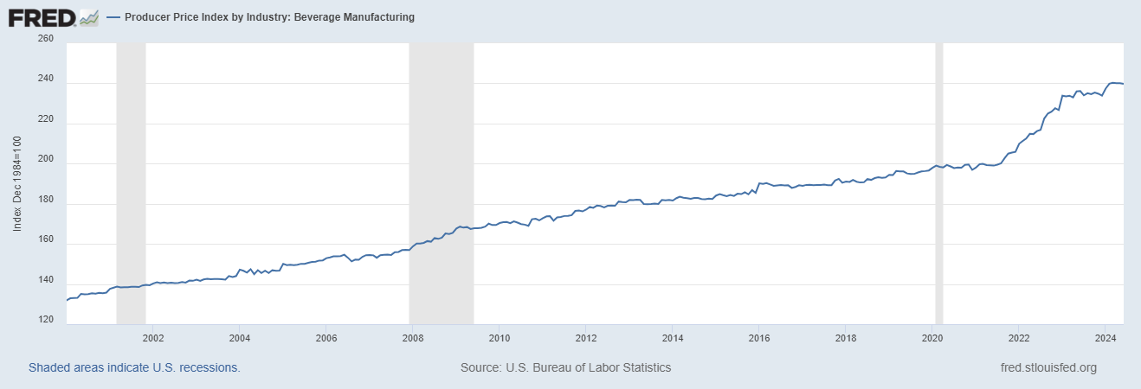
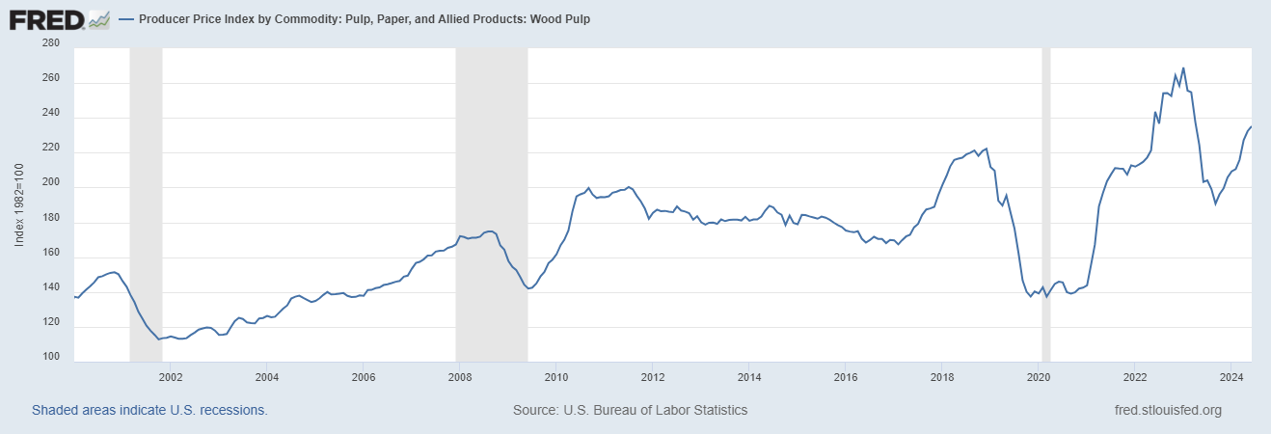
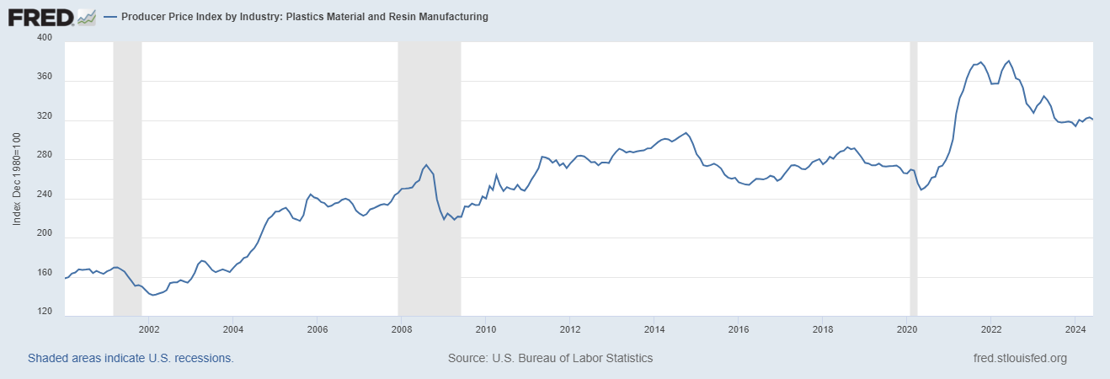
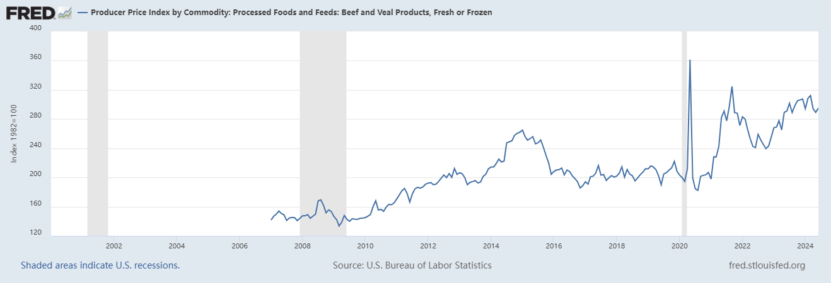
Cost of revenues | 2019 | 2020 | 2021 | 2022 | 2023 | 2024 | 2025 | 2026
Food, beverage and packaging | 1,847,916 | 1,932,766 | 2,308,631 | 2,602,245 | 2,912,564 | 2,922,749 | 2,932,970 | 2,943,227
% of cost of revenues | 39.68% | 37.30% | 37.88% | 37.94% | 38.30%
% growth rate | -- | 4.59% | 19.45% | 12.72% | 11.93%
/ store | 704.77 | 698.25 | 778.37 | 816.52 | 847.41
Labor | 1,472,060 | 1,593,013 | 1,917,761 | 2,197,958 | 2,440,982 | 2,662,057 | 2,863,224 | 3,050,960
% of cost of revenues | 31.61% | 30.74% | 31.47% | 32.04% | 32.10%
% growth rate | -- | 8.22% | 20.39% | 14.61% | 11.06% | 9.06% | 7.56% | 6.56%
/ store | 561.43 | 575.51 | 646.58 | 689.66 | 710.21
Occupancy | 363,072 | 387,762 | 416,606 | 460,425 | 503,264 | 548,995 | 598,882 | 653,303
% of cost of revenues | 7.80% | 7.48% | 6.84% | 6.71% | 6.62%
% growth rate | -- | 6.80% | 7.44% | 10.52% | 9.30% | 9.09% | 9.09% | 9.09%
/ store | 138.47 | 140.09 | 140.46 | 144.47 | 146.43
Other operating costs | 760,831 | 1,030,012 | 1,197,054 | 1,311,905 | 1,428,747 | 1,555,995 | 1,694,577 | 1,845,500
% of cost of revenues | 16.34% | 19.88% | 19.64% | 19.13% | 18.79%
% growth rate | -- | 35.38% | 16.22% | 9.59% | 8.91% | 8.91% | 8.91% | 8.91%
/ store | 290.17 | 372.11 | 403.59 | 411.64 | 415.70
Depreciation and amortization | 212,778 | 238,534 | 254,657 | 286,826 | 319,394 | 352,128 | 388,216 | 428,003 |  |  |  |  | 2024
% of cost of revenues | 4.57% | 4.60% | 4.18% | 4.18% | 4.20% |  |  |  |  |  | January | February | March | April | May | June | Average
% growth rate | -- | 12.10% | 6.76% | 12.63% | 11.35% | 10.25% | 10.25% | 10.25%
/ store | 81.15 | 86.18 | 85.86 | 90.00 | 92.93 |  |  |  | Source: U.S. Bureau of Labor Statistics
Total cost of revenues | 4,656,657 | 5,182,087 | 6,094,709 | 6,859,359 | 7,604,951 | 8,041,925 | 8,477,869 | 8,920,993 | Food
% growth rate | -- | 11.28% | 17.61% | 12.55% | 10.87% | 5.75% | 5.42% | 5.23%
/ store | 1775.99 | 1872.14 | 2054.86 | 2152.29 | 2212.67 | 2160.65 | 2095.62 | 2021.37 | PPI | Beef and Veal Products | 294.117 | 308.529 | 312.164 | 293.892 | 289.177 | 294.975
Total stores | 2,622 | 2,768 | 2,966 | 3,187 | 3,437 | 3,722 | 4,046 | 4,413 |  |  | -- | 4.90% | 1.18% | -5.85% | -1.60% | 2.01% | 0.13%
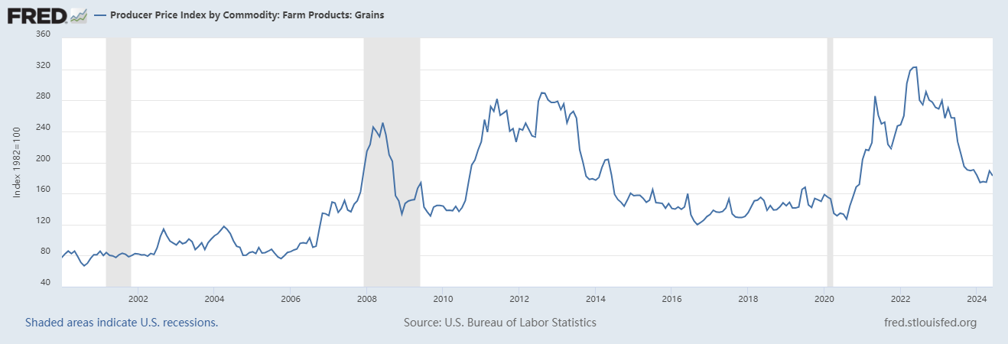
 |  |  |  |  |  |  |  |  | PPI | Grains | 183.484 | 174.163 | 175.257 | 174.473 | 189.132 | 182.784
 |  |  |  |  |  |  |  |  |  |  | -- | -5.08% | 0.63% | -0.45% | 8.40% | -3.36% | 0.03%
 |  |  |  |  |  |  |  |  | PPI | Vegetables | 335.307 | 377.806 | 446.060 | 335.149 | 355.744 | 335.535
 |  |  |  |  |  |  |  |  |  |  | -- | 12.67% | 18.07% | -24.86% | 6.15% | -5.68% | 1.27%
 |  |  |  |  |  |  |  |  | Beverage
 |  |  |  |  |  |  |  |  | PPI | Beverage | 237.418 | 239.827 | 240.302 | 240.068 | 240.094 | 239.747
Breakdown of Food, beverage and packaging |  |  |  |  |  |  |  |  |  |  | -- | 1.01% | 0.20% | -0.10% | 0.01% | -0.14% | 0.20%
Food |  |  | Estimated |  |  |  |  |  | Packaging
beef | 60.0% | $6.24 | 6.247 |  |  |  |  |  | PPI | Paper | 209.264 | 210.580 | 215.869 | 227.159 | 232.376 | 235.236
grains | 15.0% | $1.56 | 1.560 |  |  |  |  |  |  |  | -- | 0.63% | 2.51% | 5.23% | 2.30% | 1.23% | 2.38%
Vegetables | 15.0% | $1.56 | 1.580 |  |  |  |  |  | PPI | Plastic | 314.049 | 320.519 | 318.551 | 321.855 | 323.000 | 320.761
Beverage | 5.0% | $0.52 | 0.521 |  |  |  |  |  |  |  | -- | 2.06% | -0.61% | 1.04% | 0.36% | -0.69% | 0.43%
Packaging
Paper | 2.5% | $0.26 | 0.266
Plastic | 2.5% | $0.26 | 0.261
Total | 100.0% | $10.40 | $10.44 | 0.35%

Price of Burrito Bowl | $13.15
Gross margin | 20.92%

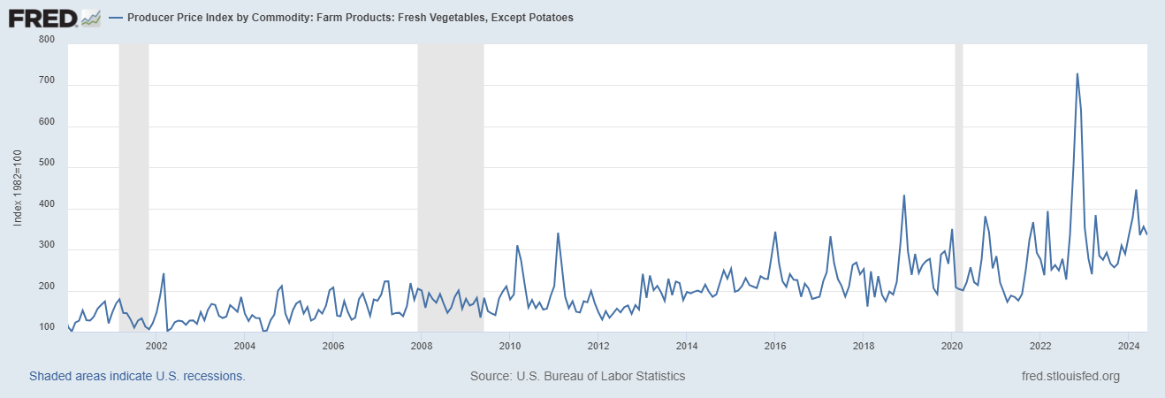
 | 2021 | 2022 | 2023
Revenue | 7,547,061 | 8,634,652 | 9,871,649
Cost of Good Sold | 6,094,709 | 6,859,359 | 7,604,951
Gross profit | 1,452,352 | 1,775,293 | 2,266,698
% margin | 19.24% | 20.56% | 22.96%

CMG Comps & market share
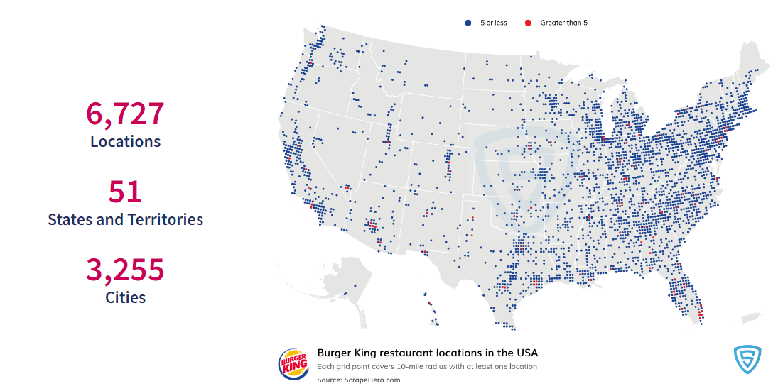
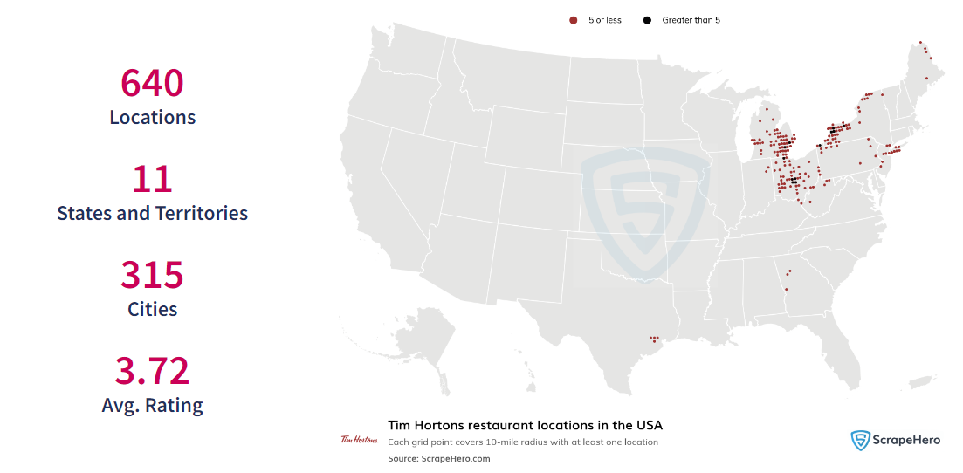
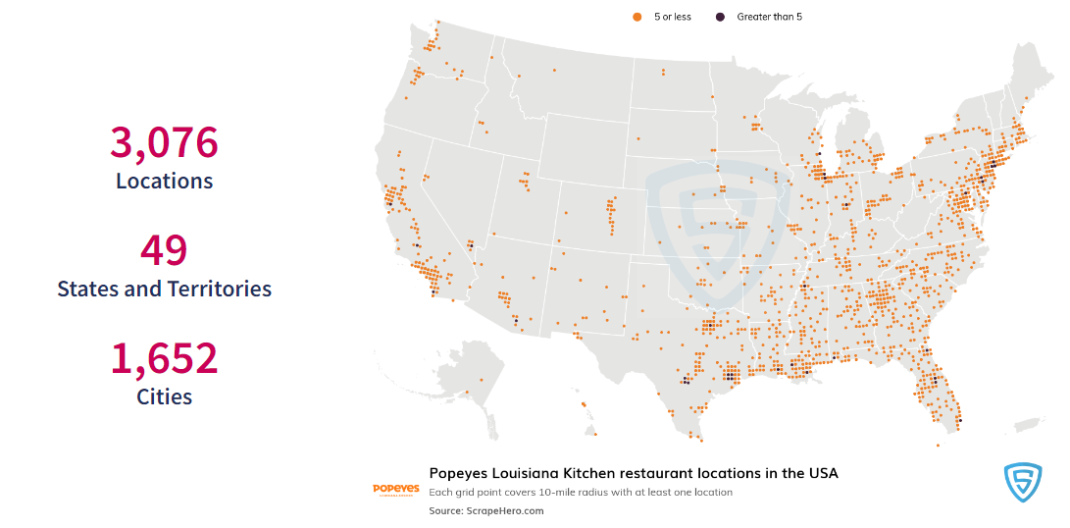
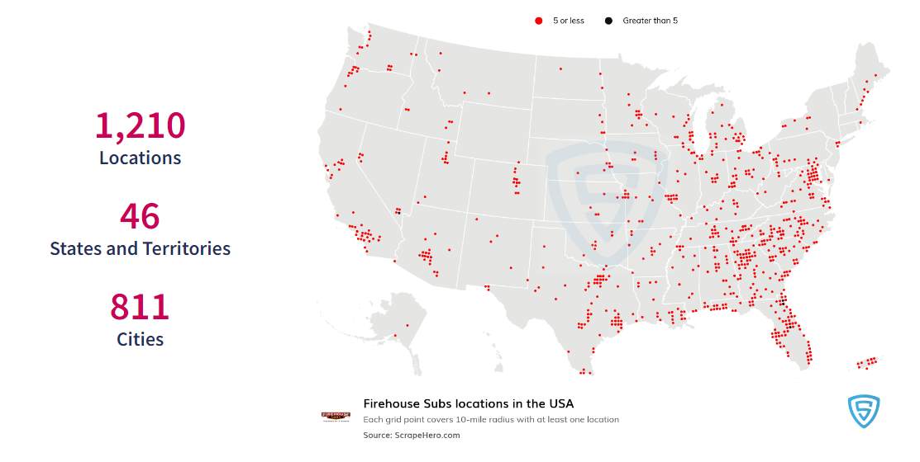
 | Date | 2024-07-18
 | Currency | USD

 | 0 |  |  |  |  |  |  |  |  |  |  |  |  |  |  |  |  |  |  |  |  | Trading Multiples
 |  |  | Current | Share | Market | Enterprise |  | Revenue |  |  | EBITDA |  | Net Income |  |  | Revenue Growth |  | EBITDA Margin |  | Profit Margin |  | EV / Revenue |  | EV / EBITDA |  | P / E
 | Ticker | Company Name | Price | Count | Cap | Value |  | 21 | 22 | 23 | '22 | '23 | '22 | '23 |  | '21-'22 | '22-'23 | '22 | '23 | '22 | '23 | ‘24 | ’25 | ‘24 | ’25 | ‘24 | ’25

 | CMG-US | #Calc | #Calc | #Calc | #VALUE! | #VALUE! |  | #Calc | #Calc | #Calc | #Calc | #Calc | #Calc | #Calc |  | #VALUE! | #VALUE! | #VALUE! | #VALUE! | #VALUE! | #VALUE! | #Calc | #Calc | #Calc | #Calc | #Calc | #Calc

1 | SBUX-US | #Calc | #Calc | #Calc | #VALUE! | #VALUE! |  | #Calc | #Calc | #Calc | #Calc | #Calc | #Calc | #Calc |  | #VALUE! | #VALUE! | #VALUE! | #VALUE! | #VALUE! | #VALUE! | #Calc | #Calc | #Calc | #Calc | #Calc | #Calc
2 | WEN-US | #Calc | #Calc | #Calc | #VALUE! | #VALUE! |  | #Calc | #Calc | #Calc | #Calc | #Calc | #Calc | #Calc |  | #VALUE! | #VALUE! | #VALUE! | #VALUE! | #VALUE! | #VALUE! | #Calc | #Calc | #Calc | #Calc | #Calc | #Calc
3 | YUM-US | #Calc | #Calc | #Calc | #VALUE! | #VALUE! |  | #Calc | #Calc | #Calc | #Calc | #Calc | #Calc | #Calc |  | #VALUE! | #VALUE! | #VALUE! | #VALUE! | #VALUE! | #VALUE! | #Calc | #Calc | #Calc | #Calc | #Calc | #Calc
4 | MCD-US | #Calc | #Calc | #Calc | #VALUE! | #VALUE! |  | #Calc | #Calc | #Calc | #Calc | #Calc | #Calc | #Calc |  | #VALUE! | #VALUE! | #VALUE! | #VALUE! | #VALUE! | #VALUE! | #Calc | #Calc | #Calc | #Calc | #Calc | #Calc
5 | QSR-US | #Calc | #Calc | #Calc | #VALUE! | #VALUE! |  | #Calc | #Calc | #Calc | #Calc | #Calc | #Calc | #Calc |  | #VALUE! | #VALUE! | #VALUE! | #VALUE! | #VALUE! | #VALUE! | #Calc | #Calc | #Calc | #Calc | #Calc | #Calc
6 | DPZ-US | #Calc | #Calc | #Calc | #VALUE! | #VALUE! |  | #Calc | #Calc | #Calc | #Calc | #Calc | #Calc | #Calc |  | #VALUE! | #VALUE! | #VALUE! | #VALUE! | #VALUE! | #VALUE! | #Calc | #Calc | #Calc | #Calc | #Calc | #Calc
7 | DRI-US | #Calc | #Calc | #Calc | #VALUE! | #VALUE! |  | #Calc | #Calc | #Calc | #Calc | #Calc | #Calc | #Calc |  | #VALUE! | #VALUE! | #VALUE! | #VALUE! | #VALUE! | #VALUE! | #Calc | #Calc | #Calc | #Calc | #Calc | #Calc

 | Mean |  |  |  |  |  |  |  |  |  |  |  |  |  |  | #VALUE! | #VALUE! | #VALUE! | #VALUE! | #VALUE! | #VALUE! | #DIV/0! | #DIV/0! | #DIV/0! | #DIV/0! | #DIV/0! | #DIV/0!
 | Median |  |  |  |  |  |  |  |  |  |  |  |  |  |  | #VALUE! | #VALUE! | #VALUE! | #VALUE! | #VALUE! | #VALUE! | #NUM! | #NUM! | #NUM! | #NUM! | #NUM! | #NUM!

 |  |  | 2023 Trading Multiple |  |  |  | 2023 Financial Metric |  |  |  | Enterprise Value |  |  |  |  |  |  |  | Equity Value |  |  | Implied Share Price
 | Calculating Implied Share Price |  | Revenue | EBITDA | P/E |  | Revenue | EBITDA | EPS |  | Revenue | EBITDA | Net Income |  | Cash | Debt | Shares |  | Revenue | EBITDA | Net Income | Revenue | EBITDA | Net Income
 | Minimum |  | 0.0x | 0.0x | 0.0x |  | #Calc | #Calc | #Calc |  | #VALUE! | #VALUE! | -- |  | #Calc | #Calc | #Calc |  | #VALUE! | #VALUE! | #VALUE! | #VALUE! | #VALUE! | #VALUE!
 | Mean |  | #DIV/0! | #DIV/0! | #DIV/0! |  | #Calc | #Calc | #Calc |  | #VALUE! | #VALUE! | -- |  | #Calc | #Calc | #Calc |  | #VALUE! | #VALUE! | #DIV/0! | #VALUE! | #VALUE! | #DIV/0!
 | Median |  | #NUM! | #NUM! | #NUM! |  | #Calc | #Calc | #Calc |  | #VALUE! | #VALUE! | -- |  | #Calc | #Calc | #Calc |  | #VALUE! | #VALUE! | #NUM! | #VALUE! | #VALUE! | #NUM!
 | Maximum |  | 0.0x | 0.0x | 0.0x |  | #Calc | #Calc | #Calc |  | #VALUE! | #VALUE! | -- |  | #Calc | #Calc | #Calc |  | #VALUE! | #VALUE! | #VALUE! | #VALUE! | #VALUE! | #VALUE!

 | DATABASE
 | 1 | 2 | 3 | 4 | 5 | 6 | 7 | 8 | 9 | 10 | 11 | 12 | 13 | 14

 |  |  | Current | Share | Market | Enterprise |  |  |  | Revenue |  |  | EBITDA |  | Net Income
 | Ticker | Company Name | Price | Count | Cap | Value | Cash | Debt |  | 21 | 22 | 23 | '22 | '23 | '22 | '23
 | CMG-US | #Calc | #Calc | #Calc | #VALUE! | #VALUE! | #Calc | #Calc |  | #Calc | #Calc | #Calc | #Calc | #Calc | #Calc | #Calc
 | SBUX-US | #Calc | #Calc | #Calc | #VALUE! | #VALUE! | #Calc | #Calc |  | #Calc | #Calc | #Calc | #Calc | #Calc | #Calc | #Calc
 | WEN-US | #Calc | #Calc | #Calc | #VALUE! | #VALUE! | #Calc | #Calc |  | #Calc | #Calc | #Calc | #Calc | #Calc | #Calc | #Calc
 | YUM-US | #Calc | #Calc | #Calc | #VALUE! | #VALUE! | #Calc | #Calc |  | #Calc | #Calc | #Calc | #Calc | #Calc | #Calc | #Calc
 | MCD-US | #Calc | #Calc | #Calc | #VALUE! | #VALUE! | #Calc | #Calc |  | #Calc | #Calc | #Calc | #Calc | #Calc | #Calc | #Calc
 | QSR-US | #Calc | #Calc | #Calc | #VALUE! | #VALUE! | #Calc | #Calc |  | #Calc | #Calc | #Calc | #Calc | #Calc | #Calc | #Calc
 | DPZ-US | #Calc | #Calc | #Calc | #VALUE! | #VALUE! | #Calc | #Calc |  | #Calc | #Calc | #Calc | #Calc | #Calc | #Calc | #Calc
 | DRI-US | #Calc | #Calc | #Calc | #VALUE! | #VALUE! | #Calc | #Calc |  | #Calc | #Calc | #Calc | #Calc | #Calc | #Calc | #Calc

Revenue within 3 years

 |  |  |  | Revenue |  |  | EBITDA |  | Net Income
 |  |  |  | 21 | 22 | 23 | '22 | '23 | '22 | '23
 |  |  | CMG-US | #Calc | #Calc | #Calc | #Calc | #Calc | #Calc | #Calc
 |  |  | SBUX-US | #Calc | #Calc | #Calc | #Calc | #Calc | #Calc | #Calc
 |  |  | WEN-US | #Calc | #Calc | #Calc | #Calc | #Calc | #Calc | #Calc
 |  |  | YUM-US | #Calc | #Calc | #Calc | #Calc | #Calc | #Calc | #Calc
 |  |  | MCD-US | #Calc | #Calc | #Calc | #Calc | #Calc | #Calc | #Calc
 |  |  | QSR-US | #Calc | #Calc | #Calc | #Calc | #Calc | #Calc | #Calc
 |  |  | DPZ-US | #Calc | #Calc | #Calc | #Calc | #Calc | #Calc | #Calc
 |  |  | DRI-US | #Calc | #Calc | #Calc | #Calc | #Calc | #Calc | #Calc
 |  |  | Total | 0 | 0 | 0 | 0 | 0 | 0 | 0

 |  |  | % of total | #VALUE! | #VALUE! | #VALUE! | #VALUE! | #VALUE! | #VALUE! | #VALUE!
 |  |  |  | -- | #VALUE! | #VALUE!

 |  |  |  | 21 | 22 | 23 | 24 | 25 | 26 | 27 | 28
 |  |  |  | #VALUE! | #VALUE! | #VALUE! | #VALUE! | #VALUE! | #VALUE! | #VALUE! | #VALUE!
 |  |  |  | -- | #VALUE! | #VALUE! | #VALUE! | #VALUE! | #VALUE! | #VALUE! | #VALUE!

 |  |  |  |  | Numbers of locations in the U.S.

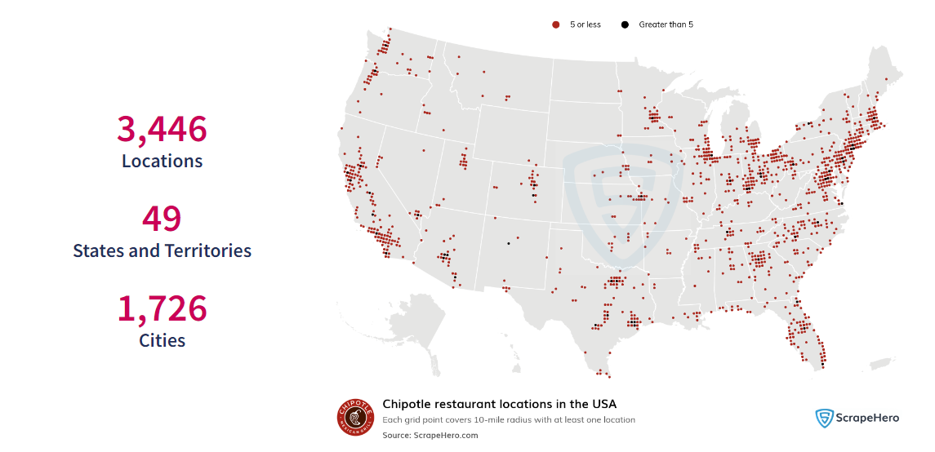
 |  |  |  |  | CMG-US | 3,446
 |  |  |  |  | SBUX-US | 16,621
 |  |  |  |  | WEN-US | 6,020
 |  |  |  |  | YUM-US | 18,199
 |  |  |  |  | MCD-US | 13,529
 |  |  |  |  | QSR-US | 11653
 |  |  |  |  | DPZ-US | 6929
 |  |  |  |  | DRI-US | 2022
 |  |  |  |  | Total | 78,419

 |  |  |  |  | penetration rate | 4.39% | mainly located in the West and East

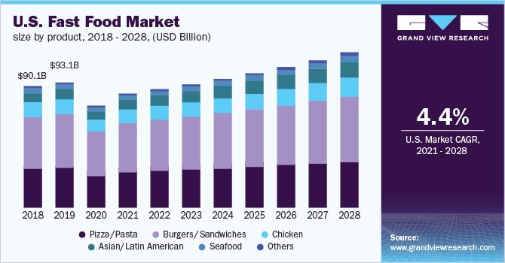

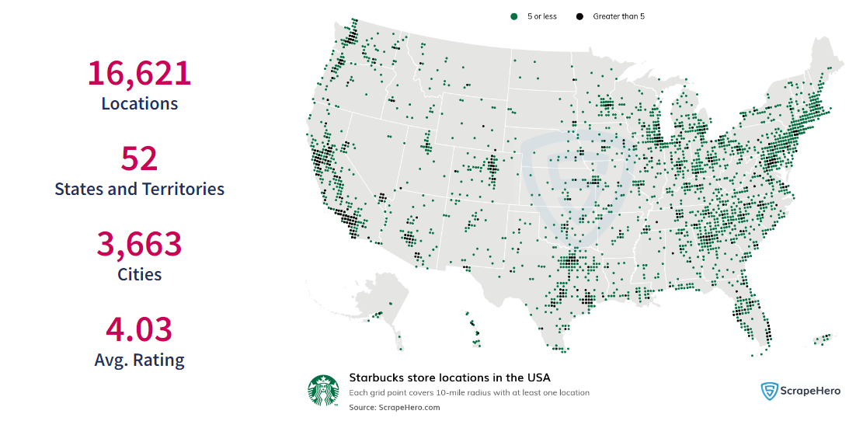
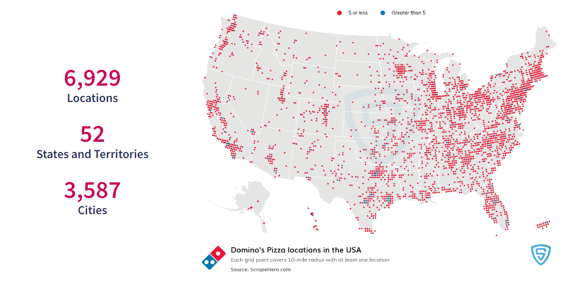

 |  |  |  | As data presented above, in 2028, the U.S. Fast Food Market is going to reach $121.8 billion dollar, with 4.4% CAGR for 8 years, Chipotle also will reach 11% of total market share, so rationally Chipotle will achieve 13.4 billion total sales, but based on our estimation, Chipotle can achieve this goal by the end of 2026, because Chipotle's growth is way faster than the average market growth.

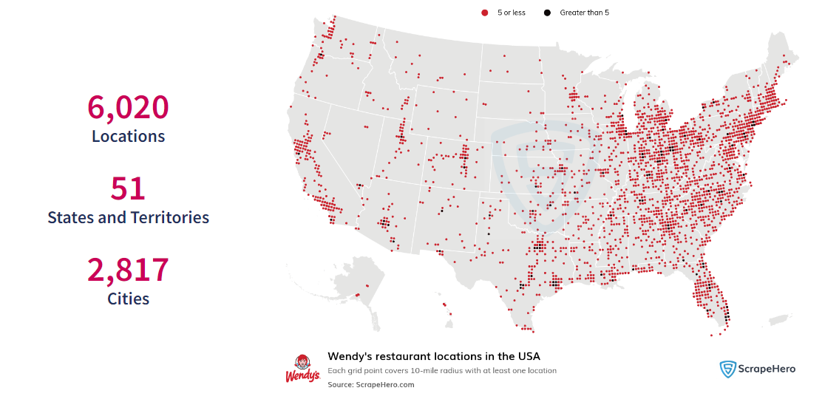
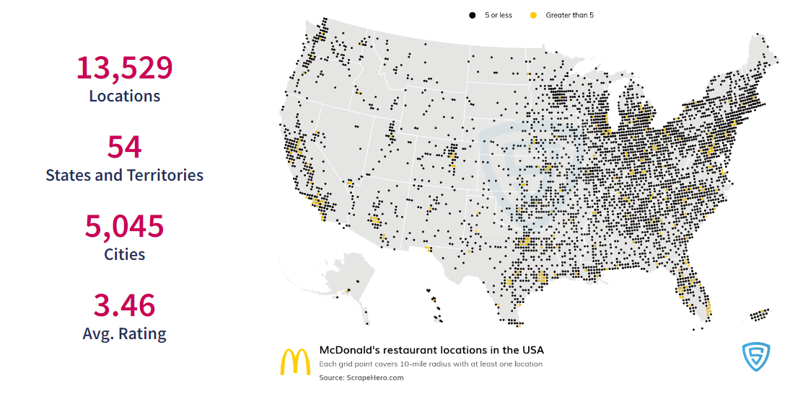

 |  |  |  | 121.79466961

CMG restaurant activity
Restaurant Activity |  |  |  |  |  |  |  |  |  |  |  |  |  | Data gained from earnings calls | AUVs
 | Year ended December 31, |  |  |  |  |  |  |  |  |  |  |  |  |  | 2023 | 2022 | 2021 | 2020 | 2019 | 2018
 | 2023 |  | 2022 |  | 2021 |  | 2020 |  | 2019 |  |  |  |  | millions | 3 | 2.8 | 2.5 | 2.2 | 2.2 | 2
Beginning of period | 3,187 |  | 2,966 |  | 2,768 |  | 2,622 |  | 2,491 |  |  |  |  | Growth rate | 7.14% | 12.00% | 13.64% | 0.00% | 10.00%
Chipotle openings | 270 |  | 235 |  | 215 |  | 160 |  | 139 |  |  |  |  | Gross Margin | 26.50% | 23.90% | 24%-25% | 22%
Non-Chipotle openings | 1 |  | 1 |  | - |  | 1 |  | 1
Chipotle permanent closures | (3) |  | (3) |  | (10) |  | (9) |  | (7) |  |  |  |  | Data calculated | AUVs
Chipotle relocations | (12) |  | (12) |  | (7) |  | (6) |  | (2) |  |  |  |  |  | 2023 | 2022 | 2021 | 2020 | 2019
Non-Chipotle permanent closures | (6) |  | - |  |  |  |  |  | - |  |  |  |  | millions | 2.8721702066 | 2.7093354252 | 2.5445249494 | 2.1620787572 | 2.1305755149
Total restaurants at end of period | 3,437 |  | 3,187 |  | 2,966 |  | 2,768 |  | 2,622 |  |  |  |  | Growth rate | 6.01% | 6.48% | 17.69% | 1.48%
Total changes | 250 |  | 221 |  | 198 |  | 146 |  |  |  |  |  |  | Gross Margin | 22.96% | 20.56% | 19.24% | 13% | 16.64%
YOY % | 7.84% |  | 7.45% |  | 7.15% |  | 5.57%

 | 2024 Q1 | 2023 FY | 2023 Q3 | 2023 Q2 | 2023 Q1 | 2022 FY | 2022 Q3 | 2022 Q2 | 2022 Q1 | 2021 FY | 2021 Q3 | 2021 Q2 | 2021 Q1 | 2020 FY
resturants in U.S | 3411 | 3371 | 3260 | 3205 | 3164 | 3129 | 3036 | 2999 | 2964 | 2918 | 2846 | 2808 | 2759 | 2724
resturants oversea | 68 | 66 | 61 | 57 | 54 | 53 | 50 | 49 | 46 | 44 | 42 | 41 | 40 | 40
resturants in total | 3479 | 3437 | 3321 | 3262 | 3218 | 3182 | 3086 | 3048 | 3010 | 2962 | 2888 | 2849 | 2799 | 2764
 | Total restaurants at end of period | Total changes
2023 | 3437 | 250
2022 | 3187 | 221
2021 | 2966 | 198
2020 | 2768 | 146
2019 | 2622
 |  |  | closed all non-Chipotle restaurants
 | 2024 Q1 | 2023 FY | 2023 Q3 | 2023 Q2 | 2023 Q1 | 2022 FY | 2022 Q3 | 2022 Q2 | 2022 Q1 | 2021 FY | 2021 Q3 | 2021 Q2 | 2021 Q1
new openings in U.S. | 40 | 111 | 55 | 41 | 35 | 93 | 37 | 35 | 46 | 72 | 38 | 49 | 35
new openings overseas | 2 | 5 | 4 | 3 | 1 | 3 | 1 | 3 | 2 | 2 | 1 | 1 | 0
new openings in total | 42 | 116 | 59 | 44 | 36 | 96 | 38 | 38 | 48 | 74 | 39 | 50 | 35
 | 14.7% | 46.4% | 23.6% | 17.6% | 14.4% | 43.4% | 17.2% | 17.2% | 21.7% | 37.37% | 19.70% | 25.25% | 17.68%
 |  | Chipotle is willing to build the most new stores in Q4

Growth rate in U.S | 1.19% | 3.40% | 1.72% | 1.30% | 1.12% | 3.06% | 1.23% | 1.18% | 1.58% | 2.53% | 1.35% | 1.78% | 1.28%
Growth rate overseas | 3.03% | 8.20% | 7.02% | 5.56% | 1.89% | 6.00% | 2.04% | 6.52% | 4.55% | 4.76% | 2.44% | 2.50% | 0.00%
Growth rate in total | 1.22% | 3.49% | 1.81% | 1.37% | 1.13% | 3.11% | 1.25% | 1.26% | 1.62% | 2.56% | 1.37% | 1.79% | 1.27%
Growth rate FY |  | 8.01% |  |  |  | 7.43% |  |  |  | 7.16%
 |  | There is a difference cuz I did not include the relocation and closed stores

Announced new openings in FY 24 | 285 | 3722 | 8.29% | rational result if you check historical data above
 | 315 | 3752 | 9.16%
 |  |  | 8.73% | average new openings growth rate

