Main_Jio_TelecomDashboard
JIO TELECOM | CUSTOMER CHURN & RETENTION DASHBOARD
Understanding Customers • Targeting High Churn Segments • Improving Lifetime Value

Total Subscribers
🤵 7043
Chunred Customer
📉 1869
Churn Rate %
⚠26.54
Avg Monthly Charges
💳 ₹ 64.76

Total Billed Charges
💰 ₹ 16 Cr.
Average Tenure
⏳ 32.37 Mos

🔍Customer Churn Analysis🔎

🏘
Home
🌐
Main-Dashboard
📊
PhoneServices-Dashboard
📝
Insigts
Churn Volume by Contract Type
 | No | Yes
Jio Prime (1 Year) | 1307 | 166
Jio Prime (2 Years) | 1647 | 48
Pay-as-you-go | 2220 | 1655
Contract Portfolio Composition (%)
 | No | Yes
Jio Prime (1 Year) | 1307 | 166
Jio Prime (2 Years) | 1647 | 48
Pay-as-you-go | 2220 | 1655
Churn Distribution by Payment Mode
 | No | Yes
Bank transfer (automatic) | 1286 | 258
Credit card (automatic) | 1290 | 232
UPI | 2598 | 1379

Customer Retention vs. Churn Across Lifecycle (Tenure)
 | No | Yes
0–12 months | 1149 | 1037
25–36 months | 652 | 180
37–48 months | 617 | 145
13–24 months | 730 | 294
60+ months | 1314 | 93
49–60 months | 712 | 120
Churn by Internet Service (Jio True 5G vs. JioFiber)
 | No | Yes
Jio True 5G | 1799 | 1297
JioFiber | 1962 | 459
No Internet Service | 1413 | 113
Average Monthly Charges: Retained vs. Churned
 | Total
No | ₹ 61.27
Yes | ₹ 74.44

PhoneServices_AnalysisDashboard
JIO TELECOM | CUSTOMER CHURN & RETENTION DASHBOARD
Understanding Customers • Targeting High Churn Segments • Improving Lifetime Value

Total Subscribers
🤵 7043
Chunred Customer
📉 1869
Churn Rate %
⚠26.54
Avg Monthly Charges
💳 ₹ 64.76
Total Billed Charges
💰 ₹ 16 Cr.
Average Tenure
⏳ 32.37 Mos

🏘
Home
🌐
Main-Dashboard
📊
PhoneServices-Dashboard
📝
Insigts
Churn Volume by PhoneServices Type
 | No | Yes
Jio Postpaid | 262 | 109
Jio Prepaid | 2179 | 1091
PhoneServices vs. Churn Across Customer
 | No | Yes
Jio Postpaid | 512 | 170
Jio Prepaid | 4662 | 1699
PhoneServices vs. Churn Across Customer
 | No | Yes
Jio Postpaid | 512 | 170
Jio Prepaid | 4662 | 1699

Average monthly charges (phoneservices)
 | Total
Jio Postpaid | ₹ 42.03
Jio Prepaid | ₹ 67.20
Churn Distribution by PhoneServices
 | No | Yes
Jio Postpaid | 512 | 170
Jio Prepaid | 4662 | 1699
PhoneServices Area Coverage
 | No | Yes
Jio Postpaid | 262 | 109
Jio Prepaid | 2179 | 1091

Insigts
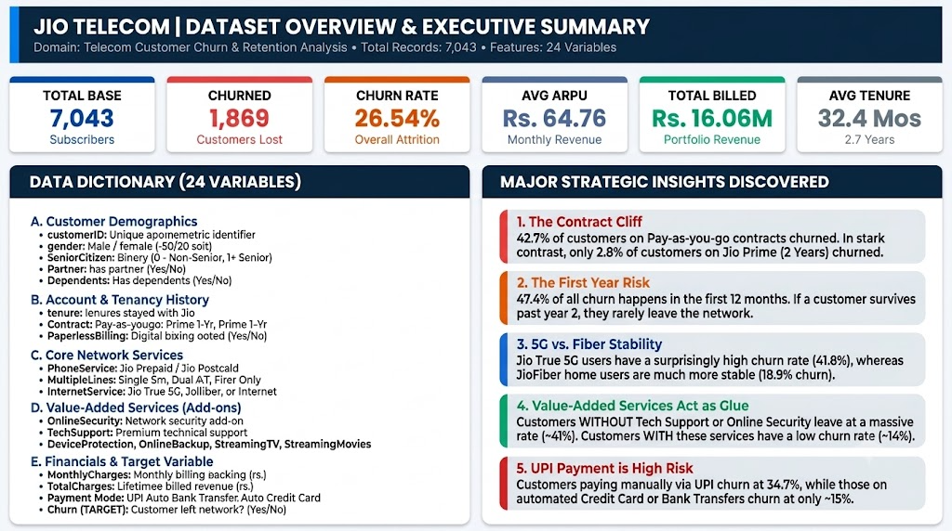 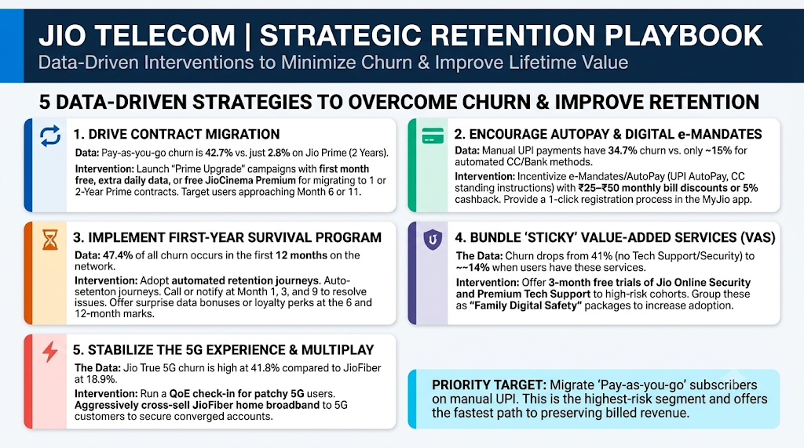

PT_Contract
Home
Count of customerID | Column Labels
Row Labels | No | Yes | Grand Total | Count of customerID | Column Labels
Jio Prime (1 Year) | 1307 | 166 | 1473 | Row Labels | No | Yes | Grand Total
Jio Prime (2 Years) | 1647 | 48 | 1695 | Jio Postpaid | 262 | 109 | 371
Pay-as-you-go | 2220 | 1655 | 3875 | Jio Prepaid | 2179 | 1091 | 3270
Grand Total | 5174 | 1869 | 7043 | Grand Total | 2441 | 1200 | 3641
Churn Volume by PhoneServices Type
PhoneServices Area Coverage
Churn Volume by Contract Type

Contract Portfolio Composition (%)

PT_Tenure
Count of customerID | Column Labels
Row Labels | No | Yes | Grand Total | Count of customerID | Column Labels
0–12 months | 1149 | 1037 | 2186 | Row Labels | No | Yes | Grand Total
Home
25–36 months | 652 | 180 | 832 | Jio Postpaid | 512 | 170 | 682
37–48 months | 617 | 145 | 762 | Jio Prepaid | 4662 | 1699 | 6361
13–24 months | 730 | 294 | 1024 | Grand Total | 5174 | 1869 | 7043
60+ months | 1314 | 93 | 1407
49–60 months | 712 | 120 | 832
Grand Total | 5174 | 1869 | 7043
Customer Retention vs. Churn Across Lifecycle (Tenure)
PhoneServices vs. Churn Across Customer

PT_Internet
Home
Count of customerID | Column Labels |  |  | Count of customerID | Column Labels
Row Labels | No | Yes | Grand Total | Row Labels | No | Yes | Grand Total
Jio True 5G | 1799 | 1297 | 3096 | Jio Postpaid | 512 | 170 | 682
JioFiber | 1962 | 459 | 2421 | Jio Prepaid | 4662 | 1699 | 6361
No Internet Service | 1413 | 113 | 1526 | Grand Total | 5174 | 1869 | 7043
Churn by PhoneServices (Jio Postpaid vs. Jio Prepaid
Grand Total | 5174 | 1869 | 7043
Churn by Internet Service (Jio True 5G vs. JioFiber)

PT_Charges
Home
Row Labels | Average of MonthlyCharges | Row Labels | Average of MonthlyCharges
No | ₹ 61.27 | Jio Postpaid | ₹ 42.03
Yes | ₹ 74.44 | Jio Prepaid | ₹ 67.20
Grand Total | ₹ 64.76 | Grand Total | ₹ 64.76
Average monthly charges (phoneservices)
Average Monthly Charges: Retained vs. Churned

PT_Payment
Home
Count of customerID | Column Labels |  |  | Count of customerID | Column Labels
Row Labels | No | Yes | Grand Total | Row Labels | No | Yes | Grand Total
Bank transfer (automatic) | 1286 | 258 | 1544 | Jio Postpaid | 512 | 170 | 682
Credit card (automatic) | 1290 | 232 | 1522 | Jio Prepaid | 4662 | 1699 | 6361
UPI | 2598 | 1379 | 3977 | Grand Total | 5174 | 1869 | 7043
Grand Total | 5174 | 1869 | 7043
Churn Distribution by Payment Mode
Churn Distribution by PhoneServices

PT_Summary
Count of customerID | Sum of ChurnNumric | Average of ChurnNumric2 | Average of MonthlyCharges | Sum of TotalCharges | Average of tenure
7043 | 1869 | 26.54% | ₹ 64.76 | ₹ 16,056,168.70 | 32.37

Home

k | Count of customerID
1869 | 7043

