LowLeg_Impact_4ms_BodyKinematic
...
Angular velocities and accelerations are given about the body-local axes.

Units are S.I. units (seconds, meters, Newtons, ...)
Angles are in degrees.

endheader
time | ground_X | ground_Y | ground_Z | ground_Ox | ground_Oy | ground_Oz | Rod_X | Rod_Y | Rod_Z | Rod_Ox | Rod_Oy | Rod_Oz | Cylinder_Impactor_X | Cylinder_Impactor_Y | Cylinder_Impactor_Z | time | accel | Cylinder_Impactor_Ox | Cylinder_Impactor_Oy | Cylinder_Impactor_Oz | Pointer_X | Pointer_Y | Pointer_Z | Pointer_Ox | Pointer_Oy
0 | 0 | 0 | 0 | 0 | 0 | 0 | 0 | 16 | 0 | 0 | 0 | 0 | 0 | 32 | 0 | -0.00472063 | 0 | 0 | 0 | 0 | 0 | 0 | 0 | 0 | 0
0 | 0 | 0 | 0 | 0 | 0 | 0 | 0 | 16 | 0 | 0 | 0 | 0 | 0 | 32 | 0 | -0.00472063 | 0 | 0 | 0 | 0 | 0 | 0 | 0 | 0 | 0
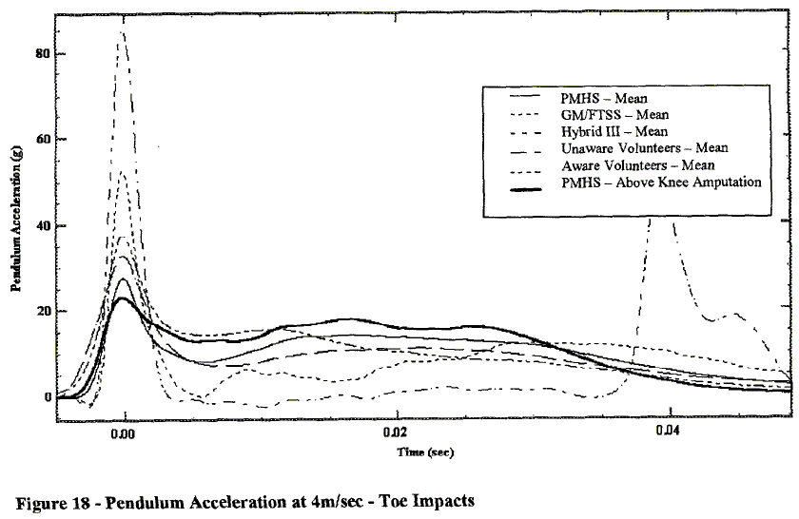
0 | 0 | 0 | 0 | 0 | 0 | 0 | 0 | 16 | 0 | 0 | 0 | 0 | 0 | 32 | 0 | -0.00472063 | 0 | 0 | 0 | 0 | 0 | 0 | 0 | 0 | 0
 | accel
-0.00472063 | 0
-0.00472063 | 0
-0.00472063 | 0
-0.00472063 | 0
-0.00472063 | 0
-0.00472063 | 0
-0.00472063 | 0
-0.00472063 | 0
-0.00472063 | 0
-0.00472063 | 0
-0.00472063 | 0
-0.00472063 | 0
-0.00472063 | 0
-0.00472063 | 0
-0.00472063 | 0
-0.00472063 | 0
-0.00472063 | 0
-0.00472063 | 0
-0.00472063 | 0
-0.00472063 | 0
-0.00472063 | 0
-0.00472063 | 0
-0.00472063 | 0
-0.00472063 | 0
-0.00472063 | 0
-0.00472063 | 0
-0.00472063 | 0
-0.00472063 | 0
-0.00472063 | 0
-0.00472063 | 0
-0.00472063 | 1.0193679918E-09
-0.00472063 | 1.0193679918E-09
-0.00472063 | 2.0387359837E-09
-0.00472063 | 4.0774719674E-09
-0.00472063 | 7.1355759429E-09
-0.00472063 | 1.4271151886E-08
-0.00472063 | 2.5484199796E-08
-0.00472063 | 4.6890927625E-08
-0.00472063 | 8.4607543323E-08
-0.00472062 | 1.5290519878E-07
-0.00472062 | 2.7726809378E-07
-0.00472061 | 5.00509684E-07
-0.0047206 | 8.9806320082E-07
-0.00472057 | 1.6034658512E-06
-0.00472053 | 2.8542303772E-06
-0.00472044 | 5.0682976555E-06
-0.0047203 | 8.9765545362E-06
-0.00472005 | 1.5836901121E-05
-0.00471962 | 2.7646279307E-05
-0.00471893 | 4.6328236493E-05
...
0 | 0 | 0 | 0 | 0 | 0 | 0 | 0 | 16 | 0 | 0 | 0 | 0 | 0 | 32 | 0 | -0.00472063 | 0 | 0 | 0 | 0 | 0 | 0 | 0 | 0 | 0
0 | 0 | 0 | 0 | 0 | 0 | 0 | 0 | 16 | 0 | 0 | 0 | 0 | 0 | 32 | 0 | -0.00472063 | 0 | 0 | 0 | 0 | 0 | 0 | 0 | 0 | 0
0 | 0 | 0 | 0 | 0 | 0 | 0 | 0 | 16 | 0 | 0 | 0 | 0 | 0 | 32 | 0 | -0.00472063 | 0 | 0 | 0 | 0 | 0 | 0 | 0 | 0 | 0
0 | 0 | 0 | 0 | 0 | 0 | 0 | 0 | 16 | 0 | 0 | 0 | 0 | 0 | 32 | 0 | -0.00472063 | 0 | 0 | 0 | 0 | 0 | 0 | 0 | 0 | 0
0 | 0 | 0 | 0 | 0 | 0 | 0 | 0 | 16 | 0 | 0 | 0 | 0 | 0 | 32 | 0 | -0.00472063 | 0 | 0 | 0 | 0 | 0 | 0 | 0 | 0 | 0
0 | 0 | 0 | 0 | 0 | 0 | 0 | 0 | 16 | 0 | 0 | 0 | 0 | 0 | 32 | 0 | -0.00472063 | 0 | 0 | 0 | 0 | 0 | 0 | 0 | 0 | 0
0 | 0 | 0 | 0 | 0 | 0 | 0 | 0 | 16 | 0 | 0 | 0 | 0 | 0 | 32 | 0 | -0.00472063 | 0 | 0 | 0 | 0 | 0 | 0 | 0 | 0 | 0
0 | 0 | 0 | 0 | 0 | 0 | 0 | 0 | 16 | 0 | 0 | 0 | 0 | 0 | 32 | 0 | -0.00472063 | 0 | 0 | 0 | 0 | 0 | 0 | 0 | 0 | 0
0 | 0 | 0 | 0 | 0 | 0 | 0 | 0 | 16 | 0 | 0 | 0 | 0 | 0 | 32 | 0 | -0.00472063 | 0 | 0 | 0 | 0 | 0 | 0 | 0 | 0 | 0
0 | 0 | 0 | 0 | 0 | 0 | 0 | 0 | 16 | 0 | 0 | 0 | 0 | 0 | 32 | 0 | -0.00472063 | 0 | 0 | 0 | 0 | 0 | 0 | 0 | 0 | 0
0 | 0 | 0 | 0 | 0 | 0 | 0 | 0 | 16 | 0 | 0 | 0 | 0 | 0 | 32 | 0 | -0.00472063 | 0 | 0 | 0 | 0 | 0 | 0 | 0 | 0 | 0
0 | 0 | 0 | 0 | 0 | 0 | 0 | 0 | 16 | 0 | 0 | 0 | 0 | 0 | 32 | 0 | -0.00472063 | 0 | 0 | 0 | 0 | 0 | 0 | 0 | 0 | 0
0 | 0 | 0 | 0 | 0 | 0 | 0 | 0 | 16 | 0 | 0 | 0 | 0 | 0 | 32 | 0 | -0.00472063 | 0 | 0 | 0 | 0 | 0 | 0 | 0 | 0 | 0
0 | 0 | 0 | 0 | 0 | 0 | 0 | 0 | 16 | 0 | 0 | 0 | 0 | 0 | 32 | 0 | -0.00472063 | 0 | 0 | 0 | 0 | 0 | 0 | 0 | 0 | 0
0 | 0 | 0 | 0 | 0 | 0 | 0 | 0 | 16 | 0 | 0 | 0 | 0 | 0 | 32 | 0 | -0.00472063 | 0 | 0 | 0 | 0 | 0 | 0 | 0 | 0 | 0
0 | 0 | 0 | 0 | 0 | 0 | 0 | 0 | 16 | 0 | 0 | 0 | 0 | 0 | 32 | 0 | -0.00472063 | 0 | 0 | 0 | 0 | 0 | 0 | 0 | 0 | 0
0 | 0 | 0 | 0 | 0 | 0 | 0 | 0 | 16 | 0 | 0 | 0 | 0 | 0 | 32 | 0 | -0.00472063 | 0 | 0 | 0 | 0 | 0 | 0 | 0 | 0 | 0
0 | 0 | 0 | 0 | 0 | 0 | 0 | 0 | 16 | 0 | 0 | 0 | 0 | 0 | 32 | 0 | -0.00472063 | 0 | 0 | 0 | 0 | 0 | 0 | 0 | 0 | 0
0 | 0 | 0 | 0 | 0 | 0 | 0 | 0 | 16 | 0 | 0 | 0 | 0 | 0 | 32 | 0 | -0.00472063 | 0 | 0 | 0 | 0 | 0 | 0 | 0 | 0 | 0
0 | 0 | 0 | 0 | 0 | 0 | 0 | 0 | 16 | 0 | 0 | 0 | 0 | 0 | 32 | 0 | -0.00472063 | 0 | 0 | 0 | 0 | 0 | 0 | 0 | 0 | 0
0 | 0 | 0 | 0 | 0 | 0 | 0 | 0 | 16 | 0 | 0 | 0 | 0 | 0 | 32 | 0 | -0.00472063 | 0 | 0 | 0 | 0 | 0 | 0 | 0 | 0 | 0
0 | 0 | 0 | 0 | 0 | 0 | 0 | 0 | 16 | 0 | 0 | 0 | 0 | 0 | 32 | 0 | -0.00472063 | 0 | 0 | 0 | 0 | 0 | 0 | 0 | 0 | 0
0 | 0 | 0 | 0 | 0 | 0 | 0 | 0 | 16 | 0 | 0 | 0 | 0 | 0 | 32 | 0 | -0.00472063 | 0 | 0 | 0 | 0 | 0 | 0 | 0 | 0 | 0
0 | 0 | 0 | 0 | 0 | 0 | 0 | 0 | 16 | 0 | 0 | 0 | 0 | 0 | 32 | 0 | -0.00472063 | 0 | 0 | 0 | 0 | 0 | 0 | 0 | 0 | 0
0 | 0 | 0 | 0 | 0 | 0 | 0 | 0 | 16 | 0 | 0 | 0 | 0 | 0 | 32 | 0 | -0.00472063 | 0 | 0 | 0 | 0 | 0 | 0 | 0 | 0 | 0
0 | 0 | 0 | 0 | 0 | 0 | 0 | 0 | 16 | 0 | 0 | 0 | 0.00000001 | 0 | 32 | 0 | -0.00472063 | 0 | 0 | 0 | 0.00000001 | 0 | 0 | 0 | 0 | 0
0 | 0 | 0 | 0 | 0 | 0 | 0 | 0 | 16 | 0 | 0 | 0 | 0.00000002 | 0 | 32 | 0 | -0.00472063 | 0 | 0 | 0 | 0.00000002 | 0 | 0 | 0 | 0 | 0
0 | 0 | 0 | 0 | 0 | 0 | 0 | 0 | 16 | 0 | 0 | 0 | 0.00000003 | 0.00000001 | 32 | 0 | -0.00472063 | 1.0193679918E-09 | 0 | 0 | 0.00000003 | 0 | 0 | 0 | 0 | 0
0 | 0 | 0 | 0 | 0 | 0 | 0 | 0.00000001 | 16 | 0 | 0 | 0 | 0.00000006 | 0.00000001 | 32 | 0 | -0.00472063 | 1.0193679918E-09 | 0 | 0 | 0.00000006 | 0 | 0 | 0 | 0 | 0
0 | 0 | 0 | 0 | 0 | 0 | 0 | 0.00000001 | 16 | 0 | 0 | 0 | 0.00000011 | 0.00000002 | 32 | 0 | -0.00472063 | 2.0387359837E-09 | 0 | 0 | 0.00000011 | 0 | 0 | 0 | 0 | 0
0 | 0 | 0 | 0 | 0 | 0 | 0 | 0.00000002 | 16 | 0 | 0 | 0 | 0.0000002 | 0.00000004 | 32 | 0 | -0.00472063 | 4.0774719674E-09 | 0 | 0 | 0.0000002 | 0 | 0 | 0 | 0 | 0
0 | 0 | 0 | 0 | 0 | 0 | 0 | 0.00000004 | 16 | 0 | 0 | 0 | 0.00000037 | 0.00000007 | 32 | 0 | -0.00472063 | 7.1355759429E-09 | 0 | 0 | 0.00000037 | 0 | 0 | 0 | 0 | 0
0 | 0 | 0 | 0 | 0 | 0 | 0 | 0.00000007 | 16 | 0 | 0 | 0 | 0.00000068 | 0.00000014 | 32 | 0 | -0.00472063 | 1.4271151886E-08 | 0 | 0 | 0.00000068 | 0 | 0 | 0 | 0 | 0
0 | 0 | 0 | 0 | 0 | 0 | 0 | 0.00000012 | 16 | 0 | 0 | 0 | 0.00000125 | 0.00000025 | 32 | 0 | -0.00472063 | 2.5484199796E-08 | 0 | 0 | 0.00000125 | 0 | 0 | 0 | 0 | 0
0 | 0 | 0 | 0 | 0 | 0 | 0 | 0.00000023 | 16 | 0 | 0 | 0 | 0.00000228 | 0.00000046 | 32 | 0 | -0.00472063 | 4.6890927625E-08 | 0 | 0 | 0.00000228 | 0 | 0 | 0 | 0 | 0
0 | 0 | 0 | 0 | 0 | 0 | 0 | 0.00000041 | 16 | 0 | 0 | 0 | 0.00000416 | 0.00000083 | 32 | 0 | -0.00472063 | 8.4607543323E-08 | 0 | 0 | 0.00000416 | 0 | 0 | 0 | 0 | 0
 | 0 | 0 | 0 | 0 | 0 | 0 | 0.00000075 | 16 | 0 | 0 | 0 | 0.00000755 | 0.0000015 | 32 | 0 | -0.00472062 | 1.5290519878E-07 | 0 | 0 | 0.00000755 | 0 | 0 | 0 | 0
 | 0 | 0 | 0 | 0 | 0 | 0 | 0.00000136 | 16 | 0 | 0 | 0 | 0.00001367 | 0.00000272 | 32 | 0 | -0.00472062 | 2.7726809378E-07 | 0 | 0 | 0.00001367 | 0 | 0 | 0 | 0
...

LowLeg_Impact_6ms_BodyKinematic
Accelerations
version=1
nRows=373
nColumns=76
inDegrees=no

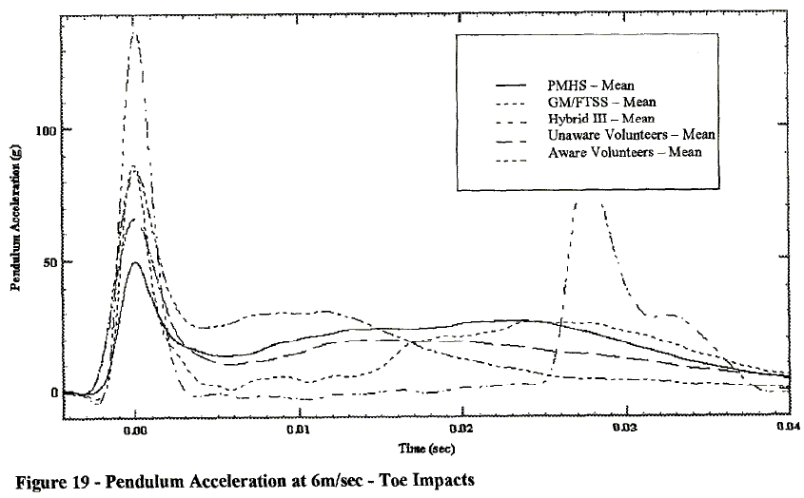
 | accel
-0.00337654 | 0
-0.00337654 | 0
-0.00337654 | 0
-0.00337654 | 0
-0.00337654 | 0
-0.00337654 | 0
-0.00337654 | 0
-0.00337654 | 0
-0.00337654 | 0
-0.00337654 | 0
-0.00337654 | 0
-0.00337654 | 0
-0.00337654 | 0
-0.00337654 | 0
-0.00337654 | 0
-0.00337654 | 0
-0.00337654 | 0
-0.00337654 | 0
-0.00337654 | 0
-0.00337654 | 0
-0.00337654 | 0
-0.00337654 | 0
-0.00337654 | 0
-0.00337654 | 0
-0.00337654 | 0
-0.00337654 | 0
-0.00337654 | 0
-0.00337654 | 0
-0.00337654 | 1.0193679918E-09
-0.00337654 | 1.0193679918E-09
-0.00337654 | 2.0387359837E-09
-0.00337654 | 4.0774719674E-09
-0.00337654 | 7.1355759429E-09
-0.00337654 | 1.3251783894E-08
-0.00337654 | 2.4464831804E-08
-0.00337654 | 4.5871559633E-08
-0.00337654 | 8.3588175331E-08
-0.00337654 | 1.5290519878E-07
-0.00337654 | 2.7828746177E-07
-0.00337653 | 5.0560652396E-07
-0.00337653 | 9.1437308869E-07
-0.00337652 | 1.6483180428E-06
-0.00337651 | 2.9561671764E-06
-0.00337648 | 5.2803261978E-06
-0.00337644 | 9.4006116208E-06
-0.00337635 | 1.6691131498E-05
-0.00337621 | 2.955861366E-05
-0.00337596 | 5.2148827727E-05
-0.00337553 | 9.103567788E-05
-0.00337484 | 0.00015255453619
...
This file contains the kinematics (positions and orientations,
velocities and angular velocities, or accelerations and angular accelerations)
of the centers of mass of the body segments in model LowLeg_Impact.

Body segment orientations are described using body-fixed X-Y-Z Euler angles.

Angular velocities and accelerations are given about the body-local axes.

Units are S.I. units (seconds, meters, Newtons, ...)
Angles are in degrees.

endheader
time | ground_X | ground_Y | ground_Z | ground_Ox | ground_Oy | ground_Oz | Rod_X | Rod_Y | Rod_Z | Rod_Ox | Rod_Oy | Rod_Oz | Cylinder_Impactor_X | Cylinder_Impactor_Y | Cylinder_Impactor_Z | time | accel | Cylinder_Impactor_Ox | Cylinder_Impactor_Oy
0 | 0 | 0 | 0 | 0 | 0 | 0 | 0 | 36 | 0 | 0 | 0 | 0 | 0 | 72 | 0 | -0.00337654 | 0 | 0 | 0
0 | 0 | 0 | 0 | 0 | 0 | 0 | 0 | 36 | 0 | 0 | 0 | 0 | 0 | 72 | 0 | -0.00337654 | 0 | 0 | 0
0 | 0 | 0 | 0 | 0 | 0 | 0 | 0 | 36 | 0 | 0 | 0 | 0 | 0 | 72 | 0 | -0.00337654 | 0 | 0 | 0
0 | 0 | 0 | 0 | 0 | 0 | 0 | 0 | 36 | 0 | 0 | 0 | 0 | 0 | 72 | 0 | -0.00337654 | 0 | 0 | 0
0 | 0 | 0 | 0 | 0 | 0 | 0 | 0 | 36 | 0 | 0 | 0 | 0 | 0 | 72 | 0 | -0.00337654 | 0 | 0 | 0
0 | 0 | 0 | 0 | 0 | 0 | 0 | 0 | 36 | 0 | 0 | 0 | 0 | 0 | 72 | 0 | -0.00337654 | 0 | 0 | 0
0 | 0 | 0 | 0 | 0 | 0 | 0 | 0 | 36 | 0 | 0 | 0 | 0 | 0 | 72 | 0 | -0.00337654 | 0 | 0 | 0
0 | 0 | 0 | 0 | 0 | 0 | 0 | 0 | 36 | 0 | 0 | 0 | 0 | 0 | 72 | 0 | -0.00337654 | 0 | 0 | 0
0 | 0 | 0 | 0 | 0 | 0 | 0 | 0 | 36 | 0 | 0 | 0 | 0 | 0 | 72 | 0 | -0.00337654 | 0 | 0 | 0
0 | 0 | 0 | 0 | 0 | 0 | 0 | 0 | 36 | 0 | 0 | 0 | 0 | 0 | 72 | 0 | -0.00337654 | 0 | 0 | 0
0 | 0 | 0 | 0 | 0 | 0 | 0 | 0 | 36 | 0 | 0 | 0 | 0 | 0 | 72 | 0 | -0.00337654 | 0 | 0 | 0
0 | 0 | 0 | 0 | 0 | 0 | 0 | 0 | 36 | 0 | 0 | 0 | 0 | 0 | 72 | 0 | -0.00337654 | 0 | 0 | 0
0 | 0 | 0 | 0 | 0 | 0 | 0 | 0 | 36 | 0 | 0 | 0 | 0 | 0 | 72 | 0 | -0.00337654 | 0 | 0 | 0
0 | 0 | 0 | 0 | 0 | 0 | 0 | 0 | 36 | 0 | 0 | 0 | 0 | 0 | 72 | 0 | -0.00337654 | 0 | 0 | 0
0 | 0 | 0 | 0 | 0 | 0 | 0 | 0 | 36 | 0 | 0 | 0 | 0 | 0 | 72 | 0 | -0.00337654 | 0 | 0 | 0
0 | 0 | 0 | 0 | 0 | 0 | 0 | 0 | 36 | 0 | 0 | 0 | 0 | 0 | 72 | 0 | -0.00337654 | 0 | 0 | 0
0 | 0 | 0 | 0 | 0 | 0 | 0 | 0 | 36 | 0 | 0 | 0 | 0 | 0 | 72 | 0 | -0.00337654 | 0 | 0 | 0
0 | 0 | 0 | 0 | 0 | 0 | 0 | 0 | 36 | 0 | 0 | 0 | 0 | 0 | 72 | 0 | -0.00337654 | 0 | 0 | 0
0 | 0 | 0 | 0 | 0 | 0 | 0 | 0 | 36 | 0 | 0 | 0 | 0 | 0 | 72 | 0 | -0.00337654 | 0 | 0 | 0
0 | 0 | 0 | 0 | 0 | 0 | 0 | 0 | 36 | 0 | 0 | 0 | 0 | 0 | 72 | 0 | -0.00337654 | 0 | 0 | 0
0 | 0 | 0 | 0 | 0 | 0 | 0 | 0 | 36 | 0 | 0 | 0 | 0 | 0 | 72 | 0 | -0.00337654 | 0 | 0 | 0
0 | 0 | 0 | 0 | 0 | 0 | 0 | 0 | 36 | 0 | 0 | 0 | 0 | 0 | 72 | 0 | -0.00337654 | 0 | 0 | 0
0 | 0 | 0 | 0 | 0 | 0 | 0 | 0 | 36 | 0 | 0 | 0 | 0 | 0 | 72 | 0 | -0.00337654 | 0 | 0
0 | 0 | 0 | 0 | 0 | 0 | 0 | 0 | 36 | 0 | 0 | 0 | 0 | 0 | 72 | 0 | -0.00337654 | 0 | 0
0 | 0 | 0 | 0 | 0 | 0 | 0 | 0 | 36 | 0 | 0 | 0 | 0 | 0 | 72 | 0 | -0.00337654 | 0 | 0
0 | 0 | 0 | 0 | 0 | 0 | 0 | 0 | 36 | 0 | 0 | 0 | 0 | 0 | 72 | 0 | -0.00337654 | 0 | 0
...

