Title
Software Testing

Application Name | Village 88 - QA Exam
Testing URL | https://demo.opencart.com/
Sprint
Jira Link

Developer
Tester | Ken Errol P. Uy
Business Analyst

Endorsement Date to QA | 13-Apr-23

Screenshots
Screenshot 1

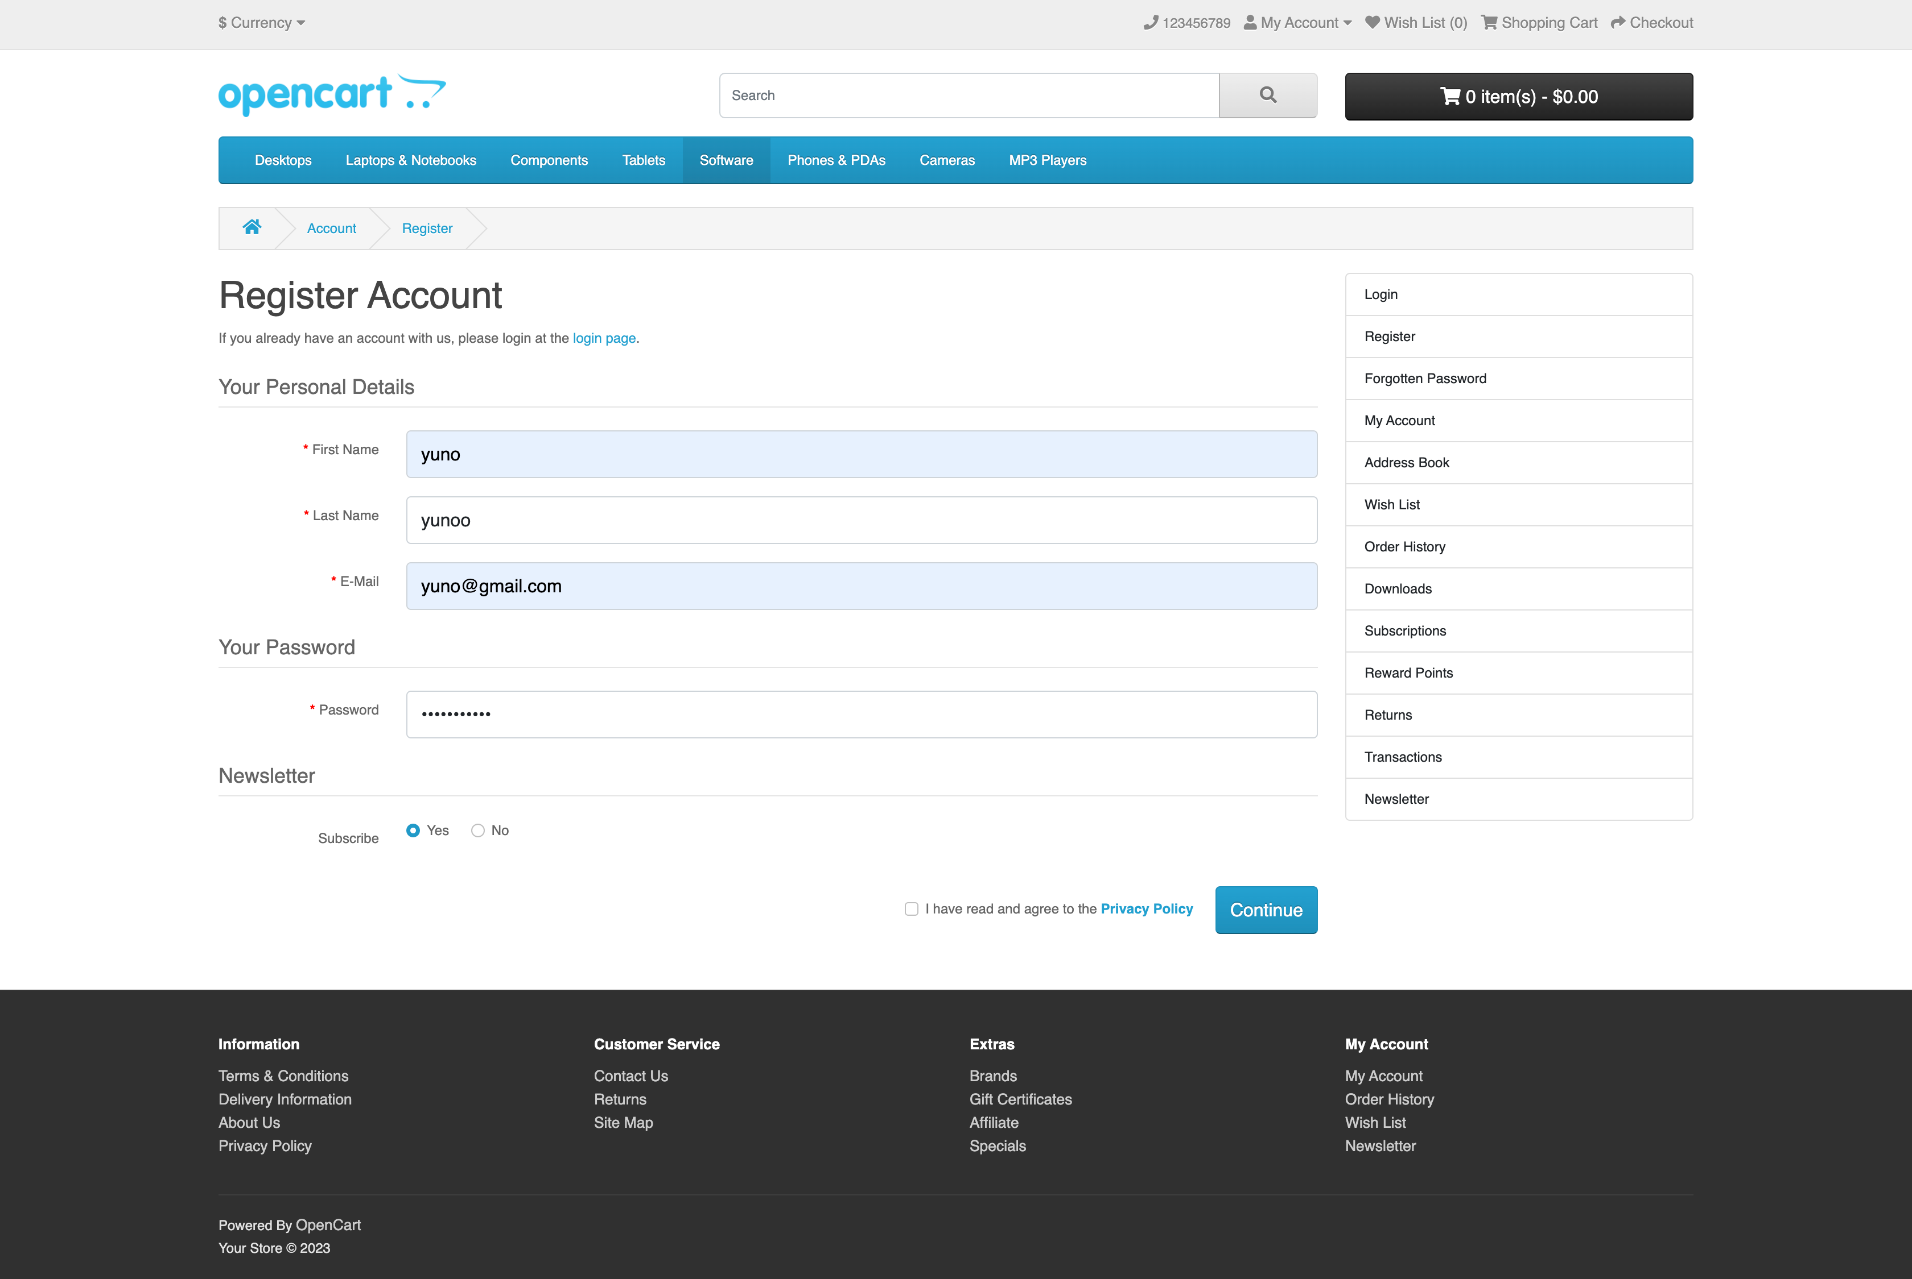
Screenshot 2

Screenshot 3

Screenshot 4

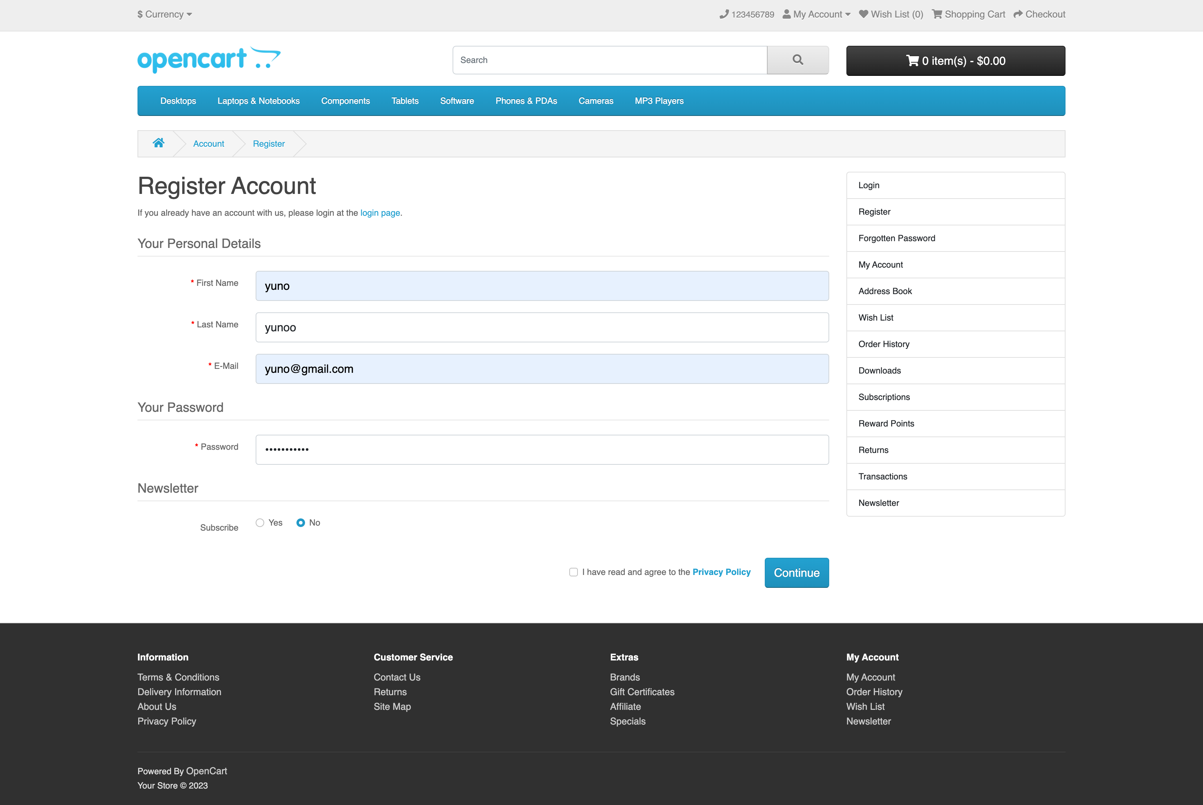
Screenshot 5

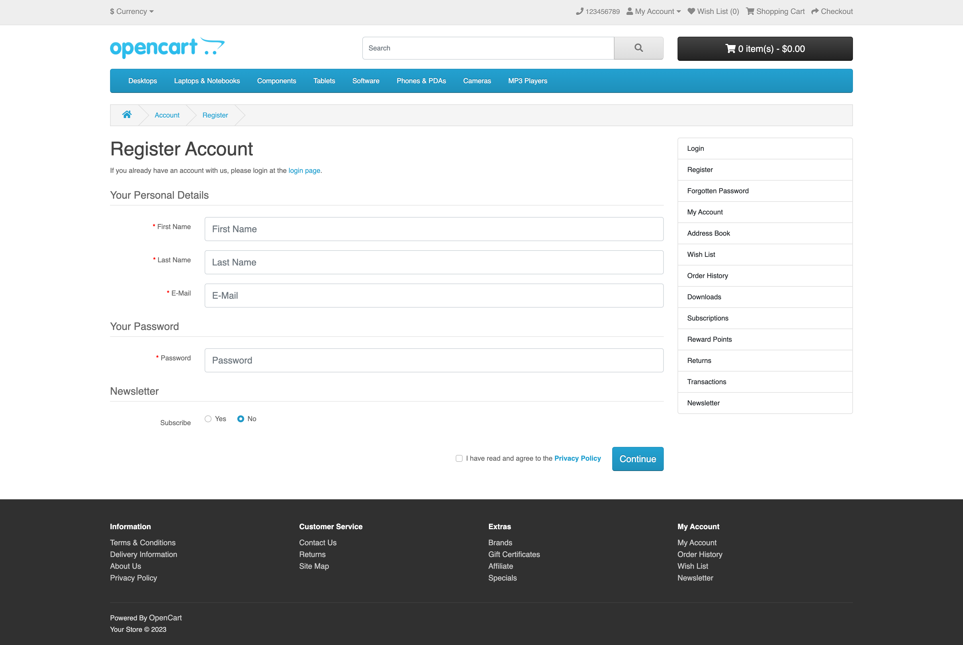
Screenshot 6

Screenshot 7

Screenshot 8

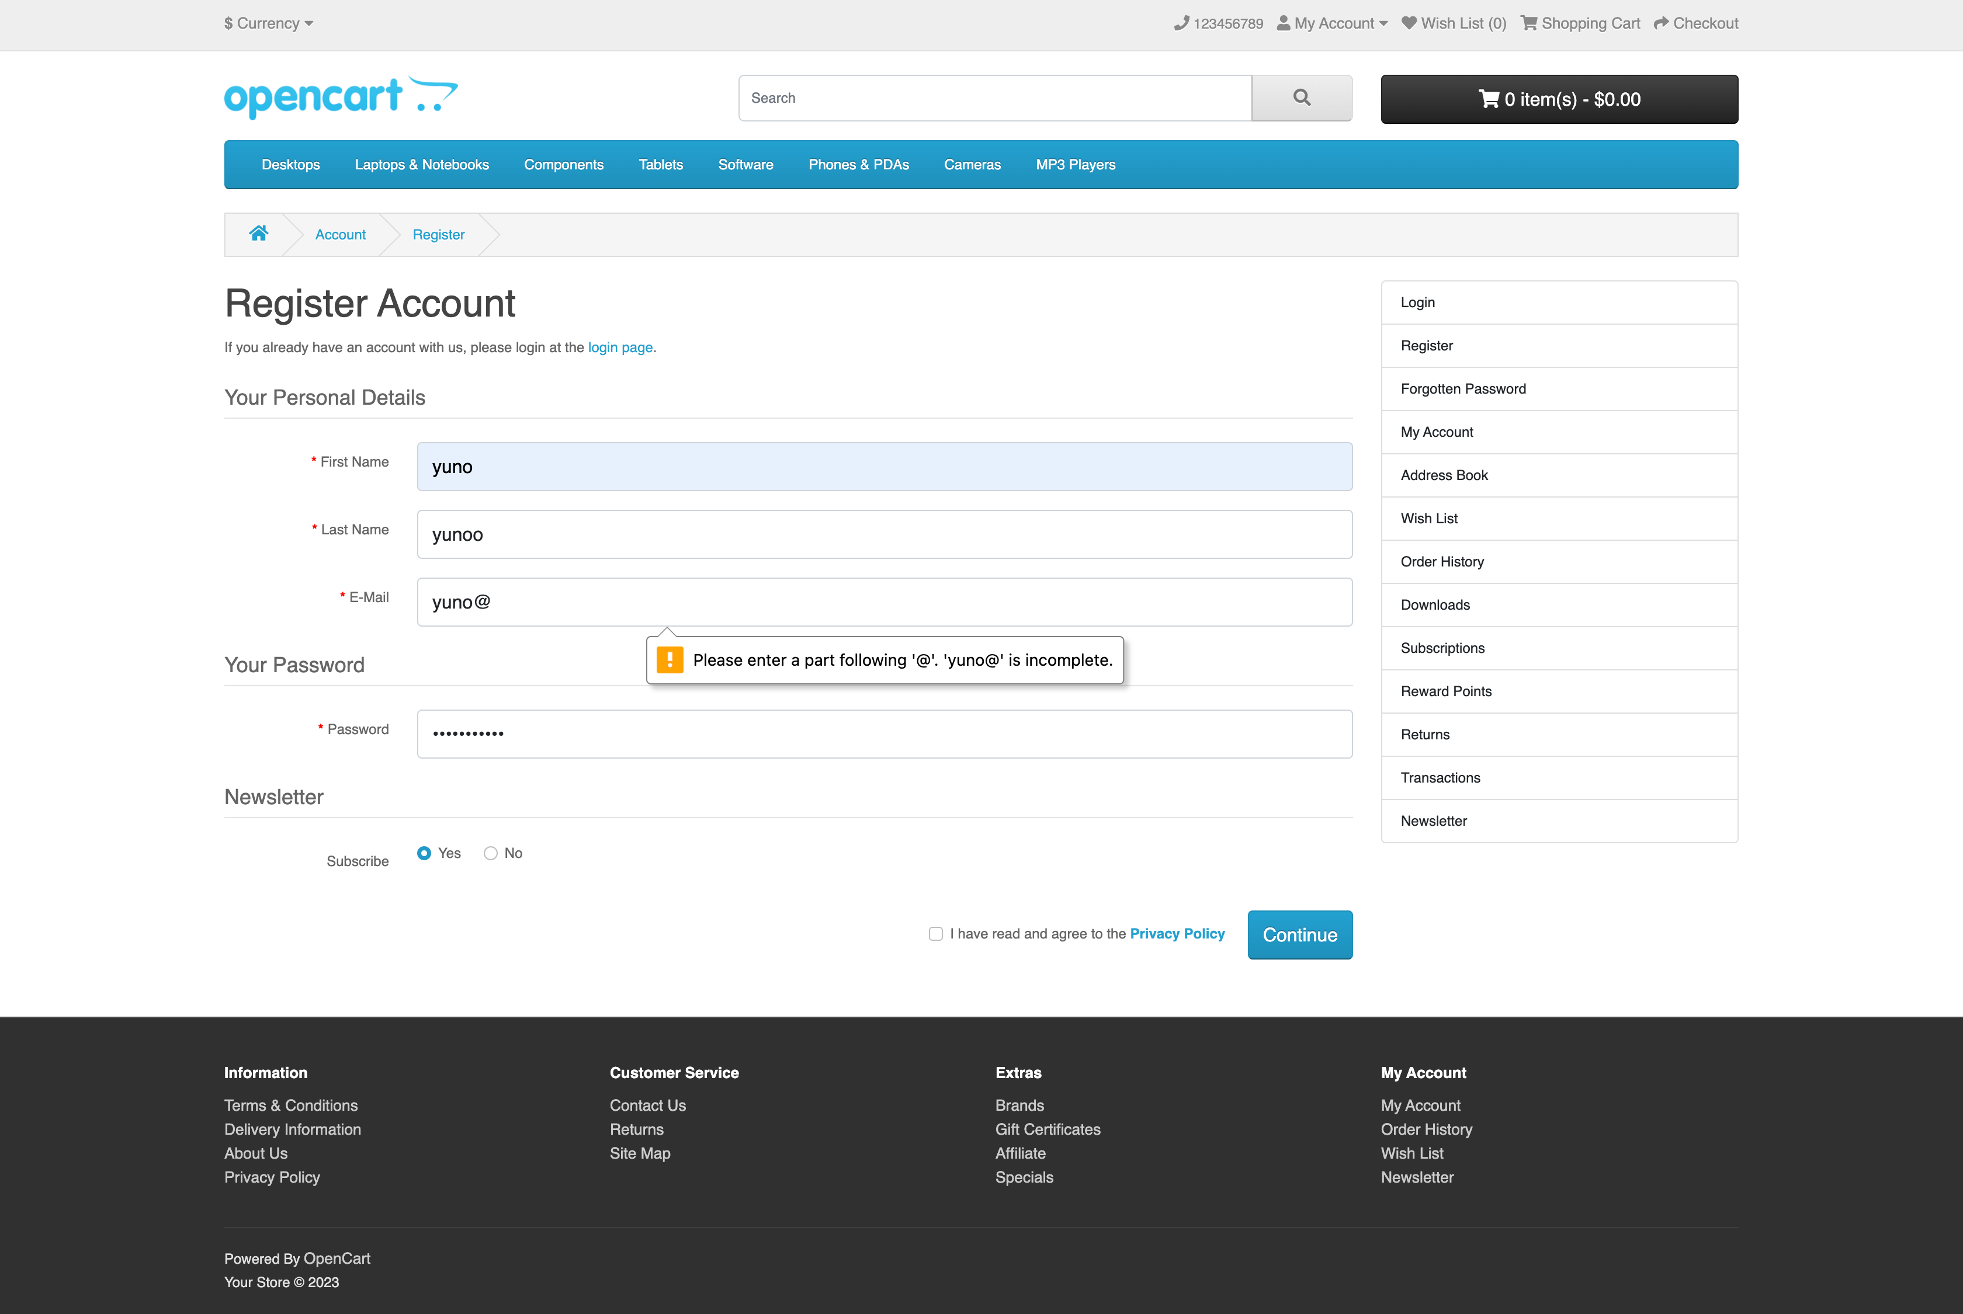
Screenshot 9

Screenshot 10

Screenshot 11

Screenshot 12

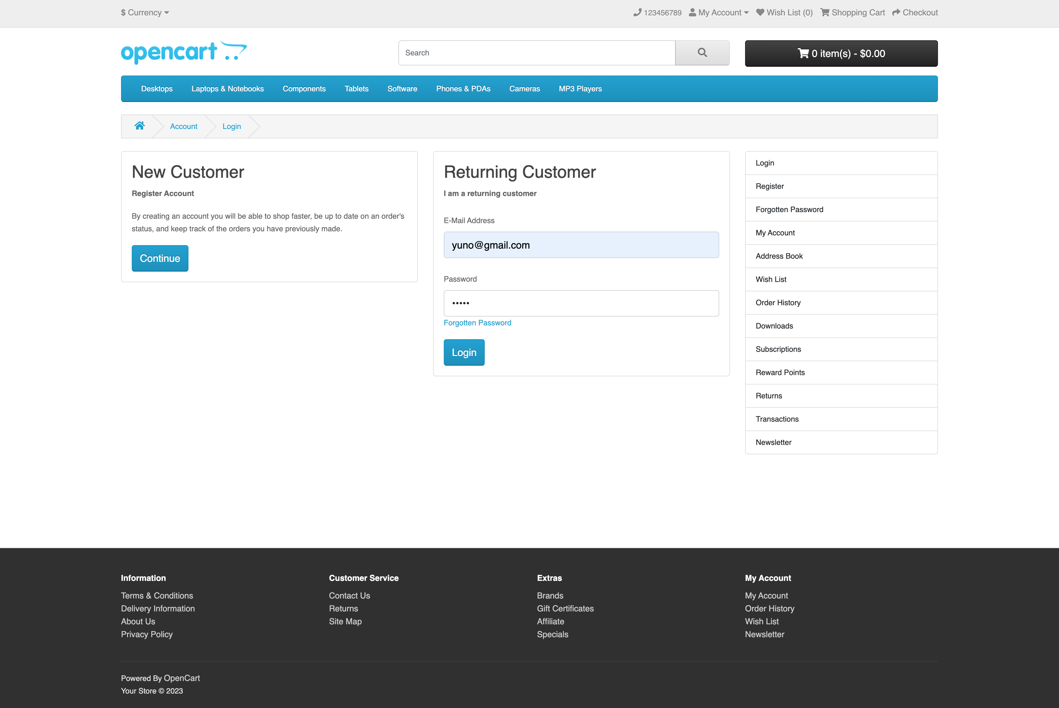
Screenshot 13

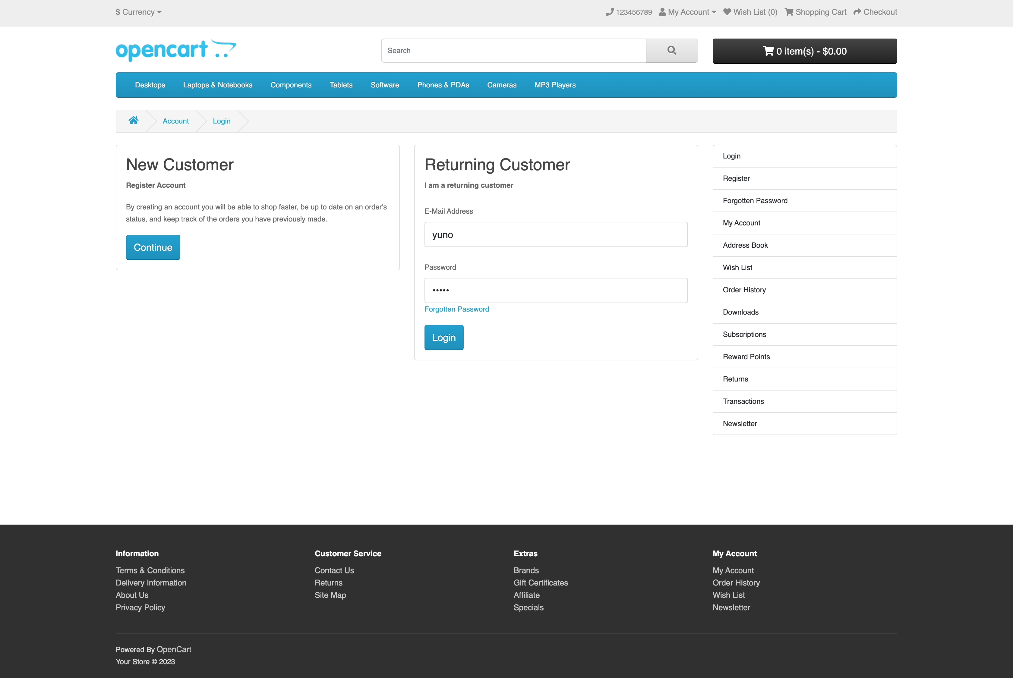
Screenshot 14

Screenshot 15

Screenshot 16

Screenshot 17-21

