Sheet1
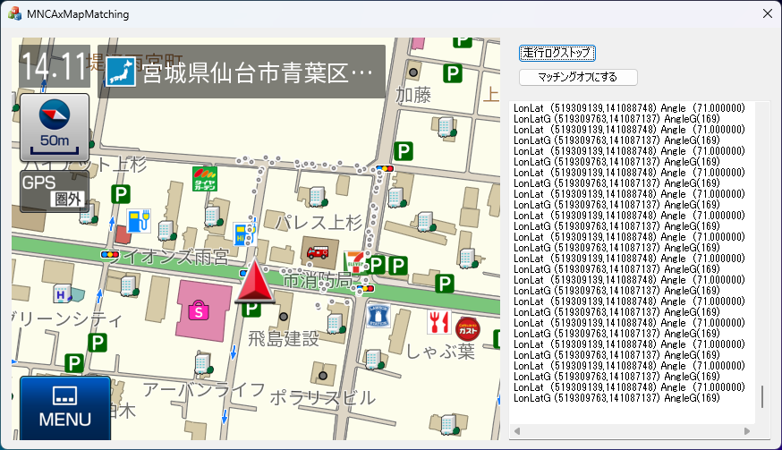
マップマッチング「ON]

2.ここから移動しない

3.ここに突然移動する

1.START

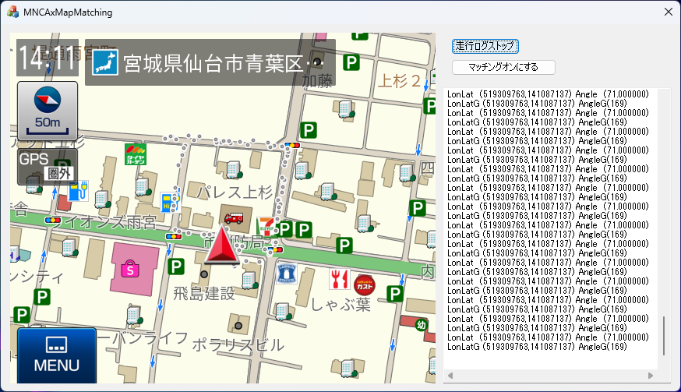

 | マップマッチング「OFF]

END
START

