Guidlines
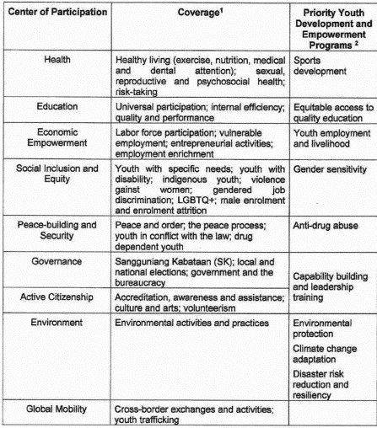

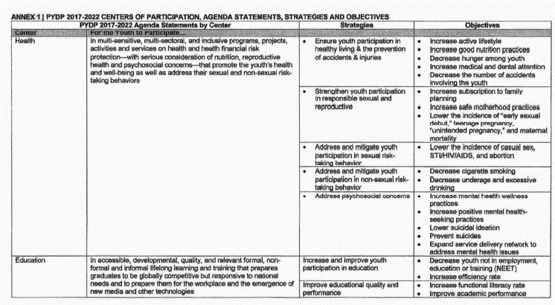

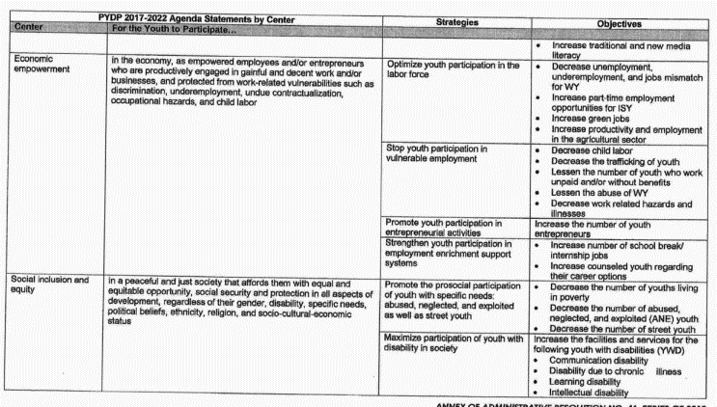

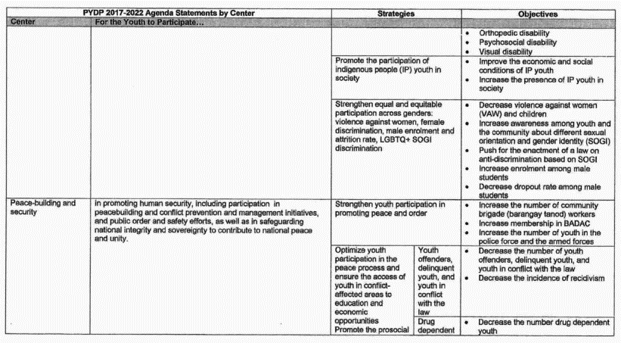

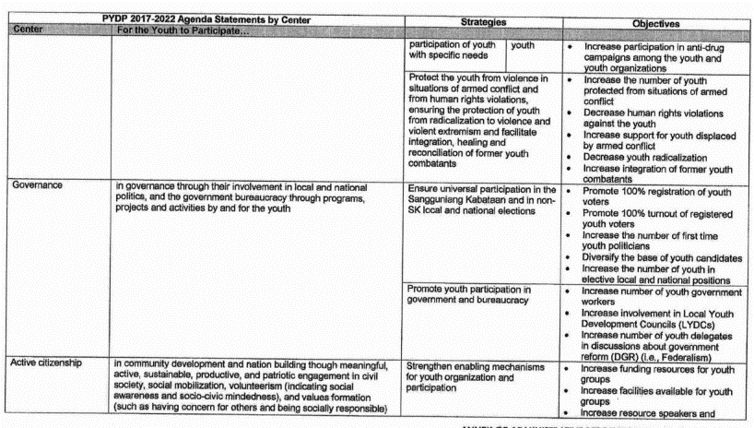

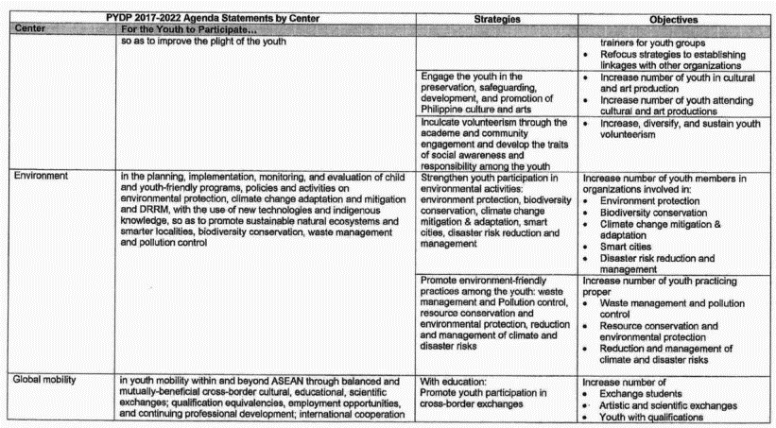

Annual Budget
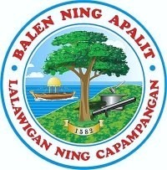
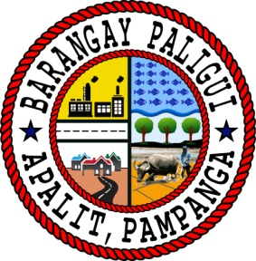
Republic of the Philippines
Province of Pampanga
MUNICIPALITY OF APALIT
Barangay Paligui
Office of the Sangguniang Kabataan

Sangguniang Kabataan Annual Budget FY 2025

Object of Expenditure | Account Code | Budget Year Expenditure (Proposed) | Expected Results (desired objective) | Performance Indicator (means of measurement)
PART I. Receipts Program

Ten percent (10%) of the general fund of the barangay |  | 695,501.40
Beginning Balance |  | 50,248.17

TOTAL ESTIMATED FUNDS AVAILABLE FOR APPROPRIATION |  | 745,749.57

PART II. Expenditure Program

GENERAL ADMINISTRATIVE PROGRAM:
CURRENT OPERATING EXPENDITURE

Personal Service (PS)
Honararia |  | 140,400.00
Total PS |  | 140,400.00

Maintenance and Operating Expenses (MOOE)
Training Expenses |  | 40,000.00
Other Supplies and Materials Expenses |  | 16,400.00
Representation Expenses |  | 599.57
Fidelity Bond Premiums |  | 1,350.00
Recordkeeper |  | 24,000.00
Total MOOE |  | 82,349.57

TOTAL GENERAL ADMINISTRATIVE PROGRAM |  | 222,749.57

PART III. Youth Development and Empowerment Programs
Center of Participation | Program/Project/Activity (PPAs) | Budget Year Expenditure (Proposed) | Expected Results (desired objective) | Performance Indicator (means of measurement)
1. EDUCATION
MOOE | Free Printing Program | 60,000.00 | Consistent availability of complete set of printing and photocopy materials | Increase the number of students who will benefit from free printing services.
 | Education Financial Assistance | 120,000.00 | Increase the number of students who excel on their studies. | Increase the number of students who excel on their studies.

CO | - | - | - | -
TOTAL |  | 180,000.00
2. SOCIAL INCLUSION AND EQUITY
MOOE | MJDT'S Basketball Cup | 70,000.00 | Youth are actively engaged and determined to participate on different municipal events | Increase number of youth participating to the municipal events
 | MJDT'S Volleyball Cup | 40,000.00 | Youth are actively engaged and determined to participate on different municipal events | Increase number of youth participating to the municipal events
 | Miss Apalit | 15,000.00 | Youth are actively engaged and determined to participate on different municipal events | Increase number of youth participating to the municipal events
 | Street Dance | 15,000.00 | Youth are actively engaged and determined to participate on different municipal events | Increase number of youth participating to the municipal events
 | Restoration of Basketball Court | 10,000.00 | To restore the basketball court to its optimal condition, ensuring safety, functionality, and aesthetic appeal for players and spectators alike. | Utilize visual inspections and feedback from stakeholders to assess the overall appearance of the court post-restoration.
TOTAL |  | 150,000.00
3. GOVERNANCE
MOOE | Sangguniang Kabataan and Katipunan ng Kabataan Semi-Annual Assembly | 15,000.00 | Members of Katipunan ng Kabataan are consistently and actively participating in civic matters and are punctual in attending the semi annual conduct of KK assembly. | Consistent conduct of KK assembly and to increase the number of KK member attendees.
CO | - | - | - | -
TOTAL |  | 15,000.00
4. ACTIVE CITIZENSHIP
 | Linggo ng Kabataan | 35,000.00 | Youth are actively participating to various social events | Number of the participants of the youth. Increase the number of youths participating on social events
 | Paskong Barangay | 20,000.00 | Organize and execute a christmas event that promotes community engagement, physical activity, and charitable giving while fostering a sense of camaraderie among participants. | Increase number of youth participation and camaraderie within the barangay.
 | Fiestang Barrio | 50,000.00 | Support a vibrant fiesta street dance event aimed at celebrating cultural diversity, fostering community unity, and promoting joyous participation in traditional and contemporary dance forms. | Assess the extent to which the fiesta street dance event promotes cultural appreciation and understanding among participants and attendees.
CO | - | - | - | -
TOTAL |  | 105,000.00
5. ENVIRONMENT
MOOE | Clean-up Drive Program | 30,000.00 | To organize and execute a successful community clean-up drive aimed at promoting environmental stewardship, improving local aesthetics, and fostering a sense of civic pride among participants. | Assess the environmental impact of the clean-up drive by documenting improvements in the cleanliness and appearance of the targeted area.
MOOE | Disaster Preparedness | 5,000.00 | To organize and execute disaster preparedness training to the youth within the barangay | Increase the number of youth to participate in disaster preparedness training.
CO | - | - | - | -
TOTAL |  | 35,000.00
6. HEALTH
MOOE | HealthCare Program: Free Medicines and Vitamins for Solo-Parent and PWD | 5,000.00 | Able to help with Solo-Parent and PWD to augment their finance with their daily intake of vitamins. | Increase the number of youth to have access to a good healthcare program.
MOOE | Nutrition Month | 5,000.00 | To organize a activity for the nutrition month | Increase the number of youth to participate in nutrition month
CO | - | - | - | -
TOTAL |  | 10,000.00
7. ECONOMIC EMPOWERMENT
MOOE | Community Base Monitoring Program | 10,000.00 | To establish a community-based monitoring program aimed at empowering local residents to actively participate in monitoring and improving community | Assess the quantity and quality of data collected through community monitoring efforts.
CO | - | - | - | -
TOTAL |  | 10,000.00
8. PEACE BUILDING AND SECURITY
MOOE | Anti-Drugs Abuse Seminar (BADAC) | 3,000.00 | To educate participants about the dangers of drug abuse, empower them with knowledge and skills to resist peer pressure, make informed decisions, and promote healthy lifestyles, ultimately reducing drug abuse and its negative consequences within the community. | Assess the broader impact of the anti-drug abuse seminar on the community by monitoring indicators such as drug-related crime rates, school absenteeism due to drug use, and demand for substance abuse treatment services.
CO | - | - | - | -
TOTAL |  | 3,000.00
9. GLOBAL MOBILITY
MOOE | Leadership Training and Seminar | 15,000.00 | To enhance the capability of the SK officials to implement good programs | Percentage of SK Officials who will undergo training
CO | - | - | - | -
TOTAL |  | 15,000.00

Total Youth Development and Empowerment Programs |  | 523,000.00

TOTAL EXPENDITURE PROGRAM |  | 745,749.57

ENDING BALANCE |  | -

Prepared by: |  | Approved by:
ANGEL MAE B. BAUTISTA |  | HON. ARJAY L. SACLAO
SK Treasurer |  | SK Chairman

