Sheet1
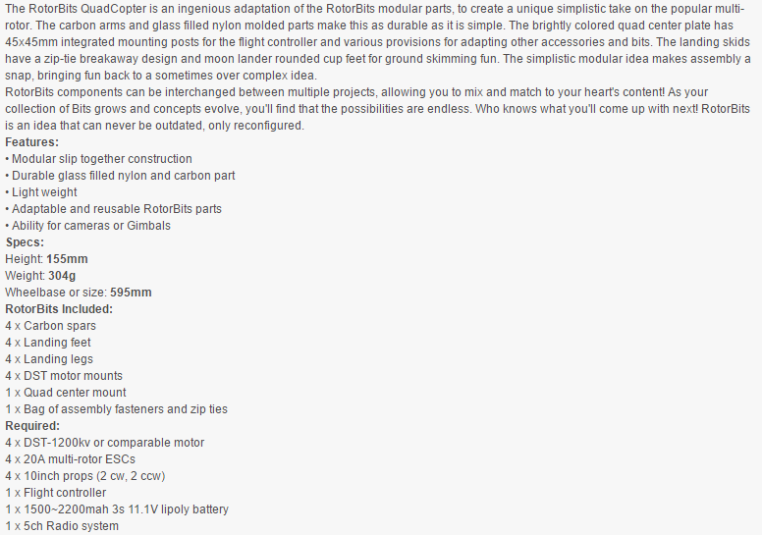
Quantity | Item | Price ($) | Tot. Price | Links
1 | Kit (250mm arms) | $25.11 | 25.11 | https://hobbyking.com/en_us/rotorbits-quadcopter-kit-with-modular-assembly-system-kit.html
4 | 300mm arms | $2.28 | $9.12 | https://hobbyking.com/en_us/rotorbits-anodized-aluminum-construction-profile-300mm-gray.html
4 | 200mm arms | $2.87 | 11.48 | https://hobbyking.com/en_us/rotorbits-anodized-aluminum-construction-profile-200mm-gray.html

 |  |  |  | Different arm options, what do you say? | https://hobbyking.com/en_us/catalogsearch/result/index/?p=2&q=rotorbits
 |  |  |  | Carbon-fiber and pre-drilled options available
 |  |  |  | 100,150 mm lengths are available

Description of the Kit

