Scenarios
Series ID | Job ID | Scenario
LISSR001 | LISW002@, LISW012, LISW020 | 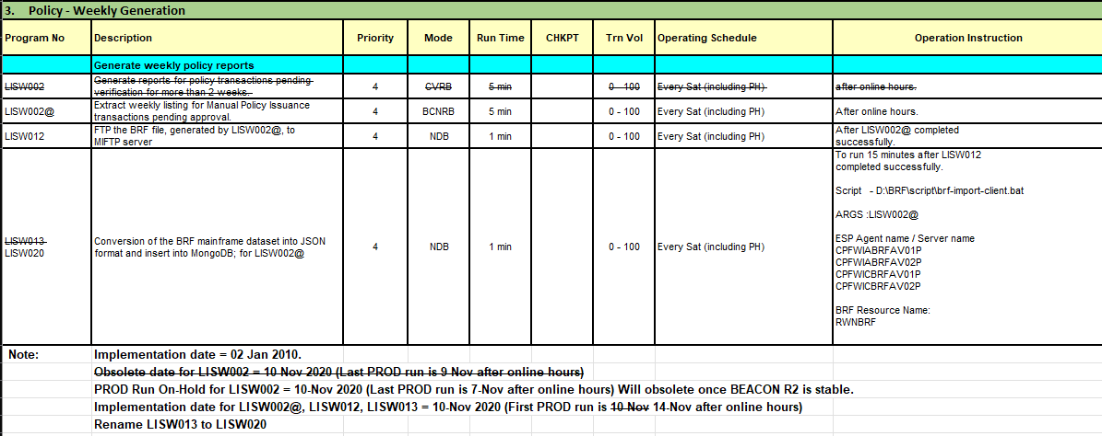

LISSR002 | LISD055@, LISD146, LISD147 | 