Board
location | r1 | r2 | r3 | hex |  | port |  | ﻿diceSetupHexOffset | ﻿diceSetupClockwise | P1S1 | P2S1 | P3S1 | P4S1 | P4S2 | P3S2 | P2S2 | P1S2
1 |  |  |  | 1 | wood | 1 | desert | 6 | TRUE | 14 | 21 | 18 | 10 | 12 | 3 | 31 | 1
2 |  |  |  | 2 | brick | 2 | desert
3 |  |  |  | 3 | wheat | 3 | desert
4 |  |  |  | 4 | wood | 4 | rock
5 |  |  |  | 5 | desert | 5 | desert
6 |  |  |  | 6 | wood | 6 | brick
7 |  |  |  | 7 | wood | 7 | sheep
8 |  |  |  | 8 | wheat | 8 | wheat
9 |  |  |  | 9 | sheep | 9 | wood
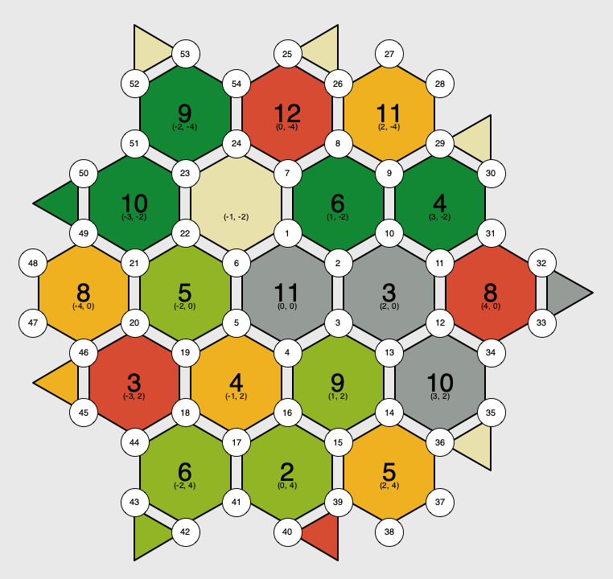
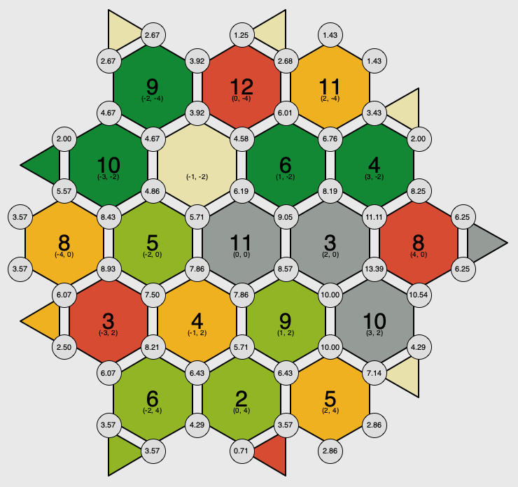
10 |  |  |  | 10 | rock
11 |  |  |  | 11 | rock
12 |  |  |  | 12 | brick
13 |  |  |  | 13 | brick
14 |  |  |  | 14 | wheat
15 |  |  |  | 15 | sheep
16 |  |  |  | 16 | rock
17 |  |  |  | 17 | sheep
18 |  |  |  | 18 | sheep
19 |  |  |  | 19 | wheat
20
21
22
23
24
25
26
27
28
29
30
31
32
33
34
35
36
37
38
39
40
41
42
43
44
45
46
47
48
49
50
51
52
53
54

