Test Report
UNIT TEST REPORT

Project Name | Black box |  | Creator |  | Dương Thái Bảo
Project Code | 001-KTPM |  | Reviewer/Approver
Document Code | 001-KTPM_Test Report_v2 |  | Issue Date |  | 19/09/2024
Notes | <List modules included in this release> ex: Release 1 includes 2 modules: Module1 and Module2

No | Function code | Passed | Failed | Untested | N | A | B | Total Test Cases
1 | UT Lab 1 | 0 | 0 | 18 | 4 | 6 | 8 | 18
2 | UT Lab 2 | 0 | 0 | 6 | 5 | 1 | 0 | 6
3 | UT Lab 3 | 0 | 0 | 22 | 6 | 3 | 13 | 22
4 | UT Lab 4 | 0 | 0 | 3 | 2 | 0 | 1 | 3
5 | UT Lab 5 | 0 | 0 | 8 | 3 | 4 | 1 | 8
6 | UT Lab 6 | 0 | 0 | 5 | 5 | 0 | 0 | 5
7 | UT Lab 7 | 0 | 0 | 3 | 2 | 0 | 1 | 3
8 | UT Lab 8 | 0 | 0 | 8 | 3 | 3 | 2 | 8

 | Sub total | 0 | 0 | 73 | 30 | 17 | 26 | 73

 | Test coverage |  | 0.00 | %
 | Test successful coverage |  | 0.00 | %
 | Normal case |  | 41.10 | %
 | Abnormal case |  | 23.29 | %
 | Boundary case |  | 35.62 | %

Passed Percent
Test Type

UT Lab 5
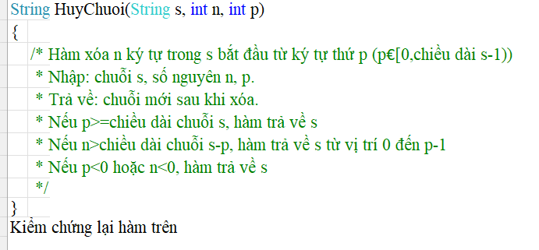
Function Code |  | HuyChuoi |  | Function Name |  |  |  |  |  | HuyChuoi
Created By |  | <Developer Name> |  | Executed By |  |  |  |  |  | Dương Thái Bảo
Lines of code |  | 300 |  | Lack of test cases |  |  |  |  |  | 22
Test requirement |  | <Brief description about requirements which are tested in this function>
Passed |  | Failed |  | Untested |  |  |  |  |  | N/A/B |  |  | Total Test Cases
0 |  | 0 |  | 8 |  |  |  |  |  | 3 | 4 | 1 | 8

 |  |  |  | UTCID01 | UTCID02 | UTCID03 | UTCID04 | UTCID05 | UTCID06 | UTCID07 | UTCID08
Condition | S
 |  | DuongThaiBao |  | O | O | O | O | O | O | O | O |  |  | Condition | VP | IP | VB | IB
 | N |  |  |  |  |  |  |  |  |  |  |  |  | Trả về s | p >= s.length
 |  |  | 5 | O |  | O | O |  |  | O |  |  |  | Trả về s từ vị trí 0 đến p -1 | n > s.length - p
 |  |  | 12 |  | O |  |  |  |  |  |  |  |  | Trả về chuỗi mới xóa | p < s.length && n <= s.length - p
 |  |  | -1 |  |  |  |  |  | O |  | O |  |  | p, n | p >= 0, n >= 0 | n < 0 | 0 | -1
 |  |  | 0 |  |  |  |  | O |  |  |  |  |  |  |  | p < 0 | 0 | -1
 | P
 |  |  | 12 | O
 |  |  | 5 |  | O |  |  |  |  |  |  |  |  | # | Test case type | Input s | Input n | Input p | Expection result
 |  |  | 0 |  |  |  | O | O | O |  | O |  |  | 1 | For valid partition | DuongThaiBao | 5 | 12 | DuongThaiBao
 |  |  | -1 |  |  | O |  |  |  | O |  |  |  | 2 |  | DuongThaiBao | 12 | 5 | DuongThaiBao
Confirm | Return |  |  |  |  |  |  |  |  |  |  |  |  | 3 |  | DuongThaiBao | 5 | 0 | ThaiBao
 |  | DuongThaiBao |  | O | O |  | O | O | O | O | O |  |  | 4 | For invalid partition | DuongThaiBao | -1 | 0 | DuongThaiBao
 |  |  | ThaiBao |  |  | O |  |  |  |  |  |  |  | 5 |  | DuongThaiBao | 5 | -1 | DuongThaiBao
 | Exception |  |  |  |  |  |  |  |  |  |  |  |  | 6 | For valid boundary | DuongThaiBao | 0 | 0 | DuongThaiBao
 |  |  |  |  |  |  |  |  |  |  |  |  |  | 7 | For invalid boundary | DuongThaiBao | -1 | 0 | DuongThaiBao
 | Log message |  |  |  |  |  |  |  |  |  |  |  |  | 8 |  | DuongThaiBao | 5 | -1 | DuongThaiBao

Result | Type(N : Normal, A : Abnormal, B : Boundary) |  |  | N | N | N | A | A | B | A | A
 | Passed/Failed
 | Executed Date
 | Defect ID

UT Lab 7
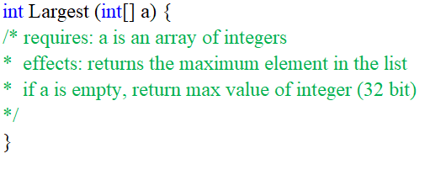
Function Code |  | Largest |  | Function Name |  |  | Largest
Created By |  | <Developer Name> |  | Executed By |  |  | Nguyễn Thiên Phú
Lines of code |  | 100 |  | Lack of test cases |  |  | 7
Test requirement |  | <Brief description about requirements which are tested in this function>
Passed |  | Failed |  | Untested |  |  | N/A/B |  |  | Total Test Cases
0 |  | 0 |  | 3 |  |  | 2 | 0 | 1 | 3

 |  |  |  | UTCID01 | UTCID02 | UTCID03
Condition | a
 |  |  | [1, 9, 7, 5, 3] | O
 |  |  | [] |  | O |  |  |  |  |  | Condition | VP | IP | VB | IB
 |  |  | [9] |  |  | O |  |  |  |  | a | Mảng không rỗng |  | Mảng có 1 phần tử
Confirm | Return
 |  |  | 9 | O |  | O
 |  |  | 2147483647 |  | O
 | Exception

 | Log message

Result | Type (N : Normal, A : Abnormal, B : Boundary) |  |  | N | N | B
 | Passed/Failed
 | Executed Date
 | Defect ID

