Bài 01
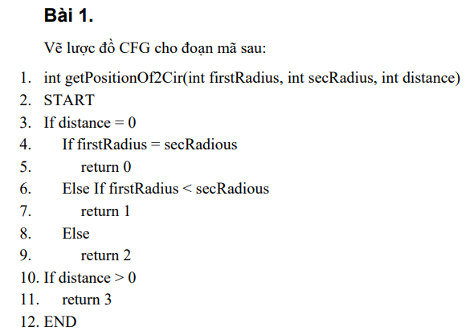
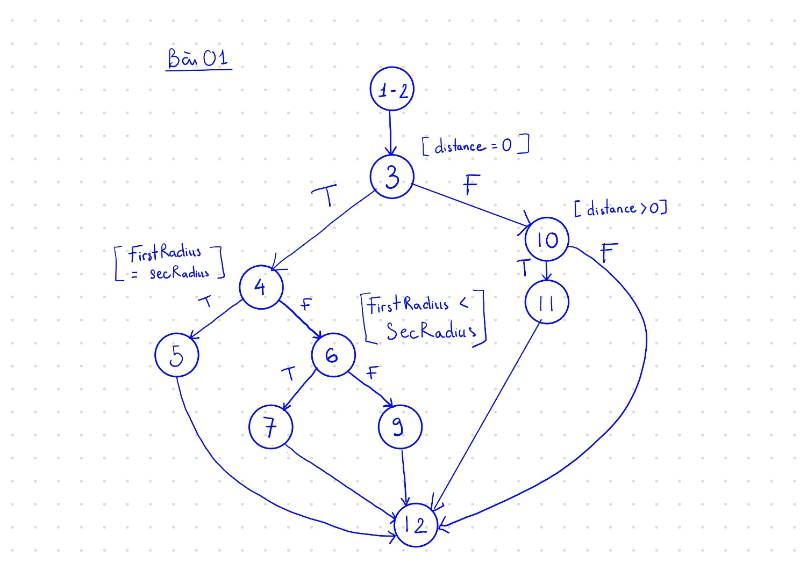

Bài 02
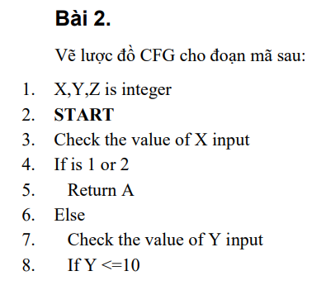

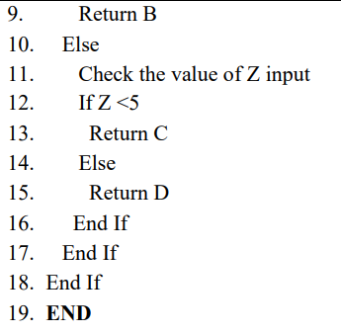

Bài 03
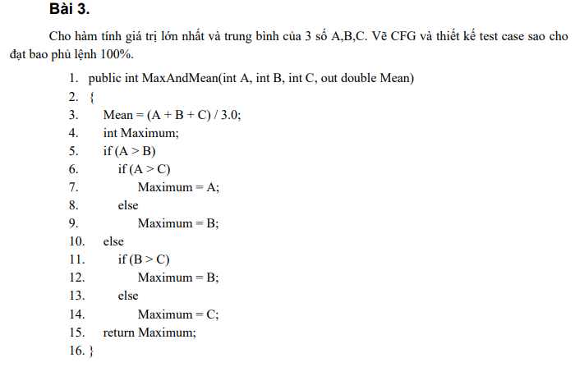
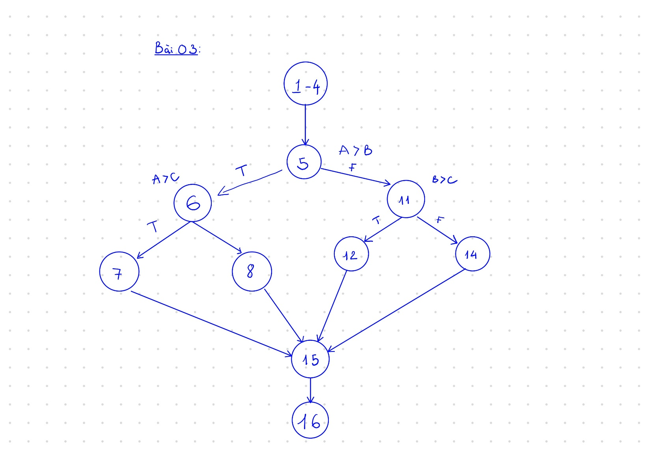
# | Case | Line number expected | Input |  |  | Expected Result
 |  |  | A | B | C | Mean | Maximum
1 | A > B && A > C | 1 - 4, 5, 6, 7, 15, 16 | 5 | 2 | 2 | 3 | 5
2 | A > B && A <= C | 1 - 4, 5, 6, 8, 15, 16 | 5 | 2 | 5 | 4 | 5
3 | A <= B && B > C | 1 - 4, 5, 11, 12, 15, 16 | 2 | 5 | 2 | 3 | 5
4 | A <= B && B <= C | 1 - 4, 5, 11, 14, 15, 16 | 2 | 5 | 5 | 4 | 5

Bài 04
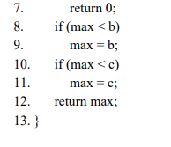
# | Case | Line number expected | Input |  |  | Expected Result
 |  |  | A | B | C | Maximum
1 | (a > 0 && b > 0 && c > 0) && a is max | 1-3, 4, 5, 8, 10, 12, 13 | 5 | 2 | 2 | 5
2 | (a > 0 && b > 0 && c > 0) && b is max | 1-3, 4, 5, 8, 9, 10, 12, 13 | 5 | 7 | 2 | 7
3 | (a > 0 && b > 0 && c > 0) && c is max | 1-3, 4, 5, 8, 10, 11, 12, 13 | 5 | 2 | 10 | 10
4 | (a <= 0 || b <= 0 || c <= 0) | 1-3, 4, 7, 13 | -1 | -1 | -1 | 0

