Summary 3
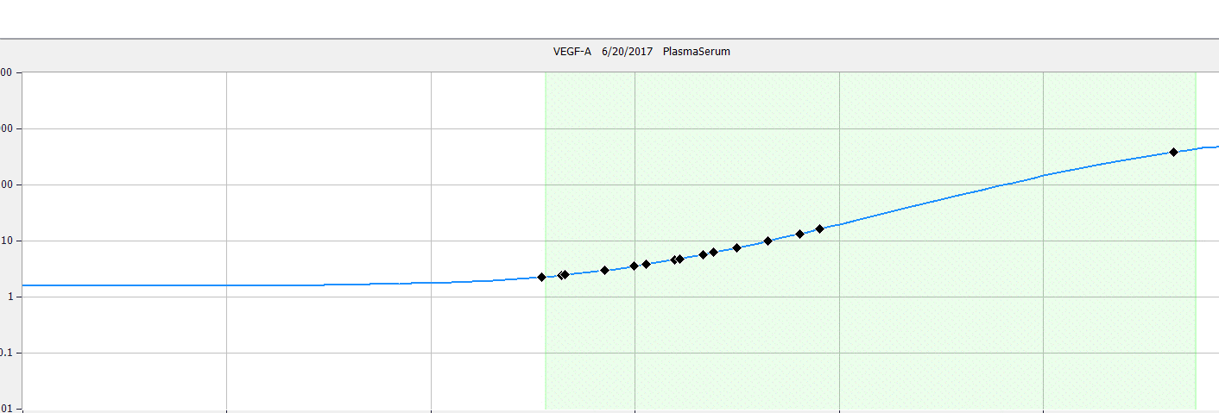
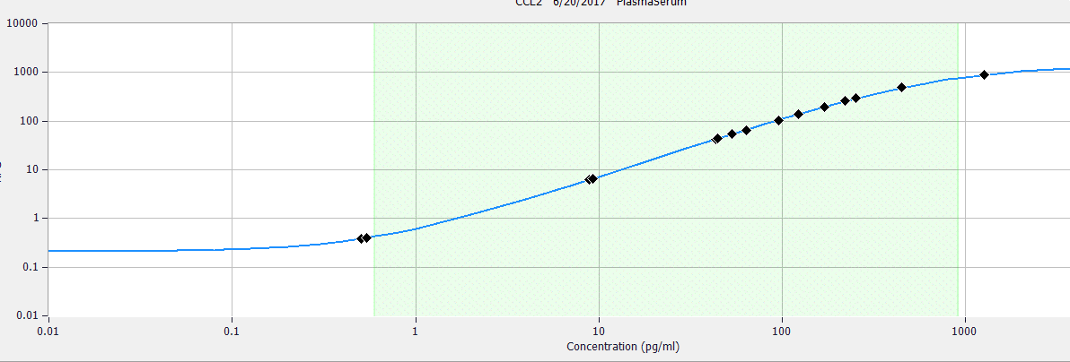
CalculatedConcentration |  |  |  |  | Graph based on Curve Coeffecients and calculated concentration of the samples plotted on graph
Sample | CCL2 (Analyte 1) | IL-6 (Analyte2) | TNF-a (Analyte 3) | VEGF (Analyte4)
1
2
3
4
5
6
7
8
9
10
11
12
13
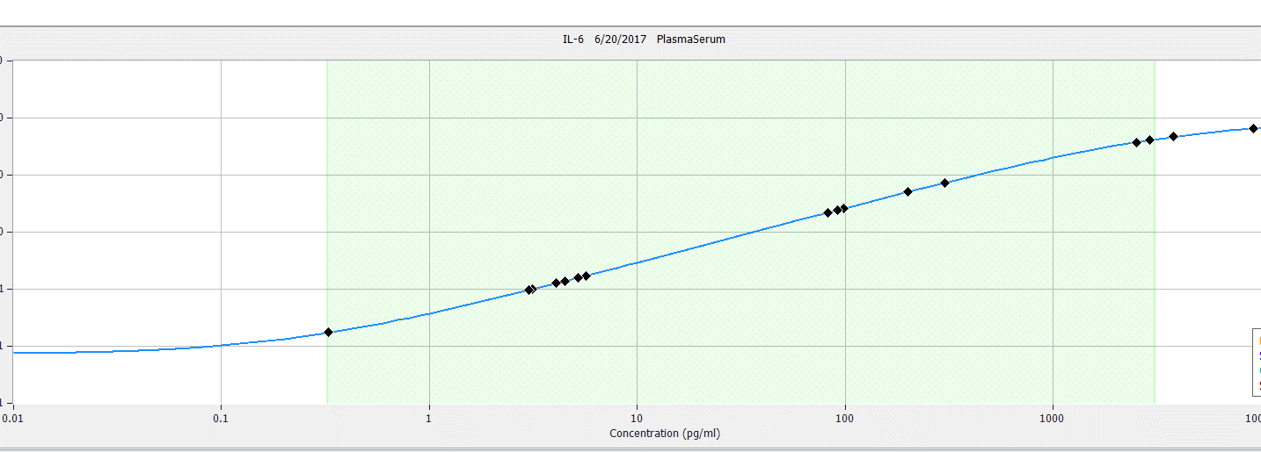
14
15
16

