Sheet1
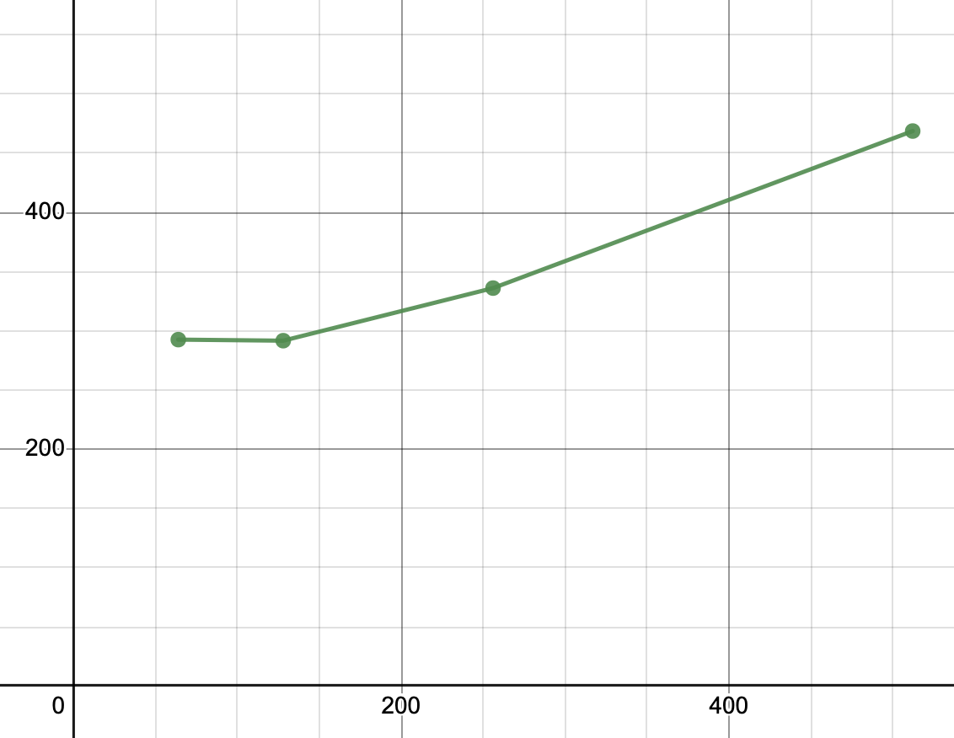
PREPAGING | Dense64 |  |  |  | dense128 |  |  |  | dense256 |  |  |  | dense512 |  |  | DEMAND | Dense64 |  |  | dense128 |  |  | dense256 |  |  | dense512
 | mmap | matrix | both |  | mmap | matrix |  |  | mmap | matrix |  |  | mmap | matrix |  | PAGING | mmap | matrix |  | mmap | matrix |  | mmap | matrix |  | mmap | matrix
 | 339 | 10794 | 11133 |  | 289 | 98202 | 98491 |  | 313 | 1938642 | 1938955 |  | 416 | 17798821 | 17799237 |  | 103 | 12647 | 12750 | 105 | 111147 | 111252 | 104 | 1998822 | 1998926 | 133 | 18076595 | 18076728
 | 272 | 20611 | 20883 |  | 286 | 96068 | 96354 |  | 370 | 1910277 | 1910647 |  | 466 | 17967452 | 17967918 |  | 101 | 12664 | 12765 | 108 | 102563 | 102671 | 107 | 1972012 | 1972119 | 109 | 18071680 | 18071789
 | 296 | 11491 | 11787 |  | 290 | 96430 | 96720 |  | 303 | 1921777 | 1922080 |  | 432 | 17970220 | 17970652 |  | 104 | 12495 | 12599 | 102 | 102118 | 102220 | 107 | 1948276 | 1948383 | 110 | 18269764 | 18269874
 | 267 | 11298 | 11565 |  | 297 | 95180 | 95477 |  | 447 | 1917358 | 1917805 |  | 479 | 17917847 | 17918326 |  | 153 | 12216 | 12369 | 103 | 109881 | 109984 | 113 | 1940067 | 1940180 | 108 | 18080272 | 18080380
 | 274 | 10727 | 11001 |  | 315 | 97020 | 97335 |  | 305 | 1914826 | 1915131 |  | 523 | 17809770 | 17810293 |  | 241 | 13767 | 14008 | 111 | 104063 | 104174 | 109 | 1937785 | 1937894 | 108 | 18100121 | 18100229
 | 352 | 14655 | 15007 |  | 281 | 94707 | 94988 |  | 317 | 1924855 | 1925172 |  | 443 | 17949522 | 17949965 |  | 102 | 13060 | 13162 | 107 | 108502 | 108609 | 125 | 1946002 | 1946127 | 154 | 18103561 | 18103715
 | 298 | 11146 | 11444 |  | 270 | 96800 | 97070 |  | 305 | 1917751 | 1918056 |  | 477 | 17798192 | 17798669 |  | 114 | 12965 | 13079 | 107 | 106001 | 106108 | 106 | 1958131 | 1958237 | 136 | 18008953 | 18009089
 | 276 | 11185 | 11461 |  | 286 | 95165 | 95451 |  | 372 | 1911524 | 1911896 |  | 497 | 17915959 | 17916456 |  | 103 | 13261 | 13364 | 105 | 105113 | 105218 | 114 | 1977621 | 1977735 | 108 | 18004600 | 18004708
 | 277 | 11749 | 12026 |  | 273 | 95173 | 95446 |  | 331 | 1931634 | 1931965 |  | 447 | 18064036 | 18064483 |  | 104 | 13023 | 13127 | 107 | 104027 | 104134 | 109 | 1956796 | 1956905 | 107 | 18197621 | 18197728
 | 275 | 10770 | 11045 |  | 330 | 96132 | 96462 |  | 298 | 1919639 | 1919937 |  | 507 | 17917513 | 17918020 |  | 108 | 13789 | 13897 | 105 | 101879 | 101984 | 107 | 1956987 | 1957094 | 122 | 18086202 | 18086324

stdv | 29.770231216 | 3091.8475311 | 3091.9463413 | stdv | 18.403200205 | 1074.1736928 | 1077.8534429 | stdv | 47.308561593 | 8869.7997729 | 8853.3275376 | stdv | 34.406233285 | 86454.183065 | 86445.58166 |  | 44.191628166 | 515.34175284 | 532.6067968 | 2.5819888975 | 3298.0824799 | 3297.6696553 | 6.0635523142 | 18866.115448 | 18863.817058 | 16.34523376 | 80057.231129 | 80053.148167
min | 267 | 10727 | 11001 | min | 270 | 94707 | 94988 | min | 298 | 1910277 | 1910647 | min | 416 | 17798192 | 17798669 |  | 101 | 12216 | 12369 | 102 | 101879 | 101984 | 104 | 1937785 | 1937894 | 107 | 18004600 | 18004708
max | 352 | 20611 | 20883 | max | 330 | 98202 | 98491 | max | 447 | 1938642 | 1938955 | max | 523 | 18064036 | 18064483 |  | 241 | 13789 | 14008 | 111 | 111147 | 111252 | 125 | 1998822 | 1998926 | 154 | 18269764 | 18269874
mean | 292.6 | 12442.6 | 12735.2 | mean | 291.7 | 96087.7 | 96379.4 | mean | 336.1 | 1920828.3 | 1921164.4 | mean | 468.7 | 17910933.2 | 17911401.9 |  | 123.3 | 12988.7 | 13112 | 106 | 105529.4 | 105635.4 | 110.1 | 1959249.9 | 1959360 | 119.5 | 18099936.9 | 18100056.4

ALL UNITS IN MICROSECONDS

 |  | prepaging matrix_size x mean mmap time |  |  |  | prepaging matrix_size x mean matrix time

