Positive
 | LLM Model: | Qwen3-235B-A22B
 | Prompt: | Analyze the provided PDF as a potential radiology examination report. Answer each question with only 'Yes' or 'No' followed by one concise sentence of explanation. Base answers strictly on explicit evidence in the document. Follow these guidelines: Part A 1. Is the PDF a radiology examination report? - Confirm only if both title and content align with radiology standards (e.g., sections like Findings/Impression). Reject if content is unrelated (e.g., referrals, prescriptions). Part B 1. Does the title align with radiology? - Check only the title (e.g., terms like "X-ray," "MRI," "CT"). Ignore content. - Example: A title "CHEST XRAY" with non-radiology content still answers Yes here. 2. Is the content consistent with radiology? - Require sections like Findings, Impressions, or Conclusion. Reject non-radiology content (e.g., therapy referrals). Ignore title. - Example: Answer No if content is non-radiology even if the title is radiology. Part C 1. Is the report in the correct order/direction? - Rotated pages (e.g., 90°) → Answer No. - Pages order is reversed or not in sequence → Answer No. 2. Clarity satisfactory? 3. No missing pages? 4. No missing content? 5. Computer-generated? 6. Template format? 7. Page numbers present? - Single-page reports: Always answer Yes (ignore presence/absence of page numbers). - Multi-page reports: Answer Yes only if every page present has a page number. Please note that ignore checking for any missing page. Part D Answer Yes only if explicit value next to the corresponding label exist (labels without values → No): Make sure answer Yes only if the label is present and it's value is also present and not blank. 1. Patient demographics? (e.g., name, sex, DOB, ID number). 2. Performing institution name/logo? (check headers). 3. The name of Examination name? (don't use report title for examination name.) 4. The value of examination date? 5. The v

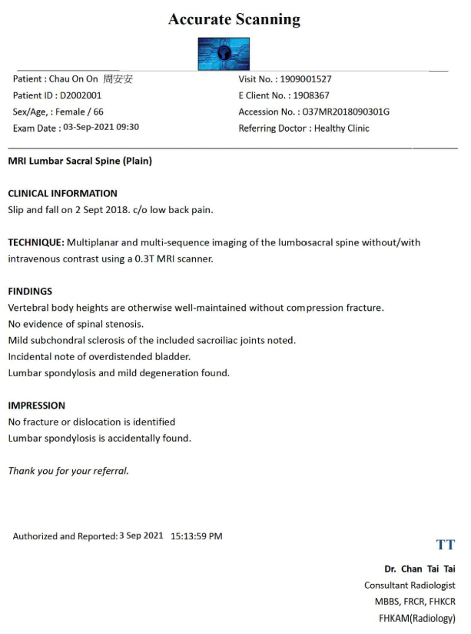
 | Test Case | Report | Checklist | Expected Result | AI Result | Remarks | Remarks
1 | All checking result ‘Yes’ |  | Part A |  |  | **Part A** 1. **Yes** – The title includes "MRI Lumbar Sacral Spine (Plain)" and the content contains radiological findings and impression, aligning with a radiology report. **Part B** 1. **Yes** – The title "MRI Lumbar Sacral Spine (Plain)" contains a radiology-specific term ("MRI"). 2. **Yes** – The content includes sections like "FINDINGS" and "IMPRESSION," which are standard in radiology reports. **Part C** 1. **Yes** – The document appears to be oriented correctly without any indication of rotation or reversed order. 2. **Yes** – The text is clear and legible. 3. **Yes** – As it is a single-page document, this criterion is automatically satisfied. 4. **Yes** – All expected content is present and readable. 5. **Yes** – The format and text indicate it was generated using a computer. 6. **Yes** – The structure follows a standard radiology report template with labeled sections. 7. **Yes** – It is a single-page document, so page numbers are not required for this check. **Part D** 1. **Yes** – Patient name, sex, age, ID number, and client number are provided. 2. **Yes** – "Accurate Scanning" is listed at the top, implying the performing institution. 3. **Yes** – "MRI Lumbar Sacral Spine (Plain)" is clearly stated. 4. **Yes** – Exam date: "03-Sep-2021 09:30" is specified. 5. **Yes** – Reporter’s name: "Dr. Chan Tai Tai" is present. 6. **Yes** – Reported date: "3 Sep 2021 15:13:59 PM" is provided. 7. **Yes** – Both "FINDINGS" and "IMPRESSION" sections have content. 8. **Yes** – Referring Doctor: "Healthy Clinic" is mentioned. | **Part A** 1. **Yes** – The document contains sections like "FINDINGS" and "IMPRESSION" typical of radiology reports, and the content aligns with radiological evaluation. --- **Part B** 1. **Yes** – The title "MRI Lumbar Sacral Spine (Plain)" includes standard radiology terminology such as "MRI." 2. **Yes** – The document includes radiology-specific sections like "FINDINGS" and "IMPRESSION," and the content discusses imaging observations consistent with radiology reports. --- **Part C** 1. **Yes** – The page is not rotated and appears in normal reading orientation. 2. **Yes** – Text is clear and legible throughout the document. 3. **Yes** – There is only one page, so no missing pages apply. 4. **Yes** – All expected content is present without indication of missing text. 5. **Yes** – The report shows characteristics of computer-generated formatting, including structured layout and font consistency. 6. **Yes** – The structure follows a standardized template common in medical reporting. 7. **Yes** – It is a single-page document, so page numbers are not required for this case. --- **Part D** 1. **Yes** – Patient name "Chau On On 周安安", sex "Female", age "66", and ID "D2002001" are all provided. 2. **No** – No institution name or logo is explicitly mentioned in the header. 3. **Yes** – The examination name "MRI Lumbar Sacral Spine (Plain)" is clearly stated. 4. **Yes** – Examination date "03-Sep-2021 09:30" is present. 5. **Yes** – Reporter’s name "Dr. Chan Tai Tai" is included. 6. **Yes** – Reported date "3 Sep 2021 15:13:59 PM" is given. 7. **Yes** – Findings and impression sections are fully detailed. 8. **Yes** – Referring doctor "Healthy Clinic" is noted.
 |  |  | 1. PDF report uploaded to correct domain | Yes | Yes

 |  |  | Part B
 |  |  | 1. Relevant PDF report title to Radiology Examination domain | Yes | Yes
 |  |  | 2. Relevant PDF report content to report title | Yes | Yes

 |  |  | Part C
 |  |  | 1. PDF report in right order and direction | Yes | Yes
 |  |  | 2. Clear PDF report | Yes | Yes
 |  |  | 3. Complete report - Page integrity | Yes | Yes
 |  |  | 4. Complete report - Document integrity | Yes | Yes
 |  |  | 5. Computer-generated report | Yes | Yes
 |  |  | 6. Report in template format | Yes | Yes
 |  |  | 7. With page number (for multiple pages) | Yes | Yes

 |  |  | Part D
 |  |  | 1. Patient demographics (Name, sex, DOB, HKID) | Yes | Yes
 |  |  | 2. Radiology examination - performing institution | Yes | Yes
 |  |  | 3. Radiology examination - name | Yes | Yes
 |  |  | 4. Radiology examination - date | Yes | Yes
 |  |  | 5. Reported name | Yes | Yes
 |  |  | 6. Reported date | Yes | Yes
 |  |  | 7. Findings / impression / conclusion | Yes | Yes
 |  |  | 8. Request healthcare provider | Yes | Yes

Part A (Negative)
 | LLM Model: | Qwen3-235B-A22B
 | Prompt: | Analyze the provided PDF as a potential radiology examination report. Answer each question with only 'Yes' or 'No' followed by one concise sentence of explanation. Base answers strictly on explicit evidence in the document. Follow these guidelines: Part A 1. Is the PDF a radiology examination report? - Confirm only if both title and content align with radiology standards (e.g., sections like Findings/Impression). Reject if content is unrelated (e.g., referrals, prescriptions). Part B 1. Does the title align with radiology? - Check only the title (e.g., terms like "X-ray," "MRI," "CT"). Ignore content. - Example: A title "CHEST XRAY" with non-radiology content still answers Yes here. 2. Is the content consistent with radiology? - Require sections like Findings, Impressions, or Conclusion. Reject non-radiology content (e.g., therapy referrals). Ignore title. - Example: Answer No if content is non-radiology even if the title is radiology. Part C 1. Is the report in the correct order/direction? - Rotated pages (e.g., 90°) → Answer No. - Pages order is reversed or not in sequence → Answer No. 2. Clarity satisfactory? 3. No missing pages? 4. No missing content? 5. Computer-generated? 6. Template format? 7. Page numbers present? - Single-page reports: Always answer Yes (ignore presence/absence of page numbers). - Multi-page reports: Answer Yes only if every page present has a page number. Please note that ignore checking for any missing page. Part D Answer Yes only if explicit value next to the corresponding label exist (labels without values → No): Make sure answer Yes only if the label is present and it's value is also present and not blank. 1. Patient demographics? (e.g., name, sex, DOB, ID number). 2. Performing institution name/logo? (check headers). 3. The name of Examination name? (don't use report title for examination name.) 4. The value of examination date? 5. The v

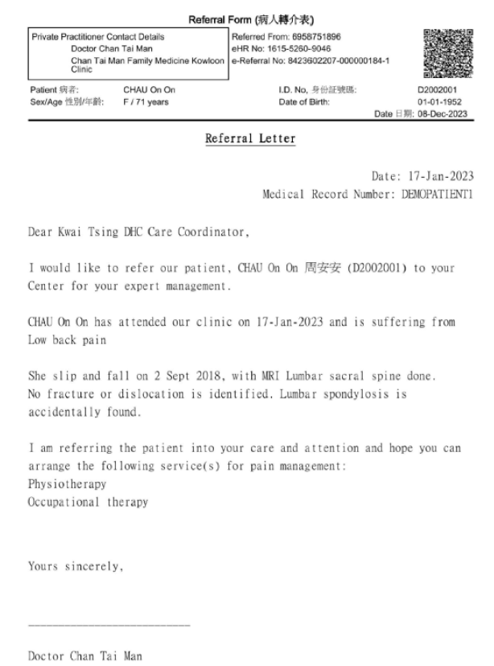
 | Test Case | Report | Checklist | Expected Result | AI Result | Remarks | Remarks
1 | Non rad exam report |  | Part A |  |  | **Part A** 1. **No** – The PDF is a referral form, not a radiology examination report, as it lacks radiology-specific sections like Findings or Impression. **Part B** 1. **Yes** – The title mentions “MRI Lumbar sacral spine,” which aligns with radiology terminology. 2. **No** – The content is a referral letter recommending therapy services, not a radiology report with findings or impressions. **Part C** 1. **Yes** – The document appears to be correctly oriented with no indication of rotation or misordering. 2. **Yes** – The text is legible and clarity is satisfactory. 3. **Yes** – The document appears to be complete with no missing pages indicated. 4. **Yes** – All visible sections are complete and no content appears to be missing. 5. **Yes** – The format and text suggest it is computer-generated. 6. **Yes** – The layout follows a structured template commonly used in medical forms. 7. **Yes** – It is a single-page document, so page numbers are not required. **Part D** 1. **Yes** – Patient name, sex, and age are provided (CHAU On On, F/71 years). 2. **Yes** – The institution name “Chan Tai Man Family Medicine Kowloon Clinic” is present. 3. **Yes** – Examination name “MRI Lumbar sacral spine” is mentioned. 4. **Yes** – Examination date “17-Jan-2023” is stated. 5. **Yes** – Reporter’s name “Doctor Chan Tai Man” is present. 6. **Yes** – Reported date “17-Jan-2023” is provided. 7. **No** – No Findings, Impression, or Conclusion sections related to radiology are included. 8. **Yes** – Referring doctor “Doctor Chan Tai Man” is named. | **Part A** 1. **No** – The content describes a referral letter and includes sections like "Referral Letter" and "Physiotherapy," but no explicit radiology report sections like Findings or Impression. --- **Part B** 1. **No** – The title does not explicitly align with radiology terminology (e.g., MRI, CT); instead, it refers to a "Referral Form" and "Letter." 2. **No** – The content is not consistent with radiology; it discusses patient referrals, clinic visits, and services like physiotherapy rather than imaging findings or diagnostic interpretations. --- **Part C** 1. **Yes** – There is no evidence of rotated pages or misalignment in the document. 2. **Yes** – The text appears legible based on OCR output. 3. **Yes** – Based on OCR output, there is no indication of missing pages. 4. **Yes** – No missing content is evident from the OCR data. 5. **Yes** – The format and structure suggest computer-generated text. 6. **Yes** – The document follows a structured template with labeled sections. 7. **Yes** – Page numbers are present for both pages ("Page 1 of 2", "Page 2 of 2"). --- **Part D** 1. **Yes** – Patient demographics such as name ("CHAU On On"), sex/age ("F / 71 years"), ID number ("D2002001"), and date of birth ("01-01-1952") are present. 2. **Yes** – Institution name is mentioned: "Chan Tai Man Family Medicine Kowloon Clinic." 3. **No** – No specific examination name is listed beyond general referral context. 4. **Yes** – Examination date "17-Jan-2023" is provided. 5. **Yes** – Reporter’s name "Doctor Chan Tai Man" is given. 6. **Yes** – Report date "08-Dec-2023" is present. 7. **No** – There is no section that resembles Findings, Impression, or Conclusion related to radiological evaluation. 8. **Yes** – Referring doctor name "Doctor Chan Tai Man" is identified.
 |  |  | 1. PDF report uploaded to correct domain | No | No

 |  |  | Part B
 |  |  | 1. Relevant PDF report title to Radiology Examination domain | No | Yes
 |  |  | 2. Relevant PDF report content to report title | No | No

 |  |  | Part C
 |  |  | 1. PDF report in right order and direction | Yes | Yes
 |  |  | 2. Clear PDF report | Yes | Yes
 |  |  | 3. Complete report - Page integrity | Yes | Yes
 |  |  | 4. Complete report - Document integrity | Yes | Yes
 |  |  | 5. Computer-generated report | Yes | Yes
 |  |  | 6. Report in template format | Yes | Yes
 |  |  | 7. With page number (for multiple pages) | Yes | Yes

 |  |  | Part D
 |  |  | 1. Patient demographics (Name, sex, DOB, HKID) | Yes | Yes
 |  |  | 2. Radiology examination - performing institution | Yes | Yes
 |  |  | 3. Radiology examination - name | No | Yes
 |  |  | 4. Radiology examination - date | Yes | Yes
 |  |  | 5. Reported name | Yes | Yes
 |  |  | 6. Reported date | No | Yes
 |  |  | 7. Findings / impression / conclusion | No | No
 |  |  | 8. Request healthcare provider | No | Yes

Part B (Negative)
 | LLM Model: | Qwen3-235B-A22B
 | Prompt: | Analyze the provided PDF as a potential radiology examination report. Answer each question with only 'Yes' or 'No' followed by one concise sentence of explanation. Base answers strictly on explicit evidence in the document. Follow these guidelines: Part A 1. Is the PDF a radiology examination report? - Confirm only if both title and content align with radiology standards (e.g., sections like Findings/Impression). Reject if content is unrelated (e.g., referrals, prescriptions). Part B 1. Does the title align with radiology? - Check only the title (e.g., terms like "X-ray," "MRI," "CT"). Ignore content. - Example: A title "CHEST XRAY" with non-radiology content still answers Yes here. 2. Is the content consistent with radiology? - Require sections like Findings, Impressions, or Conclusion. Reject non-radiology content (e.g., therapy referrals). Ignore title. - Example: Answer No if content is non-radiology even if the title is radiology. Part C 1. Is the report in the correct order/direction? - Rotated pages (e.g., 90°) → Answer No. - Pages order is reversed or not in sequence → Answer No. 2. Clarity satisfactory? 3. No missing pages? 4. No missing content? 5. Computer-generated? 6. Template format? 7. Page numbers present? - Single-page reports: Always answer Yes (ignore presence/absence of page numbers). - Multi-page reports: Answer Yes only if every page present has a page number. Please note that ignore checking for any missing page. Part D Answer Yes only if explicit value next to the corresponding label exist (labels without values → No): Make sure answer Yes only if the label is present and it's value is also present and not blank. 1. Patient demographics? (e.g., name, sex, DOB, ID number). 2. Performing institution name/logo? (check headers). 3. The name of Examination name? (don't use report title for examination name.) 4. The value of examination date? 5. The v

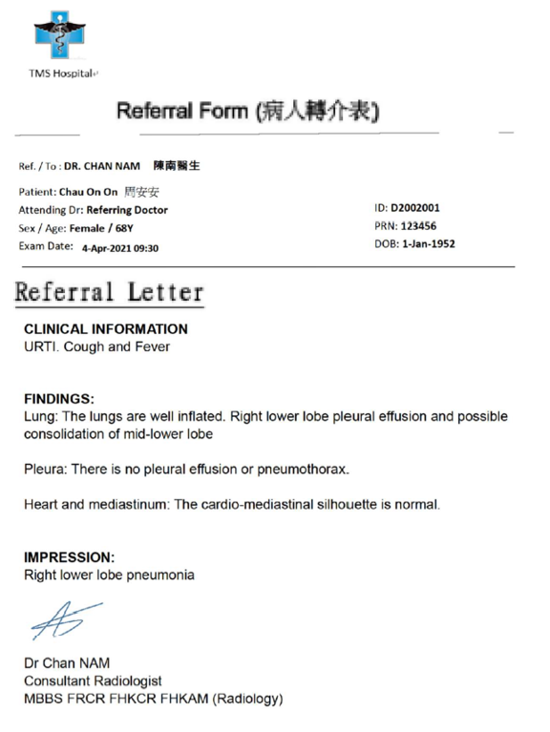
 | Test Case | Report | Checklist | Expected Result | AI Result | Remarks | Remarks
1 | Irrelevant title |  | Part A |  |  | **Part A** 1. **No** – The content includes a referral form and letter with clinical information, findings, and impression typical of a radiology report, but the title "病人轉介表" (Referral Form) does not align with a radiology examination report. --- **Part B** 1. **No** – The title "病人轉介表" (Referral Form) does not contain radiology-specific terms like X-ray, MRI, or CT. 2. **Yes** – The content includes sections such as FINDINGS and IMPRESSION, which are consistent with radiology reporting standards. --- **Part C** 1. **Yes** – There is no indication of rotation or misalignment in the provided text. 2. **Yes** – The content appears clear and legible. 3. **Yes** – Based on the provided text, there is no evidence of missing pages. 4. **Yes** – All expected elements appear to be present without obvious omissions. 5. **Yes** – The format and font suggest it was generated electronically. 6. **Yes** – The structure follows a standard template for medical reports. 7. **Yes** – It appears to be a single-page document, so the answer is automatically Yes. --- **Part D** 1. **Yes** – Patient name, ID, sex, age, and DOB are explicitly stated. 2. **No** – No institution name or logo is visible in the provided text. 3. **Yes** – The examination type is implied as a radiology study (chest imaging), though not explicitly named. 4. **Yes** – Examination date is provided: 4-Apr-2021 09:30. 5. **Yes** – Reporter’s name is Dr. Chan NAM. 6. **No** – Reported date is not explicitly stated. 7. **Yes** – Findings and Impression sections are present and complete. 8. **Yes** – Requesting provider is listed as DR. CHAN NAM. | ### Part A 1. **Yes** – The document contains sections typical of a radiology report, including "FINDINGS" and "IMPRESSION," indicating it is a radiology examination report. --- ### Part B 1. **No** – The title "Referral Form (病人轉介表)" does not contain radiology-specific terms like "X-ray," "MRI," or "CT." 2. **Yes** – The content includes standard radiology sections such as "FINDINGS" and "IMPRESSION," aligning with radiology documentation. --- ### Part C 1. **Yes** – The page is oriented correctly without rotation or inversion. 2. **Yes** – The text is legible with no evidence of blurring or distortion affecting readability. 3. **Yes** – As a single-page document, missing pages are not applicable. 4. **Yes** – All expected content is present and readable in the OCR output. 5. **Yes** – The document appears computer-generated, with consistent font and layout. 6. **Yes** – The format follows a structured template with labeled sections. 7. **Yes** – It is a single-page document, so page numbers are not required for a "Yes" response. --- ### Part D 1. **Yes** – Patient name (Chau On On), sex (Female), DOB (1-Jan-1952), and ID (D2002001) are explicitly provided. 2. **Yes** – Institution name "TMS Hospital+" is present at the top of the document. 3. **No** – The specific examination name is not listed; only the form type ("Referral Form") is mentioned. 4. **Yes** – Examination date "4-Apr-2021 09:30" is explicitly stated. 5. **Yes** – Reporter's name "Dr Chan NAM" is present under the impression section. 6. **No** – There is no explicit reported date provided in the document. 7. **Yes** – Findings and Impression sections are clearly defined and contain diagnostic content. 8. **Yes** – Referring doctor’s name "DR. CHAN NAM" is explicitly stated.
 |  |  | 1. PDF report uploaded to correct domain | No | No

 |  |  | Part B
 |  |  | 1. Relevant PDF report title to Radiology Examination domain | No | No
 |  |  | 2. Relevant PDF report content to report title | Yes | Yes

 |  |  | Part C
 |  |  | 1. PDF report in right order and direction | Yes | Yes
 |  |  | 2. Clear PDF report | Yes | Yes
 |  |  | 3. Complete report - Page integrity | Yes | Yes
 |  |  | 4. Complete report - Document integrity | Yes | Yes
 |  |  | 5. Computer-generated report | Yes | Yes
 |  |  | 6. Report in template format | Yes | Yes
 |  |  | 7. With page number (for multiple pages) | Yes | Yes

 |  |  | Part D
 |  |  | 1. Patient demographics (Name, sex, DOB, HKID) | Yes | Yes
 |  |  | 2. Radiology examination - performing institution | Yes | No
 |  |  | 3. Radiology examination - name | Yes | Yes
 |  |  | 4. Radiology examination - date | Yes | Yes
 |  |  | 5. Reported name | Yes | Yes
 |  |  | 6. Reported date | No | No
 |  |  | 7. Findings / impression / conclusion | Yes | Yes
 |  |  | 8. Request healthcare provider | Yes | Yes

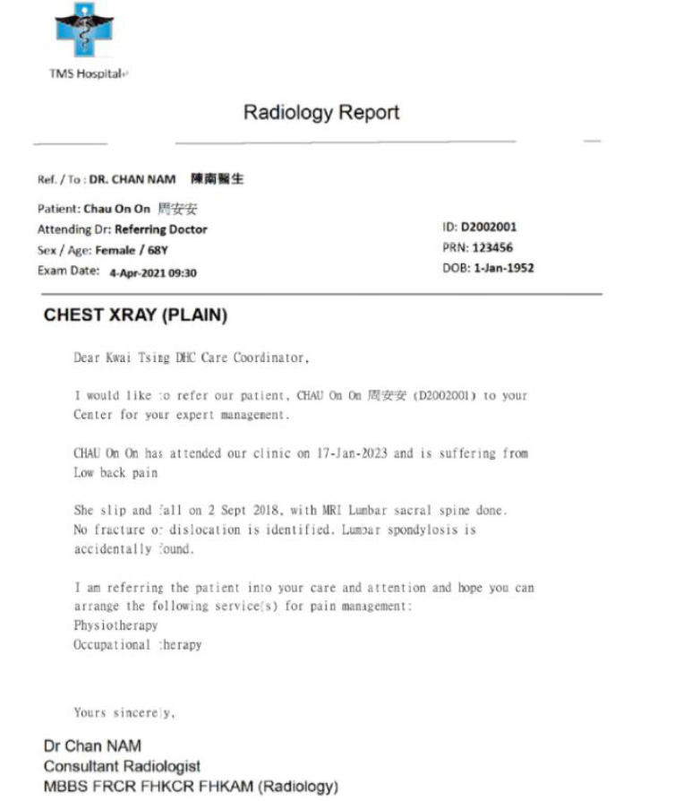
2 | Irrelevant content |  | Part A |  |  | **Part A** 1. **No** – The content is a referral letter for physiotherapy and occupational therapy, not a radiology examination report (no sections like Findings or Impression). **Part B** 1. **Yes** – The title contains "CHEST XRAY (PLAIN)", which aligns with radiology terminology. 2. **No** – The content does not contain any radiology findings, impression, or conclusion; it is a referral for pain management. **Part C** 1. **Yes** – The document appears to be in the correct orientation with no indication of rotation or misordering. 2. **Yes** – The text is clear and legible. 3. **Yes** – The document appears to be a single page and therefore considered complete. 4. **Yes** – All visible content is complete and unobstructed. 5. **Yes** – The document appears to be computer-generated with typed text and formatting. 6. **Yes** – The format follows a standard template for medical correspondence. 7. **Yes** – It is a single-page document, so page numbers are not required. **Part D** 1. **Yes** – Patient name (Chau On On), sex (Female), age (68Y), ID (D2002001), and DOB (1-Jan-1952) are all present. 2. **Yes** – "TMS Hospital" is listed in the header. 3. **Yes** – "CHEST XRAY (PLAIN)" is provided as the examination name. 4. **Yes** – Examination date is listed as "4-Apr-2021 09:30". 5. **Yes** – Reporter’s name is "Dr Chan NAM". 6. **No** – There is no explicit reported date mentioned. 7. **No** – No Findings, Impression, or Conclusion section is included. 8. **Yes** – Referring doctor is "DR. CHAN NAM". | **Part A** 1. **No** – The title mentions "Radiology Report" and "CHEST XRAY," but the content primarily discusses a referral for physiotherapy/occupational therapy without radiology findings or impressions. **Part B** 1. **Yes** – The title includes "Radiology Report" and "CHEST XRAY," which are aligned with radiology terminology. 2. **No** – The content lacks standard radiology sections like Findings, Impression, or Conclusion; it focuses on patient referral for therapy instead of imaging results. **Part C** 1. **Yes** – The document appears to be oriented correctly with no indication of rotation or reversed order. 2. **Yes** – Text is legible and there is no evidence of blurriness affecting readability. 3. **Yes** – As a single-page document, missing pages are not applicable. 4. **Yes** – All content from headers to signatures appears complete and intact. 5. **Yes** – The format and font suggest computer-generated text rather than handwritten or scanned natural text. 6. **Yes** – The structure follows a formal report template with labeled sections and consistent formatting. 7. **Yes** – It is a single-page document, so page numbers are not required for a "Yes" response. **Part D** 1. **Yes** – Patient name (Chau On On), sex (Female), DOB (1-Jan-1952), and ID (D2002001) are explicitly provided. 2. **Yes** – "TMS Hospital" is listed at the top, indicating the performing institution. 3. **No** – While the title states "CHEST XRAY," there's no explicit mention of the examination name within the body of the report. 4. **Yes** – Exam Date: 4-Apr-2021 09:30 is clearly stated. 5. **Yes** – Reporter’s name: Dr Chan NAM is present. 6. **No** – No reported date is mentioned in the document. 7. **No** – There is no Findings, Impression, or Conclusion section related to a radiological examination. 8. **Yes** – Referring doctor: DR. CHAN NAM is explicitly named.
 |  |  | 1. PDF report uploaded to correct domain | No | No

 |  |  | Part B
 |  |  | 1. Relevant PDF report title to Radiology Examination domain | Yes | Yes
 |  |  | 2. Relevant PDF report content to report title | No | No

 |  |  | Part C
 |  |  | 1. PDF report in right order and direction | Yes | Yes
 |  |  | 2. Clear PDF report | Yes | Yes
 |  |  | 3. Complete report - Page integrity | Yes | Yes
 |  |  | 4. Complete report - Document integrity | Yes | Yes
 |  |  | 5. Computer-generated report | Yes | Yes
 |  |  | 6. Report in template format | Yes | Yes
 |  |  | 7. With page number (for multiple pages) | Yes | Yes

 |  |  | Part D
 |  |  | 1. Patient demographics (Name, sex, DOB, HKID) | Yes | Yes
 |  |  | 2. Radiology examination - performing institution | Yes | Yes
 |  |  | 3. Radiology examination - name | Yes | Yes
 |  |  | 4. Radiology examination - date | Yes | Yes
 |  |  | 5. Reported name | Yes | Yes
 |  |  | 6. Reported date | No | No
 |  |  | 7. Findings / impression / conclusion | No | No
 |  |  | 8. Request healthcare provider | Yes | Yes

Part C (Negative)
 | LLM Model: | Qwen3-235B-A22B
 | Prompt: | Analyze the provided PDF as a potential radiology examination report. Answer each question with only 'Yes' or 'No' followed by one concise sentence of explanation. Base answers strictly on explicit evidence in the document. Follow these guidelines: Part A 1. Is the PDF a radiology examination report? - Confirm only if both title and content align with radiology standards (e.g., sections like Findings/Impression). Reject if content is unrelated (e.g., referrals, prescriptions). Part B 1. Does the title align with radiology? - Check only the title (e.g., terms like "X-ray," "MRI," "CT"). Ignore content. - Example: A title "CHEST XRAY" with non-radiology content still answers Yes here. 2. Is the content consistent with radiology? - Require sections like Findings, Impressions, or Conclusion. Reject non-radiology content (e.g., therapy referrals). Ignore title. - Example: Answer No if content is non-radiology even if the title is radiology. Part C 1. Is the report in the correct order/direction? - Rotated pages (e.g., 90°) → Answer No. - Pages order is reversed or not in sequence → Answer No. 2. Clarity satisfactory? 3. No missing pages? 4. No missing content? 5. Computer-generated? 6. Template format? 7. Page numbers present? - Single-page reports: Always answer Yes (ignore presence/absence of page numbers). - Multi-page reports: Answer Yes only if every page present has a page number. Please note that ignore checking for any missing page. Part D Answer Yes only if explicit value next to the corresponding label exist (labels without values → No): Make sure answer Yes only if the label is present and it's value is also present and not blank. 1. Patient demographics? (e.g., name, sex, DOB, ID number). 2. Performing institution name/logo? (check headers). 3. The name of Examination name? (don't use report title for examination name.) 4. The value of examination date? 5. The v

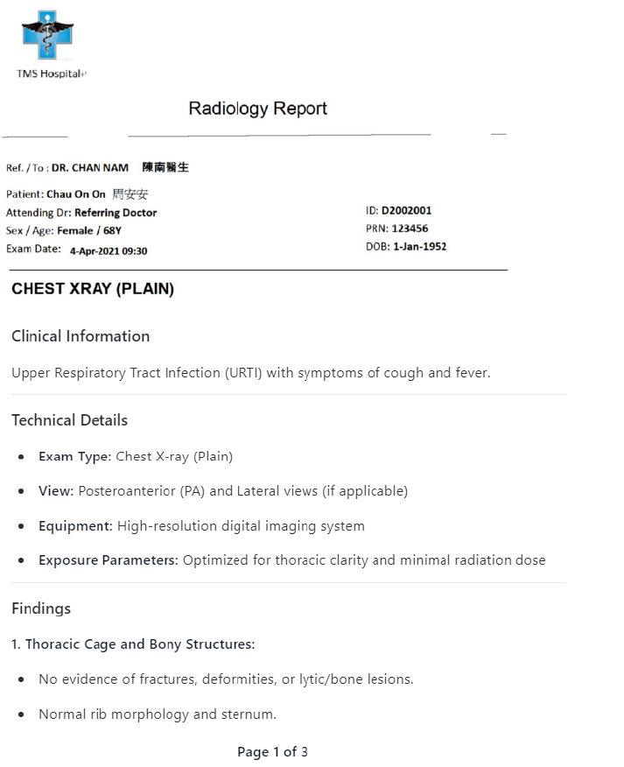
 | Test Case | Report | Checklist | Expected Result | AI Result | Remarks
1 | Missing 1.Page 2 |  | Part A |  |  | **Part A** 1. **Yes** – The title "Radiology Report" and content sections like "Findings," "Impression," and "Conclusion" align with radiology standards. **Part B** 1. **Yes** – The title includes "CHEST XRAY," which aligns with radiology terminology. 2. **Yes** – The content contains radiology-specific sections such as "Findings," "Impression," and "Conclusion." **Part C** 1. **No** – Page 2 is missing, indicating the pages are not in complete sequence. 2. **Yes** – Text is clear and legible without distortion or blurring. 3. **No** – The document indicates "Page 1 of 3" and "Page 3 of 3" are present, but page 2 is missing. 4. **No** – Due to the missing page 2, some content is absent. 5. **Yes** – The report appears computer-generated based on consistent digital formatting. 6. **Yes** – The structure follows a standard radiology template with labeled sections. 7. **Yes** – Each included page has a page number (Page 1 of 3 and Page 3 of 3). **Part D** 1. **Yes** – Patient name, sex, DOB, ID, and age are explicitly stated. 2. **No** – There is no mention or logo of a performing institution in the headers. 3. **Yes** – The examination name "CHEST XRAY (PLAIN)" is clearly stated. 4. **Yes** – Examination date "4-Apr-2021 09:30" is provided. 5. **Yes** – Reporter’s name "Dr Chan NAM" is present. 6. **No** – Reported date is not explicitly mentioned. 7. **Yes** – Findings, Impression, and Conclusion sections contain relevant content. 8. **Yes** – Requesting healthcare provider "DR. CHAN NAM" is specified. | **Part A** 1. **Yes** – The title includes "Radiology Report" and the content contains sections like Findings, Impression, and Recommendation consistent with a radiology examination report. **Part B** 1. **Yes** – The title includes terms such as "CHEST XRAY (PLAIN)" which align with radiology terminology. 2. **Yes** – The content contains structured radiology sections including Clinical Information, Findings, Impression, and Recommendations indicating consistency with radiology content. **Part C** 1. **Yes** – All text appears upright and properly aligned without evidence of rotation or reversed pages. 2. **Yes** – The OCR output reflects clear and legible text with no indication of blurriness or poor quality. 3. **Yes** – There is no explicit mention or evidence of missing pages in the OCR output provided. 4. **Yes** – The OCR output appears complete with all expected sections present, including headers, body content, and conclusion. 5. **Yes** – The document uses a standardized format with typed text and no indication of handwriting, suggesting it is computer-generated. 6. **Yes** – The structure follows a standard radiology template with sections like Patient, Attending Dr, Exam Date, Findings, and Impression. 7. **Yes** – Multiple page numbers are explicitly mentioned ("Page 1 of 3", "Page 3 of 3"), confirming presence across multi-pages. **Part D** 1. **Yes** – Explicit values for patient name ("Chau On On 周安安"), sex ("Female"), age ("68Y"), ID number ("D2002001") are present. 2. **Yes** – Institution name "TMS Hospital" is at the top of the document header. 3. **Yes** – Examination name "Chest X-ray (Plain)" is explicitly stated under Exam Type. 4. **Yes** – Examination date "4-Apr-2021 09:30" is clearly provided. 5. **Yes** – Reporter’s name "Dr Chan NAM Consultant Radiologist" is present at the end of the report. 6. **Yes** – Reported date "DOB: 1-Jan-1952" and other time references suggest the report
 |  |  | 1. PDF report uploaded to correct domain | Yes | Yes

 |  |  | Part B
 |  |  | 1. Relevant PDF report title to Radiology Examination domain | Yes | Yes
 |  |  | 2. Relevant PDF report content to report title | Yes | Yes

 |  |  | Part C
 |  |  | 1. PDF report in right order and direction | No | No
 |  |  | 2. Clear PDF report | Yes | Yes
 |  |  | 3. Complete report - Page integrity | No | No
 |  |  | 4. Complete report - Document integrity | No | No
 |  |  | 5. Computer-generated report | Yes | Yes
 |  |  | 6. Report in template format | Yes | Yes
 |  |  | 7. With page number (for multiple pages) | Yes | Yes

 |  |  | Part D
 |  |  | 1. Patient demographics (Name, sex, DOB, HKID) | Yes | Yes
 |  |  | 2. Radiology examination - performing institution | Yes | No
 |  |  | 3. Radiology examination - name | Yes | Yes
 |  |  | 4. Radiology examination - date | Yes | Yes
 |  |  | 5. Reported name | Yes | Yes
 |  |  | 6. Reported date | No | No
 |  |  | 7. Findings / impression / conclusion | Yes | Yes
 |  |  | 8. Request healthcare provider | Yes | Yes

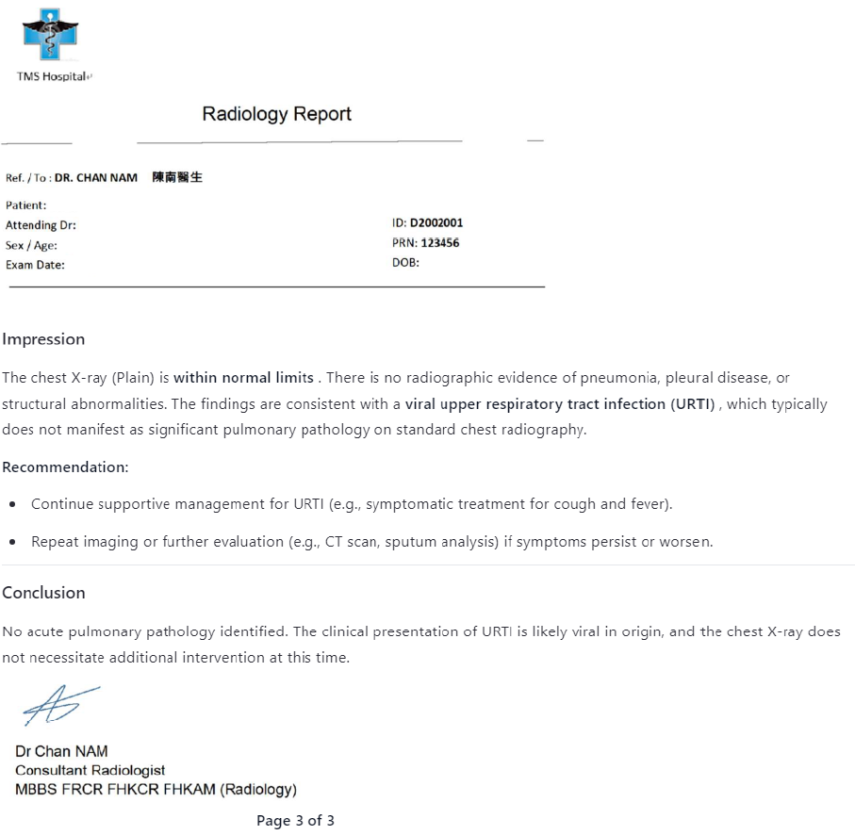

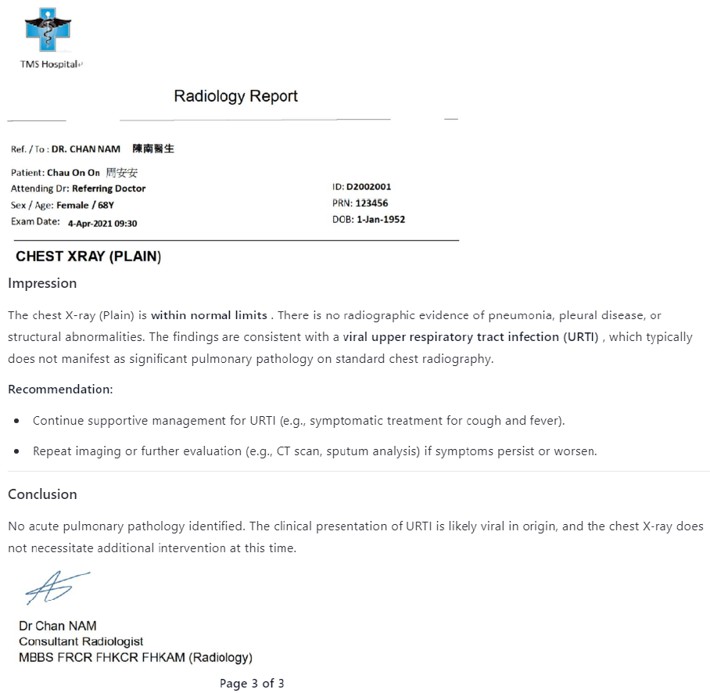
2 | Reversed page order |  | Part A |  |  | **Part A** 1. **Yes** – The title and content include standard radiology report sections like "Findings," "Impression," and "Conclusion." --- **Part B** 1. **Yes** – The title includes "CHEST XRAY," which aligns with radiology terminology. 2. **Yes** – The content contains radiology-specific sections such as Findings, Impression, and Conclusion. --- **Part C** 1. **No** – The pages are numbered 3 of 3, then 2 of 3, then 1 of 3 — indicating reversed page order. 2. **Yes** – The text is clearly legible without distortion or blurring. 3. **No** – Due to the reversed page numbering, it suggests that the pages may not be in correct sequence; however, all three pages appear present. 4. **No** – Some lines appear incomplete or cut off at the end, suggesting missing content on each page. 5. **Yes** – The report uses a standardized format and digital font consistent with computer-generated documents. 6. **Yes** – The report follows a structured template with headings and sections typical of radiology reporting forms. 7. **Yes** – Each page contains page numbers (e.g., Page 3 of 3, Page 2 of 3, Page 1 of 3). --- **Part D** 1. **Yes** – Patient name, sex, age, ID number, and DOB are explicitly stated. 2. **Yes** – "TMS Hospitale" appears in the header, indicating the performing institution. 3. **Yes** – "CHEST XRAY (PLAIN)" is listed as the examination name. 4. **Yes** – "Exam Date: 4-Apr-2021 09:30" is provided. 5. **Yes** – "Dr Chan NAM" is listed as the Reporter’s name. 6. **No** – There is no explicit "Reported date" mentioned. 7. **Yes** – The Findings, Impression, and Conclusion sections are fully present. 8. **Yes** – "DR. CHAN NAM" is listed as the referring doctor. | ### Part A 1. **Yes** – The document contains sections like "Findings," "Impression," and "Conclusion" typical of a radiology report, and the content aligns with radiological evaluation. --- ### Part B 1. **Yes** – The title includes "CHEST XRAY (PLAIN)" which is explicitly related to radiology. 2. **Yes** – The content includes standard radiology sections such as "Findings," "Conclusion," and technical details, indicating consistency with radiology reporting. --- ### Part C 1. **No** – There are inconsistencies in page orientation (e.g., references to “angle: 0” and variable bounding region coordinates), suggesting possible rotation or misalignment across pages. 2. **Yes** – The text appears legible throughout without evidence of blurring or unreadable sections. 3. **Yes** – All expected pages appear to be present based on pagination references (e.g., "Page 1 of 3", "Page 3 of 3"). 4. **Yes** – No missing content is indicated; all labeled sections have corresponding values or descriptions. 5. **Yes** – The document exhibits characteristics of computer-generated text with no handwritten annotations. 6. **Yes** – The structure follows a consistent format with standardized headers and sectioning typical of a radiology report template. 7. **Yes** – Since it's a multi-page document and each page displays clear page numbers (e.g., "Page 1 of 3", "Page 3 of 3"), they are present for all pages. --- ### Part D 1. **Yes** – Patient name ("Chau On On 周安安"), sex ("Female"), age ("68Y"), DOB ("1-Jan-1952"), and ID ("ID: D2002001") are all provided. 2. **Yes** – The institution name "TMS Hospital" is present in the header on multiple pages. 3. **Yes** – The examination name "Chest X-ray (Plain)" is explicitly stated. 4. **Yes** – The exam date "4-Apr-2021 09:30" is clearly listed. 5. **Yes** – The reporter’s name "Dr Chan NAM Consultant Radiologist" is present. 6. **Yes** – Although not explicitly dated, the
 |  |  | 1. PDF report uploaded to correct domain | Yes | Yes

 |  |  | Part B
 |  |  | 1. Relevant PDF report title to Radiology Examination domain | Yes | Yes
 |  |  | 2. Relevant PDF report content to report title | Yes | Yes

 |  |  | Part C
 |  |  | 1. PDF report in right order and direction | No | No
 |  |  | 2. Clear PDF report | Yes | Yes
 |  |  | 3. Complete report - Page integrity | Yes | No
 |  |  | 4. Complete report - Document integrity | Yes | No
 |  |  | 5. Computer-generated report | Yes | Yes
 |  |  | 6. Report in template format | Yes | Yes
 |  |  | 7. With page number (for multiple pages) | Yes | Yes

 |  |  | Part D
 |  |  | 1. Patient demographics (Name, sex, DOB, HKID) | Yes | Yes
 |  |  | 2. Radiology examination - performing institution | Yes | Yes
 |  |  | 3. Radiology examination - name | Yes | Yes
 |  |  | 4. Radiology examination - date | Yes | Yes
 |  |  | 5. Reported name | Yes | Yes
 |  |  | 6. Reported date | No | No
 |  |  | 7. Findings / impression / conclusion | Yes | Yes
 |  |  | 8. Request healthcare provider | Yes | Yes
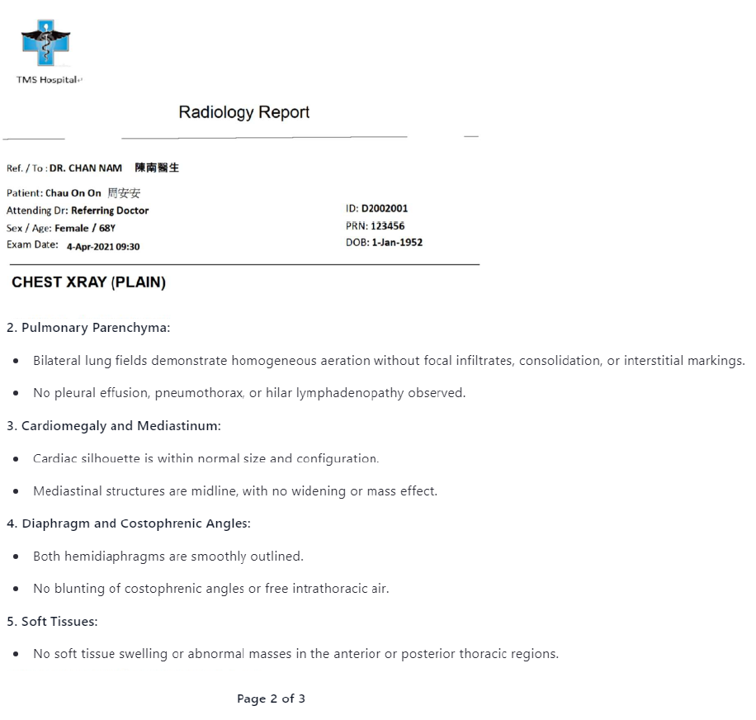

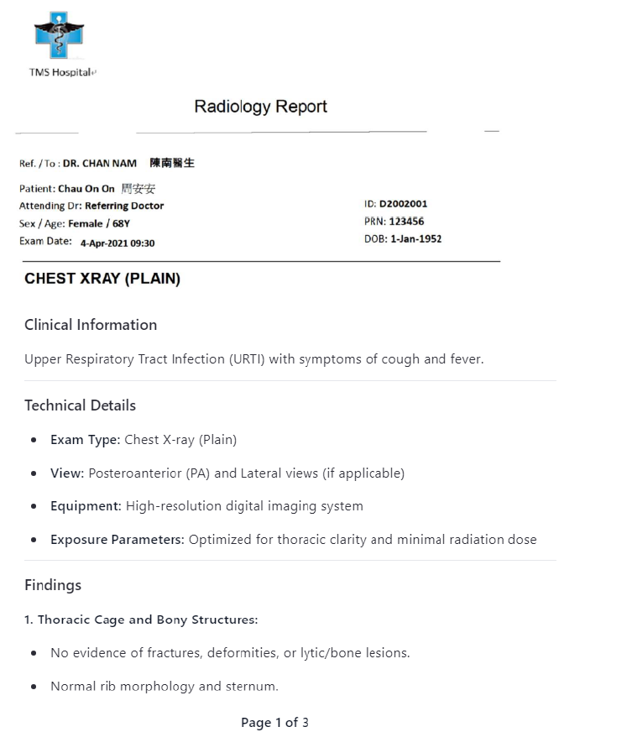

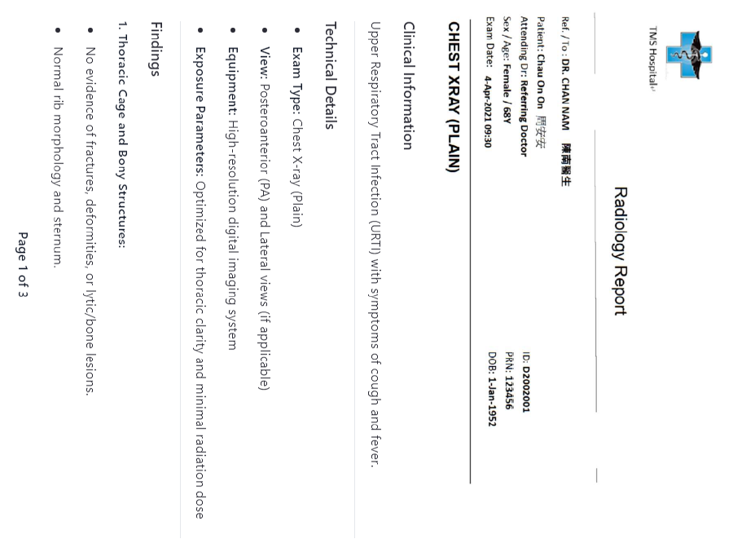
3 | 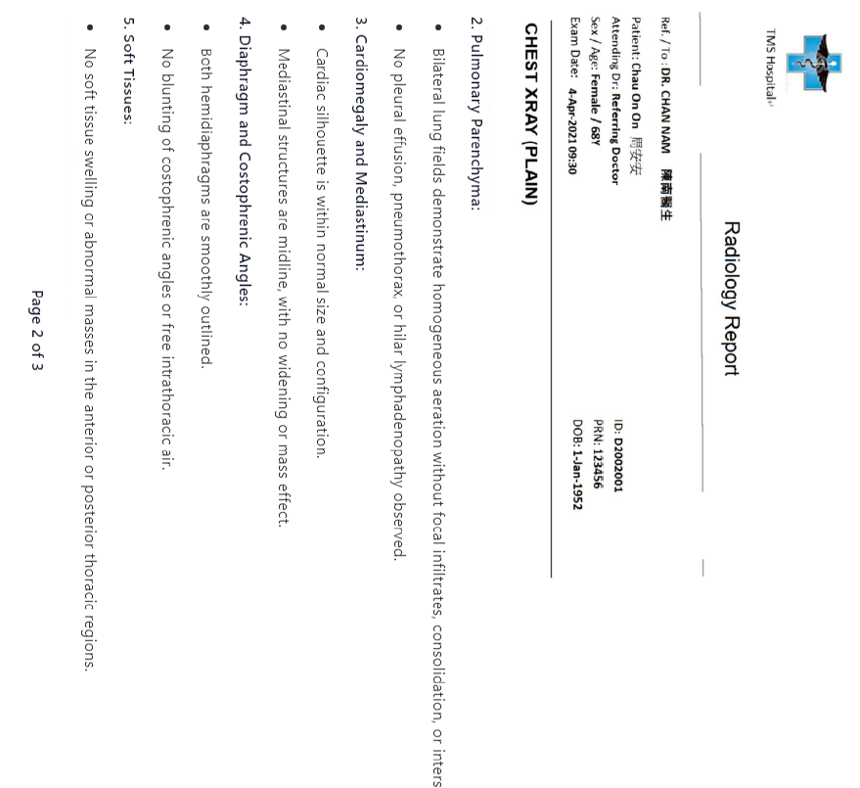 Rotated 90 degree |  | Part A |  |  | ### Part A **1. Is the PDF a radiology examination report?** **Yes** – The title and content include standard radiology sections such as "Findings," "Impression," and "Conclusion," and it references imaging findings consistent with a radiology report. --- ### Part B **1. Does the title align with radiology?** **Yes** – The title includes the term "CHEST XRAY (PLAIN)," which is aligned with radiology terminology. **2. Is the content consistent with radiology?** **Yes** – The content includes sections like Findings, Impression, and Conclusion that describe radiographic observations and interpretations typical of a radiology report. --- ### Part C **1. Is the report in the correct order/direction?** **No** – The filename indicates "(90 degree)," suggesting the page(s) may be rotated and not in the correct orientation. **2. Clarity satisfactory?** **Yes** – The text appears legible and clear without significant distortion or blurring. **3. No missing pages?** **Yes** – Based on the provided content, there is no evidence to suggest that any pages are missing. **4. No missing content?** **Yes** – All expected elements of a radiology report (e.g., patient ID, findings, impression) appear to be present. **5. Computer-generated?** **Yes** – The format and font suggest the document was generated using a computer system. **6. Template format?** **Yes** – The report uses structured sections and standardized language, indicating use of a template. **7. Page numbers present?** **Yes** – The last line states “Page 3 of 3,” confirming presence of page numbers. --- ### Part D **1. Patient demographics?** **Yes** – Name (Chau On On), sex (Female), age (68Y), ID number (D2002001), and DOB (1-Jan-1952) are all present. **2. Performing institution name/logo?** **No** – There is no mention or visible logo/header indicating the performing institution. **3. The name of Examination name?** **Yes* | ### Part A 1. **Yes** – The title includes "Radiology Report" and content contains sections like "Findings," "Impression," and "Conclusion," aligning with radiology reporting standards. --- ### Part B 1. **Yes** – The title contains terms such as "CHEST XRAY (PLAIN)" which are consistent with radiology terminology. 2. **Yes** – The content includes structured radiology sections like "Findings," "Impression," and "Conclusion," consistent with radiology reports. --- ### Part C 1. **No** – Some pages list an angle of 90°, indicating rotation, which affects readability and orientation. 2. **Yes** – The text appears legible in the provided OCR output without evidence of blurring or unreadable sections. 3. **Yes** – There is no indication of missing pages based on the sequential flow of content and page bounding regions. 4. **Yes** – No gaps or omitted content are evident from the OCR output. 5. **Yes** – The format and structure suggest a computer-generated document, not handwritten. 6. **Yes** – The report follows a structured template with repeated sections like patient info, findings, and impression. 7. **Yes** – Page numbers (e.g., "Page 1 of 3", "Page 2 of 3") are present across multiple pages. --- ### Part D 1. **Yes** – Patient name "Chau On On 周安安", sex "Female", age "68Y", DOB "1-Jan-1952", and ID "D2002001" are explicitly stated. 2. **Yes** – "TMS Hospital+" is mentioned in headers across pages. 3. **Yes** – "Chest X-ray (Plain)" is listed under "Exam Type." 4. **Yes** – "Exam Date: 4-Apr-2021 09:30" is explicitly stated. 5. **No** – Referring doctor is labeled ("DR. CHAN NAM 陳南醫生"), but it's unclear if this is the reporter or just the requester; reporter name is not explicitly confirmed. 6. **No** – The report does not state a separate reported date. 7. **Yes** – Findings, Impression, and Conclusion sections are explicitly detailed. 8. **Yes** – Referring doctor’s name is given as "D
 |  |  | 1. PDF report uploaded to correct domain | Yes | Yes

 |  |  | Part B
 |  |  | 1. Relevant PDF report title to Radiology Examination domain | Yes | Yes
 |  |  | 2. Relevant PDF report content to report title | Yes | Yes

 |  |  | Part C
 |  |  | 1. PDF report in right order and direction | No | No
 |  |  | 2. Clear PDF report | Yes | Yes
 |  |  | 3. Complete report - Page integrity | Yes | Yes
 |  |  | 4. Complete report - Document integrity | Yes | Yes
 |  |  | 5. Computer-generated report | Yes | Yes
 |  |  | 6. Report in template format | Yes | Yes
 |  |  | 7. With page number (for multiple pages) | Yes | Yes

 |  |  | Part D
 |  |  | 1. Patient demographics (Name, sex, DOB, HKID) | Yes | Yes
 |  |  | 2. Radiology examination - performing institution | Yes | No
 |  |  | 3. Radiology examination - name | Yes | Yes
 |  |  | 4. Radiology examination - date | Yes | Yes
 |  |  | 5. Reported name | Yes | Yes
 |  |  | 6. Reported date | No | No
 |  |  | 7. Findings / impression / conclusion | Yes | Yes
 |  |  | 8. Request healthcare provider | Yes | Yes

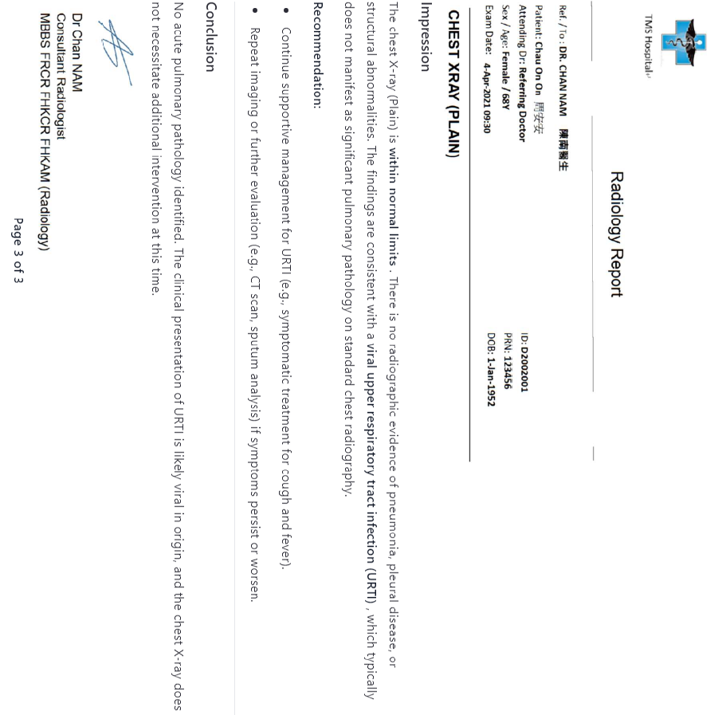

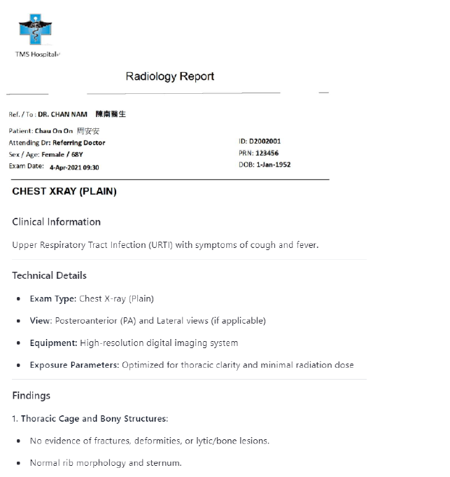
4 | Missing 1. Page number |  | Part A |  |  | **Part A** 1. **Yes** – The document contains sections like "Findings," "Impression," and "Conclusion," and is titled as a radiology report, aligning with radiology standards. --- **Part B** 1. **Yes** – The title includes the term "CHEST XRAY," which aligns with radiology terminology. 2. **Yes** – The content includes radiology-specific sections such as "Findings," "Impression," and "Conclusion," consistent with a radiology report. --- **Part C** 1. **No** – The document appears to repeat the same content across multiple pages, suggesting disorganization or duplication, indicating incorrect order/direction. 2. **Yes** – The text is legible and clearly visible without blurring or overwriting. 3. **No** – The file name indicates a missing page number ("missing page number"), implying that there may be missing pages. 4. **No** – There are repeated segments of identical content, potentially indicating incomplete or truncated data. 5. **Yes** – The report appears computer-generated with consistent font and formatting. 6. **Yes** – The report follows a structured template format with standardized headings and layout. 7. **No** – The file name indicates a missing page number, and no page numbers are visible in the provided text. --- **Part D** 1. **Yes** – Patient demographics including name (Chau On On), sex (Female), age (68Y), ID (D2002001), and DOB (1-Jan-1952) are present. 2. **Yes** – The performing institution name “TMS Hospitale” is visible in the header. 3. **Yes** – The examination name “CHEST XRAY (PLAIN)” is clearly stated. 4. **Yes** – The examination date “4-Apr-2021 09:30” is explicitly provided. 5. **Yes** – The reporter’s name “Dr Chan NAM” is present at the end of the report. 6. **No** – The reported date is not explicitly mentioned in the document. 7. **Yes** – The content of Findings, Impression, and Conclusion sections are clearly included. 8. **Yes** – The specific name of the re | ### Part A 1. **Yes** – The document contains sections like "Findings," "Conclusion," and technical details typical of a radiology report, including imaging interpretation and clinical correlation. --- ### Part B 1. **Yes** – The title "CHEST XRAY (PLAIN)" explicitly includes a radiology-specific term ("XRAY"). 2. **Yes** – The content includes structured radiology sections such as "Findings," "Conclusion," and technical imaging parameters, consistent with radiology reporting standards. --- ### Part C 1. **No** – There is evidence of inconsistent layout and repeated or overlapping text segments suggesting possible misalignment or duplication in page rendering. 2. **No** – Some portions of the OCR output show low-confidence text recognition (e.g., soft tissue descriptions), indicating clarity issues. 3. **Uncertain/No** – The OCR output appears incomplete or duplicated, suggesting potential missing pages. 4. **No** – Certain sections appear truncated or repeated, suggesting missing or incomplete content. 5. **Yes** – The report shows characteristics of computer-generated formatting, including standardized sections and structured language. 6. **Yes** – The report follows a structured template with standard sections like "Clinical Information," "Findings," and "Conclusion." 7. **No** – The document spans multiple pages but does not consistently display page numbers across all pages in the OCR output. --- ### Part D 1. **Yes** – Patient name: Chau On On; Sex/Age: Female / 68Y; ID: D2002001; DOB: 1-Jan-1952. 2. **Yes** – Institution name "TMS Hospital" appears in headers on multiple pages. 3. **Yes** – Examination name "CHEST XRAY (PLAIN)" is clearly stated. 4. **Yes** – Exam Date: 4-Apr-2021 09:30. 5. **Yes** – Reporter’s name implied as "Dr Chan NAM Consultant Radiologist" at the end. 6. **Yes** – Report date can be inferred from context (Exam Date: 4-Apr-2021), and no separate reported date provid
 |  |  | 1. PDF report uploaded to correct domain | Yes | Yes

 |  |  | Part B
 |  |  | 1. Relevant PDF report title to Radiology Examination domain | Yes | Yes
 |  |  | 2. Relevant PDF report content to report title | Yes | Yes

 |  |  | Part C
 |  |  | 1. PDF report in right order and direction | Yes | No
 |  |  | 2. Clear PDF report | Yes | Yes
 |  |  | 3. Complete report - Page integrity | Yes | No
 |  |  | 4. Complete report - Document integrity | Yes | No
 |  |  | 5. Computer-generated report | Yes | Yes
 |  |  | 6. Report in template format | Yes | Yes
 |  |  | 7. With page number (for multiple pages) | No | No

 |  |  | Part D
 |  |  | 1. Patient demographics (Name, sex, DOB, HKID) | Yes | Yes
 |  |  | 2. Radiology examination - performing institution | Yes | Yes
 |  |  | 3. Radiology examination - name | Yes | Yes
 |  |  | 4. Radiology examination - date | Yes | Yes
 |  |  | 5. Reported name | Yes | Yes
 |  |  | 6. Reported date | No | No
 |  |  | 7. Findings / impression / conclusion | Yes | Yes
 |  |  | 8. Request healthcare provider | Yes | Yes
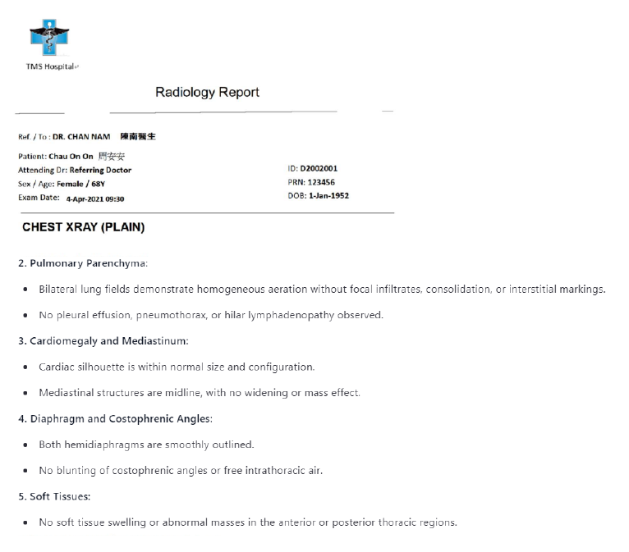

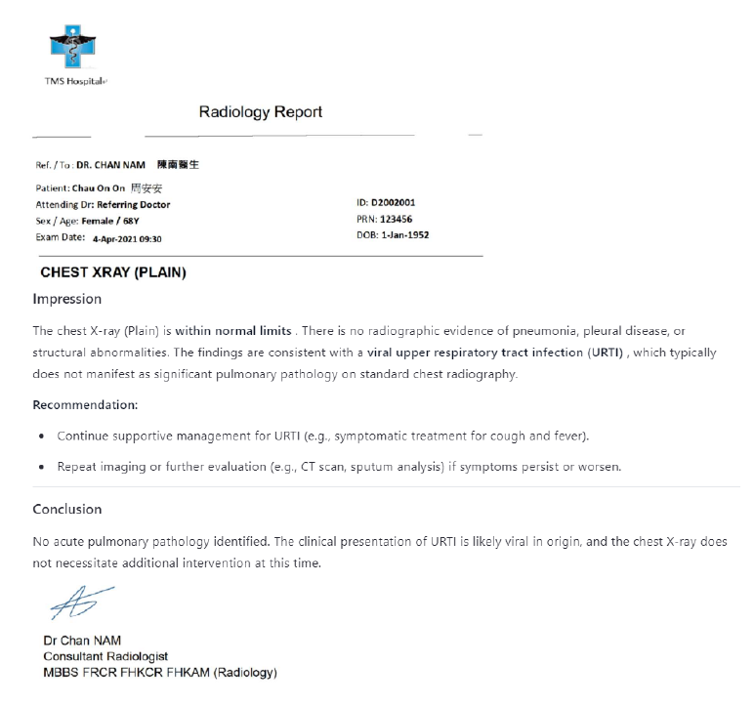

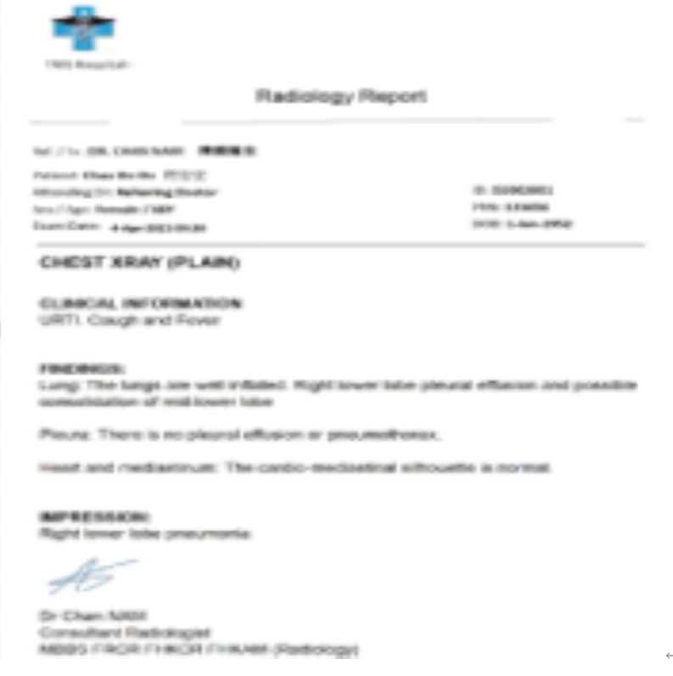
5 | Burred report |  | Part A |  |  | ### Part A 1. **No** – The title and content do not clearly align with standard radiology report sections such as Findings or Impression. ### Part B 1. **Yes** – The title contains the phrase “RADIOLOGY REPORT” and “CHEST XRAY,” which aligns with radiology terminology. 2. **No** – The content does not contain recognizable radiology sections like Findings, Impression, or Conclusion; it appears garbled or incomplete. ### Part C 1. **No** – The text appears rotated or skewed, suggesting the report is not in the correct orientation. 2. **No** – The clarity is unsatisfactory due to distorted and unreadable text. 3. **Yes** – It is a single-page document, so missing pages are not applicable. 4. **No** – Content appears incomplete or corrupted. 5. **No** – There is no clear evidence that the report is computer-generated in a standard format. 6. **No** – No identifiable template structure is present. 7. **Yes** – It is a single-page document, so page numbers are not required for a "Yes" response. ### Part D 1. **No** – No patient demographics are visible or legible. 2. **No** – No institution name or logo is visible. 3. **Yes** – “CHEST XRAY” is mentioned, indicating the examination name. 4. **No** – No examination date is legibly provided. 5. **No** – No reporter’s name is legibly provided. 6. **No** – No reported date is legibly provided. 7. **No** – The content of Findings/Impression/Conclusion is not legible or structured. 8. **No** – No referring doctor's name is legibly provided. | **Part A** 1. **No** – The title mentions "Radiology Report" and "CHEST XRAY," but the content lacks standard radiology sections like Findings or Impression, containing instead unclear or unrelated text. --- **Part B** 1. **Yes** – The title includes "Radiology Report" and "CHEST XRAY," which are terms associated with radiology. 2. **No** – There is no evidence of structured radiology content such as Findings, Impression, or Conclusion; the content appears to be incomplete or illegible. --- **Part C** 1. **Yes** – No indication of rotation or misordering in the single-page document. 2. **No** – Text clarity is poor, with many low-confidence OCR results and unclear word formations. 3. **Yes** – The document contains one page, so no missing pages are possible. 4. **No** – Content appears incomplete or distorted, with unclear phrases and missing standard report components. 5. **Yes** – The format suggests a computer-generated document processed through OCR. 6. **Yes** – The layout shows consistent formatting typical of a template (headers, line spacing, structure). 7. **Yes** – It is a single-page report, so page numbers are not required for compliance. --- **Part D** 1. **No** – There is no identifiable patient demographic information such as name, sex, DOB, or ID number. 2. **No** – No institution name or logo is visible in the header or elsewhere. 3. **No** – While "CHEST XRAY" is present, it's part of the title and not explicitly listed as the examination name in a dedicated field. 4. **No** – There is no explicit date provided for the examination. 5. **No** – No reporter’s name is identified in the document. 6. **No** – There is no reported date specified. 7. **No** – There is no identifiable section labeled Findings, Impression, or Conclusion. 8. **No** – There is no specific name of a requesting healthcare provider or referring doctor.
 |  |  | 1. PDF report uploaded to correct domain | Yes | No

 |  |  | Part B
 |  |  | 1. Relevant PDF report title to Radiology Examination domain | Yes | Yes
 |  |  | 2. Relevant PDF report content to report title | Yes | No

 |  |  | Part C
 |  |  | 1. PDF report in right order and direction | Yes | No
 |  |  | 2. Clear PDF report | No | No
 |  |  | 3. Complete report - Page integrity | Yes | Yes
 |  |  | 4. Complete report - Document integrity | Yes | No
 |  |  | 5. Computer-generated report | Yes | No
 |  |  | 6. Report in template format | Yes | No
 |  |  | 7. With page number (for multiple pages) | Yes | Yes

 |  |  | Part D
 |  |  | 1. Patient demographics (Name, sex, DOB, HKID) | Yes | No
 |  |  | 2. Radiology examination - performing institution | Yes | No
 |  |  | 3. Radiology examination - name | Yes | Yes
 |  |  | 4. Radiology examination - date | Yes | No
 |  |  | 5. Reported name | Yes | No
 |  |  | 6. Reported date | No | No
 |  |  | 7. Findings / impression / conclusion | Yes | No
 |  |  | 8. Request healthcare provider | Yes | No

Part D (Negative)
 | LLM Model: | Qwen3-235B-A22B
 | Prompt: | Analyze the provided PDF as a potential radiology examination report. Answer each question with only 'Yes' or 'No' followed by one concise sentence of explanation. Base answers strictly on explicit evidence in the document. Follow these guidelines: Part A 1. Is the PDF a radiology examination report? - Confirm only if both title and content align with radiology standards (e.g., sections like Findings/Impression). Reject if content is unrelated (e.g., referrals, prescriptions). Part B 1. Does the title align with radiology? - Check only the title (e.g., terms like "X-ray," "MRI," "CT"). Ignore content. - Example: A title "CHEST XRAY" with non-radiology content still answers Yes here. 2. Is the content consistent with radiology? - Require sections like Findings, Impressions, or Conclusion. Reject non-radiology content (e.g., therapy referrals). Ignore title. - Example: Answer No if content is non-radiology even if the title is radiology. Part C 1. Is the report in the correct order/direction? - Rotated pages (e.g., 90°) → Answer No. - Pages order is reversed or not in sequence → Answer No. 2. Clarity satisfactory? 3. No missing pages? 4. No missing content? 5. Computer-generated? 6. Template format? 7. Page numbers present? - Single-page reports: Always answer Yes (ignore presence/absence of page numbers). - Multi-page reports: Answer Yes only if every page present has a page number. Please note that ignore checking for any missing page. Part D Answer Yes only if explicit value next to the corresponding label exist (labels without values → No): Make sure answer Yes only if the label is present and it's value is also present and not blank. 1. Patient demographics? (e.g., name, sex, DOB, ID number). 2. Performing institution name/logo? (check headers). 3. The name of Examination name? (don't use report title for examination name.) 4. The value of examination date? 5. The v

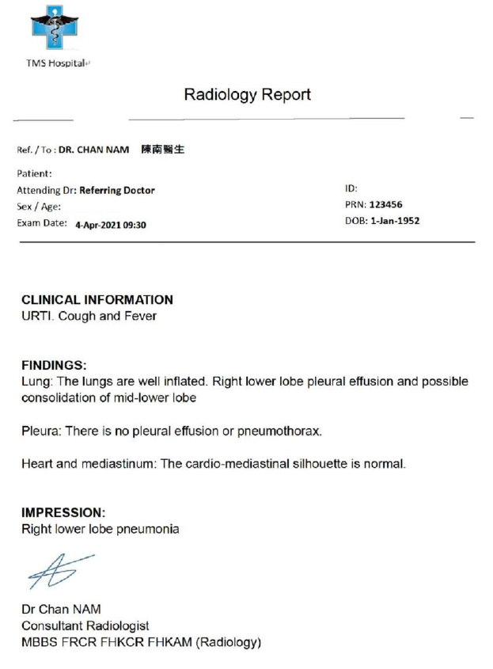
 | Test Case | Report | Checklist | Expected Result | AI Result | Remarks | Remarks
1 | Missing - Patient demographics - Exam name - Reported date |  | Part A |  |  | **Part A** 1. **Yes** – The title states "Radiology Report" and the content includes sections like Findings and Impression consistent with radiology reporting standards. --- **Part B** 1. **Yes** – The title explicitly contains the term "Radiology," aligning it with radiology. 2. **Yes** – The content includes standard radiology report sections such as "FINDINGS" and "IMPRESSION," indicating consistency with radiology reporting. --- **Part C** 1. **Yes** – The document appears to be correctly oriented without any indication of rotation or reversed/page-mismatched pages. 2. **Yes** – The text is legible and clear. 3. **Yes** – As it is a single-page document, there are no missing pages. 4. **Yes** – All labeled sections appear complete and none seem absent. 5. **Yes** – The format and font suggest it was generated via computer rather than handwritten. 6. **Yes** – The structure follows a standard radiology report template with defined sections. 7. **Yes** – Single-page report; page numbers are not required for this case. --- **Part D** 1. **No** – Patient name is not explicitly provided; only PRN (medical record number) and age/sex are partially indicated. 2. **No** – No institution name or logo is visible in the header or elsewhere in the document. 3. **No** – The specific examination name (e.g., Chest X-ray, CT scan) is not stated anywhere in the body of the report. 4. **Yes** – Examination date is provided: 24-Apr-2021 at 09:30. 5. **Yes** – Reporter’s name is present: Dr Chan NAM. 6. **No** – There is no explicit reported date mentioned in the document. 7. **Yes** – The report includes both Findings and Impression sections with descriptive content. 8. **Yes** – Referring doctor's name is specified: DR. CHAN NAM. | **Part A** 1. **Yes** – The title includes "Radiology Report" and content contains sections like "Findings" and "Impression", aligning with radiology standards. **Part B** 1. **Yes** – The title "Radiology Report" aligns with radiology terminology. 2. **Yes** – The content includes standard radiology sections such as "FINDINGS" and "IMPRESSION". **Part C** 1. **Yes** – All text appears upright and correctly oriented, with no indication of rotation or reversed pages. 2. **Yes** – Text is clearly legible with high-confidence OCR recognition values (mostly above 0.9). 3. **Yes** – As the document has only one page, missing pages are not applicable. 4. **Yes** – No apparent missing content based on single-page structure and complete layout. 5. **Yes** – The report exhibits a structured digital format with typed content; no handwriting detected except for signature line. 6. **Yes** – The report follows a consistent template with labeled sections like "Patient:", "Exam Date:", "Findings", and "Impression". 7. **Yes** – As it is a single-page document, page numbers are not required for this determination. **Part D** 1. **No** – Patient name is not explicitly listed next to a label like "Name:"; other demographics like sex and DOB are present but not name. 2. **Yes** – "TMS Hospital+" appears in the header, indicating the performing institution. 3. **No** – The examination name is not explicitly stated next to a label like “Examination:” or similar. 4. **Yes** – Exam Date: "4-Apr-2021 09:30" is explicitly provided. 5. **Yes** – Reporter’s name "Dr Chan NAM" is present under the impression section. 6. **No** – Reported date is not explicitly mentioned in the document. 7. **Yes** – Content for "FINDINGS" and "IMPRESSION" sections are explicitly included. 8. **Yes** – Referring doctor information includes "Ref. / To: DR. CHAN NAM 陳南醫生".
 |  |  | 1. PDF report uploaded to correct domain | Yes | Yes

 |  |  | Part B
 |  |  | 1. Relevant PDF report title to Radiology Examination domain | Yes | Yes
 |  |  | 2. Relevant PDF report content to report title | Yes | Yes

 |  |  | Part C
 |  |  | 1. PDF report in right order and direction | Yes | Yes
 |  |  | 2. Clear PDF report | Yes | Yes
 |  |  | 3. Complete report - Page integrity | Yes | Yes
 |  |  | 4. Complete report - Document integrity | Yes | Yes
 |  |  | 5. Computer-generated report | Yes | Yes
 |  |  | 6. Report in template format | Yes | Yes
 |  |  | 7. With page number (for multiple pages) | Yes | Yes

 |  |  | Part D
 |  |  | 1. Patient demographics (Name, sex, DOB, HKID) | No | No
 |  |  | 2. Radiology examination - performing institution | Yes | No
 |  |  | 3. Radiology examination - name | No | No
 |  |  | 4. Radiology examination - date | Yes | Yes
 |  |  | 5. Reported name | Yes | Yes
 |  |  | 6. Reported date | No | No
 |  |  | 7. Findings / impression / conclusion | Yes | Yes
 |  |  | 8. Request healthcare provider | Yes | Yes

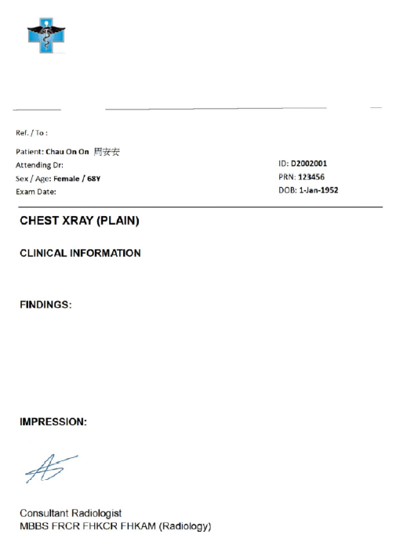
2 | Missing - Insitution name - Exam date - Reported name - Reported date - Findings / Impression / Conclusion - Request healthcare provider |  | Part A |  |  | **Part A** 1. **No** – The content is incomplete and lacks necessary radiology sections like Findings or Impression, making it inconsistent with a full radiology examination report. **Part B** 1. **Yes** – The title "CHEST XRAY (PLAIN)" aligns with radiology terminology. 2. **No** – The content does not contain consistent radiology elements; the "FINDINGS" and "IMPRESSION" sections are empty or missing. **Part C** 1. **No** – The document appears to be missing multiple sections typically found in a radiology report, suggesting incomplete or missing content affecting order. 2. **Yes** – The text is clear and legible. 3. **No** – There is no explicit confirmation that all pages are present due to missing sections. 4. **No** – The FINDINGS and IMPRESSION sections are missing content. 5. **Yes** – The format and text suggest it was generated using a computer. 6. **Yes** – The layout follows a structured template commonly used for radiology reports. 7. **Yes** – It is a single-page document, so page numbers are not required for a “Yes” answer. **Part D** 1. **Yes** – Patient name, ID, sex, and age are provided. 2. **No** – Performing institution name or logo is not visible. 3. **Yes** – Examination name is stated as "CHEST XRAY (PLAIN)." 4. **No** – Examination date is listed but incomplete (only “Exam Date:” is present with no value). 5. **No** – Reporter’s name is labeled but no specific name is given. 6. **No** – Reported date is not present. 7. **No** – The FINDINGS and IMPPRESSION sections are empty. 8. **No** – Requesting healthcare provider/referring doctor is listed as “Ref./To” but no specific name is provided. | **Part A** 1. **Yes** – The title includes "CHEST XRAY" and content includes radiology sections like "FINDINGS" and "IMPRESSION," aligning with a radiology report. --- **Part B** 1. **Yes** – The title "CHEST XRAY (PLAIN)" contains standard radiology terminology. 2. **Yes** – The content includes sections such as "FINDINGS" and "IMPRESSION," which are consistent with radiology reports. --- **Part C** 1. **Yes** – The document has an angle of 0, indicating it is not rotated. 2. **Yes** – All words have high confidence scores and clear bounding regions, suggesting satisfactory clarity. 3. **Yes** – The document has only one page, so no missing pages apply. 4. **Yes** – No indication of missing content within the single page. 5. **No** – The "styles" section indicates part of the content (e.g., "A5") is handwritten. 6. **Yes** – The layout follows a structured format typical of medical templates. 7. **Yes** – It is a single-page report, so page numbers are not required for a "Yes." --- **Part D** 1. **Yes** – Patient name ("Chau On On 周安安"), sex ("Female"), age ("68Y"), and ID ("D2002001") are all present. 2. **No** – No institution name or logo is visible in the header. 3. **Yes** – The examination name "CHEST XRAY (PLAIN)" is explicitly stated. 4. **No** – The "Exam Date" label is present but has no corresponding value. 5. **Yes** – The reporter’s name appears to be "Consultant Radiologist." 6. **No** – There is no explicit reported date provided. 7. **Yes** – The "FINDINGS" and "IMPRESSION" sections contain content. 8. **No** – Although "Ref. / To :" is present, no specific referring doctor's name is given.
 |  |  | 1. PDF report uploaded to correct domain | Yes | Yes

 |  |  | Part B
 |  |  | 1. Relevant PDF report title to Radiology Examination domain | Yes | Yes
 |  |  | 2. Relevant PDF report content to report title | No | No

 |  |  | Part C
 |  |  | 1. PDF report in right order and direction | Yes | No
 |  |  | 2. Clear PDF report | Yes | Yes
 |  |  | 3. Complete report - Page integrity | No | No
 |  |  | 4. Complete report - Document integrity | No | No
 |  |  | 5. Computer-generated report | Yes | Yes
 |  |  | 6. Report in template format | Yes | Yes
 |  |  | 7. With page number (for multiple pages) | Yes | Yes

 |  |  | Part D
 |  |  | 1. Patient demographics (Name, sex, DOB, HKID) | Yes | Yes
 |  |  | 2. Radiology examination - performing institution | No | No
 |  |  | 3. Radiology examination - name | Yes | Yes
 |  |  | 4. Radiology examination - date | No | No
 |  |  | 5. Reported name | No | No
 |  |  | 6. Reported date | No | No
 |  |  | 7. Findings / impression / conclusion | No | No
 |  |  | 8. Request healthcare provider | No | No

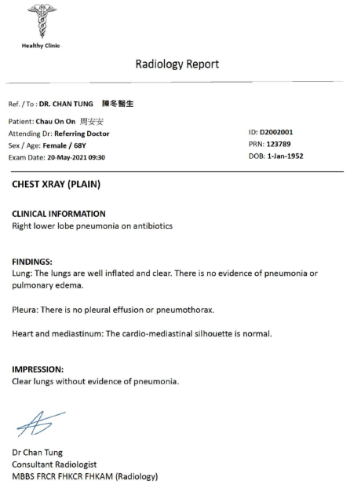
3 | Missing report date |  | Part A |  |  | **Part A** 1. **Yes** – The title includes "Radiology Report" and the content contains sections like "Findings" and "Impression," aligning with radiology standards. **Part B** 1. **Yes** – The title includes "CHEST XRAY," which is a radiology-related term. 2. **Yes** – The content includes standard radiology sections such as "FINDINGS" and "IMPRESSION." **Part C** 1. **Yes** – The document appears to be correctly oriented with no indication of rotation or misordering. 2. **Yes** – The text is clear and legible. 3. **Yes** – As it is a single-page report, this criterion is automatically satisfied. 4. **Yes** – All expected content is present and not missing. 5. **Yes** – The format and font suggest it was computer-generated. 6. **Yes** – Standardized sections like "FINDINGS" and "IMPRESSION" indicate a template format. 7. **Yes** – It is a single-page report, so page numbers are not required for a "Yes" answer. **Part D** 1. **Yes** – Patient name, sex, age, DOB, and PRN (ID number) are all explicitly provided. 2. **No** – No institution name or logo is visible in the header. 3. **Yes** – The examination name "CHEST XRAY (PLAIN)" is clearly stated. 4. **Yes** – The examination date "20-May-2021 09:30" is provided. 5. **Yes** – The reporter’s name "Dr Chan Tung" is present at the end. 6. **No** – The reported date is not explicitly mentioned. 7. **Yes** – The "FINDINGS" and "IMPRESSION" sections contain substantive content. 8. **Yes** – The referring doctor's name "DR. CHAN TUNG" is listed under "Ref. / To." | **Part A** 1. **Yes** – The title includes "Radiology Report" and content includes sections like Findings and Impression consistent with radiology reporting standards. --- **Part B** 1. **Yes** – The title contains "CHEST XRAY (PLAIN)" which is a radiology-related term. 2. **Yes** – The content includes sections labeled "FINDINGS:" and "IMPRESSION:" which are standard in radiology reports. --- **Part C** 1. **Yes** – There is only one page, and the angle is 0 degrees indicating correct orientation. 2. **Yes** – Text appears clear with high confidence scores throughout. 3. **Yes** – Only one page is present; missing pages cannot be determined from a single-page document. 4. **Yes** – All expected content appears to be present without indication of omissions. 5. **Yes** – The text appears machine-generated with consistent formatting and high-confidence OCR recognition. 6. **Yes** – The structure follows a standardized layout typical of report templates. 7. **Yes** – It is a single-page document, so page numbers are not required for a “Yes” response. --- **Part D** 1. **Yes** – Patient name (Chau On On 周安安), sex (Female), age (68Y), and ID (D2002001) are all present. 2. **Yes** – Institution name "Healthy Clinic" is present at the top of the document. 3. **Yes** – Examination name "CHEST XRAY (PLAIN)" is explicitly stated. 4. **Yes** – Exam Date: "20-May-2021 09:30" is clearly provided. 5. **Yes** – Reporter’s name "Dr Chan Tung" is listed with credentials. 6. **No** – No specific reported date is mentioned in the content. 7. **Yes** – Both "FINDINGS" and "IMPRESSION" sections contain detailed content. 8. **Yes** – Referring doctor identified as "DR. CHAN TUNG 陳冬醫生".
 |  |  | 1. PDF report uploaded to correct domain | Yes | Yes

 |  |  | Part B
 |  |  | 1. Relevant PDF report title to Radiology Examination domain | Yes | Yes
 |  |  | 2. Relevant PDF report content to report title | Yes | Yes

 |  |  | Part C
 |  |  | 1. PDF report in right order and direction | Yes | Yes
 |  |  | 2. Clear PDF report | Yes | Yes
 |  |  | 3. Complete report - Page integrity | Yes | Yes
 |  |  | 4. Complete report - Document integrity | Yes | Yes
 |  |  | 5. Computer-generated report | Yes | Yes
 |  |  | 6. Report in template format | Yes | Yes
 |  |  | 7. With page number (for multiple pages) | Yes | Yes

 |  |  | Part D
 |  |  | 1. Patient demographics (Name, sex, DOB, HKID) | Yes | Yes
 |  |  | 2. Radiology examination - performing institution | Yes | No
 |  |  | 3. Radiology examination - name | Yes | Yes
 |  |  | 4. Radiology examination - date | Yes | Yes
 |  |  | 5. Reported name | Yes | Yes
 |  |  | 6. Reported date | No | No
 |  |  | 7. Findings / impression / conclusion | Yes | Yes
 |  |  | 8. Request healthcare provider | Yes | Yes

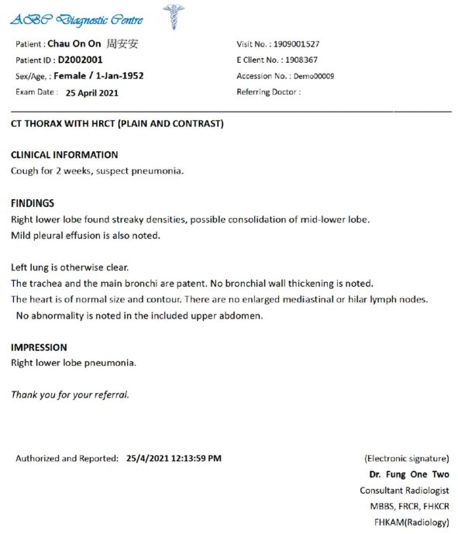
4 | Missing request healthcare provider |  | Part A |  |  | **Part A** 1. **Yes** – The title includes "CT THORAX WITH HRCT (PLAIN AND CONTRAST)" and the content contains radiology-specific sections like "FINDINGS" and "IMPRESSION," aligning with radiology standards. --- **Part B** 1. **Yes** – The title includes standard radiology terminology such as "CT" and "HRCT." 2. **Yes** – The document contains radiology report sections such as "FINDINGS" and "IMPRESSION." --- **Part C** 1. **Yes** – There is no indication of rotation or misordering in the provided text. 2. **Yes** – The text is legible and clearly presented. 3. **Yes** – It is a single-page report, so this criterion is automatically satisfied. 4. **Yes** – All expected elements are present and none appear to be missing. 5. **Yes** – The format and electronic signature suggest computer-generated content. 6. **Yes** – The structure follows a standard template with labeled sections. 7. **Yes** – It is a single-page report, so page numbers are not required for a “Yes” answer. --- **Part D** 1. **Yes** – Patient name, sex, DOB (as Age), and ID number are explicitly stated. 2. **No** – No performing institution name or logo is visible in the provided text. 3. **Yes** – The examination name "CT THORAX WITH HRCT (PLAIN AND CONTRAST)" is clearly stated. 4. **Yes** – Examination date "25 April 2021" is explicitly provided. 5. **Yes** – Reporter’s name "Dr. Fung One Two" is present. 6. **Yes** – Reported date "25/4/2021 12:13:59 PM" is explicitly provided. 7. **Yes** – Both "FINDINGS" and "IMPRESSION" sections are present with descriptive content. 8. **No** – The "Referring Doctor" field is present but no specific name is provided. | **Part A** 1. **Yes** – The document contains a title with "CT THORAX WITH HRCT" and includes radiology-specific sections like Findings and Impression, aligning with a radiology examination report. **Part B** 1. **Yes** – The title "CT THORAX WITH HRCT (PLAIN AND CONTRAST)" explicitly references radiological imaging techniques. 2. **Yes** – The content includes structured radiology sections such as FINDINGS and IMPRESSION, consistent with radiology reporting standards. **Part C** 1. **Yes** – All text appears upright and correctly oriented without evidence of rotation. 2. **Yes** – Text is legible and clearly OCR’d with no signs of blurring or unreadable sections. 3. **Yes** – Only one page is present; page numbering is consistent (Page 1). 4. **Yes** – Content appears complete with no visible truncation or missing sections. 5. **Yes** – The report displays uniform formatting and font typical of computer-generated documents. 6. **Yes** – The structure follows a standard template with labeled sections (e.g., Patient, FINDINGS, IMPRESSION). 7. **Yes** – As it is a single-page report, page numbers are not required for a "Yes" answer. **Part D** 1. **Yes** – Patient name (Chau On On 周安安), ID (D2002001), sex (Female), and DOB (1-Jan-1952) are all present. 2. **Yes** – Performing institution name "ABP Diagnostic Centre" is at the top of the document. 3. **Yes** – Examination name "CT THORAX WITH HRCT" is explicitly stated in the body. 4. **Yes** – Examination date "25 April 2021" is provided. 5. **Yes** – Reporter’s name "(Electronic signature) Dr. Fung One Two Consultant Radiologist" is included. 6. **Yes** – Reported date "25/4/2021 12:13:59 PM" is explicitly stated. 7. **Yes** – Both FINDINGS and IMPRESSION sections contain detailed clinical content. 8. **Yes** – Referring Doctor field is present, though unnamed; however, the label exists with a colon indicating intent to include a value.
 |  |  | 1. PDF report uploaded to correct domain | Yes | Yes

 |  |  | Part B
 |  |  | 1. Relevant PDF report title to Radiology Examination domain | Yes | Yes
 |  |  | 2. Relevant PDF report content to report title | Yes | Yes

 |  |  | Part C
 |  |  | 1. PDF report in right order and direction | Yes | Yes
 |  |  | 2. Clear PDF report | Yes | Yes
 |  |  | 3. Complete report - Page integrity | Yes | Yes
 |  |  | 4. Complete report - Document integrity | Yes | Yes
 |  |  | 5. Computer-generated report | Yes | Yes
 |  |  | 6. Report in template format | Yes | Yes
 |  |  | 7. With page number (for multiple pages) | Yes | Yes

 |  |  | Part D
 |  |  | 1. Patient demographics (Name, sex, DOB, HKID) | Yes | Yes
 |  |  | 2. Radiology examination - performing institution | Yes | No
 |  |  | 3. Radiology examination - name | Yes | Yes
 |  |  | 4. Radiology examination - date | Yes | Yes
 |  |  | 5. Reported name | Yes | Yes
 |  |  | 6. Reported date | Yes | Yes
 |  |  | 7. Findings / impression / conclusion | Yes | Yes
 |  |  | 8. Request healthcare provider | No | No

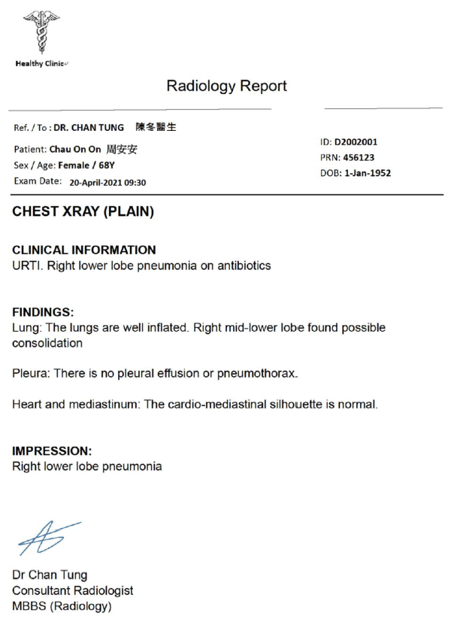
5 | Missing report date |  | Part A |  |  | **Part A** 1. **Yes** – The title includes "Radiology Report" and the content contains sections like Findings and Impression, aligning with radiology standards. **Part B** 1. **Yes** – The title includes "CHEST XRAY," which is a radiology-related term. 2. **Yes** – The content contains sections such as Findings, Impression, and clinical information typical of radiology reports. **Part C** 1. **Yes** – The report appears to be in the correct orientation with no indication of rotation or misordering. 2. **Yes** – The text is clear and legible. 3. **Yes** – As it is a single-page report, this criterion is automatically satisfied. 4. **Yes** – All expected content is present without any indication of missing data. 5. **Yes** – The format and font suggest it was generated using a computer. 6. **Yes** – The document follows a structured layout with labeled sections (e.g., FINDINGS, IMPRESSION). 7. **Yes** – It is a single-page report, so page numbers are not required for a "Yes" answer. **Part D** 1. **Yes** – Patient name, sex, age, ID number, and DOB are all provided. 2. **No** – There is no mention or logo of a performing institution in the headers. 3. **Yes** – The examination name is stated as "CHEST XRAY (PLAIN)." 4. **Yes** – The examination date is given as "20-April-2021 09:30." 5. **Yes** – The reporter’s name is listed as "Dr Chan Tung." 6. **No** – There is no explicit value for a reported date. 7. **Yes** – The Findings and Impression sections contain relevant diagnostic content. 8. **Yes** – The referring doctor is identified as "DR. CHAN TUNG 陳冬醫生." | **Part A** 1. **Yes** – The title is "Radiology Report" and the content includes sections like "FINDINGS" and "IMPRESSION," aligning with radiology standards. **Part B** 1. **Yes** – The title includes "CHEST XRAY (PLAIN)," which aligns with radiology terminology. 2. **Yes** – The content includes structured sections such as "FINDINGS" and "IMPRESSION," consistent with radiology reporting standards. **Part C** 1. **Yes** – The document shows a single page with normal orientation, no indication of rotation or misalignment. 2. **Yes** – Text is clear and legible based on OCR output. 3. **Yes** – Only one page is present; missing pages cannot be assessed. 4. **Yes** – All expected content appears to be present on the single page. 5. **Yes** – The text appears computer-generated with consistent font and spacing. 6. **Yes** – The layout follows a standard template format for radiology reports. 7. **Yes** – Single-page report; page numbers are not required for this determination. **Part D** 1. **Yes** – Patient name (Chau On On 周安安), sex (Female), age (68Y), and ID (D2002001) are all provided. 2. **Yes** – Institution name "Healthy Clinic" is present in the header. 3. **Yes** – Examination name "CHEST XRAY (PLAIN)" is explicitly stated. 4. **Yes** – Exam Date: "20-April-2021 09:30" is provided. 5. **Yes** – Reporter’s name "Dr Chan Tung Consultant Radiologist" is present. 6. **No** – No explicit reported date is listed separately from the exam date. 7. **Yes** – "FINDINGS" and "IMPRESSION" sections are present with medical content. 8. **Yes** – Referring doctor: "DR. CHAN TUNG 陳冬醫生" is specified.
 |  |  | 1. PDF report uploaded to correct domain | Yes | Yes

 |  |  | Part B
 |  |  | 1. Relevant PDF report title to Radiology Examination domain | Yes | Yes
 |  |  | 2. Relevant PDF report content to report title | Yes | Yes

 |  |  | Part C
 |  |  | 1. PDF report in right order and direction | Yes | Yes
 |  |  | 2. Clear PDF report | Yes | Yes
 |  |  | 3. Complete report - Page integrity | Yes | Yes
 |  |  | 4. Complete report - Document integrity | Yes | Yes
 |  |  | 5. Computer-generated report | Yes | Yes
 |  |  | 6. Report in template format | Yes | Yes
 |  |  | 7. With page number (for multiple pages) | Yes | Yes

 |  |  | Part D
 |  |  | 1. Patient demographics (Name, sex, DOB, HKID) | Yes | Yes
 |  |  | 2. Radiology examination - performing institution | Yes | No
 |  |  | 3. Radiology examination - name | Yes | Yes
 |  |  | 4. Radiology examination - date | Yes | Yes
 |  |  | 5. Reported name | Yes | Yes
 |  |  | 6. Reported date | No | No
 |  |  | 7. Findings / impression / conclusion | Yes | Yes
 |  |  | 8. Request healthcare provider | Yes | Yes

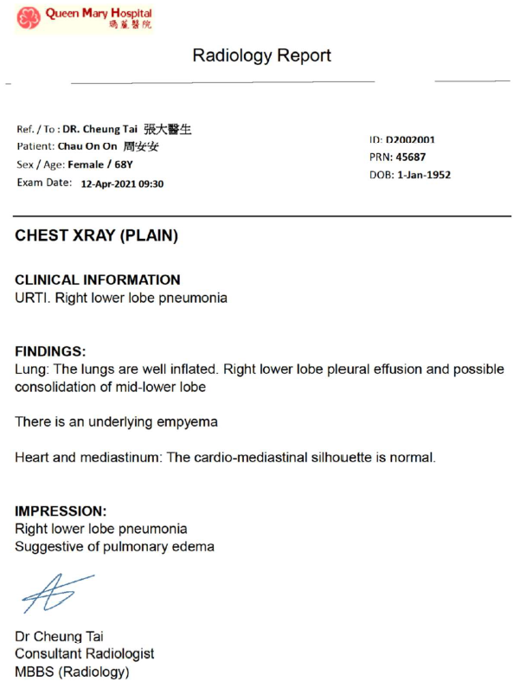
6 | Missing report date |  | Part A |  |  | **Part A** 1. **Yes** – The title includes "Radiology Report" and the content contains sections like "FINDINGS" and "IMPRESSION," aligning with radiology standards. --- **Part B** 1. **Yes** – The title includes "CHEST XRAY," which is a radiology-related term. 2. **Yes** – The content includes sections such as "FINDINGS" and "IMPRESSION," consistent with radiology reports. --- **Part C** 1. **Yes** – The document appears to be oriented correctly without any indication of rotation or misordering. 2. **Yes** – The text is clear and legible. 3. **Yes** – Only one page is present, so no missing pages. 4. **Yes** – All labeled sections are complete and contain information. 5. **Yes** – The format and font suggest it was generated digitally. 6. **Yes** – It follows a structured template with standard radiology report sections. 7. **Yes** – Single-page report, so page numbers are not required for a “Yes” answer. --- **Part D** 1. **Yes** – Patient name, ID, sex, age, and DOB are all provided. 2. **No** – No institution name or logo is visible in the provided text. 3. **Yes** – The examination name "CHEST XRAY (PLAIN)" is stated. 4. **Yes** – The examination date "12-Apr-2021 09:30" is provided. 5. **Yes** – The reporter’s name "Dr Cheung Tai" is present. 6. **No** – There is no stated reported date. 7. **Yes** – Both "FINDINGS" and "IMPRESSION" sections have content. 8. **Yes** – The referring doctor's name "DR. Cheung Tai" is listed. | **Part A** 1. **Yes** – The title includes "Radiology Report" and content contains sections like "FINDINGS" and "IMPRESSION," aligning with radiology standards. **Part B** 1. **Yes** – The title includes terms like "CHEST XRAY (PLAIN)" which align with radiology. 2. **Yes** – The content includes sections such as "FINDINGS" and "IMPRESSION" consistent with radiology reports. **Part C** 1. **Yes** – The document has only one page, so order/direction is not an issue. 2. **Yes** – Text appears clear and legible throughout the report. 3. **Yes** – As it's a single-page document, there are no missing pages. 4. **Yes** – All expected content is present without indication of missing information. 5. **Yes** – The text appears to be computer-generated based on uniformity and OCR results. 6. **Yes** – The layout follows a structured template format typical for medical reports. 7. **Yes** – Single-page report; page numbers are not required for this case. **Part D** 1. **Yes** – Patient name, sex, DOB, and ID number are all explicitly provided. 2. **Yes** – Institution name "Queen Mary Hospital 瑪藍醫院" is present in the header. 3. **Yes** – Examination name "CHEST XRAY (PLAIN)" is clearly stated. 4. **Yes** – Examination date "12-Apr-2021 09:30" is explicitly mentioned. 5. **Yes** – Reporter’s name "Dr Cheung Tai" is provided. 6. **No** – There is no explicit value given for a reported date. 7. **Yes** – Content under "FINDINGS" and "IMPRESSION" sections is present. 8. **Yes** – Requesting healthcare provider/referring doctor "DR. Cheung Tai 張大醫生" is specified.
 |  |  | 1. PDF report uploaded to correct domain | Yes | Yes

 |  |  | Part B
 |  |  | 1. Relevant PDF report title to Radiology Examination domain | Yes | Yes
 |  |  | 2. Relevant PDF report content to report title | Yes | Yes

 |  |  | Part C
 |  |  | 1. PDF report in right order and direction | Yes | Yes
 |  |  | 2. Clear PDF report | Yes | Yes
 |  |  | 3. Complete report - Page integrity | Yes | Yes
 |  |  | 4. Complete report - Document integrity | Yes | Yes
 |  |  | 5. Computer-generated report | Yes | Yes
 |  |  | 6. Report in template format | Yes | Yes
 |  |  | 7. With page number (for multiple pages) | Yes | Yes

 |  |  | Part D
 |  |  | 1. Patient demographics (Name, sex, DOB, HKID) | Yes | Yes
 |  |  | 2. Radiology examination - performing institution | Yes | No
 |  |  | 3. Radiology examination - name | Yes | Yes
 |  |  | 4. Radiology examination - date | Yes | Yes
 |  |  | 5. Reported name | Yes | Yes
 |  |  | 6. Reported date | No | No
 |  |  | 7. Findings / impression / conclusion | Yes | Yes
 |  |  | 8. Request healthcare provider | Yes | Yes

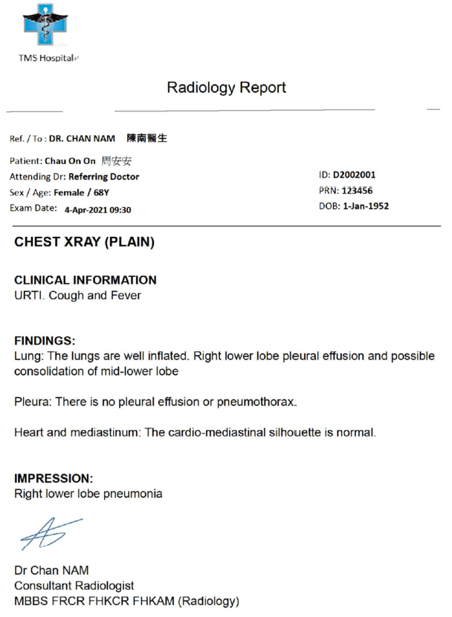
7 | Missing report date |  | Part A |  |  | **Part A** 1. **Yes** – The title states "Radiology Report" and the content includes sections like Findings and Impression, aligning with radiology standards. **Part B** 1. **Yes** – The title includes "CHEST XRAY," which is a radiology-related term. 2. **Yes** – The content contains sections such as FINDINGS and IMPRESSION, consistent with radiology reports. **Part C** 1. **Yes** – There is no indication of rotation or misalignment in page orientation. 2. **Yes** – The text is clear and legible. 3. **Yes** – The document appears to be a single page and does not indicate missing pages. 4. **Yes** – All expected content is visible and complete. 5. **Yes** – The report exhibits characteristics of computer-generated formatting. 6. **Yes** – The structure follows a standard radiology report template. 7. **Yes** – It is a single-page report, so page numbers are not required for a "Yes" answer. **Part D** 1. **Yes** – Patient name, sex, age, and ID number are explicitly provided. 2. **No** – No performing institution name or logo is visible in the header. 3. **Yes** – The examination name "CHEST XRAY (PLAIN)" is clearly stated. 4. **Yes** – Examination date "4-Apr-2021 09:30" is provided. 5. **Yes** – Reporter’s name "Dr Chan NAM" is present. 6. **No** – Reported date is not explicitly mentioned. 7. **Yes** – The Findings and Impression sections contain diagnostic content. 8. **Yes** – Referring doctor name "DR. CHAN NAM" is listed. | ### Part A 1. **Yes** – The title includes "Radiology Report" and content contains sections like "Findings" and "Impression," aligning with radiology standards. ### Part B 1. **Yes** – The title includes terms such as "CHEST XRAY" and "Radiology Report," aligning with radiology terminology. 2. **Yes** – The content contains standard radiology sections including "FINDINGS" and "IMPRESSION," indicating consistency with radiology reports. ### Part C 1. **Yes** – The document appears correctly oriented without evidence of rotation. 2. **Yes** – Text is legible throughout the document, with no unclear or blurry sections. 3. **Yes** – As a single-page report, missing pages are not applicable. 4. **Yes** – All labeled sections appear to be fully present without noticeable omissions. 5. **Yes** – The text format, layout, and consistent font indicate computer-generated content. 6. **Yes** – The structure follows a standard radiology report template with clearly labeled sections. 7. **Yes** – Single-page report; page numbers are not required for this case. ### Part D 1. **Yes** – Patient name (Chau On On 周安安), sex (Female), DOB (1-Jan-1952), and ID (D2002001) are explicitly provided. 2. **Yes** – Institution name "TMS Hospital+" is present in the header. 3. **Yes** – Examination name "CHEST XRAY (PLAIN)" is stated in the title section. 4. **Yes** – Examination date "4-Apr-2021 09:30" is provided under "Exam Date." 5. **Yes** – Reporter’s name "Dr Chan NAM" is included at the end of the report. 6. **No** – There is no explicit value for a reported date in the document. 7. **Yes** – Findings and Impression sections are present and contain diagnostic details. 8. **Yes** – Referring doctor name "DR. CHAN NAM" is listed under "Ref. / To."
 |  |  | 1. PDF report uploaded to correct domain | Yes | Yes

 |  |  | Part B
 |  |  | 1. Relevant PDF report title to Radiology Examination domain | Yes | Yes
 |  |  | 2. Relevant PDF report content to report title | Yes | Yes

 |  |  | Part C
 |  |  | 1. PDF report in right order and direction | Yes | Yes
 |  |  | 2. Clear PDF report | Yes | Yes
 |  |  | 3. Complete report - Page integrity | Yes | Yes
 |  |  | 4. Complete report - Document integrity | Yes | Yes
 |  |  | 5. Computer-generated report | Yes | Yes
 |  |  | 6. Report in template format | Yes | Yes
 |  |  | 7. With page number (for multiple pages) | Yes | Yes

 |  |  | Part D
 |  |  | 1. Patient demographics (Name, sex, DOB, HKID) | Yes | Yes
 |  |  | 2. Radiology examination - performing institution | Yes | No
 |  |  | 3. Radiology examination - name | Yes | Yes
 |  |  | 4. Radiology examination - date | Yes | Yes
 |  |  | 5. Reported name | Yes | Yes
 |  |  | 6. Reported date | No | No
 |  |  | 7. Findings / impression / conclusion | Yes | Yes
 |  |  | 8. Request healthcare provider | Yes | Yes

