Sheet1
商品名称 | 商品品牌 | 商品分类 | 商品价格 | 商品库存 | 商品状态（1上架、0下架） | 商品属性 属性名:属性值|附加值|库存 | 商品列表图（140*140） | 商品banner(可多图375*375) | 商品详细信息 （需在后台使用网页编辑器编辑）
Leica/徕卡 M系列Typ240 | Leica/徕卡 | 数码 | 48340 | 45 | 1 | 颜色:黑|0|1200* 套餐:标配|0|124& 套餐一|500|2145& 套餐二|100|235 | 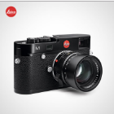 | 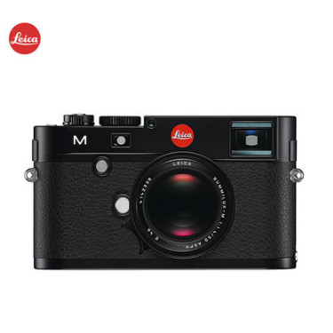 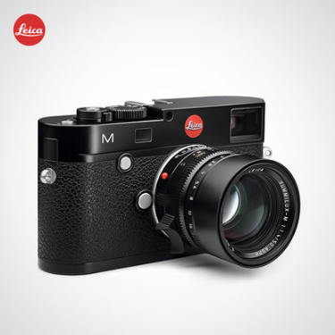 | <div id="description" class="J_DetailSection tshop-psm tshop-psm-bdetaildes"> <h4 class="hd">商品详情</h4> <div class="content ke-post" style="height: auto;"><p><a href="https://detail.tmall.com/item.htm?id=539963894441&amp;sku_properties=5919063:6536025" target="_blank"><img align="absmiddle" src="https://img.alicdn.com/imgextra/i2/2874484355/TB2OdpXXYVkpuFjSspcXXbSMVXa_!!2874484355.jpg" class="img-ks-lazyload"></a></p> <p><img align="absmiddle" src="https://img.alicdn.com/imgextra/i4/2874484355/TB259MnXgGI.eBjSspbXXcWoVXa_!!2874484355.jpg" class="img-ks-lazyload"><img align="absmiddle" src="https://img.alicdn.com/imgextra/i3/2874484355/TB2wckNXk5M.eBjSZFrXXXPgVXa_!!2874484355.jpg" class="img-ks-lazyload"><img align="absmiddle" src="https://img.alicdn.com/imgextra/i2/2874484355/TB2n6ALXo5O.eBjSZFxXXaaJFXa_!!2874484355.jpg" class="img-ks-lazyload"><img align="absmiddle" src="https://img.alicdn.com/imgextra/i3/2874484355/TB2WScmXheI.eBjSsplXXX6GFXa_!!2874484355.jpg" class="img-ks-lazyload"><img align="absmiddle" src="https://img.alicdn.com/imgextra/i3/2874484355/TB2dYMnXmuJ.eBjy0FgXXXBBXXa_!!2874484355.jpg" class="img-ks-lazyload"><img align="absmiddle" src="https://img.alicdn.com/imgextra/i3/2874484355/TB2rG.oXbOJ.eBjy1XaXXbNupXa_!!2874484355.jpg" class="img-ks-lazyload"><img align="absmiddle" src="https://img.alicdn.com/imgextra/i4/2874484355/TB23fQnXg9J.eBjSspeXXXKWpXa_!!2874484355.jpg" class="img-ks-lazyload"><img align="absmiddle" src="https://img.alicdn.com/imgextra/i4/2874484355/TB2xUQoXhuI.eBjy0FdXXXgbVXa_!!2874484355.jpg" class="img-ks-lazyload"><img align="absmiddle" src="//img-tmdetail.alicdn.com/tps/i3/T1BYd_XwFcXXb9RTPq-90-90.png" data-ks-lazyload="https://img.alicdn.com/imgextra/i4/2874484355/TB2xTglXb1K.eBjSsphXXcJOXXa_!!2874484355.jpg"><img align="absmiddle" src="//img-tmdetail.alicdn.com/tps/i3/T1BYd_XwFcXXb9RTPq-90-90.png" data-ks-lazyload="https://img.alicdn.com/imgextra/i3/2874484355/TB2qfUoXl9J.eBjy0FoXXXyvpXa_!!2874484355.jpg"><img align="a
Apple/苹果 iPhone 7 全网通4G智能手机 原封国行 | Apple/苹果 | 数码 | 5609 | 244 | 1 | 机身颜色:黑色|200|1200& 银色|-50|147* 存储容量:32G|0|1245& 64G|500|2145* 版本:iPhone7|0|80& iPhone7 Plus|2000|120* 网络类型:中国移动定制|-300|65& 无需合约版|0|5356 | 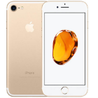 | 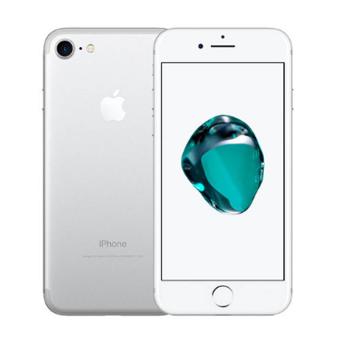 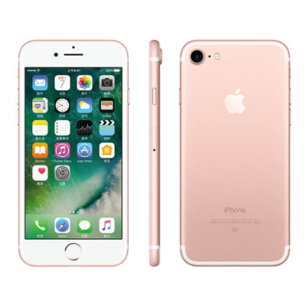 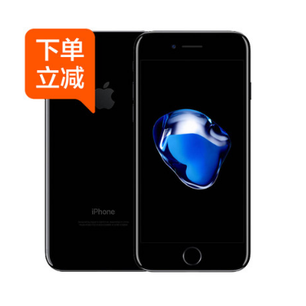 | <div class="content ke-post" style="height: auto;"><p><a href="https://suning.tmall.com/p/rd421910.htm" target="_blank"></a><a href="https://suning.tmall.com/p/rd421910.htm" target="_blank"></a></p> <p><a href="https://detail.tmall.com/item.htm?id=540002439869&amp;spm=0.0.0.0.qHknmg&amp;skuId=3237259548914" target="_blank"><img align="absmiddle" src="https://img.alicdn.com/imgextra/i3/2616970884/TB2qAYvaxXlpuFjSsphXXbJOXXa-2616970884.jpg" class="img-ks-lazyload"></a></p> <p><a href="https://suning.tmall.com/p/rd421910.htm" style="line-height: 1.5;" target="_blank"><img align="absmiddle" src="https://img.alicdn.com/imgextra/i2/2616970884/TB270qxaH1J.eBjy1zeXXX9kVXa-2616970884.jpg" class="img-ks-lazyload"></a><img align="absmiddle" src="https://img.alicdn.com/imgextra/i4/2616970884/TB2fmiublyN.eBjSZFkXXb8YFXa-2616970884.jpg" style="line-height: 1.5;" class="img-ks-lazyload"><img align="absmiddle" src="https://img.alicdn.com/imgextra/i3/2616970884/TB2MgcXXheI.eBjSsplXXX6GFXa-2616970884.jpg" style="line-height: 1.5;" class="img-ks-lazyload"><img align="absmiddle" src="https://img.alicdn.com/imgextra/i4/2616970884/TB2E3D_XoHB11BjSspeXXan0FXa-2616970884.jpg" style="line-height: 1.5;" class="img-ks-lazyload"><img align="absmiddle" src="https://img.alicdn.com/imgextra/i1/2616970884/TB2Q5ZXXmjz11Bjy0FnXXcnxXXa-2616970884.jpg" style="line-height: 1.5;" class="img-ks-lazyload"><img align="absmiddle" src="https://img.alicdn.com/imgextra/i3/2616970884/TB2c6UXXi2A11Bjy0FdXXbPwVXa-2616970884.jpg" style="line-height: 1.5;" class="img-ks-lazyload"><img align="absmiddle" src="https://img.alicdn.com/imgextra/i3/2616970884/TB21pkXXevB11BjSspnXXbE.pXa-2616970884.jpg" style="line-height: 1.5;" class="img-ks-lazyload"><img align="absmiddle" src="https://img.alicdn.com/imgextra/i2/2616970884/TB2HC2_XkTB11BjSspbXXbhcVXa-2616970884.jpg" style="line-height: 1.5;" class="img-ks-lazyload"><img align="absmiddle" src="https://img.alicdn.com/imgextra/i4/2616970884/TB2fz3XXoTz11Bjy0FlXXX5BpXa-26169

