Investment in tech
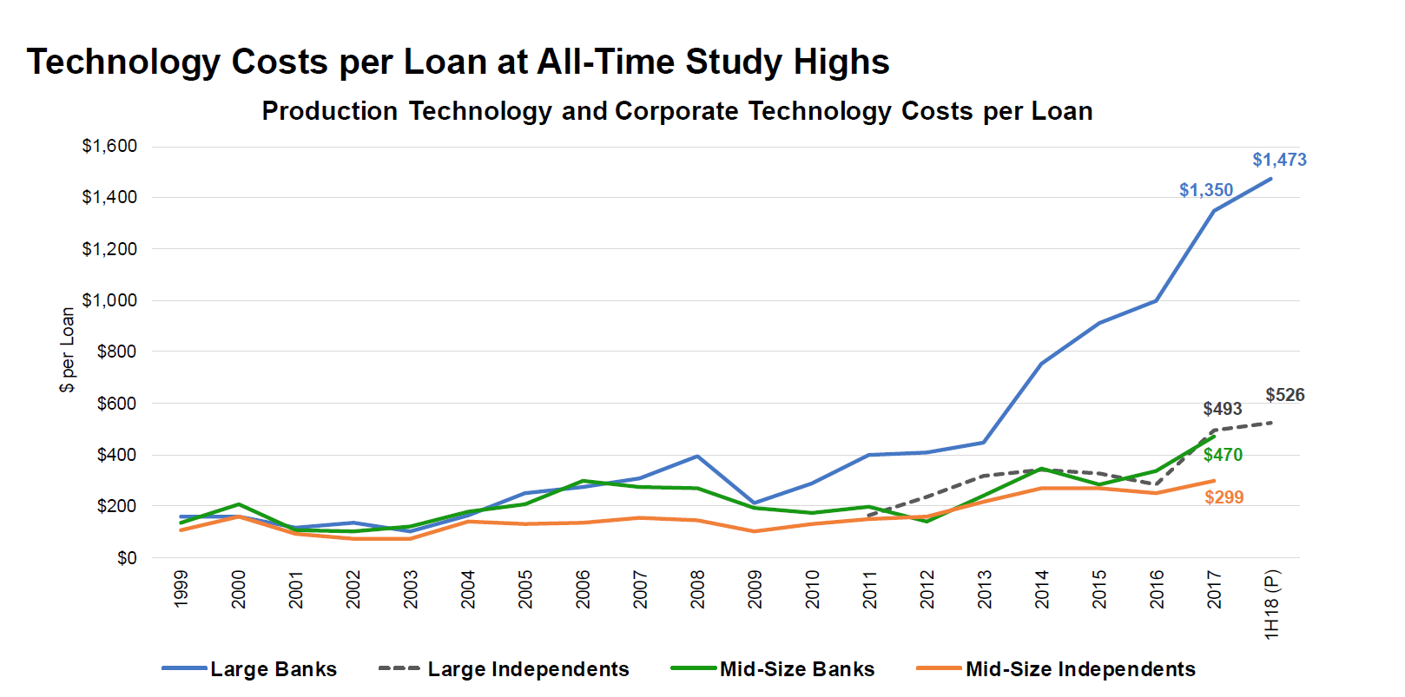
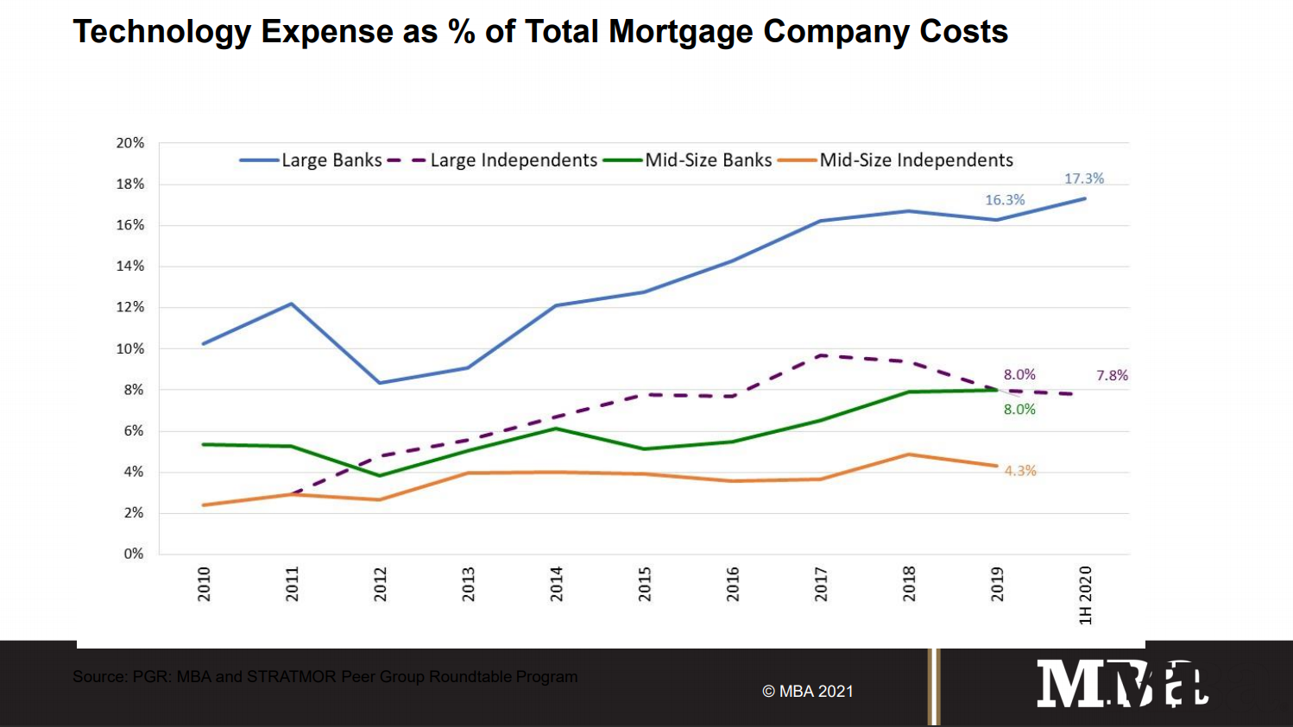
 | Tech Expense as % of Total Company-Wide Cost | Total Cost/Loan | $Tech related expenses/Loan | Avg Production Rev/Loan | Tech Expense as % of Production Rev | Avg Loan Size | Tech Expense as % Loan Volume
Large IMB | 0.0780 | $7,578.00 | $591.08 | $11,780.00 | 0.0502 | $270,000 | 0.00219 | 15,959,268
Medium IMB | 0.0430 | $7,578.00 | $325.85 | $11,780.00 | 0.0277 | $270,000 | 0.00121 | 8,798,058
 | 4.3%-7.8% |  |  |  |  | This is the industry avg loan size. Plaza is $274,330
 | 45% | Large spends 45% more than Medium IMBs
 |  | In 2016, MBA used 15B+ in origination volume, those companies same companies today (list them…) are doing xxx% in volume |  |  |  |  |  |  | Mortgage Banks Report 2020 Financials Shattered Last Years Records (mortgagenewsdaily.com)
 |  | $7578 number is the total production cost/loan for all lenders in 2020 |  |  |  |  |  |  | https://www.mba.org/Documents/2018%20MBA%20Annual%20-%20Mortgage%20Market%20Update%2010-16-18.pdf
 |  | $5272 is the toal personnel expense in 2020 |  |  |  |  |  |  | Mortgage Lending's Tech Investment: Will it Pay Off? - Qualia Insight
 |  |  |  |  |  |  |  |  | Impact of Technology Spend on the Mortgage Industry - Qualia Insight
 |  | $8278 is the total production cost/loan for all lenders in 2018 |  |  |  |  |  |  | MBA Chart of the Week: Monthly Underwriter Productivity for Retail Production Channel - MBA Newslink
 |  | According to MBA Quarterly Report for Q1 2018:
 |  | For Retail: | For Wholesale:
Personnel Cost |  | $6,362 | $2,673
 | Sales | $2,724 | $723
 | Production/support | $3,638 | $1,950
Total Loan Production Expense |  | $9,564 | $4,438

 |  | We know that loan production cost went down from 2018 to 2020.

 |  | The $250 number was 10% of peronnel cost of wholesale lenders ($2500-3000)
 |  | 5k-6k number is personnel cost per loan for all lenders - it went down from 2018 so it's probably below 6k

 |  | I think tech cost per loan account for all tech expense. No indication to object otherwise
 |  | We have $/loan in 2018, and % of Total Expense in 2020
 |  | We are missing two things:
 |  | avg # of loans for large and midsized IMBs in 2018 vs 2020 (no way to know the number since we don't know who's surveyed)
 |  | avg total cost of company for large and mid IMBs 2018-2020 (again no way to know cuz we don't know who's surveyed

