Sheet1
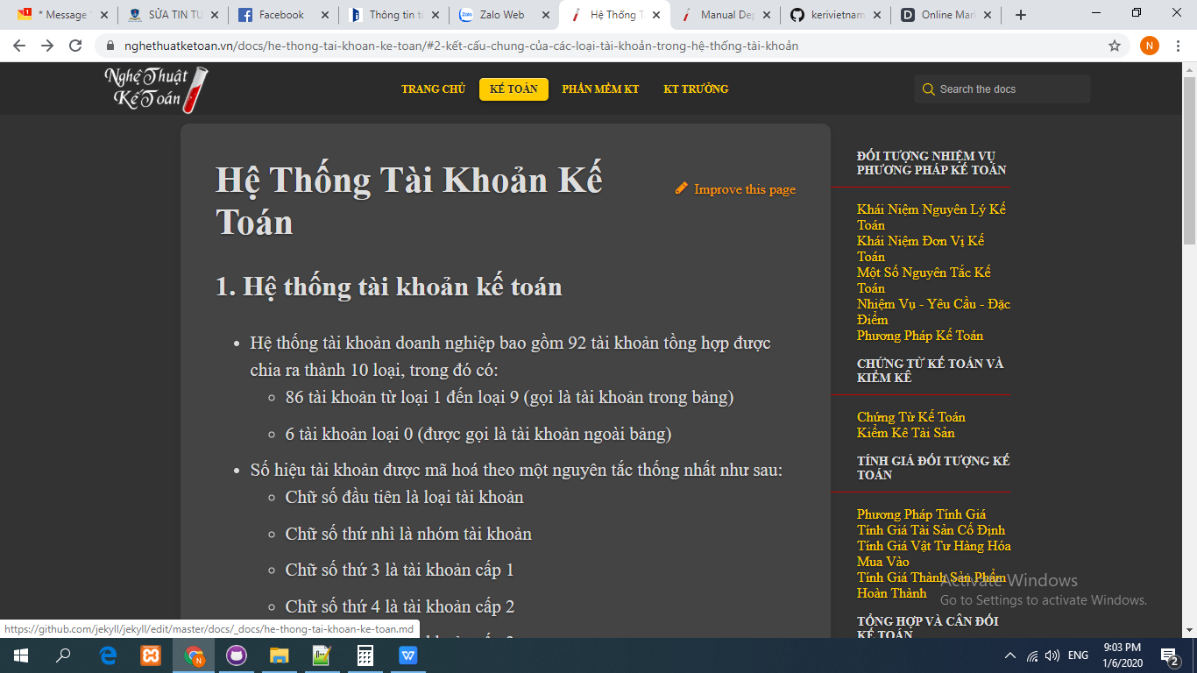

"/docs/deployment-methods/index.html"

