QT_AS
견 적 서

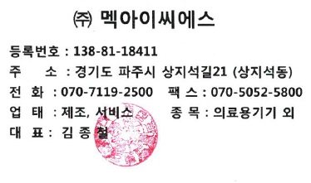
貴下
번 호 | WC11-25-H008 | 0 | ㈜멕아이씨에스
날 짜 | 2025-08-13 |  | 등록번호 : 138-81-18411
 |  |  | 주소 : 경기도 파주시 상지석길21(상지석동)
고객명 | ㈜ DH메디칼 |  | 전화 : 070 7119 2510
원정(세액포함)
 |  |  | 팩스 : 070 5052 5800
일 금 | 700000 |  | 업태 : 제조.서비스 종목 : 의료용기기외
금 액 | ₩700,000 |  | 대표 : 김 종 철

아래와 같이 계산 합니다.
품 명 및 규 격 |  | 수 량 | 단 가 | 금 액 | 비 고
1 | LCD TFT 15inch, 1024x768, MV2000 EVO5 | 1 | ₩500,000 | ₩500,000 | 터치 잘 안됨
2 | Touch Panel 15inch | 1 | ₩200,000 | ₩200,000 | 터치 잘 안됨

 | 합 계 | 2 | ₩700,000 |  | (부가세포함)
특이사항 | WC11-25-H008-디에이치메디칼_단국대병원_MV2000 터치 잘 안됨 |  | 결재 계좌 정보
 |  |  | 거래은행 : 중소기업은행
 |  |  | 계좌번호 : 688-015832-04-015
 |  |  | 예금주 : ㈜멕아이씨에스

구매자 | 이동현 대표님 |  | 담당자 | 정 찬 용
결제조건 | 신용 |  | 연락처 | 010-2598-8021

