견적서양식_국내
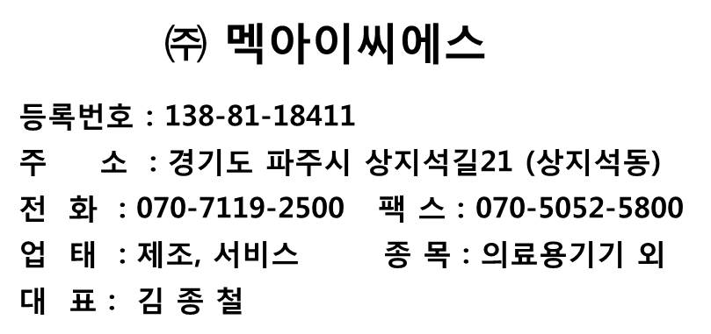
견 적 서 |  |  |  |  |  |  |  |  | 수신 : |  | 메디라인 메디칼 / 김우식 주임님 |  | 발행일 : | 2017.12.20
 |  |  |  |  |  |  |  |  | 문의 하신 내용에 대하여, 다음과 같이 견적합니다. |  |  |  | 구분 |  | S | GOLD | SILVER | BRONZE | DISTRIBUTOR | List Price | 쉬트 비번 : 2500
문서번호 |  |  | MP250507-001 |  |  |  |  |  | 발주처 특별 요구 사항 : |  |  |  | 문서 번호
발행일자 |  |  | $(issue_date) |  |  |  |  |  |  |  |  |  | PI-171220-1
貴下
 |  |  |  |  |  |  |  |  | 배송 도착지
고객명 |  |  | $(customer_name) |  |  |  |  |  | 거래 조건
 |  |  | $(customer_mgr) |  |  |  |  |  | 납기 |  | 입금 후 30일 이내 발송 | 운송 |  | 택배 배송
원정(세액포함)
일 금 |  |  | 19800000 |  |  |  |  |  | 포장 |  | 제품 박스 + 비닐 포장 | 운반비 |  | 발송자 부담 |  | start Col | 18 | : 국내,해외 가격의 시작column
금 액 |  |  | ₩19,800,000 |  |  |  |  |  | 지불조건 |  | 제품 발송전 전액입금/ 구매승인서 발행 | 견적 유효기간 |  | 30일 |  | index | MOQ Review
 |  |  |  |  |  |  |  |  | 입금계좌번호 |  | 기업은행 688 015832 04 015 | 예금주 |  | ㈜멕아이씨에스
' 문의 하신 내용에 대하여, 다음과 같이 견적 합니다. |  |  |  |  |  |  |  | < 정책 MIN. PRICE 체크 구간 > |  |  |  |  |  |  |  | < 정책가 수식 참조 구간 >
No. | 품목 내역 |  |  | 수량 | 단위 | 단 가 | 합 계 | NO | ID No | Order Code | Description ( ERP CODE ) | Q'ty | Unit price |  | Amount | 0.850 | Price | DisCount Q'ty | Min Price | MOQ
 | Multi-Functional Non-Invasice Respiratory Device |  |  |  |  |  | VAT포함 |  |  |  |  |  |  |  |  | 19
 | Model: OmniOx HFT750
 | Power: 110 ~ 240 VAC, 50 ~ 60Hz

1 |  | OmniOx HFT750 Main device with standard accessories |  | 2 | set | ₩9,900,000 | ₩19,800,000 | 1 |  |  |  | 2 | 주문량부족 |  | ₩-
 |  | 5.0" Touch Screen TFT Color LCD
 |  | (HF, CPAP, S/T(Bi-Level))

 |  | [ ACC 및 구성]
 |  | 1 x | Humidifier Heated Cable | 2 |  |  |  |  |  |  |  | 2 | 주문량부족 |  | ₩-
 |  | 1 x | SPO2 Reusable Sensor | 2 |  |  |  |  |  |  |  | 2 | 주문량부족 |  | ₩-
 |  | 1 x | Cable Spo2 Extension 1.5m for HFT System | 2 |  |  |  |  |  |  |  | 2 | 주문량부족 |  | ₩-
 |  | 4 x | Air intake Filter | 2 |  |  |  |  |  |  |  | 2 | 주문량부족 |  | ₩-
 |  | 1 x | High Presssure O2 Hose, Green | 2 |  |  |  |  |  |  |  | 2 | 주문량부족 |  | ₩-
 |  | 1 x | Internal Li-ion Battery | 2 |  |  |  |  |  |  |  | 2 | 주문량부족 |  | ₩-
 |  | 1 x | HFT750 Cart | 2 |  |  |  |  |  |  |  | 2 | 주문량부족 |  | ₩-
 |  | 1 x | O2 Hose Adaptor | 2 |  |  |  |  |  |  |  | 2 | 주문량부족 |  | ₩-
 |  | 1 x | TSF (Target Spo2 Feedback Controlled by FIO2) | 2 |  |  |  |  |  |  |  | 2 | 주문량부족 |  | ₩-

소 계 |  |  |  |  |  |  |  |  |  |  | 소 계 |  | ₩- |  |  | 정책가 승인 여부 | 승인
* 본 견적의 유효기간은 1개월 입니다. |  |  |  |  |  |  |  |  |  |  | 부가세 |  | ₩-
* 워런티기간 3년 (단, 소모성 품목은 제외) |  |  |  |  |  | 총합계 | ₩19,800,000 |  |  |  | 총합계 |  | ₩-
 |  |  |  |  |  |  | < 부가세 포함 >
납기일 |  | 협의 |  | 발신 |  | ㈜멕아이씨에스
지불조건 |  | 협의 |  | 담당자 |  | $(MEKICS_EMP_NAME)
입금계좌 |  | 기업은행 688 015832 04 015 / 예금주 (주)멕아이씨에스 |  | 연락처 |  | $(MEKICS_EMP_PHONE_NUM)
주소 : 경기도 파주시 상지석길 21 (우) 10911 TEL : +82-70-7119-2500 FAX : +82 70 5052 5800 / E-mal : sales@mek-ics.com

거래명세서_국내
거래명세서

문서번호 |  |  | MP180208-001
발행일자 |  |  | 2018-02-08
貴下
고객명

' 발주 품목에 대하여 다음과 같이 합니다.
No. | 품목 내역 |  |  | 수 량 | 단위 | 단가 | 합계
 | High flow therapy
 | Model: HFT500
 | Power: 220V 60Hz

1 | MH0007_00 | HFT500 main body with standard accessories |  | 1 | set
 |  | 4.3" Touch Screen TFT Color LCD
 |  | ( HFNC, CPAP, S/T(BIPAP) )

 | < Standard accessories >
 | AR0039_00 | 1 x | High pressure O2 Hose with diss(single), Green
 | PG0036_00 | 1 x | Temperature adaptor for HFT500
 | PG0035_00 | 1 x | Single Heatwire adaptor for HFT500
 | AC0007_00 | 1 x | SPO2 Finger sensor for adult, reusable
 | AC0145_00 | 1 x | SPO2 Extension cable
 | AC0127_00 | 1 x | Power code
 | AS0253_01 | 1 x | Operation Manual (EN)

 | < Option >
2 | PG0086_05 | Mobile cart for HFT500 |  |  | set
3 | PG0087_00 | IV Pole for HFT500 cart |  |  | ea

소 계

< 확인 란 >
납품 방법 |  |  |  | 일자
제조번호 |  |  |  | 인계자
비고 |  |  |  | 인수 확인 |  |  |  | 삽입 검토
주소 : 경기도 파주시 상지석길 21 (우) 10911 TEL : +82-70-7119-2500 FAX : +82 70 5052 5800 / E-mal : sales@mek-ics.com
 |  |  |  |  |  |  |  | 택배 수령시 인수 확인란 싸인 후 팩스 및 파일(e-mail) 전송 바랍니다.

