observation
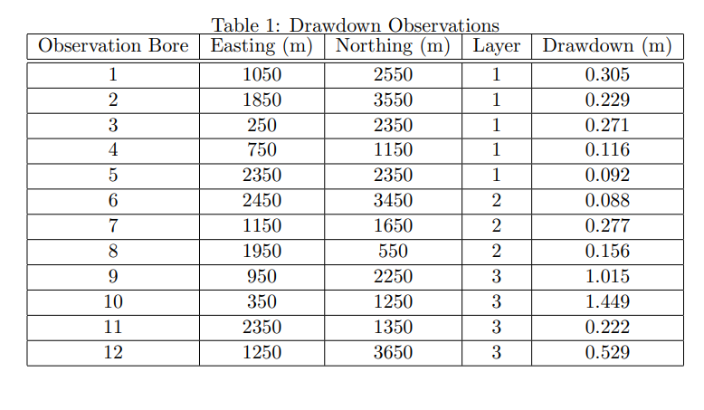
id | x | y | z | drawdown
OBS1 | 1050 | 2550 | -40 | 0.305
OBS2 | 1850 | 3550 | -35 | 0.229
OBS3 | 250 | 2350 | -45 | 0.271
OBS4 | 750 | 1150 | -45 | 0.116
OBS5 | 2350 | 2350 | -10 | 0.092
OBS6 | 2450 | 3450 | -80 | 0.088
OBS7 | 1150 | 1650 | -90 | 0.277
OBS8 | 1950 | 550 | -65 | 0.156
OBS9 | 950 | 2250 | -120 | 1.015
OBS10 | 350 | 1250 | -190 | 1.449
OBS11 | 2350 | 1350 | -150 | 0.222
OBS12 | 1250 | 3650 | -175 | 0.52

