Sheet1
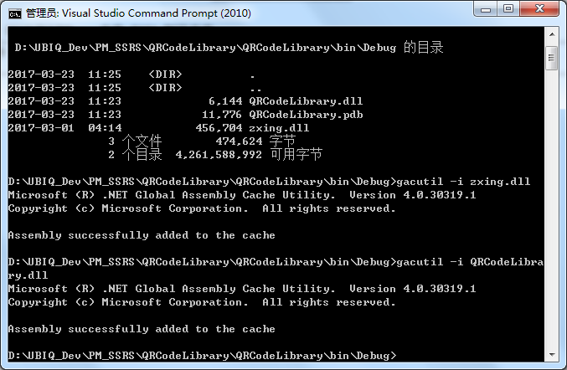
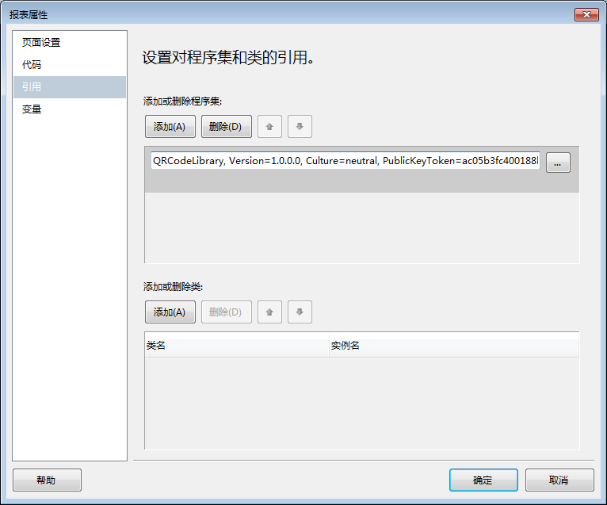
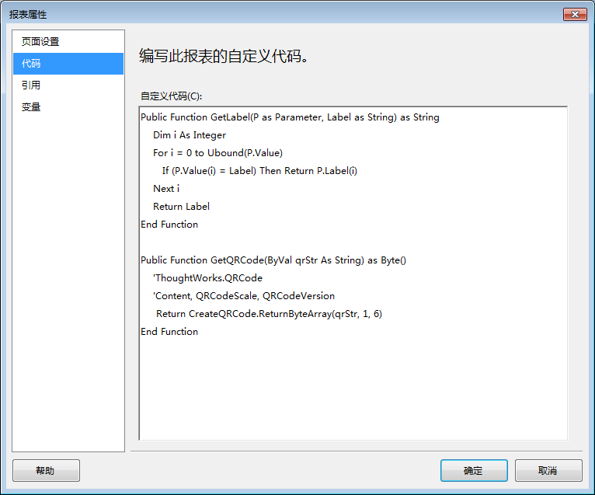
PM SSRS开发步骤
一、基本SQL脚本作成
 | 基本SQL脚本由对应的PM系统中的账票SQL整理而成。
 | 整理时要充分考虑PM账票画面中的检索条件。
 | 最终SQL脚本文件保存于\PM_SSRS_SQL目录下
--発注計画一覧表SQL(PurPORlseRpt)
DECLARE @BUYER_CD VARCHAR(10),
@SCH_ID VARCHAR(10),
@VENDOR_CD VARCHAR(10),
@SCH_START_DATE INT,
@JOC_CD VARCHAR(20),
@CATG_CD VARCHAR(10),
@PO_AMT DECIMAL(12,2),--金額
@AMT_SCOPE CHAR(1) --0.まで 1.以上
SET @BUYER_CD=''
SET @SCH_ID=''
SET @VENDOR_CD=''
SET @SCH_START_DATE=0
SET @JOC_CD=''
SET @CATG_CD=''
SET @PO_AMT=1500
SET @AMT_SCOPE='0'
SELECT
PO.SCH_START_DATE,
PO.BUYER_CD,S_BUYER_NAME.DATA_CHAR BUYER_NAME,PO.SCH_ID,S_SCH_NAME.DATA_CHAR SCH_NAME,
PO.ORDER_NO,PO.ITEM_NO,PO.ITEM_DESC,PO.PO_QTY,S_PUMSR_NAME.DATA_CHAR PUMSR_NAME,
PO.VENDOR_CD, VM.VENDOR_NAME, ISNULL(CASE PPM.COM_PRC_FLAG
WHEN 1 THEN PPM.TENTATIVE_PRC WHEN 0 THEN PPM.ACT_PRC END,0) PRICE,
(PO.PO_QTY * ISNULL(CASE PPM.COM_PRC_FLAG WHEN 1 THEN PPM.TENTATIVE_PRC
WHEN 0 THEN PPM.ACT_PRC END,0)) PO_AMT,
S_CUR_NAME2.DATA_CHAR PO_CUR,S_BASE_CUR.DATA_DEC3 CUR_RATIO,PO.PO_DUE_DATE,
(PO.PO_QTY * ISNULL(CASE PPM.COM_PRC_FLAG WHEN 1 THEN PPM.TENTATIVE_PRC
WHEN 0 THEN PPM.ACT_PRC END,0) * S_BASE_CUR.DATA_DEC3) BASE_AMT
,ISNULL(CASE WHEN ISNULL(S_CUR_NAME2.DATA_CHAR,'' )='' THEN S_BASE_CUR.DATA_DEC ELSE S_CUR_NAME2.DATA_DEC END,0) PRC_DEC
,ISNULL(CASE WHEN ISNULL(S_CUR_NAME2.DATA_CHAR,'' )='' THEN S_BASE_CUR.DATA_DEC2 ELSE S_CUR_NAME2.DATA_DEC2 END,0) AMT_DEC
FROM PLANNED_ORDER PO
INNER JOIN ITEM_MASTER IM ON PO.ITEM_NO = IM.ITEM_NO
LEFT OUTER JOIN PURCHASE_PRICE_MASTER PPM1 ON PO.ITEM_NO = PPM1.ITEM_NO
AND PO.VENDOR_CD = PPM1.VENDOR_CD AND PO.WS_CD = CASE WHEN PPM1.WS_CD = '*' THEN '' ELSE PPM1.WS_CD END
AND PO.PROCESS_CD = PPM1.PROCESS_CD
AND PO.SCH_START_DATE >= PPM1.BEG_EFF_DATE
AND PO.SCH_START_DATE <= PPM1.END_EFF_DATE
AND PPM1.UNIT_PRC_BASE = 0 --0: 発注日単価採用
AND PPM1.PRC_LOT_SIZE =dbo.FUNC_GET_PRC_LOT_SIZE(PO.ITEM_NO,PO.WS_CD,PO.PROCESS_CD,PO.VENDOR_CD,PO.SCH_START_DATE,PO.PO_QTY,0)
LEFT OUTER JOIN PURCHASE_PRICE_MASTER PPM2 ON PO.ITEM_NO = PPM2.ITEM_NO
AND PO.VENDOR_CD = PPM2.VENDOR_CD AND PO.WS_CD = CASE WHEN PPM2.WS_CD = '*' THEN '' ELSE PPM2.WS_CD END
AND PO.PROCESS_CD = PPM2.PROCESS_CD
AND PO.SCH_COMPL_DATE >= PPM2.BEG_EFF_DATE
AND PO.SCH_COMPL_DATE <= PPM2.END_EFF_DATE
AND PPM2.UNIT_PRC_BASE = 1 --1: 納期単価採用
AND PPM2.PRC_LOT_SIZE =dbo.FUNC_GET_PRC_LOT_SIZE(PO.ITEM_NO,PO.WS_CD,PO.PROCESS_CD,PO.VENDOR_CD,PO.SCH_COMPL_DATE,PO.PO_QTY,1)
LEFT OUTER JOIN PURCHASE_PRICE_MASTER PPM ON PO.ITEM_NO = PPM.ITEM_NO
AND PO.VENDOR_CD = PPM.VENDOR_CD AND PO.WS_CD = CASE WHEN PPM.WS_CD = '*' THEN '' ELSE PPM.WS_CD END
AND PO.PROCESS_CD = PPM.PROCESS_CD
AND ISNULL(CASE WHEN ISNULL((CASE WHEN ISNULL(PPM1.BEG_EFF_DATE,-1) = -1 THEN PPM1.END_EFF_DATE ELSE PPM1.BEG_EFF_DATE END),-1) = -1
THEN (CASE WHEN ISNULL(PPM2.BEG_EFF_DATE,-1) = -1 THEN PPM2.END_EFF_DATE ELSE PPM2.BEG_EFF_DATE END)
ELSE (CASE WHEN ISNULL(PPM1.BEG_EFF_DATE,-1) = -1 THEN PPM1.END_EFF_DATE ELSE PPM1.BEG_EFF_DATE END) END, 0)
>= PPM.BEG_EFF_DATE
AND ISNULL(CASE WHEN ISNULL((CASE WHEN ISNULL(PPM1.BEG_EFF_DATE,-1) = -1 THEN PPM1.END_EFF_DATE ELSE PPM1.BEG_EFF_DATE END),-1) = -1
THEN (CASE WHEN ISNULL(PPM2.BEG_EFF_DATE,-1) = -1 THEN PPM2.END_EFF_DATE ELSE PPM2.BEG_EFF_DATE END)
ELSE (CASE WHEN ISNULL(PPM1.BEG_EFF_DATE,-1) = -1 THEN PPM1.END_EFF_DATE ELSE PPM1.BEG_EFF_DATE END) END, 0)
<= PPM.END_EFF_DATE
AND PPM.UNIT_PRC_BASE =(CASE WHEN ISNULL(PPM1.BEG_EFF_DATE,-1) = -1 THEN 1 ELSE 0 END)
AND PPM.PRC_LOT_SIZE =(CASE WHEN ISNULL(PPM1.BEG_EFF_DATE,-1) = -1 THEN PPM2.PRC_LOT_SIZE ELSE PPM1.PRC_LOT_SIZE END)
LEFT OUTER JOIN VENDOR_MASTER VM ON PO.VENDOR_CD = VM.VENDOR_CD
LEFT OUTER JOIN SYSTEM_PARAMETER S_BUYER_NAME
ON S_BUYER_NAME.KEY01 = 'BUYER_CD' AND S_BUYER_NAME.KEY02 = PO.BUYER_CD
LEFT OUTER JOIN SYSTEM_PARAMETER S_SCH_NAME
ON S_SCH_NAME.KEY01 = 'SCH_ID' AND S_SCH_NAME.KEY02 = PO.SCH_ID
LEFT OUTER JOIN SYSTEM_PARAMETER S_CUR_NAME2
ON S_CUR_NAME2.KEY01 = 'CURRENCY_CD'
AND S_CUR_NAME2.KEY02 = (CASE ISNULL(PPM.COM_PRC_FLAG, -1)
WHEN -1 THEN VM.CUR_CD WHEN 0 THEN PPM.ACT_CUR ELSE PPM.TENTATIVE_CUR END)
LEFT OUTER JOIN SYSTEM_PARAMETER S_PUMSR_NAME
ON S_PUMSR_NAME.KEY01 = 'ITEM_UMSR' AND S_PUMSR_NAME.KEY02 = PO.PO_UMSR
LEFT OUTER JOIN SYSTEM_PARAMETER S_BASE_CUR ON S_BASE_CUR.KEY01 = 'CURRENCY_CD' AND S_BASE_CUR.DATA_INT = 1
WHERE 1 = 1
AND PO.SC_FLAG = 1
AND PO.ITEM_TYPE <> '99'
AND (PO.BUYER_CD = @BUYER_CD or @BUYER_CD = '')
AND (PO.SCH_ID = @SCH_ID or @SCH_ID = '')
AND (PO.VENDOR_CD = @VENDOR_CD or @VENDOR_CD = '')
AND (PO.SCH_START_DATE <= @SCH_START_DATE or @SCH_START_DATE = 0)
AND (PO.JOC_CD = @JOC_CD or @JOC_CD = '')
AND (IM.CATG_CD = @CATG_CD or @CATG_CD = '')
AND ( (@PO_AMT != 0 AND (
(@AMT_SCOPE = '0' AND ((PO.PO_QTY * ISNULL(CASE PPM.COM_PRC_FLAG WHEN 1 THEN PPM.TENTATIVE_PRC WHEN 0 THEN PPM.ACT_PRC END,0)) <= @PO_AMT))
OR
(@AMT_SCOPE != '0' and ((PO.PO_QTY * ISNULL(CASE PPM.COM_PRC_FLAG WHEN 1 THEN PPM.TENTATIVE_PRC WHEN 0 THEN PPM.ACT_PRC END,0)) >= @PO_AMT))
))
OR @PO_AMT = 0)
ORDER BY PO.BUYER_CD, PO.SCH_ID, PO.ORDER_NO, PO.ITEM_NO

二、建立SSRS账票
 | 1、数据集建立
 | 1.1、Languages数据集
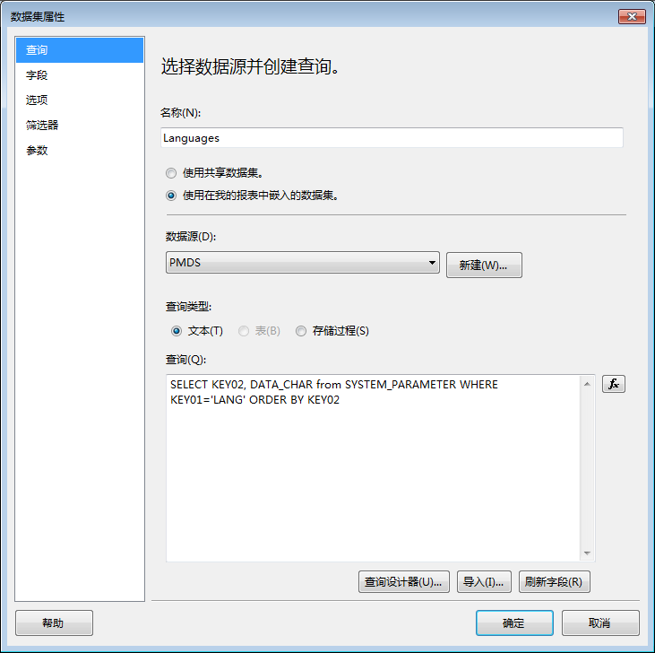

 | 1.2、LabelOfScreenList数据集
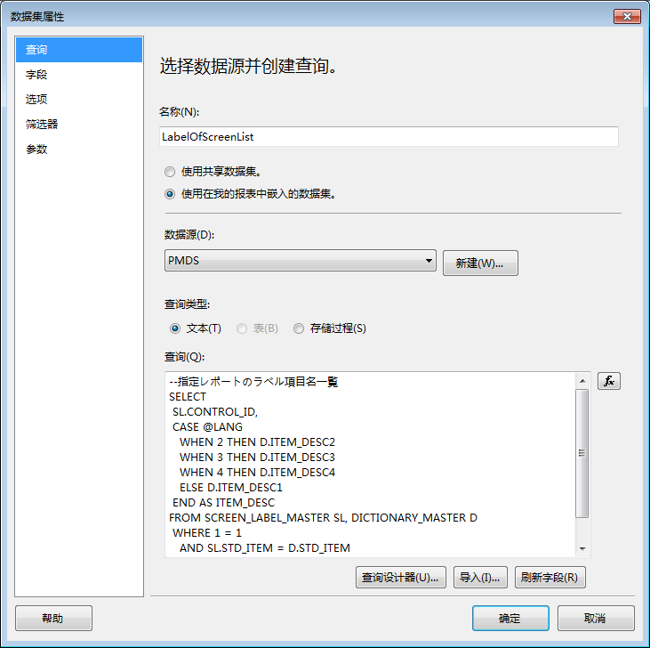
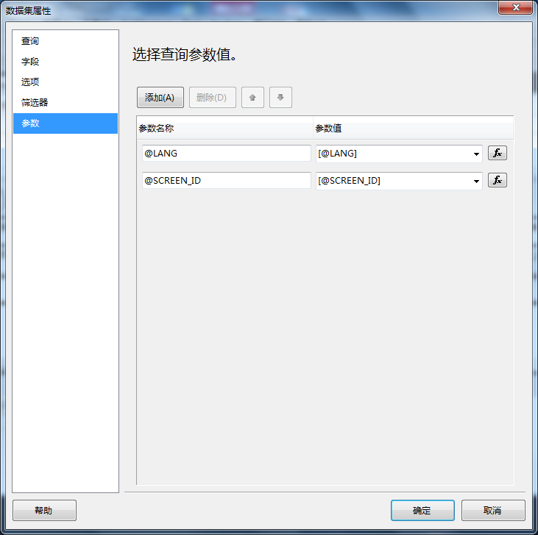

 | 1.3、GetRptInfo数据集
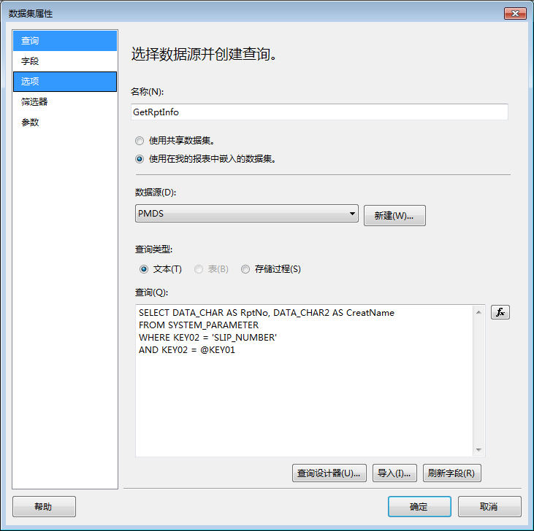
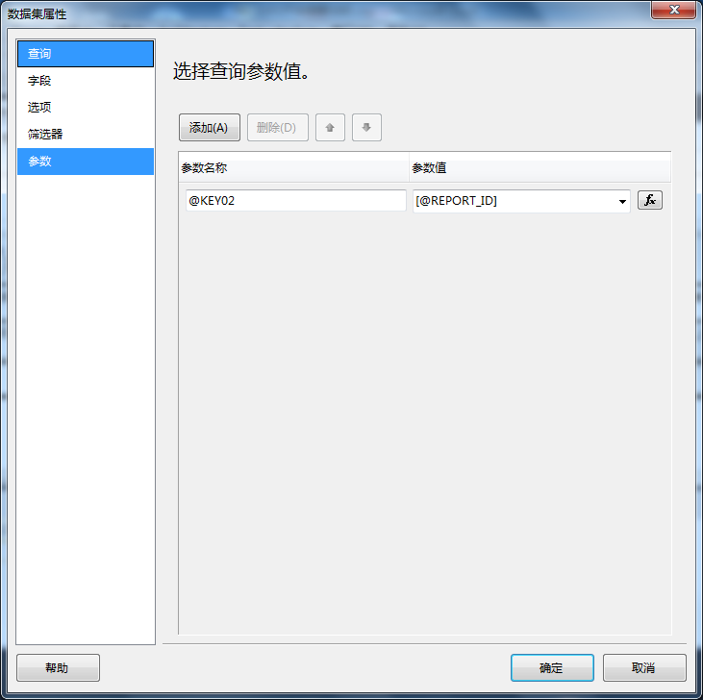

 | 1.4、账票数据集，数据集名称为账票名称+"List",具体SQL脚本参考前面“一”中的脚本。
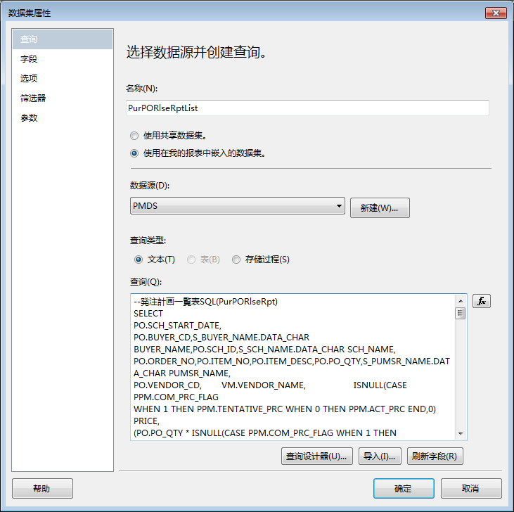
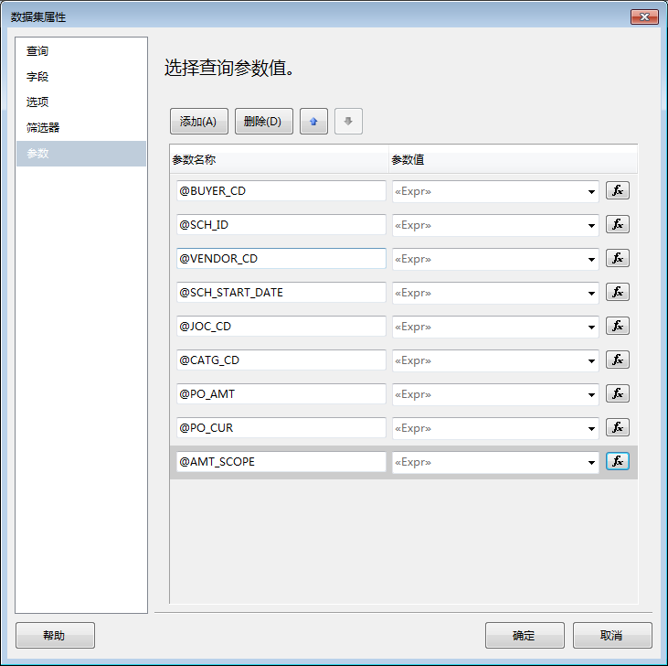

 |  | 调整SQL查询参数，主要应对用户不输入参数值的情形。
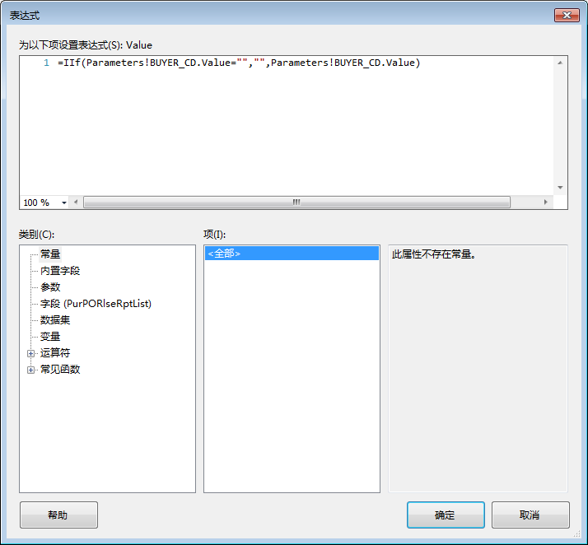
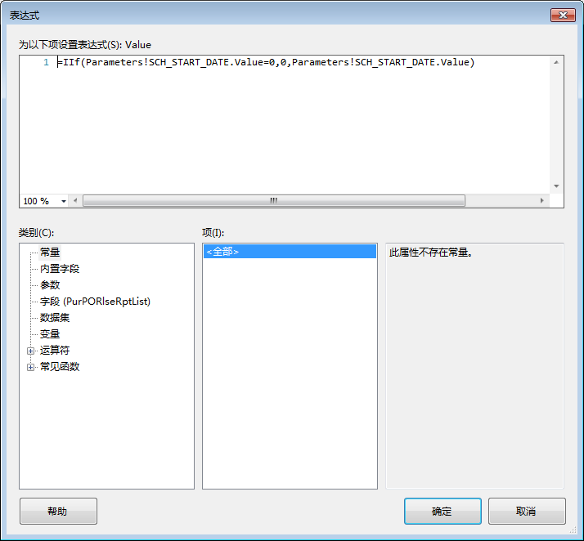

 | 2、参数设置，LANG,LABELS,SCREEN_ID,REPORT_ID参数所有报表都必有。其他参数由1.3中的SQL脚本自动生成。
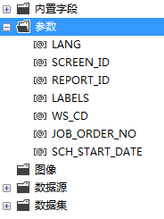

 | 2.1、LANG参数
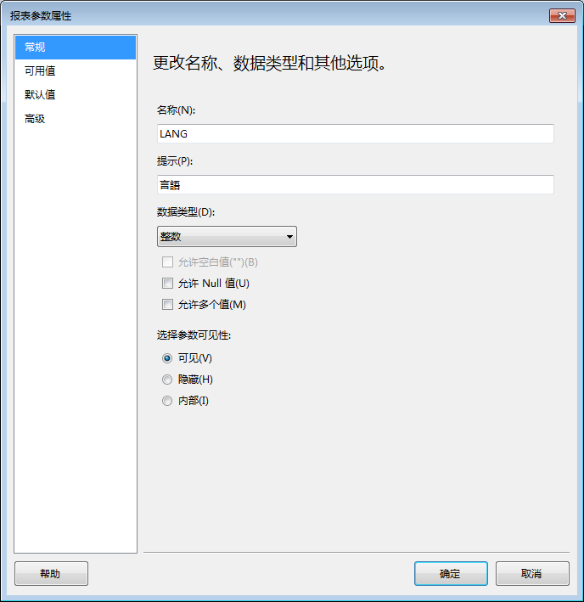
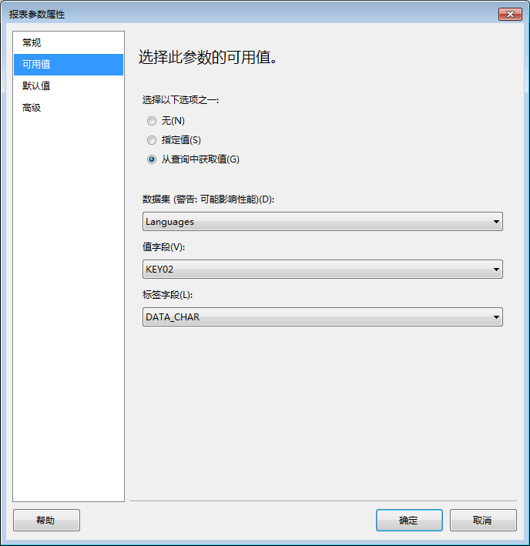
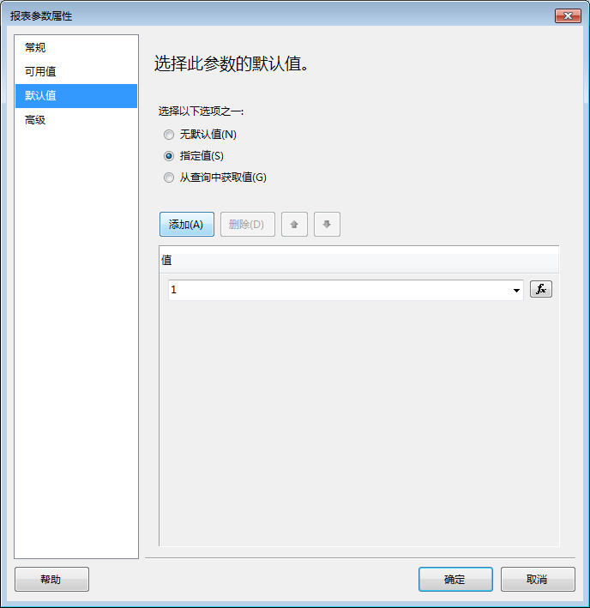

 | 2.2、LABELS参数
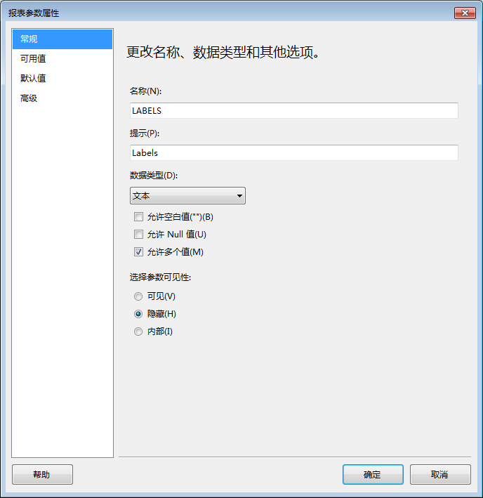
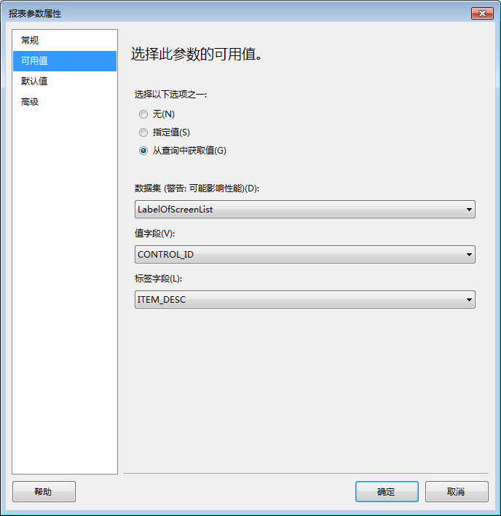
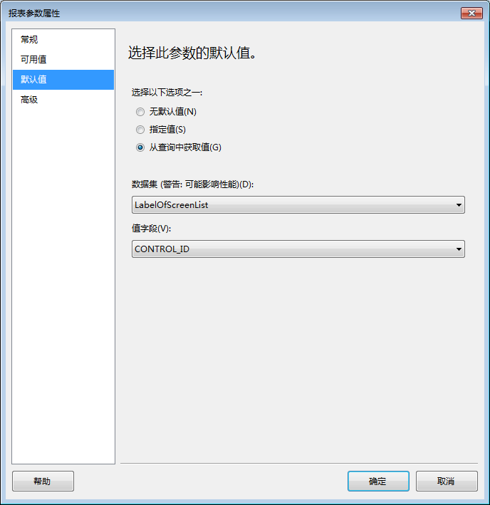

 |  | SCREEN_ID参数默认值根据报表自行调整。
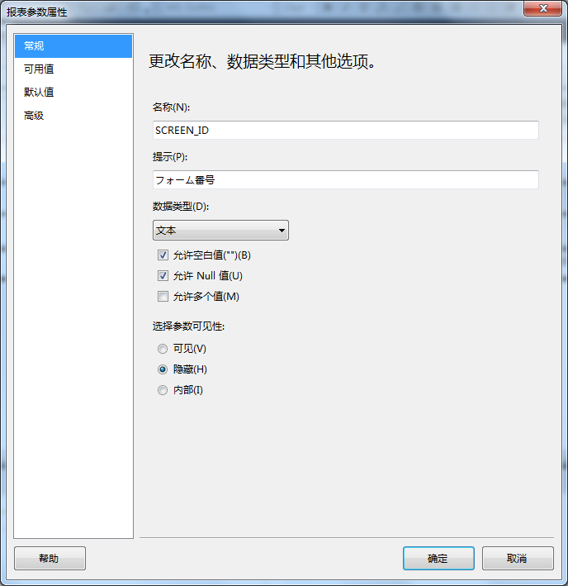
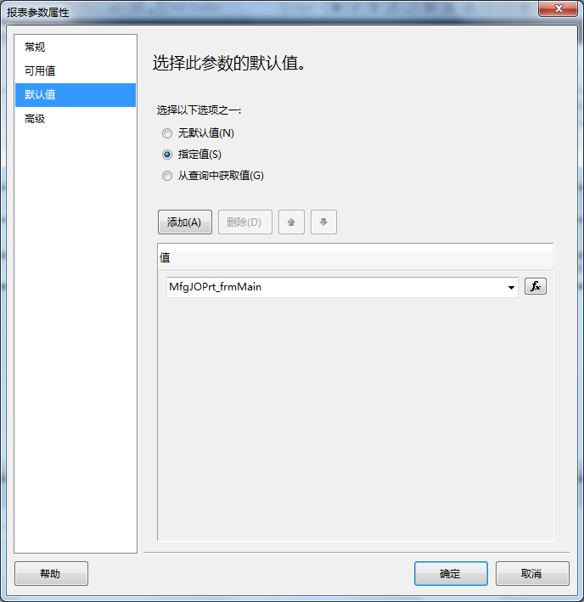

 |  | REPORT_ID参数默认值根据报表自行调整。
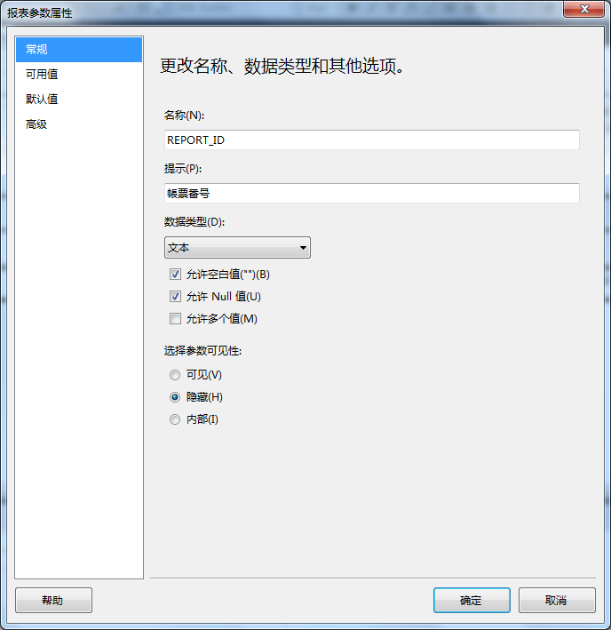


 | 2.3、其他参数设置。参考以上

 | 3、报表属性设置
 | 3.1、页面设置，参考PM原报表纵横及边距等设定。
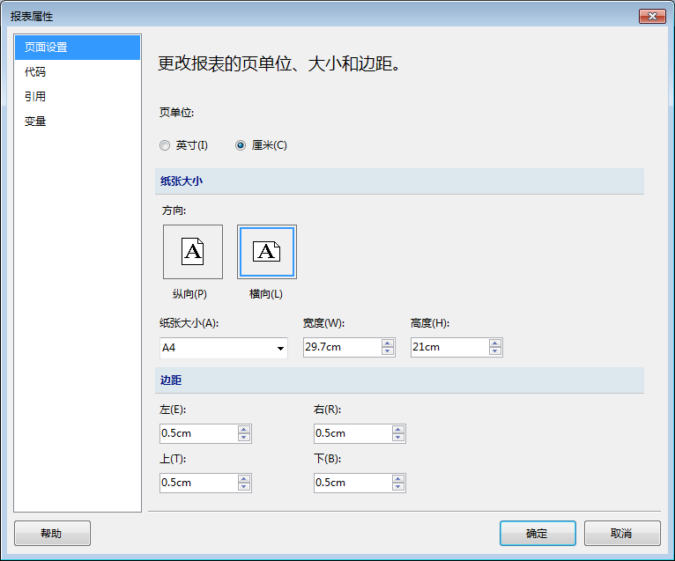

 | 3.2、报表代码，主要是实现报表多语言或实现QRCode功能。
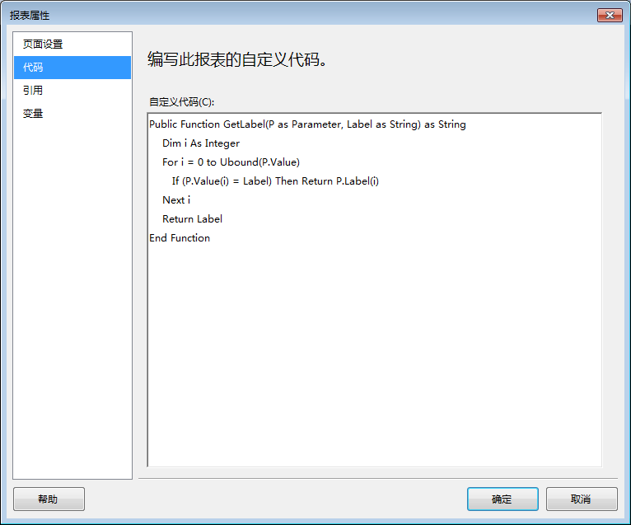

 | 3.3、Qrcode特别说明

