1uF, minimum drive
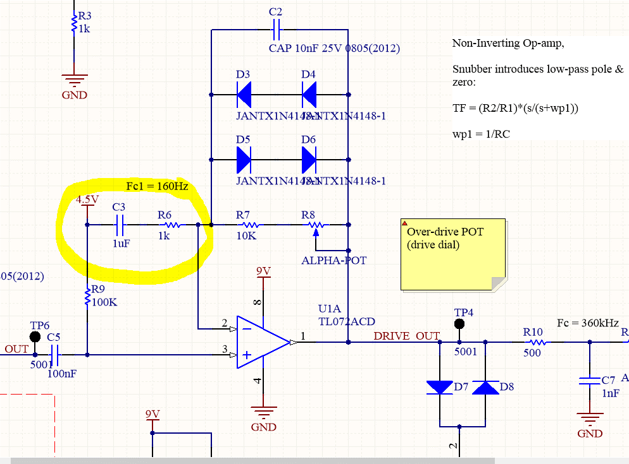
frequency | input | output | gain
3000 | 1.24 | 3.4 | 2.7419354839
1500 | 1.1 | 3.22 | 2.9272727273
1000 | 1.02 | 3.1 | 3.0392156863
750 | 0.86 | 2.7 | 3.1395348837
500 | 0.86 | 2.78 | 3.2325581395
400 | 0.82 | 2.66 | 3.243902439
300 | 0.63 | 2.5 | 3.9682539683
200 | 0.56 | 1.78 | 3.1785714286
160 | 0.45 | 1.21 | 2.6888888889
100 | 0.37 | 0.54 | 1.4594594595
50 | 0.34 | 0.2 | 0.58823529412

