User Form
 | Menu | Price (FootLong) | Food Items | Calories
Weclome to Subway!!! | Tofu Subway | $10 | Breads | per footlong
 | Potato Subway | $8 | Honey Multigrain | 100

 | Grilled Chicken Subway | $10 | White | 130
 | Pork Subway | $10 | Italian | 120
 | Beef Subway | $10
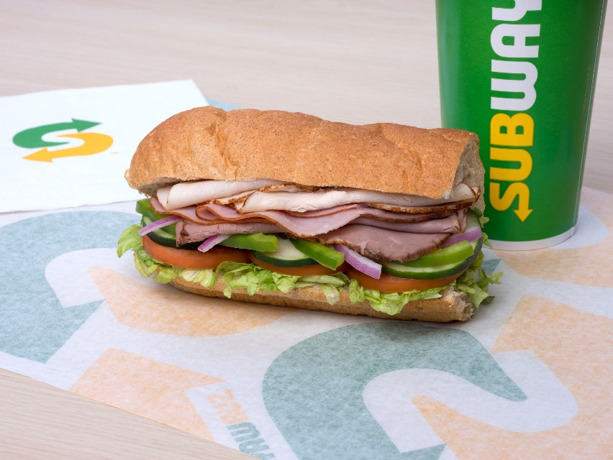
 |  |  | Vegetables | per serving
 |  |  | Onion | 2
 |  |  | Cucumber | 2
 |  |  | Tomato | 3
 |  |  | Lettuce | 3
 |  |  | Olive | 3.5
 |  |  | Jalapeno | 2.3
Click here to place your order
 |  |  | Pickle | 4.5

 |  |  | Patty | per scoop
 |  |  | Tofu | 35
 |  |  | Potato | 50
 |  |  | Grilled Chicken | 55
 |  |  | Pork | 62
 |  |  | Beef | 65

 |  |  | Sauces | per scoop
 |  |  | Chipotle | 7
 |  |  | Hot | 8
 |  |  | Mayonaise | 12
 |  |  | Mustard | 11.5
 |  |  | Barbeque | 10

Orders
Bread Sales
Vegetables Scoop Quantity
Breads |  |  | Patty |  |  |  |  | Vegetables |  |  |  |  |  | Sauces |  |  |  |  | Total Calories | Breads | Sum
Honey Multigrain | White | Italian | Tofu | Potato | Grilled Chicken | Pork | Beef | Onion | Cucumber | Tomato | Lettuce | Jalapeno | Pickle | Chipotle | Hot | Mayonaise | Mustard | Barbeque |  | Honey Multigrain | 3
1 | 0 | 0 | 0 | 1 | 0 | 0 | 0 | 1 | 2 | 1 | 1 | 2 | 1 | 2 | 2 | 2 | 2 | 1 | 258.1 | White | 9
0 | 1 | 0 | 0 | 1 | 0 | 0 | 0 | 1 | 2 | 1 | 1 | 2 | 1 | 2 | 2 | 2 | 2 | 1 | 288.1 | Italian | 5
0 | 1 | 0 | 0 | 0 | 1 | 0 | 0 | 1 | 1 | 2 | 1 | 2 | 1 | 1 | 2 | 2 | 1 | 1 | 282.6
0 | 1 | 0 | 0 | 0 | 0 | 1 | 0 | 1 | 1 | 2 | 1 | 2 | 1 | 1 | 2 | 2 | 1 | 1 | 282.6 | Patty | Sum
1 | 0 | 0 | 0 | 1 | 0 | 0 | 0 | 1 | 1 | 2 | 1 | 2 | 1 | 1 | 2 | 2 | 1 | 1 | 240.6 | Tofu | 4
0 | 0 | 1 | 1 | 0 | 0 | 0 | 0 | 1 | 1 | 0 | 1 | 0 | 1 | 1 | 0 | 0 | 1 | 1 | 195 | Potato | 5
0 | 0 | 1 | 1 | 0 | 0 | 0 | 0 | 1 | 1 | 0 | 1 | 0 | 1 | 1 | 0 | 0 | 1 | 1 | 195 | Grilled Chicken | 2
0 | 1 | 0 | 1 | 0 | 0 | 0 | 0 | 1 | 2 | 0 | 1 | 0 | 1 | 1 | 0 | 0 | 1 | 0 | 197 | Pork | 3
1 | 0 | 0 | 0 | 0 | 0 | 0 | 1 | 1 | 2 | 0 | 1 | 0 | 1 | 1 | 0 | 0 | 1 | 0 | 197 | Beef | 3
0 | 1 | 0 | 0 | 0 | 0 | 1 | 0 | 1 | 2 | 0 | 1 | 0 | 1 | 1 | 0 | 0 | 1 | 0 | 224
0 | 0 | 1 | 0 | 0 | 0 | 0 | 1 | 1 | 2 | 2 | 1 | 0 | 1 | 1 | 0 | 0 | 1 | 0 | 220 | Vegetables | Sum
0 | 0 | 1 | 0 | 1 | 0 | 0 | 0 | 2 | 0 | 0 | 2 | 1 | 1 | 1 | 1 | 1 | 0 | 2 | 233.8 | Onion | 17
0 | 1 | 0 | 0 | 0 | 1 | 0 | 0 | 1 | 0 | 0 | 0 | 0 | 1 | 0 | 0 | 0 | 1 | 1 | 213 | Cucumber | 18
0 | 1 | 0 | 0 | 0 | 0 | 1 | 0 | 1 | 0 | 0 | 1 | 0 | 1 | 0 | 1 | 0 | 1 | 1 | 231 | Tomato | 11
0 | 1 | 0 | 0 | 0 | 0 | 0 | 1 | 1 | 0 | 0 | 1 | 0 | 1 | 0 | 1 | 0 | 1 | 1 | 234 | Lettuce | 17
0 | 0 | 1 | 1 | 0 | 0 | 0 | 0 | 0 | 0 | 1 | 1 | 1 | 1 | 1 | 1 | 1 | 1 | 1 | 216.3 | Jalapeno | 13
0 | 1 | 0 | 0 | 1 | 0 | 0 | 0 | 1 | 1 | 0 | 1 | 1 | 0 | 1 | 1 | 1 | 2 | 1 | 249.3 | Pickle | 16

Patty Sales
Sauces Scoop Quantity
 |  |  |  |  |  |  |  |  |  |  |  |  |  |  |  |  |  |  |  | Sauces | Sum
 |  |  |  |  |  |  |  |  |  |  |  |  |  |  |  |  |  |  |  | Chipotle | 16
 |  |  |  |  |  |  |  |  |  |  |  |  |  |  |  |  |  |  |  | Hot | 15
 |  |  |  |  |  |  |  |  |  |  |  |  |  |  |  |  |  |  |  | Mayonaise | 13
 |  |  |  |  |  |  |  |  |  |  |  |  |  |  |  |  |  |  |  | Mustard | 19
 |  |  |  |  |  |  |  |  |  |  |  |  |  |  |  |  |  |  |  | Barbeque | 14

