Sheet1
 | 0 | 1 | 2 | 3 | 4 | 5 | 6 | 7 | 8 | 9 | 10 | 11 | 12 | 13 | 14 | 15
 | 1 | 2 | 4 | 8 | 16 | 15 | 13 | 9 | 1 | 2 | 4 | 8 | 16 | 15 | 13 | 9
 | 1 | 3 | 9 | 10 | 13 | 5 | 15 | 11 | 16 | 14 | 8 | 7 | 4 | 12 | 2 | 6
 | 1 | 4 | 16 | 13 | 1 | 4 | 16 | 13 | 1 | 4 | 16 | 13 | 1 | 4 | 16 | 13
 | 1 | 5 | 8 | 6 | 13 | 14 | 2 | 10 | 16 | 12 | 9 | 11 | 4 | 3 | 15 | 7
 | 1 | 6 | 2 | 12 | 4 | 7 | 8 | 14 | 16 | 11 | 15 | 5 | 13 | 10 | 9 | 3
 | 1 | 7 | 15 | 3 | 4 | 11 | 9 | 12 | 16 | 10 | 2 | 14 | 13 | 6 | 8 | 5
 | 1 | 8 | 13 | 2 | 16 | 9 | 4 | 15 | 1 | 8 | 13 | 2 | 16 | 9 | 4 | 15
 | 1 | 9 | 13 | 15 | 16 | 8 | 4 | 2 | 1 | 9 | 13 | 15 | 16 | 8 | 4 | 2
 | 1 | 10 | 15 | 14 | 4 | 6 | 9 | 5 | 16 | 7 | 2 | 3 | 13 | 11 | 8 | 12
 | 1 | 11 | 2 | 5 | 4 | 10 | 8 | 3 | 16 | 6 | 15 | 12 | 13 | 7 | 9 | 14
 | 1 | 12 | 8 | 11 | 13 | 3 | 2 | 7 | 16 | 5 | 9 | 6 | 4 | 14 | 15 | 10
 | 1 | 13 | 16 | 4 | 1 | 13 | 16 | 4 | 1 | 13 | 16 | 4 | 1 | 13 | 16 | 4
 | 1 | 14 | 9 | 7 | 13 | 12 | 15 | 6 | 16 | 3 | 8 | 10 | 4 | 5 | 2 | 11
 | 1 | 15 | 4 | 9 | 16 | 2 | 13 | 8 | 1 | 15 | 4 | 9 | 16 | 2 | 13 | 8
 | 1 | 16 | 1 | 16 | 1 | 16 | 1 | 16 | 1 | 16 | 1 | 16 | 1 | 16 | 1 | 16

$$γ=\left(4,1\right)$$
$$β=(8,1)$$
 | 1 | 4 | 16 | 13 |  |  | 1 | 2 | 4 | 8 | 16 | 15 | 13 | 9
(4,2) | 2 | 8 | 9 | 15 |  | (8,3) | 3 | 6 | 7 | 5 | 12 | 10 | 11 | 14
 | 3 | 9 | 10 | 16 |  |  | 4 | 7 | 8 | 6 | 13 | 11 | 12 | 15
 | 6 | 12 | 13 | 2 | (4,1)(4,2) = -1 |  | 5 | 8 | 9 | 7 | 14 | 12 | 13 | 16
 | 1 | 7 | 8 | 14 |  |  | 7 | 10 | 11 | 9 | 16 | 14 | 15 | 1 | (8,1)(8,3)=-4
 | 15 | 4 | 5 | 11 |  |  | 11 | 14 | 15 | 13 | 3 | 1 | 2 | 5
$γ^{2}−\left(\left(4,1\right)+\left(4,2\right)\right)γ+\left(4,1\right)\left(4,2\right)=γ^{2}−\left(\frac{−1+\sqrt{17}}{2}\right)γ−1=0$
 |  |  |  |  |  |  | 2 | 5 | 6 | 4 | 11 | 9 | 10 | 13
$$\left(4,1\right)=γ=\frac{−1+\sqrt{17}+\sqrt{34−2\sqrt{17}}}{4}$$
 |  |  |  |  |  |  | 1 | 4 | 5 | 3 | 10 | 8 | 9 | 12
 |  |  |  |  |  |  | 16 | 2 | 3 | 1 | 8 | 6 | 7 | 10
 |  |  |  |  |  |  | 12 | 15 | 16 | 14 | 4 | 2 | 3 | 6
$$\left(4,2\right)=γ′=\frac{−1+\sqrt{17}−\sqrt{34−2\sqrt{17}}}{4}$$
$$β^{2}−\left(\left(8,3\right)+\left(8,1\right)\right)β+\left(\left(8,3\right)\left(8,1\right)\right)=β^{2}+β−4=0$$
$$\left(8,1\right)=β=\frac{−1+\sqrt{17}}{2}$$
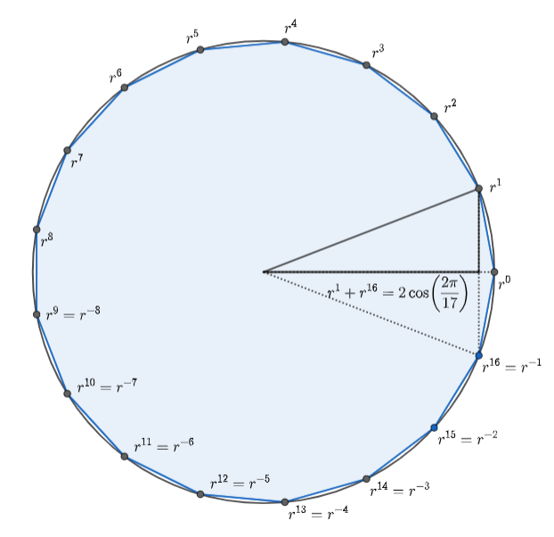

$$\left(8,3\right)=β′=\frac{−1−\sqrt{17}}{2}$$
(4,3) | 3 | 12 | 14 | 5
(4,6) | 6 | 7 | 11 | 10
 | 9 | 10 | 14 | 13
 | 1 | 2 | 6 | 5 | (4,3)(4,6) = -1
 | 3 | 4 | 8 | 7
 | 11 | 12 | 16 | 15

$$\left(4,3\right)=\frac{−1−\sqrt{17}+\sqrt{34+2\sqrt{17}}}{4}$$

$$\left(4,6\right)=\frac{−1−\sqrt{17}−\sqrt{34+2\sqrt{17}}}{4}$$

$$ρ=(2,1)$$
$$ρ=(2,1)$$
 | 1 | 16 |  |  | 1 | 16
(2,1) | 1 | 16 |  | (2,2) | 2 | 15
(2,4) | 4 | 13 |  | (2,8) | 8 | 9
 | 5 | 14 |  |  | 9 | 10
 | 3 | 12 |  |  | 7 | 8
(2,1)(2,4) = (2,5) + (2,3) |  |  |  | (2,2)(2,8) = (2,9) + (2,7)

$\left(ρ−\left(2,1\right)\right)\left(ρ−\left(2,4\right)\right)=ρ^{2}−\left(\left(2,1\right)+\left(2,4\right)\right)ρ+\left(\left(2,5\right)+\left(2,3\right)\right)$
$$=ρ^{2}−\left(\frac{−1+\sqrt{17}+\sqrt{34−2\sqrt{17}}}{4}\right)ρ+\left(\frac{−1−\sqrt{17}+\sqrt{34+2\sqrt{17}}}{4}\right) \\ ρ=\frac{1}{2}\left(\frac{−1+\sqrt{17}+\sqrt{34−2\sqrt{17}}}{4}±{\left({\left(\frac{−1+\sqrt{17}+\sqrt{34−2\sqrt{17}}}{4}\right)}^{2}−4\left(\frac{−1−\sqrt{17}+\sqrt{34+2\sqrt{17}}}{4}\right)\right)}^{\frac{1}{2}}\right) \\ ρ=\frac{1}{8}\left(−1+\sqrt{17}+\sqrt{34−2\sqrt{17}}±{\left(68+12\sqrt{17}−2\sqrt{34−2\sqrt{17}}+2\sqrt{17}\sqrt{34−2\sqrt{17}}−16\sqrt{34+2\sqrt{17}}\right)}^{\frac{1}{2}}\right)$$
$$\left(2,1\right)=\frac{1}{8}\left(−1+\sqrt{17}+\sqrt{34−2\sqrt{17}}+{\left(68+12\sqrt{17}−2\sqrt{34−2\sqrt{17}}+2\sqrt{17}\sqrt{34−2\sqrt{17}}−16\sqrt{34+2\sqrt{17}}\right)}^{\frac{1}{2}}\right)$$

$$\left({\left(−1+\sqrt{17}\right)}^{2}+2\left(−1+\sqrt{17}\right)\left(\sqrt{34−2\sqrt{17}}\right)+34−2\sqrt{17}\right)−16\left(−1−\sqrt{17}+\sqrt{34+2\sqrt{17}}\right)$$
$$1−2\sqrt{17}+17−2\sqrt{34−2\sqrt{17}}+2\sqrt{17}\sqrt{34−2\sqrt{17}}+34−2\sqrt{17}+16+16\sqrt{17}−16\sqrt{34+2\sqrt{17}}$$
$$68+12\sqrt{17}−2\sqrt{34−2\sqrt{17}}+2\sqrt{17}\sqrt{34−2\sqrt{17}}−16\sqrt{34+2\sqrt{17}}$$

$$=2⋅\cos\left(\frac{2⋅π}{17}\right)$$
 | 1.8649444588 | 1.8649444588

