RMS-1
Technical Datasheet
Author: Faiz Shaikh
Catalogue |  |  |  | 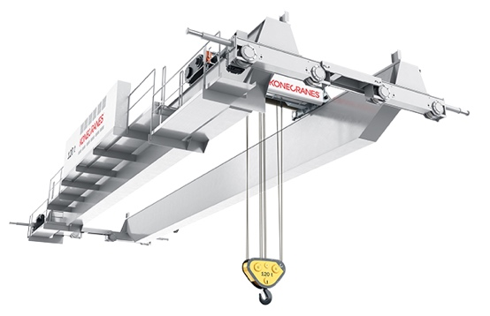 Image placeholder
Item Name: |  | SMARTON overhead crane
HEL: |  | RMS-1

System description
The Konecranes SMARTON is a heavy-duty, modular open winch overhead crane engineered for high-precision assembly and demanding maintenance tasks. It features an intelligent control system designed to optimize load handling through advanced Smart Features. Its flexible design allows for custom configurations.

Key Design Information
a) Dimensional Information
Parameter | Unit |  | Value | References | Notes
Height | - |  | configurable | [1] | 1.4
Length | - |  | configurable | [1] | 1.4
Width | - |  | configurable | [1] | 1.4
Mass | - |  | configurable | [1] | 1.4
b) Other Information
Rated capacity | t |  | 6.3-250 | [1] | 1.3
Span range | m |  | up to 45 | [1] | 1
Lifting height range | m |  | up to 30 | [1] | 1
Duty class | - |  | ISO M3–M6 / FEM 1Bm–3m | [1] | 2

Manufacturer Information
Manufacturer: |  | Konecranes
Model: |  | Konecranes SMARTON
Website: |  | Link
Notes
1. Crane ratings and spans are taken from manufacturer brochures and assume proper rail and runway design. 2. Selection must match the specific lift frequency and load spectrum of the facility. Exceeding the design class significantly reduces the fatigue life of the hoist and bridge. 3. Maximum safe working load includes the weight of any below-the-hook lifting attachments (e.g., spreaders, magnets, or grabs). 4. Height,Length,Width are configurable; however, extreme parameters may require specialized bridge girder designs to manage deflection and resonance.

References
[1] Konecranes, "SMARTON brochure (updated)", 2024. [Online]. Available: https://www.konecranes.com/sites/default/files/2024-09/brochure_smarton_2024.pdf

RMS-2
Technical Datasheet
Author: Faiz Shaikh
Catalogue |  |  |  | 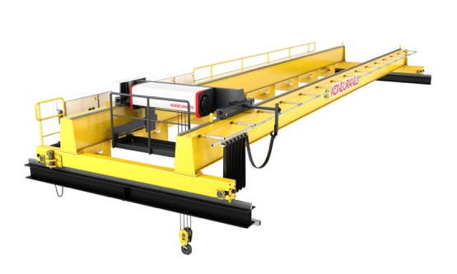 Image placeholder
Item Name: |  | CXT 80-ton double-girder crane
HEL: |  | RMS-2

System description
The Konecranes CXT is a versatile overhead crane featuring a compact wire rope hoist integrated into a high-strength double-girder box structure. Designed for space efficiency and reliability, it serves a wide range of industrial lifting needs from standard maintenance to high-throughput production.

Key Design Information
a) Dimensional Information
Parameter | Unit |  | Value | References | Notes
Height | - |  | configurable | [1] | 1
Length | - |  | configurable | [1] | 1
Width | - |  | configurable | [1] | 1
Mass | - |  | configurable | [1] | 1
b) Other Information
Rated capacity | t |  | 80 | [1] | 2
Span | m |  | 30 | [1]
Lifting height | m |  | 98.5 | [1] | 3
Girder type | - |  | Double-girder box | [1] | 4

Manufacturer Information
Manufacturer: |  | Konecranes
Model: |  | Konecranes CXT double-girder 80 t
Website: |  | Link
Notes
1.Height,Length,Width are configurable; however, extreme parameters may require specialized bridge girder designs to manage deflection and resonance. 2.The 80-ton rating represents the maximum Safe Working Load (SWL); this includes the mass of the hook block and any user-added lifting attachments (e.g., spreaders). 3. The 98.5m height capability is specific to the CXT wire rope drum configuration; check rope safety factors if utilizing the full extent of this range for high-speed lifting. 4. The double-girder box design is optimized for high-capacity loads and provides a more stable platform for maintenance access walkways and auxiliary hoists.

References
[1] Konecranes, "CXT overhead cranes", n.d.. [Online]. Available: https://www.konecranes.com/equipment/overhead-cranes/rope-hoist-cranes/cxt-overhead-cranes

RMS-3
Technical Datasheet
Author: Faiz Shaikh
Catalogue |  |  |  | 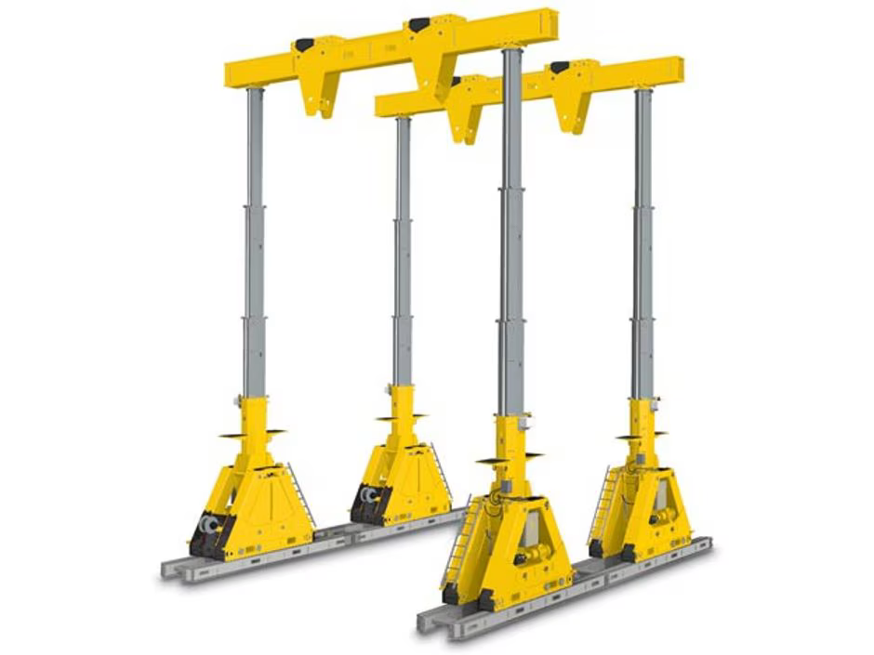 Image placeholder
Item Name: |  | Enerpac SBL1100 hydraulic gantry
HEL: |  | RMS-3

System description
The Enerpac SBL1100 is a heavy-duty hydraulic telescopic gantry system designed for stable, high-capacity lifting in confined environments where traditional cranes cannot operate. Featuring a foldable boom for easy transport, this three-stage system provides industry-leading stability and lifting height.

Key Design Information
a) Dimensional Information
Parameter | Unit |  | Value | References | Notes
Height | mm |  | 4371/12003 | [1],[2] | 2,3
Length | mm |  | 2250 | [1],[2]
Width | mm |  | 3454 | [1],[2]
Mass | kg |  | 47800 | [1]
b) Other Information
Max capacity (4 legs) | t |  | 1178 | [1] | 1
No. of lifting stages | - |  | 3 | [1] | 2
Lifting height | feet |  | 9.84/39.8 | [2]
Max system pressure | bar |  | up to 350 | [1]
Travel method | - |  | self-propelled skid tracks | [1]
Compliance standard | - |  | ASME B30.1 and equivalent | [1] | 4

Manufacturer Information
Manufacturer: |  | Enerpac
Model: |  | Enerpac SBL1100
Website: |  | Link
Notes
1. Rated capacity is based on a four-leg configuration on a perfectly level, reinforced surface. Non-symmetric loading or off-center lifting requires significant derating of the system capacity. 2. Maximum height is achieved at the third stage. Load capacity decreases as the boom extends through each subsequent stage; refer to the manufacturer’s load chart for stage-specific limits. 3. Stated transport dimensions and mass are for the basic gantry leg. Final assembly constraints, including skid tracks and header beams, must be verified against facility access routes and floor loading specifications. 4. Operations must be performed by certified personnel in accordance with ASME B30.1 safety standards for jacks and telescopic gantries.

References
[1] Enerpac, "SBL1100 hydraulic gantry", n.d.. [Online]. Available: https://www.enerpac.com/en-us/super-boom-lift-gantries/boom-gantry/SBL1100 [2] Enerpac, "Enerpac SBL1100 brochure (TNT Crane)", n.d.. [Online]. Available: https://tntcrane.com/wp-content/uploads/2025/02/Enerpac-SBL1100.pdf

RMS-4
Technical Datasheet
Author: Faiz Shaikh
Catalogue |  |  |  | 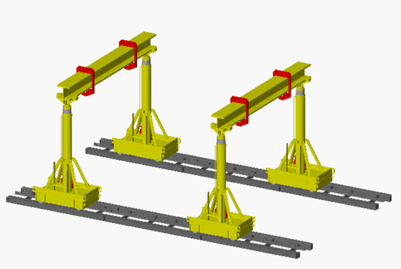 Image placeholder
Item Name: |  | 42A hydraulic gantry system
HEL: |  | RMS-4

System description
The Lift Systems 42A is a modular, multi-stage hydraulic telescopic gantry engineered for heavy lifting in low-headroom and restricted-access environments, such as reactor pit maintenance. It features a compact footprint and utilizes high-pressure hydraulics to deliver a 200-ton capacity in a standard four-leg configuration.

Key Design Information
a) Dimensional Information
Parameter | Unit |  | Value | References | Notes
Height | mm |  | 2959/6515 | [1] | 2
Length | mm |  | 1676 | [1]
Width | mm |  | 914 | [1]
Mass | kg |  | 5000 | [1]
b) Other Information
Max capacity (4 legs) | t |  | 200 | [1]
Top stage capacity | t |  | 170 | [1] | 1
Operating pressure | bar |  | up to 110 | [1]
Travel method | - |  | self-propelled skid tracks | [1]
Compliance standard | - |  | ASME B30.1 and equivalent | [1] | 3

Manufacturer Information
Manufacturer: |  | Lift Systems
Model: |  | Lift Systems 42A
Website: |  | Link
Notes
1. Lifting capacity decreases as the telescoping stages extend. The 170 t rating applies specifically to the top stage extension at approximately 4.75 m 2. Stated heights (2959 mm to 6515 mm) represent retracted vs. maximum extended positions. 3. The system is designed and tested to meet ASME B30.1 and equivalent international safety standards for telescopic hydraulic gantries.

References
[1] Lift Systems, "Model 21A / 42A specifications", n.d.. [Online]. Available: https://lift-systems.com/files/Model_21A_-_42A_Specifications_live.pdf

RMS-5
Technical Datasheet
Author: Faiz Shaikh
Catalogue |  |  |  | 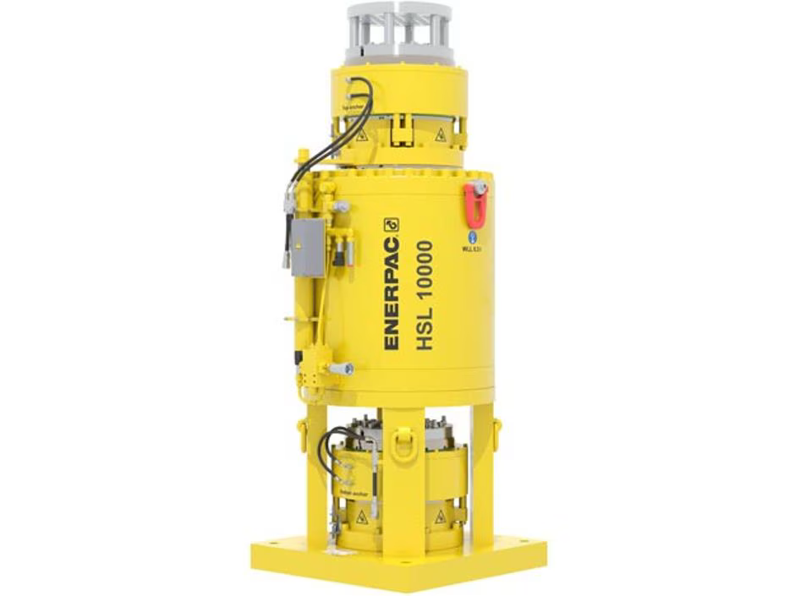 Image placeholder
Item Name: |  | HSL100007 heavy-lifting strand jack
HEL: |  | RMS-5

System description
The Enerpac HSL100007 is a high-capacity, computer-controlled strand jack system engineered for the synchronized vertical movement of massive structural components. Utilizing a hollow-core hydraulic cylinder and multiple high-tensile steel strands, it provides a precise and scalable alternative to traditional cranes in restricted-access environments.

Key Design Information
a) Dimensional Information
Parameter | Unit |  | Value | References | Notes
Height | mm |  | 2558 | [1]
Length | mm |  | 1092 | [1]
Width | mm |  | 1092 | [1]
Mass | kg |  | 7650 | [2]
b) Other Information
Nominal capacity | t |  | 15/1250 | [1] | 1
Operating pressure | bar |  | 350 | [1] | 1
Stroke per cycle | mm |  | 480 | [2] | 2
Number of Strands | - |  | 66 | [2]
Strand Diameter | mm |  | 18 | [2]
Control system | - |  | computer-controlled SCC / DL-P | [1] | 3
Power pack type | - |  | electric or diesel hydraulic | [1]

Manufacturer Information
Manufacturer: |  | Enerpac
Model: |  | Enerpac HSL-Series (1000 t class)
Website: |  | Link
Notes
1. The nominal capacity range (15–1250 t) and operating pressure (350 bar) assume the use of new, certified steel strands and verified anchoring points. Capacity must be derated if using aged or corroded strands. 2. While the stroke per cycle is 480 mm, the overall lifting speed is determined by the total number of jacks in the system and the output capacity of the electric or diesel hydraulic power pack. 3. During synchronized lifting or lowering, the control system must be calibrated to maintain specified tolerances to prevent uneven stress on the lifted structure or supporting civil works.

References
[1] Enerpac, "HSL-Series strand jack systems", n.d.. [Online]. Available: https://www.enerpac.com/en-us/hsl-series-strand-jacks [2] Enerpac, "HSL-Series Strand Jacks brochure", n.d.. [Online]. Available: https://www.enerpac.co.jp/products/hlt/StrandJacks/PDF_Brochures/HSL-Series_Strand_Jacks_EN-GB%20%281%29.pdf

RMS-6
Technical Datasheet
Author: Faiz Shaikh
Catalogue |  |  |  | 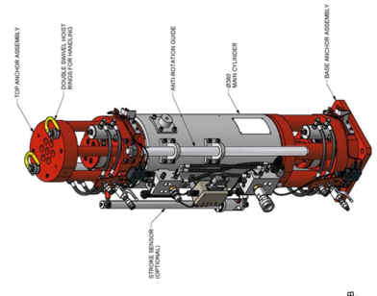 Image placeholder
Item Name: |  | DL-S108 Strand Jack
HEL: |  | RMS-6

System description
The Enerpac DL-S108 are computer-controlled hydraulic strand jack systems designed for the precise, synchronized vertical movement of massive structural loads. By utilizing a hollow-core hydraulic cylinder and high-tensile steel strands, these jacks provide a high-capacity alternative to traditional cranes for extremely heavy or high-altitude lifts.

Key Design Information
a) Dimensional Information
Parameter | Unit |  | Value | References | Notes
Height | mm |  | 1796 | [1]
Length | mm |  | 370 | [1]
Width | mm |  | 370 | [1]
Mass | kg |  | 890 | [1]
b) Other Information
Nominal capacity | t |  | 108 | [1] | 1
Strand diameter | mm |  | 114 | [1]
Working pressure | bar |  | 281 | [1]
Stroke per cycle | mm |  | 500 | [1] | 2
Control system | - |  | computer-controlled SCC / DL-P | [1] | 3
Power pack type | - |  | electric or diesel hydraulic | [1]

Manufacturer Information
Manufacturer: |  | DLT / Dorman Long
Model: |  | DLT DL-S
Website: |  | Link
Notes
1. Stated capacities assume the use of new, certified strands and proper anchoring; the use of aged or corroded strands significantly reduces the safe working load. 2. While the stroke-per-cycle is fixed (480–500 mm), the overall lift speed is dependent on the total number of jacks and the output capacity of the hydraulic power pack. 3. Automated control systems (SCC/DL) must be calibrated to protect both the lifted structure and the supporting civil works from uneven stress distribution.

References
[1] DLT / Dorman Long, "DLT strand jack systems", n.d.. [Online]. Available: https://www.dlteng.com/Download_files/DLT%20strand%20jack%20systems_3.1.pdf

RMS-7
Technical Datasheet
Author: Faiz Shaikh
Catalogue |  |  |  | 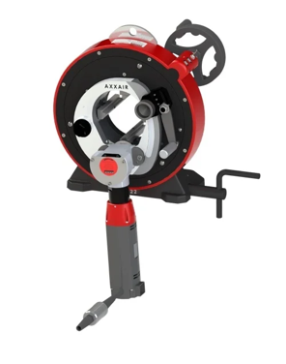 Image placeholder
Item Name: |  | CC122 orbital tube cutting machine
HEL: |  | RMS-7

System description
The AXXAIR CC122 is a compact orbital saw designed for the high-precision cold cutting of small-diameter tubes, specifically cooling and tritium lines at the blanket interface. This machine ensures clean, perpendicular cuts with minimal deformation, preparing stainless steel and carbon tubes for high-quality orbital welding in tight industrial quarters.

Key Design Information
a) Dimensional Information
Parameter | Unit |  | Value | References | Notes
Height | mm |  | 443 | [1]
Length | mm |  | 541 | [1]
Width | mm |  | 304 | [1]
Mass | kg |  | 44 | [1]
b) Other Information
Opening capacity | mm |  | 5–119 | [1],[2] | 1
Max wall thickness | mm |  | 15 | [1] | 1
Motor power | W |  | 1200 | [1] | 3
Cutting speed | rpm |  | 30-75 | [1]
Cutting precision | mm |  | perpendicularity < 0.25 | [1] | 2
Drive options | - |  | electric / pneumatic | [1] | 3

Manufacturer Information
Manufacturer: |  | AXXAIR
Model: |  | AXXAIR CC122
Website: |  | Link
Notes
1. Opening capacity and max wall thickness are based on standard carbon and stainless steels; harder alloys may require specialized blade selection and testing. 2. Cutting Precision: Stated perpendicularity assumes correct clamping and the use of sharp blades; poor setup or dull consumables will reduce accuracy. 3. Selection between electric or pneumatic drives must consider local utilities, noise regulations, and contamination limits in sensitive environments.

References
[1] AXXAIR, "CC122 thin tubes orbital saw", n.d.. [Online]. Available: https://www.axxair.com/thin-tubes-products/cc122 [2] AXXAIR, "AXXAIR CC122 catalogue", 2020. [Online]. Available: https://axxair.sk/image/data/nove/axxair/katalog/2020/cc122.pdf

RMS-8
Technical Datasheet
Author: Faiz Shaikh
Catalogue |  |  |  | 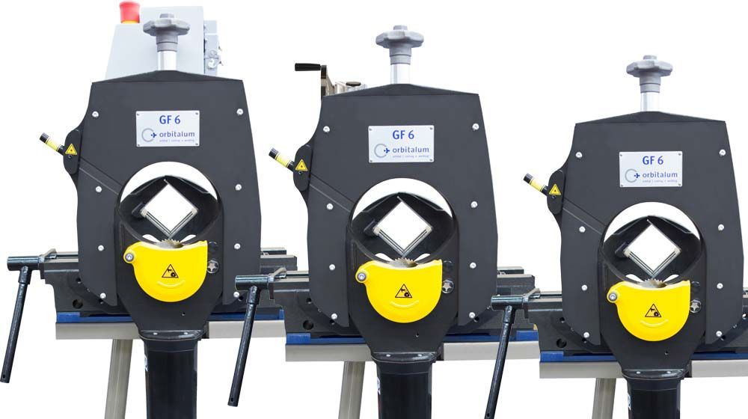 Image placeholder
Item Name: |  | GF 6 pipe cutting /beveling machine
HEL: |  | RMS-8

System description
The Orbitalum GF 6 is a high-precision orbital pipe cutting and beveling machine engineered for industrial "blanket replacement" and medium-diameter process piping. It utilizes a planetary cutting method where the saw blade rotates around the pipe, ensuring a square, burr-free cut that is immediately ready for orbital welding.

Key Design Information
a) Dimensional Information
Parameter | Unit |  | Value | References | Notes
Height | mm |  | 920 | [2]
Length | mm |  | 574 | [2]
Width | mm |  | 353 | [2]
Mass | kg |  | 93 | [2]
b) Other Information
Pipe OD range | mm |  | 21.3–168.3 | [1],[2] | 1
Pipe ID range | mm |  | 0-165 | [1],[2] | 1
Wall thickness | mm |  | 1.5–15 | [1],[2] | 1
Motor power | W |  | approx. 1100 | [1] | 3
Cutting speed | rpm |  | 40-215 | [2] | 2
PowerSound pressure level | dB (A |  | 79 | [2] | 3
Vibration level (DIN EN 28662) | m/s2 |  | 16 | [2] | 3

Manufacturer Information
Manufacturer: |  | Orbitalum
Model: |  | Orbitalum GF 6
Website: |  | Link
Notes
1. Diameter and wall ranges are based on cutting carbon and stainless steels; other materials may require tests. 2. Stated cutting precision assumes correct clamping and sharp blades; poor setup will reduce accuracy. 3. Drive choice (electric or pneumatic) shall consider local utilities, allowable noise and contamination limits.

References
[1] Orbitalum, "GF 6 orbital pipe cutting and beveling machine", n.d.. [Online]. Available: https://www.orbitalum.com/en/products/product-details/gf-6-avm-mvm.html [2] Orbitalum,"Orbitalum GF4/GF6 datasheet", 2023.[Online]. Available: https://www.orbitalum.com/en/download/datasheets.html?file=files/DOWNLOADS/PDS/OC/2023/EN/OC_pds_GF4_GF6_EN.pdf

RMS-9
Technical Datasheet
Author: Faiz Shaikh
Catalogue |  |  |  | 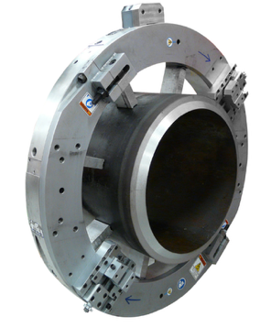 Image placeholder
Item Name: |  | LCSF 610 Split Frame 10-inch
HEL: |  | RMS-9

System description
The E.H. Wachs LCSF 610 is a low-clearance, split-frame rotary cutter designed for precision cold cutting and beveling of in-line piping. Engineered for environments where radial and axial access is severely restricted, the unit features a modular "split" design that allows it to be mounted around the diameter of a continuous pipe.

Key Design Information
a) Dimensional Information
Parameter | Unit |  | Value | References | Notes
Rotating head diameter | mm |  | 225.55 | [1]
Main frame diameter | mm |  | 433 | [1]
Width | mm |  | 300 | [1]
Mass | kg |  | 49 | [1]
b) Other Information
Max pipe diameter | inch |  | 11 | [1] | 1.3
Drive options | - |  | air / hydraulic / electric | [1]
Feed type | - |  | low-clearance feed slide | [1] | 4
Typical application | - |  | cold cutting /beveling piping | [1]
Mounting method | - |  | split-frame around in-line pipe | [1] | 1
Tooling | - |  | various bevel profiles | [1] | 1.2

Manufacturer Information
Manufacturer: |  | E.H. Wachs
Model: |  | E.H. Wachs LCSF 610
Website: |  | Link
Notes
1. Pipe size ranges are nominal; actual clamping depends on jaw sets and tool mounting configuration. 2. Tooling selection determines bevel angle and land and must follow welding procedure requirements. 3. Required radial and axial clearances shall be checked against CFETR pipe runs and nearby structures. 4. perators must verify both radial and axial clearances against CFETR pipe runs and surrounding structures prior to installation to prevent equipment interference.

References
[1] E.H. Wachs, "Low Clearance Split Frame data sheet", 2011. [Online]. Available: https://ehwachs.com/assets/pdf/proddatasheet-20111212150104.pdf

RMS-10
Technical Datasheet
Author: Faiz Shaikh
Catalogue |  |  |  | 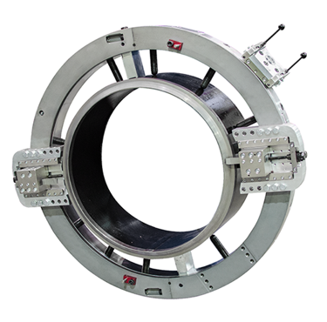 Image placeholder
Item Name: |  | 614RBL-G Clamshell
HEL: |  | RMS-10

System description
The 614RBL-G Clamshell is a versatile pipe machining system designed for the severing and beveling of in-line piping with a pipe size range of 7 to 14 inches. Utilizing a split-frame mounting method, it can be installed around a pipe to perform high-precision cold work.

Key Design Information
a) Dimensional Information
Parameter | Unit |  | Value | References | Notes
Rotating head diameter | mm |  | 536 | [1]
Main frame diameter | mm |  | 774 | [1]
Width | mm |  | 158 | [1]
Mass | kg |  | 68.2 | [1]
b) Other Information
Pipe size range | inch |  | 7–14 | [1] | 1.3
Drive options | - |  | air / hydraulic / electric | [1] | 2
Feed type | - |  | low-clearance feed slide | [1] | 3
Typical application | - |  | severing and beveling in-line pipe | [1] | 2
Mounting method | - |  | split-frame around in-line pipe | [1] | 1
Wall Thickness | mm |  | 63.5 | [1] | 3

Manufacturer Information
Manufacturer: |  | Tri Tool
Model: |  | Tri Tool 614RBL-G2
Website: |  | Link
Notes
1. Pipe size ranges are nominal; actual clamping depends on jaw sets and tool mounting configuration. 2. Tooling selection determines bevel angle and land and must follow welding procedure requirements. 3. Required radial and axial clearances shall be checked against CFETR pipe runs and nearby structures.

References
[1] Tri Tool, "614RBL-G2 low profile clamshell", n.d.. [Online]. Available: https://www.tritool.com/product-catalog/614rblg2

RMS-11
Technical Datasheet
Author: Faiz Shaikh
Catalogue |  |  |  | 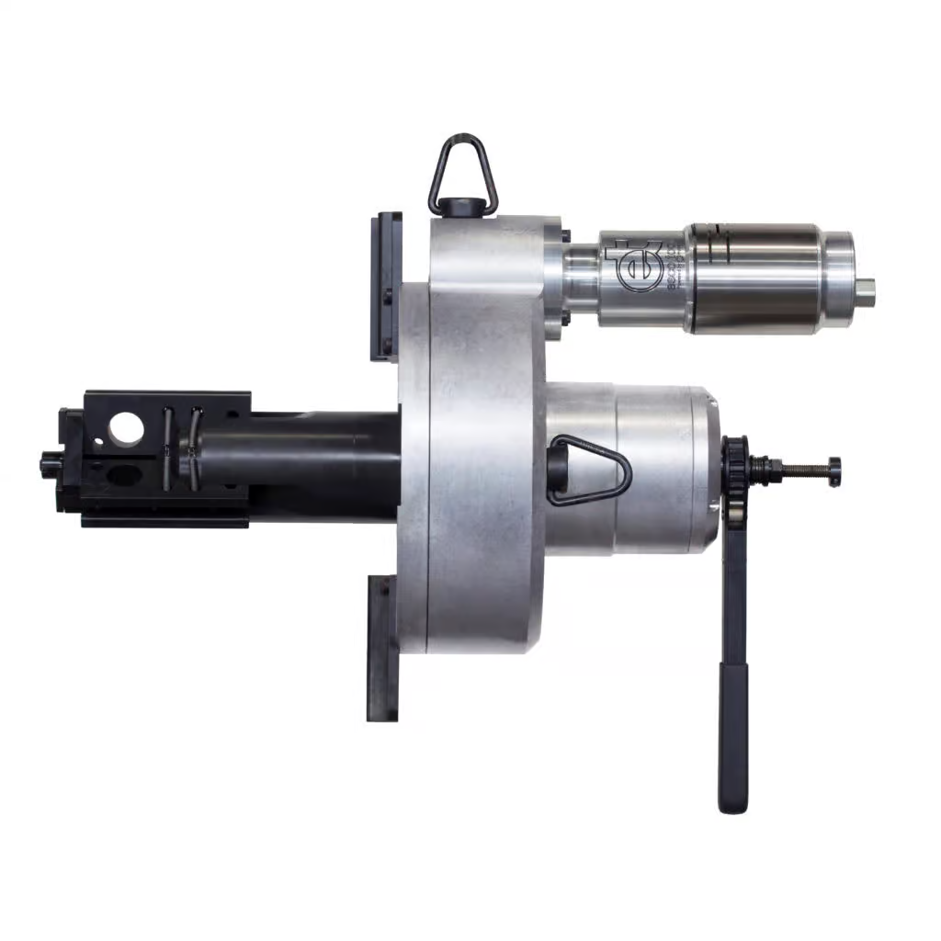 Image placeholder
Item Name: |  | Dictator II MILLHOG pipe beveling tool
HEL: |  | RMS-11

System description
The Dictator II MILLHOG is an internal clamping pipe beveling tool engineered to machine weld-preparation bevels on heavy-wall pipes. The system employs an internal diameter mandrel for mounting and an ID clamping, rigid mandrel feed type to ensure stability during operation.

Key Design Information
a) Dimensional Information
Parameter | Unit |  | Value | References | Notes
Height | mm |  | 508 | [1]
Length | mm |  | 965.2 | [1][2]
Width | mm |  | 508 | [1]
Mass | kg |  | 64.9 | [2]
b) Other Information
Working range | mm |  | 114.3 I.D. to 609.6 O.D. | [1] | 1
Drive options | - |  | air / hydraulic / electric | [1] | 3
Feed type | - |  | ID clamping, rigid mandrel | [1] | 2
Head length | mm |  | 711.2 | [2] | 1
Mounting method | - |  | internal diameter mandrel | [1] | 2
Cutterhead Speed | rpm |  | 6.5-22.5 | [1][2]

Manufacturer Information
Manufacturer: |  | Esco Tool
Model: |  | Esco Dictator II MILLHOG
Website: |  | Link
Notes
1. Working range assumes the correct mandrel and collet set; other ranges may be possible with alternative hardware. 2. Bevel shape and surface roughness depend on insert geometry and feed; they must be qualified for CFETR welding procedures. 3. Drive type (air, electric or hydraulic) influences weight, hoses and control lines in the work area.

References
[1] Esco Tool, "Dictator MILLHOG pipe beveling tool", n.d.. [Online]. Available: https://www.escotool.com/products/dictator-millhog-pipe-beveling-tool [2] Esco Tool, "Dictator MILLHOG datasheet", 2017. [Online]. Available: https://www.escotool.com/wp-content/uploads/2017/07/Dictator-MILLHOG.pdf

RMS-12
Technical Datasheet
Author: Faiz Shaikh
Catalogue |  |  |  | 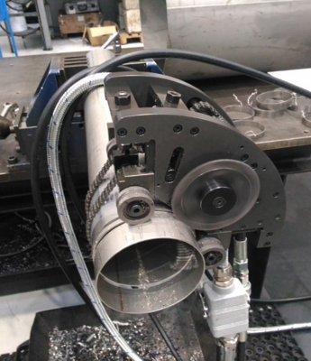 Image placeholder
Item Name: |  | Compact Universal Orbital Cutter
HEL: |  | RMS-12

System description
The LCSF 610 is a low-clearaThe Compact Universal Orbital Cutter is a prototype system planned for a wide diameter range of pipes in future CFETR maintenance. It is designed for versatility, with a target pipe diameter range of 100–1200 mm and the ability to handle a maximum pipe thickness of 7 mm.

Key Design Information
a) Dimensional Information
Parameter | Unit |  | Value | References | Notes
Height | - |  | N/A
Length | - |  | N/A
Width | - |  | N/A
Mass | kg |  | 5 | [1]
b) Other Information
Pipe diameter range | mm |  | 100–1200 | [1] | 1.3
Max pipe thickness | mm |  | 7 | [1] | 1.3
Blade idle speed | rpm |  | 80-300 | [1] | 2
Cutting speed | mm/min |  | 20–60 | [1]
Blade diameter | mm |  | 68 | [1]
Drive options | - |  | electric / pneumatic | [1]

Manufacturer Information
Manufacturer: |  | CERN
Model: |  | CERN Compact Universal Orbital Cutter
Website: |  | Link
Notes
1. Diameter and thickness values are target ranges from CERN prototype tests and may change during development. 2. Cutting speed and precision figures are indicative and require validation under CFETR-like access and radiation conditions. 3. Integration with CFETR remote handling tools will need additional mechanical and control interfaces.

References
[1] CERN, "Compact Universal Orbital Cutter tech brief", n.d.. [Online]. Available: https://kt.cern/technologies/compact-universal-orbital-cutter

