Sheet1
MATCHING

Tell us about your current or intended college major, or field of study. This information may help show the most relevant information helps us narrow down your scholarship search to deliver the most relevant scholarships that match your hobbies, interests, and academic background.
If you're unsure, toss in a few majors you'd like to explore. Remember, you can always modify your answers later.

Step 1
Personal Information

 | What is your name?
 | English | [ ] text
 | Chinese | [ ] text

 | What is your gender? | [ ] check box

 | Date of birth (MM/DD/YYYY) | ___/_____/_____

 | Contry of Birth | [ ] text

 | Nationality | [ ] text

 | Passport Number | [ ] text

 | Marital Status | [ ] check box

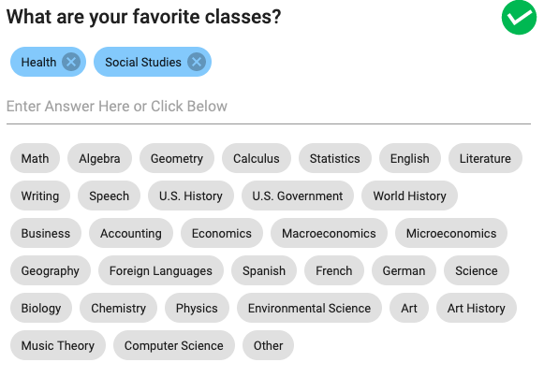
 | Telephone Number | [ ] text
 | Please provide the correct link so we can contact you when needed
 | Facebook | [ ] text
 | Please provide the correct link so we can contact you when needed

 | Hobbies/Activities | [ ] keyword
 | Choose the hobbies and activities that you participate in on a regular basis.

 | Work Experience | [ ] keyword

Financial status
 | Source of Funds for Study Abroad | [ ] check box

 | Household Income | [ ] dropdown
 | Which of the following choices best represents the student's annual household income?

 |  | Next

Step 2
Education Background

 | Name of School | [ ] text

 | Degree | [ ] text

 | Period of Study
 |  | From___(Year)____(Month)
 |  | To ___(year)___(month
 |  | graduated Graduating Did not graduate

 | Add education background

Academic performance and research experience

 | What's your GPA? | [ ] dropdown
 | If you've graduated, enter your final GPA

 | Research experience | [ ] dropdown
 | Have you ever participated in scientific research activities?
 | What were your field of scientific research? | [ ] keyword

 | Internship program | [ ] keyword

 | Domestic activities | [ ] keyword
 | The programs or events you have participated in.
 | International activities | [ ] keyword
 | The programs or events you have participated in.

 | Soft skills | [ ] dropdown
 | What soft skills do you own?
Work Experience
 | Name of Company
 | Job Position
 | Work Period | From___(Year)____(Month)
 |  | To ___(year)___(month
 | Add work experience

Language proficiency level
 | Native Language | [ ] dropdown

 | What's your English certificate? | [ ] check box

 | How score did you get?
 | IELTS | [ ] dropdown
 | TOEIC | [ ] dropdown
 | TOEFL iBT | [ ] dropdown
 | Other | [ ] text

 | What's your Chinese certificate? | [ ] check box

 | Which level did you achieve?
 | TOCFL | [ ] dropdown
 | HSK | [ ] dropdown
 | HSKK | [ ] dropdown
Add Language proficiency
 | What's the other certificate? | [ ] text
 | Which level did you achieve? | [ ] text
Self-assess your language skills
Please evaluate your language proficiency level by yourself choosing Excellent, Good, Average, or Poor
 | Chinese (if any)
 | Listening | [ ] dropdown
 | Speaking | [ ] dropdown
 | Reading | [ ] dropdown
 | Writing | [ ] dropdown

 | English (if any)
 | Listening | [ ] dropdown
 | Speaking | [ ] dropdown
 | Reading | [ ] dropdown
 | Writing | [ ] dropdown

 | Other (if any)
 | Listening | [ ] dropdown
 | Speaking | [ ] dropdown
 | Reading | [ ] dropdown
 | Writing | [ ] dropdown

 | Add more
 |  | Next

Step 3
 | Planned Enrollment Status

 | Degree | [ ] dropdown
 | Which degree you want to or attend to apply for?
 | Department | [ ] keyword
 | What's the short list of Department that you'd like to attend, or that you're considering attending?
 | Semester | [ ] dropdown
 | Which semester are you want to apply for?
 | Language | [ ] dropdown
 | Which language are you want to study abroad?
 | Location | [ ] dropdown
 | Which location do you attend or plan to attend college?

 | City | [ ] dropdown
 | In which City does the student attend or plan to attend college?

 | Desire Career | [ ] keyword
 | What career or careers are you considering or hoping to pursue?

 | SUBSCRIBE

 | New Scholarships

 | We'll send you an email when a new scholarship matches your profile.

 | Scholarship Deadline Notifications

 | We'll send you a reminder when you have deadlines approaching, so you don't miss out.

 | All information is confidential by Scholling

 | By clicking "FINISH", I agree to the Terms & Conditions and Privacy Policy.

 |  | Finish

