Bug_report
Bug ID | Prerequisites | Steps to Reproduce | Severity | Priority | Expected Result | Actual Result | Attachment | Status
B_01 | Open Casio Clone Website | Try to use search functionality | Major | P0 | Should search correctly | Search not working | 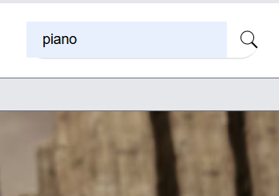 | FAIL
B_02 | Open Casio Clone Website | Go to Watches section and try to sort by size | Major | P0 | Should sort by size | Sorting by size not working | 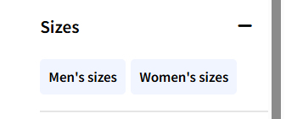 | FAIL
B_03 | Open Casio Clone Website | Go to Watches section and try to filter by function | Major | P0 | Should filter by function | Filtering by function not working | 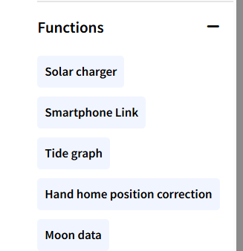 | FAIL
B_04 | Open Casio Clone Website | Go to Watches section and try to filter by color | Major | P0 | Should filter by color | Filtering by color not working |  | FAIL
B_05 | Open Casio Clone Website | Go to Watches section and try to sort by price range | Major | P0 | Should sort by price range | Sorting by price range not working |  | FAIL
B_06 | Open Casio Clone Website | On Home page, click on Printer button | Minor | P1 | should i click printer button so its redirec to product page | Printer button not clickable |  | FAIL
B_07 | Open Casio Clone Website | Go to Calculator section and try to sort by power | Major | P0 | Should sort by power | Sorting by power not working |  | FAIL
B_08 | Open Casio Clone Website | Go to Calculator section and try to sort by digits | Major | P0 | Should sort by digits | Sorting by digits not working | 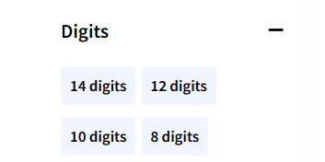 | FAIL
B_09 | Open Casio Clone Website | Go to Calculator section and try to sort by price | Major | P0 | Should sort by price | Sorting by price not working | 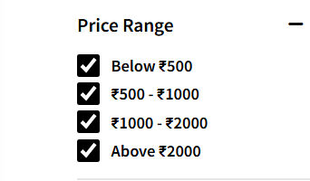 | FAIL
B_010 | Open Casio Clone Website | Go to Calculator section and try to sort by series | Major | P0 | Should sort by series | Sorting by series not working | 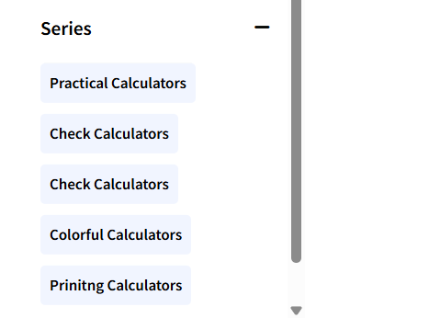 | FAIL
B_011 | Open Casio Clone Website | Go to Calculator section and try to sort by type | Major | P0 | Should sort by type | Sorting by type not working | 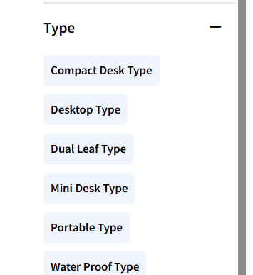 | FAIL
B_012 | Open Casio Clone Website | Add any item to Wishlist and check Wishlist page | Major | P0 | Wishlist should work properly | Wishlist functionality not working |  | FAIL
B_013 | Open Casio Clone Website | Try to open Wishlist page | Major | P0 | Wishlist page should open | Page not found | 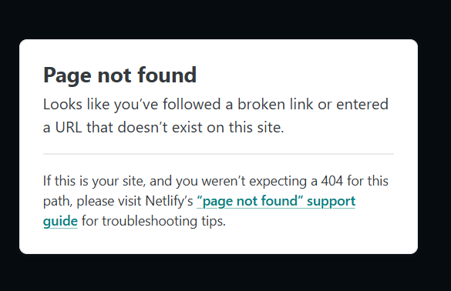 | FAIL

