Sheet1
Bug ID | Prerequisites | Steps to Reproduce | Severity | Priority | Expected Result | Actual Result | Attachment | Status
B_001 | Open the https://www.henrys.com/ | 1 . Click on search 2. search mic 3 . Try to click on tick box in category section | Minor | P2 | All tick box should be i am able tick one by one | i am able to all the click | 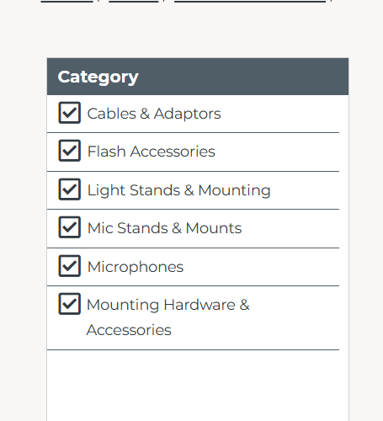 | FAIL
B_002 | Open the https://www.henrys.com/ | 1 . Click on search 2 . search Audio 2 . Try to click on tick box in category section | Minor | P2 | All tick box should be i am able tick one by one | i am able to all the click | 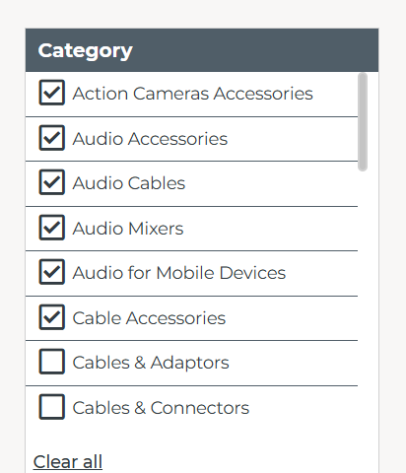 | FAIL
B_003 | Open the https://www.henrys.com/ | 1 . Click on search 2 . type camera | Minor | P1 | It will load with in 3 second | its take more than 5 second | 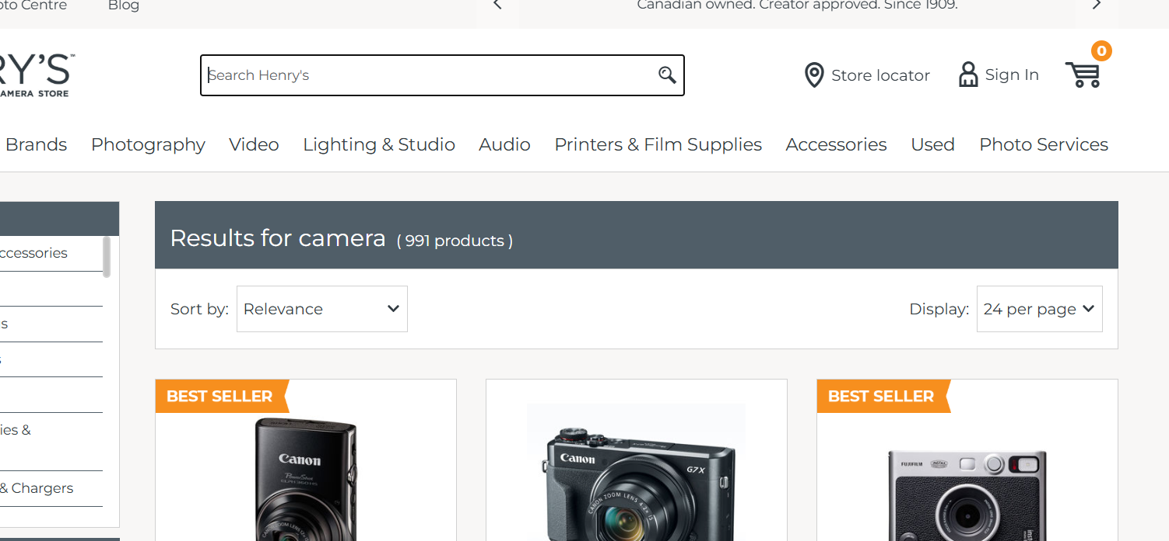 | FAIL
B_004 | Open the https://www.henrys.com/ | 1 . Click on search 2 . type any product name example "camera" | Minor | P2 | in sort option it will be filter page as requrment | its not working |  | FAIL
B_005 | Open the https://www.henrys.com/ | 1 . Click search 2 . type any prodcut | Minor | P1 | in any filter section quantity opetion it will be showing right result | in any filter by Quantity it willl be give me as requirment | 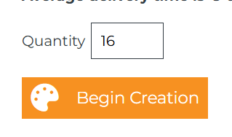 | FAIL
B_006 | Open the https://www.henrys.com/ | 1 . click search 2. Type any product 3 . see on display pages page | Minor | P1 | in pages section i am not getting expected result | its give me nothing when i filter by page | 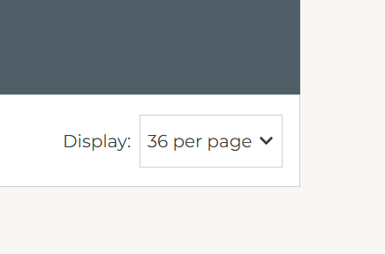 | FAIL
B_007 | Open the https://www.henrys.com/ | 1 . Click search 2 . Type any product | Minor | P1 | in check i should able to click a tick box one bye one | i am able to all the tick box | 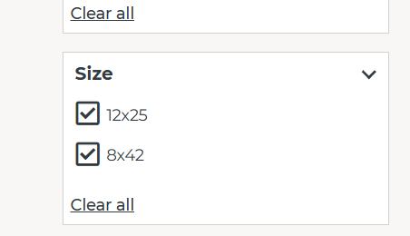 | FAIL
B_008 | Open the https://www.henrys.com/ | 1 . Click search 2 . type any product | Minor | P1 | in filter by prize section it will be give me right prize | its not filter as requr ment | 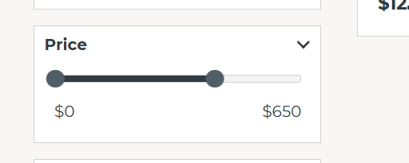 | FAIL
B_009 | Open the https://www.henrys.com/ | 1 . Click on search 2 . type any mic | Minor | P1 | in pages section i am not getting expected result | it should give as i required | 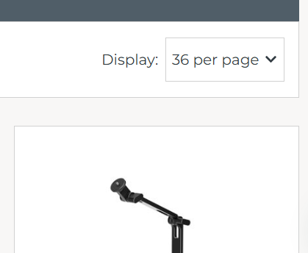 | FAIL
B_010 | Open the https://www.henrys.com/ | 1 . Click on search 2 . type "Camera" | Major | P1 | Page should take minmum 3 seconds to laading | its taking more than 5 second | 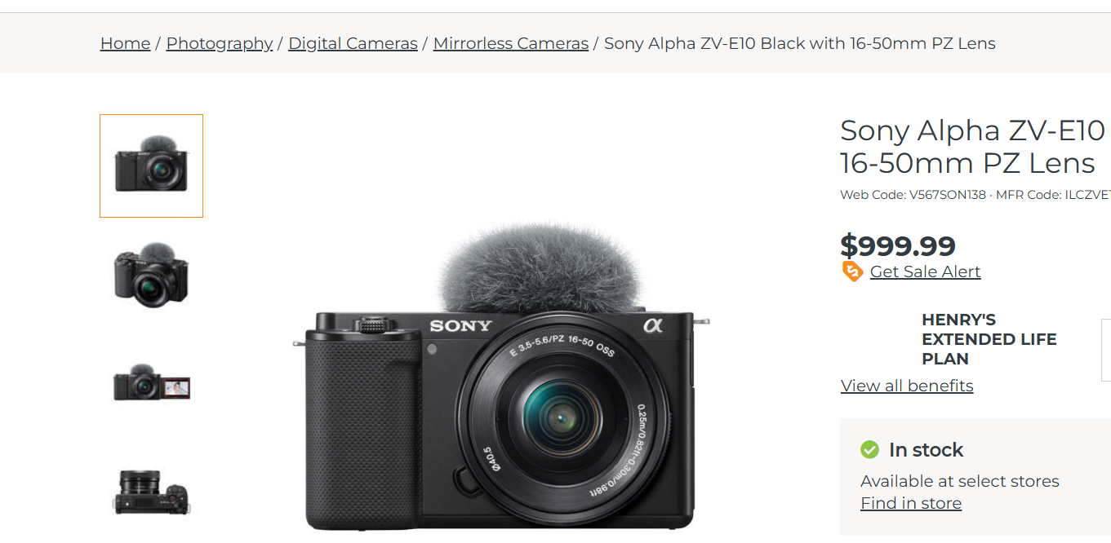 | FAIL
B_011 | Open the https://www.henrys.com/ | 1 . Click on search 2 .type any product | Minor | P1 | i should able to one by one tick box in narrow results sec tion | i am able to all the tick box | 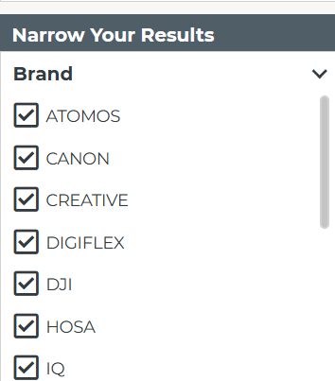 | FAIL
B_012 | Open the https://www.henrys.com/ | 1 . check through inspect the page | Major | P0 | this website should be responsive on mobie | some time this web is not mobie responsive | 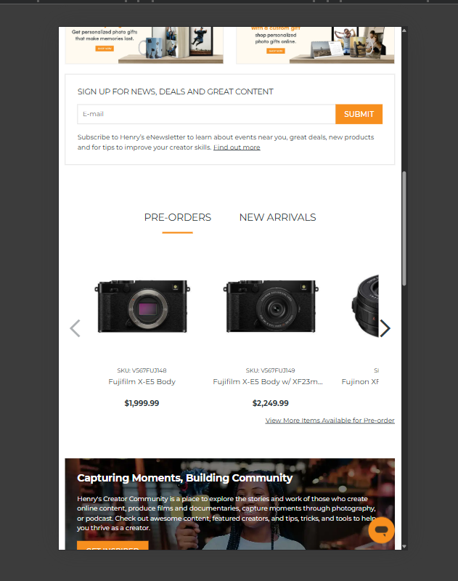 | FAIL
B_13 | Open the https://www.henrys.com/ | 1. click on the blog section there will be have Email put a optiōn | Minor | P1 | when i write emal then should be i am able to subscribe | without taking email its working |  | FAIL

