Sheet1
Bug ID | Prerequisites | Steps to Reproduce | Severity | Priority | Expected Result | Actual Result | Attachment | Status
B_001 | Open the website https://tutorialsninja. com/demo/ index.php? route=common/home | After Opening the Website Click on the desktop section | Medium | P1 | When i click the desktop page it will be redirect desktop page | Desktop section not working |  | FAIL
B_002 | Open the website https://tutorialsninja. com/demo/ index.php? route=common/home | 1.Hover On the Desktop section after Pc option will appear 2. Click on the PC | Medium | P1 | When i click pc option so all the pc will be appeared | PC Option not showing any product |  | FAIL
B_003 | Open the website https://tutorialsninja. com/demo/ index.php? route=common/home | 1.Click on the laptop&notebook option all the prodcut are visible | Medium | P1 | When i click mac option so all the pc will be appeared | Mac Option not showing any product |  | FAIL
B_004 | Open the website https://tutorialsninja. com/demo/ index.php? route=common/home | 1.Click on the laptop&notebook option all the prodcut are visible | Medium | P1 | "When i click windwos option so all the pc will be appeared" | When i click windwos option so all the windows will be appeared | 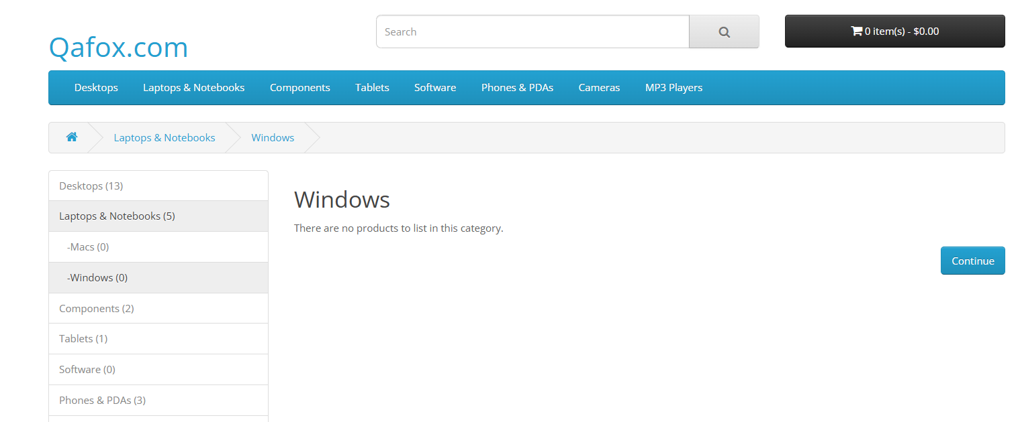 | FAIL
B_005 | Open the website https://tutorialsninja. com/demo/ index.php? route=common/home | 1.After hovering the Laptop&Notebook option 2.click on the pc option | Medium | P1 | If i select pc option so all the pc product should be visible | Not showing any producut after click the option page are empty |  | FAIL
B_006 | Open the website https://tutorialsninja. com/demo/ index.php? route=common/home | 1.After hovering the Coomponenet option 2.click on the mic&Trackballs option | Medium | P1 | If i select mic&Track option so all the pc product should be visible | Not showing any producut after click the option page are empty |  | FAIL
B_007 | Open the website https://tutorialsninja. com/demo/ index.php? route=common/home | 1.After hovering the Coomponenet option 2.click on the printeres option | Medium | P1 | If i select printer option so all the pc product should be visible | Not showing any producut after click the option page are empty | 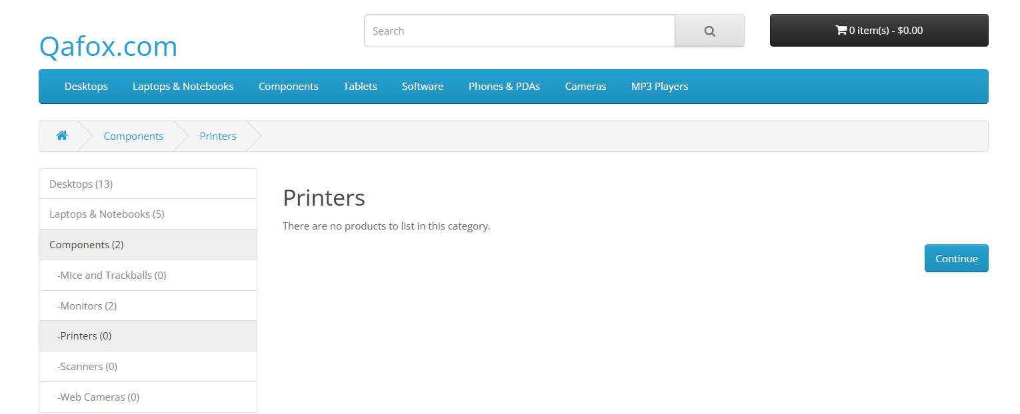 | FAIL
B_008 | Open the website https://tutorialsninja. com/demo/ index.php? route=common/home |  |  |  |  |  |  | FAIL
B_009 | Open the website https://tutorialsninja. com/demo/ index.php? route=common/home | 1. open the website 2 . Click on the mp3 player section | Medium | P1 | if i click on the MP3 section so all product shoud be visible | Not showing any producut after click the option page are empty |  | FAIL
B_010 | Open the website https://tutorialsninja. com/demo/ index.php? route=common/home | 1.Navigate 2.Type camera name 3. Click Search | High | P0 | "if i search camera so Relevant results Should display" | There is not product there is matches the search creteria |  | FAIL
B_011 | Open the website https://tutorialsninja. com/demo/ index.php? route=common/home | 1.Type partial product name 2. Click Search | High | P0 | "if i search Laptop so Relevant results Should display" | There is not product there is matches the search creteria |  | FAIL
B_012 | Open the website https://tutorialsninja. com/demo/ index.php? route=common/home | 1.Open the website 2.Click on the product 3.fill all the detaills which below on the cart | Medium | P0 | Radio button should be there | it show me Radio required! but radio button option is not there |  | FAIL
B_013 | Open the website https://tutorialsninja. com/demo/ index.php? route=common/home | 1.After hovering the Coomponenet option 2.click on the webcameras option | Medium | P0 | "if i search webcameras so Relevant results Should display" | There is not product there is matches the search creteria |  | FAIL

