GST Revenue
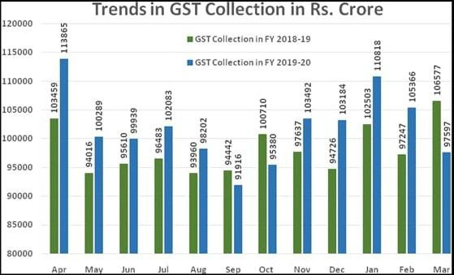
 |  |  |  | GST Revenue FY 2019-2020
Month | CGST | SGST | IGST |  |  |  | CESS |  |  | Grand Total
 |  |  | Domestic |  | Customs | Total | Domestic | Customs | Total
April | 21,163 | 28,801 | 31,444 |  | 23,289 | 54,733 | 8,115 | 1,053 | 9,168 | 113,865
May | 17,811 | 24,462 | 25,016 |  | 24,875 | 49,891 | 7,172 | 953 | 8,125 | 100,289
June | 18,366 | 25,343 | 25,792 |  | 21,980 | 47,772 | 7,581 | 876 | 8,457 | 99,938
July | 17,912 | 25,008 | 26,366 |  | 24,246 | 50,612 | 7,754 | 797 | 8,551 | 102,083
August | 17,733 | 24,239 | 24,140 |  | 24,818 | 48,958 | 6,432 | 841 | 7,273 | 98,203
September | 16,630 | 22,598 | 22,972 |  | 22,097 | 45,069 | 6,892 | 728 | 7,620 | 91,917
October | 17,582 | 23,674 | 25,071 |  | 21,446 | 46,517 | 6,833 | 774 | 7,607 | 95,380
November | 19,592 | 27,144 | 28,080 |  | 20,948 | 49,028 | 6,858 | 869 | 7,727 | 103,491
December | 19,962 | 26,792 | 26804 |  | 21295 | 48,099 | 7484 | 847 | 8,331 | 103,184
January | 20,944 | 28,224 | 29,532 |  | 23,481 | 53,013 | 7,813 | 824 | 8,637 | 110,818
February | 20569 | 27348 | 27758 |  | 20745 | 48503 | 7907 | 1040 | 8947 | 105366
March | 19183 | 25601 | 26452 |  | 18056 | 44508 | 7465 | 841 | 8306 | 97597
Total | 227447 | 309234 | 319427 |  | 267276 | 586703 | 88306 | 10443 | 98749 | 1222131

