^GSPC
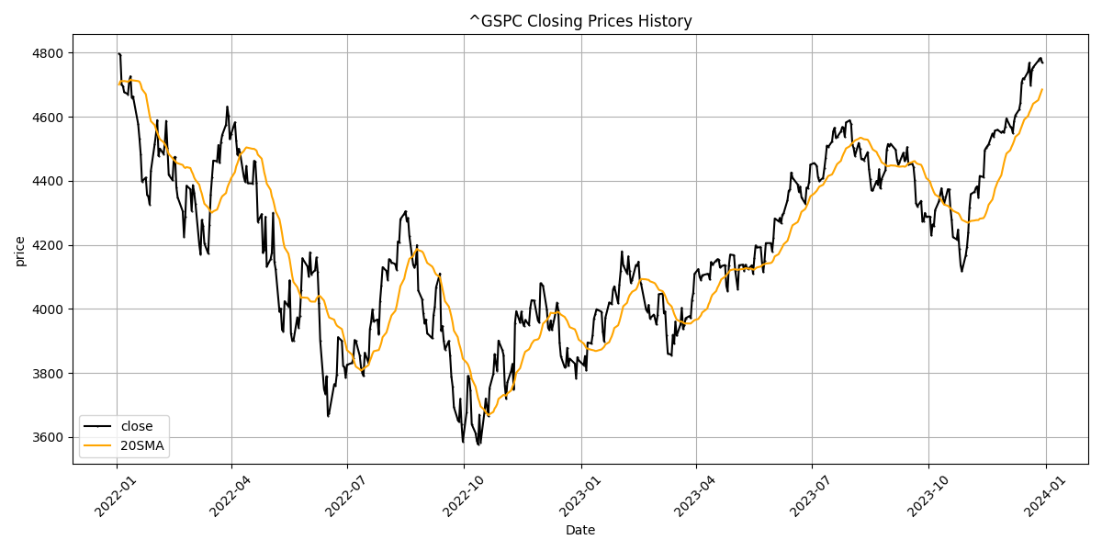
Date | Close Price
2022-01-03 | 4796.56
2022-01-04 | 4793.54
2022-01-05 | 4700.58
2022-01-06 | 4696.05
2022-01-07 | 4677.03
2022-01-10 | 4670.29
2022-01-11 | 4713.07
2022-01-12 | 4726.35
2022-01-13 | 4659.03
2022-01-14 | 4662.85
2022-01-18 | 4577.11
2022-01-19 | 4532.76
2022-01-20 | 4482.73
2022-01-21 | 4397.94
2022-01-24 | 4410.13
2022-01-25 | 4356.45
2022-01-26 | 4349.93
2022-01-27 | 4326.51
2022-01-28 | 4431.85
2022-01-31 | 4515.55
2022-02-01 | 4546.54
2022-02-02 | 4589.38
2022-02-03 | 4477.44
2022-02-04 | 4500.53
2022-02-07 | 4483.87
2022-02-08 | 4521.54
2022-02-09 | 4587.18
2022-02-10 | 4504.08
2022-02-11 | 4418.64
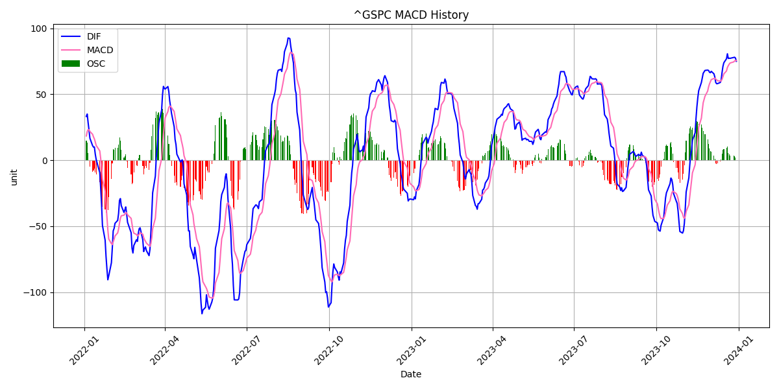
2022-02-14 | 4401.67
2022-02-15 | 4471.07
2022-02-16 | 4475.01
2022-02-17 | 4380.26
2022-02-18 | 4348.87
2022-02-22 | 4304.76
2022-02-23 | 4225.5
2022-02-24 | 4288.7
2022-02-25 | 4384.65
2022-02-28 | 4373.94
2022-03-01 | 4306.26
2022-03-02 | 4386.54
2022-03-03 | 4363.49
2022-03-04 | 4328.87
2022-03-07 | 4201.09
2022-03-08 | 4170.7
2022-03-09 | 4277.88
2022-03-10 | 4259.52
2022-03-11 | 4204.31
2022-03-14 | 4173.11
2022-03-15 | 4262.45
2022-03-16 | 4357.86
2022-03-17 | 4411.67
2022-03-18 | 4463.12
2022-03-21 | 4461.18
2022-03-22 | 4511.61
2022-03-23 | 4456.24
2022-03-24 | 4520.16
2022-03-25 | 4543.06
2022-03-28 | 4575.52
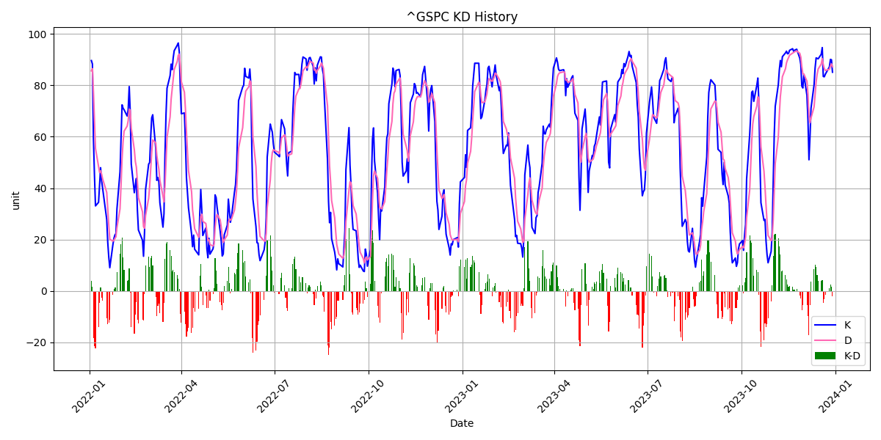
2022-03-29 | 4631.6
2022-03-30 | 4602.45
2022-03-31 | 4530.41
2022-04-01 | 4545.86
2022-04-04 | 4582.64
2022-04-05 | 4525.12
2022-04-06 | 4481.15
2022-04-07 | 4500.21
2022-04-08 | 4488.28
2022-04-11 | 4412.53
2022-04-12 | 4397.45
2022-04-13 | 4446.59
2022-04-14 | 4392.59
2022-04-18 | 4391.69
2022-04-19 | 4462.21
2022-04-20 | 4459.45
2022-04-21 | 4393.66
2022-04-22 | 4271.78
2022-04-25 | 4296.12
2022-04-26 | 4175.2
2022-04-27 | 4183.96
2022-04-28 | 4287.5
2022-04-29 | 4131.93
2022-05-02 | 4155.38
2022-05-03 | 4175.48
2022-05-04 | 4300.17
2022-05-05 | 4146.87
2022-05-06 | 4123.34
2022-05-09 | 3991.24
2022-05-10 | 4001.05
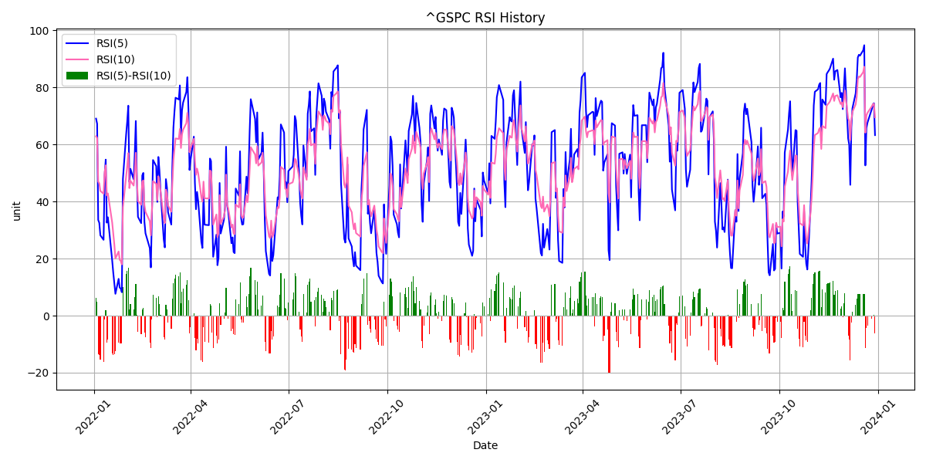
2022-05-11 | 3935.18
2022-05-12 | 3930.08
2022-05-13 | 4023.89
2022-05-16 | 4008.01
2022-05-17 | 4088.85
2022-05-18 | 3923.68
2022-05-19 | 3900.79
2022-05-20 | 3901.36
2022-05-23 | 3973.75
2022-05-24 | 3941.48
2022-05-25 | 3978.73
2022-05-26 | 4057.84
2022-05-27 | 4158.24
2022-05-31 | 4132.15
2022-06-01 | 4101.23
2022-06-02 | 4176.82
2022-06-03 | 4108.54
2022-06-06 | 4121.43
2022-06-07 | 4160.68
2022-06-08 | 4115.77
2022-06-09 | 4017.82
2022-06-10 | 3900.86
2022-06-13 | 3749.63
2022-06-14 | 3735.48
2022-06-15 | 3789.99
2022-06-16 | 3666.77
2022-06-17 | 3674.84
2022-06-21 | 3764.79
2022-06-22 | 3759.89
2022-06-23 | 3795.73
2022-06-24 | 3911.74
2022-06-27 | 3900.11
2022-06-28 | 3821.55
2022-06-29 | 3818.83
2022-06-30 | 3785.38
2022-07-01 | 3825.33
2022-07-05 | 3831.39
2022-07-06 | 3845.08
2022-07-07 | 3902.62
2022-07-08 | 3899.38
2022-07-11 | 3854.43
2022-07-12 | 3818.8
2022-07-13 | 3801.78
2022-07-14 | 3790.38
2022-07-15 | 3863.16
2022-07-18 | 3830.85
2022-07-19 | 3936.69
2022-07-20 | 3959.9
2022-07-21 | 3998.95
2022-07-22 | 3961.63
2022-07-25 | 3966.84
2022-07-26 | 3921.05
2022-07-27 | 4023.61
2022-07-28 | 4072.43
2022-07-29 | 4130.29
2022-08-01 | 4118.63
2022-08-02 | 4091.19
2022-08-03 | 4155.17
2022-08-04 | 4151.94
2022-08-05 | 4145.19
2022-08-08 | 4140.06
2022-08-09 | 4122.47
2022-08-10 | 4210.24
2022-08-11 | 4207.27
2022-08-12 | 4280.15
2022-08-15 | 4297.14
2022-08-16 | 4305.2
2022-08-17 | 4274.04
2022-08-18 | 4283.74
2022-08-19 | 4228.48
2022-08-22 | 4137.99
2022-08-23 | 4128.73
2022-08-24 | 4140.77
2022-08-25 | 4199.12
2022-08-26 | 4057.66
2022-08-29 | 4030.61
2022-08-30 | 3986.16
2022-08-31 | 3955
2022-09-01 | 3966.85
2022-09-02 | 3924.26
2022-09-06 | 3908.19
2022-09-07 | 3979.87
2022-09-08 | 4006.18
2022-09-09 | 4067.36
2022-09-12 | 4110.41
2022-09-13 | 3932.69
2022-09-14 | 3946.01
2022-09-15 | 3901.35
2022-09-16 | 3873.33
2022-09-19 | 3899.89
2022-09-20 | 3855.93
2022-09-21 | 3789.93
2022-09-22 | 3757.99
2022-09-23 | 3693.23
2022-09-26 | 3655.04
2022-09-27 | 3647.29
2022-09-28 | 3719.04
2022-09-29 | 3640.47
2022-09-30 | 3585.62
2022-10-03 | 3678.43
2022-10-04 | 3790.93
2022-10-05 | 3783.28
2022-10-06 | 3744.52
2022-10-07 | 3639.66
2022-10-10 | 3612.39
2022-10-11 | 3588.84
2022-10-12 | 3577.03
2022-10-13 | 3669.91
2022-10-14 | 3583.07
2022-10-17 | 3677.95
2022-10-18 | 3719.98
2022-10-19 | 3695.16
2022-10-20 | 3665.78
2022-10-21 | 3752.75
2022-10-24 | 3797.34
2022-10-25 | 3859.11
2022-10-26 | 3830.6
2022-10-27 | 3807.3
2022-10-28 | 3901.06
2022-10-31 | 3871.98
2022-11-01 | 3856.1
2022-11-02 | 3759.69
2022-11-03 | 3719.89
2022-11-04 | 3770.55
2022-11-07 | 3806.8
2022-11-08 | 3828.11
2022-11-09 | 3748.57
2022-11-10 | 3956.37
2022-11-11 | 3992.93
2022-11-14 | 3957.25
2022-11-15 | 3991.73
2022-11-16 | 3958.79
2022-11-17 | 3946.56
2022-11-18 | 3965.34
2022-11-21 | 3949.94
2022-11-22 | 4003.58
2022-11-23 | 4027.26
2022-11-25 | 4026.12
2022-11-28 | 3963.94
2022-11-29 | 3957.63
2022-11-30 | 4080.11
2022-12-01 | 4076.57
2022-12-02 | 4071.7
2022-12-05 | 3998.84
2022-12-06 | 3941.26
2022-12-07 | 3933.92
2022-12-08 | 3963.51
2022-12-09 | 3934.38
2022-12-12 | 3990.56
2022-12-13 | 4019.65
2022-12-14 | 3995.32
2022-12-15 | 3895.75
2022-12-16 | 3852.36
2022-12-19 | 3817.66
2022-12-20 | 3821.62
2022-12-21 | 3878.44
2022-12-22 | 3822.39
2022-12-23 | 3844.82
2022-12-27 | 3829.25
2022-12-28 | 3783.22
2022-12-29 | 3849.28
2022-12-30 | 3839.5
2023-01-03 | 3824.14
2023-01-04 | 3852.97
2023-01-05 | 3808.1
2023-01-06 | 3895.08
2023-01-09 | 3892.09
2023-01-10 | 3919.25
2023-01-11 | 3969.61
2023-01-12 | 3983.17
2023-01-13 | 3999.09
2023-01-17 | 3990.97
2023-01-18 | 3928.86
2023-01-19 | 3898.85
2023-01-20 | 3972.61
2023-01-23 | 4019.81
2023-01-24 | 4016.95
2023-01-25 | 4016.22
2023-01-26 | 4060.43
2023-01-27 | 4070.56
2023-01-30 | 4017.77
2023-01-31 | 4076.6
2023-02-01 | 4119.21
2023-02-02 | 4179.76
2023-02-03 | 4136.48
2023-02-06 | 4111.08
2023-02-07 | 4164
2023-02-08 | 4117.86
2023-02-09 | 4081.5
2023-02-10 | 4090.46
2023-02-13 | 4137.29
2023-02-14 | 4136.13
2023-02-15 | 4147.6
2023-02-16 | 4090.41
2023-02-17 | 4079.09
2023-02-21 | 3997.34
2023-02-22 | 3991.05
2023-02-23 | 4012.32
2023-02-24 | 3970.04
2023-02-27 | 3982.24
2023-02-28 | 3970.15
2023-03-01 | 3951.39
2023-03-02 | 3981.35
2023-03-03 | 4045.64
2023-03-06 | 4048.42
2023-03-07 | 3986.37
2023-03-08 | 3992.01
2023-03-09 | 3918.32
2023-03-10 | 3861.59
2023-03-13 | 3855.76
2023-03-14 | 3919.29
2023-03-15 | 3891.93
2023-03-16 | 3960.28
2023-03-17 | 3916.64
2023-03-20 | 3951.57
2023-03-21 | 4002.87
2023-03-22 | 3936.97
2023-03-23 | 3948.72
2023-03-24 | 3970.99
2023-03-27 | 3977.53
2023-03-28 | 3971.27
2023-03-29 | 4027.81
2023-03-30 | 4050.83
2023-03-31 | 4109.31
2023-04-03 | 4124.51
2023-04-04 | 4100.6
2023-04-05 | 4090.38
2023-04-06 | 4105.02
2023-04-10 | 4109.11
2023-04-11 | 4108.94
2023-04-12 | 4091.95
2023-04-13 | 4146.22
2023-04-14 | 4137.64
2023-04-17 | 4151.32
2023-04-18 | 4154.87
2023-04-19 | 4154.52
2023-04-20 | 4129.79
2023-04-21 | 4133.52
2023-04-24 | 4137.04
2023-04-25 | 4071.63
2023-04-26 | 4055.99
2023-04-27 | 4135.35
2023-04-28 | 4169.48
2023-05-01 | 4167.87
2023-05-02 | 4119.58
2023-05-03 | 4090.75
2023-05-04 | 4061.22
2023-05-05 | 4136.25
2023-05-08 | 4138.12
2023-05-09 | 4119.17
2023-05-10 | 4137.64
2023-05-11 | 4130.62
2023-05-12 | 4124.08
2023-05-15 | 4136.28
2023-05-16 | 4109.9
2023-05-17 | 4158.77
2023-05-18 | 4198.05
2023-05-19 | 4191.98
2023-05-22 | 4192.63
2023-05-23 | 4145.58
2023-05-24 | 4115.24
2023-05-25 | 4151.28
2023-05-26 | 4205.45
2023-05-30 | 4205.52
2023-05-31 | 4179.83
2023-06-01 | 4221.02
2023-06-02 | 4282.37
2023-06-05 | 4273.79
2023-06-06 | 4283.85
2023-06-07 | 4267.52
2023-06-08 | 4293.93
2023-06-09 | 4298.86
2023-06-12 | 4338.93
2023-06-13 | 4369.01
2023-06-14 | 4372.59
2023-06-15 | 4425.84
2023-06-16 | 4409.59
2023-06-20 | 4388.71
2023-06-21 | 4365.69
2023-06-22 | 4381.89
2023-06-23 | 4348.33
2023-06-26 | 4328.82
2023-06-27 | 4378.41
2023-06-28 | 4376.86
2023-06-29 | 4396.44
2023-06-30 | 4450.38
2023-07-03 | 4455.59
2023-07-05 | 4446.82
2023-07-06 | 4411.59
2023-07-07 | 4398.95
2023-07-10 | 4409.53
2023-07-11 | 4439.26
2023-07-12 | 4472.16
2023-07-13 | 4510.04
2023-07-14 | 4505.42
2023-07-17 | 4522.79
2023-07-18 | 4554.98
2023-07-19 | 4565.72
2023-07-20 | 4534.87
2023-07-21 | 4536.34
2023-07-24 | 4554.64
2023-07-25 | 4567.46
2023-07-26 | 4566.75
2023-07-27 | 4537.41
2023-07-28 | 4582.23
2023-07-31 | 4588.96
2023-08-01 | 4576.73
2023-08-02 | 4513.39
2023-08-03 | 4501.89
2023-08-04 | 4478.03
2023-08-07 | 4518.44
2023-08-08 | 4499.38
2023-08-09 | 4467.71
2023-08-10 | 4468.83
2023-08-11 | 4464.05
2023-08-14 | 4489.72
2023-08-15 | 4437.86
2023-08-16 | 4404.33
2023-08-17 | 4370.36
2023-08-18 | 4369.71
2023-08-21 | 4399.77
2023-08-22 | 4387.55
2023-08-23 | 4436.01
2023-08-24 | 4376.31
2023-08-25 | 4405.71
2023-08-28 | 4433.31
2023-08-29 | 4497.63
2023-08-30 | 4514.87
2023-08-31 | 4507.66
2023-09-01 | 4515.77
2023-09-05 | 4496.83
2023-09-06 | 4465.48
2023-09-07 | 4451.14
2023-09-08 | 4457.49
2023-09-11 | 4487.46
2023-09-12 | 4461.9
2023-09-13 | 4467.44
2023-09-14 | 4505.1
2023-09-15 | 4450.32
2023-09-18 | 4453.53
2023-09-19 | 4443.95
2023-09-20 | 4402.2
2023-09-21 | 4330
2023-09-22 | 4320.06
2023-09-25 | 4337.44
2023-09-26 | 4273.53
2023-09-27 | 4274.51
2023-09-28 | 4299.7
2023-09-29 | 4288.05
2023-10-02 | 4288.39
2023-10-03 | 4229.45
2023-10-04 | 4263.75
2023-10-05 | 4258.19
2023-10-06 | 4308.5
2023-10-09 | 4335.66
2023-10-10 | 4358.24
2023-10-11 | 4376.95
2023-10-12 | 4349.61
2023-10-13 | 4327.78
2023-10-16 | 4373.63
2023-10-17 | 4373.2
2023-10-18 | 4314.6
2023-10-19 | 4278
2023-10-20 | 4224.16
2023-10-23 | 4217.04
2023-10-24 | 4247.68
2023-10-25 | 4186.77
2023-10-26 | 4137.23
2023-10-27 | 4117.37
2023-10-30 | 4166.82
2023-10-31 | 4193.8
2023-11-01 | 4237.86
2023-11-02 | 4317.78
2023-11-03 | 4358.34
2023-11-06 | 4365.98
2023-11-07 | 4378.38
2023-11-08 | 4382.78
2023-11-09 | 4347.35
2023-11-10 | 4415.24
2023-11-13 | 4411.55
2023-11-14 | 4495.7
2023-11-15 | 4502.88
2023-11-16 | 4508.24
2023-11-17 | 4514.02
2023-11-20 | 4547.38
2023-11-21 | 4538.19
2023-11-22 | 4556.62
2023-11-24 | 4559.34
2023-11-27 | 4550.43
2023-11-28 | 4554.89
2023-11-29 | 4550.58
2023-11-30 | 4567.8
2023-12-01 | 4594.63
2023-12-04 | 4569.78
2023-12-05 | 4567.18
2023-12-06 | 4549.34
2023-12-07 | 4585.59
2023-12-08 | 4604.37
2023-12-11 | 4622.44
2023-12-12 | 4643.7
2023-12-13 | 4707.09
2023-12-14 | 4719.55
2023-12-15 | 4719.19
2023-12-18 | 4740.56
2023-12-19 | 4768.37
2023-12-20 | 4698.35
2023-12-21 | 4746.75
2023-12-22 | 4754.63
2023-12-26 | 4774.75
2023-12-27 | 4781.58
2023-12-28 | 4783.35
2023-12-29 | 4769.83

AAPL
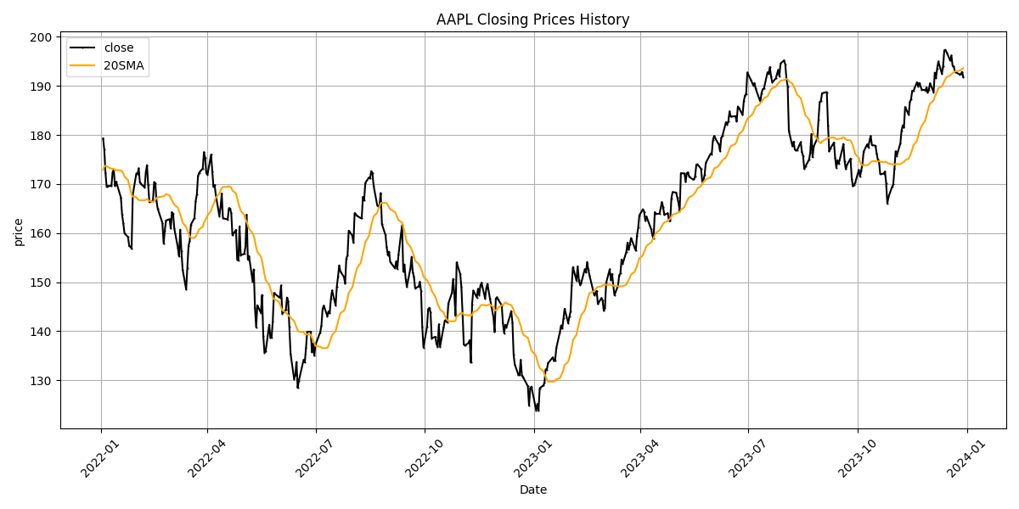
Date | Close Price
2022-01-03 | 179.27
2022-01-04 | 177
2022-01-05 | 172.29
2022-01-06 | 169.41
2022-01-07 | 169.58
2022-01-10 | 169.6
2022-01-11 | 172.45
2022-01-12 | 172.89
2022-01-13 | 169.6
2022-01-14 | 170.47
2022-01-18 | 167.25
2022-01-19 | 163.73
2022-01-20 | 162.04
2022-01-21 | 159.97
2022-01-24 | 159.19
2022-01-25 | 157.38
2022-01-26 | 157.29
2022-01-27 | 156.83
2022-01-28 | 167.77
2022-01-31 | 172.15
2022-02-01 | 171.98
2022-02-02 | 173.2
2022-02-03 | 170.3
2022-02-04 | 170.01
2022-02-07 | 169.29
2022-02-08 | 172.42
2022-02-09 | 173.85
2022-02-10 | 169.75
2022-02-11 | 166.32
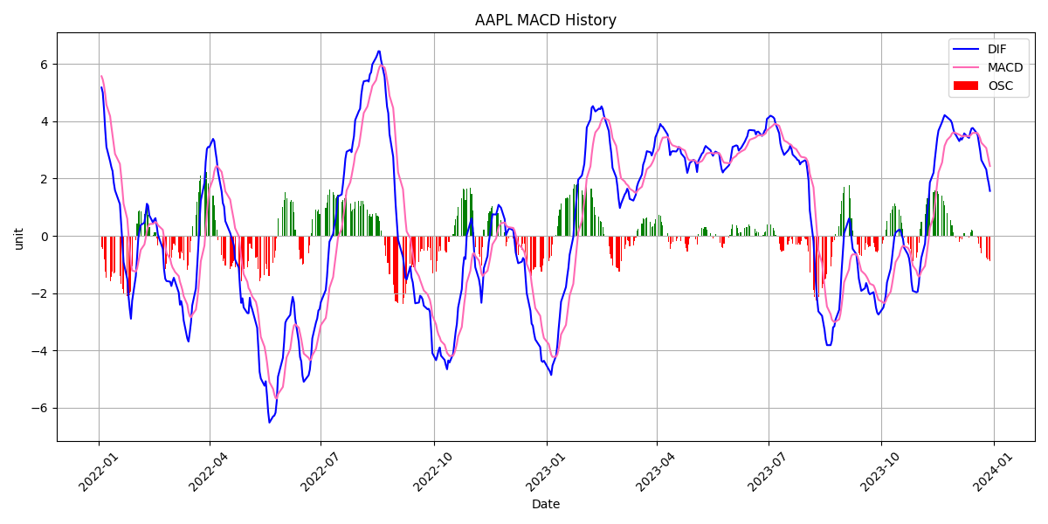
2022-02-14 | 166.55
2022-02-15 | 170.41
2022-02-16 | 170.17
2022-02-17 | 166.55
2022-02-18 | 164.99
2022-02-22 | 162.06
2022-02-23 | 157.86
2022-02-24 | 160.5
2022-02-25 | 162.58
2022-02-28 | 162.84
2022-03-01 | 160.95
2022-03-02 | 164.26
2022-03-03 | 163.94
2022-03-04 | 160.92
2022-03-07 | 157.1
2022-03-08 | 155.27
2022-03-09 | 160.7
2022-03-10 | 156.34
2022-03-11 | 152.6
2022-03-14 | 148.54
2022-03-15 | 152.95
2022-03-16 | 157.39
2022-03-17 | 158.41
2022-03-18 | 161.72
2022-03-21 | 163.1
2022-03-22 | 166.49
2022-03-23 | 167.86
2022-03-24 | 171.67
2022-03-25 | 172.31
2022-03-28 | 173.18
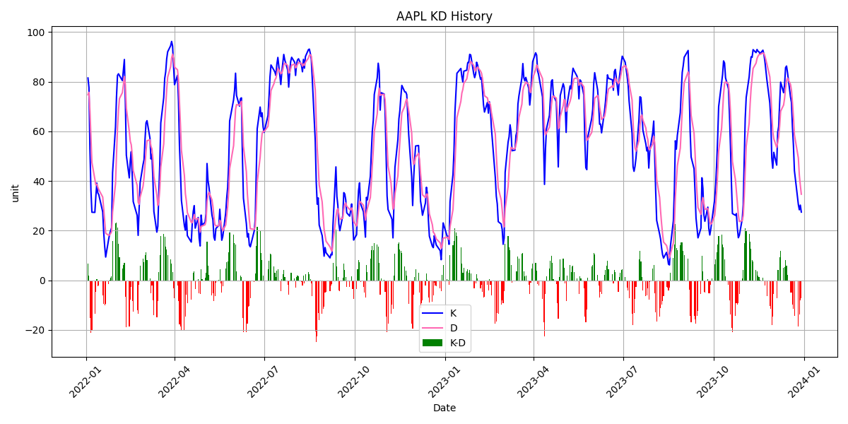
2022-03-29 | 176.49
2022-03-30 | 175.32
2022-03-31 | 172.2
2022-04-01 | 171.91
2022-04-04 | 175.98
2022-04-05 | 172.65
2022-04-06 | 169.46
2022-04-07 | 169.77
2022-04-08 | 167.75
2022-04-11 | 163.47
2022-04-12 | 165.35
2022-04-13 | 168.05
2022-04-14 | 163.01
2022-04-18 | 162.8
2022-04-19 | 165.09
2022-04-20 | 164.93
2022-04-21 | 164.13
2022-04-22 | 159.56
2022-04-25 | 160.64
2022-04-26 | 154.64
2022-04-27 | 154.41
2022-04-28 | 161.39
2022-04-29 | 155.48
2022-05-02 | 155.78
2022-05-03 | 157.28
2022-05-04 | 163.73
2022-05-05 | 154.61
2022-05-06 | 155.34
2022-05-09 | 150.19
2022-05-10 | 152.6
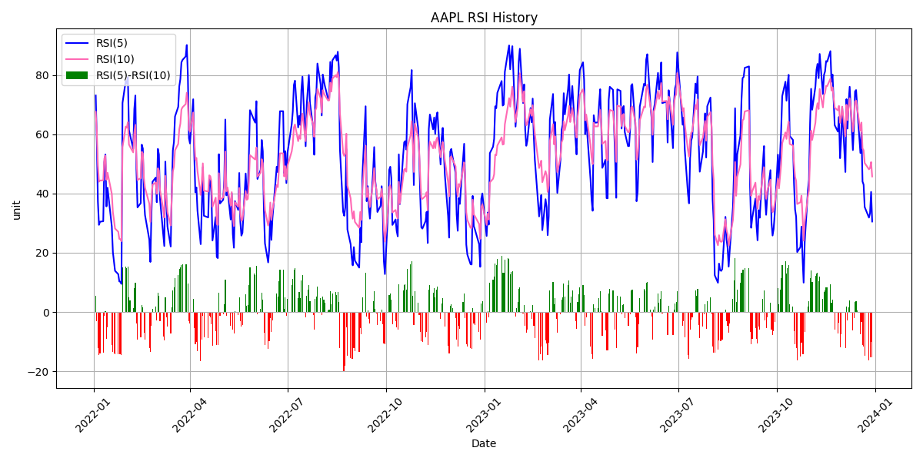
2022-05-11 | 144.69
2022-05-12 | 140.8
2022-05-13 | 145.3
2022-05-16 | 143.75
2022-05-17 | 147.4
2022-05-18 | 139.08
2022-05-19 | 135.66
2022-05-20 | 135.89
2022-05-23 | 141.35
2022-05-24 | 138.63
2022-05-25 | 138.79
2022-05-26 | 142.01
2022-05-27 | 147.79
2022-05-31 | 147
2022-06-01 | 146.88
2022-06-02 | 149.35
2022-06-03 | 143.59
2022-06-06 | 144.34
2022-06-07 | 146.88
2022-06-08 | 146.14
2022-06-09 | 140.88
2022-06-10 | 135.44
2022-06-13 | 130.25
2022-06-14 | 131.12
2022-06-15 | 133.76
2022-06-16 | 128.46
2022-06-17 | 129.94
2022-06-21 | 134.19
2022-06-22 | 133.68
2022-06-23 | 136.57
2022-06-24 | 139.91
2022-06-27 | 139.91
2022-06-28 | 135.75
2022-06-29 | 137.51
2022-06-30 | 135.03
2022-07-01 | 137.22
2022-07-05 | 139.81
2022-07-06 | 141.16
2022-07-07 | 144.55
2022-07-08 | 145.23
2022-07-11 | 143.08
2022-07-12 | 144.06
2022-07-13 | 143.7
2022-07-14 | 146.64
2022-07-15 | 148.32
2022-07-18 | 145.26
2022-07-19 | 149.14
2022-07-20 | 151.15
2022-07-21 | 153.43
2022-07-22 | 152.19
2022-07-25 | 151.06
2022-07-26 | 149.73
2022-07-27 | 154.86
2022-07-28 | 155.41
2022-07-29 | 160.51
2022-08-01 | 159.52
2022-08-02 | 158.04
2022-08-03 | 164.08
2022-08-04 | 163.77
2022-08-05 | 163.54
2022-08-08 | 163.06
2022-08-09 | 163.11
2022-08-10 | 167.39
2022-08-11 | 166.64
2022-08-12 | 170.21
2022-08-15 | 171.29
2022-08-16 | 171.13
2022-08-17 | 172.64
2022-08-18 | 172.24
2022-08-19 | 169.64
2022-08-22 | 165.73
2022-08-23 | 165.4
2022-08-24 | 165.69
2022-08-25 | 168.17
2022-08-26 | 161.83
2022-08-29 | 159.61
2022-08-30 | 157.17
2022-08-31 | 155.5
2022-09-01 | 156.23
2022-09-02 | 154.1
2022-09-06 | 152.84
2022-09-07 | 154.25
2022-09-08 | 152.77
2022-09-09 | 155.65
2022-09-12 | 161.64
2022-09-13 | 152.15
2022-09-14 | 153.61
2022-09-15 | 150.7
2022-09-16 | 149.05
2022-09-19 | 152.79
2022-09-20 | 155.18
2022-09-21 | 152.04
2022-09-22 | 151.07
2022-09-23 | 148.78
2022-09-26 | 149.12
2022-09-27 | 150.1
2022-09-28 | 148.2
2022-09-29 | 140.92
2022-09-30 | 136.69
2022-10-03 | 140.89
2022-10-04 | 144.5
2022-10-05 | 144.8
2022-10-06 | 143.84
2022-10-07 | 138.55
2022-10-10 | 138.88
2022-10-11 | 137.46
2022-10-12 | 136.82
2022-10-13 | 141.42
2022-10-14 | 136.86
2022-10-17 | 140.85
2022-10-18 | 142.17
2022-10-19 | 142.28
2022-10-20 | 141.82
2022-10-21 | 145.66
2022-10-24 | 147.81
2022-10-25 | 150.67
2022-10-26 | 147.71
2022-10-27 | 143.21
2022-10-28 | 154.03
2022-10-31 | 151.66
2022-11-01 | 149
2022-11-02 | 143.44
2022-11-03 | 137.36
2022-11-04 | 137.09
2022-11-07 | 137.63
2022-11-08 | 138.2
2022-11-09 | 133.61
2022-11-10 | 145.5
2022-11-11 | 148.31
2022-11-14 | 146.9
2022-11-15 | 148.64
2022-11-16 | 147.4
2022-11-17 | 149.32
2022-11-18 | 149.88
2022-11-21 | 146.63
2022-11-22 | 148.78
2022-11-23 | 149.66
2022-11-25 | 146.73
2022-11-28 | 142.88
2022-11-29 | 139.85
2022-11-30 | 146.65
2022-12-01 | 146.93
2022-12-02 | 146.43
2022-12-05 | 145.26
2022-12-06 | 141.58
2022-12-07 | 139.63
2022-12-08 | 141.32
2022-12-09 | 140.84
2022-12-12 | 143.14
2022-12-13 | 144.11
2022-12-14 | 141.88
2022-12-15 | 135.23
2022-12-16 | 133.26
2022-12-19 | 131.14
2022-12-20 | 131.07
2022-12-21 | 134.19
2022-12-22 | 131
2022-12-23 | 130.63
2022-12-27 | 128.82
2022-12-28 | 124.87
2022-12-29 | 128.4
2022-12-30 | 128.72
2023-01-03 | 123.9
2023-01-04 | 125.18
2023-01-05 | 123.86
2023-01-06 | 128.41
2023-01-09 | 128.94
2023-01-10 | 129.51
2023-01-11 | 132.25
2023-01-12 | 132.17
2023-01-13 | 133.5
2023-01-17 | 134.67
2023-01-18 | 133.95
2023-01-19 | 134.01
2023-01-20 | 136.59
2023-01-23 | 139.8
2023-01-24 | 141.2
2023-01-25 | 140.54
2023-01-26 | 142.62
2023-01-27 | 144.57
2023-01-30 | 141.67
2023-01-31 | 142.95
2023-02-01 | 144.07
2023-02-02 | 149.41
2023-02-03 | 153.06
2023-02-06 | 150.32
2023-02-07 | 153.21
2023-02-08 | 150.5
2023-02-09 | 149.46
2023-02-10 | 149.83
2023-02-13 | 152.65
2023-02-14 | 152
2023-02-15 | 154.12
2023-02-16 | 152.51
2023-02-17 | 151.36
2023-02-21 | 147.32
2023-02-22 | 147.75
2023-02-23 | 148.23
2023-02-24 | 145.56
2023-02-27 | 146.77
2023-02-28 | 146.26
2023-03-01 | 144.18
2023-03-02 | 144.77
2023-03-03 | 149.85
2023-03-06 | 152.63
2023-03-07 | 150.42
2023-03-08 | 151.68
2023-03-09 | 149.41
2023-03-10 | 147.34
2023-03-13 | 149.3
2023-03-14 | 151.4
2023-03-15 | 151.8
2023-03-16 | 154.63
2023-03-17 | 153.79
2023-03-20 | 156.17
2023-03-21 | 158.04
2023-03-22 | 156.6
2023-03-23 | 157.69
2023-03-24 | 159
2023-03-27 | 157.04
2023-03-28 | 156.42
2023-03-29 | 159.52
2023-03-30 | 161.09
2023-03-31 | 163.61
2023-04-03 | 164.87
2023-04-04 | 164.34
2023-04-05 | 162.48
2023-04-06 | 163.37
2023-04-10 | 160.77
2023-04-11 | 159.54
2023-04-12 | 158.85
2023-04-13 | 164.27
2023-04-14 | 163.92
2023-04-17 | 163.94
2023-04-18 | 165.17
2023-04-19 | 166.32
2023-04-20 | 165.35
2023-04-21 | 163.73
2023-04-24 | 164.04
2023-04-25 | 162.49
2023-04-26 | 162.48
2023-04-27 | 167.1
2023-04-28 | 168.36
2023-05-01 | 168.27
2023-05-02 | 167.22
2023-05-03 | 166.14
2023-05-04 | 164.5
2023-05-05 | 172.22
2023-05-08 | 172.15
2023-05-09 | 170.43
2023-05-10 | 172.21
2023-05-11 | 172.39
2023-05-12 | 171.46
2023-05-15 | 170.96
2023-05-16 | 170.96
2023-05-17 | 171.58
2023-05-18 | 173.92
2023-05-19 | 174.03
2023-05-22 | 173.08
2023-05-23 | 170.46
2023-05-24 | 170.73
2023-05-25 | 171.88
2023-05-26 | 174.3
2023-05-30 | 176.16
2023-05-31 | 176.11
2023-06-01 | 178.93
2023-06-02 | 179.79
2023-06-05 | 178.42
2023-06-06 | 178.06
2023-06-07 | 176.68
2023-06-08 | 179.41
2023-06-09 | 179.8
2023-06-12 | 182.61
2023-06-13 | 182.13
2023-06-14 | 182.77
2023-06-15 | 184.81
2023-06-16 | 183.73
2023-06-20 | 183.82
2023-06-21 | 182.78
2023-06-22 | 185.8
2023-06-23 | 185.48
2023-06-26 | 184.08
2023-06-27 | 186.85
2023-06-28 | 188.03
2023-06-29 | 188.37
2023-06-30 | 192.72
2023-07-03 | 191.22
2023-07-05 | 190.1
2023-07-06 | 190.58
2023-07-07 | 189.45
2023-07-10 | 187.4
2023-07-11 | 186.87
2023-07-12 | 188.55
2023-07-13 | 189.31
2023-07-14 | 189.46
2023-07-17 | 192.74
2023-07-18 | 192.48
2023-07-19 | 193.84
2023-07-20 | 191.89
2023-07-21 | 190.71
2023-07-24 | 191.51
2023-07-25 | 192.37
2023-07-26 | 193.25
2023-07-27 | 191.98
2023-07-28 | 194.57
2023-07-31 | 195.19
2023-08-01 | 194.35
2023-08-02 | 191.34
2023-08-03 | 189.94
2023-08-04 | 180.82
2023-08-07 | 177.7
2023-08-08 | 178.64
2023-08-09 | 177.04
2023-08-10 | 176.83
2023-08-11 | 176.88
2023-08-14 | 178.55
2023-08-15 | 176.55
2023-08-16 | 175.67
2023-08-17 | 173.11
2023-08-18 | 173.6
2023-08-21 | 174.94
2023-08-22 | 176.33
2023-08-23 | 180.2
2023-08-24 | 175.48
2023-08-25 | 177.7
2023-08-28 | 179.27
2023-08-29 | 183.18
2023-08-30 | 186.69
2023-08-31 | 186.91
2023-09-01 | 188.5
2023-09-05 | 188.73
2023-09-06 | 181.98
2023-09-07 | 176.66
2023-09-08 | 177.27
2023-09-11 | 178.45
2023-09-12 | 175.4
2023-09-13 | 173.32
2023-09-14 | 174.85
2023-09-15 | 174.12
2023-09-18 | 177.06
2023-09-19 | 178.16
2023-09-20 | 174.6
2023-09-21 | 173.04
2023-09-22 | 173.9
2023-09-25 | 175.18
2023-09-26 | 171.08
2023-09-27 | 169.56
2023-09-28 | 169.82
2023-09-29 | 170.34
2023-10-02 | 172.87
2023-10-03 | 171.52
2023-10-04 | 172.78
2023-10-05 | 174.02
2023-10-06 | 176.59
2023-10-09 | 178.08
2023-10-10 | 177.48
2023-10-11 | 178.88
2023-10-12 | 179.79
2023-10-13 | 177.94
2023-10-16 | 177.81
2023-10-17 | 176.25
2023-10-18 | 174.94
2023-10-19 | 174.57
2023-10-20 | 172
2023-10-23 | 172.12
2023-10-24 | 172.56
2023-10-25 | 170.23
2023-10-26 | 166.04
2023-10-27 | 167.36
2023-10-30 | 169.42
2023-10-31 | 169.9
2023-11-01 | 173.08
2023-11-02 | 176.67
2023-11-03 | 175.75
2023-11-06 | 178.32
2023-11-07 | 180.89
2023-11-08 | 181.96
2023-11-09 | 181.48
2023-11-10 | 185.7
2023-11-13 | 184.1
2023-11-14 | 186.73
2023-11-15 | 187.3
2023-11-16 | 188.99
2023-11-17 | 188.97
2023-11-20 | 190.73
2023-11-21 | 189.92
2023-11-22 | 190.59
2023-11-24 | 189.25
2023-11-27 | 189.07
2023-11-28 | 189.68
2023-11-29 | 188.65
2023-11-30 | 189.23
2023-12-01 | 190.52
2023-12-04 | 188.71
2023-12-05 | 192.69
2023-12-06 | 191.59
2023-12-07 | 193.54
2023-12-08 | 194.97
2023-12-11 | 192.45
2023-12-12 | 193.97
2023-12-13 | 197.21
2023-12-14 | 197.36
2023-12-15 | 196.82
2023-12-18 | 195.15
2023-12-19 | 196.2
2023-12-20 | 194.09
2023-12-21 | 193.94
2023-12-22 | 192.87
2023-12-26 | 192.32
2023-12-27 | 192.42
2023-12-28 | 192.85
2023-12-29 | 191.8

^SOX
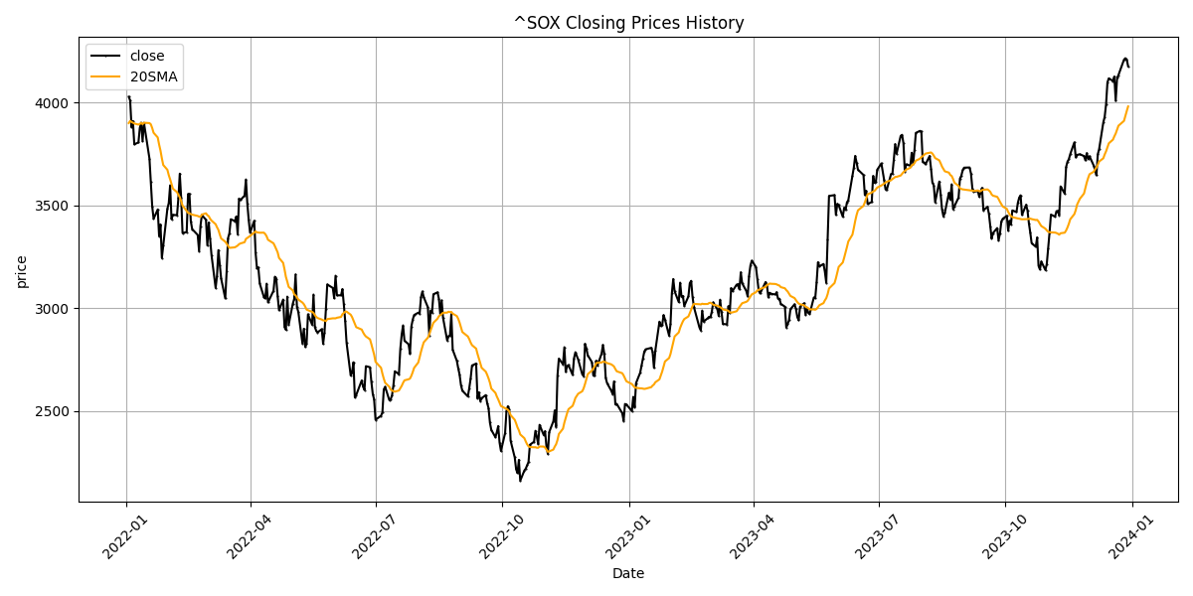
Date | Close Price
2022-01-03 | 4027.22
2022-01-04 | 4009
2022-01-05 | 3879.87
2022-01-06 | 3909.04
2022-01-07 | 3796.32
2022-01-10 | 3805.39
2022-01-11 | 3875.44
2022-01-12 | 3901.21
2022-01-13 | 3811.84
2022-01-14 | 3900.61
2022-01-18 | 3727.24
2022-01-19 | 3612.19
2022-01-20 | 3494.75
2022-01-21 | 3434.79
2022-01-24 | 3479.95
2022-01-25 | 3350.85
2022-01-26 | 3407
2022-01-27 | 3244
2022-01-28 | 3303.4
2022-01-31 | 3483.21
2022-02-01 | 3510.86
2022-02-02 | 3597.17
2022-02-03 | 3432.55
2022-02-04 | 3453.07
2022-02-07 | 3452.33
2022-02-08 | 3535.13
2022-02-09 | 3653.72
2022-02-10 | 3536.1
2022-02-11 | 3365.25
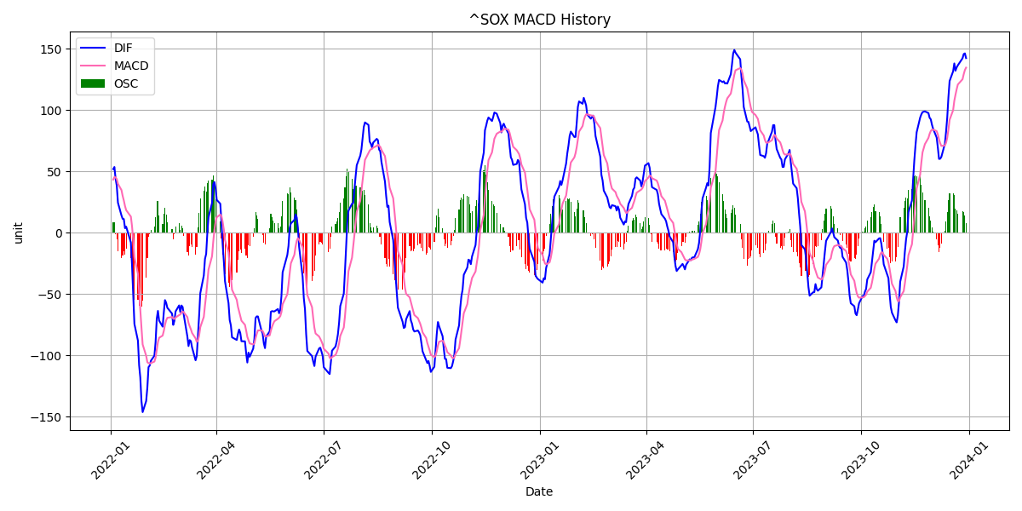
2022-02-14 | 3370.2
2022-02-15 | 3554.45
2022-02-16 | 3555.69
2022-02-17 | 3422.6
2022-02-18 | 3384.3
2022-02-22 | 3356.07
2022-02-23 | 3277.8
2022-02-24 | 3399.16
2022-02-25 | 3452.67
2022-02-28 | 3429.53
2022-03-01 | 3304.85
2022-03-02 | 3416.16
2022-03-03 | 3339.76
2022-03-04 | 3258.92
2022-03-07 | 3098.93
2022-03-08 | 3156.87
2022-03-09 | 3282.18
2022-03-10 | 3211.07
2022-03-11 | 3144.15
2022-03-14 | 3047.5
2022-03-15 | 3180.24
2022-03-16 | 3340.07
2022-03-17 | 3364.55
2022-03-18 | 3432.3
2022-03-21 | 3423.24
2022-03-22 | 3445.85
2022-03-23 | 3360.32
2022-03-24 | 3532.72
2022-03-25 | 3525.34
2022-03-28 | 3547.17
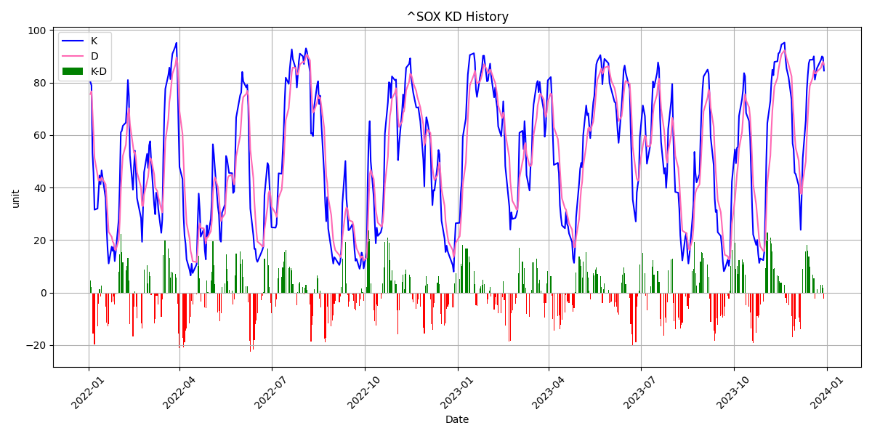
2022-03-29 | 3625.58
2022-03-30 | 3508.62
2022-03-31 | 3429
2022-04-01 | 3366.64
2022-04-04 | 3424.95
2022-04-05 | 3269.82
2022-04-06 | 3193.96
2022-04-07 | 3197.44
2022-04-08 | 3120.16
2022-04-11 | 3055.09
2022-04-12 | 3047.47
2022-04-13 | 3119.32
2022-04-14 | 3028.22
2022-04-18 | 3085.19
2022-04-19 | 3153.23
2022-04-20 | 3142.2
2022-04-21 | 3058.74
2022-04-22 | 2989.83
2022-04-25 | 3042.39
2022-04-26 | 2909.12
2022-04-27 | 2894.91
2022-04-28 | 3056.36
2022-04-29 | 2919.74
2022-05-02 | 3022.24
2022-05-03 | 3044.89
2022-05-04 | 3163.79
2022-05-05 | 3005.53
2022-05-06 | 2982.06
2022-05-09 | 2829.1
2022-05-10 | 2900.13
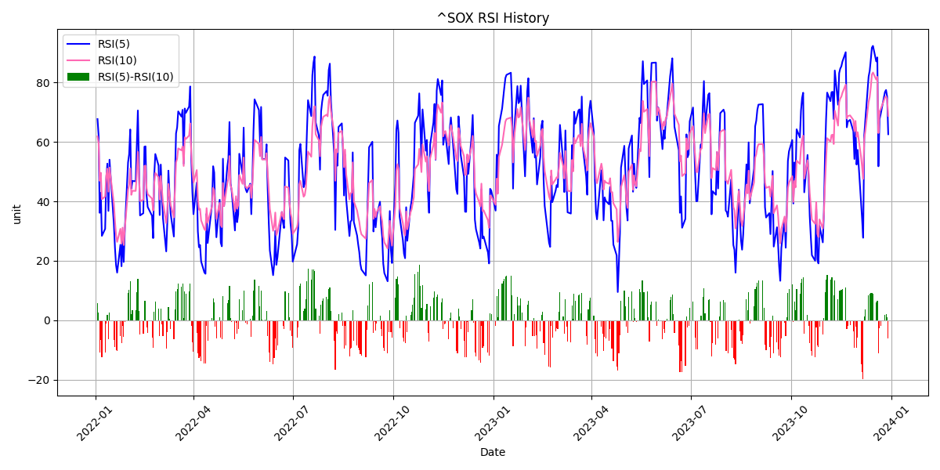
2022-05-11 | 2811.94
2022-05-12 | 2827.21
2022-05-13 | 2970.37
2022-05-16 | 2920.06
2022-05-17 | 3066.5
2022-05-18 | 2907.96
2022-05-19 | 2890.33
2022-05-20 | 2882.65
2022-05-23 | 2898.43
2022-05-24 | 2827.05
2022-05-25 | 2882.93
2022-05-26 | 2994.61
2022-05-27 | 3115.35
2022-05-31 | 3098.69
2022-06-01 | 3049.03
2022-06-02 | 3157.98
2022-06-03 | 3062.59
2022-06-06 | 3062.74
2022-06-07 | 3092.97
2022-06-08 | 3019.1
2022-06-09 | 2937.79
2022-06-10 | 2831.98
2022-06-13 | 2673
2022-06-14 | 2689.89
2022-06-15 | 2737.55
2022-06-16 | 2566.86
2022-06-17 | 2578.54
2022-06-21 | 2649.37
2022-06-22 | 2619.71
2022-06-23 | 2602.74
2022-06-24 | 2718.47
2022-06-27 | 2713.48
2022-06-28 | 2642.07
2022-06-29 | 2583.98
2022-06-30 | 2556.25
2022-07-01 | 2458.46
2022-07-05 | 2477.64
2022-07-06 | 2494.11
2022-07-07 | 2605.89
2022-07-08 | 2618.02
2022-07-11 | 2553.69
2022-07-12 | 2558.17
2022-07-13 | 2577.36
2022-07-14 | 2626.92
2022-07-15 | 2693.77
2022-07-18 | 2679.57
2022-07-19 | 2803.14
2022-07-20 | 2872.96
2022-07-21 | 2916.81
2022-07-22 | 2842.41
2022-07-25 | 2825.03
2022-07-26 | 2778.96
2022-07-27 | 2911
2022-07-28 | 2944.5
2022-07-29 | 2967.14
2022-08-01 | 2978.32
2022-08-02 | 2974.75
2022-08-03 | 3053.46
2022-08-04 | 3081.41
2022-08-05 | 3053.39
2022-08-08 | 3004.34
2022-08-09 | 2866.9
2022-08-10 | 2988.71
2022-08-11 | 2978.7
2022-08-12 | 3067.84
2022-08-15 | 3077.33
2022-08-16 | 3045.64
2022-08-17 | 2970.12
2022-08-18 | 3037.84
2022-08-19 | 2953.34
2022-08-22 | 2843.37
2022-08-23 | 2864.31
2022-08-24 | 2866.18
2022-08-25 | 2971.07
2022-08-26 | 2798.44
2022-08-29 | 2744.5
2022-08-30 | 2708.63
2022-08-31 | 2677.39
2022-09-01 | 2625.95
2022-09-02 | 2599.26
2022-09-06 | 2571.47
2022-09-07 | 2611.5
2022-09-08 | 2658.18
2022-09-09 | 2721.77
2022-09-12 | 2731.09
2022-09-13 | 2562.27
2022-09-14 | 2591.51
2022-09-15 | 2549.54
2022-09-16 | 2563.14
2022-09-19 | 2577.94
2022-09-20 | 2539.5
2022-09-21 | 2514.96
2022-09-22 | 2444.25
2022-09-23 | 2408.9
2022-09-26 | 2373.47
2022-09-27 | 2398.04
2022-09-28 | 2427.26
2022-09-29 | 2347.36
2022-09-30 | 2306.7
2022-10-03 | 2393.32
2022-10-04 | 2500.11
2022-10-05 | 2523.61
2022-10-06 | 2508.84
2022-10-07 | 2356.75
2022-10-10 | 2275.34
2022-10-11 | 2218.49
2022-10-12 | 2198.6
2022-10-13 | 2263.24
2022-10-14 | 2162.32
2022-10-17 | 2211.66
2022-10-18 | 2220.96
2022-10-19 | 2237.74
2022-10-20 | 2253.22
2022-10-21 | 2336.69
2022-10-24 | 2351.55
2022-10-25 | 2404.69
2022-10-26 | 2376.33
2022-10-27 | 2340.6
2022-10-28 | 2433.66
2022-10-31 | 2384.45
2022-11-01 | 2402.75
2022-11-02 | 2328.47
2022-11-03 | 2292.85
2022-11-04 | 2398.24
2022-11-07 | 2450.62
2022-11-08 | 2503.39
2022-11-09 | 2424.82
2022-11-10 | 2672.5
2022-11-11 | 2754.9
2022-11-14 | 2728.05
2022-11-15 | 2810.61
2022-11-16 | 2690.82
2022-11-17 | 2719.1
2022-11-18 | 2724.03
2022-11-21 | 2675.83
2022-11-22 | 2756.82
2022-11-23 | 2786.42
2022-11-25 | 2751.27
2022-11-28 | 2678.78
2022-11-29 | 2670.65
2022-11-30 | 2826.85
2022-12-01 | 2804.7
2022-12-02 | 2771.24
2022-12-05 | 2738.05
2022-12-06 | 2673.53
2022-12-07 | 2673.25
2022-12-08 | 2744.73
2022-12-09 | 2721.02
2022-12-12 | 2779.21
2022-12-13 | 2821.53
2022-12-14 | 2777.27
2022-12-15 | 2661.41
2022-12-16 | 2636.1
2022-12-19 | 2599.86
2022-12-20 | 2583.64
2022-12-21 | 2644.5
2022-12-22 | 2533.33
2022-12-23 | 2535.49
2022-12-27 | 2490.17
2022-12-28 | 2453.49
2022-12-29 | 2534.95
2022-12-30 | 2532.11
2023-01-03 | 2500.99
2023-01-04 | 2569.46
2023-01-05 | 2518.52
2023-01-06 | 2636.1
2023-01-09 | 2686.75
2023-01-10 | 2721.29
2023-01-11 | 2755.36
2023-01-12 | 2789.65
2023-01-13 | 2800.66
2023-01-17 | 2807.48
2023-01-18 | 2789.47
2023-01-19 | 2710.44
2023-01-20 | 2794.69
2023-01-23 | 2934.83
2023-01-24 | 2913.74
2023-01-25 | 2918.99
2023-01-26 | 2966.6
2023-01-27 | 2945.27
2023-01-30 | 2866.69
2023-01-31 | 2921.92
2023-02-01 | 3073.47
2023-02-02 | 3141.84
2023-02-03 | 3082.11
2023-02-06 | 3029.74
2023-02-07 | 3124.15
2023-02-08 | 3055.63
2023-02-09 | 3059.62
2023-02-10 | 3011.15
2023-02-13 | 3057.32
2023-02-14 | 3121.63
2023-02-15 | 3133.07
2023-02-16 | 3055.24
2023-02-17 | 3005.87
2023-02-21 | 2906.26
2023-02-22 | 2892.39
2023-02-23 | 2988.81
2023-02-24 | 2935.11
2023-02-27 | 2951.21
2023-02-28 | 2958.39
2023-03-01 | 2955.83
2023-03-02 | 2984.11
2023-03-03 | 3028.34
2023-03-06 | 2994.59
2023-03-07 | 2962.42
2023-03-08 | 3041.39
2023-03-09 | 2980.21
2023-03-10 | 2923.93
2023-03-13 | 2921.71
2023-03-14 | 3010.15
2023-03-15 | 2977.39
2023-03-16 | 3098.07
2023-03-17 | 3083.52
2023-03-20 | 3114.71
2023-03-21 | 3116.89
2023-03-22 | 3091.71
2023-03-23 | 3174.36
2023-03-24 | 3121.26
2023-03-27 | 3083.58
2023-03-28 | 3057.27
2023-03-29 | 3157.11
2023-03-30 | 3208.26
2023-03-31 | 3230.86
2023-04-03 | 3200.43
2023-04-04 | 3142.5
2023-04-05 | 3085.98
2023-04-06 | 3071.77
2023-04-10 | 3126.97
2023-04-11 | 3109.42
2023-04-12 | 3052.52
2023-04-13 | 3074.94
2023-04-14 | 3070.45
2023-04-17 | 3066.68
2023-04-18 | 3077.72
2023-04-19 | 3046.38
2023-04-20 | 3046.28
2023-04-21 | 3021.44
2023-04-24 | 3007.51
2023-04-25 | 2906.29
2023-04-26 | 2922.99
2023-04-27 | 2941.59
2023-04-28 | 2994.97
2023-05-01 | 3019.09
2023-05-02 | 2996.86
2023-05-03 | 2957.37
2023-05-04 | 2941.63
2023-05-05 | 3007.69
2023-05-08 | 3024.41
2023-05-09 | 2967.84
2023-05-10 | 2997.51
2023-05-11 | 2978.72
2023-05-12 | 2972.85
2023-05-15 | 3052.64
2023-05-16 | 3048.71
2023-05-17 | 3124.68
2023-05-18 | 3223.49
2023-05-19 | 3203.49
2023-05-22 | 3215.04
2023-05-23 | 3177.44
2023-05-24 | 3124.09
2023-05-25 | 3336.72
2023-05-26 | 3545.67
2023-05-30 | 3549.39
2023-05-31 | 3453.18
2023-06-01 | 3506.74
2023-06-02 | 3501.4
2023-06-05 | 3444.12
2023-06-06 | 3488.34
2023-06-07 | 3477.18
2023-06-08 | 3514.32
2023-06-09 | 3524.97
2023-06-12 | 3641.66
2023-06-13 | 3683.66
2023-06-14 | 3739.75
2023-06-15 | 3708.06
2023-06-16 | 3673.14
2023-06-20 | 3647.56
2023-06-21 | 3549.73
2023-06-22 | 3569.87
2023-06-23 | 3506.71
2023-06-26 | 3515.77
2023-06-27 | 3642.41
2023-06-28 | 3609.48
2023-06-29 | 3614.18
2023-06-30 | 3673.06
2023-07-03 | 3703.62
2023-07-05 | 3622.32
2023-07-06 | 3577.49
2023-07-07 | 3577.73
2023-07-10 | 3651.6
2023-07-11 | 3653.53
2023-07-12 | 3721.47
2023-07-13 | 3797.13
2023-07-14 | 3750.41
2023-07-17 | 3837.31
2023-07-18 | 3842.36
2023-07-19 | 3801.66
2023-07-20 | 3663.85
2023-07-21 | 3698.85
2023-07-24 | 3692.32
2023-07-25 | 3755.27
2023-07-26 | 3699.37
2023-07-27 | 3768.27
2023-07-28 | 3851.76
2023-07-31 | 3861.63
2023-08-01 | 3858.21
2023-08-02 | 3711.6
2023-08-03 | 3708.08
2023-08-04 | 3699.2
2023-08-07 | 3739.41
2023-08-08 | 3679.42
2023-08-09 | 3610.48
2023-08-10 | 3597.02
2023-08-11 | 3514.55
2023-08-14 | 3615.45
2023-08-15 | 3553.96
2023-08-16 | 3480.08
2023-08-17 | 3446.35
2023-08-18 | 3462.74
2023-08-21 | 3560.74
2023-08-22 | 3527.69
2023-08-23 | 3602.01
2023-08-24 | 3481.3
2023-08-25 | 3495.65
2023-08-28 | 3537.87
2023-08-29 | 3629.57
2023-08-30 | 3643.92
2023-08-31 | 3670.93
2023-09-01 | 3682.84
2023-09-05 | 3683.79
2023-09-06 | 3654.46
2023-09-07 | 3582.11
2023-09-08 | 3565.99
2023-09-11 | 3569.23
2023-09-12 | 3541.09
2023-09-13 | 3560.46
2023-09-14 | 3584.23
2023-09-15 | 3476.39
2023-09-18 | 3492.47
2023-09-19 | 3459.02
2023-09-20 | 3398.81
2023-09-21 | 3338.85
2023-09-22 | 3365.29
2023-09-25 | 3389.46
2023-09-26 | 3329.62
2023-09-27 | 3361.41
2023-09-28 | 3420.99
2023-09-29 | 3434.29
2023-10-02 | 3448.85
2023-10-03 | 3376.58
2023-10-04 | 3424.92
2023-10-05 | 3406.98
2023-10-06 | 3475.21
2023-10-09 | 3467.35
2023-10-10 | 3512.07
2023-10-11 | 3537.83
2023-10-12 | 3548.62
2023-10-13 | 3452.97
2023-10-16 | 3502.51
2023-10-17 | 3474.66
2023-10-18 | 3413.45
2023-10-19 | 3367.77
2023-10-20 | 3316.14
2023-10-23 | 3298.54
2023-10-24 | 3343.94
2023-10-25 | 3205.84
2023-10-26 | 3188.42
2023-10-27 | 3227.09
2023-10-30 | 3185.18
2023-10-31 | 3215.89
2023-11-01 | 3290.95
2023-11-02 | 3368.54
2023-11-03 | 3454.57
2023-11-06 | 3444.89
2023-11-07 | 3471.46
2023-11-08 | 3472.67
2023-11-09 | 3452.34
2023-11-10 | 3591.74
2023-11-13 | 3556.75
2023-11-14 | 3685.57
2023-11-15 | 3712.09
2023-11-16 | 3724.1
2023-11-17 | 3748.65
2023-11-20 | 3805.81
2023-11-21 | 3732.79
2023-11-22 | 3744.96
2023-11-24 | 3747.93
2023-11-27 | 3739.31
2023-11-28 | 3718.35
2023-11-29 | 3753.36
2023-11-30 | 3724.58
2023-12-01 | 3738.27
2023-12-04 | 3693.44
2023-12-05 | 3672.4
2023-12-06 | 3645.82
2023-12-07 | 3747.54
2023-12-08 | 3774.17
2023-12-11 | 3902.39
2023-12-12 | 3930.18
2023-12-13 | 3990.95
2023-12-14 | 4097.47
2023-12-15 | 4117
2023-12-18 | 4103.79
2023-12-19 | 4125.56
2023-12-20 | 4007.66
2023-12-21 | 4118.59
2023-12-22 | 4132.85
2023-12-26 | 4207.45
2023-12-27 | 4214.59
2023-12-28 | 4208.68
2023-12-29 | 4175.47

TSLA
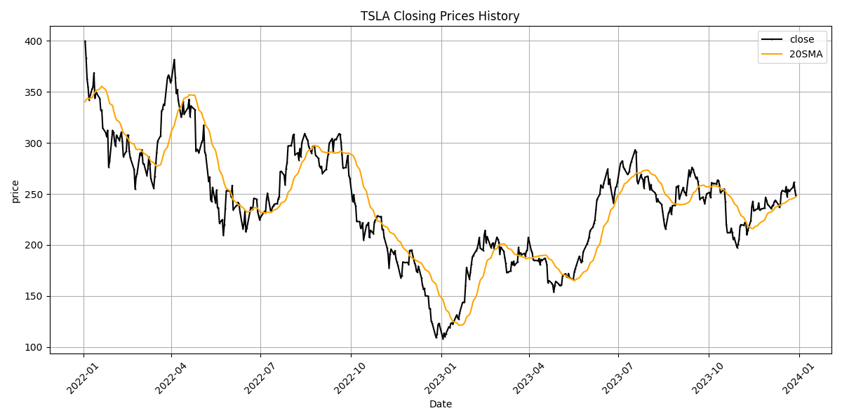
Date | Close Price
2022-01-03 | 399.93
2022-01-04 | 383.2
2022-01-05 | 362.71
2022-01-06 | 354.9
2022-01-07 | 342.32
2022-01-10 | 352.71
2022-01-11 | 354.8
2022-01-12 | 368.74
2022-01-13 | 343.85
2022-01-14 | 349.87
2022-01-18 | 343.5
2022-01-19 | 331.88
2022-01-20 | 332.09
2022-01-21 | 314.63
2022-01-24 | 310
2022-01-25 | 306.13
2022-01-26 | 312.47
2022-01-27 | 276.37
2022-01-28 | 282.12
2022-01-31 | 312.24
2022-02-01 | 310.42
2022-02-02 | 301.89
2022-02-03 | 297.05
2022-02-04 | 307.77
2022-02-07 | 302.45
2022-02-08 | 307.33
2022-02-09 | 310.67
2022-02-10 | 301.52
2022-02-11 | 286.67
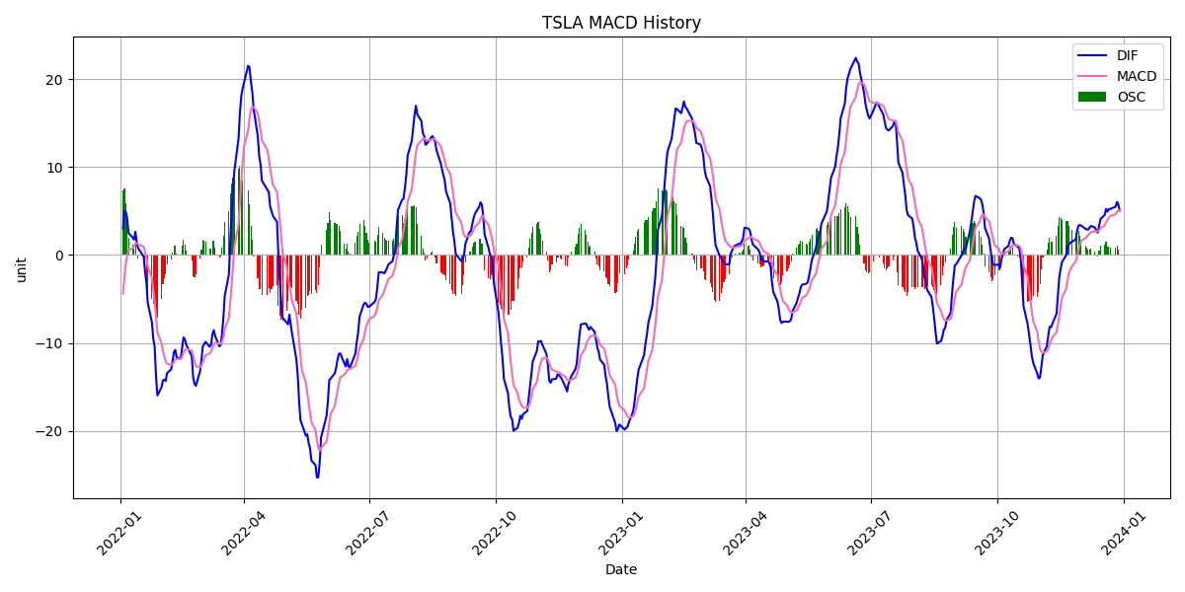
2022-02-14 | 291.92
2022-02-15 | 307.48
2022-02-16 | 307.8
2022-02-17 | 292.12
2022-02-18 | 285.66
2022-02-22 | 273.84
2022-02-23 | 254.68
2022-02-24 | 266.92
2022-02-25 | 269.96
2022-02-28 | 290.14
2022-03-01 | 288.12
2022-03-02 | 293.3
2022-03-03 | 279.76
2022-03-04 | 279.43
2022-03-07 | 268.19
2022-03-08 | 274.8
2022-03-09 | 286.32
2022-03-10 | 279.43
2022-03-11 | 265.12
2022-03-14 | 255.46
2022-03-15 | 267.3
2022-03-16 | 280.08
2022-03-17 | 290.53
2022-03-18 | 301.8
2022-03-21 | 307.05
2022-03-22 | 331.33
2022-03-23 | 333.04
2022-03-24 | 337.97
2022-03-25 | 336.88
2022-03-28 | 363.95
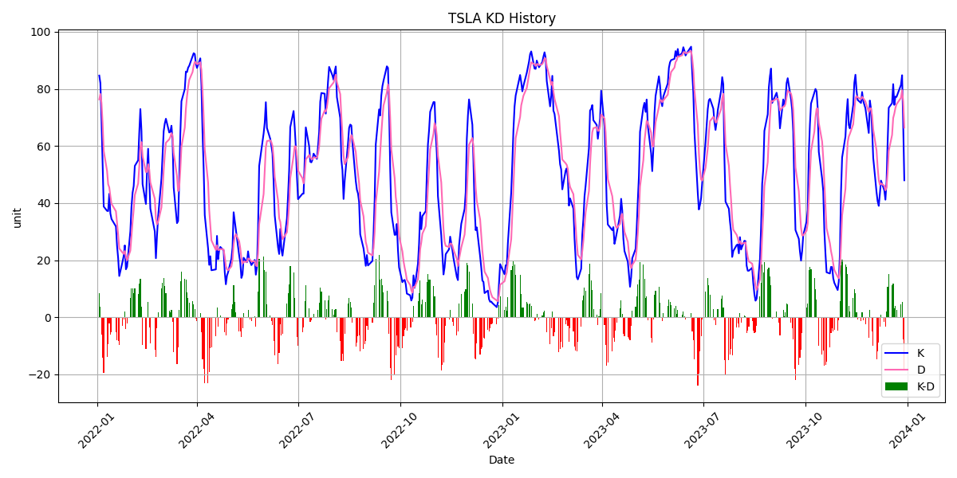
2022-03-29 | 366.52
2022-03-30 | 364.66
2022-03-31 | 359.2
2022-04-01 | 361.53
2022-04-04 | 381.82
2022-04-05 | 363.75
2022-04-06 | 348.59
2022-04-07 | 352.42
2022-04-08 | 341.83
2022-04-11 | 325.31
2022-04-12 | 328.98
2022-04-13 | 340.79
2022-04-14 | 328.33
2022-04-18 | 334.76
2022-04-19 | 342.72
2022-04-20 | 325.73
2022-04-21 | 336.26
2022-04-22 | 335.02
2022-04-25 | 332.67
2022-04-26 | 292.14
2022-04-27 | 293.84
2022-04-28 | 292.5
2022-04-29 | 290.25
2022-05-02 | 300.98
2022-05-03 | 303.08
2022-05-04 | 317.54
2022-05-05 | 291.09
2022-05-06 | 288.55
2022-05-09 | 262.37
2022-05-10 | 266.68
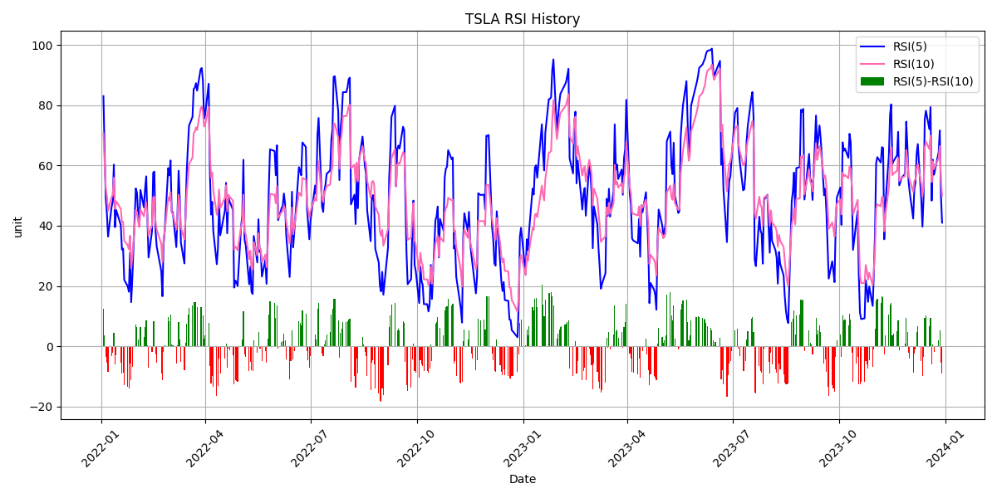
2022-05-11 | 244.67
2022-05-12 | 242.67
2022-05-13 | 256.53
2022-05-16 | 241.46
2022-05-17 | 253.87
2022-05-18 | 236.6
2022-05-19 | 236.47
2022-05-20 | 221.3
2022-05-23 | 224.97
2022-05-24 | 209.39
2022-05-25 | 219.6
2022-05-26 | 235.91
2022-05-27 | 253.21
2022-05-31 | 252.75
2022-06-01 | 246.79
2022-06-02 | 258.33
2022-06-03 | 234.52
2022-06-06 | 238.28
2022-06-07 | 238.89
2022-06-08 | 241.87
2022-06-09 | 239.71
2022-06-10 | 232.23
2022-06-13 | 215.74
2022-06-14 | 220.89
2022-06-15 | 233
2022-06-16 | 213.1
2022-06-17 | 216.76
2022-06-21 | 237.04
2022-06-22 | 236.09
2022-06-23 | 235.07
2022-06-24 | 245.71
2022-06-27 | 244.92
2022-06-28 | 232.66
2022-06-29 | 228.49
2022-06-30 | 224.47
2022-07-01 | 227.26
2022-07-05 | 233.07
2022-07-06 | 231.73
2022-07-07 | 244.54
2022-07-08 | 250.76
2022-07-11 | 234.34
2022-07-12 | 233.07
2022-07-13 | 237.04
2022-07-14 | 238.31
2022-07-15 | 240.07
2022-07-18 | 240.55
2022-07-19 | 245.53
2022-07-20 | 247.5
2022-07-21 | 271.71
2022-07-22 | 272.24
2022-07-25 | 268.43
2022-07-26 | 258.86
2022-07-27 | 274.82
2022-07-28 | 280.9
2022-07-29 | 297.15
2022-08-01 | 297.28
2022-08-02 | 300.59
2022-08-03 | 307.4
2022-08-04 | 308.63
2022-08-05 | 288.17
2022-08-08 | 290.42
2022-08-09 | 283.33
2022-08-10 | 294.36
2022-08-11 | 286.63
2022-08-12 | 300.03
2022-08-15 | 309.32
2022-08-16 | 306.56
2022-08-17 | 304
2022-08-18 | 302.87
2022-08-19 | 296.67
2022-08-22 | 289.91
2022-08-23 | 296.45
2022-08-24 | 297.1
2022-08-25 | 296.07
2022-08-26 | 288.09
2022-08-29 | 284.82
2022-08-30 | 277.7
2022-08-31 | 275.61
2022-09-01 | 277.16
2022-09-02 | 270.21
2022-09-06 | 274.42
2022-09-07 | 283.7
2022-09-08 | 289.26
2022-09-09 | 299.68
2022-09-12 | 304.42
2022-09-13 | 292.13
2022-09-14 | 302.61
2022-09-15 | 303.75
2022-09-16 | 303.35
2022-09-19 | 309.07
2022-09-20 | 308.73
2022-09-21 | 300.8
2022-09-22 | 288.59
2022-09-23 | 275.33
2022-09-26 | 276.01
2022-09-27 | 282.94
2022-09-28 | 287.81
2022-09-29 | 268.21
2022-09-30 | 265.25
2022-10-03 | 242.4
2022-10-04 | 249.44
2022-10-05 | 240.81
2022-10-06 | 238.13
2022-10-07 | 223.07
2022-10-10 | 222.96
2022-10-11 | 216.5
2022-10-12 | 217.24
2022-10-13 | 221.72
2022-10-14 | 204.99
2022-10-17 | 219.35
2022-10-18 | 220.19
2022-10-19 | 222.04
2022-10-20 | 207.28
2022-10-21 | 214.44
2022-10-24 | 211.25
2022-10-25 | 222.42
2022-10-26 | 224.64
2022-10-27 | 225.09
2022-10-28 | 228.52
2022-10-31 | 227.54
2022-11-01 | 227.82
2022-11-02 | 214.98
2022-11-03 | 215.31
2022-11-04 | 207.47
2022-11-07 | 197.08
2022-11-08 | 191.3
2022-11-09 | 177.59
2022-11-10 | 190.72
2022-11-11 | 195.97
2022-11-14 | 190.95
2022-11-15 | 194.42
2022-11-16 | 186.92
2022-11-17 | 183.17
2022-11-18 | 180.19
2022-11-21 | 167.87
2022-11-22 | 169.91
2022-11-23 | 183.2
2022-11-25 | 182.86
2022-11-28 | 182.92
2022-11-29 | 180.83
2022-11-30 | 194.7
2022-12-01 | 194.7
2022-12-02 | 194.86
2022-12-05 | 182.45
2022-12-06 | 179.82
2022-12-07 | 174.04
2022-12-08 | 173.44
2022-12-09 | 179.05
2022-12-12 | 167.82
2022-12-13 | 160.95
2022-12-14 | 156.8
2022-12-15 | 157.67
2022-12-16 | 150.23
2022-12-19 | 149.87
2022-12-20 | 137.8
2022-12-21 | 137.57
2022-12-22 | 125.35
2022-12-23 | 123.15
2022-12-27 | 109.1
2022-12-28 | 112.71
2022-12-29 | 121.82
2022-12-30 | 123.18
2023-01-03 | 108.1
2023-01-04 | 113.64
2023-01-05 | 110.34
2023-01-06 | 113.06
2023-01-09 | 119.77
2023-01-10 | 118.85
2023-01-11 | 123.22
2023-01-12 | 123.56
2023-01-13 | 122.4
2023-01-17 | 131.49
2023-01-18 | 128.78
2023-01-19 | 127.17
2023-01-20 | 133.42
2023-01-23 | 143.75
2023-01-24 | 143.89
2023-01-25 | 144.43
2023-01-26 | 160.27
2023-01-27 | 177.9
2023-01-30 | 166.66
2023-01-31 | 173.22
2023-02-01 | 181.41
2023-02-02 | 188.27
2023-02-03 | 189.98
2023-02-06 | 194.76
2023-02-07 | 196.81
2023-02-08 | 201.29
2023-02-09 | 207.32
2023-02-10 | 196.89
2023-02-13 | 194.64
2023-02-14 | 209.25
2023-02-15 | 214.24
2023-02-16 | 202.04
2023-02-17 | 208.31
2023-02-21 | 197.37
2023-02-22 | 200.86
2023-02-23 | 202.07
2023-02-24 | 196.88
2023-02-27 | 207.63
2023-02-28 | 205.71
2023-03-01 | 202.77
2023-03-02 | 190.9
2023-03-03 | 197.79
2023-03-06 | 193.81
2023-03-07 | 187.71
2023-03-08 | 182
2023-03-09 | 172.92
2023-03-10 | 173.44
2023-03-13 | 174.48
2023-03-14 | 183.26
2023-03-15 | 180.45
2023-03-16 | 184.13
2023-03-17 | 180.13
2023-03-20 | 183.25
2023-03-21 | 197.58
2023-03-22 | 191.15
2023-03-23 | 192.22
2023-03-24 | 190.41
2023-03-27 | 191.81
2023-03-28 | 189.19
2023-03-29 | 193.88
2023-03-30 | 195.28
2023-03-31 | 207.46
2023-04-03 | 194.77
2023-04-04 | 192.58
2023-04-05 | 185.52
2023-04-06 | 185.06
2023-04-10 | 184.51
2023-04-11 | 186.79
2023-04-12 | 180.54
2023-04-13 | 185.9
2023-04-14 | 185
2023-04-17 | 187.04
2023-04-18 | 184.31
2023-04-19 | 180.59
2023-04-20 | 162.99
2023-04-21 | 165.08
2023-04-24 | 162.55
2023-04-25 | 160.67
2023-04-26 | 153.75
2023-04-27 | 160.19
2023-04-28 | 164.31
2023-05-01 | 161.83
2023-05-02 | 160.31
2023-05-03 | 160.61
2023-05-04 | 161.2
2023-05-05 | 170.06
2023-05-08 | 171.79
2023-05-09 | 169.15
2023-05-10 | 168.54
2023-05-11 | 172.08
2023-05-12 | 167.98
2023-05-15 | 166.35
2023-05-16 | 166.52
2023-05-17 | 173.86
2023-05-18 | 176.89
2023-05-19 | 180.14
2023-05-22 | 188.87
2023-05-23 | 185.77
2023-05-24 | 182.9
2023-05-25 | 184.47
2023-05-26 | 193.17
2023-05-30 | 201.16
2023-05-31 | 203.93
2023-06-01 | 207.52
2023-06-02 | 213.97
2023-06-05 | 217.61
2023-06-06 | 221.31
2023-06-07 | 224.57
2023-06-08 | 234.86
2023-06-09 | 244.4
2023-06-12 | 249.83
2023-06-13 | 258.71
2023-06-14 | 256.79
2023-06-15 | 255.9
2023-06-16 | 260.54
2023-06-20 | 274.45
2023-06-21 | 259.46
2023-06-22 | 264.61
2023-06-23 | 256.6
2023-06-26 | 241.05
2023-06-27 | 250.21
2023-06-28 | 256.24
2023-06-29 | 257.5
2023-06-30 | 261.77
2023-07-03 | 279.82
2023-07-05 | 282.48
2023-07-06 | 276.54
2023-07-07 | 274.43
2023-07-10 | 269.61
2023-07-11 | 269.79
2023-07-12 | 271.99
2023-07-13 | 277.9
2023-07-14 | 281.38
2023-07-17 | 290.38
2023-07-18 | 293.34
2023-07-19 | 291.26
2023-07-20 | 262.9
2023-07-21 | 260.02
2023-07-24 | 269.06
2023-07-25 | 265.28
2023-07-26 | 264.35
2023-07-27 | 255.71
2023-07-28 | 266.44
2023-07-31 | 267.43
2023-08-01 | 261.07
2023-08-02 | 254.11
2023-08-03 | 259.32
2023-08-04 | 253.86
2023-08-07 | 251.45
2023-08-08 | 249.7
2023-08-09 | 242.19
2023-08-10 | 245.34
2023-08-11 | 242.65
2023-08-14 | 239.76
2023-08-15 | 232.96
2023-08-16 | 225.6
2023-08-17 | 219.22
2023-08-18 | 215.49
2023-08-21 | 231.28
2023-08-22 | 233.19
2023-08-23 | 236.86
2023-08-24 | 230.04
2023-08-25 | 238.59
2023-08-28 | 238.82
2023-08-29 | 257.18
2023-08-30 | 256.9
2023-08-31 | 258.08
2023-09-01 | 245.01
2023-09-05 | 256.49
2023-09-06 | 251.92
2023-09-07 | 251.49
2023-09-08 | 248.5
2023-09-11 | 273.58
2023-09-12 | 267.48
2023-09-13 | 271.3
2023-09-14 | 276.04
2023-09-15 | 274.39
2023-09-18 | 265.28
2023-09-19 | 266.5
2023-09-20 | 262.59
2023-09-21 | 255.7
2023-09-22 | 244.88
2023-09-25 | 246.99
2023-09-26 | 244.12
2023-09-27 | 240.5
2023-09-28 | 246.38
2023-09-29 | 250.22
2023-10-02 | 251.6
2023-10-03 | 246.53
2023-10-04 | 261.16
2023-10-05 | 260.05
2023-10-06 | 260.53
2023-10-09 | 259.67
2023-10-10 | 263.62
2023-10-11 | 262.99
2023-10-12 | 258.87
2023-10-13 | 251.12
2023-10-16 | 253.92
2023-10-17 | 254.85
2023-10-18 | 242.68
2023-10-19 | 220.11
2023-10-20 | 211.99
2023-10-23 | 212.08
2023-10-24 | 216.52
2023-10-25 | 212.42
2023-10-26 | 205.76
2023-10-27 | 207.3
2023-10-30 | 197.36
2023-10-31 | 200.84
2023-11-01 | 205.66
2023-11-02 | 218.51
2023-11-03 | 219.96
2023-11-06 | 219.27
2023-11-07 | 222.18
2023-11-08 | 222.11
2023-11-09 | 209.98
2023-11-10 | 214.65
2023-11-13 | 223.71
2023-11-14 | 237.41
2023-11-15 | 242.84
2023-11-16 | 233.59
2023-11-17 | 234.3
2023-11-20 | 235.6
2023-11-21 | 241.2
2023-11-22 | 234.21
2023-11-24 | 235.45
2023-11-27 | 236.08
2023-11-28 | 246.72
2023-11-29 | 244.14
2023-11-30 | 240.08
2023-12-01 | 238.83
2023-12-04 | 235.58
2023-12-05 | 238.72
2023-12-06 | 239.37
2023-12-07 | 242.64
2023-12-08 | 243.84
2023-12-11 | 239.74
2023-12-12 | 237.01
2023-12-13 | 239.29
2023-12-14 | 251.05
2023-12-15 | 253.5
2023-12-18 | 252.08
2023-12-19 | 257.22
2023-12-20 | 247.14
2023-12-21 | 254.5
2023-12-22 | 252.54
2023-12-26 | 256.61
2023-12-27 | 261.44
2023-12-28 | 253.18
2023-12-29 | 248.48

