^GSPC
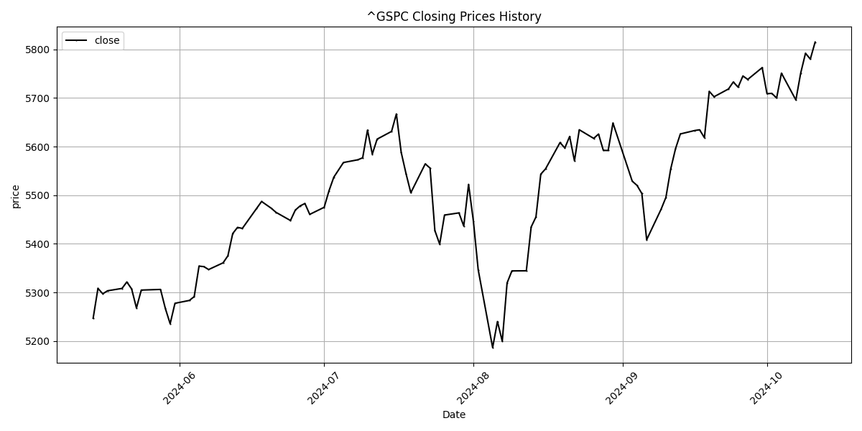
Date | Close Price
2024-05-14 | 5246.68
2024-05-15 | 5308.15
2024-05-16 | 5297.1
2024-05-17 | 5303.27
2024-05-20 | 5308.13
2024-05-21 | 5321.41
2024-05-22 | 5307.01
2024-05-23 | 5267.84
2024-05-24 | 5304.72
2024-05-28 | 5306.04
2024-05-29 | 5266.95
2024-05-30 | 5235.48
2024-05-31 | 5277.51
2024-06-03 | 5283.4
2024-06-04 | 5291.34
2024-06-05 | 5354.03
2024-06-06 | 5352.96
2024-06-07 | 5346.99
2024-06-10 | 5360.79
2024-06-11 | 5375.32
2024-06-12 | 5421.03
2024-06-13 | 5433.74
2024-06-14 | 5431.6
2024-06-17 | 5473.23
2024-06-18 | 5487.03
2024-06-20 | 5473.17
2024-06-21 | 5464.62
2024-06-24 | 5447.87
2024-06-25 | 5469.3
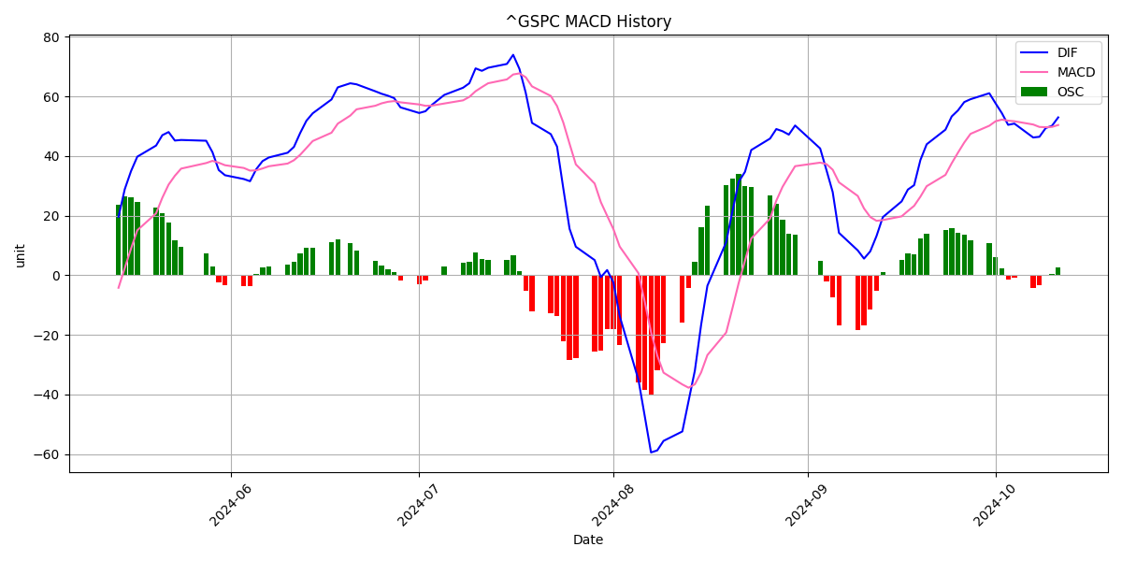
2024-06-26 | 5477.9
2024-06-27 | 5482.87
2024-06-28 | 5460.48
2024-07-01 | 5475.09
2024-07-02 | 5509.01
2024-07-03 | 5537.02
2024-07-05 | 5567.19
2024-07-08 | 5572.85
2024-07-09 | 5576.98
2024-07-10 | 5633.91
2024-07-11 | 5584.54
2024-07-12 | 5615.35
2024-07-15 | 5631.22
2024-07-16 | 5667.2
2024-07-17 | 5588.27
2024-07-18 | 5544.59
2024-07-19 | 5505
2024-07-22 | 5564.41
2024-07-23 | 5555.74
2024-07-24 | 5427.13
2024-07-25 | 5399.22
2024-07-26 | 5459.1
2024-07-29 | 5463.54
2024-07-30 | 5436.44
2024-07-31 | 5522.3
2024-08-01 | 5446.68
2024-08-02 | 5346.56
2024-08-05 | 5186.33
2024-08-06 | 5240.03
2024-08-07 | 5199.5
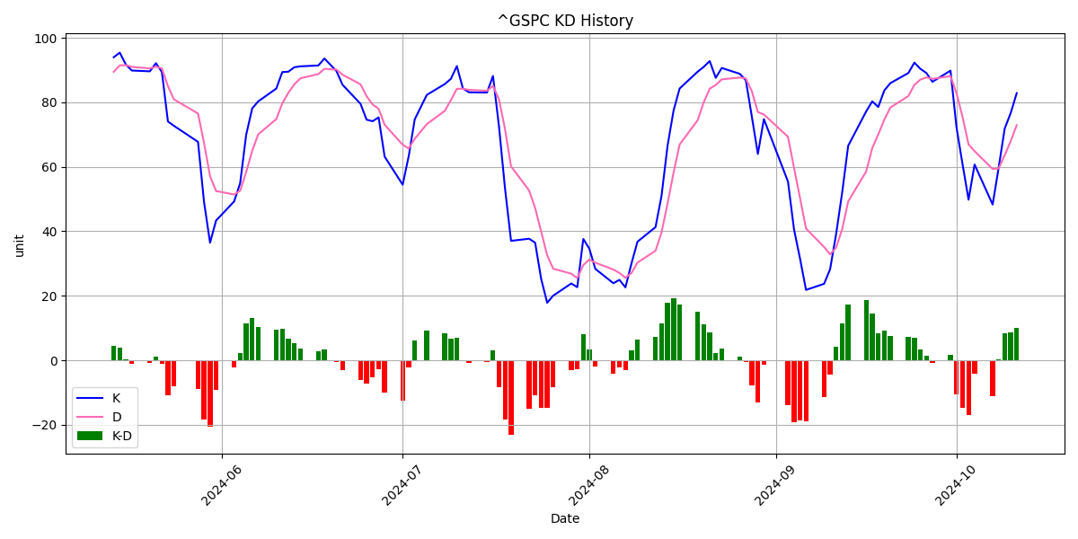
2024-08-08 | 5319.31
2024-08-09 | 5344.16
2024-08-12 | 5344.39
2024-08-13 | 5434.43
2024-08-14 | 5455.21
2024-08-15 | 5543.22
2024-08-16 | 5554.25
2024-08-19 | 5608.25
2024-08-20 | 5597.12
2024-08-21 | 5620.85
2024-08-22 | 5570.64
2024-08-23 | 5634.61
2024-08-26 | 5616.84
2024-08-27 | 5625.8
2024-08-28 | 5592.18
2024-08-29 | 5591.96
2024-08-30 | 5648.4
2024-09-03 | 5528.93
2024-09-04 | 5520.07
2024-09-05 | 5503.41
2024-09-06 | 5408.42
2024-09-09 | 5471.05
2024-09-10 | 5495.52
2024-09-11 | 5554.13
2024-09-12 | 5595.76
2024-09-13 | 5626.02
2024-09-16 | 5633.09
2024-09-17 | 5634.58
2024-09-18 | 5618.26
2024-09-19 | 5713.64
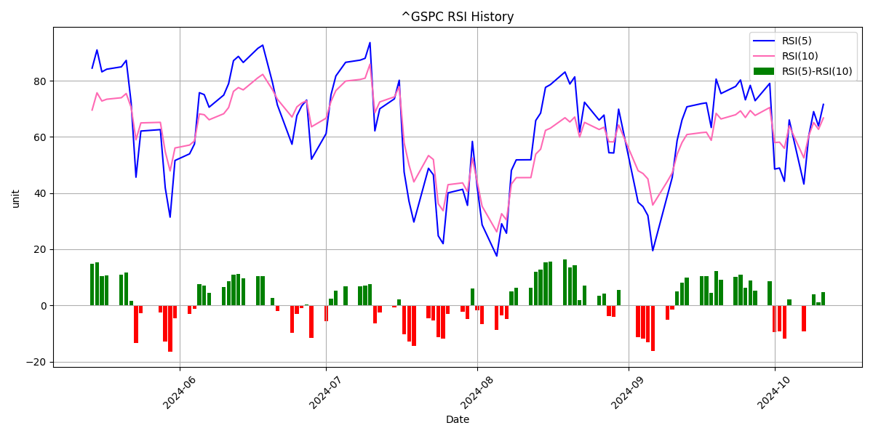
2024-09-20 | 5702.55
2024-09-23 | 5718.57
2024-09-24 | 5732.93
2024-09-25 | 5722.26
2024-09-26 | 5745.37
2024-09-27 | 5738.17
2024-09-30 | 5762.48
2024-10-01 | 5708.75
2024-10-02 | 5709.54
2024-10-03 | 5699.94
2024-10-04 | 5751.07
2024-10-07 | 5695.94
2024-10-08 | 5751.13
2024-10-09 | 5792.04
2024-10-10 | 5780.05
2024-10-11 | 5815.03

AAPL
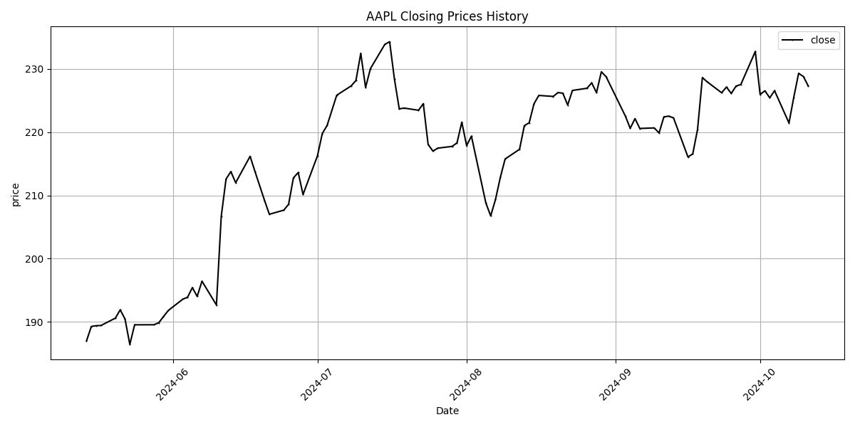
Date | Close Price
2024-05-14 | 187.01
2024-05-15 | 189.29
2024-05-16 | 189.41
2024-05-17 | 189.44
2024-05-20 | 190.61
2024-05-21 | 191.92
2024-05-22 | 190.47
2024-05-23 | 186.46
2024-05-24 | 189.55
2024-05-28 | 189.56
2024-05-29 | 189.86
2024-05-30 | 190.86
2024-05-31 | 191.82
2024-06-03 | 193.59
2024-06-04 | 193.91
2024-06-05 | 195.43
2024-06-06 | 194.04
2024-06-07 | 196.45
2024-06-10 | 192.68
2024-06-11 | 206.68
2024-06-12 | 212.59
2024-06-13 | 213.76
2024-06-14 | 212.01
2024-06-17 | 216.18
2024-06-18 | 213.81
2024-06-20 | 209.21
2024-06-21 | 207.02
2024-06-24 | 207.67
2024-06-25 | 208.6
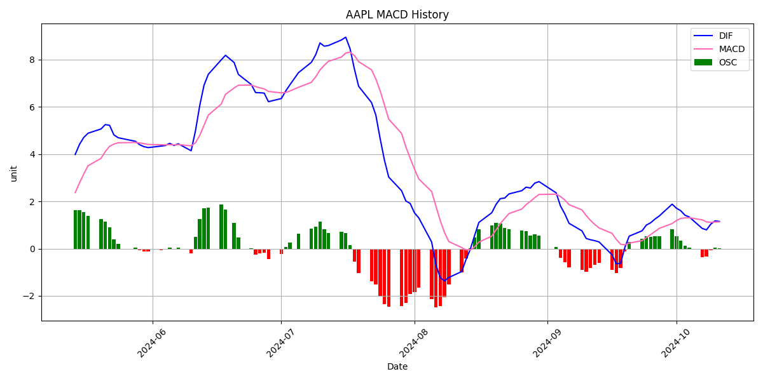
2024-06-26 | 212.77
2024-06-27 | 213.62
2024-06-28 | 210.15
2024-07-01 | 216.26
2024-07-02 | 219.77
2024-07-03 | 221.05
2024-07-05 | 225.83
2024-07-08 | 227.31
2024-07-09 | 228.16
2024-07-10 | 232.45
2024-07-11 | 227.06
2024-07-12 | 230.02
2024-07-15 | 233.87
2024-07-16 | 234.29
2024-07-17 | 228.36
2024-07-18 | 223.67
2024-07-19 | 223.8
2024-07-22 | 223.46
2024-07-23 | 224.5
2024-07-24 | 218.05
2024-07-25 | 217
2024-07-26 | 217.47
2024-07-29 | 217.75
2024-07-30 | 218.31
2024-07-31 | 221.58
2024-08-01 | 217.87
2024-08-02 | 219.36
2024-08-05 | 208.8
2024-08-06 | 206.76
2024-08-07 | 209.35
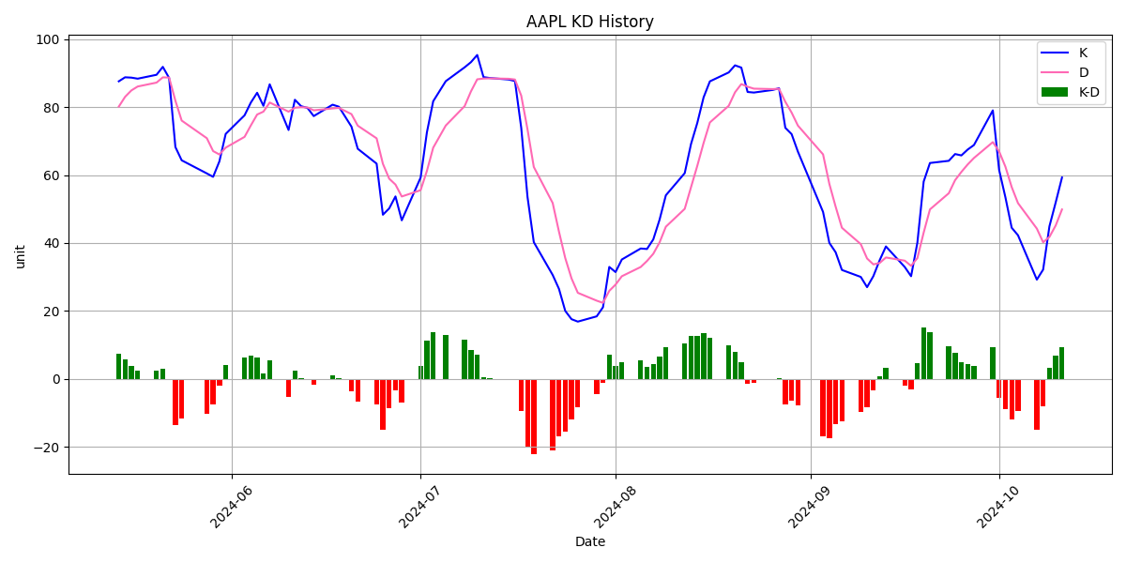
2024-08-08 | 212.83
2024-08-09 | 215.75
2024-08-12 | 217.29
2024-08-13 | 221.03
2024-08-14 | 221.48
2024-08-15 | 224.47
2024-08-16 | 225.8
2024-08-19 | 225.64
2024-08-20 | 226.26
2024-08-21 | 226.15
2024-08-22 | 224.28
2024-08-23 | 226.59
2024-08-26 | 226.93
2024-08-27 | 227.78
2024-08-28 | 226.24
2024-08-29 | 229.54
2024-08-30 | 228.75
2024-09-03 | 222.53
2024-09-04 | 220.61
2024-09-05 | 222.14
2024-09-06 | 220.58
2024-09-09 | 220.67
2024-09-10 | 219.87
2024-09-11 | 222.42
2024-09-12 | 222.53
2024-09-13 | 222.26
2024-09-16 | 216.08
2024-09-17 | 216.55
2024-09-18 | 220.45
2024-09-19 | 228.62
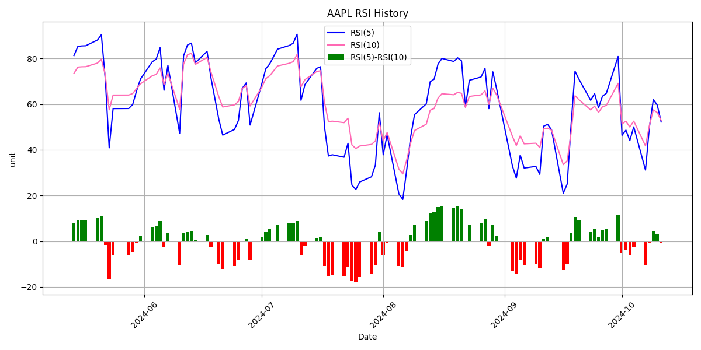
2024-09-20 | 227.95
2024-09-23 | 226.22
2024-09-24 | 227.12
2024-09-25 | 226.12
2024-09-26 | 227.27
2024-09-27 | 227.54
2024-09-30 | 232.74
2024-10-01 | 225.96
2024-10-02 | 226.53
2024-10-03 | 225.42
2024-10-04 | 226.55
2024-10-07 | 221.45
2024-10-08 | 225.52
2024-10-09 | 229.29
2024-10-10 | 228.79
2024-10-11 | 227.3

TSLA
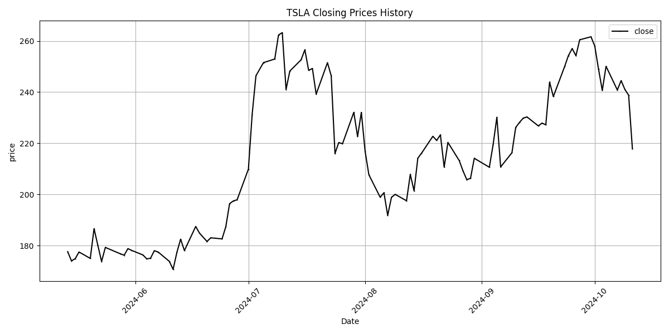
Date | Close Price
2024-05-14 | 177.55
2024-05-15 | 173.99
2024-05-16 | 174.84
2024-05-17 | 177.46
2024-05-20 | 174.95
2024-05-21 | 186.6
2024-05-22 | 180.11
2024-05-23 | 173.74
2024-05-24 | 179.24
2024-05-28 | 176.75
2024-05-29 | 176.19
2024-05-30 | 178.79
2024-05-31 | 178.08
2024-06-03 | 176.29
2024-06-04 | 174.77
2024-06-05 | 175
2024-06-06 | 177.94
2024-06-07 | 177.48
2024-06-10 | 173.79
2024-06-11 | 170.66
2024-06-12 | 177.29
2024-06-13 | 182.47
2024-06-14 | 178.01
2024-06-17 | 187.44
2024-06-18 | 184.86
2024-06-20 | 181.57
2024-06-21 | 183.01
2024-06-24 | 182.58
2024-06-25 | 187.35
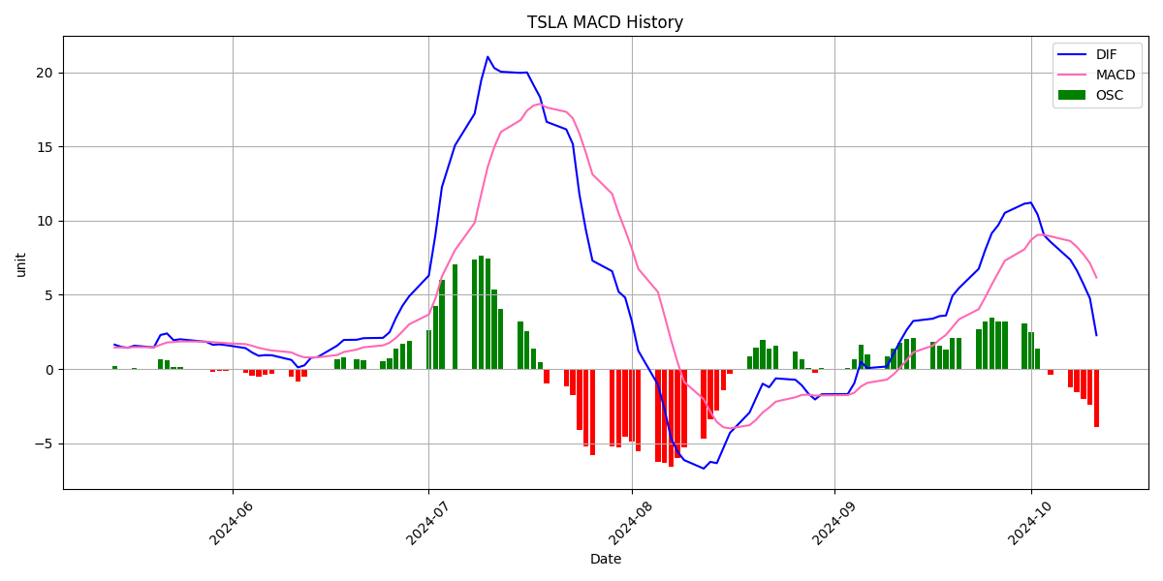
2024-06-26 | 196.37
2024-06-27 | 197.42
2024-06-28 | 197.88
2024-07-01 | 209.86
2024-07-02 | 231.26
2024-07-03 | 246.39
2024-07-05 | 251.52
2024-07-08 | 252.94
2024-07-09 | 262.33
2024-07-10 | 263.26
2024-07-11 | 241.03
2024-07-12 | 248.23
2024-07-15 | 252.64
2024-07-16 | 256.56
2024-07-17 | 248.5
2024-07-18 | 249.23
2024-07-19 | 239.2
2024-07-22 | 251.51
2024-07-23 | 246.38
2024-07-24 | 215.99
2024-07-25 | 220.25
2024-07-26 | 219.8
2024-07-29 | 232.1
2024-07-30 | 222.62
2024-07-31 | 232.07
2024-08-01 | 216.86
2024-08-02 | 207.67
2024-08-05 | 198.88
2024-08-06 | 200.64
2024-08-07 | 191.76
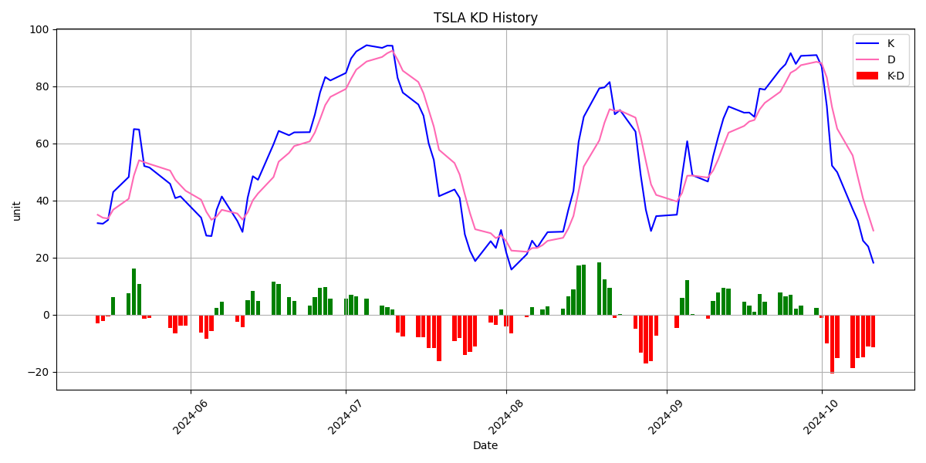
2024-08-08 | 198.84
2024-08-09 | 200
2024-08-12 | 197.49
2024-08-13 | 207.83
2024-08-14 | 201.38
2024-08-15 | 214.14
2024-08-16 | 216.12
2024-08-19 | 222.72
2024-08-20 | 221.1
2024-08-21 | 223.27
2024-08-22 | 210.66
2024-08-23 | 220.32
2024-08-26 | 213.21
2024-08-27 | 209.21
2024-08-28 | 205.75
2024-08-29 | 206.28
2024-08-30 | 214.11
2024-09-03 | 210.6
2024-09-04 | 219.41
2024-09-05 | 230.17
2024-09-06 | 210.73
2024-09-09 | 216.27
2024-09-10 | 226.17
2024-09-11 | 228.13
2024-09-12 | 229.81
2024-09-13 | 230.29
2024-09-16 | 226.78
2024-09-17 | 227.87
2024-09-18 | 227.2
2024-09-19 | 243.92
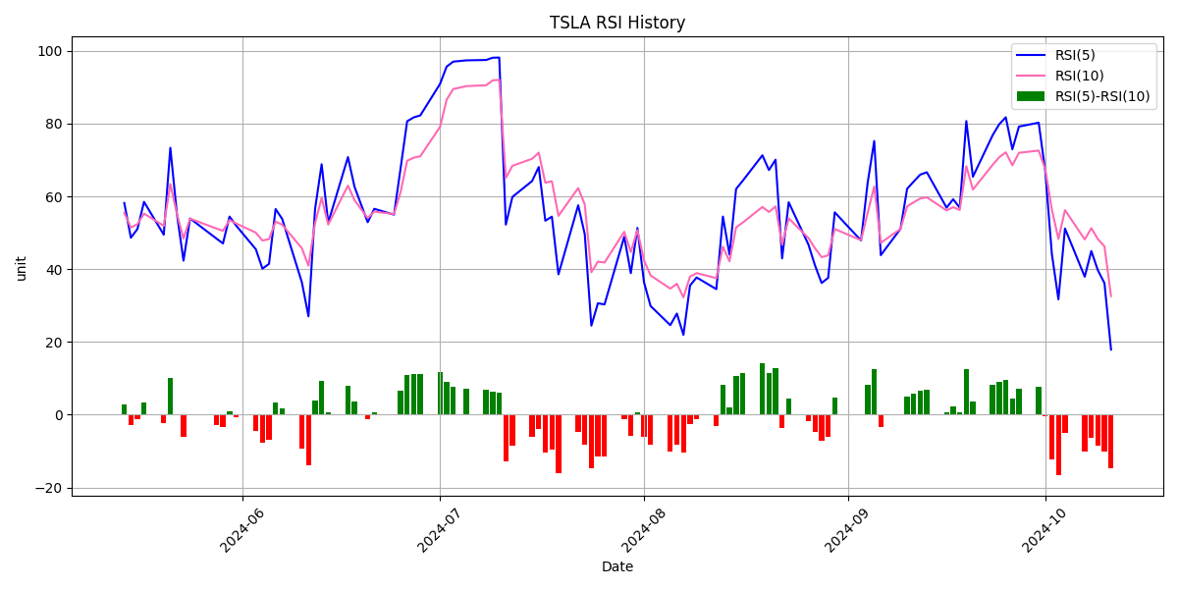
2024-09-20 | 238.25
2024-09-23 | 250
2024-09-24 | 254.27
2024-09-25 | 257.02
2024-09-26 | 254.22
2024-09-27 | 260.46
2024-09-30 | 261.63
2024-10-01 | 258.02
2024-10-02 | 249.02
2024-10-03 | 240.66
2024-10-04 | 250.08
2024-10-07 | 240.83
2024-10-08 | 244.5
2024-10-09 | 241.05
2024-10-10 | 238.77
2024-10-11 | 217.8

