summarized_data
Run Name | Task Type | 85th Percentile IRT | 99th Percentile IRT | 85th percentile passes? | 99th percentile passes? | Run Name | Task Type | 85th Percentile IRT | 99th Percentile IRT | 85th percentile passes? | 99th percentile passes? | Run Name | Task Type | 85th Percentile IRT | 99th Percentile IRT | 85th percentile passes? | 99th percentile passes? | Run Name | Task Type | 85th Percentile IRT | 99th Percentile IRT | 85th percentile passes? | 99th percentile passes? | Run Name | Task Type | 85th Percentile IRT | 99th Percentile IRT
Current | Tally 1 | 0 | 4.169968528 | Yes | Yes | Scenario 1 | Tally 1 | 0 | 9.1494635528 | Yes | Yes | Scenario 2 | Tally 1 | 0 | 6.0016708214 | Yes | Yes | Scenario 3 | Tally 1 | 0.48214767063 | 13.436740142 | Yes | Yes | Scenario 4 | Tally 1 | 1.4450758775 | 14.252942055
Current | Tally 2 | 0 | 5.4545618083 | Yes | Yes | Scenario 1 | Tally 2 | 0 | 9.6110384297 | Yes | Yes | Scenario 2 | Tally 2 | 0.61716546223 | 15.604572263 | Yes | Yes | Scenario 3 | Tally 2 | 0.70652764745 | 22.017098315 | Yes | Yes | Scenario 4 | Tally 2 | 4.3407181627 | 40.873687886
Current | Tally 3 | 0 | 9.8341419198 | Yes | Yes | Scenario 1 | Tally 3 | 0 | 15.474002316 | Yes | Yes | Scenario 2 | Tally 3 | 0.34320649551 | 28.07912033 | Yes | Yes | Scenario 3 | Tally 3 | 1.1323332684 | 47.420713128 | Yes | Yes | Scenario 4 | Tally 3 | 6.1573343555 | 85.147402799
Current | Tally 4 | 0 | 7.3650225527 | Yes | Yes | Scenario 1 | Tally 4 | 0 | 24.084404775 | Yes | Yes | Scenario 2 | Tally 4 | 1.0197710271 | 35.307386562 | Yes | Yes | Scenario 3 | Tally 4 | 0.4570030431 | 34.342279567 | Yes | Yes | Scenario 4 | Tally 4 | 7.3649605179 | 98.166728109
Current | Tally 5 | 0 | 9.8606347442 | Yes | Yes | Scenario 1 | Tally 5 | 0 | 14.044912733 | Yes | Yes | Scenario 2 | Tally 5 | 0.52607874868 | 31.542181512 | Yes | Yes | Scenario 3 | Tally 5 | 1.1754089492 | 52.009768795 | Yes | Yes | Scenario 4 | Tally 5 | 8.3717237711 | 118.93520075
Current | Tally 6 | 0 | 10.365025469 | Yes | Yes | Scenario 1 | Tally 6 | 0 | 17.911594131 | Yes | Yes | Scenario 2 | Tally 6 | 0.48126194556 | 32.065855362 | Yes | Yes | Scenario 3 | Tally 6 | 2.0987981949 | 65.287180038 | Yes | Yes | Scenario 4 | Tally 6 | 12.100743351 | 165.33213254
Current | Tally 7 | 0 | 10.819354091 | Yes | Yes | Scenario 1 | Tally 7 | 0 | 21.182783082 | Yes | Yes | Scenario 2 | Tally 7 | 0.60964433041 | 37.449397774 | Yes | Yes | Scenario 3 | Tally 7 | 1.2813168562 | 68.027350507 | Yes | Yes | Scenario 4 | Tally 7 | 10.081216495 | 184.14656881

Priority | Desired 85th percentile | Desired 99th percentile | <-- refer to this table for standards
1 | 5 | 8
2 | 8 | 12
3 | 8 | 20
4 | 10 | 30
5 | 12 | 45
6 | 14 | 70
7 | 20 | 150

Student's T test for model validation

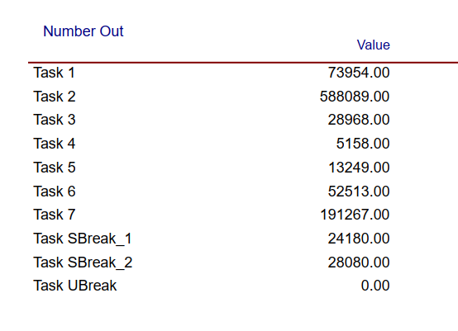
Task | Observed Values | Model Values
1 | 74030 | 73954
2 | 588077 | 588089
3 | 29061 | 28968
4 | 5113 | 5158
5 | 13248 | 13249
6 | 52846 | 52513
7 | 191673 | 191267

 | Student's T Test p-value | 0.12033427804

