Sheet1
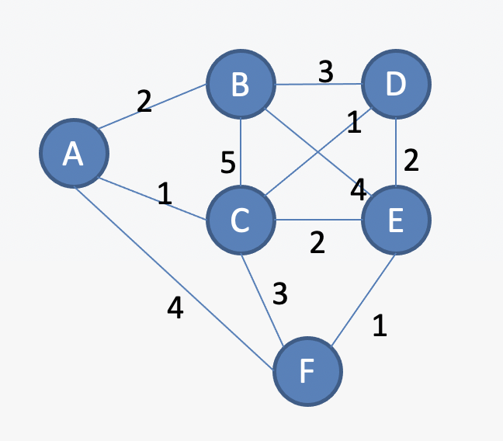
MARK | A | B | C | D | E | F
NULL | ~ | ~ | ~ | ~ | ~ | ~ | Shortest Path from A to F using Djikstra's Algorithm
A | 0 | ~ | ~ | ~ | ~ | ~
C | 0 | MIN(~, 0+2) = 2 | MIN(~, 0+1) = 1 | ~ | ~ | MIN(~, 0+4) = 4

B | 0 | MIN(2, 1+5) = 2 | 1 | MIN(~, 1+1) = 2 | MIN(~, 1+2) = 3 | MIN(4, 1+3) = 4

D | 0 | 2 | 1 | MIN(2, 2+3) = 2 | MIN(3, 2+4) = 3 | 4

E | 0 | 2 | 1 | 2 | MIN(3, 2+2) = 3 | 4

F | 0 | 2 | 1 | 2 | 3 | MIN(4, 3+1) = 4

MARK | A | B | C | D | E | F
NULL | ~ | ~ | ~ | ~ | ~ | ~
A | 0 | ~ | ~ | ~ | ~ | ~
C | 0 | MIN(~, 0+2) = 2 | MIN(~, 0+1) = 1 | ~ | ~ | MIN(~, 0+4) = 4

B | 0 | MIN(2, 1+5) = 2 | 1 | MIN(~, 1+1) = 2 | MIN(~, 1+2) = 3 | MIN(4, 1+3) = 4

D | 0 | 2 | 1 | MIN(2, 2+3) = 2 | MIN(3, 2+4) = 3 | 4

E | 0 | 2 | 1 | 2 | MIN(3, 2+2) = 3 | 4

F | 0 | 2 | 1 | 2 | 3 | MIN(4, 3+1) = 4

Sheet2
Find the shortest path from A to F using Djikstra
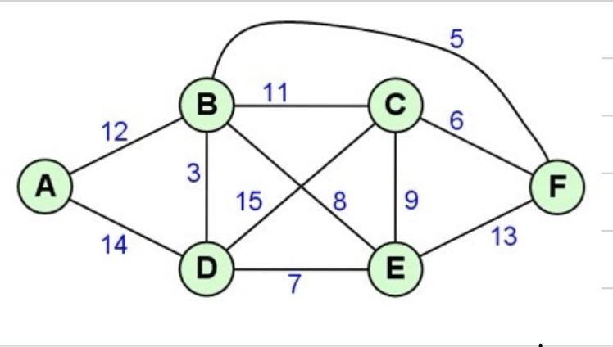

MARK | A | B | C | D | E | F
NULL | ~ | ~ | ~ | ~ | ~ | ~
A | 0 | ~ | ~ | ~ | ~ | ~
B | 0 | MIN(~, 0+12) = 12 | ~ | MIN(~, 0+14) = 14 | ~ | ~

D | 0 | 12 | MIN(~, 12+11) = 23 | MIN(14, 12+3) = 14 | MIN(~, 12+8) = 20 | MIN(~, 12+5) = 17

E | 0 | 12 | MIN(23, 14+15) = 23 | 14 | MIN(20, 14+7) = 20 | 17

F | 0 | 12 | MIN(23, 20+9) = 23 | 14 | 20 | MIN(17, 20+13) = 17

