Contents


 | Data for figures in the Commission's 2026 Monitoring report
 | This spreadsheet contains data used to produce figures in our 2026 monitoring report assessing progress towards meeting emissions budgets and the 2050 target.

Chapter | Figure | Title/description
Chapter 2 Our findings | Figure 2.1 | Gross and net emissions, 1990–2024
 | Figure 2.2 | Annual changes in gross emissions by sector since 2020
 | Figure 2.3 | Emissions by sector applying net emissions under target accounting, 2020-2025
 | Figure 2.4 | Historic and projected gross and net emissions in the first emissions budget period, 2022–2025
 | Figure 2.5 | Overall assessment of risk to meeting the emissions budgets under current policies and plans
 | Figure 2.6 | Assessment of risks to sectors’ contributions under current policies and plans – for the second emissions budget period, 2026-2030
 | Figure 2.7 | Historic and projected gross and net emissions in the first, second and third emissions budgets
 | Figure 2.8 | Biogenic methane emissions projections by sector in the Government’s second emissions reduction plan
 | Figure 2.9 | Increases in projected biogenic methane emissions in 2030 over the last three years
 | Figure 2.10 | Assessment of risks to sectors’ contributions to emissions reduction under current policies and plans – for the third emissions budget period (2031-2035)
 | Figure 2.11 | Increases in rate of decarbonisation required to meet future emissions budgets (annual average MtCO2e)
 | Figure 2.13 | Five-year running costs for comparable compact sports utility vehicles (SUVs)
 | Figure 2.14 | Cost of installing and running a new heat pump compared with running existing fossil fuel boilers

Chapter 3 Economy and emissions pricing | Figure 3.1 | NZU spot prices and relevant market events January 2024 – March 2026
 | Figure 3.2 | Forecast industrial allocation and auction volumes to 2050

Chapter 4 Benefits and impacts | Figure 4.1 | Maximum and minimum annual change in residential energy prices of electricity compared with other fuels (1995-2025)

Chapter 7 Energy, industry and buildings | Figure 7.1 | Emissions by subsector
 | Figure 7.2 | Proportion of electricity generation from hydro, coal and gas
 | Figure 7.3 | Industrial fossil fuel energy use
 | Figure 7.4 | Industrial electricity and direct renewable energy use
 | Figure 7.5 | Lifetime cost for new boiler systems or replacement at end-of-life, for < 100 °C applications with central assumptions

Chapter 8 Transport | Figure 8.1 | Share of zero- and low-emission vehicles entering the light fleet (%)
 | Figure 8.2 | Share of zero- and low-emission vehicle share of heavy vehicles entering the fleet (includes buses) (%)
 | Figure 8.3 | Total Cost of Ownership, Compact SUVs (NPV)
 | Figure 8.4 | Cost comparisions: Utility vehicle (NPV)

Chapter 9 Agriculture | Figure 9.1 | Total agricultural biogenic methane
 | Figure 9.2 | Total dairy cattle
 | Figure 9.3 | Total sheep and beef livestock
 | Figure 9.4 | Total nitrogen fertiliser use

Chapter 10 Waste and fluorinated gases | Figure 10.1 | Waste management emissions
 | Figure 10.2 | Diversion of organic waste from landfill
 | Figure 10.3 | Breakdown of HFC emissions by activity

Chapter 11 Forestry | Figure 11.1 | Net emissions from afforestation and reforestation, target accounting method
 | Figure 11.2 | Net emissions from deforestation, target accounting method
 | Figure 11.3 | Afforestation and deforestation activity

TechAnnex - Figures | Figure 1 | ERM25 adequacy assessment updated to align with the ERM26 methodology
 | Figure 2 | Government’s WAM path compared to EB4 demonstration path, projected to 2050
 | Figure 3 | Further reductions possible in the third emissions budget period
 | Figure 4 | Capital cost assumptions ($/kWth, 2025 NZD)
 | Figure 5 | Fuel price assumptions ($/GJ, 2025 NZD). NZ ETS price impact is excluded except for electricity
 | Figure 6 | Lifetime cost for new boiler systems or replacement at end-of-life, for < 100 °C applications with central assumptions (NZD, excl. GST)
 | Figure 7 | Cost per GJ of heat output (NZD/GJ, excl. GST) of installing and running new low-carbon heating systems compared with running existing fossil fuel boilers, with central assumptions
 | Figure 8 | Cost per GJ (NZD/GJ, excl. GST) of heat output of installing and running a new heat pump compared with running existing fossil fuel boilers under central assumptions but with a low gas price
 | Figure 9 | LCOH ($/GJ) vs utilisation rate of new heat pump vs existing fossil fuel boiler
 | Figure 10 | Gross emissions since 2015, as reported in the GHG Inventories published in 2022, 2025 & 2026
 | Figure 11 | Emissions by sector
 | Figure 12 | Annual changes in gross emissions by sector since 2020
 | Figure 13 | Emissions by industrial sector
 | Figure 14 | Residential and commercial buildings emissions
 | Figure 15 | Electricity supply emissions by fuel type
 | Figure 16 | Total renewable generation capacity
 | Figure 17 | Fossil fuel emissions in industry
 | Figure 21 | Transport emissions by subcategory
 | Figure 22 | Passenger transport emissions by vehicle type
 | Figure 23 | Freight transport emissions
 | Figure 27 | Emissions from waste
 | Figure 29 | F-gas emissions
 | Figure 30 | Breakdown of HFC emissions by activity
 | Figure 31 | Release of HFCs from product manufacturing, leakage and disposal
 | Figure 33 | Agricultural emissions, all gases
 | Figure 34 | Agricultural biogenic methane emissions
 | Figure 36 | Removals by accounting method

TechAnnex - Indicators | Figure 18 | Progress indicators dashboard for electricity supply
 | Figure 19 | Progress indicators dashboard for buildings
 | Figure 20 | Progress indicators dashboard for industry
 | Figure 24 | Progress indicators dashboard for passenger transport
 | Figure 25 | Progress indicators dashboard for freight transport
 | Figure 26 | Progress indicators dashboard for aviation
 | Figure 28 | Progress indicators dashboard for waste
 | Figure 32 | Progress indicators dashboard for f-gases
 | Figure 35 | Progress indicators dashboard for agriculture
 | Figure 37 | Progress indicators dashboard for forest removals

Chapter 2
Chapter 2 Our key findings

Figure 2.1 | Gross and net emissions by gas, 1990–2024
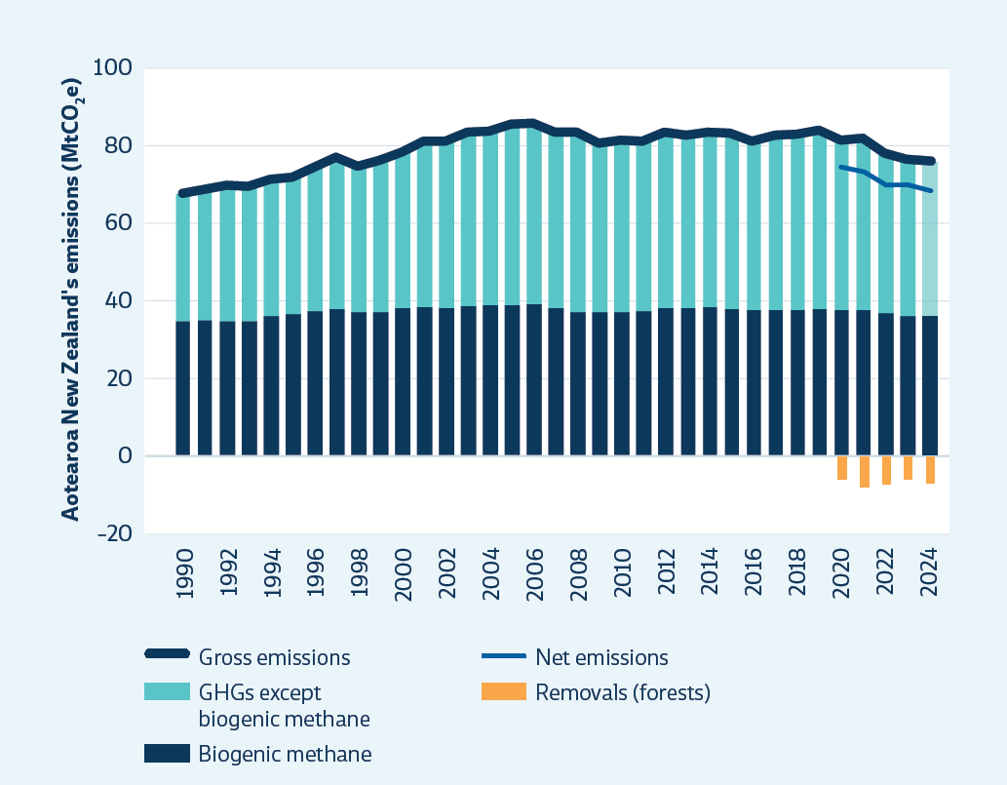
 |  | Emissions (MtCO2e)
 |  |  | 1990 | 1991 | 1992 | 1993 | 1994 | 1995 | 1996 | 1997 | 1998 | 1999 | 2000 | 2001 | 2002 | 2003 | 2004 | 2005 | 2006 | 2007 | 2008 | 2009 | 2010 | 2011 | 2012 | 2013 | 2014 | 2015 | 2016 | 2017 | 2018 | 2019 | 2020 | 2021 | 2022 | 2023 | 2024
 |  | GHGs except biogenic methane | 32.61 | 33.37 | 34.93 | 34.53 | 34.97 | 35.09 | 36.92 | 38.92 | 37.36 | 39.06 | 40.05 | 42.55 | 42.80 | 44.59 | 44.40 | 46.22 | 46.44 | 45.10 | 46.04 | 43.36 | 44.05 | 43.56 | 45.07 | 44.23 | 44.67 | 45.09 | 43.36 | 44.78 | 44.93 | 45.87 | 43.32 | 43.91 | 40.89 | 39.78 | 39.84
 |  | Biogenic methane | 34.96 | 35.27 | 34.86 | 34.96 | 36.25 | 36.70 | 37.39 | 38.04 | 37.29 | 37.17 | 38.24 | 38.50 | 38.31 | 38.85 | 39.06 | 39.14 | 39.17 | 38.16 | 37.23 | 37.10 | 37.07 | 37.31 | 38.15 | 38.12 | 38.32 | 37.92 | 37.47 | 37.52 | 37.63 | 37.79 | 37.64 | 37.62 | 36.77 | 36.12 | 35.97
 |  | Gross emissions | 67.57 | 68.64 | 69.79 | 69.49 | 71.22 | 71.79 | 74.32 | 76.97 | 74.66 | 76.24 | 78.29 | 81.05 | 81.12 | 83.45 | 83.46 | 85.36 | 85.61 | 83.26 | 83.28 | 80.45 | 81.11 | 80.88 | 83.23 | 82.36 | 82.99 | 83.01 | 80.82 | 82.30 | 82.56 | 83.66 | 80.96 | 81.53 | 77.66 | 75.90 | 75.81
 |  | Net emissions |  |  |  |  |  |  |  |  |  |  |  |  |  |  |  |  |  |  |  |  |  |  |  |  |  |  |  |  |  |  | 74.44 | 73.34 | 69.98 | 69.88 | 68.68
 |  | Removals (forests) |  |  |  |  |  |  |  |  |  |  |  |  |  |  |  |  |  |  |  |  |  |  |  |  |  |  |  |  |  |  | -6.5 | -8.2 | -7.7 | -6.0 | -7.1

Figure 2.2 | Annual changes in gross emissions by sector since 2020
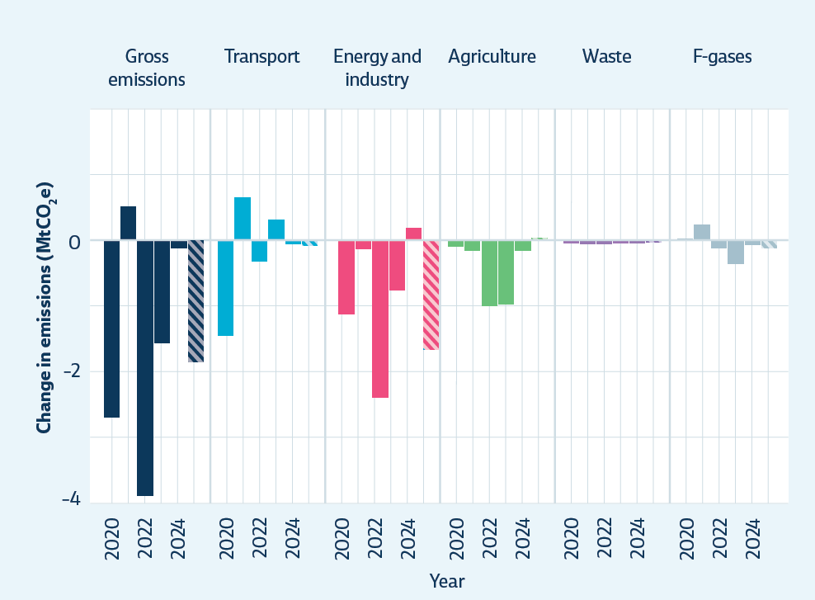
 |  | Change in emissions from previous year (MtCO2e)
 |  |  | 2020 | 2021 | 2022 | 2023 | 2024 | 2025
 |  | Transport | -1.45 | 0.65 | -0.34 | 0.30 | -0.06 | -0.08
 |  | Energy and industry | -1.13 | -0.14 | -2.40 | -0.74 | 0.19 | -1.65
 |  | Agriculture | -0.08 | -0.15 | -0.98 | -0.96 | -0.14 | 0.01
 |  | Waste | -0.03 | -0.04 | -0.04 | -0.02 | -0.01 | -0.01
 |  | F-gases | 0.00 | 0.23 | -0.11 | -0.35 | -0.06 | -0.12
 |  | Gross emissions | -2.70 | 0.57 | -3.87 | -1.76 | -0.09 | -1.85

Figure 2.3 | Emissions by sector applying net emissions under target accounting, 2020-2025
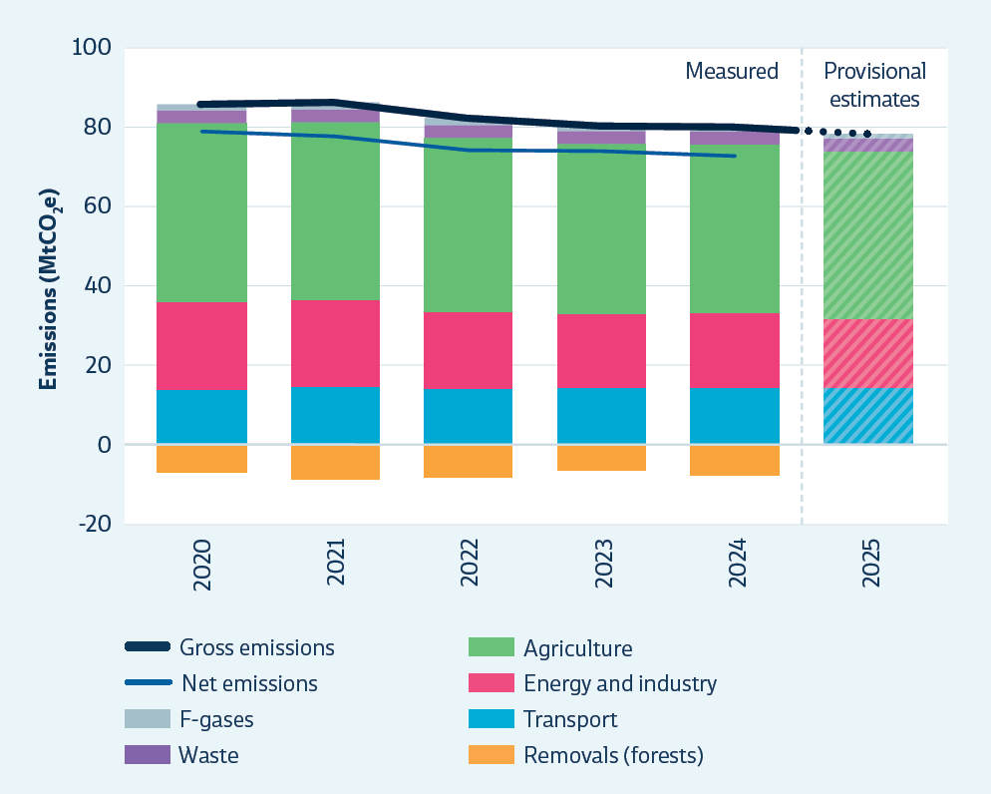
 |  | Emissions (MtCO2e) |  |  |  |  |  | Provisional
 |  |  | 2020 | 2021 | 2022 | 2023 | 2024 | 2025
 |  | Transport | 13.19 | 13.85 | 13.50 | 13.81 | 13.74 | 13.66
 |  | Energy and industry | 20.86 | 20.72 | 18.32 | 17.58 | 17.77 | 16.12
 |  | Agriculture | 42.37 | 42.23 | 41.25 | 40.29 | 40.15 | 40.16
 |  | Waste | 3.12 | 3.08 | 3.04 | 3.02 | 3.01 | 3.00
 |  | F-gases | 1.42 | 1.65 | 1.54 | 1.20 | 1.13 | 1.01
 |  | Forests | -6.52 | -8.19 | -7.68 | -6.01 | -7.13
 |  | Net emissions | 74.44 | 73.34 | 69.98 | 69.88 | 68.68
 |  | Gross emissions | 80.96 | 81.52 | 77.66 | 75.89 | 75.81 | 73.96

Figure 2.4 | Historic and projected gross and net emissions in the first emissions budget period, 2022–2025
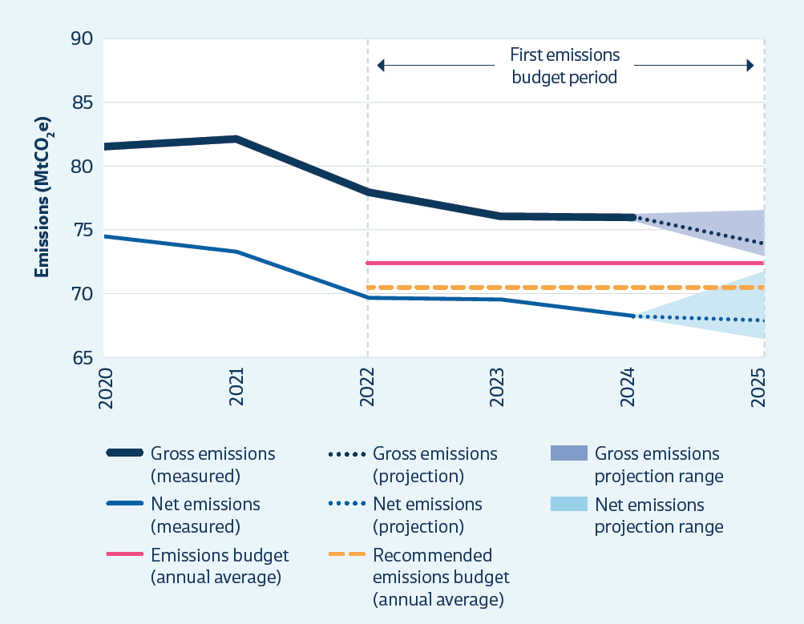

 |  | Emissions (MtCO2e)
 |  |  | 2020 | 2021 | 2022 | 2023 | 2024 | 2025
 |  | Gross emissions (measured) | 81.0 | 81.5 | 77.7 | 75.9 | 75.8
 |  | Net emissions (measured) | 74.4 | 73.3 | 70.0 | 69.9 | 68.7
 |  | Gross emissions (projection) |  |  |  |  | 75.8 | 74.0
 |  | Net emissions (projection) |  |  |  |  | 68.7 | 68.3
 |  | Recommended emissions budget (annual average) |  |  | 70.75 | 70.75 | 70.75 | 70.75
 |  | <net emissions low projection> |  |  |  | 0.00 | 68.68 | 67.01
 |  | Net emissions projection range |  |  |  | 0.0 | 0.0 | 4.9
 |  |  |  |  |  | 0.0 | 7.1 | 1.0
 |  | Gross emissions projection range |  |  |  | 0.0 | 0.0 | 3.4

 |  | Net emissions low |  |  |  |  | 68.68 | 67.01
 |  | Net emissions high |  |  |  |  | 68.68 | 71.95
 |  | Gross emissions low |  |  |  |  | 75.81 | 72.99
 |  | Gross emissions high |  |  |  |  | 75.81 | 76.36
 |  | Emissions budget (annual average) |  |  | 72.5 | 72.5 | 72.5 | 72.5

Figure 2.5 | Overall assessment of risk to meeting the emissions budgets under current policies and plans
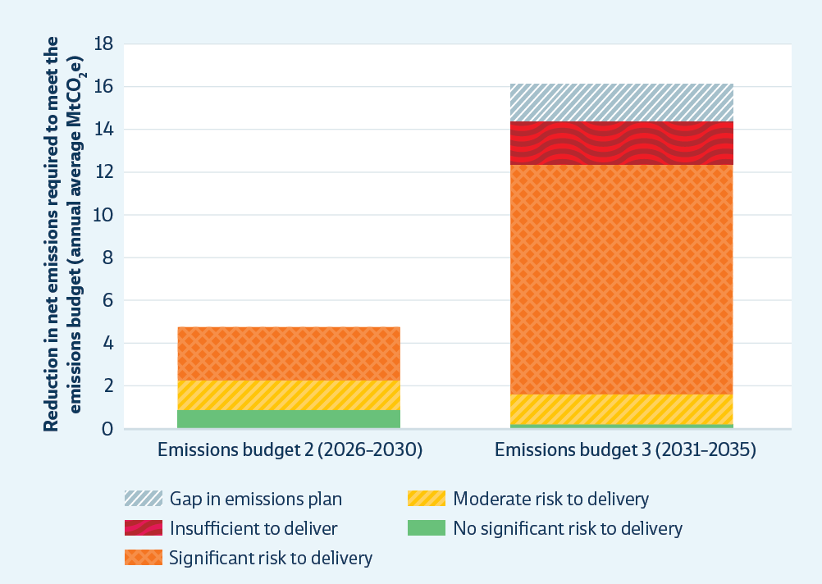
 |  | Annual average net emissions (MtCO2e)
 |  |  | Emissions budget 2 (2026-2030) | Emissions budget 3 (2031-2035)
 |  | Gap in emissions plan | 0.0 | 1.7
 |  | Insufficient to deliver | 0.0 | 2.0
 |  | Significant risk to delivery | 2.5 | 10.7
 |  | Moderate risk to delivery | 1.4 | 1.4
 |  | No significant risk to delivery | 0.9 | 0.2

Figure 2.6 | Assessment of risk to sectors’ contributions under current policies and plans – for the second emissions budget period (2026–2030)
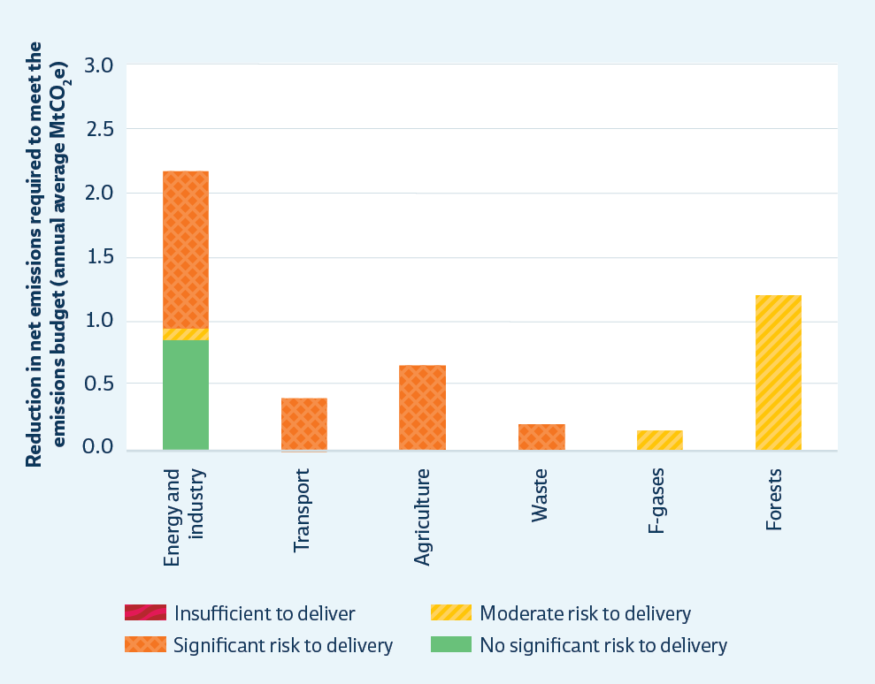
 |  | Emissions (MtCO2e) | Insufficient to deliver | Significant risk to delivery | Moderate risk to delivery | No significant risk to delivery
 |  | Energy & industry | 0.0 | 1.2 | 0.1 | 0.9
 |  | Transport | 0.0 | 0.4 | 0.0 | 0.0
 |  | Agriculture | 0.0 | 0.7 | 0.0 | 0.0
 |  | Waste | 0.0 | 0.2 | 0.0 | 0.0
 |  | F-gases | 0.0 | 0.0 | 0.1 | 0.0
 |  | Forests | 0.0 | 0.0 | 1.2 | 0.0

Figure 2.7 | Historic and projected gross and net emissions in the first, second and third emissions budgets
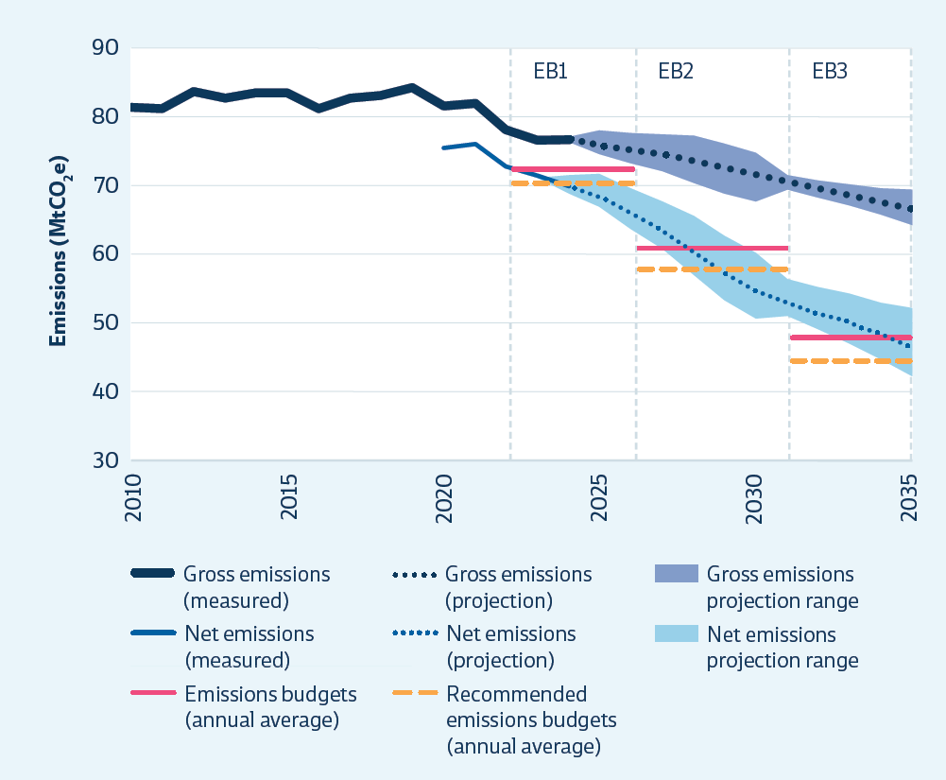
 |  | Emissions (MtCO2e)
 |  |  | 2010 | 2011 | 2012 | 2013 | 2014 | 2015 | 2016 | 2017 | 2018 | 2019 | 2020 | 2021 | 2022 | 2023 | 2024 | 2025 | 2026 | 2027 | 2028 | 2029 | 2030 | 2031 | 2032 | 2033 | 2034 | 2035
 |  | Gross emissions (measured) | 81.4 | 81.2 | 83.7 | 82.8 | 83.5 | 83.4 | 81.2 | 82.8 | 83.0 | 84.2 | 81.5 | 82.0 | 78.1 | 76.6 | 76.7
 |  | Gross emissions (projection) |  |  |  |  |  |  |  |  |  |  |  |  | 78.1 | 76.6 | 76.7 | 75.7 | 75.0 | 74.4 | 73.3 | 72.3 | 71.3 | 70.4 | 69.5 | 68.6 | 67.6 | 66.6
 |  | Net emissions (measured) |  |  |  |  |  |  |  |  |  |  | 75.4 | 75.9 | 72.8 | 71.3 | 69.9
 |  | Net emissions (projection) |  |  |  |  |  |  |  |  |  |  |  |  | 72.8 | 71.3 | 69.9 | 68.3 | 65.8 | 63.4 | 60.2 | 57.2 | 54.8 | 53.0 | 51.4 | 49.9 | 48.1 | 46.3
 |  | <net emissions - low projection> |  |  |  |  |  |  |  |  |  |  |  |  | 72.8 | 71.3 | 69.0 | 67.0 | 63.9 | 61.0 | 57.0 | 53.5 | 50.7 | 51.0 | 49.1 | 47.1 | 44.7 | 42.2
 |  | Net emissions projection range |  |  |  |  |  |  |  |  |  |  |  |  |  | 0.0 | 2.7 | 4.9 | 6.0 | 6.9 | 8.7 | 9.4 | 9.6 | 5.4 | 6.3 | 7.2 | 8.4 | 10.1
 |  |  |  |  |  |  |  |  |  |  |  |  |  |  | 5.4 | 5.3 | 4.6 | 2.8 | 3.6 | 4.4 | 4.9 | 6.3 | 7.6 | 13.1 | 13.0 | 13.0 | 12.8 | 12.1
 |  | Gross emissions projection range |  |  |  |  |  |  |  |  |  |  |  |  |  | 0.0 | 0.8 | 3.5 | 4.4 | 5.3 | 6.9 | 7.3 | 7.0 | 2.2 | 2.6 | 3.1 | 3.9 | 5.3
 |  | Emissions budgets (annual average) |  |  |  |  |  |  |  |  |  |  |  |  | 72.5 | 72.5 | 72.5 | 72.5 | 61.0 | 61.0 | 61.0 | 61.0 | 61.0 | 48.0 | 48.0 | 48.0 | 48.0 | 48.0
 |  | Recommended emissions budgets (annual average) |  |  |  |  |  |  |  |  |  |  |  |  | 70.8 | 70.8 | 70.8 | 70.8 | 58.0 | 58.0 | 58.0 | 58.0 | 58.0 | 44.4 | 44.4 | 44.4 | 44.4 | 44.4

 |  | Net emissions low |  |  |  |  |  |  |  |  |  |  |  |  | 72.8 | 71.3 | 69.0 | 67.0 | 63.9 | 61.0 | 57.0 | 53.5 | 50.7 | 51.0 | 49.1 | 47.1 | 44.7 | 42.2
 |  | Net emissions high |  |  |  |  |  |  |  |  |  |  |  |  | 72.8 | 71.3 | 71.7 | 71.9 | 69.9 | 68.0 | 65.7 | 62.9 | 60.3 | 56.5 | 55.4 | 54.3 | 53.1 | 52.3
 |  | Gross emissions low |  |  |  |  |  |  |  |  |  |  |  |  | 78.1 | 76.6 | 76.3 | 74.7 | 73.5 | 72.4 | 70.6 | 69.1 | 67.9 | 69.5 | 68.5 | 67.2 | 65.9 | 64.4
 |  | Gross emissions high |  |  |  |  |  |  |  |  |  |  |  |  | 78.1 | 76.6 | 77.1 | 78.2 | 77.9 | 77.6 | 77.5 | 76.4 | 75.0 | 71.7 | 71.1 | 70.3 | 69.8 | 69.6

Figure 2.8 | Biogenic methane emissions projections by sector in the Government’s second emissions reduction plan
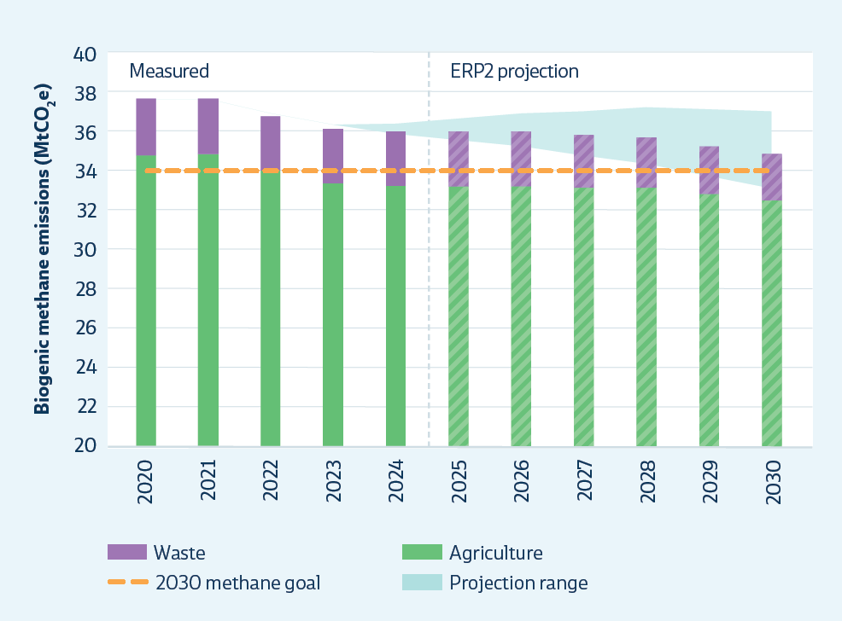
 |  | Emissions (MtCO2e)
 |  |  | 2020 | 2021 | 2022 | 2023 | 2024 | 2025 | 2026 | 2027 | 2028 | 2029 | 2030
 |  | Agriculture (ERP2 projection) | 34.78 | 34.80 | 33.98 | 33.35 | 33.22 | 33.20 | 33.21 | 33.12 | 33.12 | 32.79 | 32.47
 |  | Waste (ERP2 projection) | 2.86 | 2.82 | 2.79 | 2.77 | 2.75 | 2.80 | 2.79 | 2.66 | 2.54 | 2.44 | 2.34
 |  | 2030 methane goal | 34.02 | 34.02 | 34.02 | 34.02 | 34.02 | 34.02 | 34.02 | 34.02 | 34.02 | 34.02 | 34.02
 |  | low (ERP2 projection) | 37.88 | 37.87 | 37.01 | 36.29 | 35.71 | 35.33 | 34.95 | 34.36 | 33.88 | 33.10 | 32.34
 |  | high (ERP2 projection) | 37.88 | 37.87 | 37.01 | 36.29 | 36.37 | 36.66 | 37.00 | 37.13 | 37.35 | 37.24 | 37.13
 |  | Range | 0.00 | 0.00 | 0.00 | 0.00 | 0.66 | 1.32 | 2.05 | 2.76 | 3.47 | 4.13 | 4.78

Figure 2.9 | Biogenic methane emissions in 2030 - changes over the last three years
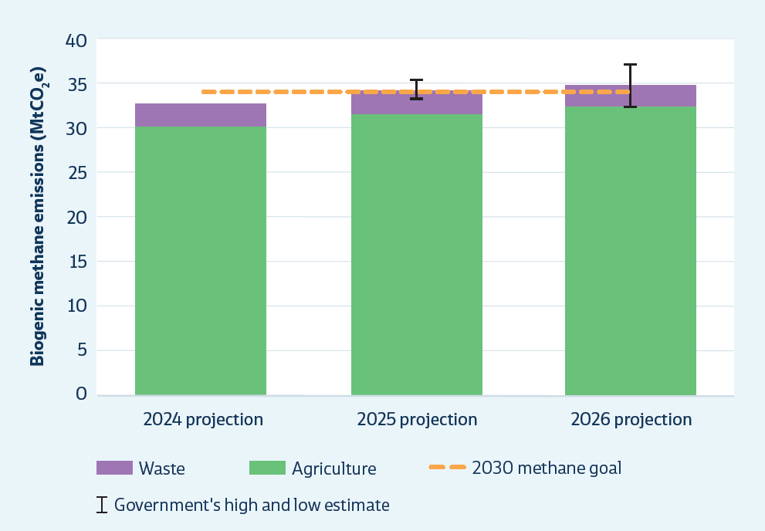
 |  | Emissions (MtCO2e)
 |  |  | ERM24 | ERM25 | ERM26
 |  | Agriculture in 2030 | 30.20 | 31.71 | 32.47
 |  | Waste in 2030 | 2.53 | 2.55 | 2.34
 |  | 2030 methane goal | 34.02 | 34.02 | 34.02
 |  | low (ERP2 projection) |  | 33.32 | 32.34
 |  | high (ERP2 projection) |  | 35.39 | 37.13
 |  | Lower Range |  | 0.94 | 2.46
 |  | Upper Range |  | 1.13 | 2.32

Figure 2.10 | Assessment of risks to sectors’ contributions to emissions reduction under current policies and plans – for the third emissions budget period (2031–2035)
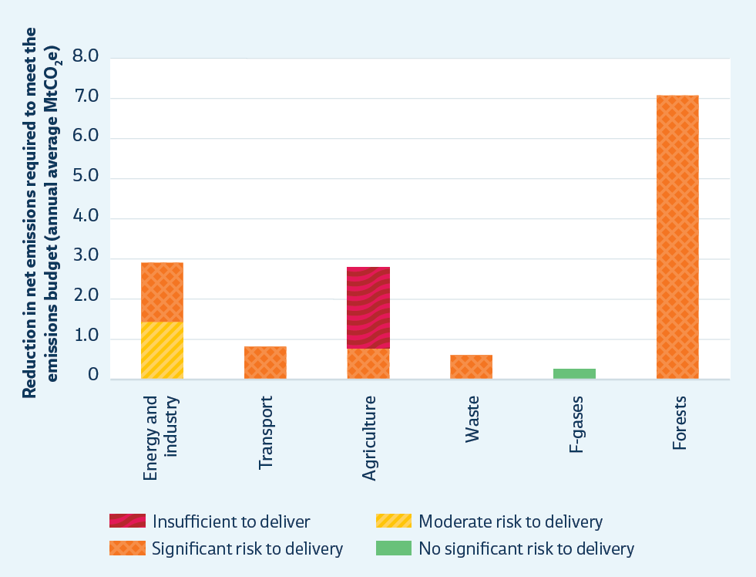

 |  | Emissions (MtCO2e) | Insufficient to deliver | Significant risk to delivery | Moderate risk to delivery | No significant risk to delivery
 |  | Energy & industry | 0.0 | 1.5 | 1.4 | 0.0
 |  | Transport | 0.0 | 0.8 | 0.0 | 0.0
 |  | Agriculture | 2.0 | 0.8 | 0.0 | 0.0
 |  | Waste | 0.0 | 0.6 | 0.0 | 0.0
 |  | F-gases | 0.0 | 0.0 | 0.0 | 0.2
 |  | Forests | 0.0 | 7.1 | 0.0 | 0.0

Figure 2.11 | Decarbonisation rates
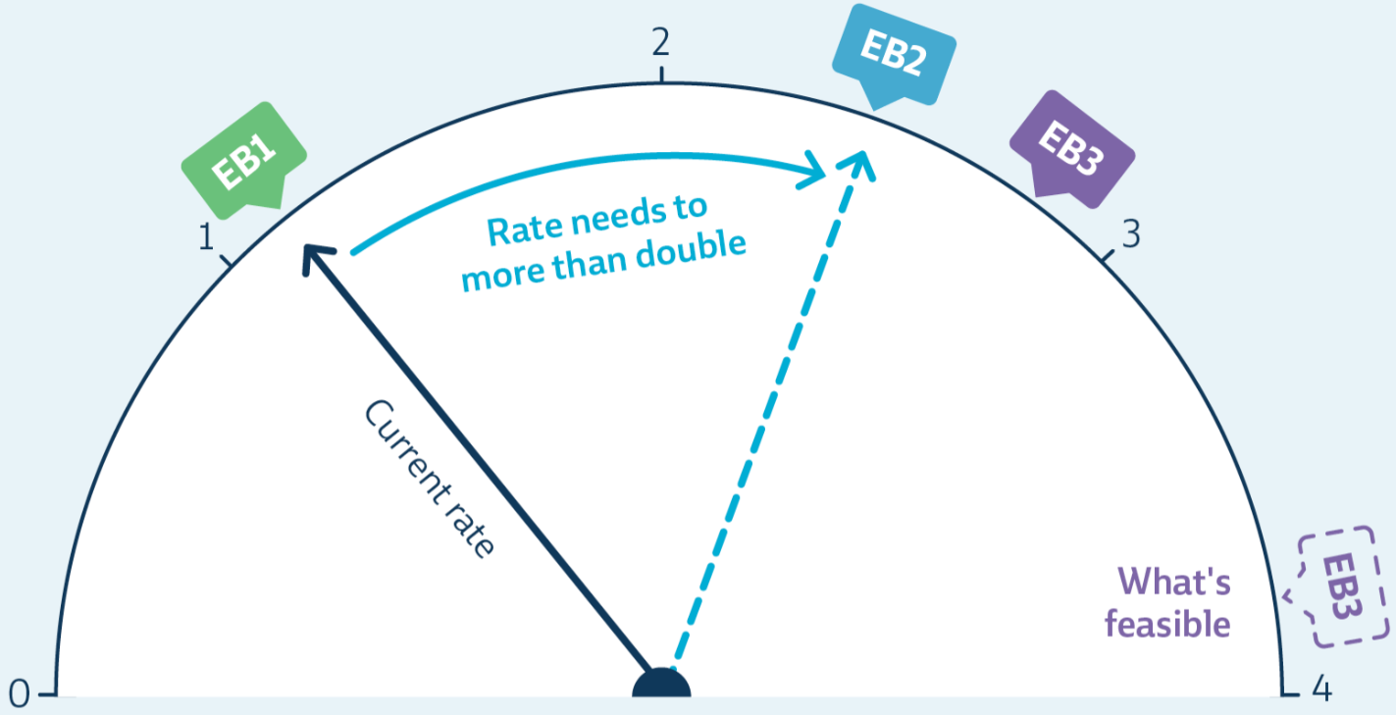

 |  |  | MtCO2e
 |  | EB1 | 1.1
 |  | EB2 required | 2.4
 |  | EB3 required | 2.7
 |  | EB3 planned | 2.1
 |  | EB3 what's feasible | 3.9

Figure 2.13 | Five-year running costs for comparable compact sports utility vehicles (SUVs)
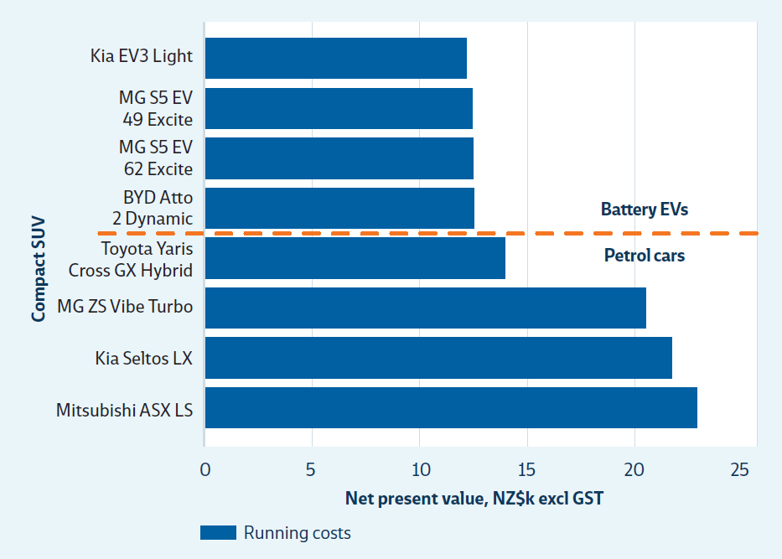
 |  |  |  | 5 Year Running Costs
 |  | Battery Evs | Kia EV3 Light | $12,230.65
 |  |  | MG S5 EV 49 Excite | $12,497.31
 |  |  | MG S5 EV 62 Excite | $12,544.36
 |  |  | BYD Atto 2 Dynamic | $12,575.73
 |  | Petrol cars | Toyota Yaris Cross GX Hybrid | $14,012.59
 |  |  | MG ZS Vibe Turbo | $20,542.11
 |  |  | Kia Seltos LX | $21,747.55
 |  |  | Mitsubishi ASX LS | $22,952.99

Figure 2.14 | Cost of installing and running a new heat pump compared with running existing fossil fuel boilers
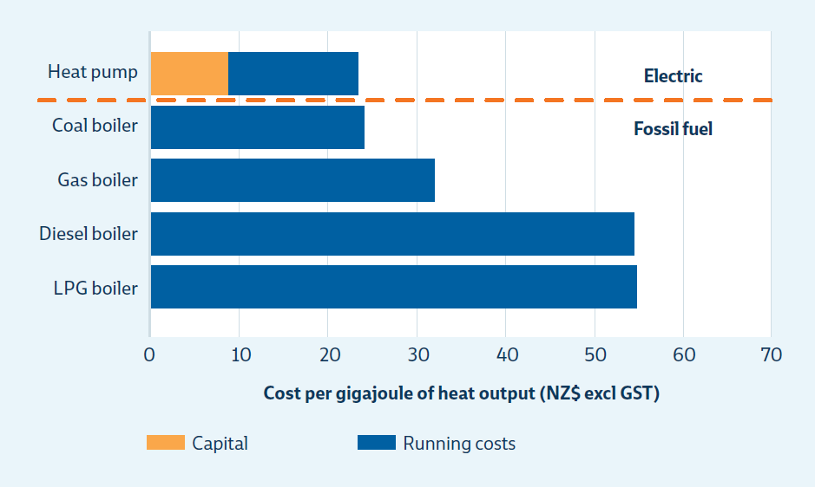
 |  |  |  |  | Capital | Running costs
 |  | Electric |  | Heat Pump | $8.77 | $14.71
 |  | Fossil fuel |  | Coal Boiler |  | $24.09
 |  |  |  | Gas Boiler |  | $31.88
 |  |  |  | Diesel Boiler |  | $54.45
 |  |  |  | LPG Boiler |  | $54.81

Chapter 3
Chapter 3 Economy and emissions pricing

Figure 3.1 | NZU spot prices and relevant market events January 2024 – May 2026
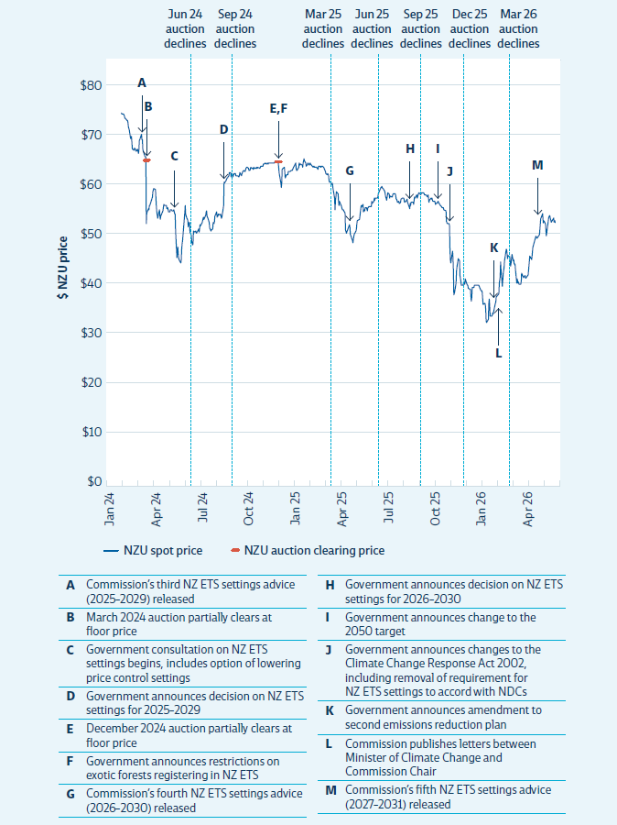
 |  | NZU price
 |  | Date | 2024-01-23 | 2024-01-24 | 2024-01-25 | 2024-01-26 | 2024-01-27 | 2024-01-28 | 2024-01-29 | 2024-01-30 | 2024-01-31 | 2024-02-01 | 2024-02-02 | 2024-02-03 | 2024-02-04 | 2024-02-05 | 2024-02-06 | 2024-02-07 | 2024-02-08 | 2024-02-09 | 2024-02-10 | 2024-02-11 | 2024-02-12 | 2024-02-13 | 2024-02-14 | 2024-02-15 | 2024-02-16 | 2024-02-17 | 2024-02-18 | 2024-02-19 | 2024-02-20 | 2024-02-21 | 2024-02-22 | 2024-02-23 | 2024-02-24 | 2024-02-25 | 2024-02-26 | 2024-02-27 | 2024-02-28 | 2024-02-29 | 2024-03-01 | 2024-03-02 | 2024-03-03 | 2024-03-04 | 2024-03-05 | 2024-03-06 | 2024-03-07 | 2024-03-08 | 2024-03-09 | 2024-03-10 | 2024-03-11 | 2024-03-12 | 2024-03-13 | 2024-03-14 | 2024-03-15 | 2024-03-16 | 2024-03-17 | 2024-03-18 | 2024-03-19 | 2024-03-20 | 2024-03-21 | 2024-03-22 | 2024-03-23 | 2024-03-24 | 2024-03-25 | 2024-03-26 | 2024-03-27 | 2024-03-28 | 2024-03-29 | 2024-03-30 | 2024-03-31 | 2024-04-01 | 2024-04-02 | 2024-04-03 | 2024-04-04 | 2024-04-05 | 2024-04-06 | 2024-04-07 | 2024-04-08 | 2024-04-09 | 2024-04-10 | 2024-04-11 | 2024-04-12 | 2024-04-13 | 2024-04-14 | 2024-04-15 | 2024-04-16 | 2024-04-17 | 2024-04-18 | 2024-04-19 | 2024-04-20 | 2024-04-21 | 2024-04-22 | 2024-04-23 | 2024-04-24 | 2024-04-25 | 2024-04-26 | 2024-04-27 | 2024-04-28 | 2024-04-29 | 2024-04-30 | 2024-05-01 | 2024-05-02 | 2024-05-03 | 2024-05-04 | 2024-05-05 | 2024-05-06 | 2024-05-07 | 2024-05-08 | 2024-05-09 | 2024-05-10 | 2024-05-11 | 2024-05-12 | 2024-05-13 | 2024-05-14 | 2024-05-15 | 2024-05-16 | 2024-05-17 | 2024-05-18 | 2024-05-19 | 2024-05-20 | 2024-05-21 | 2024-05-22 | 2024-05-23 | 2024-05-24 | 2024-05-25 | 2024-05-26 | 2024-05-27 | 2024-05-28 | 2024-05-29 | 2024-05-30 | 2024-05-31 | 2024-06-01 | 2024-06-02 | 2024-06-03 | 2024-06-04 | 2024-06-05 | 2024-06-06 | 2024-06-07 | 2024-06-08 | 2024-06-09 | 2024-06-10 | 2024-06-11 | 2024-06-12 | 2024-06-13 | 2024-06-14 | 2024-06-15 | 2024-06-16 | 2024-06-17 | 2024-06-18 | 2024-06-19 | 2024-06-20 | 2024-06-21 | 2024-06-22 | 2024-06-23 | 2024-06-24 | 2024-06-25 | 2024-06-26 | 2024-06-27 | 2024-06-28 | 2024-06-29 | 2024-06-30 | 2024-07-01 | 2024-07-02 | 2024-07-03 | 2024-07-04 | 2024-07-05 | 2024-07-06 | 2024-07-07 | 2024-07-08 | 2024-07-09 | 2024-07-10 | 2024-07-11 | 2024-07-12 | 2024-07-13 | 2024-07-14 | 2024-07-15 | 2024-07-16 | 2024-07-17 | 2024-07-18 | 2024-07-19 | 2024-07-20 | 2024-07-21 | 2024-07-22 | 2024-07-23 | 2024-07-24 | 2024-07-25 | 2024-07-26 | 2024-07-27 | 2024-07-28 | 2024-07-29 | 2024-07-30 | 2024-07-31 | 2024-08-01 | 2024-08-02 | 2024-08-03 | 2024-08-04 | 2024-08-05 | 2024-08-06 | 2024-08-07 | 2024-08-08 | 2024-08-09 | 2024-08-10 | 2024-08-11 | 2024-08-12 | 2024-08-13 | 2024-08-14 | 2024-08-15 | 2024-08-16 | 2024-08-17 | 2024-08-18 | 2024-08-19 | 2024-08-20 | 2024-08-21 | 2024-08-22 | 2024-08-23 | 2024-08-24 | 2024-08-25 | 2024-08-26 | 2024-08-27 | 2024-08-28 | 2024-08-29 | 2024-08-30 | 2024-08-31 | 2024-09-01 | 2024-09-02 | 2024-09-03 | 2024-09-04 | 2024-09-05 | 2024-09-06 | 2024-09-07 | 2024-09-08 | 2024-09-09 | 2024-09-10 | 2024-09-11 | 2024-09-12 | 2024-09-13 | 2024-09-14 | 2024-09-15 | 2024-09-16 | 2024-09-17 | 2024-09-18 | 2024-09-19 | 2024-09-20 | 2024-09-21 | 2024-09-22 | 2024-09-23 | 2024-09-24 | 2024-09-25
 |  | NZU spot price | $67.67 | $68.67 | $70.75 | $70.62 | $70.62 | $70.62 | $70.53 | $70.67 | $71.08 | $73.62 | $73.45 | $73.45 | $73.45 | $73.35 | $73.35 | $73.00 | $72.57 | $72.61 | $72.61 | $72.61 | $72.13 | $72.26 | $71.75 | $71.05 | $70.33 | $70.33 | $70.33 | $68.75 | $68.58 | $69.00 | $66.67 | $66.67 | $66.67 | $66.67 | $66.33 | $66.80 | $66.58 | $66.38 | $66.25 | $66.25 | $66.25 | $66.58 | $65.68 | $66.42 | $68.23 | $68.50 | $68.50 | $68.50 | $69.50 | $68.55 | $68.50 | $66.52 | $66.17 | $66.17 | $66.17 | $65.17 | $65.07 | $64.93 | $52.00 | $54.08 | $54.08 | $54.08 | $54.95 | $54.80 | $55.50 | $55.67 | $55.67 | $55.67 | $55.67 | $55.67 | $57.17 | $58.33 | $58.98 | $58.98 | $58.98 | $58.98 | $58.69 | $55.33 | $54.34 | $53.67 | $53.02 | $53.02 | $53.02 | $54.67 | $53.79 | $52.83 | $53.42 | $53.82 | $53.82 | $53.82 | $54.58 | $55.17 | $55.83 | $55.83 | $55.63 | $55.63 | $55.63 | $55.50 | $55.00 | $54.92 | $55.17 | $54.38 | $54.38 | $54.38 | $54.30 | $54.73 | $54.71 | $54.71 | $54.58 | $54.58 | $54.58 | $54.63 | $54.67 | $53.92 | $53.83 | $50.67 | $50.67 | $50.67 | $45.33 | $47.50 | $46.17 | $45.33 | $45.00 | $45.00 | $45.00 | $44.38 | $45.08 | $47.17 | $48.17 | $48.67 | $48.67 | $48.67 | $48.67 | $54.08 | $55.50 | $54.00 | $53.25 | $53.25 | $53.25 | $52.67 | $51.50 | $52.25 | $52.25 | $50.33 | $50.33 | $50.33 | $49.75 | $48.58 | $47.92 | $48.08 | $50.58 | $50.58 | $50.58 | $50.42 | $50.52 | $50.38 | $50.25 | $50.25 | $50.25 | $50.25 | $51.08 | $50.42 | $51.08 | $51.83 | $51.58 | $51.58 | $51.58 | $52.25 | $52.63 | $53.07 | $53.21 | $52.79 | $52.79 | $52.79 | $53.67 | $54.25 | $54.50 | $53.58 | $53.08 | $53.08 | $53.08 | $52.30 | $51.30 | $51.00 | $50.58 | $50.83 | $50.83 | $50.83 | $51.00 | $52.17 | $52.00 | $52.42 | $53.42 | $53.42 | $53.42 | $54.33 | $53.38 | $53.67 | $53.45 | $53.90 | $53.90 | $53.90 | $53.80 | $54.00 | $53.42 | $53.17 | $53.33 | $53.33 | $53.33 | $55.58 | $60.08 | $60.03 | $60.08 | $60.29 | $60.29 | $60.29 | $61.00 | $60.92 | $61.21 | $61.33 | $62.00 | $62.00 | $62.00 | $62.08 | $61.25 | $61.75 | $61.83 | $61.25 | $61.25 | $61.25 | $61.72 | $61.83 | $61.80 | $61.49 | $61.50 | $61.50 | $61.50 | $61.33 | $61.18 | $61.13 | $61.50 | $61.92 | $61.92 | $61.92 | $61.45 | $61.78 | $61.93
 |  | NZU auction clearing price |  |  |  |  |  |  |  |  |  |  |  |  |  |  |  |  |  |  |  |  |  |  |  |  |  |  |  |  |  |  |  |  |  |  |  |  |  |  |  |  |  |  |  |  |  |  |  |  |  |  |  |  |  |  |  |  |  | $64.00

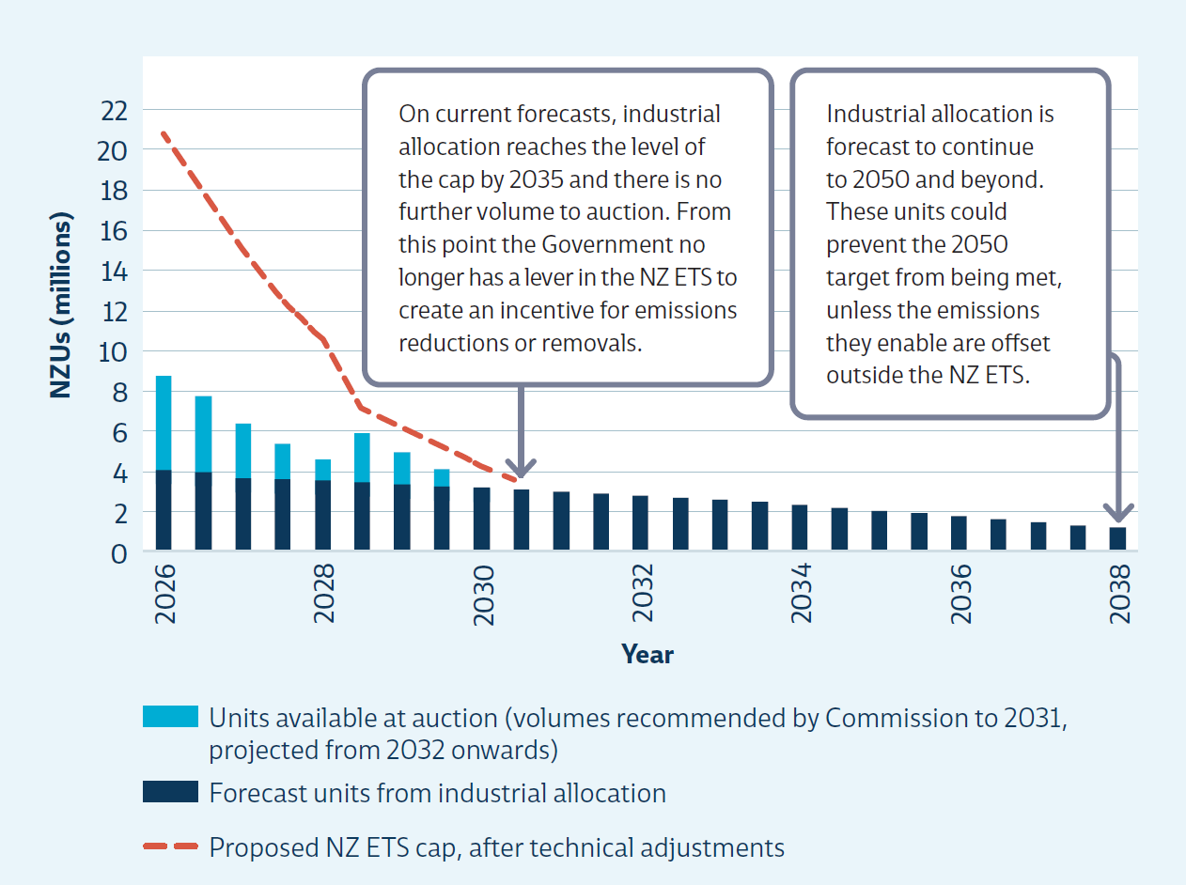
Figure 3.2 | Forecast industrial allocation and auction volumes to 2050
 |  |  | 2026 | 2027 | 2028 | 2029 | 2030 | 2031 | 2032 | 2033 | 2034 | 2035 | 2036 | 2037 | 2038 | 2039 | 2040 | 2041 | 2042 | 2043 | 2044 | 2045 | 2046 | 2047 | 2048 | 2049 | 2050
 |  | Proposed NZ ETS cap, after technical adjustments | 20.8 | 18.1 | 15.0 | 12.5 | 10.5 | 7.1 | 6.1 | 5.3 | 4.2 | 3.4
 |  | Forecast units from industrial allocation | 4.1 | 4.0 | 3.7 | 3.6 | 3.6 | 3.5 | 3.4 | 3.3 | 3.2 | 3.1 | 3.0 | 2.9 | 2.8 | 2.7 | 2.6 | 2.5 | 2.3 | 2.2 | 2.1 | 1.9 | 1.8 | 1.6 | 1.5 | 1.4 | 1.2
 |  | Units available at auction (volumes recommended by Commission to 2031, projected from 2032 onwards) | 5.2 | 4.3 | 3.3 | 2.4 | 1.7 | 3.0 | 2.2 | 1.5 | 0.7 | -

Chapter 4
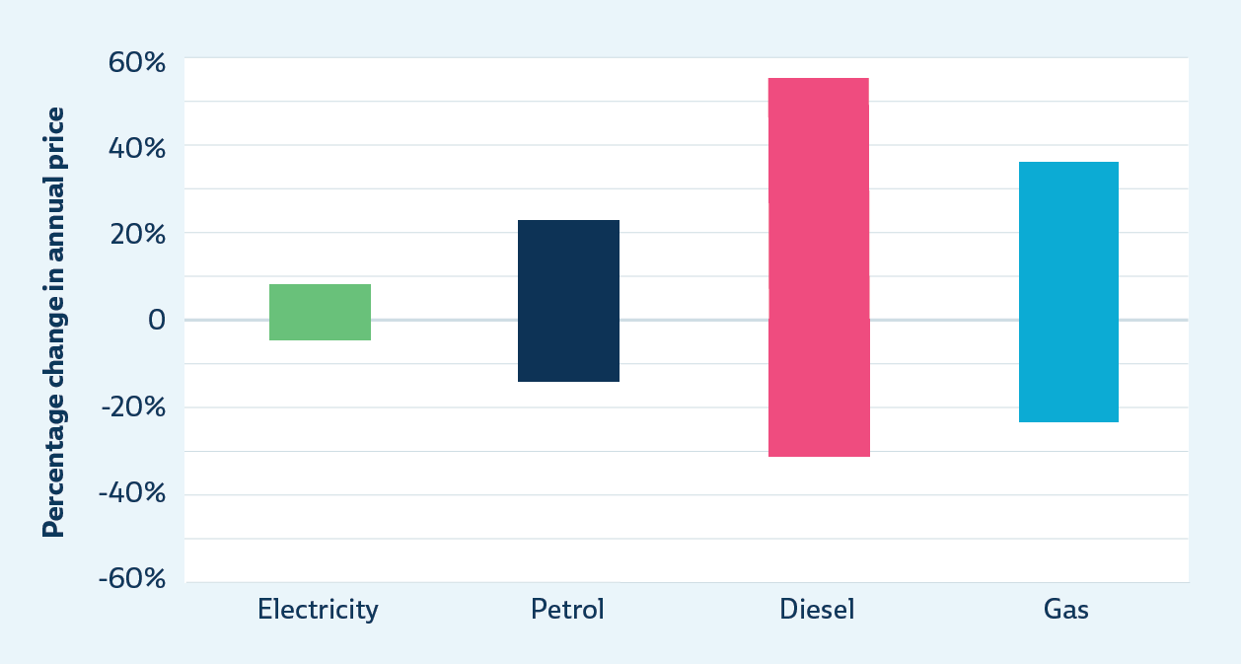
Chapter 4 Benefits and impacts
Figure 4.1Maximum and minimum annual change in residential energy prices of electricity compared with other fuels (1995-2025)
 |  | Min | Max | Range
 | Electricity | -5% | 8% | 13%
 | Petrol | -13% | 22% | 35%
 | Diesel | -31% | 54% | 85%
 | Gas | -23% | 35% | 58%

Chapter 7
Chapter 7 Energy, industry and buildings
Figure 7.1 | Energy and industry emissions by subsector
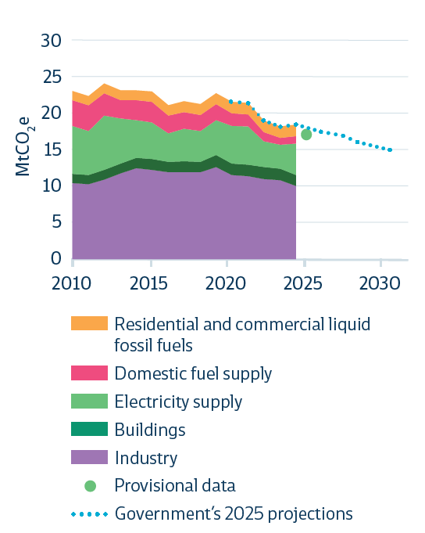
 |  | Emissions (MtCO2e)
 |  |  | 2010 | 2011 | 2012 | 2013 | 2014 | 2015 | 2016 | 2017 | 2018 | 2019 | 2020 | 2021 | 2022 | 2023 | 2024 | 2025 | 2026 | 2027 | 2028 | 2029 | 2030
 |  | Industry | 10.12 | 9.98 | 10.57 | 11.42 | 12.12 | 11.85 | 11.56 | 11.58 | 11.53 | 12.24 | 11.16 | 11.00 | 10.63 | 10.47 | 9.71
 |  | Buildings | 1.24 | 1.21 | 1.30 | 1.28 | 1.35 | 1.42 | 1.37 | 1.44 | 1.40 | 1.57 | 1.50 | 1.52 | 1.64 | 1.53 | 1.46
 |  | Electricity supply | 6.35 | 5.82 | 7.22 | 5.98 | 5.03 | 4.89 | 3.80 | 4.32 | 4.11 | 4.67 | 5.07 | 5.14 | 3.43 | 3.21 | 4.19
 |  | Domestic fuel supply | 3.48 | 3.44 | 2.96 | 2.47 | 2.61 | 2.74 | 2.36 | 2.21 | 2.16 | 2.10 | 1.70 | 1.60 | 1.18 | 0.93 | 0.99
 |  | Residential and commercial liquid fossil fuels | 1.21 | 1.24 | 1.30 | 1.31 | 1.30 | 1.36 | 1.39 | 1.43 | 1.43 | 1.50 | 1.52 | 1.52 | 1.50 | 1.51 | 1.51
 |  | Stats NZ provisional |  |  |  |  |  |  |  |  |  |  |  |  |  |  |  | 16.52
 |  | Government's 2025 projections |  |  |  |  |  |  |  |  |  |  | 20.95 | 20.78 | 18.39 | 17.64 | 18.04 | 0.00 | 0.00 | 0.00 | 0.00 | 0.00 | 0.00

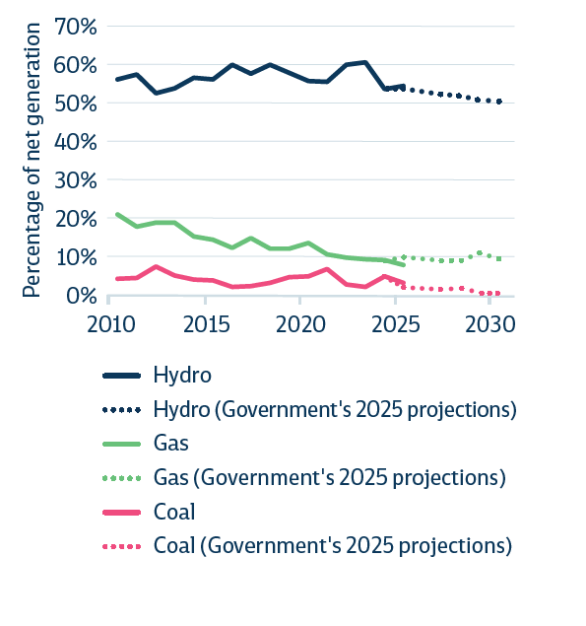
Figure 7.2Proportion of electricity generation from hydro, coal and gas
 |  |  | 2010-01-31 | 2011-01-31 | 2012-01-31 | 2013-01-31 | 2014-01-31 | 2015-01-31 | 2016-01-31 | 2017-01-31 | 2018-01-31 | 2019-01-31 | 2020-01-31 | 2021-01-31 | 2022-01-31 | 2023-01-31 | 2024-01-31 | 2025-01-31 | 2026-01-31 | 2027-01-31 | 2028-01-31 | 2029-01-31 | 2030-01-31
 |  | Hydro | 56.19% | 57.46% | 52.54% | 53.86% | 56.50% | 56.10% | 59.88% | 57.56% | 59.90% | 57.87% | 55.68% | 55.44% | 59.90% | 60.48% | 53.54% | 54.48% | #N/A | #N/A | #N/A | #N/A | #N/A
 |  | Gas | 21.11% | 18.03% | 19.08% | 19.03% | 15.32% | 14.65% | 12.43% | 15.07% | 12.17% | 12.34% | 13.72% | 10.76% | 9.91% | 9.44% | 9.30% | 8.09% | #N/A | #N/A | #N/A | #N/A | #N/A
 |  | Coal | 4.43% | 4.69% | 7.69% | 5.28% | 4.29% | 4.04% | 2.28% | 2.62% | 3.40% | 4.83% | 4.99% | 6.98% | 2.88% | 2.37% | 5.11% | 3.46%
 |  | Hydro (Government's 2025 projections) |  |  |  |  |  |  |  |  |  |  |  |  | 59.83% | 60.49% | 53.83% | 53.69% | 53.08% | 52.24% | 51.83% | 50.92% | 50.39%
 |  | Gas (Government's 2025 projections) |  |  |  |  |  |  |  |  |  |  |  |  | 9.91% | 9.41% | 9.33% | 9.92% | 9.74% | 9.00% | 9.33% | 10.95% | 9.70%
 |  | Coal (Government's 2025 projections) |  |  |  |  |  |  |  |  |  |  |  |  | 2.88% | 2.37% | 5.13% | 2.37% | 1.90% | 1.73% | 1.87% | 0.77% | 0.66%

Figure 7.3Industrial fossil fuel energy use
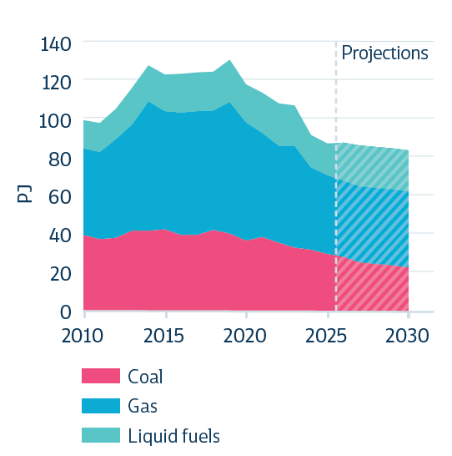
 |  | Total industrial energy demand (PJ)

 |  |  | 2010-01-31 | 2011-01-31 | 2012-01-31 | 2013-01-31 | 2014-01-31 | 2015-01-31 | 2016-01-31 | 2017-01-31 | 2018-01-31 | 2019-01-31 | 2020-01-31 | 2021-01-31 | 2022-01-31 | 2023-01-31 | 2024-01-31 | 2025-01-31 | 2026-01-31 | 2027-01-31 | 2028-01-31 | 2029-01-31 | 2030-01-31
 |  | Coal | 39.47 | 37.24 | 37.98 | 41.54 | 41.56 | 42.27 | 39.67 | 39.58 | 42.13 | 40.30 | 36.72 | 38.39 | 35.58 | 32.85 | 32.05 | 29.70 | 28.32 | 25.24 | 24.63 | 23.74 | 22.68
 |  | Gas | 44.71 | 44.97 | 50.73 | 54.96 | 66.90 | 61.00 | 62.80 | 63.72 | 61.44 | 67.59 | 60.67 | 53.87 | 49.84 | 52.72 | 42.27 | 40.61 | 39.25 | 39.22 | 39.25 | 39.16 | 39.19
 |  | Liquid Fuels | 14.33 | 15.06 | 15.83 | 18.67 | 18.57 | 18.86 | 19.99 | 20.12 | 20.08 | 21.86 | 19.85 | 20.69 | 21.81 | 20.57 | 16.78 | 16.33 | 19.32 | 21.18 | 21.11 | 21.21 | 21.22

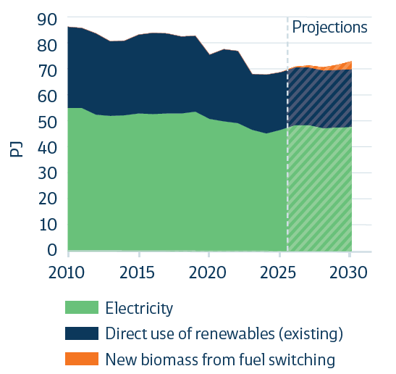
Figure 7.4 Industrial electricity and direct renewable energy use
 |  |  | 2010-01-31 | 2011-01-31 | 2012-01-31 | 2013-01-31 | 2014-01-31 | 2015-01-31 | 2016-01-31 | 2017-01-31 | 2018-01-31 | 2019-01-31 | 2020-01-31 | 2021-01-31 | 2022-01-31 | 2023-01-31 | 2024-01-31 | 2025-01-31 | 2026-01-31 | 2027-01-31 | 2028-01-31 | 2029-01-31 | 2030-01-31
 |  | Electricity | 54.83 | 54.72 | 52.17 | 51.81 | 51.91 | 52.59 | 52.37 | 52.62 | 52.64 | 53.38 | 50.53 | 49.53 | 48.88 | 46.46 | 44.89 | 46.44 | 48.20 | 48.24 | 47.04 | 47.26 | 47.46
 |  | Direct use of renewables (existing) | 30.96 | 30.70 | 31.13 | 28.59 | 28.73 | 30.39 | 31.23 | 30.75 | 29.64 | 28.97 | 24.63 | 27.83 | 27.80 | 21.41 | 22.73 | 22.07 | 22.07 | 22.07 | 22.07 | 22.07 | 22.07
 |  | New biomass from fuel switching | - | - | - | - | - | - | - | - | - | - | - | - | - | - | - | - | 0.20 | 0.61 | 1.22 | 2.03 | 3.06

Figure 7.5 | Lifetime cost for new boiler systems or replacement at end-of-life, for < 100°C applications for an average user
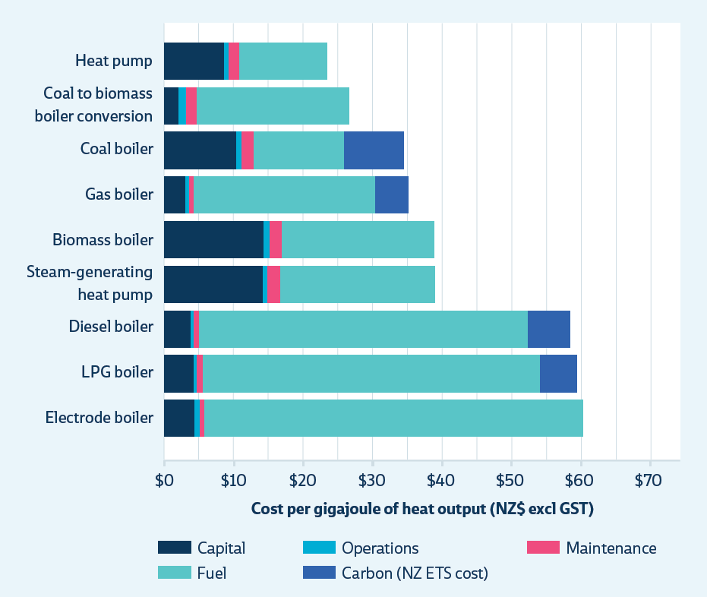
 |  |  | Cost per GJ heat output (NZD, excl. GST) | Capital | Operations | Maintenance | Fuel | Carbon (NZ ETS cost) | Total
 |  |  | Heat Pump | $8.77 | $0.62 | $1.50 | $12.59 | $- | $23.48
 |  |  | Coal to Biomass Boiler Conversion | $2.25 | $0.89 | $1.70 | $21.79 | $- | $26.63
 |  |  | Coal Boiler | $10.42 | $0.89 | $1.69 | $12.82 | $8.70 | $34.51
 |  |  | Gas Boiler | $3.23 | $0.44 | $0.77 | $25.88 | $4.78 | $35.11
 |  |  | Biomass Boiler | $14.45 | $0.89 | $1.70 | $21.79 | $- | $38.83
 |  |  | Steam-generating heat pump | $14.24 | $0.75 | $1.80 | $22.17 | $- | $38.96
 |  |  | Diesel Boiler | $3.96 | $0.31 | $0.90 | $47.06 | $6.17 | $58.40
 |  |  | LPG Boiler | $4.49 | $0.31 | $0.90 | $48.24 | $5.37 | $59.30
 |  |  | Electrode Boiler | $4.56 | $0.75 | $0.60 | $54.26 | $- | $60.17

Chapter 8
Chapter 8 Transport

Figure 8.1 | Share of zero- and low-emission vehicles entering the light fleet (%)
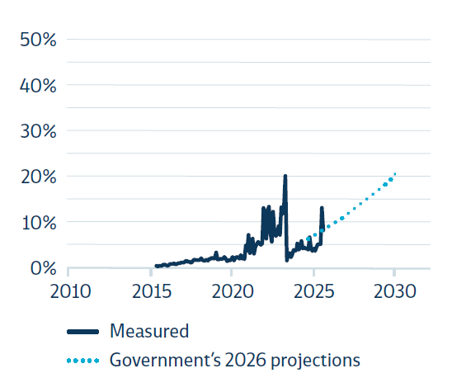
 |  | %
 |  |  | 2016-01-31 | 2016-02-29 | 2016-03-31 | 2016-04-30 | 2016-05-31 | 2016-06-30 | 2016-07-31 | 2016-08-31 | 2016-09-30 | 2016-10-31 | 2016-11-30 | 2016-12-31 | 2017-01-31 | 2017-02-28 | 2017-03-31 | 2017-04-30 | 2017-05-31 | 2017-06-30 | 2017-07-31 | 2017-08-31 | 2017-09-30 | 2017-10-31 | 2017-11-30 | 2017-12-31 | 2018-01-31 | 2018-02-28 | 2018-03-31 | 2018-04-30 | 2018-05-31 | 2018-06-30 | 2018-07-31 | 2018-08-31 | 2018-09-30 | 2018-10-31 | 2018-11-30 | 2018-12-31 | 2019-01-31 | 2019-02-28 | 2019-03-31 | 2019-04-30 | 2019-05-31 | 2019-06-30 | 2019-07-31 | 2019-08-31 | 2019-09-30 | 2019-10-31 | 2019-11-30 | 2019-12-31 | 2020-01-31 | 2020-02-29 | 2020-03-31 | 2020-04-30 | 2020-05-31 | 2020-06-30 | 2020-07-31 | 2020-08-31 | 2020-09-30 | 2020-10-31 | 2020-11-30 | 2020-12-31 | 2021-01-31 | 2021-02-28 | 2021-03-31 | 2021-04-30 | 2021-05-31 | 2021-06-30 | 2021-07-31 | 2021-08-31 | 2021-09-30 | 2021-10-31 | 2021-11-30 | 2021-12-31 | 2022-01-31 | 2022-02-28 | 2022-03-31 | 2022-04-30 | 2022-05-31 | 2022-06-30 | 2022-07-31 | 2022-08-31 | 2022-09-30 | 2022-10-31 | 2022-11-30 | 2022-12-31 | 2023-01-31 | 2023-02-28 | 2023-03-31 | 2023-04-30 | 2023-05-31 | 2023-06-30 | 2023-07-31 | 2023-08-31 | 2023-09-30 | 2023-10-31 | 2023-11-30 | 2023-12-31 | 2024-01-31 | 2024-02-29 | 2024-03-31 | 2024-04-30 | 2024-05-31 | 2024-06-30 | 2024-07-31 | 2024-08-31 | 2024-09-30 | 2024-10-31 | 2024-11-30 | 2024-12-31 | 2025-01-31 | 2025-02-28 | 2025-03-31 | 2025-04-30 | 2025-05-31 | 2025-06-30 | 2025-07-31 | 2025-08-31 | 2025-09-30 | 2025-10-31 | 2025-11-30 | 2025-12-31 | 2026-01-31 | 2026-02-28 | 2026-03-31 | 2026-04-30 | 2026-05-31 | 2026-06-30 | 2026-07-31 | 2026-08-31 | 2026-09-30 | 2026-10-31 | 2026-11-30 | 2026-12-31 | 2027-01-31 | 2027-02-28 | 2027-03-31 | 2027-04-30 | 2027-05-31 | 2027-06-30 | 2027-07-31 | 2027-08-31 | 2027-09-30 | 2027-10-31 | 2027-11-30 | 2027-12-31 | 2028-01-31 | 2028-02-29 | 2028-03-31 | 2028-04-30 | 2028-05-31 | 2028-06-30 | 2028-07-31 | 2028-08-31 | 2028-09-30 | 2028-10-31 | 2028-11-30 | 2028-12-31 | 2029-01-31 | 2029-02-28 | 2029-03-31 | 2029-04-30 | 2029-05-31 | 2029-06-30 | 2029-07-31 | 2029-08-31 | 2029-09-30 | 2029-10-31 | 2029-11-30 | 2029-12-31 | 2030-01-31 | 2030-02-28 | 2030-03-31 | 2030-04-30 | 2030-05-31 | 2030-06-30 | 2030-07-31 | 2030-08-31 | 2030-09-30 | 2030-10-31 | 2030-11-30 | 2030-12-31 | 2031-01-31 | 2031-02-28 | 2031-03-31 | 2031-04-30 | 2031-05-31 | 2031-06-30 | 2031-07-31 | 2031-08-31 | 2031-09-30 | 2031-10-31 | 2031-11-30 | 2031-12-31 | 2032-01-31 | 2032-02-29 | 2032-03-31 | 2032-04-30 | 2032-05-31 | 2032-06-30 | 2032-07-31 | 2032-08-31 | 2032-09-30 | 2032-10-31 | 2032-11-30 | 2032-12-31 | 2033-01-31 | 2033-02-28 | 2033-03-31 | 2033-04-30 | 2033-05-31 | 2033-06-30 | 2033-07-31 | 2033-08-31 | 2033-09-30 | 2033-10-31 | 2033-11-30 | 2033-12-31 | 2034-01-31 | 2034-02-28 | 2034-03-31 | 2034-04-30 | 2034-05-31 | 2034-06-30 | 2034-07-31 | 2034-08-31 | 2034-09-30 | 2034-10-31 | 2034-11-30 | 2034-12-31 | 2035-01-31 | 2035-02-28 | 2035-03-31 | 2035-04-30 | 2035-05-31 | 2035-06-30 | 2035-07-31 | 2035-08-31 | 2035-09-30 | 2035-10-31 | 2035-11-30 | 2035-12-31
 |  | Measured | 0.00 | 0.00 | 0.00 | 0.00 | 0.00 | 0.01 | 0.00 | 0.00 | 0.00 | 0.00 | 0.01 | 0.01 | 0.01 | 0.01 | 0.01 | 0.01 | 0.01 | 0.01 | 0.01 | 0.01 | 0.01 | 0.01 | 0.01 | 0.01 | 0.01 | 0.01 | 0.01 | 0.01 | 0.02 | 0.01 | 0.02 | 0.01 | 0.02 | 0.02 | 0.01 | 0.01 | 0.01 | 0.02 | 0.01 | 0.02 | 0.02 | 0.02 | 0.02 | 0.02 | 0.03 | 0.02 | 0.02 | 0.02 | 0.02 | 0.02 | 0.02 | 0.02 | 0.01 | 0.01 | 0.01 | 0.02 | 0.02 | 0.01 | 0.02 | 0.02 | 0.02 | 0.02 | 0.03 | 0.02 | 0.02 | 0.02 | 0.05 | 0.04 | 0.07 | 0.03 | 0.04 | 0.06 | 0.03 | 0.04 | 0.05 | 0.06 | 0.05 | 0.05 | 0.05 | 0.13 | 0.12 | 0.06 | 0.12 | 0.13 | 0.07 | 0.06 | 0.12 | 0.07 | 0.07 | 0.07 | 0.09 | 0.07 | 0.13 | 0.12 | 0.14 | 0.20 | 0.01 | 0.03 | 0.03 | 0.02 | 0.03 | 0.04 | 0.03 | 0.04 | 0.05 | 0.04 | 0.04 | 0.06 | 0.04 | 0.04 | 0.04 | 0.04 | 0.04 | 0.06 | 0.04 | 0.03 | 0.04 | 0.03 | 0.04 | 0.05 | 0.05 | 0.05 | 0.13 | 0.08
 |  | Government's 2026 projections |  |  |  |  |  |  |  |  |  |  |  |  |  |  |  |  |  |  |  |  |  |  |  |  |  |  |  |  |  |  |  |  |  |  |  |  |  |  |  |  |  |  |  |  |  |  |  |  |  |  |  |  |  |  |  |  |  |  |  |  |  |  |  |  |  |  |  |  |  |  |  |  |  |  |  |  |  |  |  |  |  |  |  |  |  |  |  |  |  |  |  |  |  |  |  |  |  |  |  |  |  |  |  |  |  |  |  |  |  |  |  |  |  |  |  |  |  |  |  |  |  |  |  |  |  |  |  |  |  |  |  |  |  |  |  |  |  |  |  |  |  |  |  |  |  |  |  |  |  |  |  |  |  |  |  |  |  |  |  |  |  |  | 0.10 |  |  |  |  |  |  |  |  |  |  |  | 0.04 |  |  |  |  |  |  |  |  |  |  |  | 0.06 |  |  |  |  |  |  |  |  |  |  |  | 0.08 |  |  |  |  |  |  |  |  |  |  |  | 0.11 |  |  |  |  |  |  |  |  |  |  |  | 0.13 |  |  |  |  |  |  |  |  |  |  |  | 0.16

Figure 8.2 Share of zero- and low-emission vehicle share of heavy vehicles entering the fleet (includes buses) (%)
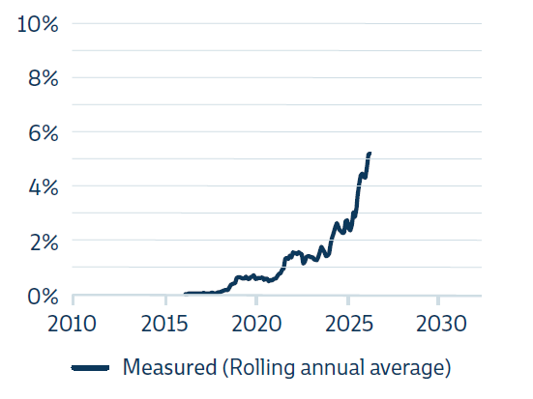
 |  | % | 2016-03-31 | 2016-04-30 | 2016-05-31 | 2016-06-30 | 2016-07-31 | 2016-08-31 | 2016-09-30 | 2016-10-31 | 2016-11-30 | 2016-12-31 | 2017-01-31 | 2017-02-28 | 2017-03-31 | 2017-04-30 | 2017-05-31 | 2017-06-30 | 2017-07-31 | 2017-08-31 | 2017-09-30 | 2017-10-31 | 2017-11-30 | 2017-12-31 | 2018-01-31 | 2018-02-28 | 2018-03-31 | 2018-04-30 | 2018-05-31 | 2018-06-30 | 2018-07-31 | 2018-08-31 | 2018-09-30 | 2018-10-31 | 2018-11-30 | 2018-12-31 | 2019-01-31 | 2019-02-28 | 2019-03-31 | 2019-04-30 | 2019-05-31 | 2019-06-30 | 2019-07-31 | 2019-08-31 | 2019-09-30 | 2019-10-31 | 2019-11-30 | 2019-12-31 | 2020-01-31 | 2020-02-29 | 2020-03-31 | 2020-04-30 | 2020-05-31 | 2020-06-30 | 2020-07-31 | 2020-08-31 | 2020-09-30 | 2020-10-31 | 2020-11-30 | 2020-12-31 | 2021-01-31 | 2021-02-28 | 2021-03-31 | 2021-04-30 | 2021-05-31 | 2021-06-30 | 2021-07-31 | 2021-08-31 | 2021-09-30 | 2021-10-31 | 2021-11-30 | 2021-12-31 | 2022-01-31 | 2022-02-28 | 2022-03-31 | 2022-04-30 | 2022-05-31 | 2022-06-30 | 2022-07-31 | 2022-08-31 | 2022-09-30 | 2022-10-31 | 2022-11-30 | 2022-12-31 | 2023-01-31 | 2023-02-28 | 2023-03-31 | 2023-04-30 | 2023-05-31 | 2023-06-30 | 2023-07-31 | 2023-08-31 | 2023-09-30 | 2023-10-31 | 2023-11-30 | 2023-12-31 | 2024-01-31 | 2024-02-29 | 2024-03-31 | 2024-04-30 | 2024-05-31 | 2024-06-30 | 2024-07-31 | 2024-08-31 | 2024-09-30 | 2024-10-31 | 2024-11-30 | 2024-12-31 | 2025-01-31 | 2025-02-28 | 2025-03-31 | 2025-04-30 | 2025-05-31 | 2025-06-30 | 2025-07-31 | 2025-08-31 | 2025-09-30 | 2025-10-31 | 2025-11-30 | 2025-12-31 | 2026-01-31 | 2026-02-28 | 2026-03-31 | 2026-04-30 | 2026-05-31 | 2026-06-30 | 2026-07-31 | 2026-08-31 | 2026-09-30 | 2026-10-31 | 2026-11-30 | 2026-12-31 | 2027-01-31 | 2027-02-28 | 2027-03-31 | 2027-04-30 | 2027-05-31 | 2027-06-30 | 2027-07-31 | 2027-08-31 | 2027-09-30 | 2027-10-31 | 2027-11-30 | 2027-12-31 | 2028-01-31 | 2028-02-29 | 2028-03-31 | 2028-04-30 | 2028-05-31 | 2028-06-30 | 2028-07-31 | 2028-08-31 | 2028-09-30 | 2028-10-31 | 2028-11-30 | 2028-12-31 | 2029-01-31 | 2029-02-28 | 2029-03-31 | 2029-04-30 | 2029-05-31 | 2029-06-30 | 2029-07-31 | 2029-08-31 | 2029-09-30 | 2029-10-31 | 2029-11-30 | 2029-12-31 | 2030-01-31
 |  | Measured (Rolling annual average) | 0.00 | 0.00 | 0.00 | 0.00 | 0.00 | 0.00 | 0.00 | 0.00 | 0.00 | 0.00 | 0.00 | 0.00 | 0.00 | 0.00 | 0.00 | 0.00 | 0.00 | 0.00 | 0.00 | 0.00 | 0.00 | 0.00 | 0.00 | 0.00 | 0.00 | 0.00 | 0.00 | 0.00 | 0.00 | 0.00 | 0.00 | 0.00 | 0.00 | 0.01 | 0.01 | 0.01 | 0.01 | 0.01 | 0.01 | 0.01 | 0.01 | 0.01 | 0.01 | 0.01 | 0.01 | 0.01 | 0.01 | 0.01 | 0.01 | 0.01 | 0.01 | 0.01 | 0.01 | 0.01 | 0.00 | 0.01 | 0.01 | 0.01 | 0.01 | 0.01 | 0.01 | 0.01 | 0.01 | 0.01 | 0.01 | 0.01 | 0.01 | 0.01 | 0.01 | 0.01 | 0.02 | 0.02 | 0.02 | 0.02 | 0.02 | 0.02 | 0.02 | 0.01 | 0.01 | 0.01 | 0.01 | 0.01 | 0.01 | 0.01 | 0.01 | 0.01 | 0.01 | 0.01 | 0.02 | 0.02 | 0.02 | 0.02 | 0.01 | 0.01 | 0.02 | 0.02 | 0.02 | 0.02 | 0.03 | 0.03 | 0.03 | 0.02 | 0.02 | 0.02 | 0.02 | 0.03 | 0.03 | 0.02 | 0.02 | 0.03 | 0.03 | 0.03 | 0.03 | 0.04 | 0.04 | 0.04 | 0.04 | 0.04 | 0.04 | 0.05 | 0.05 | 0.05

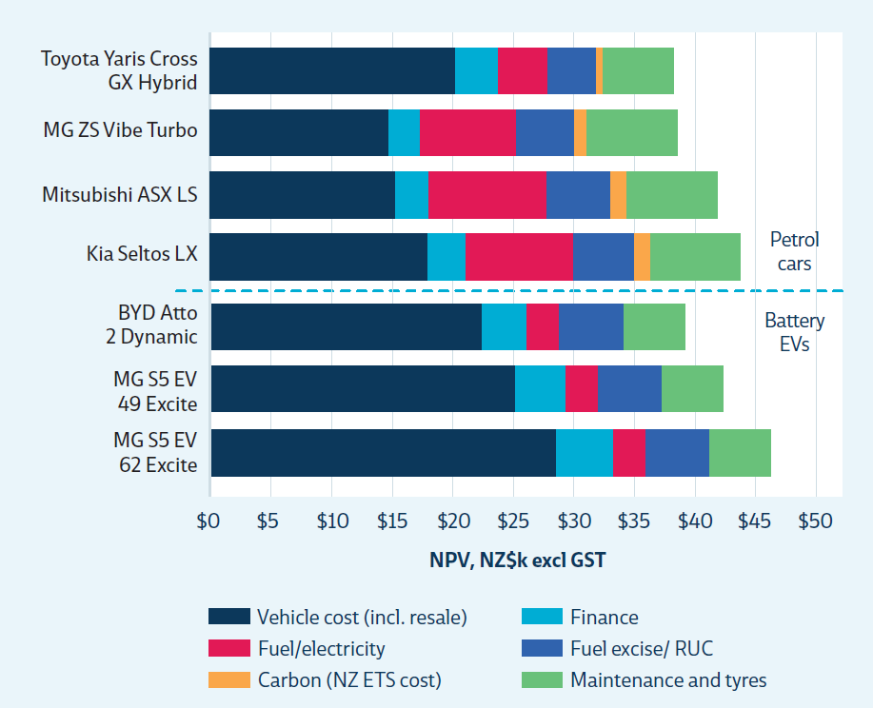
Figure 8.3 | Five-year total cost of ownership, compact sports utility vehicles
 |  | Total Cost of Ownership, Compact SUV (NPV, $k excl. GST)
 |  |  |  | Vehicle cost (incl. resale) | Finance | Fuel/ electricity | Fuel excise/ RUC | Carbon (NZ ETS cost) | Maintenance & tyres
 |  | Petrol cars | Toyota Yaris Cross GX Hybrid | $20,303 | $3,529 | $4,153 | $3,913 | $555 | $5,889
 |  |  | MG ZS Vibe Turbo | $14,764 | $2,566 | $7,960 | $4,823 | $1,064 | $7,508
 |  |  | Mitsubishi ASX LS | $15,292 | $2,658 | $9,806 | $5,264 | $1,311 | $7,508
 |  |  | Kia Seltos LX | $17,929 | $3,116 | $8,883 | $5,043 | $1,187 | $7,508
 |  | Battery Evs | BYD Atto 2 Dynamic | $22,432 | $3,666 | $2,796 | $5,277 | $- | $5,010
 |  |  | MG S5 EV 49 Excite | $25,237 | $4,124 | $2,714 | $5,277 | $- | $5,010
 |  |  | MG S5 EV 62 Excite | $28,603 | $4,674 | $2,763 | $5,277 | $- | $5,010

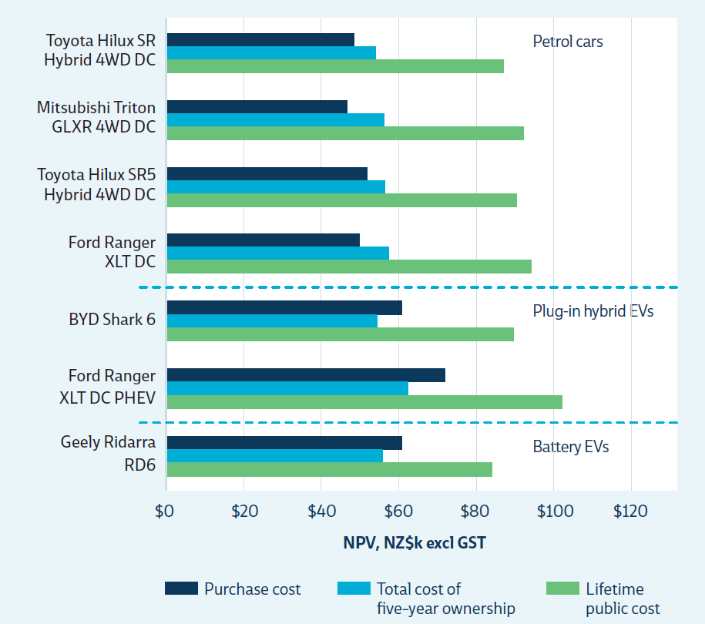
Figure 8.4 | Cost comparisonsUtility vehicle (NPV)
 |  | Cost comparisionsUte (NPV, $k excl. GST)
 |  |  |  | Purchase cost | Total cost of 5-year ownership | Lifetime cost
 |  | Petrol cars | Toyota Hilux SR Hybrid 4WD DC | $48,513 | $54,265 | $87,150
 |  |  | Mitsubishi Triton GLXR 4WD DC | $46,948 | $56,376 | $92,434
 |  |  | Toyota Hilux SR5 Hybrid 4WD DC | $51,991 | $56,440 | $90,628
 |  |  | Ford Ranger XLT DC | $49,991 | $57,614 | $94,207
 |  | Plug-in hybrid Evs | BYD Shark 6 | $60,861 | $54,522 | $89,790
 |  |  | Ford Ranger XLT DC PHEV | $72,165 | $62,519 | $102,427
 |  | Battery Evs | Geely Ridarra RD6 | $60,861 | $55,962 | $84,190

Chapter 9
Chapter 9 Agriculture

Figure 9.1 | Total agricultural biogenic methane
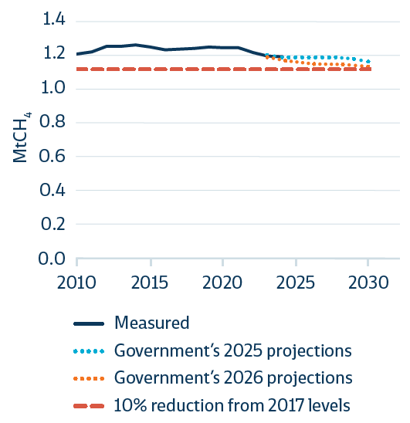

 |  | Emissions (MtCH4)
 |  |  | 2010 | 2011 | 2012 | 2013 | 2014 | 2015 | 2016 | 2017 | 2018 | 2019 | 2020 | 2021 | 2022 | 2023 | 2024 | 2025 | 2026 | 2027 | 2028 | 2029 | 2030
 |  | Measured | 1.20 | 1.22 | 1.25 | 1.25 | 1.26 | 1.25 | 1.23 | 1.23 | 1.24 | 1.25 | 1.24 | 1.24 | 1.21 | 1.19 | 1.19
 |  | Government's 2025 Projections |  |  |  |  |  |  |  |  |  |  |  |  |  | 1.19 | 1.17 | 1.16 | 1.15 | 1.14 | 1.14 | 1.14 | 1.13
 |  | Government's 2026 Projections |  |  |  |  |  |  |  |  |  |  |  |  |  | 1.19 | 1.19 | 1.19 | 1.19 | 1.18 | 1.18 | 1.17 | 1.16
 |  | 10% reduction from 2017 levels | 1.11 | 1.11 | 1.11 | 1.11 | 1.11 | 1.11 | 1.11 | 1.11 | 1.11 | 1.11 | 1.11 | 1.11 | 1.11 | 1.11 | 1.11 | 1.11 | 1.11 | 1.11 | 1.11 | 1.11 | 1.11

Figure 9.2 | Total dairy cattle
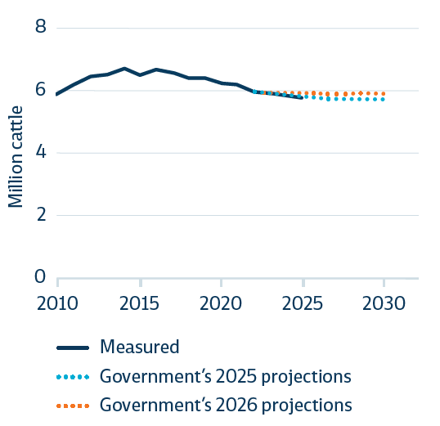

 |  | Million cattle
 |  |  | 2010 | 2011 | 2012 | 2013 | 2014 | 2015 | 2016 | 2017 | 2018 | 2019 | 2020 | 2021 | 2022 | 2023 | 2024 | 2025 | 2026 | 2027 | 2028 | 2029 | 2030
 |  | Measured | 5.92 | 6.17 | 6.45 | 6.48 | 6.70 | 6.49 | 6.62 | 6.52 | 6.39 | 6.36 | 6.20 | 6.19 | 5.93 | 5.88 | 5.84
 |  | Government's 2025 Projections |  |  |  |  |  |  |  |  |  |  |  |  | 5.93 | 5.88 | 5.86 | 5.81 | 5.77 | 5.74 | 5.74 | 5.71 | 5.70
 |  | Government's 2026 Projections |  |  |  |  |  |  |  |  |  |  |  |  |  | 5.88 | 5.88 | 5.89 | 5.89 | 5.88 | 5.91 | 5.91 | 5.91

Figure 9.3 | Total sheep and beef livestock

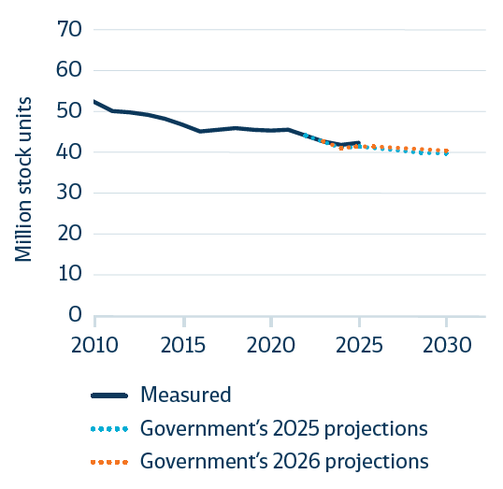

 |  | Million stock units
 |  |  | 2010 | 2011 | 2012 | 2013 | 2014 | 2015 | 2016 | 2017 | 2018 | 2019 | 2020 | 2021 | 2022 | 2023 | 2024 | 2025 | 2026 | 2027 | 2028 | 2029 | 2030
 |  | Measured | 52.31 | 50.36 | 49.93 | 49.28 | 48.15 | 46.86 | 45.25 | 45.61 | 45.90 | 45.67 | 45.44 | 45.56 | 44.24 | 42.63 | 41.98
 |  | Government's 2025 Projections |  |  |  |  |  |  |  |  |  |  |  |  |  | 42.63 | 41.06 | 41.50 | 41.19 | 40.69 | 40.29 | 40.12 | 39.91
 |  | Government's 2026 Projections |  |  |  |  |  |  |  |  |  |  |  |  |  | 42.63 | 41.06 | 41.58 | 41.41 | 41.23 | 40.94 | 40.61 | 40.38

Figure 9.4 | Total nitrogen fertiliser use
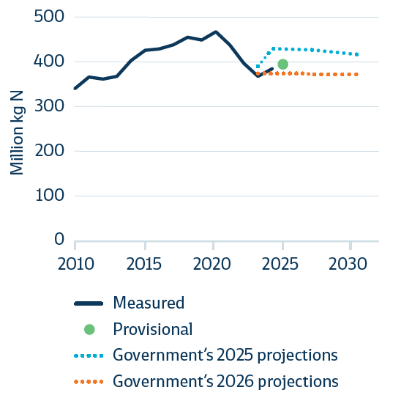

 |  | Million kg N
 |  |  | 2010 | 2011 | 2012 | 2013 | 2014 | 2015 | 2016 | 2017 | 2018 | 2019 | 2020 | 2021 | 2022 | 2023 | 2024 | 2025 | 2026 | 2027 | 2028 | 2029 | 2030
 |  | Measured | 341.0 | 367.0 | 363.0 | 370.0 | 405.0 | 429.0 | 432.0 | 440.9 | 458.0 | 452.1 | 470.0 | 441.0 | 399.0 | 369.0 | 387
 |  | Government's 2025 Projections |  |  |  |  |  |  |  |  |  |  |  |  |  | 392.0 | 432.2 | 431.5 | 430.1 | 428.6 | 425.5 | 422.2 | 418.8
 |  | Government's 2026 Projections |  |  |  |  |  |  |  |  |  |  |  |  |  | 376.0 | 375.8 | 375.1 | 374.8 | 374.5 | 374.1 | 373.8 | 373.3
 |  | Provisional |  |  |  |  |  |  |  |  |  |  |  |  |  |  |  | 395

Chapter 10
Chapter 10 Waste and fluorinated gases

Figure 10.1 | Waste management emissions
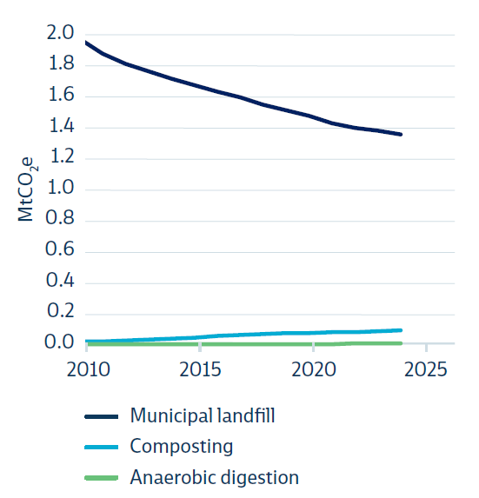

 |  | MtCO2e | 2010 | 2011 | 2012 | 2013 | 2014 | 2015 | 2016 | 2017 | 2018 | 2019 | 2020 | 2021 | 2022 | 2023 | 2024
 |  | Municipal landfill | 2.0 | 1.9 | 1.8 | 1.7 | 1.7 | 1.7 | 1.6 | 1.6 | 1.5 | 1.5 | 1.5 | 1.4 | 1.4 | 1.4 | 1.3
 |  | Composting | 0.0 | 0.0 | 0.0 | 0.0 | 0.0 | 0.0 | 0.0 | 0.1 | 0.1 | 0.1 | 0.1 | 0.1 | 0.1 | 0.1 | 0.1
 |  | Anaerobic digestion | 0.0 | 0.0 | 0.0 | 0.0 | 0.0 | 0.0 | 0.0 | 0.0 | 0.0 | 0.0 | 0.0 | 0.0 | 0.0 | 0.0 | 0.0

Figure 10.2 | Diversion of organic waste away from landfill
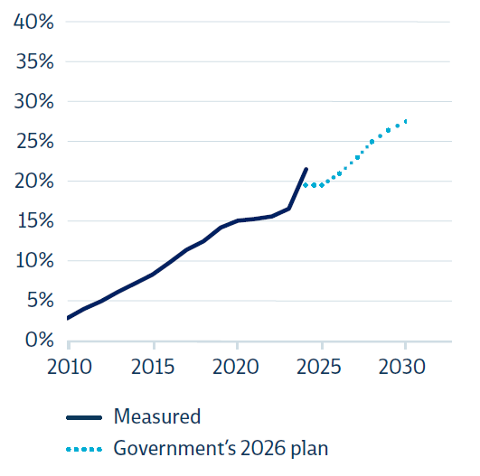

 |  | % Diversion
 |  |  | 2010 | 2011 | 2012 | 2013 | 2014 | 2015 | 2016 | 2017 | 2018 | 2019 | 2020 | 2021 | 2022 | 2023 | 2024 | 2025 | 2026 | 2027 | 2028 | 2029 | 2030
 |  | Measured | 3.1% | 4.3% | 5.3% | 6.5% | 7.4% | 8.6% | 10.1% | 11.6% | 12.7% | 14.4% | 15.2% | 15.4% | 15.8% | 16.7% | 21.5%
 |  | Government's 2026 plan |  |  |  |  |  |  |  |  |  |  |  |  |  |  | 20.5% | 22.9% | 25.1% | 27.3% | 29.6% | 31.8% | 33.9%

Figure 10.3 | Breakdown of HFC emissions by activity

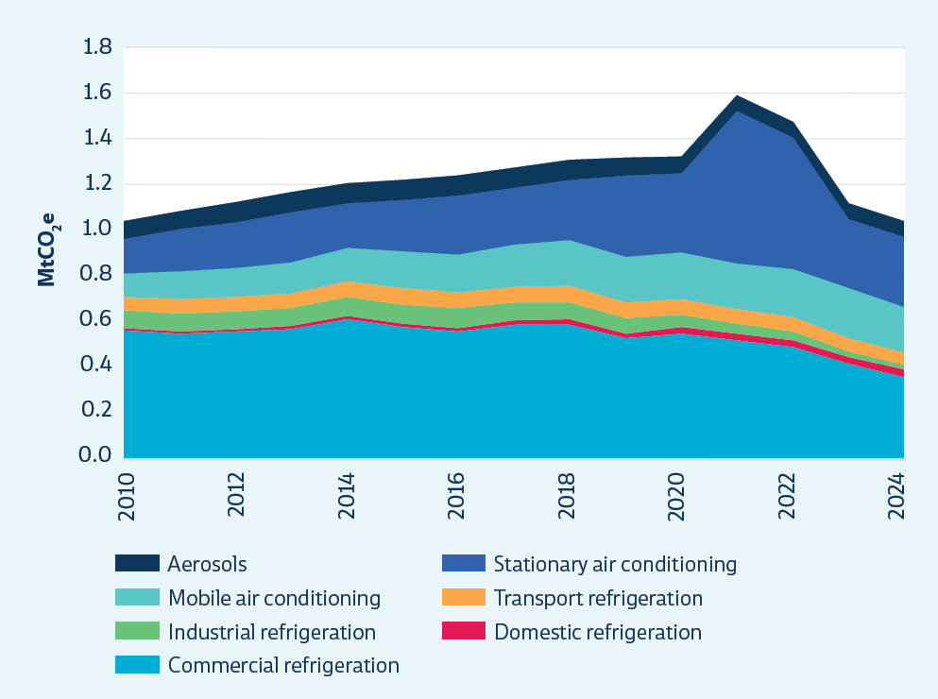
 |  | MtCO2e | 2010 | 2011 | 2012 | 2013 | 2014 | 2015 | 2016 | 2017 | 2018 | 2019 | 2020 | 2021 | 2022 | 2023 | 2024
 |  | Commercial refrigeration | 0.6 | 0.5 | 0.6 | 0.6 | 0.6 | 0.6 | 0.6 | 0.6 | 0.6 | 0.5 | 0.5 | 0.5 | 0.5 | 0.4 | 0.4
 |  | Domestic refrigeration | 0.0 | 0.0 | 0.0 | 0.0 | 0.0 | 0.0 | 0.0 | 0.0 | 0.0 | 0.0 | 0.0 | 0.0 | 0.0 | 0.0 | 0.0
 |  | Industrial refrigeration | 0.1 | 0.1 | 0.1 | 0.1 | 0.1 | 0.1 | 0.1 | 0.1 | 0.1 | 0.1 | 0.1 | 0.0 | 0.0 | 0.0 | 0.0
 |  | Transport refrigeration | 0.1 | 0.1 | 0.1 | 0.1 | 0.1 | 0.1 | 0.1 | 0.1 | 0.1 | 0.1 | 0.1 | 0.1 | 0.1 | 0.1 | 0.1
 |  | Mobile air conditioning | 0.1 | 0.1 | 0.1 | 0.1 | 0.1 | 0.2 | 0.2 | 0.2 | 0.2 | 0.2 | 0.2 | 0.2 | 0.2 | 0.2 | 0.2
 |  | Stationary air conditioning | 0.1 | 0.2 | 0.2 | 0.2 | 0.2 | 0.2 | 0.3 | 0.3 | 0.3 | 0.4 | 0.3 | 0.7 | 0.6 | 0.3 | 0.3
 |  | Aerosols | 0.1 | 0.1 | 0.1 | 0.1 | 0.1 | 0.1 | 0.1 | 0.1 | 0.1 | 0.1 | 0.1 | 0.1 | 0.1 | 0.1 | 0.1

Chapter 11
Chapter 11 Forestry

Figure 11.1 | Net emissions from afforestation and reforestation, target accounting method
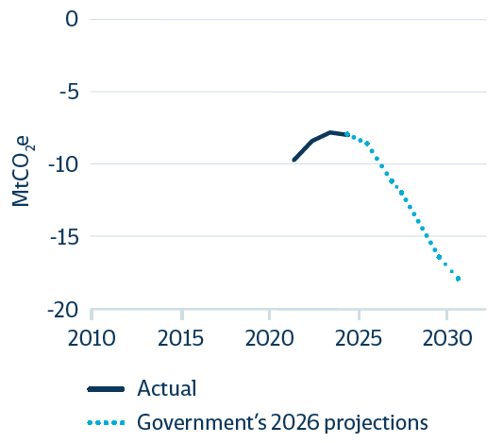
 |  | (MtCO2e) | 2010 | 2011 | 2012 | 2013 | 2014 | 2015 | 2016 | 2017 | 2018 | 2019 | 2020 | 2021 | 2022 | 2023 | 2024 | 2025 | 2026 | 2027 | 2028 | 2029 | 2030
 |  | Actual |  |  |  |  |  |  |  |  |  |  |  | -9.7 | -8.4 | -7.8 | -8.0
 |  | Government's 2026 projections |  |  |  |  |  |  |  |  |  |  |  |  |  |  | -8.0 | -8.5 | -10.4 | -12.2 | -14.4 | -16.3 | -17.8
 |  |  | -20.0 | -20.0 | -20.0 | -20.0 | -20.0 | -20.0 | -20.0 | -20.0 | -20.0 | -20.0 | -20.0 | -20.0 | -20.0 | -20.0 | -20.0

Figure 11.2 | Net emissions from deforestation, target accounting method
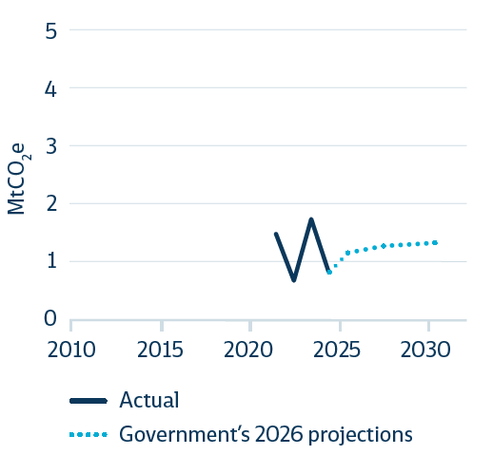
 |  | (MtCO2e) | 2010 | 2011 | 2012 | 2013 | 2014 | 2015 | 2016 | 2017 | 2018 | 2019 | 2020 | 2021 | 2022 | 2023 | 2024 | 2025 | 2026 | 2027 | 2028 | 2029 | 2030
 |  | Actual |  |  |  |  |  |  |  |  |  |  |  | 1.49 | 0.68 | 1.75 | 0.83
 |  | Government's 2026 plan (WAM) |  |  |  |  |  |  |  |  |  |  |  |  |  |  | 0.8 | 1.17 | 1.21 | 1.28 | 1.29 | 1.32 | 1.34
 |  |  | 5.0 | 5.0 | 5.0 | 5.0 | 5.0 | 5.0 | 5.0 | 5.0 | 5.0 | 5.0 | 5.0 | 5.0 | 5.0 | 5.0 | 5.0

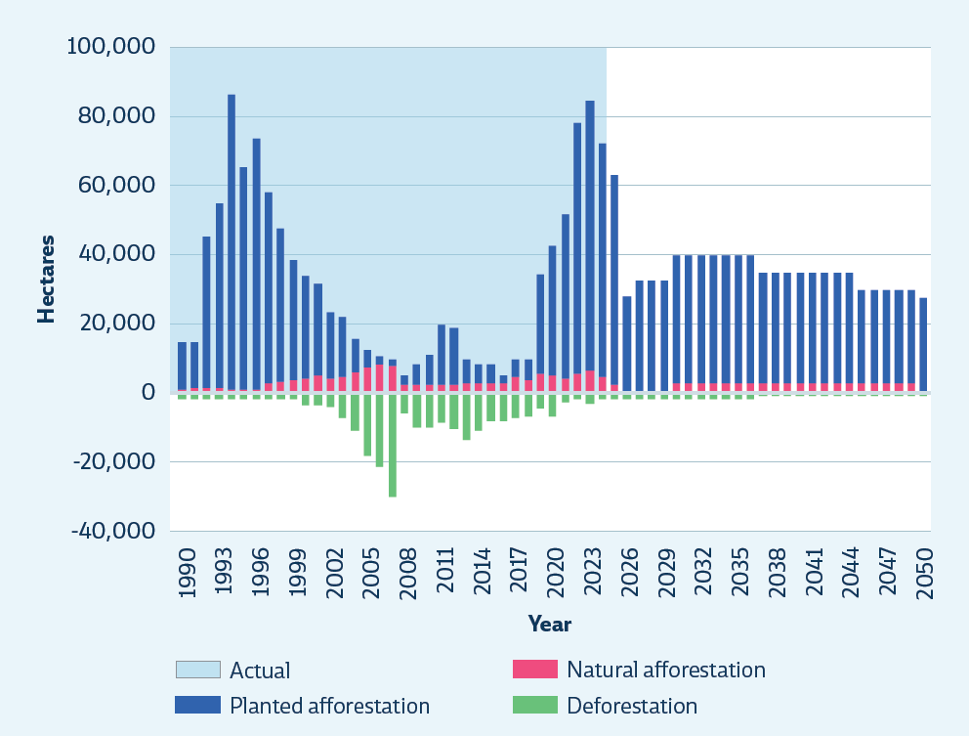
Figure 11.3 | Afforestation and deforestation activity
 |  | Ha | 1990 | 1991 | 1992 | 1993 | 1994 | 1995 | 1996 | 1997 | 1998 | 1999 | 2000 | 2001 | 2002 | 2003 | 2004 | 2005 | 2006 | 2007 | 2008 | 2009 | 2010 | 2011 | 2012 | 2013 | 2014 | 2015 | 2016 | 2017 | 2018 | 2019 | 2020 | 2021 | 2022 | 2023 | 2024 | 2025 | 2026 | 2027 | 2028 | 2029 | 2030 | 2031 | 2032 | 2033 | 2034 | 2035 | 2036 | 2037 | 2038 | 2039 | 2040 | 2041 | 2042 | 2043 | 2044 | 2045 | 2046 | 2047 | 2048 | 2049 | 2050
 |  | Natural Afforestation | 1,018 | 1,188 | 1,357 | 1,188 | 1,018 | 848 | 848 | 2,714 | 3,054 | 3,393 | 4,241 | 5,089 | 4,071 | 4,580 | 6,107 | 7,125 | 8,142 | 7,634 | 2,066 | 2,012 | 2,012 | 2,012 | 2,012 | 2,834 | 2,806 | 2,806 | 2,829 | 4,526 | 3,824 | 5,436 | 5,093 | 4,044 | 5,502 | 6,202 | 4,702 | 2,200 | 400 | 200 | 100 | 100 | 2,600 | 2,600 | 2,600 | 2,600 | 2,600 | 2,600 | 2,600 | 2,600 | 2,600 | 2,600 | 2,600 | 2,600 | 2,600 | 2,600 | 2,600 | 2,600 | 2,600 | 2,600 | 2,600 | 2,600 | 100
 |  | Planted afforestation | 13,721 | 13,499 | 43,676 | 53,542 | 85,372 | 64,301 | 72,866 | 55,476 | 44,523 | 34,786 | 29,404 | 26,168 | 19,194 | 17,282 | 9,205 | 5,241 | 2,258 | 2,085 | 2,811 | 6,312 | 8,808 | 17,613 | 16,879 | 6,929 | 5,236 | 5,239 | 2,364 | 4,891 | 5,808 | 28,738 | 37,120 | 47,666 | 72,694 | 78,383 | 67,235 | 60,600 | 27,200 | 32,200 | 32,200 | 32,200 | 37,200 | 37,200 | 37,200 | 37,200 | 37,200 | 37,200 | 37,200 | 32,200 | 32,200 | 32,200 | 32,200 | 32,200 | 32,200 | 32,200 | 32,200 | 27,200 | 27,200 | 27,200 | 27,200 | 27,200 | 27,200
 |  | Deforestation | -1,825 | -1,825 | -1,825 | -1,825 | -1,825 | -1,825 | -1,825 | -1,825 | -1,825 | -1,825 | -3,854 | -3,771 | -3,960 | -7,304 | -10,869 | -18,206 | -21,356 | -30,233 | -5,889 | -10,198 | -10,188 | -8,839 | -10,683 | -13,907 | -11,249 | -8,446 | -8,287 | -7,493 | -7,024 | -4,795 | -6,925 | -2,924 | -1,660 | -3,174 | -2,001 | -1,777 | -1,777 | -1,777 | -1,777 | -1,777 | -1,777 | -1,777 | -1,777 | -1,777 | -1,777 | -1,777 | -1,777 | -767 | -767 | -767 | -767 | -767 | -767 | -767 | -767 | -767 | -767 | -767 | -767 | -767 | -767
 |  | Actual | 100,000 | 100,000 | 100,000 | 100,000 | 100,000 | 100,000 | 100,000 | 100,000 | 100,000 | 100,000 | 100,000 | 100,000 | 100,000 | 100,000 | 100,000 | 100,000 | 100,000 | 100,000 | 100,000 | 100,000 | 100,000 | 100,000 | 100,000 | 100,000 | 100,000 | 100,000 | 100,000 | 100,000 | 100,000 | 100,000 | 100,000 | 100,000 | 100,000 | 100,000 | 100,000

TechAnnex - Figures
Technical Annex Key Figures

Emissions budget 2 (2026-2030)
Figure 1 | ERM25 adequacy assessment updated to align with the ERM26 methodology
 |  |  |  | Annual average emissions version |  |  | Annual average emissions version
 |  |  |  | Emissions budget 2 (2026-2030) |  |  | Emissions budget 3 (2031-2035)
 |  |  |  | ERM25 | ERM25 (Updated) | ERM26 | ERM25 | ERM25 (Updated) | ERM26
 |  | Emissions budget level |  | 60.8 | 61.0 | 61.0 | 48 | 48 | 48.0
 |  | Emissions baseline (without impact of policies) |  | 65.8 | 66.1 | 65.0 | 64.7 | 65.5 | 64.1

 |  | Gap in emissions plan |  | 0.0 | 0.0 | 0.0 | 1.9 | 1.8 | 1.7
 |  | Insufficient to deliver |  | 0.0 | 0.0 | 0.0 | 0.0 | 0.0 | 2.0
 |  | Significant risk to delivery |  | 1.1 | 0.7 | 2.5 | 11.7 | 12.3 | 10.7
 |  | Moderate risk to delivery |  | 3.6 | 4.4 | 1.4 | 2.7 | 3.0 | 1.4
 |  | No significant risk to delivery |  | 0.5 | 0.4 | 0.9 | 0.4 | 0.5 | 0.2

Emissions budget 3 (2031-2035)

Figure 2 | Government’s WAM path compared to EB4 demonstration path, projected to 2050

 | Emissions budgets set by Government | Commission's proposed fourth emissions budget | EB4 demo path | Government's WAM
2022-01-01 | 73 |  |  | 70.6
2023-01-01 | 73 |  |  | 70.6
2024-01-01 | 73 |  |  | 70.6
2025-01-01 | 73 |  |  | 70.6
2026-01-01 | 61 |  |  | 60.3
2027-01-01 | 61 |  |  | 60.3
2028-01-01 | 61 |  |  | 60.3
2029-01-01 | 61 |  |  | 60.3
2030-01-01 | 61 |  |  | 60.3
2031-01-01 | 48 |  | 48 | 49.8
2032-01-01 | 48 |  | 46 | 49.8
2033-01-01 | 48 |  | 44 | 49.8
2034-01-01 | 48 |  | 42 | 49.8
2035-01-01 | 48 |  | 40 | 49.8
2036-01-01 |  | 32 | 37
2037-01-01 |  | 32 | 34
2038-01-01 |  | 32 | 32
2039-01-01 |  | 32 | 29
2040-01-01 |  | 32 | 27
2041-01-01 |  |  | 25
2042-01-01 |  |  | 23
2043-01-01 |  |  | 22
2044-01-01 |  |  | 21
2045-01-01 |  |  | 20
2046-01-01 |  |  | 21
2047-01-01 |  |  | 21
2048-01-01 |  |  | 21
2049-01-01 |  |  | 20
2050-01-01 |  |  | 18
EB1
 |  | MtCO2e | 2022-01-01 | 2023-01-01 | 2024-01-01 | 2025-01-01 | 2026-01-01 | 2027-01-01 | 2028-01-01 | 2029-01-01 | 2030-01-01 | 2031-01-01 | 2032-01-01 | 2033-01-01 | 2034-01-01 | 2035-01-01 | 2036-01-01 | 2037-01-01 | 2038-01-01 | 2039-01-01 | 2040-01-01 | 2041-01-01 | 2042-01-01 | 2043-01-01 | 2044-01-01 | 2045-01-01 | 2046-01-01 | 2047-01-01 | 2048-01-01 | 2049-01-01 | 2050-01-01
 |  | EB4 demo path |  |  |  |  |  |  |  |  |  | 48 | 46 | 44 | 42 | 40 | 37 | 34 | 32 | 29 | 27 | 25 | 23 | 22 | 21 | 20 | 21 | 21 | 21 | 20 | 18
 |  | Emissions budgets set by Government | 73 | 73 | 73 | 73 | 61 | 61 | 61 | 61 | 61 | 48 | 48 | 48 | 48 | 48
 |  | Commission's proposed fourth emissions budget |  |  |  |  |  |  |  |  |  |  |  |  |  |  | 32 | 32 | 32 | 32 | 32
 |  | Government's WAM | 70.6 | 70.6 | 70.6 | 70.6 | 60.3 | 60.3 | 60.3 | 60.3 | 60.3 | 49.8 | 49.8 | 49.8 | 49.8 | 49.8

 |  |  |  |  | .

Figure 3 | Further reductions possible in the third emissions budget period
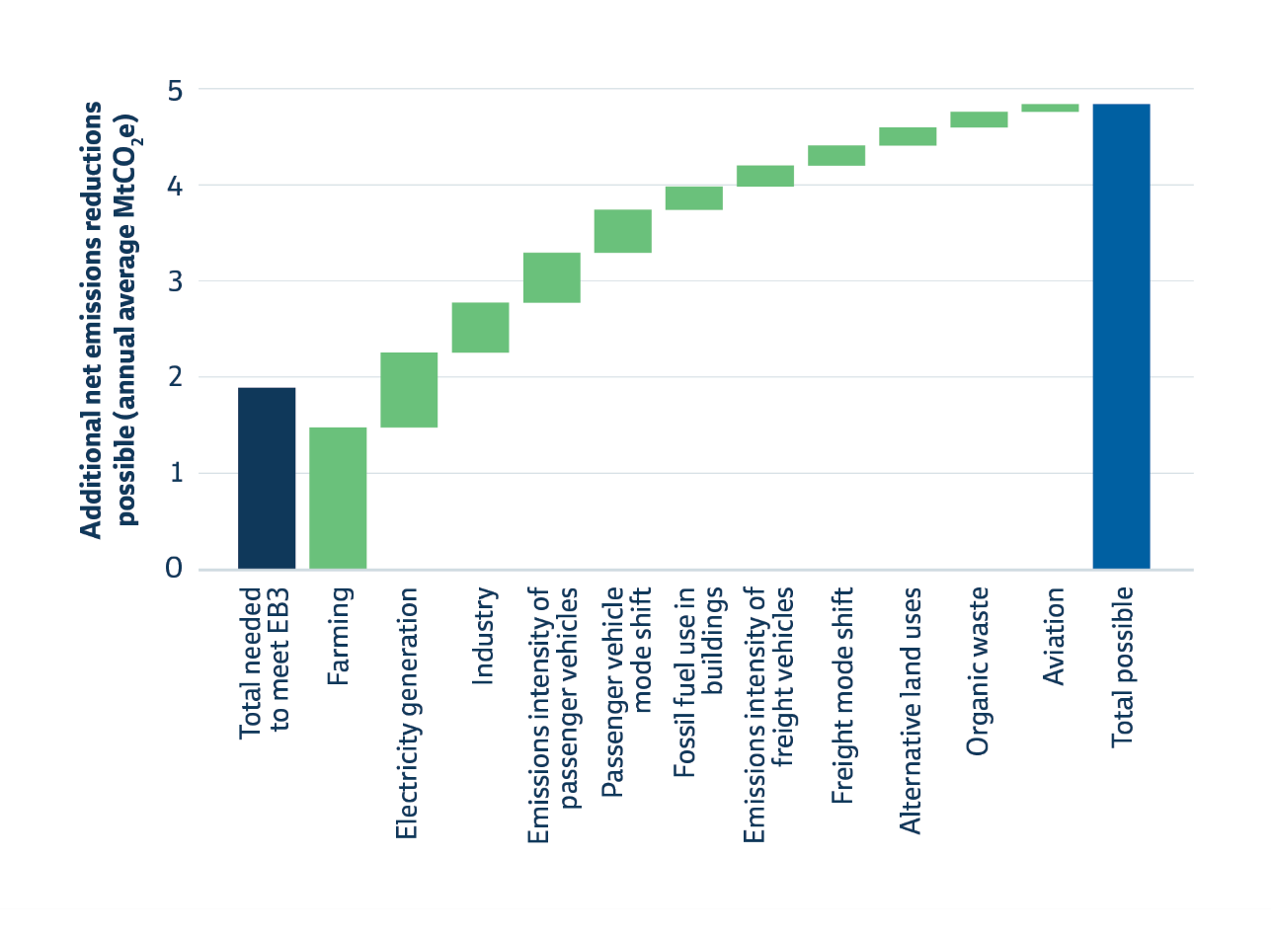

 |  | Total needed to meet EB3 | 1.9
 |  | Farming | 1.5
 |  | Electricity generation | 0.8
 |  | Industry | 0.5
 |  | Emission intensity of passenger vehicles | 0.5
 |  | Passenger vehicle mode shift | 0.5
 |  | Fossil fuel use in buildings | 0.2
 |  | Emission intensity of freight vehicles | 0.2
 |  | Freight mode shift | 0.2
 |  | Alternative land uses | 0.2
 |  | Organic waste | 0.2
 |  | Aviation | 0.1
 |  | Total possible | 4.8

Figure 4 | Capital cost assumptions ($/kWth, 2025 NZD)

 |  |  | Active assumptions
 |  |  |  |  |  | Fossil fuel |  |  |  | Electric |  |  | Biomass
 |  |  | Variable | Scenario | Unit | Coal Boiler | Gas Boiler | LPG Boiler | Diesel Boiler | Heat Pump | Steam-generating Heat Pump | Electrode Boiler | Biomass Boiler | Coal to Biomass Boiler Conversion
 |  |  | Capital costs (excl. electricity network upgrades) | Central | $/kW_th | 1755 | 544 | 755 | 666 | 1358 | 2205 | 768 | 2432 | 303
 |  |  | Lifetime | Central | years | 25 | 25 | 25 | 25 | 20 | 20 | 25 | 25 | 15
 |  |  | COP | Central |  | 0.78 | 0.85 | 0.85 | 0.85 | 4.05 | 2.3 | 0.94 | 0.78 | 0.78
 |  |  |  | Low |  | 0.7 | 0.8 | 0.8 | 0.8 | 1.9 | 1.1 | 0.88 | 0.7 | 0.7
 |  |  |  | High |  | 0.85 | 0.9 | 0.9 | 0.9 | 6.2 | 3.5 | 1 | 0.85 | 0.85
 |  |  | Fuel price (excl. ETS) | Central | $/GJ | 10 | 22 | 41 | 40 | 51 | 51 | 51 | 17 | 17
 |  |  |  | Low | $/GJ | 6 | 12 |  |  | 36 | 36 | 36 | 11.2 | 13.5
 |  |  |  | High | $/GJ | 14 | 33 |  |  | 66 | 66 | 66 | 25.4 | 20.5
 |  |  | ETS emissions factor | Central | kgCO2e/GJ | 90.43 | 54.2 | 60.8 | 69.9 |  |  |  | 0 | 0

Figure 5 | Fuel price assumptions ($/GJ, 2025 NZD). NZ ETS price impact is excluded except for electricity

 |  |  |  | Coal | Gas | LPG | Diesel | Electricity | Biomass
 |  |  | Low | 6 | 12 | 0 | 0 | 36 | 11.2
 |  |  | Range | 8 | 21 | 0 | 0 | 30 | 14.2
 |  |  | Central | 10 | 22 | 41 | 40 | 51 | 17

Figure 6 | Lifetime cost for new boiler systems or replacement at end-of-life, for < 100 °C applications with central assumptions (NZD, excl. GST)

 |  |  |  | Capital | Operations | Maintenance | Fuel | Carbon (NZ ETS cost) | Total | Running cost only
 |  |  | Heat Pump | $8.8 | $0.6 | $1.5 | $12.6 | $0.0 | $23.5 | $14.7
 |  |  | Coal to Biomass Boiler Conversion | $2.2 | $0.9 | $1.7 | $21.8 | $0.0 | $26.6 | $24.4
 |  |  | Coal Boiler | $10.4 | $0.9 | $1.7 | $12.8 | $8.7 | $34.5 | $24.1
 |  |  | Gas Boiler | $3.2 | $0.4 | $0.8 | $25.9 | $4.8 | $35.1 | $31.9
 |  |  | Biomass Boiler | $14.4 | $0.9 | $1.7 | $21.8 | $0.0 | $38.8 | $24.4
 |  |  | Steam-generating heat pump | $14.2 | $0.7 | $1.8 | $22.2 | $0.0 | $39.0 | $24.7
 |  |  | Diesel Boiler | $4.0 | $0.3 | $0.9 | $47.1 | $6.2 | $58.4 | $54.4
 |  |  | LPG Boiler | $4.5 | $0.3 | $0.9 | $48.2 | $5.4 | $59.3 | $54.8
 |  |  | Electrode Boiler | $4.6 | $0.7 | $0.6 | $54.3 | $0.0 | $60.2 | $55.6

Figure 7 | Cost per GJ of heat output (NZD/GJ, excl. GST) of installing and running new low-carbon heating systems compared with running existing fossil fuel boilers, with central assumptions
 |  |  |  | Levelised Cost of Heat - existing fossil boilers ($ per GJ heat output)
 |  |  |  |  | Capital | Operations | Maintenance | Fuel | Carbon (NZ ETS cost) | Total | Running cost
 |  |  | Renewable | Electrode Boiler | $4.6 | $0.7 | $0.6 | $54.3 | $0.0 | $60.2 | $55.6
 |  |  |  | Steam-generating heat pump | $14.2 | $0.7 | $1.8 | $22.2 | $0.0 | $39.0 | $24.7
 |  |  |  | Biomass Boiler | $14.4 | $0.9 | $1.7 | $21.8 | $0.0 | $38.8 | $24.4
 |  |  |  | Coal to Biomass Boiler Conversion | $2.2 | $0.9 | $1.7 | $21.8 | $0.0 | $26.6 | $24.4
 |  |  |  | Heat Pump | $8.8 | $0.6 | $1.5 | $12.6 | $0.0 | $23.5 | $14.7
 |  |  | Existing fossil (opex only) | Coal Boiler | $0.0 | $0.9 | $1.7 | $12.8 | $8.7 | $24.1 | $24.1
 |  |  |  | Gas Boiler | $0.0 | $0.4 | $0.8 | $25.9 | $4.8 | $24.8 | $24.8
 |  |  |  | Diesel Boiler | $0.0 | $0.3 | $0.9 | $47.1 | $6.2 | $54.4 | $54.4
 |  |  |  | LPG Boiler | $0.0 | $0.3 | $0.9 | $48.2 | $5.4 | $54.8 | $54.8

Figure 8 | Cost per GJ (NZD/GJ, excl. GST) of heat output of installing and running a new heat pump compared with running existing fossil fuel boilers under central assumptions but with a low gas price
 |  |  |  | Levelised Cost of Heat - existing fossil boilers ($ per GJ heat output)
 |  |  |  |  | Capital | Operations | Maintenance | Fuel | Carbon (NZ ETS cost) | Total | Running cost
 |  |  | Renewable | Electrode Boiler | $4.6 | $0.7 | $0.6 | $54.3 | $0.0 | $60.2 | $55.6
 |  |  |  | Steam-generating heat pump | $14.2 | $0.7 | $1.8 | $22.2 | $0.0 | $39.0 | $24.7
 |  |  |  | Biomass Boiler | $14.4 | $0.9 | $1.7 | $21.8 | $0.0 | $38.8 | $24.4
 |  |  |  | Coal to Biomass Boiler Conversion | $2.2 | $0.9 | $1.7 | $21.8 | $0.0 | $26.6 | $24.4
 |  |  |  | Heat Pump | $8.8 | $0.6 | $1.5 | $12.6 | $0.0 | $23.5 | $14.7
 |  |  | Existing fossil (opex only) | Coal Boiler | $0.0 | $0.9 | $1.7 | $12.8 | $8.7 | $24.1 | $24.1
 |  |  |  | Gas Boiler | $0.0 | $0.4 | $0.8 | $18.8 | $4.8 | $24.8 | $24.8
 |  |  |  | Diesel Boiler | $0.0 | $0.3 | $0.9 | $47.1 | $6.2 | $54.4 | $54.4
 |  |  |  | LPG Boiler | $0.0 | $0.3 | $0.9 | $48.2 | $5.4 | $54.8 | $54.8

Figure 9 | LCOH ($/GJ) vs utilisation rate of new heat pump vs existing fossil fuel boiler
 |  |  |  | Utilisation factor |  |  |  |  |  |  | Range |  |  |  |  | Low
 |  |  |  |  | Coal boiler | Gas boiler | LPG boiler | Heat pump (<100°C) |  |  | Coal boiler | Gas boiler | LPG boiler | Heat pump (<100°C) |  | Coal Boiler | Gas boiler | LPG boiler | Heat pump (<100°C)
 |  |  |  | 0.1 | 34.4 | 36.7 | 59.7 | 67.1 |  |  | 10.3 | 24.7 | 0.0 | 7.4 |  | 29.3 | 25.0 | 11.44 | 63.3
 |  |  |  | 0.2 | 28.0 | 33.7 | 56.6 | 39.8 |  |  | 10.3 | 24.7 | 0.0 | 7.4 |  | 22.8 | 21.9 | 8.40 | 36.1
 |  |  |  | 0.3 | 25.8 | 32.7 | 55.6 | 30.7 |  |  | 10.3 | 24.7 | 0.0 | 7.4 |  | 20.7 | 20.9 | 7.39 | 27.0
 |  |  |  | 0.4 | 24.7 | 32.2 | 55.1 | 26.2 |  |  | 10.3 | 24.7 | 0.0 | 7.4 |  | 19.6 | 20.4 | 6.88 | 22.5
 |  |  |  | 0.5 | 24.1 | 31.9 | 54.8 | 23.5 |  |  | 10.3 | 24.7 | 0.0 | 7.4 |  | 19.0 | 20.1 | 6.58 | 19.8
 |  |  |  | 0.6 | 23.7 | 31.7 | 54.6 | 21.7 |  |  | 10.3 | 24.7 | 0.0 | 7.4 |  | 18.5 | 19.9 | 6.38 | 18.0
 |  |  |  | 0.7 | 23.4 | 31.5 | 54.5 | 20.4 |  |  | 10.3 | 24.7 | 0.0 | 7.4 |  | 18.2 | 19.8 | 6.23 | 16.7
 |  |  |  | 0.8 | 23.1 | 31.4 | 54.4 | 19.4 |  |  | 10.3 | 24.7 | 0.0 | 7.4 |  | 18.0 | 19.7 | 6.12 | 15.7
 |  |  |  | 0.9 | 22.9 | 31.3 | 54.3 | 18.6 |  |  | 10.3 | 24.7 | 0.0 | 7.4 |  | 17.8 | 19.6 | 6.04 | 14.9

Figure 10 | Gross emissions since 2015, as reported in the GHG Inventories published in 2022, 2025 & 2026

 | 2026 GHG Inventory | 2025 GHG Inventory | 2022 GHG Inventory
2015 | 83.0 | 83.3 | 83.7
2016 | 80.8 | 81.1 | 81.6
2017 | 82.3 | 82.6 | 83.0
2018 | 82.6 | 82.9 | 83.2
2019 | 83.7 | 84.1 | 84.7
2020 | 81.0 | 81.4 | 81.9
2021 | 81.5 | 81.9
2022 | 77.7 | 78.0
2023 | 75.9 | 76.4
2024 | 75.8
 |  | Emissions (MtCO2e)
 |  |  | 2015 | 2016 | 2017 | 2018 | 2019 | 2020 | 2021 | 2022 | 2023 | 2024
 |  | 2026 GHG Inventory | 83.0 | 80.8 | 82.3 | 82.6 | 83.7 | 81.0 | 81.5 | 77.7 | 75.9 | 75.8
 |  | 2025 GHG Inventory | 83.3 | 81.1 | 82.6 | 82.9 | 84.1 | 81.4 | 81.9 | 78.0 | 76.4
 |  | 2024 GHG Inventory | 83.9 | 81.7 | 83.1 | 83.4 | 84.6 | 81.9 | 81.8 | 78.4
 |  | 2022 GHG Inventory | 83.7 | 81.6 | 83.0 | 83.2 | 84.7 | 81.9

Figure 11 | Emissions by sector

 |  | Emissions (MtCO2e)
 |  |  | 1990 | 1991 | 1992 | 1993 | 1994 | 1995 | 1996 | 1997 | 1998 | 1999 | 2000 | 2001 | 2002 | 2003 | 2004 | 2005 | 2006 | 2007 | 2008 | 2009 | 2010 | 2011 | 2012 | 2013 | 2014 | 2015 | 2016 | 2017 | 2018 | 2019 | 2020 | 2021 | 2022 | 2023 | 2024
 |  | Transport | 8.12 | 8.10 | 8.47 | 8.92 | 9.58 | 10.24 | 10.37 | 10.60 | 10.80 | 11.09 | 11.64 | 11.69 | 12.15 | 12.68 | 12.98 | 13.05 | 13.17 | 13.27 | 13.28 | 13.09 | 13.33 | 13.32 | 12.99 | 13.07 | 13.33 | 13.80 | 13.89 | 14.79 | 15.12 | 14.64 | 13.19 | 13.85 | 13.50 | 13.81 | 13.74
 |  | Energy and industry | 18.52 | 19.18 | 20.73 | 19.90 | 19.45 | 18.63 | 20.14 | 21.83 | 20.06 | 21.31 | 21.46 | 23.45 | 22.93 | 23.92 | 23.26 | 24.83 | 25.11 | 23.75 | 24.66 | 22.09 | 22.34 | 21.64 | 23.28 | 22.40 | 22.33 | 22.19 | 20.42 | 20.90 | 20.56 | 21.99 | 20.86 | 20.72 | 18.32 | 17.58 | 17.77
 |  | Agriculture | 36.75 | 37.10 | 36.65 | 36.86 | 38.44 | 39.09 | 39.78 | 40.42 | 39.70 | 39.69 | 40.99 | 41.64 | 41.68 | 42.46 | 42.73 | 42.91 | 42.67 | 41.58 | 40.65 | 40.57 | 40.74 | 41.29 | 42.34 | 42.29 | 42.70 | 42.43 | 41.94 | 42.03 | 42.32 | 42.46 | 42.37 | 42.23 | 41.25 | 40.29 | 40.15
 |  | Waste | 3.33 | 3.42 | 3.51 | 3.60 | 3.55 | 3.63 | 3.69 | 3.77 | 3.80 | 3.83 | 3.85 | 3.86 | 3.87 | 3.79 | 3.82 | 3.80 | 3.76 | 3.73 | 3.69 | 3.63 | 3.59 | 3.49 | 3.42 | 3.37 | 3.33 | 3.29 | 3.26 | 3.23 | 3.18 | 3.15 | 3.12 | 3.08 | 3.04 | 3.02 | 3.01
 |  | F-gases | 0.84 | 0.83 | 0.44 | 0.21 | 0.20 | 0.20 | 0.33 | 0.34 | 0.29 | 0.32 | 0.35 | 0.41 | 0.48 | 0.58 | 0.67 | 0.76 | 0.89 | 0.91 | 1.00 | 1.08 | 1.10 | 1.14 | 1.18 | 1.23 | 1.29 | 1.29 | 1.31 | 1.35 | 1.39 | 1.42 | 1.42 | 1.65 | 1.54 | 1.20 | 1.13
 |  | Gross emissions | 67.56 | 68.64 | 69.79 | 69.49 | 71.22 | 71.79 | 74.31 | 76.96 | 74.65 | 76.23 | 78.29 | 81.05 | 81.11 | 83.44 | 83.46 | 85.36 | 85.60 | 83.25 | 83.27 | 80.45 | 81.11 | 80.87 | 83.22 | 82.35 | 82.98 | 83.00 | 80.82 | 82.30 | 82.56 | 83.65 | 80.96 | 81.52 | 77.66 | 75.89 | 75.81

Figure 12 | Annual changes in gross emissions by sector since 2020

 |  | Change in emissions from previous year (MtCO2e)
 |  |  | 2019 | 2020 | 2021 | 2022 | 2023 | 2024 | 2025
 |  | Transport | -0.47 | -1.45 | 0.65 | -0.34 | 0.30 | -0.06 | -0.08
 |  | Energy and industry | 1.43 | -1.13 | -0.14 | -2.40 | -0.74 | 0.19 | -1.65
 |  | Agriculture | 0.14 | -0.08 | -0.15 | -0.98 | -0.96 | -0.14 | 0.01
 |  | Waste | -0.03 | -0.03 | -0.04 | -0.04 | -0.02 | -0.01 | -0.01
 |  | F-gases | 0.03 | 0.00 | 0.23 | -0.11 | -0.35 | -0.06 | -0.12
 |  | Gross emissions | 1.09 | -2.70 | 0.57 | -3.87 | -1.76 | -0.09 | -1.85

Figure 13 | Emissions by industrial sector

 |  | Emissions (MtCO2e)
 |  |  | 1990 | 1991 | 1992 | 1993 | 1994 | 1995 | 1996 | 1997 | 1998 | 1999 | 2000 | 2001 | 2002 | 2003 | 2004 | 2005 | 2006 | 2007 | 2008 | 2009 | 2010 | 2011 | 2012 | 2013 | 2014 | 2015 | 2016 | 2017 | 2018 | 2019 | 2020 | 2021 | 2022 | 2023 | 2024
 |  | Metals | 2.733 | 2.9 | 2.5 | 2.4 | 2.2 | 2.2 | 2.4 | 2.2 | 2.1 | 2.2 | 2.2 | 2.3 | 2.3 | 2.5 | 2.5 | 2.4 | 2.5 | 2.5 | 2.3 | 2.2 | 2.5 | 2.5 | 2.4 | 2.5 | 2.5 | 2.5 | 2.5 | 2.5 | 2.5 | 2.5 | 2.4 | 2.4 | 2.3 | 2.24 | 2.25
 |  | Chemicals | 0.742 | 1.2 | 1.0 | 1.1 | 1.4 | 1.6 | 2.0 | 2.2 | 2.0 | 2.2 | 2.5 | 2.3 | 2.6 | 1.5 | 1.3 | 0.7 | 0.8 | 0.8 | 0.9 | 1.2 | 1.2 | 1.2 | 1.4 | 1.7 | 2.4 | 2.2 | 2.3 | 2.1 | 1.8 | 2.0 | 1.8 | 1.4 | 1.4 | 1.44 | 0.80
 |  | Pulp, paper and print | 0.562 | 0.5 | 0.5 | 0.5 | 0.6 | 0.6 | 0.6 | 0.6 | 0.6 | 0.6 | 0.6 | 0.6 | 0.6 | 0.5 | 0.6 | 0.6 | 0.6 | 0.6 | 0.6 | 0.5 | 0.5 | 0.5 | 0.5 | 0.5 | 0.5 | 0.5 | 0.5 | 0.5 | 0.5 | 0.5 | 0.4 | 0.4 | 0.4 | 0.39 | 0.33
 |  | Food processing, beverages and tobacco | 1.672 | 1.7 | 1.8 | 1.7 | 1.7 | 1.8 | 1.8 | 1.8 | 1.8 | 1.6 | 1.7 | 1.7 | 1.8 | 1.8 | 2.0 | 2.0 | 1.9 | 2.2 | 2.1 | 1.9 | 2.4 | 2.3 | 2.5 | 2.4 | 2.7 | 3.0 | 2.7 | 2.8 | 3.0 | 3.1 | 2.9 | 2.8 | 2.7 | 2.70 | 2.50
 |  | Minerals | 1.058 | 1.0 | 0.9 | 1.1 | 1.1 | 1.3 | 1.2 | 1.3 | 1.2 | 1.3 | 1.3 | 1.3 | 1.3 | 1.3 | 1.3 | 1.4 | 1.3 | 1.6 | 1.5 | 1.2 | 1.2 | 1.2 | 1.2 | 1.5 | 1.5 | 1.5 | 1.2 | 1.1 | 1.1 | 1.2 | 0.8 | 0.9 | 1.0 | 0.90 | 0.93
 |  | Agriculture/forestry/fishing | 1.238 | 1.1 | 1.2 | 1.2 | 1.3 | 1.4 | 1.4 | 1.5 | 1.6 | 1.6 | 1.5 | 1.6 | 1.7 | 1.8 | 1.6 | 1.8 | 1.8 | 1.8 | 1.7 | 1.5 | 1.3 | 1.5 | 1.7 | 1.8 | 1.6 | 1.5 | 1.4 | 1.4 | 1.4 | 1.7 | 1.6 | 1.5 | 1.4 | 1.42 | 1.48
 |  | Other energy emissions | 1.336 | 1.5 | 1.6 | 1.7 | 1.6 | 1.3 | 1.3 | 1.2 | 1.1 | 1.0 | 1.1 | 1.6 | 1.6 | 2.1 | 1.4 | 1.2 | 1.3 | 1.4 | 1.5 | 1.3 | 1.1 | 1.0 | 0.9 | 1.1 | 1.0 | 0.9 | 1.0 | 1.2 | 1.2 | 1.3 | 1.2 | 1.3 | 1.3 | 1.22 | 1.23
 |  | Product use category 2F | - | - | 0.0 | 0.0 | 0.0 | 0.0 | 0.1 | 0.1 | 0.2 | 0.2 | 0.3 | 0.3 | 0.4 | 0.5 | 0.6 | 0.7 | 0.8 | 0.8 | 0.9 | 1.0 | 1.0 | 1.1 | 1.1 | 1.2 | 1.2 | 1.2 | 1.2 | 1.3 | 1.3 | 1.3 | 1.3 | 1.6 | 1.5 | 1.12 | 1.04
 |  | Other process and product use emissions | 0.137 | 0.1 | 0.1 | 0.1 | 0.1 | 0.1 | 0.1 | 0.1 | 0.1 | 0.1 | 0.1 | 0.1 | 0.1 | 0.1 | 0.1 | 0.1 | 0.1 | 0.1 | 0.1 | 0.1 | 0.1 | 0.1 | 0.1 | 0.1 | 0.1 | 0.1 | 0.2 | 0.2 | 0.2 | 0.2 | 0.2 | 0.2 | 0.2 | 0.19 | 0.22
 |  | Total | 9.478 | 10.0 | 9.7 | 9.8 | 10.1 | 10.4 | 10.9 | 11.0 | 10.8 | 10.9 | 11.4 | 11.9 | 12.4 | 12.1 | 11.5 | 10.9 | 11.1 | 11.7 | 11.5 | 10.9 | 11.4 | 11.3 | 11.9 | 12.8 | 13.6 | 13.3 | 13.0 | 13.0 | 13.0 | 13.7 | 12.6 | 12.6 | 12.1 | 11.61 | 10.77

Figure 14 | Residential and commercial buildings emissions

 |  | Emissions (MtCO2e)
 |  |  | 1990 | 1991 | 1992 | 1993 | 1994 | 1995 | 1996 | 1997 | 1998 | 1999 | 2000 | 2001 | 2002 | 2003 | 2004 | 2005 | 2006 | 2007 | 2008 | 2009 | 2010 | 2011 | 2012 | 2013 | 2014 | 2015 | 2016 | 2017 | 2018 | 2019 | 2020 | 2021 | 2022 | 2023 | 2024
 |  | Residential | 0.63 | 0.53 | 0.45 | 0.42 | 0.43 | 0.43 | 0.43 | 0.46 | 0.47 | 0.48 | 0.56 | 0.53 | 0.49 | 0.52 | 0.54 | 0.51 | 0.51 | 0.43 | 0.40 | 0.50 | 0.44 | 0.44 | 0.45 | 0.43 | 0.46 | 0.48 | 0.45 | 0.46 | 0.46 | 0.45 | 0.47 | 0.47 | 0.44 | 0.46 | 0.47
 |  | Commercial | 0.80 | 0.81 | 0.93 | 0.67 | 0.90 | 0.81 | 0.72 | 0.70 | 0.73 | 0.72 | 0.75 | 0.76 | 0.75 | 0.87 | 0.94 | 0.91 | 0.81 | 0.79 | 0.80 | 0.75 | 0.80 | 0.77 | 0.84 | 0.85 | 0.89 | 0.95 | 0.93 | 0.98 | 0.94 | 1.12 | 1.03 | 1.05 | 1.20 | 1.07 | 1.00
 |  |  | 1.43 | 1.34 | 1.38 | 1.09 | 1.33 | 1.24 | 1.15 | 1.16 | 1.20 | 1.20 | 1.31 | 1.29 | 1.25 | 1.40 | 1.49 | 1.41 | 1.32 | 1.22 | 1.20 | 1.25 | 1.24 | 1.21 | 1.30 | 1.28 | 1.35 | 1.42 | 1.37 | 1.44 | 1.40 | 1.57 | 1.50 | 1.52 | 1.64 | 1.53 | 1.46

Figure 15 | Electricity supply emissions by fuel type

 |  | Emissions (MtCO2e)
 |  |  | 1990 | 1991 | 1992 | 1993 | 1994 | 1995 | 1996 | 1997 | 1998 | 1999 | 2000 | 2001 | 2002 | 2003 | 2004 | 2005 | 2006 | 2007 | 2008 | 2009 | 2010 | 2011 | 2012 | 2013 | 2014 | 2015 | 2016 | 2017 | 2018 | 2019 | 2020 | 2021 | 2022 | 2023 | 2024 | 2025
 |  | Gaseous fuels | 3.00 | 3.67 | 3.96 | 3.65 | 2.91 | 2.43 | 3.38 | 4.75 | 3.64 | 4.57 | 4.46 | 5.46 | 4.66 | 4.36 | 3.03 | 4.03 | 4.12 | 4.83 | 4.43 | 3.69 | 4.28 | 3.52 | 3.74 | 3.58 | 3.02 | 2.95 | 2.61 | 3.10 | 2.53 | 2.57 | 2.81 | 2.22 | 2.17 | 2.20 | 1.97 | 1.76
 |  | Solid fuels | 0.48 | 0.22 | 0.89 | 0.43 | 0.38 | 0.55 | 0.61 | 1.19 | 0.76 | 1.11 | 0.89 | 1.37 | 1.37 | 3.00 | 3.93 | 4.98 | 4.71 | 2.42 | 4.00 | 2.56 | 1.28 | 1.53 | 2.71 | 1.62 | 1.22 | 1.11 | 0.45 | 0.52 | 0.95 | 1.50 | 1.60 | 2.36 | 0.72 | 0.53 | 1.72 | 1.07
 |  | Other fuels | 0.01 | 0.02 | 0.18 | 0.06 | 0.02 | 0.05 | 0.02 | 0.00 | 0.00 | 0.00 | 0.00 | 0.00 | 0.00 | 0.02 | 0.02 | 0.00 | 0.02 | 0.00 | 0.11 | 0.01 | 0.00 | 0.00 | 0.00 | 0.00 | 0.00 | 0.00 | 0.00 | 0.00 | 0.01 | 0.00 | 0.10 | 0.02 | 0.01 | 0.00 | 0.02 | 0.01
 |  | Geothermal | 0.28 | 0.29 | 0.29 | 0.31 | 0.30 | 0.30 | 0.40 | 0.35 | 0.44 | 0.41 | 0.43 | 0.34 | 0.39 | 0.34 | 0.35 | 0.33 | 0.38 | 0.34 | 0.53 | 0.74 | 0.77 | 0.76 | 0.75 | 0.76 | 0.77 | 0.81 | 0.72 | 0.67 | 0.61 | 0.60 | 0.57 | 0.55 | 0.54 | 0.48 | 0.48 | 0.49
 |  | Total | 3.77 | 4.21 | 5.33 | 4.45 | 3.61 | 3.33 | 4.41 | 6.28 | 4.84 | 6.08 | 5.78 | 7.17 | 6.41 | 7.72 | 7.33 | 9.34 | 9.22 | 7.60 | 9.07 | 7.00 | 6.33 | 5.81 | 7.21 | 5.96 | 5.02 | 4.87 | 3.78 | 4.30 | 4.10 | 4.67 | 5.07 | 5.14 | 3.43 | 3.21 | 4.19 | 3.33

Figure 16 | Total renewable generation capacity

 |  | Generation capacity (MW)
 |  |  | 2010 | 2011 | 2012 | 2013 | 2014 | 2015 | 2016 | 2017 | 2018 | 2019 | 2020 | 2021 | 2022 | 2023 | 2024
 |  | Existing renewable capacity | 6,537 | 6,700 | 6,860 | 6,901 | 6,992 | 7,194 | 7,241 | 7,249 | 7,267 | 7,312 | 7,344 | 7,466 | 7,736 | 7,859 | 8,172
 |  | New capacity added in year | 163 | 160 | 41 | 91 | 203 | 47 | 8 | 18 | 45 | 32 | 122 | 269 | 123 | 314 | 557

Figure 17 | Fossil fuel supply emissions in industry

 |  | Emissions (MtCO2e)
 |  |  | 1990 | 1991 | 1992 | 1993 | 1994 | 1995 | 1996 | 1997 | 1998 | 1999 | 2000 | 2001 | 2002 | 2003 | 2004 | 2005 | 2006 | 2007 | 2008 | 2009 | 2010 | 2011 | 2012 | 2013 | 2014 | 2015 | 2016 | 2017 | 2018 | 2019 | 2020 | 2021 | 2022 | 2023 | 2024
 |  | Petroleum refining | 0.78 | 0.78 | 0.77 | 0.83 | 0.83 | 0.80 | 0.80 | 0.83 | 0.86 | 0.82 | 0.82 | 0.82 | 0.85 | 0.85 | 0.81 | 0.84 | 0.91 | 0.88 | 0.90 | 0.88 | 0.89 | 0.90 | 0.90 | 0.87 | 0.86 | 0.92 | 0.81 | 0.80 | 0.75 | 0.84 | 0.65 | 0.69 | 0.17 | - | -
 |  | Hydrogen production | 0.15 | 0.17 | 0.16 | 0.16 | 0.18 | 0.14 | 0.17 | 0.16 | 0.18 | 0.18 | 0.18 | 0.19 | 0.20 | 0.18 | 0.18 | 0.21 | 0.23 | 0.22 | 0.25 | 0.24 | 0.24 | 0.26 | 0.25 | 0.24 | 0.23 | 0.26 | 0.17 | 0.17 | 0.15 | 0.16 | 0.13 | 0.04 | 0.01 | 0.014 | 0.014
 |  | Manufacturing of solid fuels and other energy | 1.70 | 1.39 | 1.76 | 1.65 | 1.36 | 0.93 | 0.69 | 0.34 | 0.23 | 0.23 | 0.20 | 0.21 | 0.19 | 0.16 | 0.21 | 0.20 | 0.18 | 0.14 | 0.11 | 0.18 | 0.21 | 0.30 | 0.34 | 0.30 | 0.35 | 0.29 | 0.29 | 0.30 | 0.38 | 0.34 | 0.24 | 0.24 | 0.23 | 0.22 | 0.24
 |  | Fugitive emissions | 1.27 | 1.34 | 1.28 | 1.33 | 1.43 | 1.19 | 1.52 | 1.60 | 1.49 | 1.41 | 1.30 | 1.45 | 1.26 | 1.18 | 1.46 | 1.67 | 2.03 | 1.87 | 1.66 | 1.72 | 2.14 | 1.99 | 1.46 | 1.05 | 1.16 | 1.27 | 1.08 | 0.93 | 0.89 | 0.77 | 0.67 | 0.63 | 0.78 | 0.70 | 0.73
 |  | Total | 3.91 | 3.67 | 3.97 | 3.97 | 3.80 | 3.06 | 3.18 | 2.93 | 2.75 | 2.64 | 2.50 | 2.66 | 2.49 | 2.38 | 2.65 | 2.92 | 3.35 | 3.12 | 2.91 | 3.01 | 3.48 | 3.44 | 2.96 | 2.47 | 2.61 | 2.74 | 2.36 | 2.21 | 2.16 | 2.10 | 1.70 | 1.60 | 1.18 | 0.93 | 0.99

Figure 21 | Transport emissions by subcategory

 | Passenger | Freight | Aviation | Provisional | Government's 2026 projection
2010 | 8.88 | 3.45 | 0.96
2011 | 8.73 | 3.55 | 0.99
2012 | 8.57 | 3.56 | 0.82
2013 | 8.50 | 3.66 | 0.86
2014 | 8.69 | 3.77 | 0.82
2015 | 9.00 | 3.90 | 0.86
2016 | 9.21 | 3.73 | 0.93
2017 | 9.68 | 4.08 | 1.00
2018 | 9.77 | 4.23 | 1.08
2019 | 9.53 | 4.05 | 1.02
2020 | 8.57 | 3.87 | 0.71
2021 | 8.85 | 4.13 | 0.82
2022 | 8.60 | 4.03 | 0.84
2023 | 8.79 | 4.06 | 0.92
2024 | 8.74 | 4.07 | 0.91 |  | 14.309212987
2025 |  |  |  | 13.623262458 | 14.233151518
2026 |  |  |  |  | 14.206560367
2027 |  |  |  |  | 14.183677241
2028 |  |  |  |  | 14.125062166
2029 |  |  |  |  | 14.069195283
2030 |  |  |  |  | 13.953068277
 |  | Emissions (MtCO2e)
 |  |  | 2010 | 2011 | 2012 | 2013 | 2014 | 2015 | 2016 | 2017 | 2018 | 2019 | 2020 | 2021 | 2022 | 2023 | 2024 | 2025 | 2026 | 2027 | 2028 | 2029 | 2030
 |  | Passenger | 8.88 | 8.73 | 8.57 | 8.50 | 8.69 | 9.00 | 9.21 | 9.68 | 9.77 | 9.53 | 8.57 | 8.85 | 8.60 | 8.79 | 8.74
 |  | Freight | 3.45 | 3.55 | 3.56 | 3.66 | 3.77 | 3.90 | 3.73 | 4.08 | 4.23 | 4.05 | 3.87 | 4.13 | 4.03 | 4.06 | 4.07
 |  | Aviation | 0.96 | 0.99 | 0.82 | 0.86 | 0.82 | 0.86 | 0.93 | 1.00 | 1.08 | 1.02 | 0.71 | 0.82 | 0.84 | 0.92 | 0.91
 |  | Provisional |  |  |  |  |  |  |  |  |  |  |  |  |  |  |  | 13.62
 |  | Government's 2026 projection |  |  |  |  |  |  |  |  |  |  |  |  |  |  | 14.31 | 14.23 | 14.21 | 14.18 | 14.13 | 14.07 | 13.95

Figure 22 | Passenger transport emissions by vehicle type

 |  | Emissions (MtCO2e)
 |  |  | 2010 | 2011 | 2012 | 2013 | 2014 | 2015 | 2016 | 2017 | 2018 | 2019 | 2020 | 2021 | 2022 | 2023 | 2024
 |  | Light passenger vehicles | 6.96 | 6.80 | 6.63 | 6.53 | 6.63 | 6.82 | 6.94 | 7.16 | 7.10 | 6.97 | 6.08 | 6.20 | 5.91 | 6.04 | 5.98
 |  | Light commercial vehicles | 1.87 | 1.89 | 1.90 | 1.92 | 2.02 | 2.14 | 2.22 | 2.48 | 2.62 | 2.52 | 2.44 | 2.61 | 2.65 | 2.71 | 2.71
 |  | Motorcycles | 0.05 | 0.04 | 0.04 | 0.04 | 0.04 | 0.05 | 0.05 | 0.05 | 0.05 | 0.05 | 0.04 | 0.04 | 0.04 | 0.04 | 0.04
 |  | Total | 8.88 | 8.73 | 8.57 | 8.50 | 8.69 | 9.00 | 9.21 | 9.68 | 9.77 | 9.53 | 8.57 | 8.85 | 8.60 | 8.79 | 8.74

Figure 23 | Freight transport emissions

 |  | Emissions (MtCO2e)
 |  |  | 2001 | 2002 | 2003 | 2004 | 2005 | 2006 | 2007 | 2008 | 2009 | 2010 | 2011 | 2012 | 2013 | 2014 | 2015 | 2016 | 2017 | 2018 | 2019 | 2020 | 2021 | 2022 | 2023 | 2024
 |  | Road freight | 2.20 | 2.38 | 2.44 | 2.46 | 2.63 | 2.71 | 2.82 | 2.88 | 2.81 | 3.01 | 3.09 | 3.09 | 3.10 | 3.24 | 3.33 | 3.32 | 3.69 | 3.84 | 3.57 | 3.47 | 3.77 | 3.77 | 3.81 | 3.82
 |  | Rail | 0.21 | 0.18 | 0.19 | 0.19 | 0.17 | 0.17 | 0.18 | 0.17 | 0.18 | 0.16 | 0.17 | 0.17 | 0.16 | 0.16 | 0.15 | 0.14 | 0.12 | 0.13 | 0.14 | 0.12 | 0.13 | 0.13 | 0.12 | 0.11
 |  | Coastal shipping | 0.35 | 0.40 | 0.41 | 0.37 | 0.43 | 0.34 | 0.36 | 0.29 | 0.30 | 0.28 | 0.30 | 0.30 | 0.39 | 0.37 | 0.42 | 0.27 | 0.27 | 0.26 | 0.33 | 0.27 | 0.23 | 0.13 | 0.13 | 0.14
 |  | Total | 2.76 | 2.95 | 3.03 | 3.02 | 3.23 | 3.22 | 3.36 | 3.35 | 3.29 | 3.45 | 3.55 | 3.56 | 3.66 | 3.77 | 3.90 | 3.73 | 4.08 | 4.23 | 4.05 | 3.87 | 4.13 | 4.03 | 4.06 | 4.07

Figure 27 | Emissions from waste

 |  | Emissions (MtCO2e)
 |  |  | 1990 | 1991 | 1992 | 1993 | 1994 | 1995 | 1996 | 1997 | 1998 | 1999 | 2000 | 2001 | 2002 | 2003 | 2004 | 2005 | 2006 | 2007 | 2008 | 2009 | 2010 | 2011 | 2012 | 2013 | 2014 | 2015 | 2016 | 2017 | 2018 | 2019 | 2020 | 2021 | 2022 | 2023 | 2024
 |  | Solid waste disposal at municipal landfills | 1.74 | 1.82 | 1.89 | 1.97 | 1.95 | 2.02 | 2.10 | 2.15 | 2.16 | 2.18 | 2.20 | 2.23 | 2.25 | 2.19 | 2.21 | 2.20 | 2.17 | 2.14 | 2.10 | 2.05 | 2.01 | 1.91 | 1.84 | 1.79 | 1.74 | 1.69 | 1.65 | 1.61 | 1.56 | 1.52 | 1.48 | 1.44 | 1.41 | 1.39 | 1.36
 |  | Solid waste disposal at non-municipal landfills | 0.90 | 0.91 | 0.92 | 0.93 | 0.94 | 0.94 | 0.94 | 0.94 | 0.94 | 0.95 | 0.96 | 0.97 | 0.97 | 0.97 | 0.97 | 0.97 | 0.97 | 0.98 | 0.98 | 0.98 | 0.97 | 0.97 | 0.97 | 0.97 | 0.97 | 0.97 | 0.96 | 0.97 | 0.96 | 0.96 | 0.96 | 0.96 | 0.96 | 0.96 | 0.96
 |  | Composting & anaerobic digestion | 0.00 | 0.00 | 0.01 | 0.01 | 0.01 | 0.01 | 0.01 | 0.01 | 0.01 | 0.01 | 0.01 | 0.01 | 0.01 | 0.01 | 0.01 | 0.01 | 0.01 | 0.01 | 0.01 | 0.01 | 0.01 | 0.02 | 0.02 | 0.03 | 0.03 | 0.04 | 0.05 | 0.05 | 0.06 | 0.07 | 0.07 | 0.07 | 0.08 | 0.08 | 0.09
 |  | Waste incineration | 0.01 | 0.01 | 0.01 | 0.01 | 0.01 | 0.01 | 0.01 | 0.01 | 0.01 | 0.01 | 0.01 | 0.01 | 0.01 | 0.01 | 0.01 | 0.00 | 0.00 | 0.00 | 0.00 | 0.00 | 0.00 | 0.00 | 0.00 | 0.00 | 0.00 | 0.00 | 0.00 | 0.00 | 0.00 | 0.00 | 0.00 | 0.00 | 0.00 | 0.00 | 0.00
 |  | Open burning of waste | 0.34 | 0.33 | 0.33 | 0.34 | 0.29 | 0.29 | 0.27 | 0.29 | 0.31 | 0.34 | 0.32 | 0.31 | 0.29 | 0.27 | 0.28 | 0.27 | 0.27 | 0.26 | 0.25 | 0.25 | 0.25 | 0.24 | 0.24 | 0.24 | 0.24 | 0.23 | 0.23 | 0.22 | 0.21 | 0.21 | 0.21 | 0.21 | 0.20 | 0.19 | 0.19
 |  | Wastewater treatment and discharge | 0.33 | 0.34 | 0.34 | 0.34 | 0.35 | 0.36 | 0.36 | 0.37 | 0.36 | 0.35 | 0.35 | 0.35 | 0.34 | 0.34 | 0.35 | 0.35 | 0.34 | 0.35 | 0.35 | 0.35 | 0.35 | 0.35 | 0.35 | 0.35 | 0.36 | 0.37 | 0.37 | 0.38 | 0.38 | 0.39 | 0.39 | 0.39 | 0.39 | 0.40 | 0.40
 |  | Total | 3.33 | 3.42 | 3.51 | 3.60 | 3.55 | 3.63 | 3.69 | 3.77 | 3.80 | 3.83 | 3.85 | 3.86 | 3.87 | 3.79 | 3.82 | 3.80 | 3.76 | 3.73 | 3.69 | 3.63 | 3.59 | 3.49 | 3.42 | 3.37 | 3.33 | 3.29 | 3.26 | 3.23 | 3.18 | 3.15 | 3.12 | 3.08 | 3.04 | 3.02 | 3.01

Figure 29 | F-gas emissions

 |  | Emissions (MtCO2e)
 |  |  | 1990 | 1991 | 1992 | 1993 | 1994 | 1995 | 1996 | 1997 | 1998 | 1999 | 2000 | 2001 | 2002 | 2003 | 2004 | 2005 | 2006 | 2007 | 2008 | 2009 | 2010 | 2011 | 2012 | 2013 | 2014 | 2015 | 2016 | 2017 | 2018 | 2019 | 2020 | 2021 | 2022 | 2023 | 2024
 |  | HFCs | 0.00 | 0.00 | 0.00 | 0.00 | 0.01 | 0.03 | 0.07 | 0.12 | 0.15 | 0.20 | 0.25 | 0.32 | 0.38 | 0.44 | 0.55 | 0.67 | 0.77 | 0.85 | 0.94 | 1.01 | 1.04 | 1.08 | 1.12 | 1.16 | 1.20 | 1.22 | 1.24 | 1.28 | 1.31 | 1.32 | 1.32 | 1.59 | 1.47 | 1.12 | 1.04
 |  | PFCs | 0.82 | 0.81 | 0.42 | 0.19 | 0.17 | 0.14 | 0.23 | 0.20 | 0.11 | 0.09 | 0.08 | 0.06 | 0.08 | 0.12 | 0.09 | 0.06 | 0.10 | 0.04 | 0.04 | 0.05 | 0.04 | 0.03 | 0.04 | 0.04 | 0.07 | 0.05 | 0.05 | 0.05 | 0.07 | 0.08 | 0.08 | 0.05 | 0.05 | 0.06 | 0.08
 |  | SF6 | 0.02 | 0.02 | 0.02 | 0.02 | 0.02 | 0.03 | 0.03 | 0.03 | 0.03 | 0.03 | 0.02 | 0.02 | 0.02 | 0.03 | 0.03 | 0.03 | 0.02 | 0.02 | 0.02 | 0.02 | 0.02 | 0.02 | 0.02 | 0.02 | 0.02 | 0.02 | 0.02 | 0.02 | 0.02 | 0.02 | 0.02 | 0.02 | 0.02 | 0.02 | 0.01

Figure 30 | Breakdown of HFC emissions by activity

 |  | Emissions (MtCO2e)
 |  |  | 1990 | 1991 | 1992 | 1993 | 1994 | 1995 | 1996 | 1997 | 1998 | 1999 | 2000 | 2001 | 2002 | 2003 | 2004 | 2005 | 2006 | 2007 | 2008 | 2009 | 2010 | 2011 | 2012 | 2013 | 2014 | 2015 | 2016 | 2017 | 2018 | 2019 | 2020 | 2021 | 2022 | 2023 | 2024
 |  | Commercial refrigeration | 0.00 | 0.00 | 0.00 | 0.00 | 0.01 | 0.03 | 0.07 | 0.10 | 0.14 | 0.15 | 0.16 | 0.19 | 0.21 | 0.24 | 0.29 | 0.36 | 0.44 | 0.44 | 0.48 | 0.54 | 0.56 | 0.55 | 0.55 | 0.57 | 0.61 | 0.57 | 0.55 | 0.58 | 0.59 | 0.53 | 0.55 | 0.52 | 0.49 | 0.416 | 0.357
 |  | Domestic refrigeration | 0.00 | 0.00 | 0.00 | 0.00 | 0.00 | 0.00 | 0.00 | 0.00 | 0.00 | 0.00 | 0.00 | 0.00 | 0.00 | 0.00 | 0.00 | 0.00 | 0.00 | 0.00 | 0.00 | 0.01 | 0.01 | 0.01 | 0.01 | 0.01 | 0.01 | 0.02 | 0.02 | 0.02 | 0.02 | 0.02 | 0.03 | 0.03 | 0.03 | 0.030 | 0.031
 |  | Industrial refrigeration | 0.00 | 0.00 | 0.00 | 0.00 | 0.00 | 0.00 | 0.01 | 0.01 | 0.01 | 0.02 | 0.03 | 0.03 | 0.04 | 0.06 | 0.07 | 0.08 | 0.08 | 0.08 | 0.08 | 0.08 | 0.08 | 0.08 | 0.08 | 0.08 | 0.08 | 0.08 | 0.08 | 0.08 | 0.07 | 0.07 | 0.05 | 0.04 | 0.04 | 0.025 | 0.020
 |  | Transport refrigeration | 0.00 | 0.00 | 0.00 | 0.00 | 0.00 | 0.00 | 0.00 | 0.00 | 0.00 | 0.01 | 0.01 | 0.02 | 0.02 | 0.03 | 0.03 | 0.04 | 0.04 | 0.05 | 0.05 | 0.06 | 0.06 | 0.06 | 0.06 | 0.06 | 0.07 | 0.07 | 0.07 | 0.07 | 0.07 | 0.07 | 0.07 | 0.06 | 0.06 | 0.057 | 0.054
 |  | Mobile air-conditioning | 0.00 | 0.00 | 0.00 | 0.00 | 0.00 | 0.01 | 0.01 | 0.02 | 0.02 | 0.02 | 0.03 | 0.04 | 0.05 | 0.06 | 0.08 | 0.09 | 0.10 | 0.11 | 0.12 | 0.11 | 0.10 | 0.12 | 0.13 | 0.13 | 0.15 | 0.16 | 0.16 | 0.18 | 0.20 | 0.20 | 0.20 | 0.20 | 0.21 | 0.215 | 0.199
 |  | Stationary air-conditioning | 0.00 | 0.00 | 0.00 | 0.00 | 0.00 | 0.00 | 0.00 | 0.00 | 0.00 | 0.01 | 0.01 | 0.01 | 0.02 | 0.02 | 0.03 | 0.04 | 0.05 | 0.11 | 0.13 | 0.15 | 0.15 | 0.18 | 0.20 | 0.22 | 0.19 | 0.23 | 0.26 | 0.25 | 0.26 | 0.35 | 0.34 | 0.67 | 0.57 | 0.299 | 0.308
 |  | Aerosols and other | 0.00 | 0.00 | 0.00 | 0.00 | 0.00 | 0.00 | 0.00 | 0.01 | 0.01 | 0.02 | 0.03 | 0.04 | 0.05 | 0.06 | 0.06 | 0.06 | 0.07 | 0.07 | 0.08 | 0.08 | 0.08 | 0.08 | 0.09 | 0.09 | 0.09 | 0.09 | 0.10 | 0.09 | 0.09 | 0.09 | 0.08 | 0.08 | 0.08 | 0.076 | 0.073
 |  | Total | 0.00 | 0.00 | 0.00 | 0.00 | 0.01 | 0.04 | 0.09 | 0.14 | 0.19 | 0.23 | 0.27 | 0.32 | 0.39 | 0.46 | 0.56 | 0.67 | 0.78 | 0.85 | 0.94 | 1.01 | 1.04 | 1.08 | 1.12 | 1.16 | 1.20 | 1.22 | 1.24 | 1.28 | 1.31 | 1.32 | 1.32 | 1.59 | 1.47 | 1.12 | 1.04

Figure 31 | Release of HFCs from product manufacturing, leakage and disposal

 |  | Emissions (MtCO2e)
 |  |  | 1990 | 1991 | 1992 | 1993 | 1994 | 1995 | 1996 | 1997 | 1998 | 1999 | 2000 | 2001 | 2002 | 2003 | 2004 | 2005 | 2006 | 2007 | 2008 | 2009 | 2010 | 2011 | 2012 | 2013 | 2014 | 2015 | 2016 | 2017 | 2018 | 2019 | 2020 | 2021 | 2022 | 2023 | 2024
 |  | Manufacturing | 0.00 | 0.00 | 0.00 | 0.00 | 0.00 | 0.00 | 0.00 | 0.00 | 0.01 | 0.01 | 0.01 | 0.01 | 0.01 | 0.01 | 0.01 | 0.01 | 0.01 | 0.00 | 0.01 | 0.01 | 0.01 | 0.01 | 0.01 | 0.01 | 0.01 | 0.01 | 0.01 | 0.01 | 0.01 | 0.01 | 0.00 | 0.00 | 0.00 | 0.00 | 0.00
 |  | Leakage | 0.00 | 0.00 | 0.00 | 0.00 | 0.01 | 0.03 | 0.07 | 0.12 | 0.14 | 0.19 | 0.23 | 0.30 | 0.36 | 0.41 | 0.52 | 0.63 | 0.71 | 0.77 | 0.84 | 0.90 | 0.92 | 0.93 | 0.95 | 0.96 | 0.96 | 0.89 | 0.93 | 0.89 | 0.78 | 0.89 | 0.78 | 0.75 | 0.70 | 0.64 | 0.59
 |  | Disposal | 0.00 | 0.00 | 0.00 | 0.00 | 0.00 | 0.00 | 0.00 | 0.00 | 0.00 | 0.00 | 0.01 | 0.02 | 0.02 | 0.02 | 0.02 | 0.04 | 0.05 | 0.07 | 0.09 | 0.10 | 0.11 | 0.14 | 0.16 | 0.20 | 0.23 | 0.32 | 0.30 | 0.38 | 0.53 | 0.42 | 0.54 | 0.84 | 0.77 | 0.47 | 0.45

Figure 33 | Agricultural emissions, all gases

 |  | Emissions (MtCO2e)
 |  |  | 1990 | 1991 | 1992 | 1993 | 1994 | 1995 | 1996 | 1997 | 1998 | 1999 | 2000 | 2001 | 2002 | 2003 | 2004 | 2005 | 2006 | 2007 | 2008 | 2009 | 2010 | 2011 | 2012 | 2013 | 2014 | 2015 | 2016 | 2017 | 2018 | 2019 | 2020 | 2021 | 2022 | 2023 | 2024
 |  | Enteric Fermentation | 31.07 | 31.28 | 30.78 | 30.77 | 32.04 | 32.38 | 32.95 | 33.51 | 32.76 | 32.62 | 33.61 | 33.80 | 33.57 | 34.14 | 34.31 | 34.41 | 34.45 | 33.46 | 32.56 | 32.43 | 32.40 | 32.68 | 33.52 | 33.48 | 33.64 | 33.25 | 32.82 | 32.91 | 33.06 | 33.24 | 33.10 | 33.13 | 32.35 | 31.73 | 31.59
 |  | Soils, fertiliser, lime | 4.80 | 4.93 | 4.97 | 5.16 | 5.43 | 5.71 | 5.77 | 5.83 | 5.87 | 6.00 | 6.26 | 6.66 | 6.91 | 7.08 | 7.17 | 7.26 | 6.95 | 6.85 | 6.79 | 6.79 | 6.95 | 7.14 | 7.29 | 7.21 | 7.37 | 7.45 | 7.38 | 7.38 | 7.52 | 7.46 | 7.49 | 7.32 | 7.16 | 6.83 | 6.82
 |  | Manure Management | 0.85 | 0.87 | 0.88 | 0.90 | 0.95 | 0.98 | 1.02 | 1.05 | 1.03 | 1.04 | 1.09 | 1.14 | 1.16 | 1.21 | 1.22 | 1.22 | 1.25 | 1.24 | 1.27 | 1.32 | 1.37 | 1.45 | 1.50 | 1.57 | 1.67 | 1.71 | 1.72 | 1.71 | 1.73 | 1.73 | 1.76 | 1.76 | 1.72 | 1.71 | 1.72
 |  | Other | 0.03 | 0.03 | 0.02 | 0.03 | 0.03 | 0.03 | 0.03 | 0.03 | 0.03 | 0.03 | 0.03 | 0.03 | 0.03 | 0.03 | 0.02 | 0.03 | 0.03 | 0.03 | 0.03 | 0.03 | 0.03 | 0.02 | 0.03 | 0.04 | 0.03 | 0.02 | 0.03 | 0.03 | 0.02 | 0.03 | 0.03 | 0.02 | 0.02 | 0.02 | 0.02

Figure 34 | Agricultural biogenic methane emissions

 |  | Methane emissions (MtCH4)
 |  |  | 1990 | 1991 | 1992 | 1993 | 1994 | 1995 | 1996 | 1997 | 1998 | 1999 | 2000 | 2001 | 2002 | 2003 | 2004 | 2005 | 2006 | 2007 | 2008 | 2009 | 2010 | 2011 | 2012 | 2013 | 2014 | 2015 | 2016 | 2017 | 2018 | 2019 | 2020 | 2021 | 2022 | 2023 | 2024
 |  | Dairy | 0.265 | 0.278 | 0.283 | 0.292 | 0.309 | 0.329 | 0.349 | 0.358 | 0.358 | 0.360 | 0.391 | 0.423 | 0.443 | 0.456 | 0.453 | 0.448 | 0.452 | 0.455 | 0.480 | 0.503 | 0.525 | 0.552 | 0.580 | 0.599 | 0.624 | 0.631 | 0.627 | 0.629 | 0.625 | 0.624 | 0.628 | 0.630 | 0.615 | 0.605 | 0.612
 |  | Sheep and Beef | 0.844 | 0.839 | 0.817 | 0.810 | 0.839 | 0.832 | 0.834 | 0.843 | 0.814 | 0.804 | 0.810 | 0.787 | 0.760 | 0.767 | 0.776 | 0.786 | 0.787 | 0.751 | 0.698 | 0.674 | 0.653 | 0.639 | 0.643 | 0.626 | 0.611 | 0.593 | 0.582 | 0.583 | 0.593 | 0.601 | 0.593 | 0.592 | 0.579 | 0.567 | 0.556
 |  | Other | 0.030 | 0.031 | 0.030 | 0.028 | 0.030 | 0.030 | 0.030 | 0.033 | 0.035 | 0.037 | 0.037 | 0.037 | 0.037 | 0.038 | 0.039 | 0.037 | 0.035 | 0.032 | 0.029 | 0.027 | 0.027 | 0.026 | 0.026 | 0.025 | 0.023 | 0.022 | 0.021 | 0.021 | 0.021 | 0.021 | 0.021 | 0.021 | 0.020 | 0.019 | 0.019
 |  | SUM | 1.140 | 1.148 | 1.130 | 1.130 | 1.177 | 1.191 | 1.213 | 1.234 | 1.206 | 1.201 | 1.238 | 1.247 | 1.239 | 1.261 | 1.268 | 1.271 | 1.274 | 1.238 | 1.207 | 1.204 | 1.204 | 1.217 | 1.249 | 1.250 | 1.258 | 1.246 | 1.231 | 1.234 | 1.239 | 1.246 | 1.242 | 1.243 | 1.214 | 1.191 | 1.186

Figure 36 | Removals by accounting method

 | Target accounting (Forests) | GHG Inventory (LULUCF)
2008 |  | -28.7
2009 |  | -27.5
2010 |  | -28.5
2011 |  | -28.6
2012 |  | -25.4
2013 |  | -25.1
2014 |  | -25.1
2015 |  | -25.2
2016 |  | -24.7
2017 |  | -23.8
2018 |  | -22.9
2019 |  | -22.2
2020 | -6.5 | -21.7
2021 | -8.2 | -22.1
2022 | -7.7 | -19.9
2023 | -6.0 | -20.0
2024 | -7.1 | -21.0
 |  | Net emissions (MtCO2e)
 |  |  | 1990 | 1991 | 1992 | 1993 | 1994 | 1995 | 1996 | 1997 | 1998 | 1999 | 2000 | 2001 | 2002 | 2003 | 2004 | 2005 | 2006 | 2007 | 2008 | 2009 | 2010 | 2011 | 2012 | 2013 | 2014 | 2015 | 2016 | 2017 | 2018 | 2019 | 2020 | 2021 | 2022 | 2023 | 2024
 |  | Target accounting (Forests) |  |  |  |  |  |  |  |  |  |  |  |  |  |  |  |  |  |  |  |  |  |  |  |  |  |  |  |  |  |  | -6.5 | -8.2 | -7.7 | -6.0 | -7.13
 |  | GHG Inventory (LULUCF) | -23.3 | -25.2 | -24.5 | -24.9 | -24.2 | -22.7 | -22.0 | -22.6 | -23.2 | -25.7 | -26.4 | -26.6 | -25.1 | -25.8 | -25.6 | -23.1 | -21.0 | -18.8 | -28.7 | -27.5 | -28.5 | -28.6 | -25.4 | -25.1 | -25.1 | -25.2 | -24.7 | -23.8 | -22.9 | -22.2 | -21.7 | -22.1 | -19.9 | -20.0 | -21.0

TechAnnex- Indicators
Technical Annex Indicators

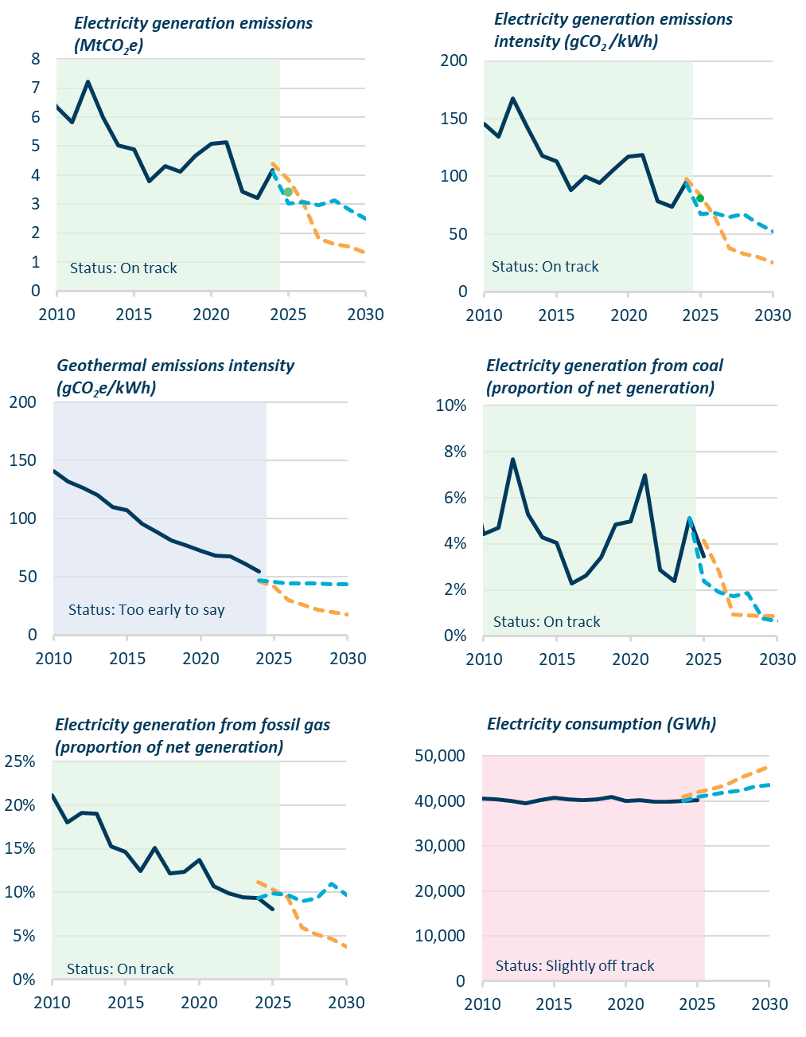
Figure 18 | Progress indicators dashboard for electricity supply
 |  |  |  | 2010 | 2011 | 2012 | 2013 | 2014 | 2015 | 2016 | 2017 | 2018 | 2019 | 2020 | 2021 | 2022 | 2023 | 2024 | 2025 | 2026 | 2027 | 2028 | 2029 | 2030
 |  | Electricity generation emissions (MtCO2e)
 |  |  | Measured | 6.35 | 5.82 | 7.22 | 5.98 | 5.03 | 4.89 | 3.80 | 4.32 | 4.11 | 4.67 | 5.07 | 5.14 | 3.43 | 3.21 | 4.19 | #N/A | #N/A | #N/A | #N/A | #N/A | #N/A
 |  |  | EB4 Demo Path |  |  |  |  |  |  |  |  |  |  |  |  |  |  | 4.41 | 3.85 | 3.03 | 1.80 | 1.63 | 1.54 | 1.31
 |  |  | Government WAM 2025 |  |  |  |  |  |  |  |  |  |  |  |  |  |  | 4.11 | 3.03 | 3.08 | 2.97 | 3.13 | 2.80 | 2.50

 |  | Electricity generation emissions intensity (gCO2/kWh)
 |  |  | Measured | 145.7 | 134.6 | 167.4 | 141.1 | 117.9 | 112.8 | 88.5 | 99.6 | 94.5 | 106.5 | 117.3 | 118.9 | 78.8 | 73.9 | 95.4 | #N/A | #N/A | #N/A | #N/A | #N/A | #N/A
 |  |  | EB4 Demo Path |  |  |  |  |  |  |  |  |  |  |  |  |  |  | 97.8 | 83.6 | 64.7 | 37.7 | 33.0 | 30.2 | 25.2
 |  |  | Government WAM 2025 |  |  |  |  |  |  |  |  |  |  |  |  |  |  | 94.0 | 67.6 | 68.1 | 64.5 | 67.4 | 59.3 | 52.3

 |  | Geothermal emissions intensity (gCO2/kWh)
 |  |  | Measured | 140.9 | 132.0 | 126.7 | 120.1 | 109.8 | 107.5 | 95.5 | 88.6 | 81.4 | 77.3 | 72.3 | 68.5 | 67.5 | 61.5 | 54.7 | #N/A | #N/A | #N/A | #N/A | #N/A | #N/A
 |  |  | EB4 Demo Path |  |  |  |  |  |  |  |  |  |  |  |  |  |  | 46.6 | 41.4 | 30.2 | 26.0 | 21.5 | 19.6 | 17.4
 |  |  | Government WAM 2025 |  |  |  |  |  |  |  |  |  |  |  |  |  |  | 47.0 | 45.5 | 44.5 | 44.3 | 44.0 | 43.8 | 43.5

 |  | Electricity generation from coal (proportion of net generation)
 |  |  | Measured | 4.43% | 4.69% | 7.69% | 5.28% | 4.29% | 4.04% | 2.28% | 2.62% | 3.40% | 4.83% | 4.99% | 6.98% | 2.88% | 2.37% | 5.11% | 3.46% | #N/A | #N/A | #N/A | #N/A | #N/A
 |  |  | EB4 Demo Path |  |  |  |  |  |  |  |  |  |  |  |  |  |  |  | 4.14% | 2.81% | 0.93% | 0.90% | 0.87% | 0.85%
 |  |  | Government WAM 2025 |  |  |  |  |  |  |  |  |  |  |  |  |  |  | 5.13% | 2.37% | 1.90% | 1.73% | 1.87% | 0.77% | 0.66%

 |  | Electricity generation from fossil gas (proportion of net generation)
 |  |  | Measured | 21.11% | 18.03% | 19.08% | 19.03% | 15.32% | 14.65% | 12.43% | 15.07% | 12.17% | 12.34% | 13.72% | 10.76% | 9.91% | 9.44% | 9.30% | 8.09% | #N/A | #N/A | #N/A | #N/A | #N/A
 |  |  | EB4 Demo Path |  |  |  |  |  |  |  |  |  |  |  |  |  |  | 11.22% | 10.39% | 9.48% | 5.98% | 5.18% | 4.66% | 3.73%
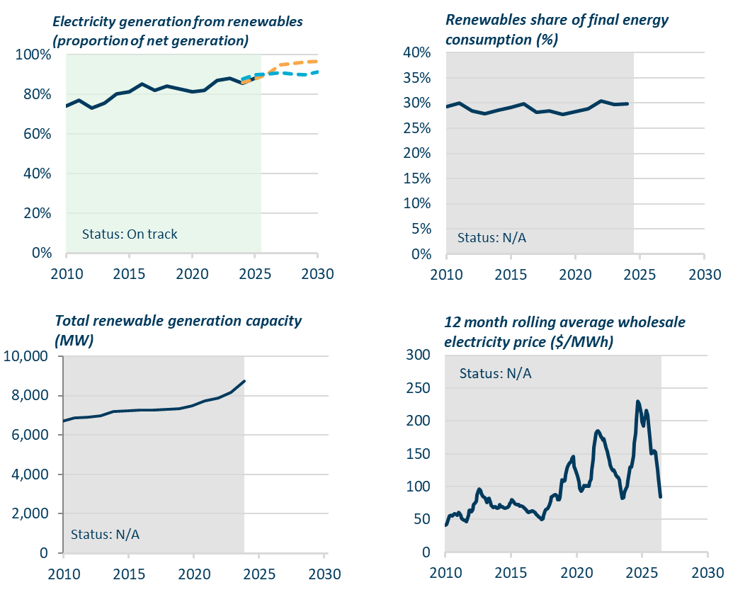
 |  |  | Government WAM 2025 |  |  |  |  |  |  |  |  |  |  |  |  |  |  | 9.33% | 9.92% | 9.74% | 9.00% | 9.33% | 10.95% | 9.70%

 |  | Electricity consumption (GWh)
 |  |  | Measured | 40,578.1 | 40,335.6 | 39,986.4 | 39,453.5 | 40,292.4 | 40,836.6 | 40,325.9 | 40,149.1 | 40,385.2 | 40,843.2 | 40,035.3 | 40,158.8 | 39,838.2 | 39,883.5 | 39,990.6 | 40,264.2 | #N/A | #N/A | #N/A | #N/A | #N/A
 |  |  | EB4 Demo Path |  |  |  |  |  |  |  |  |  |  |  |  |  |  | 41,012.9 | 41,972.3 | 42,706.7 | 43,576.2 | 45,099.4 | 46,436.2 | 47,576.2
 |  |  | Government WAM 2025 |  |  |  |  |  |  |  |  |  |  |  |  |  |  | 39,955.0 | 40,912.6 | 41,386.5 | 42,062.4 | 42,404.8 | 43,171.1 | 43,619.3

 |  | Electricity generation from renewables (proportion of net generation)
 |  |  | Measured | 74.3% | 77.2% | 73.1% | 75.6% | 80.3% | 81.2% | 85.2% | 82.2% | 84.3% | 82.7% | 81.2% | 82.1% | 87.1% | 88.1% | 85.5% | 88.3% | #N/A | #N/A | #N/A | #N/A | #N/A
 |  |  | EB4 Demo Path |  |  |  |  |  |  |  |  |  |  |  |  |  |  | 85.8% | 87.8% | 90.1% | 95.0% | 95.7% | 96.2% | 96.8%
 |  |  | Government WAM 2025 |  |  |  |  |  |  |  |  |  |  |  |  |  |  | 87.7% | 90.0% | 90.1% | 90.9% | 90.4% | 89.8% | 91.2%

 |  | Renewables share of final energy consumption (%)
 |  |  | Measured | 29.3% | 30.0% | 28.4% | 27.9% | 28.6% | 29.1% | 29.9% | 28.2% | 28.5% | 27.7% | 28.3% | 28.8% | 30.4% | 29.7% | 29.8% | #N/A | #N/A | #N/A | #N/A | #N/A | #N/A

 |  | Total renewable generation capacity (MW)
 |  |  | Measured | 6,700.03 | 6,860.07 | 6,900.61 | 6,991.56 | 7,194.17 | 7,240.91 | 7,249.19 | 7,267.01 | 7,311.96 | 7,343.89 | 7,466.24 | 7,735.61 | 7,858.64 | 8,172.41 | 8,729.15 | #N/A | #N/A | #N/A | #N/A | #N/A | #N/A

 |  | 12 month rolling average wholesale electricity price ($/MWh)
 |  |  | Measured | $41.14 | $42.60 | $45.90 | $52.58 | $55.88 | $56.67 | $55.24 | $56.83 | $59.08 | $58.92 | $57.73 | $56.52 | $60.86 | $60.02 | $56.32 | $51.84 | $49.58 | $48.51 | $48.48 | $46.32 | $50.31

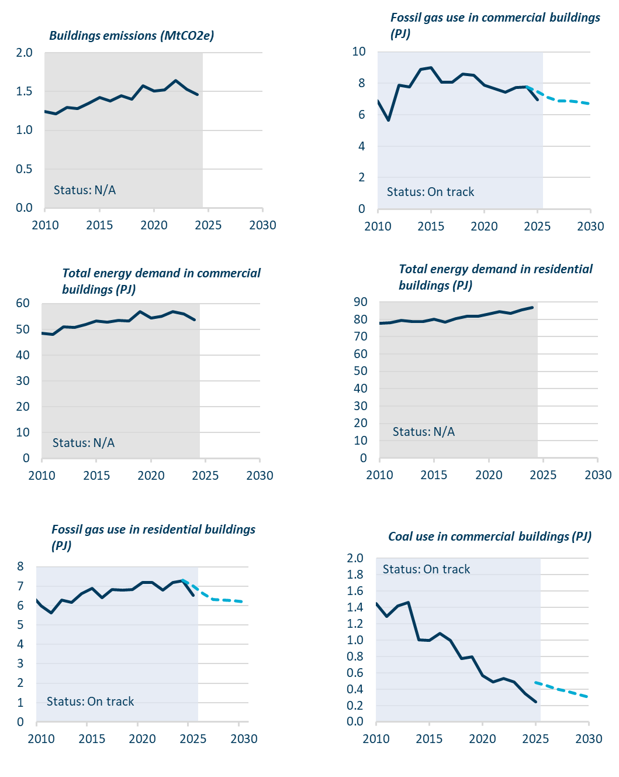
Figure 19 | Progress indicators dashboard for buildings
 |  |  |  | 2010 | 2011 | 2012 | 2013 | 2014 | 2015 | 2016 | 2017 | 2018 | 2019 | 2020 | 2021 | 2022 | 2023 | 2024 | 2025 | 2026 | 2027 | 2028 | 2029 | 2030 | 2018 | 2019 | 2020 | 2021 | 2022 | 2023 | 2024 | 2025 | 2026 | 2027 | 2028 | 2029 | 2030
 |  | Buildings emissions (MtCO2e)
 |  |  | Measured | 1.24 | 1.21 | 1.30 | 1.28 | 1.35 | 1.42 | 1.37 | 1.44 | 1.40 | 1.57 | 1.50 | 1.52 | 1.64 | 1.53 | 1.46 | 1.30 | 1.28 | 1.35 | 1.42 | 1.37 | 1.44 | 1.40 | 1.57 | 1.50 | 1.52 | 1.64 | 1.53 | 1.46 | #N/A | #N/A | #N/A | #N/A | #N/A | #N/A

 |  | Fossil gas use in commercial buildings (PJ)
 |  |  | Measured | 6.85 | 5.65 | 7.87 | 7.76 | 8.88 | 9.01 | 8.09 | 8.06 | 8.60 | 8.51 | 7.88 | 7.67 | 7.45 | 7.72 | 7.76 | 6.96
 |  |  | Government's 2026 projections |  |  |  |  |  |  |  |  |  |  |  |  |  |  | 7.77 | 7.49 | 7.12 | 6.89 | 6.86 | 6.79 | 6.69

 |  | Total energy demand in commercial buildings (PJ)
 |  |  | Measured | 48.44 | 47.96 | 50.91 | 50.76 | 51.82 | 53.32 | 52.84 | 53.35 | 53.28 | 56.83 | 54.36 | 54.97 | 56.95 | 55.90 | 53.58

 |  | Total energy demand in residential buildings (PJ)
 |  |  | Measured | 77.85 | 78.03 | 79.50 | 78.73 | 78.85 | 80.02 | 78.56 | 80.55 | 81.75 | 81.81 | 83.27 | 84.53 | 83.58 | 85.37 | 86.97

 |  | Fossil gas use in residential buildings (PJ)
 |  |  | Measured | 5.99 | 5.62 | 6.28 | 6.18 | 6.60 | 6.88 | 6.42 | 6.82 | 6.78 | 6.83 | 7.20 | 7.19 | 6.79 | 7.20 | 7.28 | 6.53 | #N/A | #N/A | #N/A | #N/A | #N/A
 |  |  | Government's 2026 projections |  |  |  |  |  |  |  |  |  |  |  |  |  |  | 7.30 | 7.01 | 6.61 | 6.33 | 6.29 | 6.25 | 6.19

 |  | Coal use in commercial buildings (PJ)
 |  |  | Measured | 1.45 | 1.29 | 1.42 | 1.46 | 1.00 | 0.99 | 1.08 | 1.00 | 0.77 | 0.80 | 0.57 | 0.49 | 0.53 | 0.49 | 0.35 | 0.24
 |  |  | Government's 2026 projections |  |  |  |  |  |  |  |  |  |  |  |  |  |  |  | 0.48 | 0.44 | 0.41 | 0.37 | 0.33 | 0.30

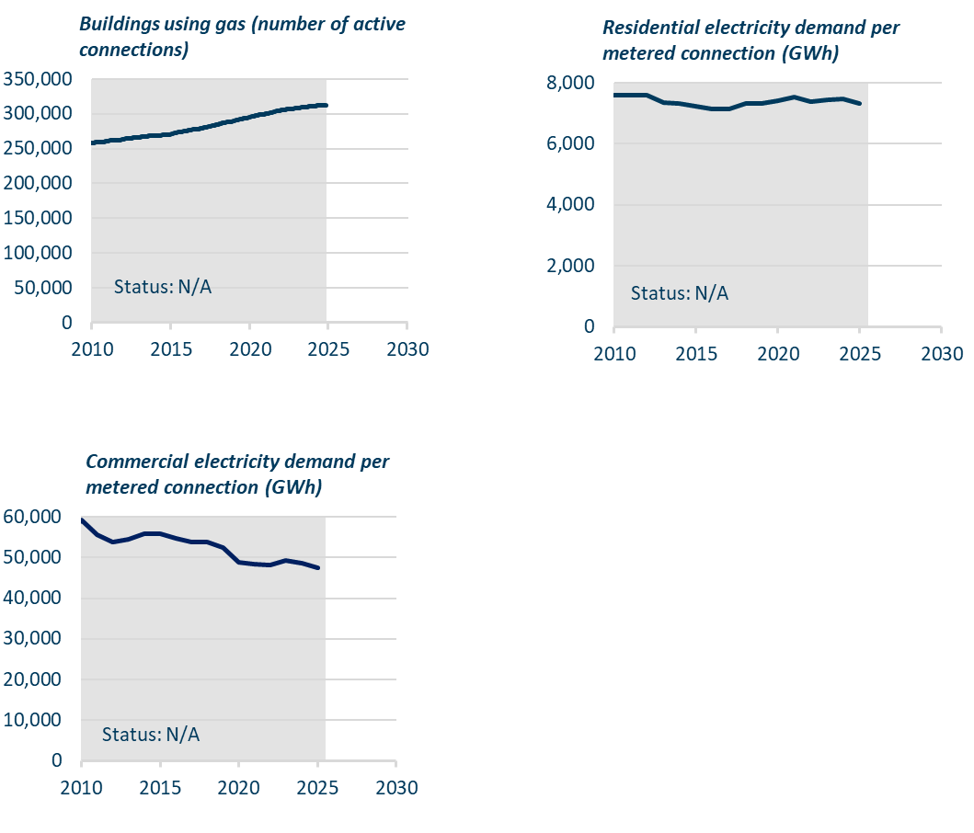
 |  | Buildings using gas (number of active connections) | (Monthly) | 2009-03-31 | 2009-04-30 | 2009-05-31 | 2009-06-30 | 2009-07-31 | 2009-08-31 | 2009-09-30 | 2009-10-31 | 2009-11-30 | 2009-12-31 | 2010-01-31 | 2010-02-28 | 2010-03-31 | 2010-04-30 | 2010-05-31 | 2010-06-30 | 2010-07-31 | 2010-08-31 | 2010-09-30 | 2010-10-31 | 2010-11-30 | 2010-12-31 | 2011-01-31 | 2011-02-28 | 2011-03-31 | 2011-04-30 | 2011-05-31 | 2011-06-30 | 2011-07-31 | 2011-08-31 | 2011-09-30 | 2011-10-31 | 2011-11-30 | 2011-12-31 | 2012-01-31 | 2012-02-29 | 2012-03-31 | 2012-04-30 | 2012-05-31 | 2012-06-30 | 2012-07-31 | 2012-08-31 | 2012-09-30 | 2012-10-31 | 2012-11-30 | 2012-12-31 | 2013-01-31 | 2013-02-28 | 2013-03-31 | 2013-04-30 | 2013-05-31 | 2013-06-30 | 2013-07-31 | 2013-08-31 | 2013-09-30 | 2013-10-31 | 2013-11-30 | 2013-12-31 | 2014-01-31 | 2014-02-28 | 2014-03-31 | 2014-04-30 | 2014-05-31 | 2014-06-30 | 2014-07-31 | 2014-08-31 | 2014-09-30 | 2014-10-31 | 2014-11-30 | 2014-12-31 | 2015-01-31 | 2015-02-28 | 2015-03-31 | 2015-04-30 | 2015-05-31 | 2015-06-30 | 2015-07-31 | 2015-08-31 | 2015-09-30 | 2015-10-31 | 2015-11-30 | 2015-12-31 | 2016-01-31 | 2016-02-29 | 2016-03-31 | 2016-04-30 | 2016-05-31 | 2016-06-30 | 2016-07-31 | 2016-08-31 | 2016-09-30 | 2016-10-31 | 2016-11-30 | 2016-12-31 | 2017-01-31 | 2017-02-28 | 2017-03-31 | 2017-04-30 | 2017-05-31 | 2017-06-30 | 2017-07-31 | 2017-08-31 | 2017-09-30 | 2017-10-31 | 2017-11-30 | 2017-12-31 | 2018-01-31 | 2018-02-28 | 2018-03-31 | 2018-04-30 | 2018-05-31 | 2018-06-30 | 2018-07-31 | 2018-08-31 | 2018-09-30 | 2018-10-31 | 2018-11-30 | 2018-12-31 | 2019-01-31 | 2019-02-28 | 2019-03-31 | 2019-04-30 | 2019-05-31 | 2019-06-30 | 2019-07-31 | 2019-08-31 | 2019-09-30 | 2019-10-31 | 2019-11-30 | 2019-12-31 | 2020-01-31 | 2020-02-29 | 2020-03-31 | 2020-04-30 | 2020-05-31 | 2020-06-30 | 2020-07-31 | 2020-08-31 | 2020-09-30 | 2020-10-31 | 2020-11-30 | 2020-12-31 | 2021-01-31 | 2021-02-28 | 2021-03-31 | 2021-04-30 | 2021-05-31 | 2021-06-30 | 2021-07-31 | 2021-08-31 | 2021-09-30 | 2021-10-31 | 2021-11-30 | 2021-12-31 | 2022-01-31 | 2022-02-28 | 2022-03-31 | 2022-04-30 | 2022-05-31 | 2022-06-30 | 2022-07-31 | 2022-08-31 | 2022-09-30 | 2022-10-31 | 2022-11-30 | 2022-12-31 | 2023-01-31 | 2023-02-28 | 2023-03-31 | 2023-04-30 | 2023-05-31 | 2023-06-30 | 2023-07-31 | 2023-08-31 | 2023-09-30 | 2023-10-31 | 2023-11-30 | 2023-12-31 | 2024-01-31 | 2024-02-29 | 2024-03-31 | 2024-04-30 | 2024-05-31 | 2024-06-30 | 2024-07-31 | 2024-08-31 | 2024-09-30 | 2024-10-31 | 2024-11-30 | 2024-12-31 | 2025-01-31
 |  |  | Measured | 257,361 | 257,825 | 258,132 | 258,502 | 258,933 | 259,105 | 259,251 | 259,396 | 259,511 | 259,815 | 259,787 | 259,905 | 260,063 | 260,436 | 260,840 | 261,251 | 261,582 | 261,996 | 261,736 | 261,909 | 262,232 | 262,546 | 262,504 | 262,471 | 262,913 | 263,267 | 263,674 | 264,041 | 264,357 | 264,537 | 264,762 | 264,869 | 265,083 | 265,270 | 265,338 | 265,475 | 265,626 | 265,935 | 266,269 | 266,651 | 267,138 | 267,385 | 267,473 | 267,612 | 267,770 | 267,925 | 268,043 | 268,178 | 268,160 | 268,043 | 268,424 | 268,726 | 269,012 | 269,149 | 269,098 | 269,373 | 269,506 | 269,877 | 270,301 | 269,785 | 269,994 | 270,224 | 270,587 | 271,158 | 271,834 | 272,366 | 272,953 | 273,199 | 273,502 | 274,143 | 274,453 | 274,492 | 274,668 | 274,999 | 275,436 | 275,836 | 276,243 | 276,766 | 277,207 | 277,421 | 277,606 | 277,840 | 278,038 | 278,228 | 278,434 | 278,814 | 279,463 | 279,782 | 280,299 | 280,804 | 281,252 | 281,720 | 282,242 | 282,849 | 283,037 | 283,383 | 283,850 | 284,149 | 284,732 | 285,191 | 285,816 | 286,427 | 286,839 | 287,273 | 287,705 | 288,169 | 288,294 | 288,528 | 288,925 | 289,294 | 289,777 | 290,323 | 290,885 | 291,350 | 291,746 | 292,456 | 292,881 | 293,355 | 293,371 | 293,510 | 293,984 | 294,507 | 295,048 | 295,648 | 296,012 | 296,560 | 296,979 | 297,283 | 297,891 | 298,473 | 298,662 | 298,761 | 299,142 | 299,446 | 299,891 | 300,169 | 300,520 | 301,147 | 301,610 | 302,096 | 302,786 | 303,454 | 303,775 | 304,064 | 304,540 | 304,766 | 305,073 | 305,197 | 305,529 | 306,088 | 306,267 | 306,663 | 307,188 | 307,384 | 307,248 | 307,332 | 307,512 | 307,760 | 308,052 | 308,431 | 308,591 | 308,920 | 309,258 | 309,568 | 309,679 | 310,009 | 309,990 | 310,632 | 310,728 | 310,890 | 311,177 | 311,248 | 311,388 | 311,484 | 311,674 | 311,920 | 312,128 | 312,318 | 312,216 | 312,121 | 312,038 | 312,014 | 311,913 | 311,885 | 311,992 | 312,047 | 312,021 | 312,040 | 311,949 | 312,268 | 311,896

 |  | Residential electricity demand per metered connection (GWh) |  | 2010 | 2011 | 2012 | 2013 | 2014 | 2015 | 2016 | 2017 | 2018 | 2019 | 2020 | 2021 | 2022 | 2023 | 2024 | 2025 | 2026 | 2027 | 2028 | 2029 | 2030 | 2018 | 2019 | 2020 | 2021 | 2022 | 2023 | 2024 | 2025 | 2026 | 2027 | 2028 | 2029 | 2030
 |  |  | Measured | 7,608.0 | 7,593.0 | 7,602.0 | 7,364.0 | 7,341.0 | 7,246.0 | 7,131.0 | 7,132.0 | 7,339.0 | 7,329.0 | 7,420.0 | 7,550.0 | 7,382.0 | 7,458.0 | 7,483.0 | 7,314.6

 |  | Commercial electricity demand per metered connection (GWh)
 |  |  | Measured | 59,275.7 | 55,669.5 | 53,874.9 | 54,439.7 | 55,921.6 | 55,847.9 | 54,614.5 | 53,918.3 | 53,745.3 | 52,562.8 | 48,780.9 | 48,276.2 | 48,260.5 | 49,220.2 | 48,697.9 | 47,397.9

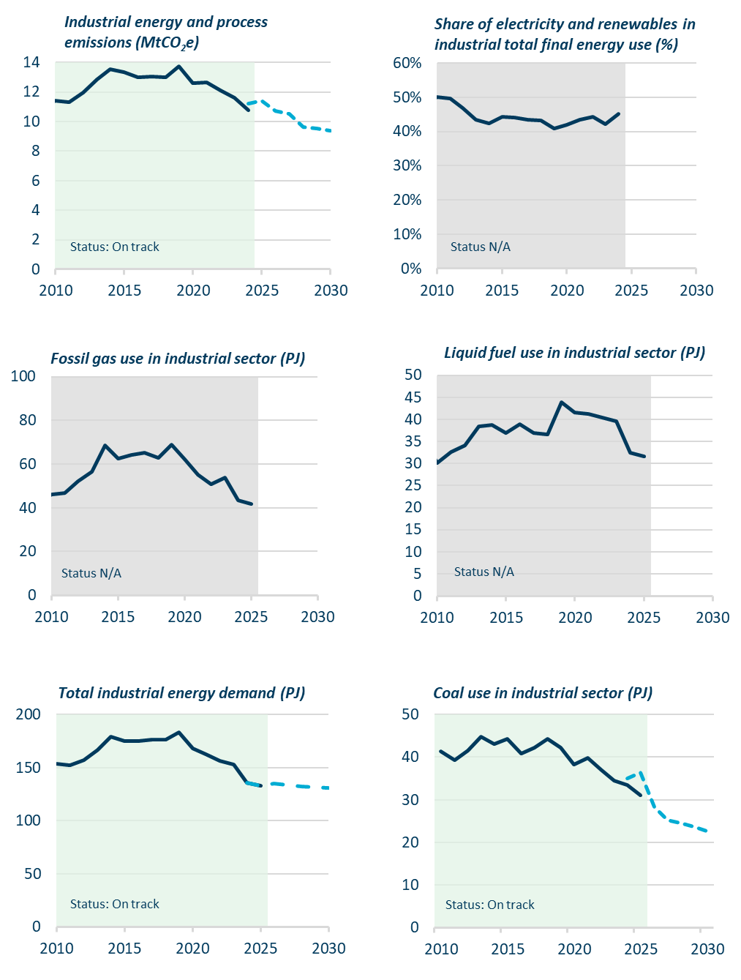
Figure 20 | Progress indicators dashboard for industry
 |  |  |  | 2010 | 2011 | 2012 | 2013 | 2014 | 2015 | 2016 | 2017 | 2018 | 2019 | 2020 | 2021 | 2022 | 2023 | 2024 | 2025 | 2026 | 2027 | 2028 | 2029 | 2030
 |  | Industrial energy and process emissions (MtCO2e)
 |  |  | Measured | 11.40 | 11.32 | 11.94 | 12.83 | 13.56 | 13.33 | 12.97 | 13.03 | 12.99 | 13.72 | 12.61 | 12.63 | 12.12 | 11.61 | 10.77
 |  |  | Government's 2026 plan (WAM) |  |  |  |  |  |  |  |  |  |  |  |  |  |  | 11.21 | 11.43 | 10.72 | 10.51 | 9.65 | 9.51 | 9.40

 |  | Share of electricity and renewables in industrial total final energy use (%)
 |  |  | Measured | 0.50 | 0.50 | 0.47 | 0.43 | 0.42 | 0.44 | 0.44 | 0.43 | 0.43 | 0.41 | 0.42 | 0.44 | 0.44 | 0.42 | 0.45

 |  | Fossil gas use in industrial sector (PJ)
 |  |  | Measured | 46.18 | 46.64 | 52.29 | 56.51 | 68.53 | 62.65 | 64.08 | 65.17 | 62.80 | 68.94 | 62.09 | 55.18 | 50.85 | 53.77 | 43.44 | 41.80

 |  | Liquid fuel use in industrial sector (PJ)
 |  |  | Measured | 30.07 | 32.55 | 34.17 | 38.34 | 38.73 | 36.97 | 38.86 | 36.92 | 36.67 | 43.89 | 41.63 | 41.18 | 40.37 | 39.50 | 32.50 | 31.55

 |  | Total industrial energy demand (PJ)
 |  |  | Measured | 153.34 | 151.99 | 156.71 | 166.98 | 178.94 | 174.72 | 174.83 | 176.04 | 176.29 | 183.13 | 167.77 | 162.48 | 156.11 | 152.60 | 135.99 | 133.08
 |  |  | Government's 2026 plan (WAM) |  |  |  |  |  |  |  |  |  |  |  |  |  |  | 135.99 | 133.08 | 135.08 | 133.89 | 132.02 | 131.38 | 130.54

 |  | Coal use in industrial sector (PJ)
 |  |  | Measured | 41.42 | 39.36 | 41.58 | 44.77 | 43.15 | 44.35 | 40.84 | 42.29 | 44.29 | 42.19 | 38.33 | 39.91 | 37.09 | 34.46 | 33.45 | 31.00
 |  |  | Government's 2026 plan (WAM) |  |  |  |  |  |  |  |  |  |  |  |  |  |  | 35.00 | 36.41 | 28.32 | 25.24 | 24.63 | 23.74 | 22.68

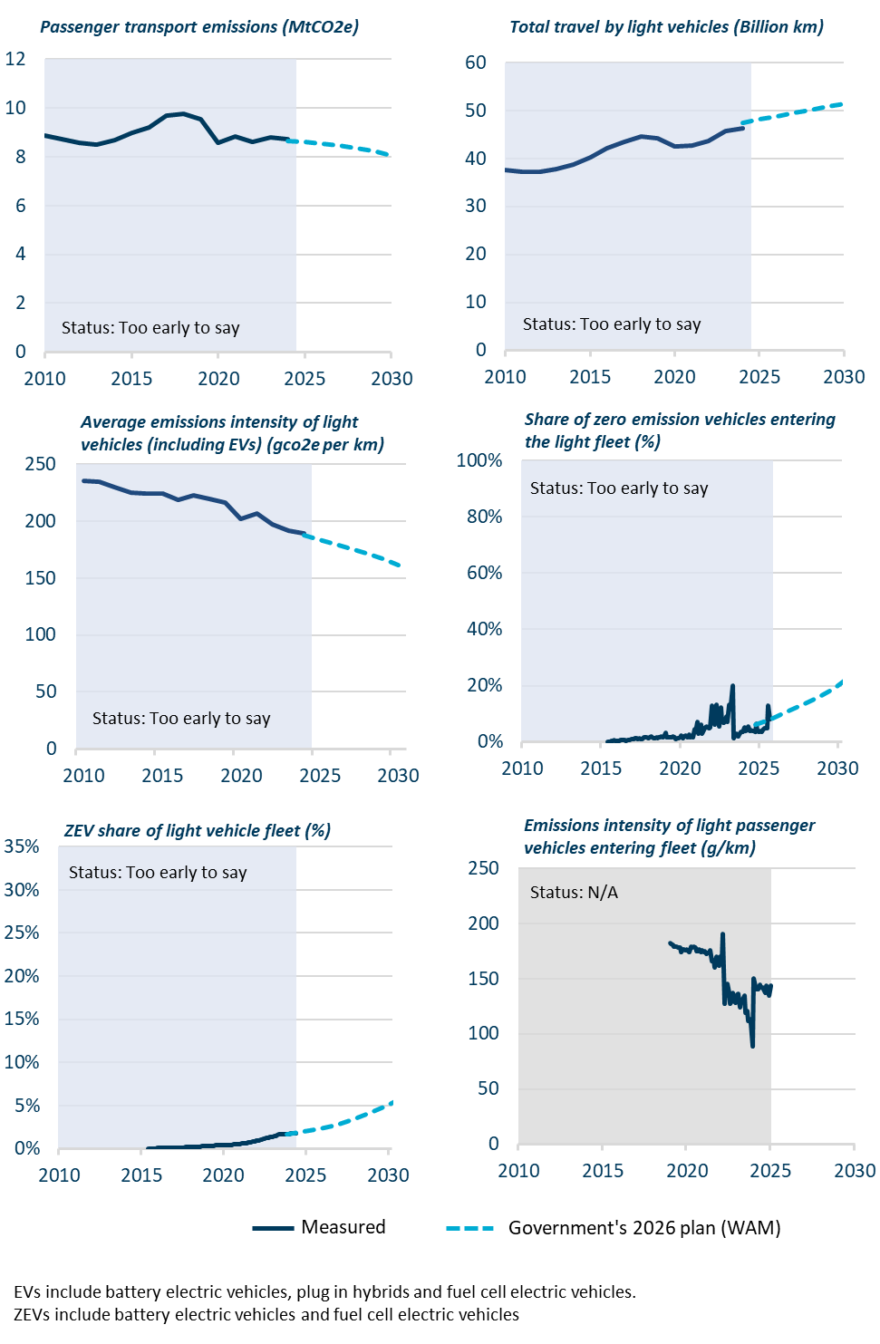
Figure 24 | Progress indicators dashboard for passenger transport
 |  |  |  | 2010 | 2011 | 2012 | 2013 | 2014 | 2015 | 2016 | 2017 | 2018 | 2019 | 2020 | 2021 | 2022 | 2023 | 2024 | 2025 | 2026 | 2027 | 2028 | 2029 | 2030
 |  | Passenger transport emissions (MtCO2e)
 |  |  | Measured | 8.88 | 8.73 | 8.57 | 8.50 | 8.69 | 9.00 | 9.21 | 9.68 | 9.77 | 9.53 | 8.57 | 8.85 | 8.60 | 8.79 | 8.74
 |  |  | Government's 2026 plan (WAM) |  |  |  |  |  |  |  |  |  |  |  |  |  |  | 8.65 | 8.61 | 8.54 | 8.46 | 8.35 | 8.24 | 8.07

 |  | Total travel by light vehicles (Billion km)
 |  |  | Measured | 37.65 | 37.19 | 37.26 | 37.81 | 38.74 | 40.19 | 42.08 | 43.49 | 44.55 | 44.12 | 42.42 | 42.76 | 43.63 | 45.80 | 46.20
 |  |  | Government's 2026 plan (WAM) |  |  |  |  |  |  |  |  |  |  |  |  |  |  | 47.33 | 48.12 | 48.82 | 49.50 | 50.09 | 50.75 | 51.32

 |  | Average emissions intensity of light vehicles (including EV's) (gco2e per km)
 |  |  | Measured | 235.79 | 234.87 | 230.04 | 224.81 | 224.41 | 223.98 | 218.84 | 222.60 | 219.25 | 216.08 | 202.03 | 207.08 | 197.01 | 191.93 | 189.13
 |  |  | Government's 2026 plan (WAM) |  |  |  |  |  |  |  |  |  |  |  |  |  |  | 187.86 | 184.08 | 179.92 | 175.76 | 171.49 | 167.01 | 161.76

 |  | Share of zero emission vehicles entering the light fleet (%) |  | 2009-11-30 | 2009-12-31 | 2010-01-31 | 2010-02-28 | 2010-03-31 | 2010-04-30 | 2010-05-31 | 2010-06-30 | 2010-07-31 | 2010-08-31 | 2010-09-30 | 2010-10-31 | 2010-11-30 | 2010-12-31 | 2011-01-31 | 2011-02-28 | 2011-03-31 | 2011-04-30 | 2011-05-31 | 2011-06-30 | 2011-07-31 | 2011-08-31 | 2011-09-30 | 2011-10-31 | 2011-11-30 | 2011-12-31 | 2012-01-31 | 2012-02-29 | 2012-03-31 | 2012-04-30 | 2012-05-31 | 2012-06-30 | 2012-07-31 | 2012-08-31 | 2012-09-30 | 2012-10-31 | 2012-11-30 | 2012-12-31 | 2013-01-31 | 2013-02-28 | 2013-03-31 | 2013-04-30 | 2013-05-31 | 2013-06-30 | 2013-07-31 | 2013-08-31 | 2013-09-30 | 2013-10-31 | 2013-11-30 | 2013-12-31 | 2014-01-31 | 2014-02-28 | 2014-03-31 | 2014-04-30 | 2014-05-31 | 2014-06-30 | 2014-07-31 | 2014-08-31 | 2014-09-30 | 2014-10-31 | 2014-11-30 | 2014-12-31 | 2015-01-31 | 2015-02-28 | 2015-03-31 | 2015-04-30 | 2015-05-31 | 2015-06-30 | 2015-07-31 | 2015-08-31 | 2015-09-30 | 2015-10-31 | 2015-11-30 | 2015-12-31 | 2016-01-31 | 2016-02-29 | 2016-03-31 | 2016-04-30 | 2016-05-31 | 2016-06-30 | 2016-07-31 | 2016-08-31 | 2016-09-30 | 2016-10-31 | 2016-11-30 | 2016-12-31 | 2017-01-31 | 2017-02-28 | 2017-03-31 | 2017-04-30 | 2017-05-31 | 2017-06-30 | 2017-07-31 | 2017-08-31 | 2017-09-30 | 2017-10-31 | 2017-11-30 | 2017-12-31 | 2018-01-31 | 2018-02-28 | 2018-03-31 | 2018-04-30 | 2018-05-31 | 2018-06-30 | 2018-07-31 | 2018-08-31 | 2018-09-30 | 2018-10-31 | 2018-11-30 | 2018-12-31 | 2019-01-31 | 2019-02-28 | 2019-03-31 | 2019-04-30 | 2019-05-31 | 2019-06-30 | 2019-07-31 | 2019-08-31 | 2019-09-30 | 2019-10-31 | 2019-11-30 | 2019-12-31 | 2020-01-31 | 2020-02-29 | 2020-03-31 | 2020-04-30 | 2020-05-31 | 2020-06-30 | 2020-07-31 | 2020-08-31 | 2020-09-30 | 2020-10-31 | 2020-11-30 | 2020-12-31 | 2021-01-31 | 2021-02-28 | 2021-03-31 | 2021-04-30 | 2021-05-31 | 2021-06-30 | 2021-07-31 | 2021-08-31 | 2021-09-30 | 2021-10-31 | 2021-11-30 | 2021-12-31 | 2022-01-31 | 2022-02-28 | 2022-03-31 | 2022-04-30 | 2022-05-31 | 2022-06-30 | 2022-07-31 | 2022-08-31 | 2022-09-30 | 2022-10-31 | 2022-11-30 | 2022-12-31 | 2023-01-31 | 2023-02-28 | 2023-03-31 | 2023-04-30 | 2023-05-31 | 2023-06-30 | 2023-07-31 | 2023-08-31 | 2023-09-30 | 2023-10-31 | 2023-11-30 | 2023-12-31 | 2024-01-31 | 2024-02-29 | 2024-03-31 | 2024-04-30 | 2024-05-31 | 2024-06-30 | 2024-07-31 | 2024-08-31 | 2024-09-30 | 2024-10-31 | 2024-11-30 | 2024-12-31 | 2025-01-31 | 2025-02-28 | 2025-03-31 | 2025-04-30 | 2025-05-31 | 2025-06-30 | 2025-07-31 | 2025-08-31 | 2025-09-30 | 2025-10-31 | 2025-11-30 | 2025-12-31 | 2026-01-31 | 2026-02-28 | 2026-03-31 | 2026-04-30 | 2026-05-31 | 2026-06-30 | 2026-07-31 | 2026-08-31 | 2026-09-30 | 2026-10-31 | 2026-11-30 | 2026-12-31 | 2027-01-31 | 2027-02-28 | 2027-03-31 | 2027-04-30 | 2027-05-31 | 2027-06-30 | 2027-07-31 | 2027-08-31 | 2027-09-30 | 2027-10-31 | 2027-11-30 | 2027-12-31 | 2028-01-31 | 2028-02-29 | 2028-03-31 | 2028-04-30 | 2028-05-31 | 2028-06-30 | 2028-07-31 | 2028-08-31 | 2028-09-30 | 2028-10-31 | 2028-11-30 | 2028-12-31 | 2029-01-31 | 2029-02-28 | 2029-03-31 | 2029-04-30 | 2029-05-31 | 2029-06-30 | 2029-07-31 | 2029-08-31 | 2029-09-30 | 2029-10-31 | 2029-11-30 | 2029-12-31 | 2030-01-31 | 2030-02-28 | 2030-03-31 | 2030-04-30 | 2030-05-31
 |  |  | Measured | #N/A | #N/A | #N/A | #N/A | #N/A | #N/A | #N/A | #N/A | #N/A | #N/A | #N/A | #N/A | #N/A | #N/A | #N/A | #N/A | #N/A | #N/A | #N/A | #N/A | #N/A | #N/A | #N/A | #N/A | #N/A | #N/A | #N/A | #N/A | #N/A | #N/A | #N/A | #N/A | #N/A | #N/A | #N/A | #N/A | #N/A | #N/A | #N/A | #N/A | #N/A | #N/A | #N/A | #N/A | #N/A | #N/A | #N/A | #N/A | #N/A | #N/A | #N/A | #N/A | #N/A | #N/A | #N/A | #N/A | #N/A | #N/A | #N/A | #N/A | #N/A | #N/A | #N/A | #N/A | #N/A | #N/A | #N/A | #N/A | #N/A | #N/A | #N/A | #N/A | #N/A | #N/A | 0.0018 | 0.0010 | 0.0018 | 0.0024 | 0.0023 | 0.0057 | 0.0044 | 0.0031 | 0.0027 | 0.0038 | 0.0068 | 0.0063 | 0.0062 | 0.0078 | 0.0051 | 0.0061 | 0.0081 | 0.0078 | 0.0088 | 0.0096 | 0.0092 | 0.0124 | 0.0130 | 0.0112 | 0.0119 | 0.0085 | 0.0090 | 0.0139 | 0.0157 | 0.0149 | 0.0152 | 0.0146 | 0.0154 | 0.0184 | 0.0149 | 0.0135 | 0.0138 | 0.0159 | 0.0140 | 0.0171 | 0.0171 | 0.0202 | 0.0172 | 0.0186 | 0.0313 | 0.0165 | 0.0157 | 0.0176 | 0.0171 | 0.0169 | 0.0212 | 0.0172 | 0.0116 | 0.0148 | 0.0133 | 0.0163 | 0.0221 | 0.0138 | 0.0195 | 0.0221 | 0.0204 | 0.0175 | 0.0263 | 0.0180 | 0.0196 | 0.0158 | 0.0462 | 0.0356 | 0.0701 | 0.0300 | 0.0436 | 0.0616 | 0.0288 | 0.0438 | 0.0499 | 0.0552 | 0.0526 | 0.0483 | 0.0504 | 0.1296 | 0.1206 | 0.0621 | 0.1245 | 0.1325 | 0.0739 | 0.0554 | 0.1217 | 0.0726 | 0.0670 | 0.0725 | 0.0900 | 0.0698 | 0.1314 | 0.1175 | 0.1357 | 0.2009 | 0.0138 | 0.0265 | 0.0298 | 0.0208 | 0.0274 | 0.0366 | 0.0347 | 0.0368 | 0.0511 | 0.0375 | 0.0417 | 0.0563 | 0.0400 | 0.0427 | 0.0398 | 0.0399 | 0.0367 | 0.0646 | 0.0392 | 0.0344 | 0.0392 | 0.0344 | 0.0422 | 0.0493 | 0.0491 | 0.0495 | 0.1301 | 0.0797
 |  |  | Government's 2026 plan (WAM) |  |  |  |  |  |  |  |  |  |  |  |  |  |  |  |  |  |  |  |  |  |  |  |  |  |  |  |  |  |  |  |  |  |  |  |  |  |  |  |  |  |  |  |  |  |  |  |  |  |  |  |  |  |  |  |  |  |  |  |  |  |  |  |  |  |  |  |  |  |  |  |  |  |  |  |  |  |  |  |  |  |  |  |  |  |  |  |  |  |  |  |  |  |  |  |  |  |  |  |  |  |  |  |  |  |  |  |  |  |  |  |  |  |  |  |  |  |  |  |  |  |  |  |  |  |  |  |  |  |  |  |  |  |  |  |  |  |  |  |  |  |  |  |  |  |  |  |  |  |  |  |  |  |  |  |  |  |  |  |  |  |  |  |  |  |  |  |  |  |  |  |  |  |  |  |  |  |  |  |  |  |  |  |  |  |  | 0.062020595422 |  |  |  |  |  |  |  |  |  |  |  | 0.082456399337 |  |  |  |  |  |  |  |  |  |  |  | 0.10669683839 |  |  |  |  |  |  |  |  |  |  |  | 0.13251747767 |  |  |  |  |  |  |  |  |  |  |  | 0.15932956924 |  |  |  |  |  |  |  |  |  |  |  | 0.19041989374

 |  | ZEV share of light vehicle fleet (%) |  | 2010-08-31 | 2010-09-30 | 2010-10-31 | 2010-11-30 | 2010-12-31 | 2011-01-31 | 2011-02-28 | 2011-03-31 | 2011-04-30 | 2011-05-31 | 2011-06-30 | 2011-07-31 | 2011-08-31 | 2011-09-30 | 2011-10-31 | 2011-11-30 | 2011-12-31 | 2012-01-31 | 2012-02-29 | 2012-03-31 | 2012-04-30 | 2012-05-31 | 2012-06-30 | 2012-07-31 | 2012-08-31 | 2012-09-30 | 2012-10-31 | 2012-11-30 | 2012-12-31 | 2013-01-31 | 2013-02-28 | 2013-03-31 | 2013-04-30 | 2013-05-31 | 2013-06-30 | 2013-07-31 | 2013-08-31 | 2013-09-30 | 2013-10-31 | 2013-11-30 | 2013-12-31 | 2014-01-31 | 2014-02-28 | 2014-03-31 | 2014-04-30 | 2014-05-31 | 2014-06-30 | 2014-07-31 | 2014-08-31 | 2014-09-30 | 2014-10-31 | 2014-11-30 | 2014-12-31 | 2015-01-31 | 2015-02-28 | 2015-03-31 | 2015-04-30 | 2015-05-31 | 2015-06-30 | 2015-07-31 | 2015-08-31 | 2015-09-30 | 2015-10-31 | 2015-11-30 | 2015-12-31 | 2016-01-31 | 2016-02-29 | 2016-03-31 | 2016-04-30 | 2016-05-31 | 2016-06-30 | 2016-07-31 | 2016-08-31 | 2016-09-30 | 2016-10-31 | 2016-11-30 | 2016-12-31 | 2017-01-31 | 2017-02-28 | 2017-03-31 | 2017-04-30 | 2017-05-31 | 2017-06-30 | 2017-07-31 | 2017-08-31 | 2017-09-30 | 2017-10-31 | 2017-11-30 | 2017-12-31 | 2018-01-31 | 2018-02-28 | 2018-03-31 | 2018-04-30 | 2018-05-31 | 2018-06-30 | 2018-07-31 | 2018-08-31 | 2018-09-30 | 2018-10-31 | 2018-11-30 | 2018-12-31 | 2019-01-31 | 2019-02-28 | 2019-03-31 | 2019-04-30 | 2019-05-31 | 2019-06-30 | 2019-07-31 | 2019-08-31 | 2019-09-30 | 2019-10-31 | 2019-11-30 | 2019-12-31 | 2020-01-31 | 2020-02-29 | 2020-03-31 | 2020-04-30 | 2020-05-31 | 2020-06-30 | 2020-07-31 | 2020-08-31 | 2020-09-30 | 2020-10-31 | 2020-11-30 | 2020-12-31 | 2021-01-31 | 2021-02-28 | 2021-03-31 | 2021-04-30 | 2021-05-31 | 2021-06-30 | 2021-07-31 | 2021-08-31 | 2021-09-30 | 2021-10-31 | 2021-11-30 | 2021-12-31 | 2022-01-31 | 2022-02-28 | 2022-03-31 | 2022-04-30 | 2022-05-31 | 2022-06-30 | 2022-07-31 | 2022-08-31 | 2022-09-30 | 2022-10-31 | 2022-11-30 | 2022-12-31 | 2023-01-31 | 2023-02-28 | 2023-03-31 | 2023-04-30 | 2023-05-31 | 2023-06-30 | 2023-07-31 | 2023-08-31 | 2023-09-30 | 2023-10-31 | 2023-11-30 | 2023-12-31 | 2024-01-31 | 2024-02-29 | 2024-03-31 | 2024-04-30 | 2024-05-31 | 2024-06-30 | 2024-07-31 | 2024-08-31 | 2024-09-30 | 2024-10-31 | 2024-11-30 | 2024-12-31 | 2025-01-31 | 2025-02-28 | 2025-03-31 | 2025-04-30 | 2025-05-31 | 2025-06-30 | 2025-07-31 | 2025-08-31 | 2025-09-30 | 2025-10-31 | 2025-11-30 | 2025-12-31 | 2026-01-31 | 2026-02-28 | 2026-03-31 | 2026-04-30 | 2026-05-31 | 2026-06-30 | 2026-07-31 | 2026-08-31 | 2026-09-30 | 2026-10-31 | 2026-11-30 | 2026-12-31 | 2027-01-31 | 2027-02-28 | 2027-03-31 | 2027-04-30 | 2027-05-31 | 2027-06-30 | 2027-07-31 | 2027-08-31 | 2027-09-30 | 2027-10-31 | 2027-11-30 | 2027-12-31 | 2028-01-31 | 2028-02-29 | 2028-03-31 | 2028-04-30 | 2028-05-31 | 2028-06-30 | 2028-07-31 | 2028-08-31 | 2028-09-30 | 2028-10-31 | 2028-11-30 | 2028-12-31 | 2029-01-31 | 2029-02-28 | 2029-03-31 | 2029-04-30 | 2029-05-31 | 2029-06-30 | 2029-07-31 | 2029-08-31 | 2029-09-30 | 2029-10-31 | 2029-11-30 | 2029-12-31 | 2030-01-31 | 2030-02-28 | 2030-03-31 | 2030-04-30 | 2030-05-31 | 2030-06-30 | 2030-07-31 | 2030-08-31 | 2030-09-30 | 2030-10-31 | 2030-11-30 | 2030-12-31
 |  |  | Measured | #N/A | #N/A | #N/A | #N/A | #N/A | #N/A | #N/A | #N/A | #N/A | #N/A | #N/A | #N/A | #N/A | #N/A | #N/A | #N/A | #N/A | #N/A | #N/A | #N/A | #N/A | #N/A | #N/A | #N/A | #N/A | #N/A | #N/A | #N/A | #N/A | #N/A | #N/A | #N/A | #N/A | #N/A | #N/A | #N/A | #N/A | #N/A | #N/A | #N/A | #N/A | #N/A | #N/A | #N/A | #N/A | #N/A | #N/A | #N/A | #N/A | #N/A | #N/A | #N/A | #N/A | #N/A | #N/A | #N/A | #N/A | #N/A | #N/A | #N/A | #N/A | #N/A | #N/A | #N/A | #N/A | 0.0002 | 0.0002 | 0.0002 | 0.0003 | 0.0003 | 0.0003 | 0.0003 | 0.0004 | 0.0004 | 0.0004 | 0.0004 | 0.0005 | 0.0005 | 0.0006 | 0.0006 | 0.0006 | 0.0007 | 0.0007 | 0.0008 | 0.0009 | 0.0009 | 0.0010 | 0.0011 | 0.0012 | 0.0013 | 0.0013 | 0.0014 | 0.0014 | 0.0015 | 0.0016 | 0.0017 | 0.0018 | 0.0019 | 0.0020 | 0.0021 | 0.0022 | 0.0023 | 0.0023 | 0.0024 | 0.0025 | 0.0026 | 0.0027 | 0.0028 | 0.0029 | 0.0031 | 0.0032 | 0.0033 | 0.0034 | 0.0035 | 0.0036 | 0.0037 | 0.0037 | 0.0037 | 0.0038 | 0.0039 | 0.0040 | 0.0041 | 0.0041 | 0.0042 | 0.0043 | 0.0044 | 0.0045 | 0.0047 | 0.0048 | 0.0049 | 0.0050 | 0.0052 | 0.0054 | 0.0057 | 0.0059 | 0.0061 | 0.0064 | 0.0066 | 0.0068 | 0.0073 | 0.0075 | 0.0077 | 0.0079 | 0.0082 | 0.0088 | 0.0094 | 0.0096 | 0.0102 | 0.0108 | 0.0111 | 0.0113 | 0.0120 | 0.0122 | 0.0126 | 0.0131 | 0.0134 | 0.0137 | 0.0142 | 0.0148 | 0.0155 | 0.0164 | 0.0164 | 0.0165 | 0.0166 | 0.0167 | 0.0168 | 0.0169 | 0.0170 | 0.0172 | 0.0173 | 0.0175 | 0.0176 | 0.0178 | 0.0179
 |  |  | Government's 2026 plan (WAM) |  |  |  |  |  |  |  |  |  |  |  |  |  |  |  |  |  |  |  |  |  |  |  |  |  |  |  |  |  |  |  |  |  |  |  |  |  |  |  |  |  |  |  |  |  |  |  |  |  |  |  |  |  |  |  |  |  |  |  |  |  |  |  |  |  |  |  |  |  |  |  |  |  |  |  |  |  |  |  |  |  |  |  |  |  |  |  |  |  |  |  |  |  |  |  |  |  |  |  |  |  |  |  |  |  |  |  |  |  |  |  |  |  |  |  |  |  |  |  |  |  |  |  |  |  |  |  |  |  |  |  |  |  |  |  |  |  |  |  |  |  |  |  |  |  |  |  |  |  |  |  |  |  |  |  |  |  |  |  |  |  |  |  |  |  |  | 0.0170 |  |  |  |  |  |  |  |  |  |  |  | 0.0195 |  |  |  |  |  |  |  |  |  |  |  | 0.022920563384 |  |  |  |  |  |  |  |  |  |  |  | 0.027462085958 |  |  |  |  |  |  |  |  |  |  |  | 0.033282886153 |  |  |  |  |  |  |  |  |  |  |  | 0.040366317797 |  |  |  |  |  |  |  |  |  |  |  | 0.048852859188

 |  | Emissions intensity of light passenger vehicles entering fleet (g/km)
 |  |  |  | 2010-01-31 | 2010-02-28 | 2010-03-31 | 2010-04-30 | 2010-05-31 | 2010-06-30 | 2010-07-31 | 2010-08-31 | 2010-09-30 | 2010-10-31 | 2010-11-30 | 2010-12-31 | 2011-01-31 | 2011-02-28 | 2011-03-31 | 2011-04-30 | 2011-05-31 | 2011-06-30 | 2011-07-31 | 2011-08-31 | 2011-09-30 | 2011-10-31 | 2011-11-30 | 2011-12-31 | 2012-01-31 | 2012-02-29 | 2012-03-31 | 2012-04-30 | 2012-05-31 | 2012-06-30 | 2012-07-31 | 2012-08-31 | 2012-09-30 | 2012-10-31 | 2012-11-30 | 2012-12-31 | 2013-01-31 | 2013-02-28 | 2013-03-31 | 2013-04-30 | 2013-05-31 | 2013-06-30 | 2013-07-31 | 2013-08-31 | 2013-09-30 | 2013-10-31 | 2013-11-30 | 2013-12-31 | 2014-01-31 | 2014-02-28 | 2014-03-31 | 2014-04-30 | 2014-05-31 | 2014-06-30 | 2014-07-31 | 2014-08-31 | 2014-09-30 | 2014-10-31 | 2014-11-30 | 2014-12-31 | 2015-01-31 | 2015-02-28 | 2015-03-31 | 2015-04-30 | 2015-05-31 | 2015-06-30 | 2015-07-31 | 2015-08-31 | 2015-09-30 | 2015-10-31 | 2015-11-30 | 2015-12-31 | 2016-01-31 | 2016-02-29 | 2016-03-31 | 2016-04-30 | 2016-05-31 | 2016-06-30 | 2016-07-31 | 2016-08-31 | 2016-09-30 | 2016-10-31 | 2016-11-30 | 2016-12-31 | 2017-01-31 | 2017-02-28 | 2017-03-31 | 2017-04-30 | 2017-05-31 | 2017-06-30 | 2017-07-31 | 2017-08-31 | 2017-09-30 | 2017-10-31 | 2017-11-30 | 2017-12-31 | 2018-01-31 | 2018-02-28 | 2018-03-31 | 2018-04-30 | 2018-05-31 | 2018-06-30 | 2018-07-31 | 2018-08-31 | 2018-09-30 | 2018-10-31 | 2018-11-30 | 2018-12-31 | 2019-01-31 | 2019-02-28 | 2019-03-31 | 2019-04-30 | 2019-05-31 | 2019-06-30 | 2019-07-31 | 2019-08-31 | 2019-09-30 | 2019-10-31 | 2019-11-30 | 2019-12-31 | 2020-01-31 | 2020-02-29 | 2020-03-31 | 2020-04-30 | 2020-05-31 | 2020-06-30 | 2020-07-31 | 2020-08-31 | 2020-09-30 | 2020-10-31 | 2020-11-30 | 2020-12-31 | 2021-01-31 | 2021-02-28 | 2021-03-31 | 2021-04-30 | 2021-05-31 | 2021-06-30 | 2021-07-31 | 2021-08-31 | 2021-09-30 | 2021-10-31 | 2021-11-30 | 2021-12-31 | 2022-01-31 | 2022-02-28 | 2022-03-31 | 2022-04-30 | 2022-05-31 | 2022-06-30 | 2022-07-31 | 2022-08-31 | 2022-09-30 | 2022-10-31 | 2022-11-30 | 2022-12-31 | 2023-01-31 | 2023-02-28 | 2023-03-31 | 2023-04-30 | 2023-05-31 | 2023-06-30 | 2023-07-31 | 2023-08-31 | 2023-09-30 | 2023-10-31 | 2023-11-30 | 2023-12-31 | 2024-01-31 | 2024-02-29 | 2024-03-31 | 2024-04-30 | 2024-05-31 | 2024-06-30 | 2024-07-31 | 2024-08-31 | 2024-09-30 | 2024-10-31 | 2024-11-30 | 2024-12-31 | 2025-01-31 | 2025-02-28 | 2025-03-31 | 2025-04-30 | 2025-05-31 | 2025-06-30 | 2025-07-31 | 2025-08-31 | 2025-09-30 | 2025-10-31 | 2025-11-30 | 2025-12-31 | 2026-01-31 | 2026-02-28 | 2026-03-31 | 2026-04-30 | 2026-05-31 | 2026-06-30 | 2026-07-31 | 2026-08-31 | 2026-09-30 | 2026-10-31 | 2026-11-30 | 2026-12-31 | 2027-01-31 | 2027-02-28 | 2027-03-31 | 2027-04-30 | 2027-05-31 | 2027-06-30 | 2027-07-31 | 2027-08-31 | 2027-09-30 | 2027-10-31 | 2027-11-30 | 2027-12-31 | 2028-01-31 | 2028-02-29 | 2028-03-31 | 2028-04-30 | 2028-05-31 | 2028-06-30 | 2028-07-31 | 2028-08-31 | 2028-09-30 | 2028-10-31 | 2028-11-30 | 2028-12-31 | 2029-01-31 | 2029-02-28 | 2029-03-31 | 2029-04-30 | 2029-05-31 | 2029-06-30 | 2029-07-31 | 2029-08-31 | 2029-09-30 | 2029-10-31 | 2029-11-30 | 2029-12-31 | 2030-01-31 | 2030-02-28
 |  |  | Measured |  |  |  |  |  |  |  |  |  |  |  |  |  |  |  |  |  |  |  |  |  |  |  |  |  |  |  |  |  |  |  |  |  |  |  |  |  |  |  |  |  |  |  |  |  |  |  |  |  |  |  |  |  |  |  |  |  |  |  |  |  |  |  |  |  |  |  |  |  |  |  |  |  |  |  |  |  |  |  |  |  |  |  |  |  |  |  |  |  |  |  |  |  |  |  |  |  |  |  |  |  |  |  |  |  |  |  |  | 182.4084 | 181.0184 | 180.7913 | 178.8224 | 178.9100 | 178.9563 | 178.0172 | 178.1673 | 174.0955 | 176.1196 | 176.8543 | 175.6841 | 176.0597 | 175.1289 | 174.0886 | 179.0211 | 178.3320 | 179.2099 | 178.3584 | 174.7752 | 174.9837 | 176.2476 | 174.4067 | 175.4487 | 174.3235 | 174.8511 | 172.3742 | 173.3152 | 173.9599 | 175.9976 | 165.3879 | 166.2537 | 159.7776 | 170.0499 | 163.7041 | 161.7618 | 170.1174 | 166.7231 | 190.6836 | 127.1507 | 142.0048 | 144.9623 | 136.9759 | 127.0399 | 129.8042 | 136.7325 | 129.9635 | 128.1369 | 135.7570 | 136.2058 | 123.8521 | 129.5188 | 131.1523 | 134.8298 | 118.6491 | 120.5575 | 111.4357 | 113.5265 | 109.3038 | 89.0202 | 149.8728 | 142.7736 | 139.9985 | 140.6755 | 144.1419 | 142.2486 | 141.7672 | 140.6160 | 137.4447 | 143.5350 | 140.2778 | 134.8017 | 143.7945

 |  | Emissions intensity of light commercial vehicles entering fleet (g/km)
 |  |  |  | 2010-01-31 | 2010-02-28 | 2010-03-31 | 2010-04-30 | 2010-05-31 | 2010-06-30 | 2010-07-31 | 2010-08-31 | 2010-09-30 | 2010-10-31 | 2010-11-30 | 2010-12-31 | 2011-01-31 | 2011-02-28 | 2011-03-31 | 2011-04-30 | 2011-05-31 | 2011-06-30 | 2011-07-31 | 2011-08-31 | 2011-09-30 | 2011-10-31 | 2011-11-30 | 2011-12-31 | 2012-01-31 | 2012-02-29 | 2012-03-31 | 2012-04-30 | 2012-05-31 | 2012-06-30 | 2012-07-31 | 2012-08-31 | 2012-09-30 | 2012-10-31 | 2012-11-30 | 2012-12-31 | 2013-01-31 | 2013-02-28 | 2013-03-31 | 2013-04-30 | 2013-05-31 | 2013-06-30 | 2013-07-31 | 2013-08-31 | 2013-09-30 | 2013-10-31 | 2013-11-30 | 2013-12-31 | 2014-01-31 | 2014-02-28 | 2014-03-31 | 2014-04-30 | 2014-05-31 | 2014-06-30 | 2014-07-31 | 2014-08-31 | 2014-09-30 | 2014-10-31 | 2014-11-30 | 2014-12-31 | 2015-01-31 | 2015-02-28 | 2015-03-31 | 2015-04-30 | 2015-05-31 | 2015-06-30 | 2015-07-31 | 2015-08-31 | 2015-09-30 | 2015-10-31 | 2015-11-30 | 2015-12-31 | 2016-01-31 | 2016-02-29 | 2016-03-31 | 2016-04-30 | 2016-05-31 | 2016-06-30 | 2016-07-31 | 2016-08-31 | 2016-09-30 | 2016-10-31 | 2016-11-30 | 2016-12-31 | 2017-01-31 | 2017-02-28 | 2017-03-31 | 2017-04-30 | 2017-05-31 | 2017-06-30 | 2017-07-31 | 2017-08-31 | 2017-09-30 | 2017-10-31 | 2017-11-30 | 2017-12-31 | 2018-01-31 | 2018-02-28 | 2018-03-31 | 2018-04-30 | 2018-05-31 | 2018-06-30 | 2018-07-31 | 2018-08-31 | 2018-09-30 | 2018-10-31 | 2018-11-30 | 2018-12-31 | 2019-01-31 | 2019-02-28 | 2019-03-31 | 2019-04-30 | 2019-05-31 | 2019-06-30 | 2019-07-31 | 2019-08-31 | 2019-09-30 | 2019-10-31 | 2019-11-30 | 2019-12-31 | 2020-01-31 | 2020-02-29 | 2020-03-31 | 2020-04-30 | 2020-05-31 | 2020-06-30 | 2020-07-31 | 2020-08-31 | 2020-09-30 | 2020-10-31 | 2020-11-30 | 2020-12-31 | 2021-01-31 | 2021-02-28 | 2021-03-31 | 2021-04-30 | 2021-05-31 | 2021-06-30 | 2021-07-31 | 2021-08-31 | 2021-09-30 | 2021-10-31 | 2021-11-30 | 2021-12-31 | 2022-01-31 | 2022-02-28 | 2022-03-31 | 2022-04-30 | 2022-05-31 | 2022-06-30 | 2022-07-31 | 2022-08-31 | 2022-09-30 | 2022-10-31 | 2022-11-30 | 2022-12-31 | 2023-01-31 | 2023-02-28 | 2023-03-31 | 2023-04-30 | 2023-05-31 | 2023-06-30 | 2023-07-31 | 2023-08-31 | 2023-09-30 | 2023-10-31 | 2023-11-30 | 2023-12-31 | 2024-01-31 | 2024-02-29 | 2024-03-31 | 2024-04-30 | 2024-05-31 | 2024-06-30 | 2024-07-31 | 2024-08-31 | 2024-09-30 | 2024-10-31 | 2024-11-30 | 2024-12-31 | 2025-01-31 | 2025-02-28 | 2025-03-31 | 2025-04-30 | 2025-05-31 | 2025-06-30 | 2025-07-31 | 2025-08-31 | 2025-09-30 | 2025-10-31 | 2025-11-30 | 2025-12-31 | 2026-01-31 | 2026-02-28 | 2026-03-31 | 2026-04-30 | 2026-05-31 | 2026-06-30 | 2026-07-31 | 2026-08-31 | 2026-09-30 | 2026-10-31 | 2026-11-30 | 2026-12-31 | 2027-01-31 | 2027-02-28 | 2027-03-31 | 2027-04-30 | 2027-05-31 | 2027-06-30 | 2027-07-31 | 2027-08-31 | 2027-09-30 | 2027-10-31 | 2027-11-30 | 2027-12-31 | 2028-01-31 | 2028-02-29 | 2028-03-31 | 2028-04-30 | 2028-05-31 | 2028-06-30 | 2028-07-31 | 2028-08-31 | 2028-09-30 | 2028-10-31 | 2028-11-30 | 2028-12-31 | 2029-01-31 | 2029-02-28 | 2029-03-31 | 2029-04-30 | 2029-05-31 | 2029-06-30 | 2029-07-31 | 2029-08-31 | 2029-09-30 | 2029-10-31 | 2029-11-30 | 2029-12-31 | 2030-01-31 | 2030-02-28 | 2030-03-31 | 2030-04-30 | 2030-05-31 | 2030-06-30 | 2030-07-31
 |  |  | Measured |  |  |  |  |  |  |  |  |  |  |  |  |  |  |  |  |  |  |  |  |  |  |  |  |  |  |  |  |  |  |  |  |  |  |  |  |  |  |  |  |  |  |  |  |  |  |  |  |  |  |  |  |  |  |  |  |  |  |  |  |  |  |  |  |  |  |  |  |  |  |  |  |  |  |  |  |  |  |  |  |  |  |  |  |  |  |  |  |  |  |  |  |  |  |  |  |  |  |  |  |  |  |  |  |  |  |  |  | 248.8258 | 248.1846 | 249.5579 | 248.3846 | 248.8128 | 249.0615 | 250.5117 | 249.0111 | 249.9042 | 251.1611 | 250.7284 | 248.8499 | 248.1510 | 248.3355 | 249.0058 | 251.0000 | 251.2840 | 249.4632 | 249.4808 | 250.7506 | 249.5606 | 244.2361 | 243.0913 | 245.9112 | 245.0617 | 245.6172 | 245.7345 | 244.8579 | 246.2962 | 246.6681 | 243.7567 | 244.0674 | 243.7110 | 243.6187 | 242.8323 | 244.9442 | 244.5318 | 242.6983 | 246.6899 | 235.9707 | 238.7276 | 237.3330 | 236.8405 | 238.9116 | 237.8053 | 241.1042 | 238.9462 | 235.9393 | 239.8336 | 238.3199 | 237.1621 | 237.8052 | 239.2712 | 240.7829 | 247.6912 | 244.7947 | 238.7709 | 233.2536 | 224.3971 | 205.8327 | 239.0966 | 236.7426 | 234.7213 | 236.9916 | 231.1817 | 233.5404 | 234.9800 | 233.7198 | 232.9952 | 234.5465 | 232.6072 | 232.7805 | 219.8092

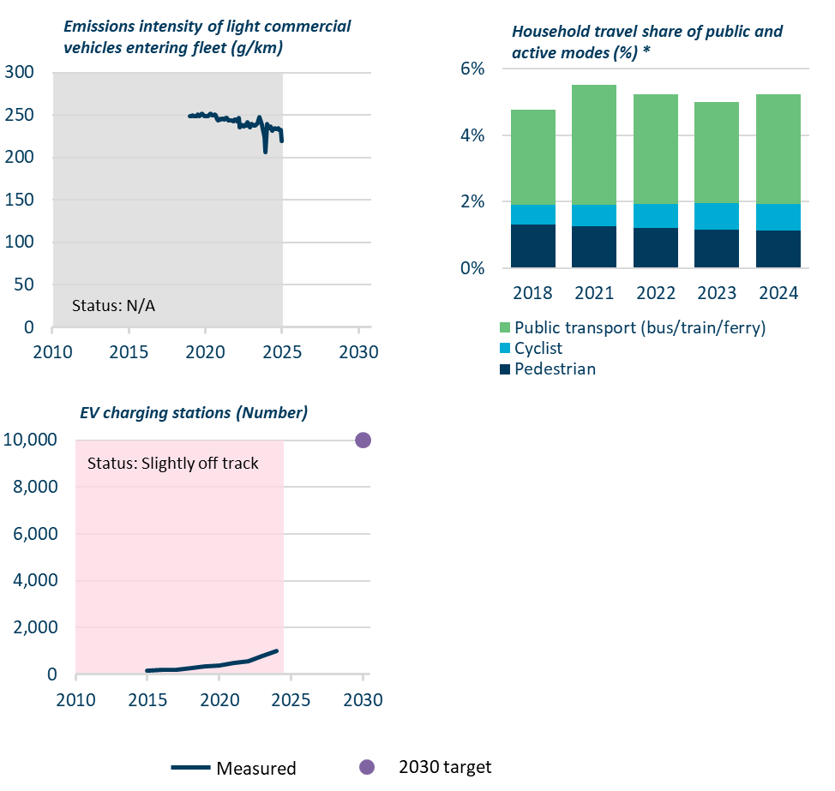
 |  | Household travel share of public and active modes (%)
 |  |  |  | 2018 | 2021 | 2022 | 2023 | 2024
 |  |  | Pedestrian | 1% | 1% | 1% | 1% | 1%
 |  |  | Cyclist | 1% | 1% | 1% | 1% | 1%
 |  |  | Public transport (bus/train/ferry) | 3% | 4% | 3% | 3% | 3%

 |  | EV charging stations (Number)
 |  |  |  | 2010 | 2011 | 2012 | 2013 | 2014 | 2015 | 2016 | 2017 | 2018 | 2019 | 2020 | 2021 | 2022 | 2023 | 2024 | 2025 | 2026 | 2027 | 2028 | 2029 | 2030
 |  |  | Measured |  |  |  |  |  | 163 | 194 | 216 | 284 | 335 | 399 | 479 | 562 | 793 | 992
 |  |  | 2030 Target

Figure 25 | Progress indicators dashboard for freight transport
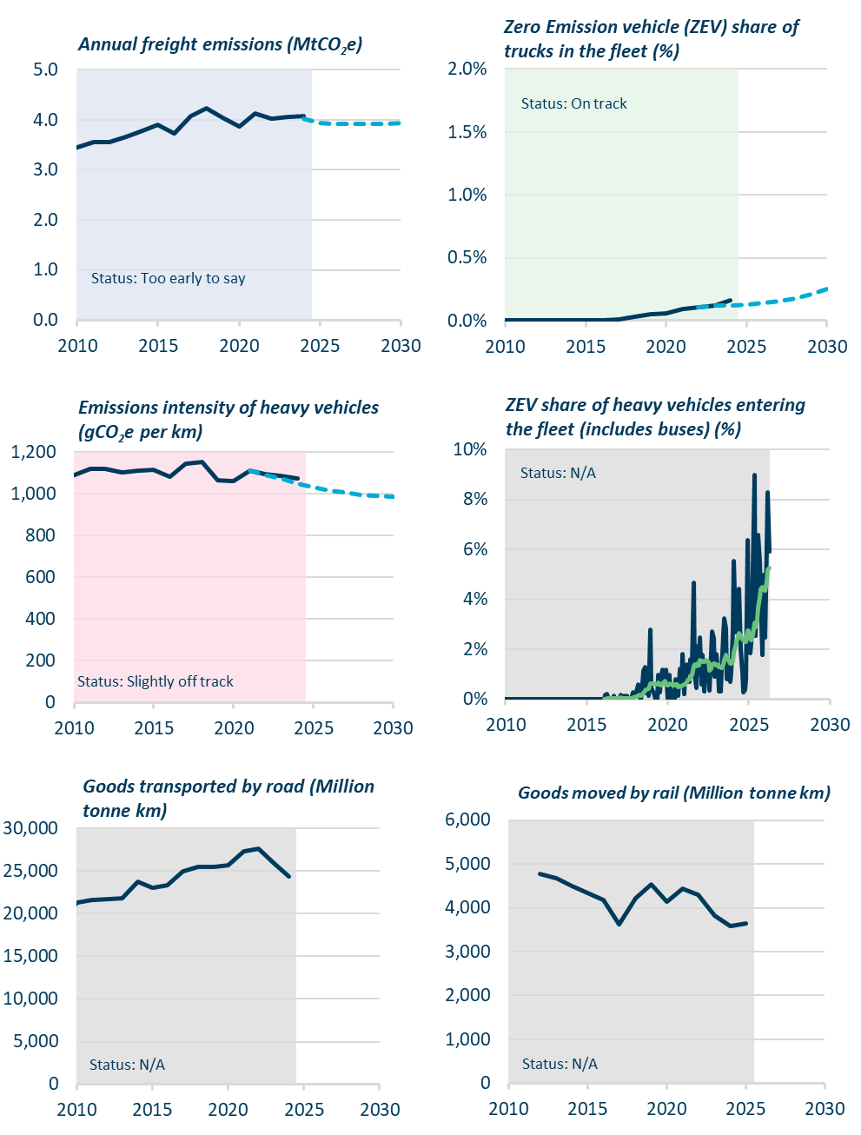
 |  | Annual freight emissions (MtCO2e)
 |  |  |  | 2010-01-31 | 2011-01-31 | 2012-01-31 | 2013-01-31 | 2014-01-31 | 2015-01-31 | 2016-01-31 | 2017-01-31 | 2018-01-31 | 2019-01-31 | 2020-01-31 | 2021-01-31 | 2022-01-31 | 2023-01-31 | 2024-01-31 | 2025-01-31 | 2026-01-31 | 2027-01-31 | 2028-01-31 | 2029-01-31 | 2030-01-31
 |  |  | Measured | 3.4 | 3.6 | 3.6 | 3.7 | 3.8 | 3.9 | 3.7 | 4.1 | 4.2 | 4.0 | 3.9 | 4.1 | 4.0 | 4.1 | 4.1
 |  |  | Government's 2026 plan (WAM) |  |  |  |  |  |  |  |  |  |  |  |  |  |  | 4.0 | 3.9 | 3.9 | 3.9 | 3.9 | 3.9 | 3.9

 |  | Zero Emission vehicle (ZEV) share of trucks in the fleet (%)
 |  |  |  | 2010-01-01 | 2011-01-01 | 2012-01-01 | 2013-01-01 | 2014-01-01 | 2015-01-01 | 2016-01-01 | 2017-01-01 | 2018-01-01 | 2019-01-01 | 2020-01-01 | 2021-01-01 | 2022-01-01 | 2023-01-01 | 2024-01-01 | 2025-01-01 | 2026-01-01 | 2027-01-01 | 2028-01-01 | 2029-01-01 | 2030-01-01
 |  |  | Measured | 0 | 0 | 0 | 0 | 0 | 0 | 0 | 0.0001 | 0.0003 | 0.0005 | 0.0006 | 0.0009 | 0.0011 | 0.0011939040663 | 0.0016
 |  |  | Government's 2026 plan (WAM) |  |  |  |  |  |  |  |  |  |  |  |  | 0% | 0% | 0% | 0% | 0% | 0% | 1% | 1% | 1%

 |  | Emissions intensity of heavy vehicles (gco2e per km) |  | 2010-01-01 | 2011-01-01 | 2012-01-01 | 2013-01-01 | 2014-01-01 | 2015-01-01 | 2016-01-01 | 2017-01-01 | 2018-01-01 | 2019-01-01 | 2020-01-01 | 2021-01-01 | 2022-01-01 | 2023-01-01 | 2024-01-01 | 2025-01-01 | 2026-01-01 | 2027-01-01 | 2028-01-01 | 2029-01-01 | 2030-01-01
 |  |  | Measured | 1,091.1 | 1,118.7 | 1,122.3 | 1,101.9 | 1,112.1 | 1,116.6 | 1,081.6 | 1,145.3 | 1,153.8 | 1,067.4 | 1,062.7 | 1,112.6 | 1,096.3 | 1,085.4 | 1,075.7
 |  |  | Government's 2026 plan (WAM) |  |  |  |  |  |  |  |  |  |  |  | 1,111.4 | 1,090.1 | 1,074.4 | 1,048.5 | 1,032.5 | 1,015.7 | 1,005.9 | 996.6 | 992.2 | 988.4

 |  | ZEV share of heavy vehicles entering the fleet (includes buses) (%)
 |  |  |  | 2009-07-31 | 2009-08-31 | 2009-09-30 | 2009-10-31 | 2009-11-30 | 2009-12-31 | 2010-01-31 | 2010-02-28 | 2010-03-31 | 2010-04-30 | 2010-05-31 | 2010-06-30 | 2010-07-31 | 2010-08-31 | 2010-09-30 | 2010-10-31 | 2010-11-30 | 2010-12-31 | 2011-01-31 | 2011-02-28 | 2011-03-31 | 2011-04-30 | 2011-05-31 | 2011-06-30 | 2011-07-31 | 2011-08-31 | 2011-09-30 | 2011-10-31 | 2011-11-30 | 2011-12-31 | 2012-01-31 | 2012-02-29 | 2012-03-31 | 2012-04-30 | 2012-05-31 | 2012-06-30 | 2012-07-31 | 2012-08-31 | 2012-09-30 | 2012-10-31 | 2012-11-30 | 2012-12-31 | 2013-01-31 | 2013-02-28 | 2013-03-31 | 2013-04-30 | 2013-05-31 | 2013-06-30 | 2013-07-31 | 2013-08-31 | 2013-09-30 | 2013-10-31 | 2013-11-30 | 2013-12-31 | 2014-01-31 | 2014-02-28 | 2014-03-31 | 2014-04-30 | 2014-05-31 | 2014-06-30 | 2014-07-31 | 2014-08-31 | 2014-09-30 | 2014-10-31 | 2014-11-30 | 2014-12-31 | 2015-01-31 | 2015-02-28 | 2015-03-31 | 2015-04-30 | 2015-05-31 | 2015-06-30 | 2015-07-31 | 2015-08-31 | 2015-09-30 | 2015-10-31 | 2015-11-30 | 2015-12-31 | 2016-01-31 | 2016-02-29 | 2016-03-31 | 2016-04-30 | 2016-05-31 | 2016-06-30 | 2016-07-31 | 2016-08-31 | 2016-09-30 | 2016-10-31 | 2016-11-30 | 2016-12-31 | 2017-01-31 | 2017-02-28 | 2017-03-31 | 2017-04-30 | 2017-05-31 | 2017-06-30 | 2017-07-31 | 2017-08-31 | 2017-09-30 | 2017-10-31 | 2017-11-30 | 2017-12-31 | 2018-01-31 | 2018-02-28 | 2018-03-31 | 2018-04-30 | 2018-05-31 | 2018-06-30 | 2018-07-31 | 2018-08-31 | 2018-09-30 | 2018-10-31 | 2018-11-30 | 2018-12-31 | 2019-01-31 | 2019-02-28 | 2019-03-31 | 2019-04-30 | 2019-05-31 | 2019-06-30 | 2019-07-31 | 2019-08-31 | 2019-09-30 | 2019-10-31 | 2019-11-30 | 2019-12-31 | 2020-01-31 | 2020-02-29 | 2020-03-31 | 2020-04-30 | 2020-05-31 | 2020-06-30 | 2020-07-31 | 2020-08-31 | 2020-09-30 | 2020-10-31 | 2020-11-30 | 2020-12-31 | 2021-01-31 | 2021-02-28 | 2021-03-31 | 2021-04-30 | 2021-05-31 | 2021-06-30 | 2021-07-31 | 2021-08-31 | 2021-09-30 | 2021-10-31 | 2021-11-30 | 2021-12-31 | 2022-01-31 | 2022-02-28 | 2022-03-31 | 2022-04-30 | 2022-05-31 | 2022-06-30 | 2022-07-31 | 2022-08-31 | 2022-09-30 | 2022-10-31 | 2022-11-30 | 2022-12-31 | 2023-01-31 | 2023-02-28 | 2023-03-31 | 2023-04-30 | 2023-05-31 | 2023-06-30 | 2023-07-31 | 2023-08-31 | 2023-09-30 | 2023-10-31 | 2023-11-30 | 2023-12-31 | 2024-01-31 | 2024-02-29 | 2024-03-31 | 2024-04-30 | 2024-05-31 | 2024-06-30 | 2024-07-31 | 2024-08-31 | 2024-09-30 | 2024-10-31 | 2024-11-30 | 2024-12-31 | 2025-01-31 | 2025-02-28 | 2025-03-31 | 2025-04-30 | 2025-05-31 | 2025-06-30 | 2025-07-31 | 2025-08-31 | 2025-09-30 | 2025-10-31 | 2025-11-30 | 2025-12-31 | 2026-01-31 | 2026-02-28 | 2026-03-31 | 2026-04-30 | 2026-05-31 | 2026-06-30 | 2026-07-31 | 2026-08-31 | 2026-09-30 | 2026-10-31 | 2026-11-30 | 2026-12-31 | 2027-01-31 | 2027-02-28 | 2027-03-31 | 2027-04-30 | 2027-05-31 | 2027-06-30 | 2027-07-31 | 2027-08-31 | 2027-09-30 | 2027-10-31 | 2027-11-30 | 2027-12-31 | 2028-01-31 | 2028-02-29 | 2028-03-31 | 2028-04-30 | 2028-05-31 | 2028-06-30 | 2028-07-31 | 2028-08-31 | 2028-09-30 | 2028-10-31 | 2028-11-30 | 2028-12-31 | 2029-01-31 | 2029-02-28 | 2029-03-31 | 2029-04-30 | 2029-05-31 | 2029-06-30 | 2029-07-31 | 2029-08-31 | 2029-09-30 | 2029-10-31 | 2029-11-30 | 2029-12-31 | 2030-01-31
 |  |  | Measured | 0 | 0 | 0 | 0 | 0 | 0 | 0 | 0 | 0 | 0 | 0 | 0 | 0 | 0 | 0 | 0 | 0 | 0 | 0 | 0 | 0 | 0 | 0 | 0 | 0 | 0 | 0 | 0 | 0 | 0 | 0 | 0 | 0 | 0 | 0 | 0 | 0 | 0 | 0 | 0 | 0 | 0 | 0 | 0 | 0 | 0 | 0 | 0 | 0 | 0 | 0.0000 | 0.0000 | 0.0000 | 0.0000 | 0.0000 | 0.0000 | 0.0000 | 0.0000 | 0.0000 | 0.0000 | 0.0000 | 0.0000 | 0.0000 | 0.0000 | 0.0000 | 0.0000 | 0.0000 | 0.0000 | 0.0000 | 0.0000 | 0.0000 | 0.0000 | 0.0000 | 0.0000 | 0.0000 | 0.0000 | 0.0000 | 0.0000 | 0.0000 | 0.0000 | 0.0017 | 0.0020 | 0.0000 | 0.0000 | 0.0000 | 0.0000 | 0.0014 | 0.0000 | 0.0000 | 0.0000 | 0.0000 | 0.0017 | 0.0000 | 0.0000 | 0.0013 | 0.0000 | 0.0014 | 0.0000 | 0.0000 | 0.0000 | 0.0027 | 0.0015 | 0.0015 | 0.0032 | 0.0057 | 0.0016 | 0.0000 | 0.0023 | 0.0114 | 0.0127 | 0.0025 | 0.0039 | 0.0013 | 0.0278 | 0.0043 | 0.0030 | 0.0026 | 0.0000 | 0.0000 | 0.0099 | 0.0027 | 0.0083 | 0.0117 | 0.0077 | 0.0085 | 0.0117 | 0.0000 | 0.0098 | 0.0018 | 0.0000 | 0.0034 | 0.0000 | 0.0079 | 0.0066 | 0.0014 | 0.0123 | 0.0062 | 0.0180 | 0.0019 | 0.0122 | 0.0139 | 0.0073 | 0.0071 | 0.0161 | 0.0139 | 0.0466 | 0.0098 | 0.0045 | 0.0211 | 0.0100 | 0.0246 | 0.0060 | 0.0177 | 0.0031 | 0.0145 | 0.0119 | 0.0104 | 0.0034 | 0.0188 | 0.0270 | 0.0242 | 0.0089 | 0.0181 | 0.0106 | 0.0032 | 0.0032 | 0.0116 | 0.0264 | 0.0322 | 0.0280 | 0.0079 | 0.0131 | 0.0069 | 0.0109 | 0.0277 | 0.0552 | 0.0307 | 0.0266 | 0.0347 | 0.0443 | 0.0200 | 0.0104 | 0.0028 | 0.0037 | 0.0080 | 0.0636 | 0.0296 | 0.0184 | 0.0223 | 0.0528 | 0.0898 | 0.0255 | 0.0579 | 0.0659 | 0.0548 | 0.0404 | 0.0178 | 0.0497 | 0.0248 | 0.0613 | 0.0828 | 0.0593
 |  |  | Rolling average (annual) |  |  |  |  |  |  |  |  |  |  |  |  |  |  |  |  |  |  |  |  |  |  |  |  |  |  |  |  |  |  |  |  |  |  |  |  |  |  |  |  |  |  |  |  |  |  |  |  |  |  |  |  |  |  |  |  |  |  |  |  |  |  |  |  |  |  |  |  |  |  |  |  |  |  |  |  |  |  |  | 0.0000 | 0.0001 | 0.0003 | 0.0003 | 0.0003 | 0.0003 | 0.0003 | 0.0004 | 0.0004 | 0.0004 | 0.0004 | 0.0004 | 0.0006 | 0.0004 | 0.0003 | 0.0004 | 0.0004 | 0.0005 | 0.0005 | 0.0004 | 0.0004 | 0.0006 | 0.0007 | 0.0008 | 0.0010 | 0.0014 | 0.0016 | 0.0015 | 0.0017 | 0.0025 | 0.0036 | 0.0038 | 0.0041 | 0.0040 | 0.0062 | 0.0064 | 0.0064 | 0.0061 | 0.0060 | 0.0060 | 0.0066 | 0.0059 | 0.0055 | 0.0063 | 0.0066 | 0.0072 | 0.0059 | 0.0055 | 0.0061 | 0.0060 | 0.0060 | 0.0063 | 0.0055 | 0.0059 | 0.0058 | 0.0049 | 0.0053 | 0.0051 | 0.0056 | 0.0058 | 0.0060 | 0.0070 | 0.0076 | 0.0079 | 0.0092 | 0.0097 | 0.0131 | 0.0138 | 0.0131 | 0.0144 | 0.0137 | 0.0156 | 0.0151 | 0.0154 | 0.0150 | 0.0157 | 0.0153 | 0.0150 | 0.0114 | 0.0122 | 0.0140 | 0.0143 | 0.0142 | 0.0137 | 0.0141 | 0.0128 | 0.0129 | 0.0126 | 0.0138 | 0.0156 | 0.0177 | 0.0168 | 0.0156 | 0.0142 | 0.0143 | 0.0151 | 0.0189 | 0.0212 | 0.0231 | 0.0250 | 0.0265 | 0.0255 | 0.0240 | 0.0236 | 0.0228 | 0.0229 | 0.0273 | 0.0275 | 0.0244 | 0.0237 | 0.0259 | 0.0305 | 0.0289 | 0.0321 | 0.0367 | 0.0410 | 0.0441 | 0.0449 | 0.0438 | 0.0434 | 0.0469 | 0.0520 | 0.0525 | 0.0491 | 0.0515 | 0.0508 | 0.0489 | 0.0480 | 0.0493 | 0.0556 | 0.0571 | 0.0678 | 0.0711 | 0.0593

 |  | Goods transported by road (Million tonne km)
 |  |  |  | 2010-01-01 | 2011-01-01 | 2012-01-01 | 2013-01-01 | 2014-01-01 | 2015-01-01 | 2016-01-01 | 2017-01-01 | 2018-01-01 | 2019-01-01 | 2020-01-01 | 2021-01-01 | 2022-01-01 | 2023-01-01 | 2024-01-01 | 2025-01-01 | 2026-01-01 | 2027-01-01 | 2028-01-01 | 2029-01-01 | 2030-01-01
 |  |  | Measured | 21,265.0 | 21,568.0 | 21,754.0 | 21,773.0 | 23,746.0 | 23,078.0 | 23,349.0 | 24,994.0 | 25,432.0 | 25,491.0 | 25,641.0 | 27,304.0 | 27,597.0 | 25,939.0 | 24,338.0
 |  |  | Government's 2026 plan (WAM) |  |  |  |  |  |  |  |  |  |  |  |  | 24,725.2 | 25,263.0 | 25,550.2 | 25,837.5 | 26,124.8 | 26,412.1 | 26,699.3 | 26,986.6 | 27,273.9

 |  | Goods moved by rail (Million tonne km )
 |  |  |  | 2010-01-01 | 2011-01-01 | 2012-01-01 | 2013-01-01 | 2014-01-01 | 2015-01-01 | 2016-01-01 | 2017-01-01 | 2018-01-01 | 2019-01-01 | 2020-01-01 | 2021-01-01 | 2022-01-01 | 2023-01-01 | 2024-01-01 | 2025-01-01 | 2026-01-01 | 2027-01-01 | 2028-01-01 | 2029-01-01 | 2030-01-01
 |  |  | Measured |  |  | 4,767.9 | 4,679.0 | 4,492.5 | 4,348.5 | 4,189.6 | 3,618.5 | 4,217.1 | 4,544.8 | 4,131.4 | 4,444.0 | 4,295.4 | 3,823.5 | 3,578.7 | 3,637.0

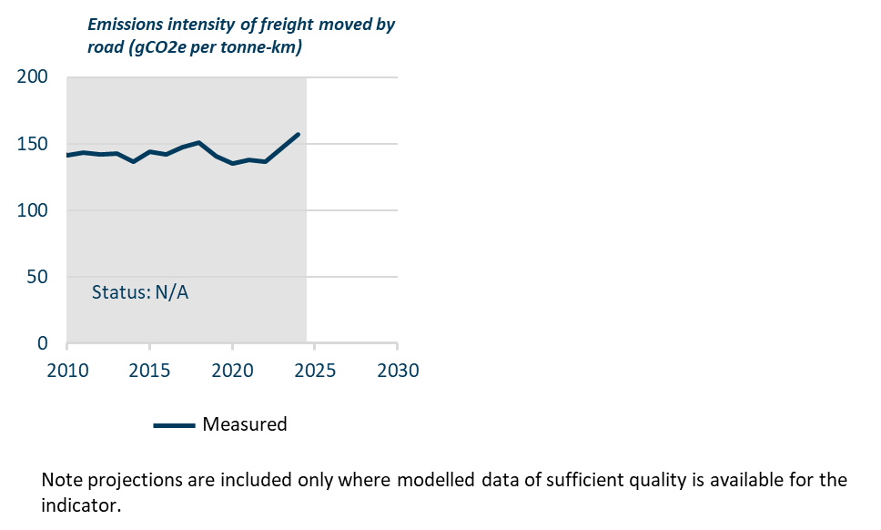
 |  | Emissions intensity of freight moved by road (gCO2e per tonne-km)
 |  |  |  | 2010-01-01 | 2011-01-01 | 2012-01-01 | 2013-01-01 | 2014-01-01 | 2015-01-01 | 2016-01-01 | 2017-01-01 | 2018-01-01 | 2019-01-01 | 2020-01-01 | 2021-01-01 | 2022-01-01 | 2023-01-01 | 2024-01-01 | 2025-01-01 | 2026-01-01 | 2027-01-01 | 2028-01-01 | 2029-01-01 | 2030-01-01
 |  |  | Measured | 141.54 | 143.21 | 142.12 | 142.53 | 136.61 | 144.18 | 142.01 | 147.57 | 150.85 | 140.24 | 135.42 | 137.97 | 136.62 | 146.88 | 156.90

Figure 26 | Progress indicators dashboard for aviation
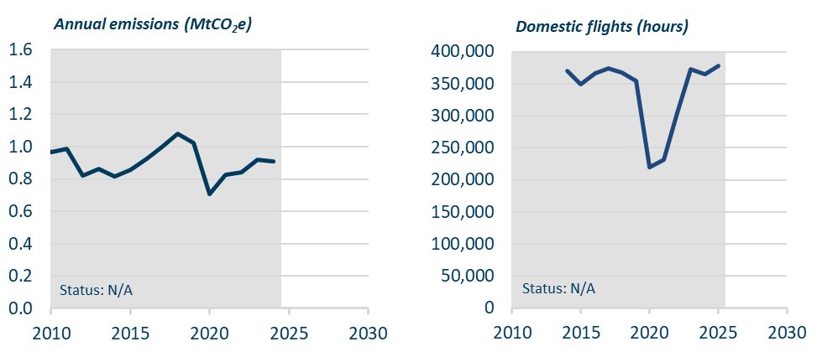
 |  | Aviation emissions (MtCO2e) |  | 2010-01-01 | 2011-01-01 | 2012-01-01 | 2013-01-01 | 2014-01-01 | 2015-01-01 | 2016-01-01 | 2017-01-01 | 2018-01-01 | 2019-01-01 | 2020-01-01 | 2021-01-01 | 2022-01-01 | 2023-01-01 | 2024-01-01 | 2025-01-01 | 2026-01-01 | 2027-01-01 | 2028-01-01 | 2029-01-01 | 2030-01-01
 |  |  | Measured | 0.96 | 0.99 | 0.82 | 0.86 | 0.82 | 0.86 | 0.93 | 1.00 | 1.08 | 1.02 | 0.71 | 0.82 | 0.84 | 0.92 | 0.91

 |  | Domestic flights (hours)
 |  |  | Measured |  |  |  |  | 369,678.9 | 348,917.2 | 366,020.6 | 373,444.4 | 367,776.9 | 354,831.1 | 219,509.6 | 231,843.7 | 304,380.3 | 372,944.2 | 364,557.6 | 378,439.1

Figure 28 | Progress indicators for waste
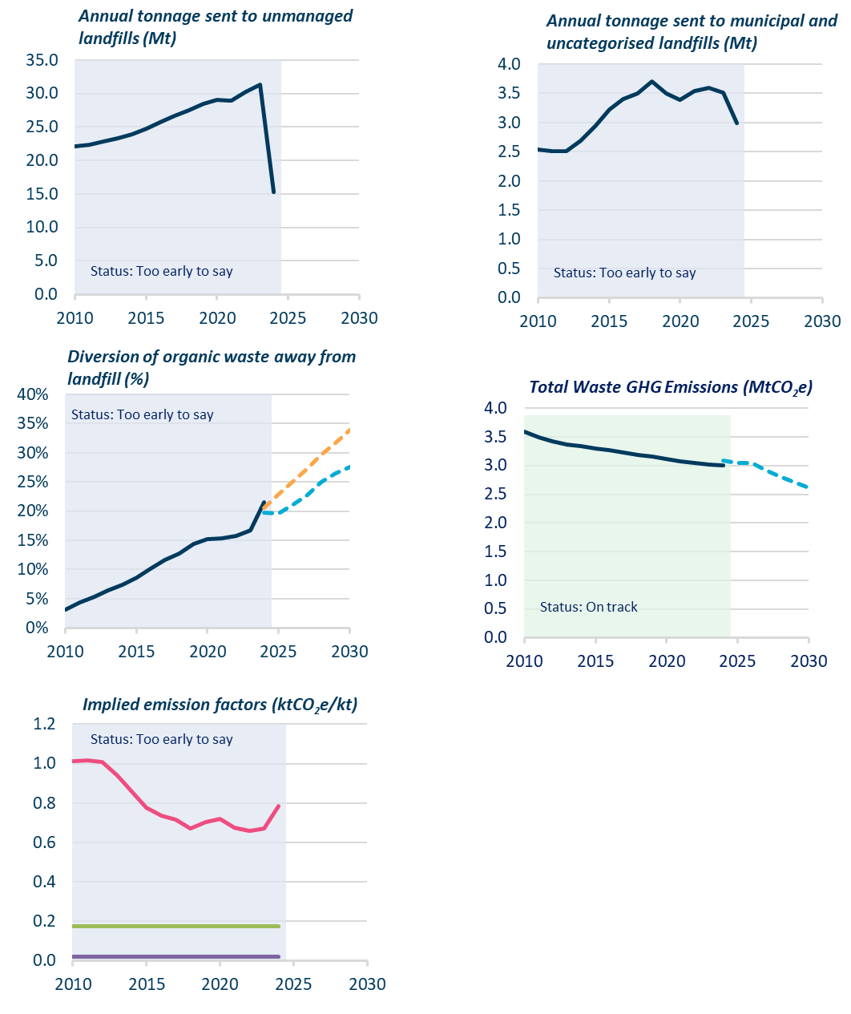
 |  | Annual tonnage sent to unmanaged landfills (Mt) |  | 2010-01-01 | 2011-01-01 | 2012-01-01 | 2013-01-01 | 2014-01-01 | 2015-01-01 | 2016-01-01 | 2017-01-01 | 2018-01-01 | 2019-01-01 | 2020-01-01 | 2021-01-01 | 2022-01-01 | 2023-01-01 | 2024-01-01 | 2025-01-01 | 2026-01-01 | 2027-01-01 | 2028-01-01 | 2029-01-01 | 2030-01-01
 |  |  | Measured | 22.06 | 22.36 | 22.81 | 23.33 | 23.92 | 24.80 | 25.70 | 26.62 | 27.49 | 28.41 | 29.06 | 28.97 | 30.24 | 31.30 | 15.31

 |  | Annual tonnage sent to municipal and uncategorised landfills (Mt)
 |  |  | Measured | 2.53 | 2.51 | 2.52 | 2.69 | 2.93 | 3.22 | 3.40 | 3.49 | 3.71 | 3.50 | 3.38 | 3.54 | 3.60 | 3.51 | 2.99

 |  | Diversion of organic waste away from landfill (%)
 |  |  | Measured | 3% | 4% | 5% | 6% | 7% | 9% | 10% | 12% | 13% | 14% | 15% | 15% | 16% | 17% | 22%
 |  |  | Government's 2026 projections |  |  |  |  |  |  |  |  |  |  |  |  |  |  | 21% | 23% | 25% | 27% | 30% | 32% | 34%
 |  |  | What's feasible (EB4 demo path) |  |  |  |  |  |  |  |  |  |  |  |  |  |  | 20% | 20% | 21% | 23% | 25% | 26% | 28%

 |  | Implied emission factors (ktCO2e/kt)
 |  |  | Municipal landfill | 1.01 | 1.02 | 1.01 | 0.94 | 0.86 | 0.78 | 0.74 | 0.72 | 0.67 | 0.70 | 0.72 | 0.68 | 0.66 | 0.67 | 0.78
 |  |  | Composting | 0.18 | 0.18 | 0.18 | 0.18 | 0.18 | 0.18 | 0.18 | 0.18 | 0.18 | 0.18 | 0.18 | 0.18 | 0.18 | 0.18 | 0.18
 |  |  | Anaerobic Digestion | 0.02 | 0.02 | 0.02 | 0.02 | 0.02 | 0.02 | 0.02 | 0.02 | 0.02 | 0.02 | 0.02 | 0.02 | 0.02 | 0.02 | 0.02

 |  | Total Waste GHG Emissions (MtCO2e)
 |  |  | Measured | 3.59 | 3.49 | 3.42 | 3.37 | 3.33 | 3.29 | 3.26 | 3.23 | 3.18 | 3.15 | 3.12 | 3.08 | 3.04 | 3.02 | 3.01
 |  |  | Government's 2026 plan (WAM) |  |  |  |  |  |  |  |  |  |  |  |  |  |  | 3.09 | 3.05 | 3.05 | 2.92 | 2.80 | 2.71 | 2.61

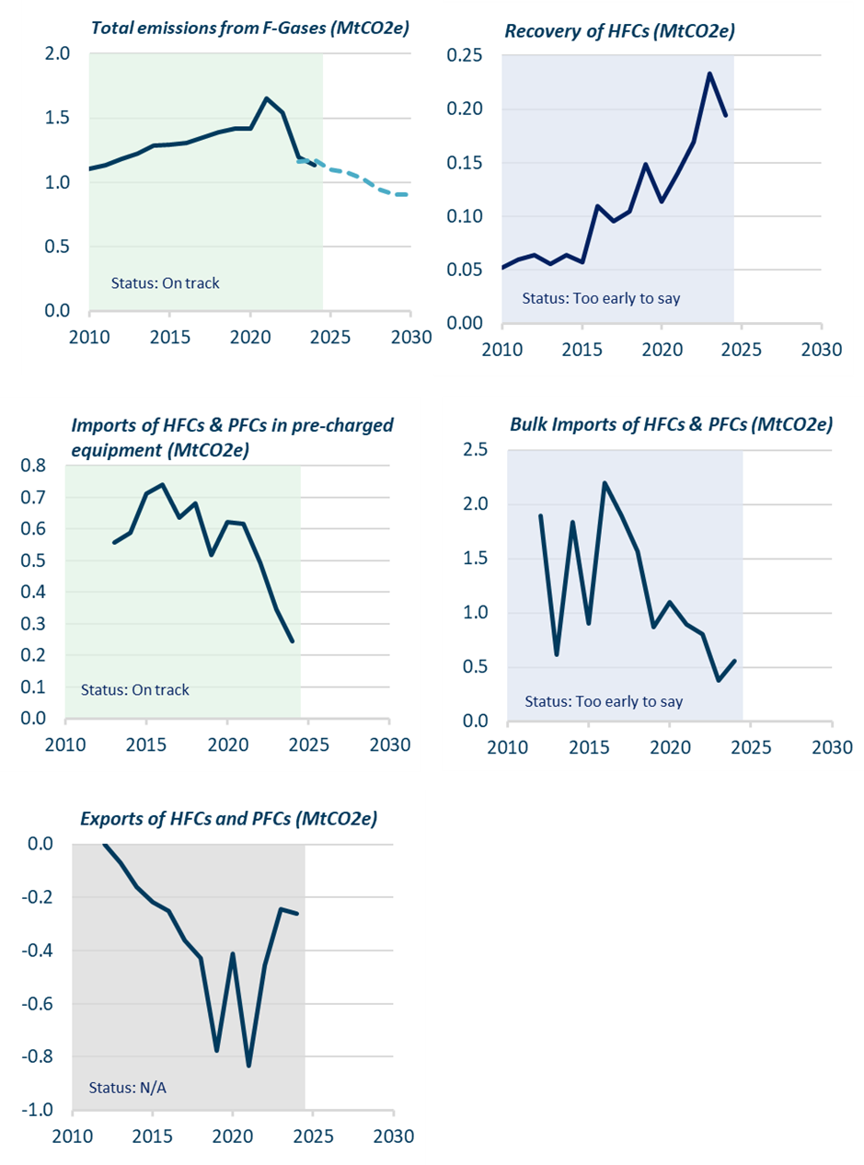
Figure 32 | Progress indicators dashboard for f-gases
 |  |  |  | 2010-01-01 | 2011-01-01 | 2012-01-01 | 2013-01-01 | 2014-01-01 | 2015-01-01 | 2016-01-01 | 2017-01-01 | 2018-01-01 | 2019-01-01 | 2020-01-01 | 2021-01-01 | 2022-01-01 | 2023-01-01 | 2024-01-01 | 2025-01-01 | 2026-01-01 | 2027-01-01 | 2028-01-01 | 2029-01-01 | 2030-01-01
 |  | Total emissions from F-Gases (MtCO2e)
 |  |  | Measured | 1.10 | 1.14 | 1.18 | 1.23 | 1.29 | 1.29 | 1.31 | 1.35 | 1.39 | 1.42 | 1.42 | 1.65 | 1.54 | 1.20 | 1.13
 |  |  | Government's 2026 projections |  |  |  |  |  |  |  |  |  |  |  |  |  | 1.16 | 1.18 | 1.10 | 1.08 | 1.03 | 0.95 | 0.91 | 0.90

 |  | Recovery of HFCs (MtCO2e)
 |  |  | Measured | 0.05 | 0.06 | 0.06 | 0.06 | 0.06 | 0.06 | 0.11 | 0.10 | 0.10 | 0.15 | 0.11 | 0.14 | 0.17 | 0.23 | 0.19

 |  | Imports of HFCs & PFCs in pre-charged equipment (MtCO2e)
 |  |  | Measured |  |  |  | 0.56 | 0.59 | 0.71 | 0.74 | 0.64 | 0.68 | 0.52 | 0.62 | 0.62 | 0.49 | 0.35 | 0.24

 |  | Bulk Imports of HFCs & PFCs (MtCO2e)
 |  |  | Measured |  |  | 1.89 | 0.61 | 1.83 | 0.90 | 2.20 | 1.89 | 1.57 | 0.87 | 1.10 | 0.89 | 0.80 | 0.38 | 0.56

 |  | Exports of HFCs and PFCs (MtCO2e)
 |  |  | Measured |  |  |  | -0.07 | -0.16 | -0.22 | -0.25 | -0.36 | -0.43 | -0.78 | -0.41 | -0.83 | -0.45 | -0.25 | -0.26

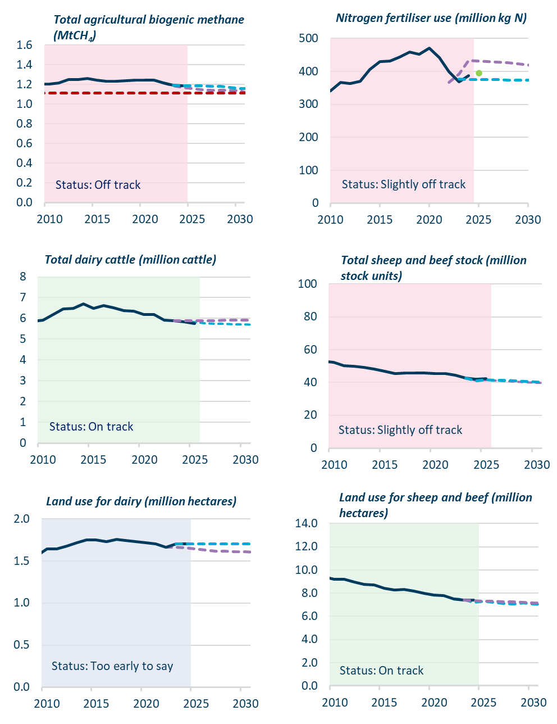
Figure 35 | Progress indicators dashboard for agriculture
 |  |  |  | 2010-01-01 | 2011-01-01 | 2012-01-01 | 2013-01-01 | 2014-01-01 | 2015-01-01 | 2016-01-01 | 2017-01-01 | 2018-01-01 | 2019-01-01 | 2020-01-01 | 2021-01-01 | 2022-01-01 | 2023-01-01 | 2024-01-01 | 2025-01-01 | 2026-01-01 | 2027-01-01 | 2028-01-01 | 2029-01-01 | 2030-01-01
 |  | Total agricultural biogenic methane (MtCH4)
 |  |  | Measured | 1.20 | 1.22 | 1.25 | 1.25 | 1.26 | 1.25 | 1.23 | 1.23 | 1.24 | 1.25 | 1.24 | 1.24 | 1.21 | 1.19 | 1.19 | 0.00 | 0.00 | 0.00 | 0.00 | 0.00 | 0.00
 |  |  | Government's 2025 projections | 0.00 | 0.00 | 0.00 | 0.00 | 0.00 | 0.00 | 0.00 | 0.00 | 0.00 | 0.00 | 0.00 | 0.00 | 1.21 | 1.19 | 1.17 | 1.16 | 1.15 | 1.14 | 1.14 | 1.14 | 1.13
 |  |  | Government's 2026 projections | 0.00 | 0.00 | 0.00 | 0.00 | 0.00 | 0.00 | 0.00 | 0.00 | 0.00 | 0.00 | 0.00 | 0.00 | 0.00 | 1.19 | 1.19 | 1.19 | 1.19 | 1.18 | 1.18 | 1.17 | 1.16
 |  |  | 10% reduction from 2017 | 1.11 | 1.11 | 1.11 | 1.11 | 1.11 | 1.11 | 1.11 | 1.11 | 1.11 | 1.11 | 1.11 | 1.11 | 1.11 | 1.11 | 1.11 | 1.11 | 1.11 | 1.11 | 1.11 | 1.11 | 1.11

 |  | Nitrogen fertiliser use (million kg N)
 |  |  | Measured | 341.00 | 367.00 | 363.00 | 370.00 | 405.00 | 429.00 | 431.00 | 443.00 | 458.00 | 451.00 | 470.00 | 442.00 | 399.00 | 368.00 | 387.00
 |  |  | Government's 2025 projections |  |  |  |  |  |  |  |  |  |  |  |  | 367.00 | 392.00 | 432.18 | 431.55 | 430.10 | 428.64 | 425.46 | 422.16 | 418.79
 |  |  | Government's 2026 projections |  |  |  |  |  |  |  |  |  |  |  |  |  | 376.00 | 375.76 | 375.09 | 374.82 | 374.50 | 374.12 | 373.75 | 373.31
 |  |  | Provisional |  |  |  |  |  |  |  |  |  |  |  |  |  |  |  | 395.00

 |  | Total dairy cattle (million cattle)
 |  |  | Measured | 5.92 | 6.17 | 6.45 | 6.48 | 6.70 | 6.49 | 6.62 | 6.52 | 6.39 | 6.36 | 6.20 | 6.19 | 5.93 | 5.88 | 5.84 | 5.75
 |  |  | Government's 2025 projections |  |  |  |  |  |  |  |  |  |  |  |  | 5.93 | 5.88 | 5.86 | 5.81 | 5.77 | 5.74 | 5.74 | 5.71 | 5.70
 |  |  | Government's 2026 projections |  |  |  |  |  |  |  |  |  |  |  |  |  | 5.88 | 5.88 | 5.89 | 5.89 | 5.88 | 5.91 | 5.91 | 5.91

 |  | Total sheep and beef stock (million stock units)
 |  |  | Measured | 52.31 | 50.36 | 49.93 | 49.28 | 48.15 | 46.86 | 45.25 | 45.61 | 45.90 | 45.67 | 45.44 | 45.56 | 44.24 | 42.63 | 41.98 | 42.42
 |  |  | Government's 2025 projections |  |  |  |  |  |  |  |  |  |  |  |  | 44.24 | 42.63 | 41.06 | 41.50 | 41.19 | 40.69 | 40.29 | 40.12 | 39.91
 |  |  | Government's 2026 projections |  |  |  |  |  |  |  |  |  |  |  |  |  | 42.63 | 41.06 | 41.58 | 41.41 | 41.23 | 40.94 | 40.61 | 40.38

 |  | Land use for dairy (million hectares)
 |  |  | Measured | 1.64 | 1.64 | 1.68 | 1.72 | 1.75 | 1.75 | 1.73 | 1.76 | 1.74 | 1.73 | 1.71 | 1.70 | 1.66 | 1.70 | 1.70
 |  |  | Government's 2025 projections |  |  |  |  |  |  |  |  |  |  |  |  | 1.66 | 1.66 | 1.65 | 1.64 | 1.63 | 1.62 | 1.62 | 1.61 | 1.61
 |  |  | Government's 2026 projections |  |  |  |  |  |  |  |  |  |  |  |  |  | 1.70 | 1.70 | 1.70 | 1.70 | 1.70 | 1.70 | 1.70 | 1.70

 |  | Land use for sheep and beef (million hectares)
 |  |  | Measured | 9.20 | 9.19 | 8.95 | 8.77 | 8.71 | 8.42 | 8.28 | 8.33 | 8.17 | 8.00 | 7.84 | 7.78 | 7.48 | 7.42 | 9.10
 |  |  | Government's 2025 projections |  |  |  |  |  |  |  |  |  |  |  |  | 7.48 | 7.46 | 7.18 | 7.29 | 7.21 | 7.12 | 7.05 | 7.13 | 7.06
 |  |  | Government's 2026 projections |  |  |  |  |  |  |  |  |  |  |  |  |  | 7.42 | 7.36 | 7.31 | 7.29 | 7.26 | 7.24 | 7.21 | 7.17

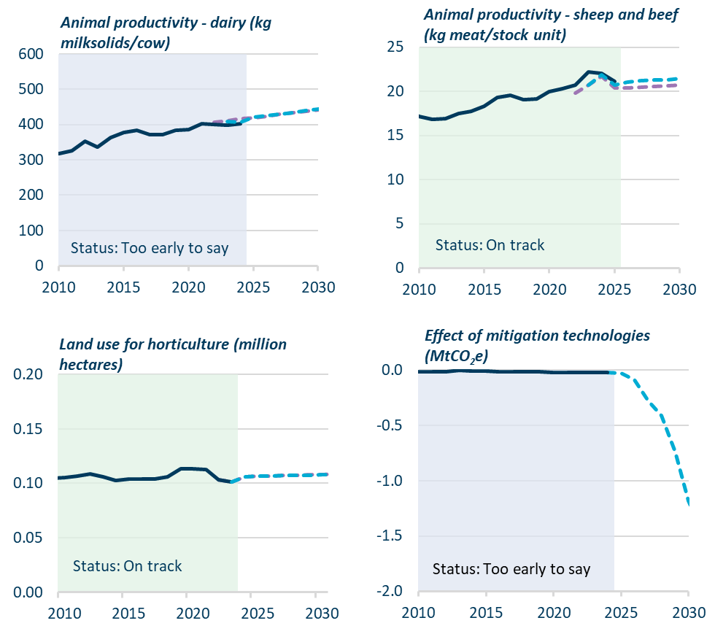
 |  | Animal productivity - dairy (kg milksolids/cow)
 |  |  | Measured | 317.51 | 326.47 | 352.18 | 336.78 | 363.65 | 378.15 | 383.00 | 370.71 | 371.97 | 382.79 | 386.62 | 401.89 | 400.00 | 398.38 | 402.34
 |  |  | Government's 2025 projections |  |  |  |  |  |  |  |  |  |  |  |  | 405.84 | 410.07 | 417.60 | 418.11 | 422.95 | 428.50 | 432.69 | 437.16 | 441.92
 |  |  | Government's 2026 projections |  |  |  |  |  |  |  |  |  |  |  |  |  | 407.99 | 405.90 | 421.32 | 425.61 | 429.95 | 434.32 | 438.74 | 444.30

 |  | Animal productivity - sheep and beef (kg meat/stock unit)
 |  |  | Measured | 17.13 | 16.87 | 16.90 | 17.50 | 17.74 | 18.35 | 19.29 | 19.55 | 19.09 | 19.17 | 19.97 | 20.27 | 20.73 | 22.23 | 22.06 | 21.10
 |  |  | Government's 2025 projections |  |  |  |  |  |  |  |  |  |  |  |  | 19.79 | 20.73 | 21.67 | 20.41 | 20.40 | 20.45 | 20.55 | 20.66 | 20.74
 |  |  | Government's 2026 projections |  |  |  |  |  |  |  |  |  |  |  |  |  | 20.74 | 21.87 | 20.69 | 21.06 | 21.19 | 21.26 | 21.31 | 21.44

 |  | Land use for horticulture (million hectares)
 |  |  | Measured | 0.11 | 0.11 | 0.11 | 0.11 | 0.10 | 0.10 | 0.10 | 0.10 | 0.11 | 0.11 | 0.11 | 0.11 | 0.10 | 0.10
 |  |  | Government's 2025 projections |  |  |  |  |  |  |  |  |  |  |  |  | 0.10 | 0.10 | 0.11 | 0.11 | 0.11 | 0.11 | 0.11 | 0.11 | 0.11
 |  |  | Government's 2026 projections |  |  |  |  |  |  |  |  |  |  |  |  |  | 0.10 | 0.11 | 0.11 | 0.11 | 0.11 | 0.11 | 0.11 | 0.11

 |  | Effect of mitigation technologies (MtCO2e)
 |  |  | Measured | -0.01 | -0.02 | -0.02 | 0.00 | -0.01 | -0.01 | -0.01 | -0.01 | -0.02 | -0.02 | -0.02 | -0.03 | -0.02 | -0.03 | -0.03
 |  |  | Government's 2026 projections |  |  |  |  |  |  |  |  |  |  |  |  |  |  | -0.03 | -0.03 | -0.09 | -0.28 | -0.41 | -0.74 | -1.19


Figure 37 | Progress indicators dashboard for forest removals
 |  |  |  | 2010-01-01 | 2011-01-01 | 2012-01-01 | 2013-01-01 | 2014-01-01 | 2015-01-01 | 2016-01-01 | 2017-01-01 | 2018-01-01 | 2019-01-01 | 2020-01-01 | 2021-01-01 | 2022-01-01 | 2023-01-01 | 2024-01-01 | 2025-01-01 | 2026-01-01 | 2027-01-01 | 2028-01-01 | 2029-01-01 | 2030-01-01
 |  | Net emissions from forests, target accounting method (MtCO2)
 |  |  | Measured |  |  |  |  |  |  |  |  |  |  | -6.52 | -8.19 | -7.68 | -6.01 | -7.13
 |  |  | Government's 2026 projections |  |  |  |  |  |  |  |  |  |  |  |  |  |  | -6.78 | -7.39 | -9.24 | -10.97 | -13.13 | -15.06 | -16.43

 |  | Net emissions from afforestation & reforestation, target accounting method (MtCO2) |  |  |  |  |  |  |  |  |  |  |  |  | -9.68 | -8.36 | -7.76 | -7.96
 |  |  | Measured |  |  |  |  |  |  |  |  |  |  |  |  |  |  |  | -8.54 | -10.43 | -12.21 | -14.39 | -16.35 | -17.75
 |  |  | Government's 2026 projections

 |  | Natural afforestation (Hectares)
 |  |  | Measured | 2,012 | 2,012 | 2,012 | 2,834 | 2,806 | 2,806 | 2,829 | 4,526 | 3,824 | 5,436 | 5,093 | 4,044 | 5,502 | 6,202 | 4,702
 |  |  | Government's 2026 projections |  |  |  |  |  |  |  |  |  |  |  |  |  | 5,529 | 3,500 | 2,200 | 400 | 200 | 100 | 100 | 2,600
 |  |  | Intended planting |  |  |  |  |  |  |  |  |  |  |  |  | 4,100 | 5,300 | 3,500 | 2,200 | 400 | 200 | 100 | 100

 |  | Planted afforestation (Hectares)
 |  |  | Measured | 8,808 | 17,613 | 16,879 | 6,929 | 5,236 | 5,239 | 2,364 | 4,891 | 5,808 | 28,738 | 37,120 | 47,666 | 72,694 | 78,383 | 67,235
 |  |  | Government's 2026 projections |  |  |  |  |  |  |  |  |  |  |  |  |  | 68,468 | 59,100 | 60,600 | 27,200 | 32,200 | 32,200 | 32200 | 37200
 |  |  | Intended planting |  |  |  |  |  |  |  |  |  |  |  |  | 63,300 | 88,000 | 51,800 | 60,600 | 17,200 | 13,500 | 11,200 | 11100 | 13700

 |  | Net emissions from deforestation, target accounting method (MtCO2)
 |  |  | Measured |  |  |  |  |  |  |  |  |  |  |  | 1.49 | 0.68 | 1.75 | 0.83
 |  |  | Government's 2026 projections |  |  |  |  |  |  |  |  |  |  |  |  |  |  |  | 1.1650448509 | 1.2113748897 | 1.2842224731 | 1.2941355614 | 1.3158680243 | 1.3366299933

 |  | Deforestation (all) (Hectares)
 |  |  | Measured | 10,188.00 | 8,839.00 | 10,683.00 | 13,907.00 | 11,249.00 | 8,446.00 | 8,287.00 | 7,493.00 | 7,024.00 | 4,795.00 | 6,925.00 | 2,924.00 | 1,660.00
 |  |  | Government's 2026 projections |  |  |  |  |  |  |  |  |  |  |  |  |  |  | 1,776.65 | 1,776.65 | 1,776.65 | 1,776.65 | 1,776.65 | 1,776.65 | 1,776.65
 |  |  | Intended deforestation |  |  |  |  |  |  |  |  |  |  |  |  |  | 3,174.00 | 2,001.00


 |  | Deforestation of pre-1990 planted forests (Hectares)
 |  |  | Measured | 6,426.00 | 5,386.00 | 7,643.00 | 9,744.00 | 7,067.00 | 4,608.00 | 3,609.00 | 2,449.00 | 1,634.00 | 1,512.00 | 1,698.00 | 816.00 | 553.00 | 295.00 | 180.00
 |  |  | Government's 2026 projections |  |  |  |  |  |  |  |  |  |  |  |  | 206.23 | 247.91 | 196.67 | 196.67 | 196.67 | 196.67 | 196.67 | 196.67 | 196.67

 |  | Deforestation of pre-1990 natural forests (Hectares)
 |  |  | Measured | 1,976.00 | 1,166.00 | 1,297.00 | 1,209.00 | 687.00 | 1,026.00 | 771.00 | 516.00 | 585.00 | 590.00 | 538.00 | 394.00 | 357.00 | 429.00 | 429.00
 |  |  | Government's 2026 projections |  |  |  |  |  |  |  |  |  |  |  |  | 570.15 | 570.15 | 569.98 | 569.98 | 569.98 | 569.98 | 569.98 | 569.98 | 569.98

 |  | Deforestation of post-1989 planted forests (Hectares)
 |  |  | Measured | 1,748.00 | 2,197.00 | 1,683.00 | 2,840.00 | 3,367.00 | 2,674.00 | 3,748.00 | 4,427.00 | 4,575.00 | 2,572.00 | 4,564.00 | 1,248.00 | 615.00 | 2,207.00 | 1,149.00
 |  |  | Government's 2026 projections |  |  |  |  |  |  |  |  |  |  |  |  |  | 1,940.31 | 1,010.00 | 1,010.00 | 1,010.00 | 1,010.00 | 1,010.00 | 1,010.00 | 1010

 |  | Deforestation of post-1989 natural forests (Hectares)
 |  |  | Measured | 38 | 89 | 60 | 115 | 128 | 138 | 159 | 101 | 230 | 120 | 125 | 467 | 134 | 243 | 243

