OCT - NOV
TIME SHEET

Name of Employee |  | Aprilia Purwanto
ID Employee |  | BATM-23-0878
Designation |  | Graduate Development Program
Division |  | Operation & Delivery
Dept |  | Boot Camp

Status |  | P : Present
 |  | L : Leave
 |  | S : Sick
 |  | A : Absence

Period Oct - Nov 23
Day | Date | Client Name | Project Name | Activity | Hour | Remarks | Status
Saturday | 21-Oct-23
Sunday | 22-Oct-23
Monday | 23-Oct-23 | AMARTEK | Back Office | Creating register page with password requirements and re-type password | 8 |  | P
Tuesday | 24-Oct-23 | AMARTEK | Back Office | Revising register page, learning React Redux | 8 |  | P
Wednesday | 25-Oct-23 | AMARTEK | Back Office | Forming final project group | 8 |  | P
Thursday | 26-Oct-23 | AMARTEK | Back Office | Final project : creating use case diagram, erd, creating activity diagram, creating bpmn | 8 |  | P
Friday | 27-Oct-23 | AMARTEK | Back Office | Final project : revising bpmn | 8 |  | P
Saturday | 28-Oct-23
Sunday | 29-Oct-23
Monday | 30-Oct-23 | AMARTEK | Back Office | Final project : initializing project and creating github repo for team, creating database and master tables, filling out the tables' data, creating trello for team | 8 |  | P
Tuesday | 31-Oct-23 | AMARTEK | Back Office | Final project : assigning each team to do list, creating register login modul (backend and front end) in spring boot | 8 |  | P
Wednesday | 1-Nov-23 | AMARTEK | Back Office | Final project : finding a way to decode jwt token and local storage using spring boot | 8 |  | P
Thursday | 2-Nov-23 | AMARTEK | Back Office | Final project : migrating FE to React JS, revising FE, adding password requirements to register | 8 |  | P
Friday | 3-Nov-23 | AMARTEK | Back Office | Final project : integrating React FE to Spring Boot BE | 8 |  | P
Saturday | 4-Nov-23
Sunday | 5-Nov-23
Monday | 6-Nov-23 | AMARTEK | Back Office | Final project : creating job applications for TA/Trainee modul, creating authorization | 8 |  | P
Tuesday | 7-Nov-23 | AMARTEK | Back Office | QA training, final project : integrating FE and BE for job application modul, creating expand row table | 8 |  | P
Wednesday | 8-Nov-23 | AMARTEK | Back Office | Final project : creating accept reject TA/Trainer modul | 8 |  | P
Thursday | 9-Nov-23 | AMARTEK | Back Office | Final project : adding set interview modul in job application modul, revising the job application FE design | 8 |  | P
Friday | 10-Nov-23 | AMARTEK | Back Office | Final project : presenting and discussing team progress to trainer, integrating job application modul and set interview modul | 8 |  | P
Saturday | 11-Nov-23
Sunday | 12-Nov-23
Monday | 13-Nov-23 | AMARTEK | Back Office | Final project : revising FE for job application such as button filter according to the status stage, adding email notification for accept/reject job application, adding view CV in job application modul | 8 |  | P
Tuesday | 14-Nov-23 | AMARTEK | Back Office | Final project : merging team github branch, resolving conflicts | 8 |  | P
Wednesday | 15-Nov-23 | AMARTEK | Back Office | Attending QA Mandiri user interview | 8 |  | P
Thursday | 16-Nov-23 | AMARTEK | Back Office | Presenting final project | 8 |  | P
Friday | 17-Nov-23 | AMARTEK | Back Office | Final project : adding set offering schedule in job application modul (backend) | 8 |  | P
Saturday | 18-Nov-23
Sunday | 19-Nov-23
Monday | 20-Nov-23 | AMARTEK | Back Office | Final project : adding set offering schedule in job application modul (backend and front end) | 8 |  | P

21 Work Days |  |  |  |  | 168 Hours

*Notes: Please complete the signature.
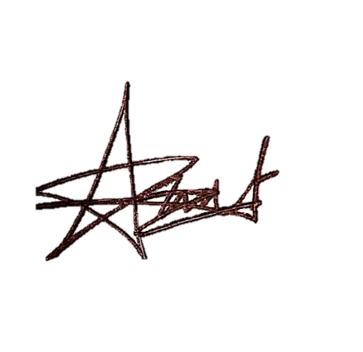
 | Employee's Signature / Date |  |  |  | User's Signature / Date

 | Aprilia Purwanto |  |  |  | User/Supervisor Name

