01_High Level Flow
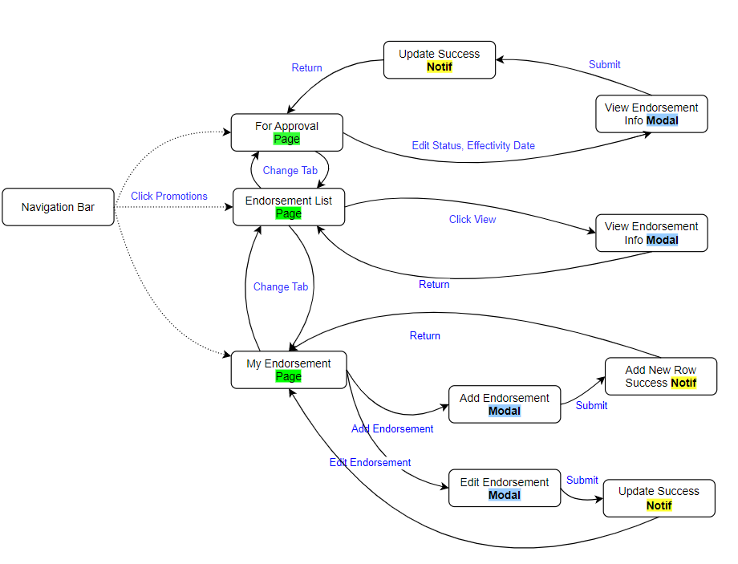

22_UI_Pages
Endorsement List For Approvals My Endorsement

 | Promotion Endorsement List

 |  |  |  |  |  |  |  |  |  | Note:

 |  |  |  |  |  |  |  |  |  | Display All
 |  |  |  |  |  |  |  |  |  | Sort by id, newest is always at the top
 |  | Promotion ID | Employee | Position | Endorser | Endorsement Date | Status |  | Action

View

Endorsement List For Approvals My Endorsement

 | Promotion Approval List
 |  |  |  |  |  |  |  |  |  | Note:

 |  |  |  |  |  |  |  |  |  | Display Only all "New and Pending"

 |  | Promotion ID | Employee | Position | Endorser | Endorsement Date | Status |  | Action

View

Endorsement List For Approvals My Endorsement

 | My Endorsement |  |  |  |  |  |  | Add Endorsement

 |  |  |  |  |  |  |  |  |  | Note:

 |  |  |  |  |  |  |  |  |  | Display Only to all rows endorser name = account login
 |  | Promotion ID | Employee | Position | Endorser | Endorsement Date | Status |  | Action
 |  |  |  |  |  |  |  |  |  | Edit Button Appear Only when the status is "Return"
View
Edit

31_Modal_Add Endorsement
 |  |  |  | General Notes:
Add Endorsement

 |  |  | Type | Field Type | Source of Data
Status

New |  |  | Auto (Default) | Text | Default: New

Endorser Name

1 - Panganiban, Waga W. |  |  | Auto (Login User) | Text | tbl_empl_info (col_empl_cmid + " - " + col_last_name + ", " + col_frst_name +" "+ firstletteriuppercase(col_midl_name))
 |  |  |  |  | Example: 1 - Panganiban, Waga W.
Employee Name | *

V
Choose… |  |  | Editable, Required | Dropdown | tbl_empl_info (col_empl_cmid + " - " + col_last_name + ", " + col_frst_name +" "+ firstletteriuppercase(col_midl_name))
 |  |  |  |  | Example: 1 - Panganiban, Waga W. | Employee ID: 1, Last Name: Panganiban, First Name: Waga, Middle Name : Woodley
Promote To | * |  |  |  | Data to be saved: id

V
Choose… |  |  | Editable, Required | Dropdown | tbl_comp_posi (name)
 |  |  |  |  | Data to be saved: id
Description | *

 |  |  | Editable, Required | text field | manual input

Attachment

Attach File… |  |  | Editable, Required | Upload | File Only (.doc,.docx, ppt, pptx, xls, xlsx, pdf)

 |  |  |  |  | Data to be saved: Path
 |  | Add | Form Submit | Save | Insert new Row; DEFAULT: Status = "New"

34_Modal_Approval
 |  |  |  |  | General Notes:
Endorsement Info |  |  |  |  | View and Edit

 |  |  |  | Type | Field Type | Source of Data
Status

V
New |  |  |  | Can Edit | Dropdown | New, Return, Pending, Approved, Rejected

Endorser Name | Endorsed Date Time

1 - Panganiban, Waga W. | 10/1/22 |  |  | Cannot Edit | Dropdown | tbl_empl_info (col_empl_cmid + " - " + col_last_name + ", " + col_frst_name +" "+ firstletteriuppercase(col_midl_name))
 |  |  |  |  |  | Example: 1 - Panganiban, Waga W.
 |  |  |  | Cannot Edit | Date | Display timestamp
Promotion ID

PRM00001 |  |  |  | Cannot Edit | id | Display autogenerated ID (Format PRMXXXXX)
 |  |  |  |  |  | Example: PRM00001
Employee Name |  |  |  |  |  | ID = 1

1 - Panganiban, Waga W. |  |  |  | Cannot Edit | Dropdown | tbl_empl_info (col_empl_cmid + " - " + col_last_name + ", " + col_frst_name +" "+ firstletteriuppercase(col_midl_name))
 |  |  |  |  |  | Example: 1 - Panganiban, Waga W. |  | Employee ID: 1, Last Name: Panganiban, First Name: Waga, Middle Name : Woodley
Promote To

Vice President |  |  |  | Cannot Edit | Dropdown | tbl_empl_info (col_empl_cmid + " - " + col_last_name + ", " + col_frst_name +" "+ firstletteriuppercase(col_midl_name))
 |  |  |  |  |  | Example: 1 - Panganiban, Waga W. |  | Employee ID: 1, Last Name: Panganiban, First Name: Waga, Middle Name : Woodley
Description

5 yrs as Supervisor Good Track Record Have Managerial Skills |  |  |  | Cannot Edit | text field | Display Text

Attachment

sample.jpg | Download | Upload New |  | Cannot Edit | Upload | Display Path link, file can be downloaded

Approver Name | Decision Date Time

1 - Panganiban, Waga W. | 10/1/22 |  |  | Auto (Login User) | Dropdown | tbl_empl_info (col_empl_cmid + " - " + col_last_name + ", " + col_frst_name +" "+ firstletteriuppercase(col_midl_name))
 |  |  |  |  |  | Example: 1 - Panganiban, Waga W. |  | Employee ID: 1, Last Name: Panganiban, First Name: Waga, Middle Name : Woodley

 |  |  |  | Auto (After Submit) | Date | Display timestamp
Effectivity Date

10/01/2022 |  |  |  | Can Edit | Date | Display timestamp | Condition: If no existing value, make the initial value today

Remarks

None |  |  |  | Can Edit | text field | Display Remarks

 |  |  | Update | Close Button

