Measure_flesch_kincaid_grade
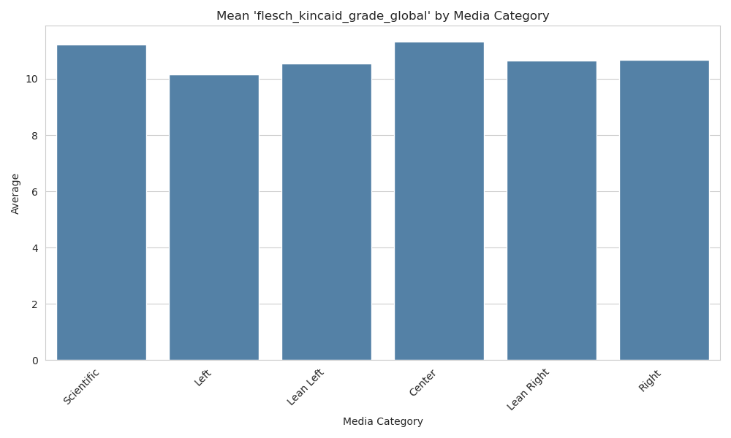

Measure_gunning_fog_global


