1-yr USD ATM Cap Valuation
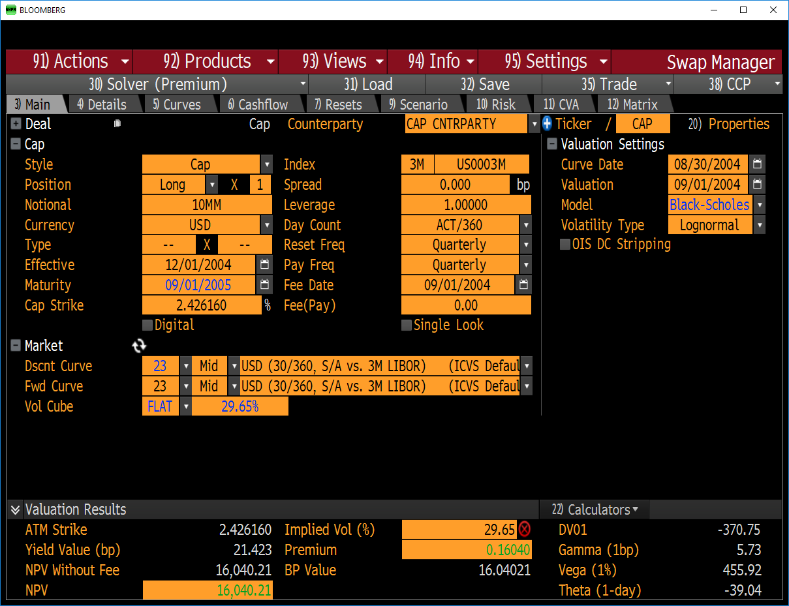
1-year ATM Cap |  | Curve Date | 2004-08-30 | Black Flat Volatility | 29.65% | ATM Cap Strike Rate | 2.426160%
Black 1976 Valuation |  | Settlement Date | 2004-09-01
PV | $16,040.21 | Valuation Date | 2004-09-01

 | Caplet | Expiry Date T_{i-1} | Expiry Day Count (ACT) | Expiry Year Frac.(ACT/365) | Pay Date | Tau_i Day Count (ACT) | Tau_i Year Frac. (ACT/360) | Notional | Strike (X) | Caplet Flat Vol. | Resest Rate | log(F/X) | Nd1 | Nd2 | Phi1 | Phi2 | Discount | Payment | PV
 | - | - | - | - | 2004-12-01 | 91 | 0.25277777778 | - | - | - | 1.79% | - | - | - | - | - | - | - | -
 | 1 | 2004-11-29 | 89 | 0.24383561644 | 2005-03-01 | 90 | 0.25 | $10,000,000 | 2.426160% | 14.641085% | 2.18785% | -0.1033888383 | -0.63295014004 | -0.77936099234 | 0.26338310171 | 0.21788354762 | 0.990080 | 1190.582068 | $1,178.77
 | 2 | 2005-02-25 | 177 | 0.48493150685 | 2005-06-01 | 92 | 0.25555555556 | $10,000,000 | 2.426160% | 20.647378% | 2.41341% | -0.0052689483671 | 0.077718158374 | -0.12875561687 | 0.53097387525 | 0.44877551286 | 0.984011 | 4923.4462451 | $4,844.73
 | 3 | 2005-05-27 | 268 | 0.73424657534 | 2005-09-01 | 92 | 0.25555555556 | $10,000,000 | 2.426160% | 25.406548% | 2.67516% | 0.097701008552 | 0.51158324394 | 0.25751776322 | 0.69552864252 | 0.60161044774 | 0.977330 | 10249.057263 | $10,016.71

