Data
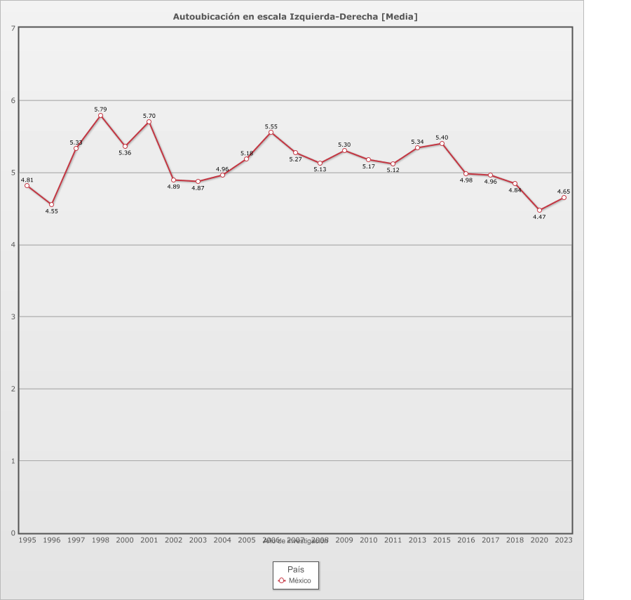
 |  | Autoubicación en escala Izquierda-Derecha

Categoría |  | Año de investigación
 |  | 1995 | 1996 | 1997 | 1998 | 2000 | 2001 | 2002 | 2003 | 2004 | 2005 | 2006 | 2007 | 2008 | 2009 | 2010 | 2011 | 2013 | 2015 | 2016 | 2017 | 2018 | 2020 | 2023
País - México
Izquierda | 6.4% | 7.1% | 11.7% | 0.6% | - | 2.3% | 3.0% | 5.2% | 12.6% | 10.8% | 6.0% | 3.7% | 7.3% | 5.3% | 5.4% | 4.5% | 4.8% | 7.2% | 6.3% | 5.3% | 10.5% | 6.1% | 9.3% | 10.7%
1 | 3.3% | 2.1% | 4.2% | 2.5% | 4.8% | 2.7% | 3.1% | 2.5% | 1.4% | 1.3% | 1.7% | 2.7% | 3.3% | 3.8% | 3.4% | 3.8% | 2.7% | 4.3% | 4.8% | 4.8% | 3.8% | 4.4% | 3.4% | 3.8%
2 | 4.2% | 4.1% | 6.9% | 4.4% | 3.2% | 4.3% | 4.7% | 3.6% | 3.6% | 4.2% | 4.7% | 3.8% | 3.6% | 4.4% | 2.8% | 4.3% | 3.6% | 2.8% | 3.0% | 5.4% | 4.7% | 5.6% | 4.1% | 4.0%
3 | 6.4% | 5.8% | 7.1% | 9.0% | 6.0% | 8.8% | 3.9% | 5.9% | 8.0% | 6.6% | 7.2% | 4.8% | 5.4% | 5.8% | 5.1% | 6.2% | 5.8% | 5.8% | 5.1% | 5.8% | 5.8% | 9.3% | 7.0% | 7.0%
4 | 7.1% | 8.4% | 5.8% | 10.3% | 5.9% | 7.1% | 4.5% | 8.8% | 8.6% | 6.0% | 8.3% | 5.6% | 5.7% | 7.8% | 5.8% | 6.8% | 6.9% | 6.4% | 5.7% | 9.5% | 7.6% | 9.3% | 6.4% | 7.0%
5 | 24.6% | 20.9% | 13.7% | 26.9% | 21.8% | 21.4% | 18.5% | 27.5% | 25.2% | 32.3% | 33.2% | 15.9% | 25.3% | 25.5% | 26.7% | 26.9% | 29.2% | 28.1% | 26.8% | 24.7% | 24.9% | 29.3% | 27.7% | 16.4%
6 | 7.1% | 5.4% | 7.4% | 7.2% | 5.3% | 8.9% | 17.5% | 6.1% | 5.6% | 4.9% | 8.6% | 7.7% | 7.4% | 8.0% | 5.7% | 4.8% | 6.6% | 6.5% | 5.7% | 7.0% | 7.9% | 7.6% | 5.4% | 5.7%
7 | 6.5% | 5.2% | 4.5% | 9.7% | 5.9% | 8.8% | 15.0% | 3.7% | 4.1% | 5.9% | 4.5% | 10.7% | 6.8% | 6.3% | 7.2% | 6.1% | 7.7% | 5.8% | 5.5% | 6.9% | 6.0% | 4.9% | 4.1% | 5.1%
8 | 6.4% | 4.2% | 5.6% | 7.6% | 6.8% | 7.5% | 12.3% | 4.4% | 5.7% | 7.6% | 6.7% | 6.6% | 7.2% | 5.3% | 6.8% | 6.3% | 5.8% | 6.3% | 7.8% | 6.0% | 5.8% | 5.7% | 2.7% | 6.1%
9 | 2.9% | 3.0% | 4.5% | 5.7% | 2.0% | 5.1% | 4.2% | 2.9% | 2.4% | 1.9% | 0.6% | 4.4% | 2.9% | 2.8% | 2.8% | 2.2% | 2.8% | 3.3% | 3.8% | 2.1% | 2.5% | 1.2% | 1.5% | 2.4%
Derecha | 7.2% | 4.5% | 6.2% | 2.2% | 11.9% | 3.9% | 3.0% | 4.2% | 10.4% | 8.0% | 10.0% | 5.7% | 9.1% | 7.4% | 7.4% | 7.8% | 4.7% | 11.9% | 10.9% | 6.8% | 9.9% | 7.8% | 4.9% | 6.4%
No sabe | 9.0% | 25.0% | 14.3% | 5.6% | 11.7% | 7.7% | 7.1% | 7.1% | 8.2% | 8.4% | 3.1% | 13.8% | 10.8% | 9.1% | 12.9% | 12.3% | 9.5% | 6.8% | 6.1% | - | 4.9% | 4.2% | 8.4% | 8.9%
No contesta | 2.3% | 4.3% | 2.8% | 0.6% | 8.0% | 2.1% | 0.5% | 0.5% | - | 0.1% | - | 4.3% | 0.5% | 1.8% | 1.7% | 1.9% | 2.8% | 0.8% | 1.4% | 15.7% | 0.9% | 1.4% | 0.0% | 0.2%
Ninguno | 6.7% | - | 5.4% | 7.6% | 6.7% | 9.3% | 2.7% | 17.7% | 4.4% | 2.1% | 5.5% | 10.4% | 4.6% | 6.9% | 6.6% | 6.2% | 7.3% | 4.0% | 7.2% | - | 4.8% | 3.3% | 14.8% | 16.3%
(N) | 27,866 (100%) | 1,204 (100%) | 1,526 (100%) | 1,105 (100%) | 1,200 (100%) | 1,166 (100%) | 1,253 (100%) | 1,210 (100%) | 1,200 (100%) | 1,200 (100%) | 1,200 (100%) | 1,200 (100%) | 1,200 (100%) | 1,200 (100%) | 1,200 (100%) | 1,200 (100%) | 1,200 (100%) | 1,200 (100%) | 1,200 (100%) | 1,200 (100%) | 1,200 (100%) | 1,200 (100%) | 1,202 (100%) | 1,200 (100%)
Media | 5.11 | 4.81 | 4.55 | 5.33 | 5.79 | 5.36 | 5.70 | 4.89 | 4.87 | 4.96 | 5.18 | 5.55 | 5.27 | 5.13 | 5.30 | 5.17 | 5.12 | 5.34 | 5.40 | 4.98 | 4.96 | 4.84 | 4.47 | 4.65
Desviación estándar | 2.70 | 2.66 | 3.10 | 2.14 | 2.63 | 2.40 | 2.30 | 2.44 | 2.99 | 2.77 | 2.56 | 2.63 | 2.81 | 2.64 | 2.66 | 2.64 | 2.43 | 2.88 | 2.88 | 2.63 | 2.93 | 2.59 | 2.63 | 3.00
N | 22,856 | 851 | 1,182 | 952 | 884 | 943 | 1,124 | 904 | 1,049 | 1,073 | 1,097 | 858 | 1,010 | 986 | 946 | 956 | 964 | 1,061 | 1,023 | 1,011 | 1,073 | 1,093 | 922 | 895
País - Total
Izquierda | 6.4% | 7.1% | 11.7% | 0.6% | - | 2.3% | 3.0% | 5.2% | 12.6% | 10.8% | 6.0% | 3.7% | 7.3% | 5.3% | 5.4% | 4.5% | 4.8% | 7.2% | 6.3% | 5.3% | 10.5% | 6.1% | 9.3% | 10.7%
1 | 3.3% | 2.1% | 4.2% | 2.5% | 4.8% | 2.7% | 3.1% | 2.5% | 1.4% | 1.3% | 1.7% | 2.7% | 3.3% | 3.8% | 3.4% | 3.8% | 2.7% | 4.3% | 4.8% | 4.8% | 3.8% | 4.4% | 3.4% | 3.8%
2 | 4.2% | 4.1% | 6.9% | 4.4% | 3.2% | 4.3% | 4.7% | 3.6% | 3.6% | 4.2% | 4.7% | 3.8% | 3.6% | 4.4% | 2.8% | 4.3% | 3.6% | 2.8% | 3.0% | 5.4% | 4.7% | 5.6% | 4.1% | 4.0%
3 | 6.4% | 5.8% | 7.1% | 9.0% | 6.0% | 8.8% | 3.9% | 5.9% | 8.0% | 6.6% | 7.2% | 4.8% | 5.4% | 5.8% | 5.1% | 6.2% | 5.8% | 5.8% | 5.1% | 5.8% | 5.8% | 9.3% | 7.0% | 7.0%
4 | 7.1% | 8.4% | 5.8% | 10.3% | 5.9% | 7.1% | 4.5% | 8.8% | 8.6% | 6.0% | 8.3% | 5.6% | 5.7% | 7.8% | 5.8% | 6.8% | 6.9% | 6.4% | 5.7% | 9.5% | 7.6% | 9.3% | 6.4% | 7.0%
5 | 24.6% | 20.9% | 13.7% | 26.9% | 21.8% | 21.4% | 18.5% | 27.5% | 25.2% | 32.3% | 33.2% | 15.9% | 25.3% | 25.5% | 26.7% | 26.9% | 29.2% | 28.1% | 26.8% | 24.7% | 24.9% | 29.3% | 27.7% | 16.4%
6 | 7.1% | 5.4% | 7.4% | 7.2% | 5.3% | 8.9% | 17.5% | 6.1% | 5.6% | 4.9% | 8.6% | 7.7% | 7.4% | 8.0% | 5.7% | 4.8% | 6.6% | 6.5% | 5.7% | 7.0% | 7.9% | 7.6% | 5.4% | 5.7%
7 | 6.5% | 5.2% | 4.5% | 9.7% | 5.9% | 8.8% | 15.0% | 3.7% | 4.1% | 5.9% | 4.5% | 10.7% | 6.8% | 6.3% | 7.2% | 6.1% | 7.7% | 5.8% | 5.5% | 6.9% | 6.0% | 4.9% | 4.1% | 5.1%
8 | 6.4% | 4.2% | 5.6% | 7.6% | 6.8% | 7.5% | 12.3% | 4.4% | 5.7% | 7.6% | 6.7% | 6.6% | 7.2% | 5.3% | 6.8% | 6.3% | 5.8% | 6.3% | 7.8% | 6.0% | 5.8% | 5.7% | 2.7% | 6.1%
9 | 2.9% | 3.0% | 4.5% | 5.7% | 2.0% | 5.1% | 4.2% | 2.9% | 2.4% | 1.9% | 0.6% | 4.4% | 2.9% | 2.8% | 2.8% | 2.2% | 2.8% | 3.3% | 3.8% | 2.1% | 2.5% | 1.2% | 1.5% | 2.4%
Derecha | 7.2% | 4.5% | 6.2% | 2.2% | 11.9% | 3.9% | 3.0% | 4.2% | 10.4% | 8.0% | 10.0% | 5.7% | 9.1% | 7.4% | 7.4% | 7.8% | 4.7% | 11.9% | 10.9% | 6.8% | 9.9% | 7.8% | 4.9% | 6.4%
No sabe | 9.0% | 25.0% | 14.3% | 5.6% | 11.7% | 7.7% | 7.1% | 7.1% | 8.2% | 8.4% | 3.1% | 13.8% | 10.8% | 9.1% | 12.9% | 12.3% | 9.5% | 6.8% | 6.1% | - | 4.9% | 4.2% | 8.4% | 8.9%
No contesta | 2.3% | 4.3% | 2.8% | 0.6% | 8.0% | 2.1% | 0.5% | 0.5% | - | 0.1% | - | 4.3% | 0.5% | 1.8% | 1.7% | 1.9% | 2.8% | 0.8% | 1.4% | 15.7% | 0.9% | 1.4% | 0.0% | 0.2%
Ninguno | 6.7% | - | 5.4% | 7.6% | 6.7% | 9.3% | 2.7% | 17.7% | 4.4% | 2.1% | 5.5% | 10.4% | 4.6% | 6.9% | 6.6% | 6.2% | 7.3% | 4.0% | 7.2% | - | 4.8% | 3.3% | 14.8% | 16.3%
(N) | 27,866 (100%) | 1,204 (100%) | 1,526 (100%) | 1,105 (100%) | 1,200 (100%) | 1,166 (100%) | 1,253 (100%) | 1,210 (100%) | 1,200 (100%) | 1,200 (100%) | 1,200 (100%) | 1,200 (100%) | 1,200 (100%) | 1,200 (100%) | 1,200 (100%) | 1,200 (100%) | 1,200 (100%) | 1,200 (100%) | 1,200 (100%) | 1,200 (100%) | 1,200 (100%) | 1,200 (100%) | 1,202 (100%) | 1,200 (100%)
Media | 5.11 | 4.81 | 4.55 | 5.33 | 5.79 | 5.36 | 5.70 | 4.89 | 4.87 | 4.96 | 5.18 | 5.55 | 5.27 | 5.13 | 5.30 | 5.17 | 5.12 | 5.34 | 5.40 | 4.98 | 4.96 | 4.84 | 4.47 | 4.65
Desviación estándar | 2.70 | 2.66 | 3.10 | 2.14 | 2.63 | 2.40 | 2.30 | 2.44 | 2.99 | 2.77 | 2.56 | 2.63 | 2.81 | 2.64 | 2.66 | 2.64 | 2.43 | 2.88 | 2.88 | 2.63 | 2.93 | 2.59 | 2.63 | 3.00
N | 22,856 | 851 | 1,182 | 952 | 884 | 943 | 1,124 | 904 | 1,049 | 1,073 | 1,097 | 858 | 1,010 | 986 | 946 | 956 | 964 | 1,061 | 1,023 | 1,011 | 1,073 | 1,093 | 922 | 895

