Data
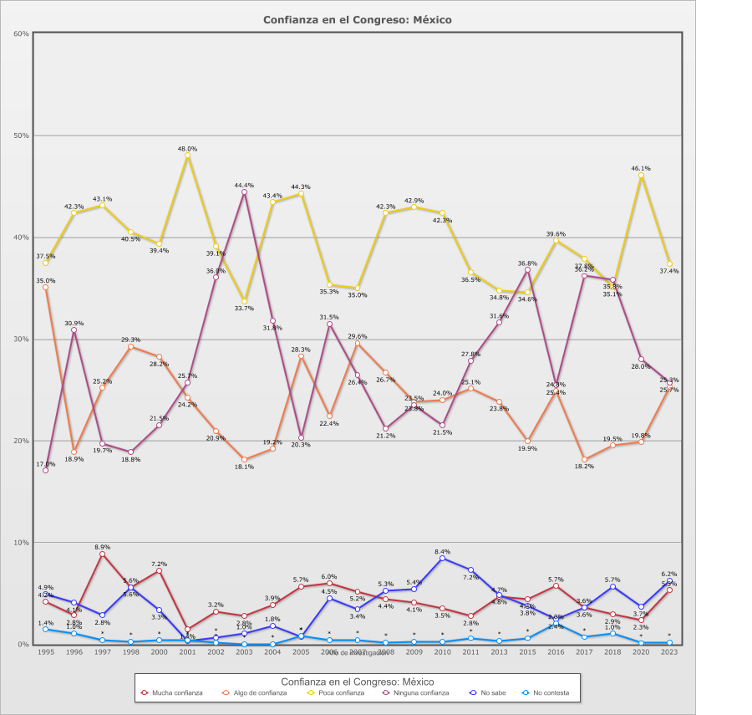
 |  | Confianza en el Congreso

Categoría |  | Año de investigación
 |  | 1995 | 1996 | 1997 | 1998 | 2000 | 2001 | 2002 | 2003 | 2004 | 2005 | 2006 | 2007 | 2008 | 2009 | 2010 | 2011 | 2013 | 2015 | 2016 | 2017 | 2018 | 2020 | 2023
País - México
Mucha confianza | 4.3% | 4.2% | 2.8% | 8.9% | 5.6% | 7.2% | 1.4% | 3.2% | 2.8% | 3.9% | 5.7% | 6.0% | 5.2% | 4.4% | 4.1% | 3.5% | 2.8% | 4.7% | 4.4% | 5.7% | 3.6% | 2.9% | 2.3% | 5.3%
Algo de confianza | 23.9% | 35.0% | 18.9% | 25.2% | 29.3% | 28.2% | 24.2% | 20.9% | 18.1% | 19.2% | 28.3% | 22.4% | 29.6% | 26.7% | 23.8% | 24.0% | 25.1% | 23.8% | 19.9% | 24.8% | 18.2% | 19.5% | 19.8% | 25.3%
Poca confianza | 39.6% | 37.5% | 42.3% | 43.1% | 40.5% | 39.4% | 48.0% | 39.1% | 33.7% | 43.4% | 44.3% | 35.3% | 35.0% | 42.3% | 42.9% | 42.3% | 36.5% | 34.8% | 34.6% | 39.6% | 37.8% | 35.1% | 46.1% | 37.4%
Ninguna confianza | 27.8% | 17.0% | 30.9% | 19.7% | 18.8% | 21.5% | 25.7% | 36.0% | 44.4% | 31.8% | 20.3% | 31.5% | 26.4% | 21.2% | 23.5% | 21.5% | 27.8% | 31.6% | 36.8% | 25.4% | 36.2% | 35.8% | 28.0% | 25.7%
No sabe | 3.9% | 4.9% | 4.1% | 2.8% | 5.6% | 3.3% | 0.3% | 0.7% | 1.0% | 1.8% | 0.7% | 4.5% | 3.4% | 5.3% | 5.4% | 8.4% | 7.2% | 4.8% | 3.8% | 2.4% | 3.6% | 5.7% | 3.7% | 6.2%
No contesta | 0.5% | 1.4% | 1.0% | 0.4% | 0.3% | 0.3% | 0.4% | 0.1% | - | - | 0.8% | 0.4% | 0.4% | 0.2% | 0.3% | 0.3% | 0.6% | 0.3% | 0.6% | 2.0% | 0.7% | 1.0% | 0.1% | 0.2%
(N) | 27,866 (100%) | 1,204 (100%) | 1,526 (100%) | 1,105 (100%) | 1,200 (100%) | 1,166 (100%) | 1,253 (100%) | 1,210 (100%) | 1,200 (100%) | 1,200 (100%) | 1,200 (100%) | 1,200 (100%) | 1,200 (100%) | 1,200 (100%) | 1,200 (100%) | 1,200 (100%) | 1,200 (100%) | 1,200 (100%) | 1,200 (100%) | 1,200 (100%) | 1,200 (100%) | 1,200 (100%) | 1,202 (100%) | 1,200 (100%)
País - Total
Mucha confianza | 4.3% | 4.2% | 2.8% | 8.9% | 5.6% | 7.2% | 1.4% | 3.2% | 2.8% | 3.9% | 5.7% | 6.0% | 5.2% | 4.4% | 4.1% | 3.5% | 2.8% | 4.7% | 4.4% | 5.7% | 3.6% | 2.9% | 2.3% | 5.3%
Algo de confianza | 23.9% | 35.0% | 18.9% | 25.2% | 29.3% | 28.2% | 24.2% | 20.9% | 18.1% | 19.2% | 28.3% | 22.4% | 29.6% | 26.7% | 23.8% | 24.0% | 25.1% | 23.8% | 19.9% | 24.8% | 18.2% | 19.5% | 19.8% | 25.3%
Poca confianza | 39.6% | 37.5% | 42.3% | 43.1% | 40.5% | 39.4% | 48.0% | 39.1% | 33.7% | 43.4% | 44.3% | 35.3% | 35.0% | 42.3% | 42.9% | 42.3% | 36.5% | 34.8% | 34.6% | 39.6% | 37.8% | 35.1% | 46.1% | 37.4%
Ninguna confianza | 27.8% | 17.0% | 30.9% | 19.7% | 18.8% | 21.5% | 25.7% | 36.0% | 44.4% | 31.8% | 20.3% | 31.5% | 26.4% | 21.2% | 23.5% | 21.5% | 27.8% | 31.6% | 36.8% | 25.4% | 36.2% | 35.8% | 28.0% | 25.7%
No sabe | 3.9% | 4.9% | 4.1% | 2.8% | 5.6% | 3.3% | 0.3% | 0.7% | 1.0% | 1.8% | 0.7% | 4.5% | 3.4% | 5.3% | 5.4% | 8.4% | 7.2% | 4.8% | 3.8% | 2.4% | 3.6% | 5.7% | 3.7% | 6.2%
No contesta | 0.5% | 1.4% | 1.0% | 0.4% | 0.3% | 0.3% | 0.4% | 0.1% | - | - | 0.8% | 0.4% | 0.4% | 0.2% | 0.3% | 0.3% | 0.6% | 0.3% | 0.6% | 2.0% | 0.7% | 1.0% | 0.1% | 0.2%
(N) | 27,866 (100%) | 1,204 (100%) | 1,526 (100%) | 1,105 (100%) | 1,200 (100%) | 1,166 (100%) | 1,253 (100%) | 1,210 (100%) | 1,200 (100%) | 1,200 (100%) | 1,200 (100%) | 1,200 (100%) | 1,200 (100%) | 1,200 (100%) | 1,200 (100%) | 1,200 (100%) | 1,200 (100%) | 1,200 (100%) | 1,200 (100%) | 1,200 (100%) | 1,200 (100%) | 1,200 (100%) | 1,202 (100%) | 1,200 (100%)

