Data
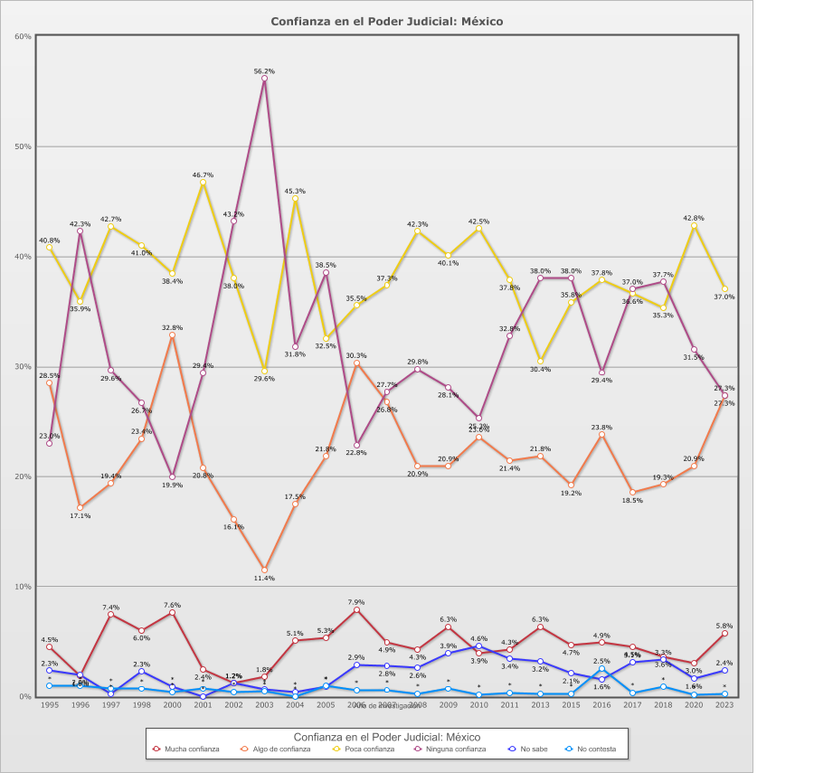
 |  | Confianza en el Poder Judicial

Categoría |  | Año de investigación
 |  | 1995 | 1996 | 1997 | 1998 | 2000 | 2001 | 2002 | 2003 | 2004 | 2005 | 2006 | 2007 | 2008 | 2009 | 2010 | 2011 | 2013 | 2015 | 2016 | 2017 | 2018 | 2020 | 2023
País - México
Mucha confianza | 4.6% | 4.5% | 1.8% | 7.4% | 6.0% | 7.6% | 2.4% | 1.2% | 1.8% | 5.1% | 5.3% | 7.9% | 4.9% | 4.3% | 6.3% | 3.9% | 4.3% | 6.3% | 4.7% | 4.9% | 4.5% | 3.6% | 3.0% | 5.8%
Algo de confianza | 21.8% | 28.5% | 17.1% | 19.4% | 23.4% | 32.8% | 20.8% | 16.1% | 11.4% | 17.5% | 21.8% | 30.3% | 26.8% | 20.9% | 20.9% | 23.6% | 21.4% | 21.8% | 19.2% | 23.8% | 18.5% | 19.3% | 20.9% | 27.3%
Poca confianza | 38.3% | 40.8% | 35.9% | 42.7% | 41.0% | 38.4% | 46.7% | 38.0% | 29.6% | 45.3% | 32.5% | 35.5% | 37.3% | 42.3% | 40.1% | 42.5% | 37.8% | 30.4% | 35.8% | 37.8% | 36.6% | 35.3% | 42.8% | 37.0%
Ninguna confianza | 32.6% | 23.0% | 42.3% | 29.6% | 26.7% | 19.9% | 29.4% | 43.2% | 56.2% | 31.8% | 38.5% | 22.8% | 27.7% | 29.8% | 28.1% | 25.3% | 32.8% | 38.0% | 38.0% | 29.4% | 37.0% | 37.7% | 31.5% | 27.3%
No sabe | 2.1% | 2.3% | 2.0% | 0.2% | 2.3% | 0.9% | 0.0% | 1.2% | 0.7% | 0.4% | 0.9% | 2.9% | 2.8% | 2.6% | 3.9% | 4.6% | 3.4% | 3.2% | 2.1% | 1.6% | 3.1% | 3.3% | 1.6% | 2.4%
No contesta | 0.6% | 0.9% | 0.9% | 0.7% | 0.7% | 0.3% | 0.7% | 0.4% | 0.4% | - | 0.9% | 0.6% | 0.6% | 0.3% | 0.7% | 0.2% | 0.3% | 0.3% | 0.3% | 2.5% | 0.3% | 0.8% | 0.1% | 0.2%
(N) | 27,866 (100%) | 1,204 (100%) | 1,526 (100%) | 1,105 (100%) | 1,200 (100%) | 1,166 (100%) | 1,253 (100%) | 1,210 (100%) | 1,200 (100%) | 1,200 (100%) | 1,200 (100%) | 1,200 (100%) | 1,200 (100%) | 1,200 (100%) | 1,200 (100%) | 1,200 (100%) | 1,200 (100%) | 1,200 (100%) | 1,200 (100%) | 1,200 (100%) | 1,200 (100%) | 1,200 (100%) | 1,202 (100%) | 1,200 (100%)
País - Total
Mucha confianza | 4.6% | 4.5% | 1.8% | 7.4% | 6.0% | 7.6% | 2.4% | 1.2% | 1.8% | 5.1% | 5.3% | 7.9% | 4.9% | 4.3% | 6.3% | 3.9% | 4.3% | 6.3% | 4.7% | 4.9% | 4.5% | 3.6% | 3.0% | 5.8%
Algo de confianza | 21.8% | 28.5% | 17.1% | 19.4% | 23.4% | 32.8% | 20.8% | 16.1% | 11.4% | 17.5% | 21.8% | 30.3% | 26.8% | 20.9% | 20.9% | 23.6% | 21.4% | 21.8% | 19.2% | 23.8% | 18.5% | 19.3% | 20.9% | 27.3%
Poca confianza | 38.3% | 40.8% | 35.9% | 42.7% | 41.0% | 38.4% | 46.7% | 38.0% | 29.6% | 45.3% | 32.5% | 35.5% | 37.3% | 42.3% | 40.1% | 42.5% | 37.8% | 30.4% | 35.8% | 37.8% | 36.6% | 35.3% | 42.8% | 37.0%
Ninguna confianza | 32.6% | 23.0% | 42.3% | 29.6% | 26.7% | 19.9% | 29.4% | 43.2% | 56.2% | 31.8% | 38.5% | 22.8% | 27.7% | 29.8% | 28.1% | 25.3% | 32.8% | 38.0% | 38.0% | 29.4% | 37.0% | 37.7% | 31.5% | 27.3%
No sabe | 2.1% | 2.3% | 2.0% | 0.2% | 2.3% | 0.9% | 0.0% | 1.2% | 0.7% | 0.4% | 0.9% | 2.9% | 2.8% | 2.6% | 3.9% | 4.6% | 3.4% | 3.2% | 2.1% | 1.6% | 3.1% | 3.3% | 1.6% | 2.4%
No contesta | 0.6% | 0.9% | 0.9% | 0.7% | 0.7% | 0.3% | 0.7% | 0.4% | 0.4% | - | 0.9% | 0.6% | 0.6% | 0.3% | 0.7% | 0.2% | 0.3% | 0.3% | 0.3% | 2.5% | 0.3% | 0.8% | 0.1% | 0.2%
(N) | 27,866 (100%) | 1,204 (100%) | 1,526 (100%) | 1,105 (100%) | 1,200 (100%) | 1,166 (100%) | 1,253 (100%) | 1,210 (100%) | 1,200 (100%) | 1,200 (100%) | 1,200 (100%) | 1,200 (100%) | 1,200 (100%) | 1,200 (100%) | 1,200 (100%) | 1,200 (100%) | 1,200 (100%) | 1,200 (100%) | 1,200 (100%) | 1,200 (100%) | 1,200 (100%) | 1,200 (100%) | 1,202 (100%) | 1,200 (100%)

