Data
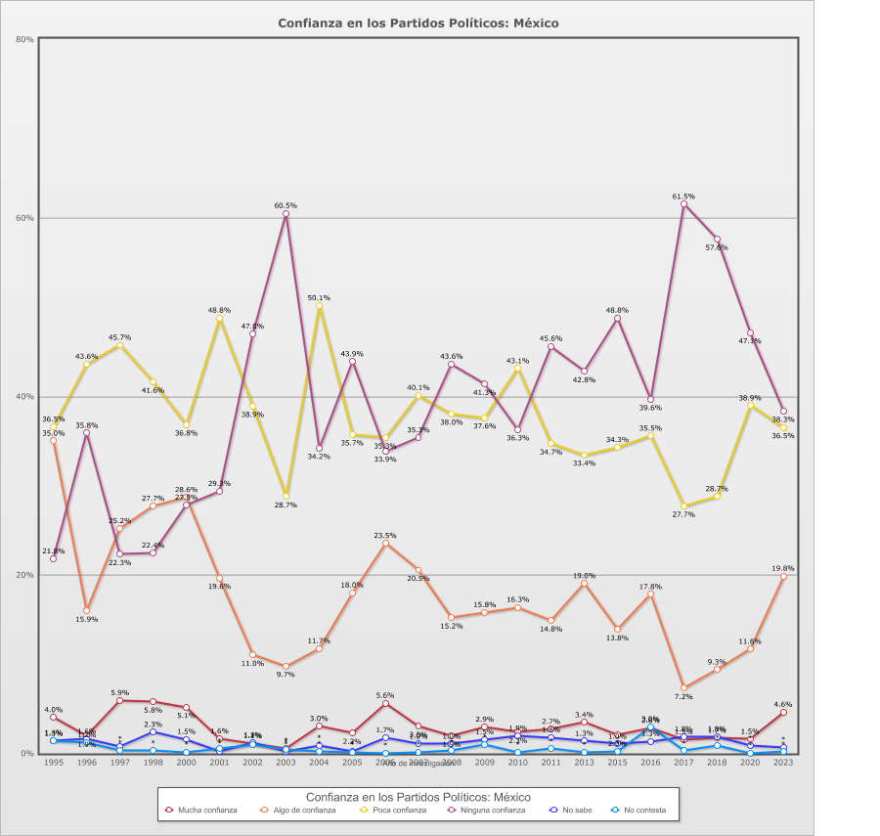
 |  | Confianza en los Partidos Políticos

Categoría |  | Año de investigación
 |  | 1995 | 1996 | 1997 | 1998 | 2000 | 2001 | 2002 | 2003 | 2004 | 2005 | 2006 | 2007 | 2008 | 2009 | 2010 | 2011 | 2013 | 2015 | 2016 | 2017 | 2018 | 2020 | 2023
País - México
Mucha confianza | 2.9% | 4.0% | 1.9% | 5.9% | 5.8% | 5.1% | 1.6% | 1.1% | 0.5% | 3.0% | 2.2% | 5.6% | 3.0% | 1.9% | 2.9% | 2.3% | 2.7% | 3.4% | 2.0% | 2.8% | 1.5% | 1.7% | 1.5% | 4.6%
Algo de confianza | 17.6% | 35.0% | 15.9% | 25.2% | 27.7% | 28.6% | 19.6% | 11.0% | 9.7% | 11.7% | 18.0% | 23.5% | 20.5% | 15.2% | 15.8% | 16.3% | 14.8% | 19.0% | 13.8% | 17.8% | 7.2% | 9.3% | 11.6% | 19.8%
Poca confianza | 37.9% | 36.5% | 43.6% | 45.7% | 41.6% | 36.8% | 48.8% | 38.9% | 28.7% | 50.1% | 35.7% | 35.3% | 40.1% | 38.0% | 37.6% | 43.1% | 34.7% | 33.4% | 34.3% | 35.5% | 27.7% | 28.7% | 38.9% | 36.5%
Ninguna confianza | 39.9% | 21.8% | 35.8% | 22.3% | 22.4% | 27.8% | 29.3% | 47.0% | 60.5% | 34.2% | 43.9% | 33.9% | 35.3% | 43.6% | 41.3% | 36.3% | 45.6% | 42.8% | 48.8% | 39.6% | 61.5% | 57.6% | 47.1% | 38.3%
No sabe | 1.2% | 1.3% | 1.6% | 0.7% | 2.3% | 1.5% | 0.2% | 1.2% | 0.1% | 0.8% | 0.2% | 1.7% | 1.0% | 1.0% | 1.5% | 1.9% | 1.8% | 1.3% | 1.0% | 1.3% | 1.8% | 1.8% | 0.8% | 0.7%
No contesta | 0.5% | 1.4% | 1.2% | 0.3% | 0.3% | 0.1% | 0.5% | 1.0% | 0.4% | 0.2% | 0.1% | - | 0.1% | 0.3% | 0.9% | 0.1% | 0.5% | 0.1% | 0.2% | 3.0% | 0.3% | 0.8% | - | 0.1%
(N) | 27,866 (100%) | 1,204 (100%) | 1,526 (100%) | 1,105 (100%) | 1,200 (100%) | 1,166 (100%) | 1,253 (100%) | 1,210 (100%) | 1,200 (100%) | 1,200 (100%) | 1,200 (100%) | 1,200 (100%) | 1,200 (100%) | 1,200 (100%) | 1,200 (100%) | 1,200 (100%) | 1,200 (100%) | 1,200 (100%) | 1,200 (100%) | 1,200 (100%) | 1,200 (100%) | 1,200 (100%) | 1,202 (100%) | 1,200 (100%)
País - Total
Mucha confianza | 2.9% | 4.0% | 1.9% | 5.9% | 5.8% | 5.1% | 1.6% | 1.1% | 0.5% | 3.0% | 2.2% | 5.6% | 3.0% | 1.9% | 2.9% | 2.3% | 2.7% | 3.4% | 2.0% | 2.8% | 1.5% | 1.7% | 1.5% | 4.6%
Algo de confianza | 17.6% | 35.0% | 15.9% | 25.2% | 27.7% | 28.6% | 19.6% | 11.0% | 9.7% | 11.7% | 18.0% | 23.5% | 20.5% | 15.2% | 15.8% | 16.3% | 14.8% | 19.0% | 13.8% | 17.8% | 7.2% | 9.3% | 11.6% | 19.8%
Poca confianza | 37.9% | 36.5% | 43.6% | 45.7% | 41.6% | 36.8% | 48.8% | 38.9% | 28.7% | 50.1% | 35.7% | 35.3% | 40.1% | 38.0% | 37.6% | 43.1% | 34.7% | 33.4% | 34.3% | 35.5% | 27.7% | 28.7% | 38.9% | 36.5%
Ninguna confianza | 39.9% | 21.8% | 35.8% | 22.3% | 22.4% | 27.8% | 29.3% | 47.0% | 60.5% | 34.2% | 43.9% | 33.9% | 35.3% | 43.6% | 41.3% | 36.3% | 45.6% | 42.8% | 48.8% | 39.6% | 61.5% | 57.6% | 47.1% | 38.3%
No sabe | 1.2% | 1.3% | 1.6% | 0.7% | 2.3% | 1.5% | 0.2% | 1.2% | 0.1% | 0.8% | 0.2% | 1.7% | 1.0% | 1.0% | 1.5% | 1.9% | 1.8% | 1.3% | 1.0% | 1.3% | 1.8% | 1.8% | 0.8% | 0.7%
No contesta | 0.5% | 1.4% | 1.2% | 0.3% | 0.3% | 0.1% | 0.5% | 1.0% | 0.4% | 0.2% | 0.1% | - | 0.1% | 0.3% | 0.9% | 0.1% | 0.5% | 0.1% | 0.2% | 3.0% | 0.3% | 0.8% | - | 0.1%
(N) | 27,866 (100%) | 1,204 (100%) | 1,526 (100%) | 1,105 (100%) | 1,200 (100%) | 1,166 (100%) | 1,253 (100%) | 1,210 (100%) | 1,200 (100%) | 1,200 (100%) | 1,200 (100%) | 1,200 (100%) | 1,200 (100%) | 1,200 (100%) | 1,200 (100%) | 1,200 (100%) | 1,200 (100%) | 1,200 (100%) | 1,200 (100%) | 1,200 (100%) | 1,200 (100%) | 1,200 (100%) | 1,202 (100%) | 1,200 (100%)

