Span Load
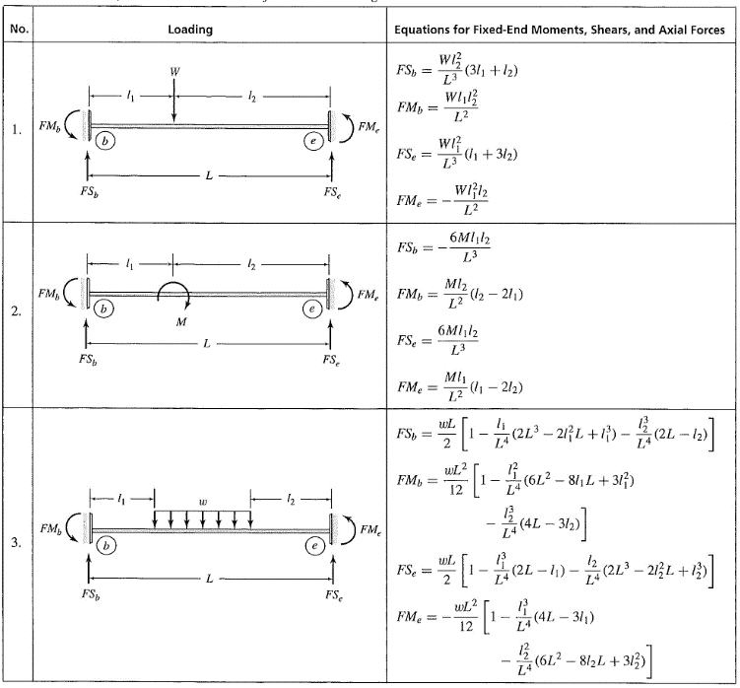
MEMBER | LOAD | LOAD | LOCATION |  | LOAD | LOAD |  |  | LOAD TYPE: 1 = PL, 2 = UDL
 | FACTOR | TYPE | L1/L | L2/L | PROJECTION | X | Y | Z | LOAD PROJECTION: 1 = Global, 2 = Local
3 | 1 | 2 |  |  | 2 | 0 | -0.002 | 0
4 | 1 | 2 |  |  | 2 | 0 | -0.002 | 0
7 | 1 | 2 |  |  | 2 | 0 | -0.003 | 0
8 | 1 | 2 |  |  | 2 | 0 | -0.003 | 0
10 | 1 | 2 |  |  | 2 | 0 | -0.004 | 0
11 | 1 | 2 |  |  | 2 | 0 | -0.004 | 0
12 | 1 | 2 |  |  | 2 | 0 | -0.004 | 0
13 | 1 | 2 |  |  | 2 | 0 | -0.004 | 0
14 | 1 | 2 |  |  | 2 | 0 | -0.002 | 0
15 | 1 | 2 |  |  | 2 | 0 | -0.002 | 0
16 | 1 | 2 |  |  | 2 | 0 | -0.002 | 0
17 | 1 | 2 |  |  | 2 | 0 | -0.002 | 0

