Member End Results
Member End Results Sheet |  |  |  |  |  |  |  |  |  |  | pw: 1

Display Results for Member : |  |  | 20

Forces and Moments |  |  | unit: | m |  | 0.001 | 1 | 1 | 1 | kN

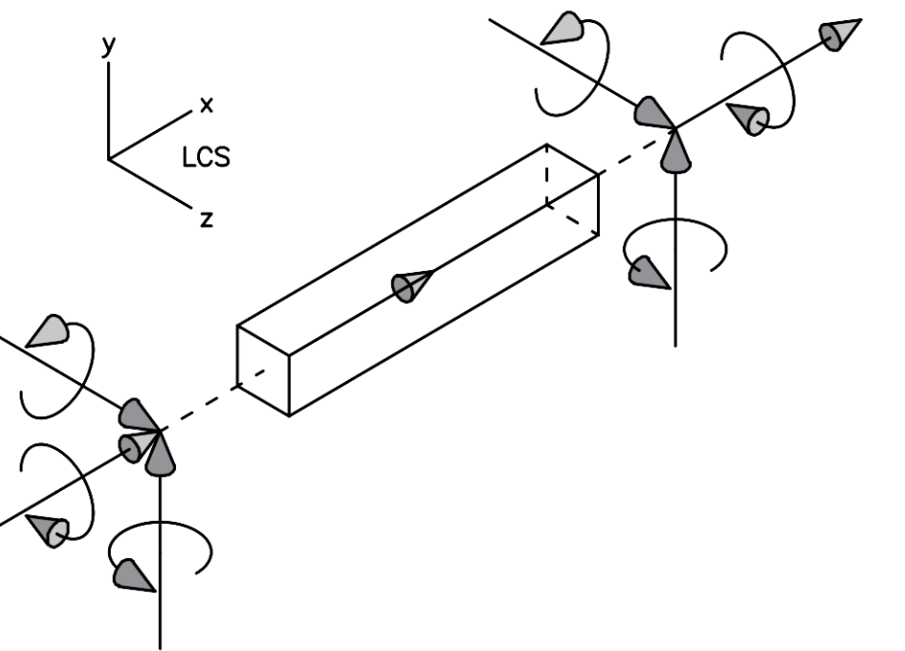
 |  |  |  |  | Q9 = -0.1 kN |  |  |  |  | Q7 = 48 kN

 |  |  |  |  | Q12 = 23.1 kNm |  |  |  |  | Q10 = 0 kNm

 |  |  |  |  |  |  |  |  | Q11 = -0.3 kNm
 |  | Q6 = 50.1 kNm
 | Q3 = 0.1 kN |  |  |  |  |  |  | Q8 = -18.7 kN
 |  |  |  |  | 20
 |  |  |  |  | L = 3.9 m
 | Q4 = 0 kNm

 | Q1 = -48 kN
 |  |  |  | Q5 = -0.1 kNm

 |  |  | Q2 = 18.7 kN

Displacements and Rotations |  |  | unit: | mm |  | 1 | 1 | 1 | 1 | kN

 |  |  |  |  | u9 = -17.664 mm |  |  |  |  | u7 = 19.345 mm

 |  |  |  |  | u12 = -0.004 rad |  |  |  |  | u10 = -0.003 rad

 |  |  |  |  |  |  |  |  | u11 = 0 rad
 |  | u6 = -0.002 rad
 | u3 = -17.6645 mm |  |  |  |  |  |  | u8 = -17.665 mm
 |  |  |  |  | 20
 |  |  |  |  | L = 3905.12 mm
 | u4 = -0.001 rad

 | u1 = 19.188 mm
 |  |  |  | u5 = 0 rad

 |  |  | u2 = -0.292 mm

