Actuators
LEGEND | Actual values | Guessed from actual | Random | Calculated
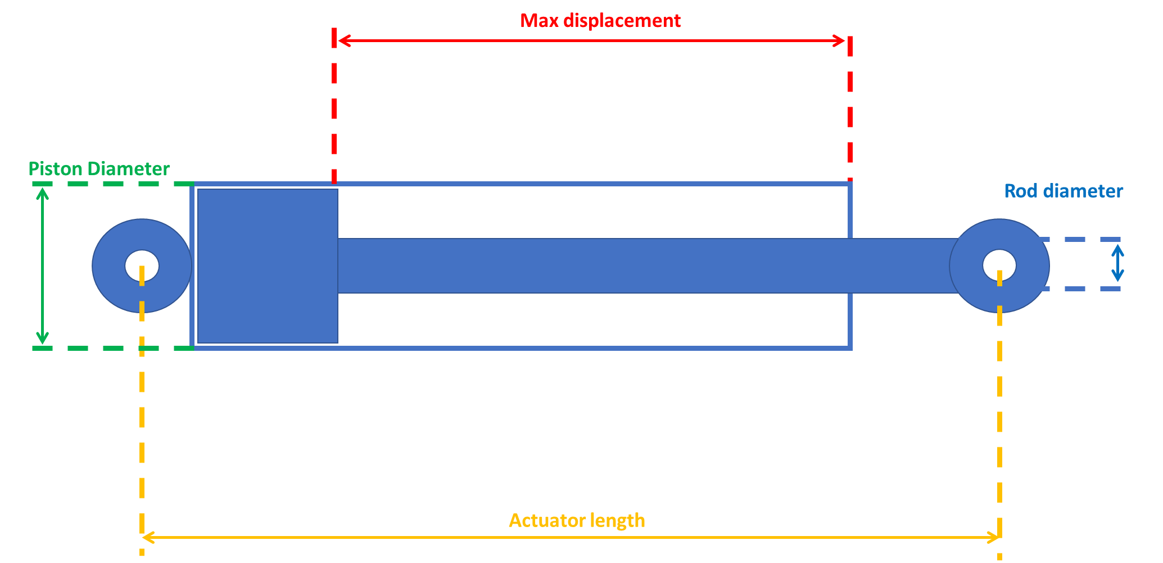
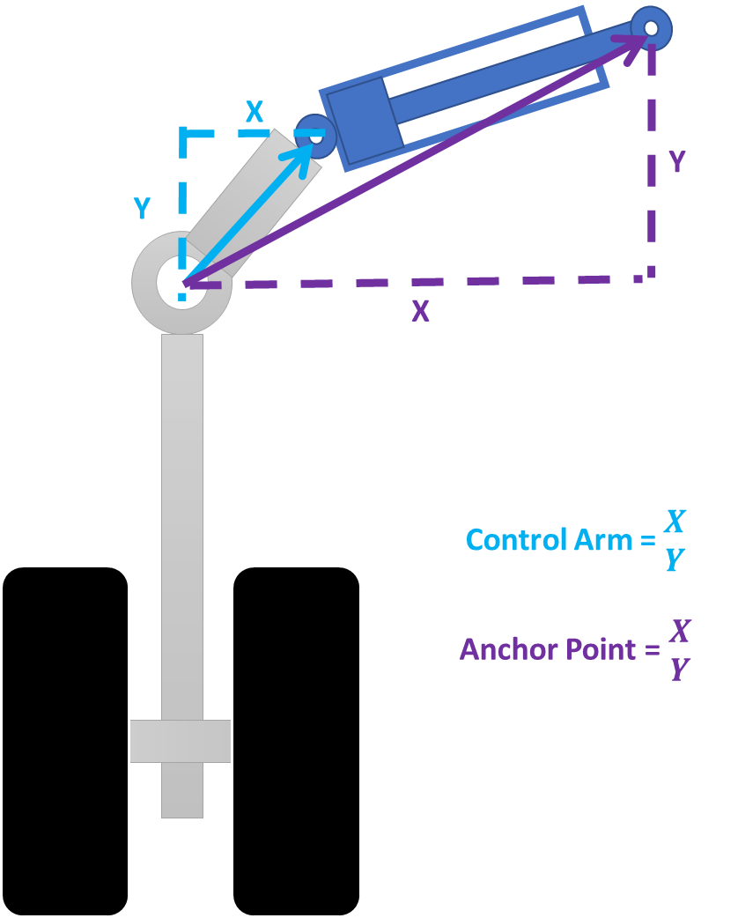

 | Displacement length (m) | piston diameter (m) | rod diameter (m) | Piston area (m2) | Rod area (m2) | Volume bore side (m3) | Volume rod side (m3) | Volume Ratio extended | Volume Impact On Reservoir (L)
Aileron |  |  |  | 0 | 0 | 0 | 0 | #DIV/0! | 0

 | Actuator Length(m) | Control Arm position X | Control Arm position Y | Anchor point position X | Anchor point position Y

 | Displacement length (m) | piston diameter (m) | rod diameter (m) | Piston area (m2) | Rod area (m2) | Volume bore side (m3) | Volume rod side (m3) | Volume Ratio extended | Volume Impact On Reservoir (L)
Gear Main | 0.23832 | 0.145277 | 0.104682 | 0.016576147683 | 0.0086066452847 | 0.0039504275157 | 0.0018992918115 | 2.0799476372 | 2.0511357043

 | Actuator Length(m) | Control Arm position X | Control Arm position Y | Anchor point position X | Anchor point position Y
 |  | -0.1 | 0.1815 | 0.5 | 0.1815

 | Displacement length (m) | piston diameter (m) | rod diameter (m) | Piston area (m2) | Rod area (m2) | Volume bore side (m3) | Volume rod side (m3) | Volume Ratio extended | Volume Impact On Reservoir (L)
Cargo door | 0.364 | 0.04422 | 0.033662786498 | 0.0015357741661 | 0.00089 | 0.00055902179644 | 0.00023506179644 | 2.3781907775 | 0.32396
Both actuators |  |  |  |  |  | 0.0011180435929 | 0.00047012359289 | 2.3781907775 | 0.64792
 | Actuator Length(m) | Control Arm position X | Control Arm position Y | Anchor point position X | Anchor point position Y
 |  | -0.1 | -0.2 | -0.765 | -0.2

 | Displacement length (m) | piston diameter (m) | rod diameter (m) | Piston area (m2) | Rod area (m2) | Volume bore side (m3) | Volume rod side (m3) | Volume Ratio extended | Volume Impact On Reservoir (L)
Main gear door | 0.38 | 0.055 | 0.03 | 0.0023758294443 | 0.00070685834706 | 0.00090281518883 | 0.00063420901694 | 1.4235294118 | 0.26860617188
Both actuators |  |  |  |  |  | 0.0018056303777 | 0.0012684180339 | 1.4235294118 | 0.53721234376
 | Actuator Length(m) | Control Arm position X | Control Arm position Y | Anchor point position X | Anchor point position Y
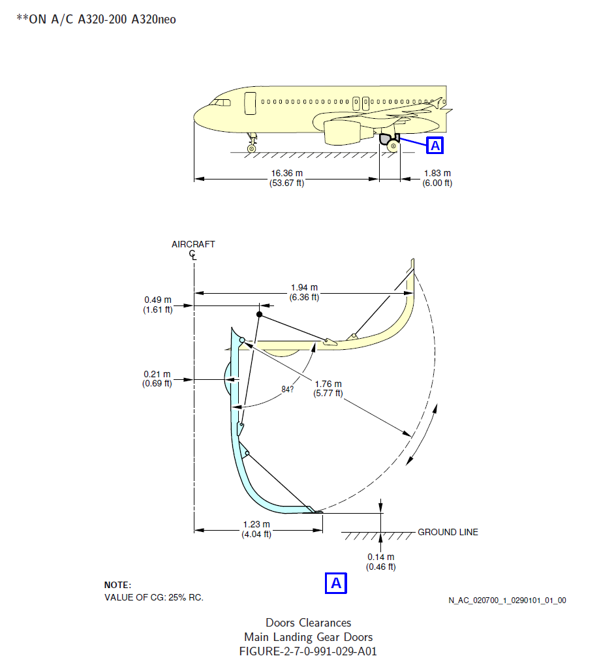
 |  | 0.76 | 0 | 0.19 | 0.23

Accumulators
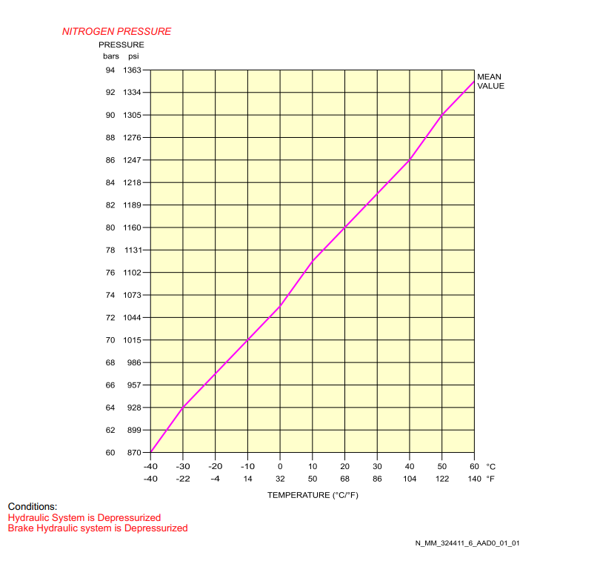

 | Gas Precharge (PSI) | Gas Volume (Gal)
Brake accumulator | Around 1000, see chart for Temp dependency | 1.5

Pumps
Yellow Electric pump

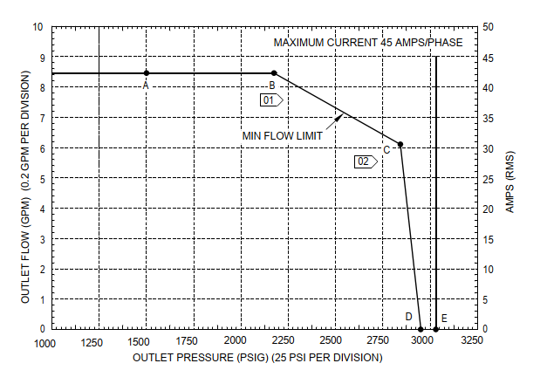

 | At point A RPM is 7437
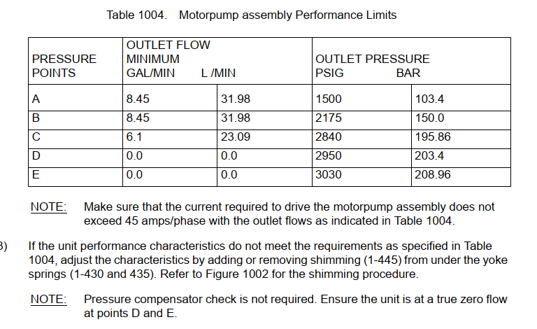

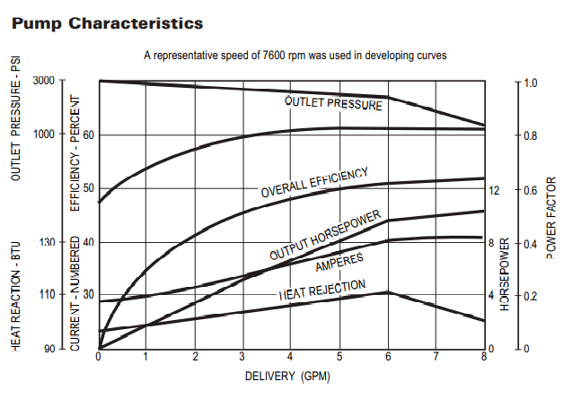

 | that its a constant HP
 | [16:50]
 | 115V/400Hz
 | [16:50]
 | Starting Current : 135A
 | [16:50]
 | Running Current: 45A
 | [16:51]
 | Max Rated Speed : 7600 RPM

