Actuators
LEGEND | Actual values | Guessed from actual | Random | Calculated
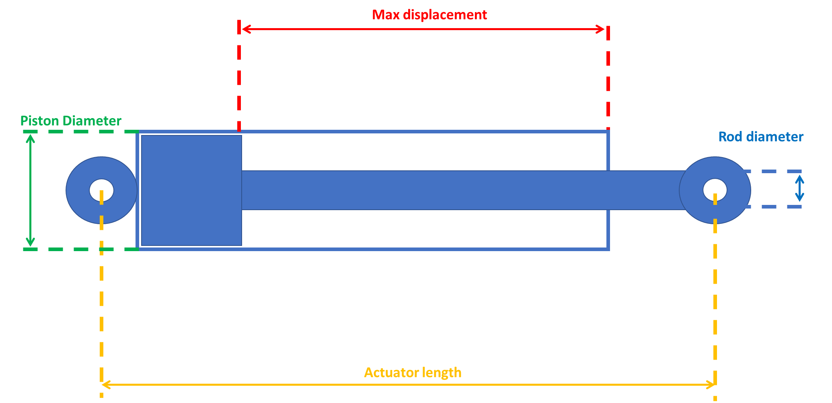
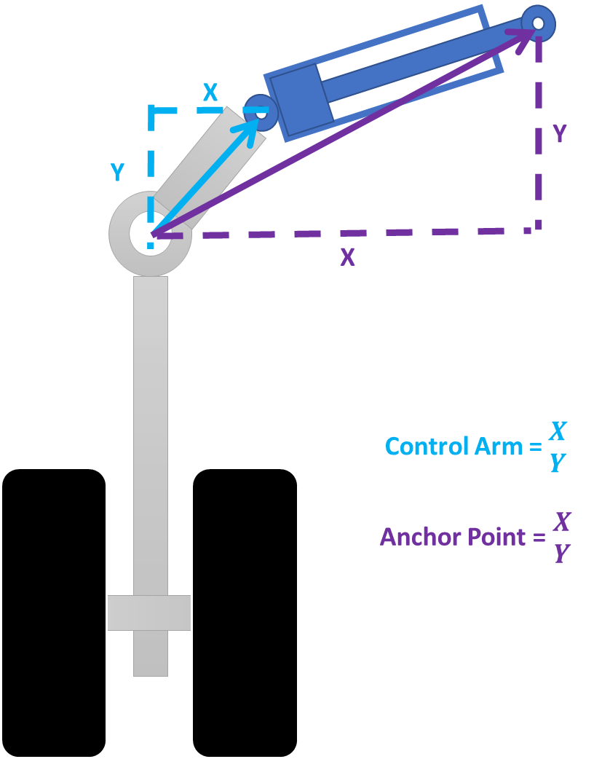

 | Displacement length (m) | piston diameter (m) | rod diameter (m) | Piston area (m2) | Rod area (m2) | Volume bore side (m3) | Volume rod side (m3) | Volume Ratio extended | Volume Impact On Reservoir (L)
Aileron |  |  |  | 0 | 0 | 0 | 0 | #DIV/0! | 0

 | Actuator Length(m) | Control Arm position X | Control Arm position Y | Anchor point position X | Anchor point position Y

 | Displacement length (m) | piston diameter (m) | rod diameter (m) | Piston area (m2) | Rod area (m2) | Volume bore side (m3) | Volume rod side (m3) | Volume Ratio extended | Volume Impact On Reservoir (L)
Gear Main | 0.23832 | 0.145277 | 0.104682 | 0.016576147683 | 0.0086066452847 | 0.0039504275157 | 0.0018992918115 | 2.0799476372 | 2.0511357043

 | Actuator Length(m) | Control Arm position X | Control Arm position Y | Anchor point position X | Anchor point position Y |  | Max force extend | Max force retract
 |  | -0.1 | 0.1815 | 0.5 | 0.1815 |  | 164841.1876 | 342861.03867

 | Displacement length (m) | piston diameter (m) | rod diameter (m) | Piston area (m2) | Rod area (m2) | Volume bore side (m3) | Volume rod side (m3) | Volume Ratio extended | Volume Impact On Reservoir (L)
Cargo door | 0.364 | 0.04422 | 0.033662786498 | 0.0015357741661 | 0.00089 | 0.00055902179644 | 0.00023506179644 | 2.3781907775 | 0.32396
Both actuators |  |  |  |  |  | 0.0011180435929 | 0.00047012359289 | 2.3781907775 | 0.64792
 | Actuator Length(m) | Control Arm position X | Control Arm position Y | Anchor point position X | Anchor point position Y |  | Max force retract | Max force extend
 |  | -0.1 | -0.2 | -0.765 | -0.2 |  | 13357.192851 | 31765.952851
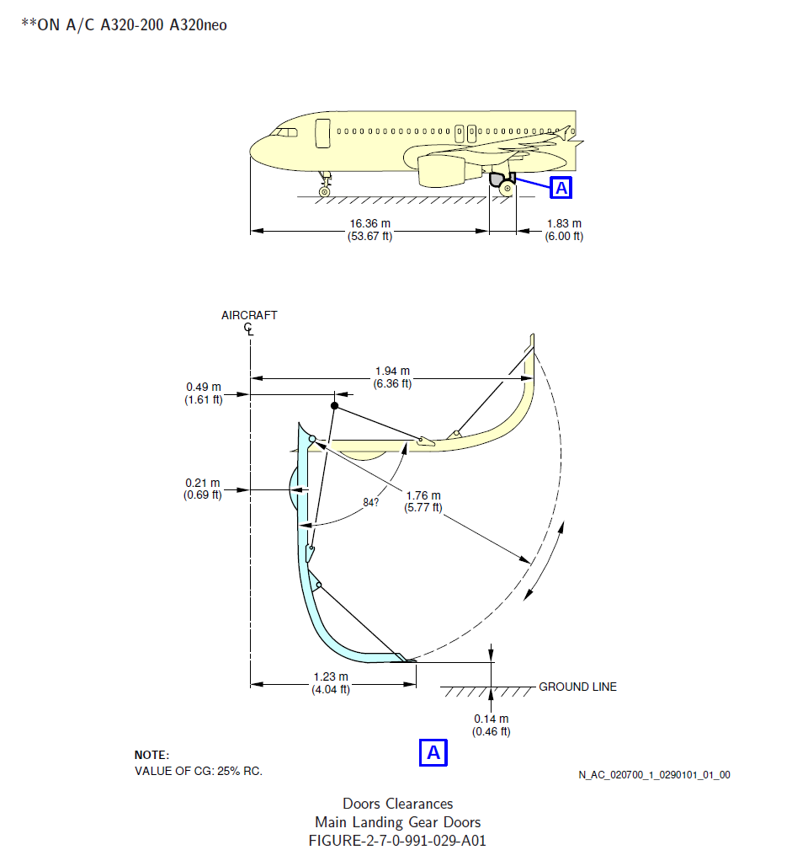

 | Displacement length (m) | piston diameter (m) | rod diameter (m) | Piston area (m2) | Rod area (m2) | Volume bore side (m3) | Volume rod side (m3) | Volume Ratio extended | Volume Impact On Reservoir (L)
Main gear door | 0.38 | 0.0538 | 0.03015 | 0.0022732878601 | 0.00071394460199 | 0.00086384938682 | 0.00059255043807 | 1.4578495455 | 0.27129894876
Both actuators |  |  |  |  |  | 0.0017276987736 | 0.0011851008761 | 1.4578495455 | 0.54259789751
 | Actuator Length(m) | Control Arm position X | Control Arm position Y | Anchor point position X | Anchor point position Y |  | Max force retract | Max force extend
 |  | 0.76 | 0 | 0.19 | 0.23 |  | 32253.45595 | 47020.686098

 | Displacement length (m) | piston diameter (m) | rod diameter (m) | Piston area (m2) | Rod area (m2) | Volume bore side (m3) | Volume rod side (m3) | Volume Ratio extended | Volume Impact On Reservoir (L)
Nose gear door | 0.162 | 0.0378 | 0.023 | 0.0011222083118 | 0.00041547562844 | 0.00018179774651 | 0.0001144906947 | 1.5878822902 | 0.067307051807
Both actuators |  |  |  |  |  | 0.00036359549302 | 0.00022898138941 | 1.5878822902 | 0.13461410361
 | Actuator Length(m) | Control Arm position X | Control Arm position Y | Anchor point position X | Anchor point position Y |  | Max force retract | Max force extend
 |  | -0.1465 | 0 | -0.1465 | 0.4 |  | 14618.058822 | 23211.756721
 |  | Note those coordinates are chosen "randomly" so we get the correct actuator travel of 162mm
 |  | This actuator in fact should push a crankbell that gives a particular motion ratio.

 | Displacement length (m) | piston diameter (m) | rod diameter (m) | Piston area (m2) | Rod area (m2) | Volume bore side (m3) | Volume rod side (m3) | Volume Ratio extended | Volume Impact On Reservoir (L)
Nose gear | 0.32 | 0.0792 | 0.035 | 0.0049265199357 | 0.00096211275016 | 0.0015764863794 | 0.0012686102994 | 1.2426876719 | 0.30787608005
Both actuators |  |  |  |  |  | 0.0031529727588 | 0.0025372205987 | 1.2426876719 | 0.6157521601
 | Actuator Length(m) | Control Arm position Z | Control Arm position Y | Anchor point position Z | Anchor point position Y |  | Max force retract | Max force extend
 |  | 0.212 | -0.093 | 0 | 0.56 |  | 81999.798225 | 101900.13835
 |  | Note those coordinates are chosen "randomly" so we get the correct actuator travel of 320mm

Accumulators
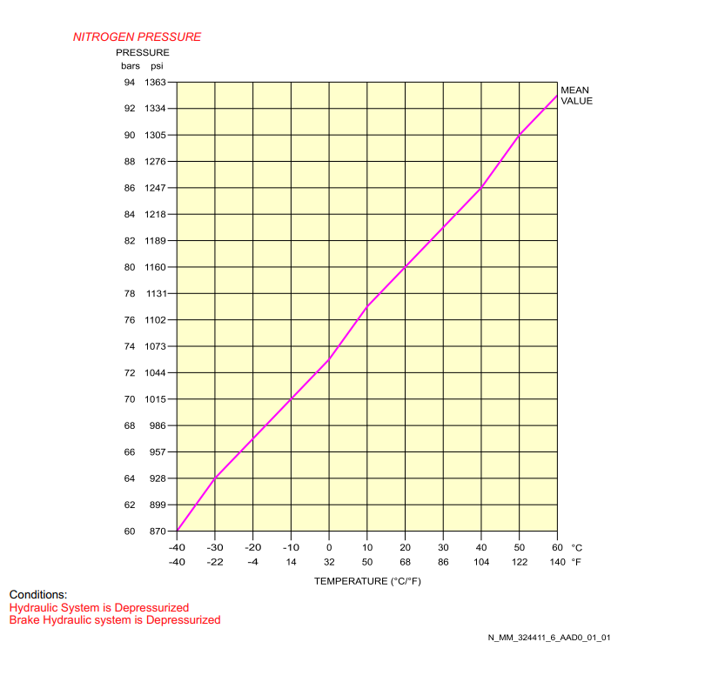

 | Gas Precharge (PSI) | Gas Volume (Gal)
Brake accumulator | Around 1000, see chart for Temp dependency | 1.5

Pumps
Yellow Electric pump

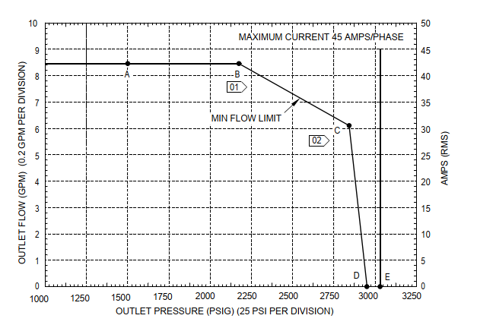

 | At point A RPM is 7437
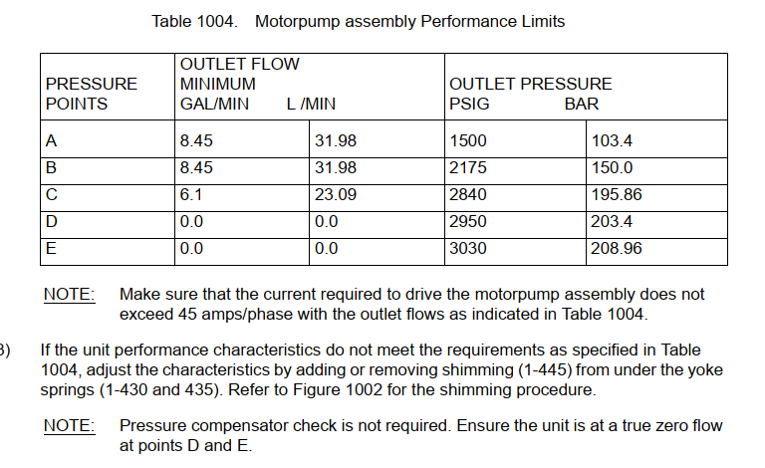

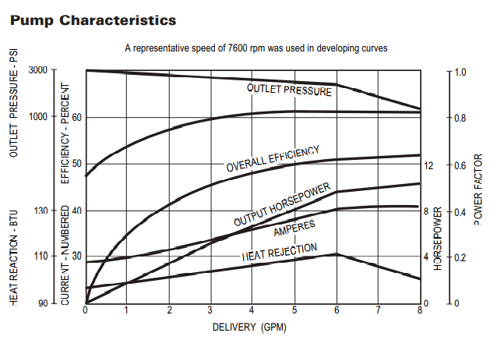

 | that its a constant HP
 | [16:50]
 | 115V/400Hz
 | [16:50]
 | Starting Current : 135A
 | [16:50]
 | Running Current: 45A
 | [16:51]
 | Max Rated Speed : 7600 RPM

