Sales Data
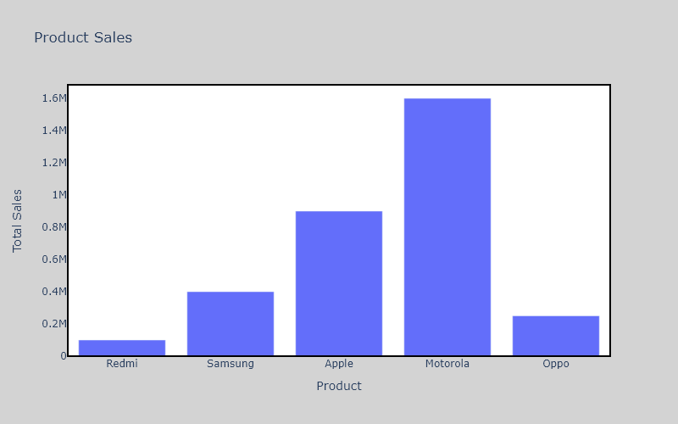
Product | Units Sold | Price per unit | Total Sales
Redmi | 50 | 2000 | 100000
Samsung | 100 | 4000 | 400000
Apple | 150 | 6000 | 900000
Motorola | 200 | 8000 | 1600000
Oppo | 250 | 1000 | 250000

