SPREADSHEET
CONCRETE COLUMN CALCULATION REPORT
TRANSVERSE REINFORCEMENT

PROJECT: |  |  | Rockwell IPI |  | ENGR.: | Kevin M. Melendres
 |  |  |  |  | DATE: | 2023-03-04

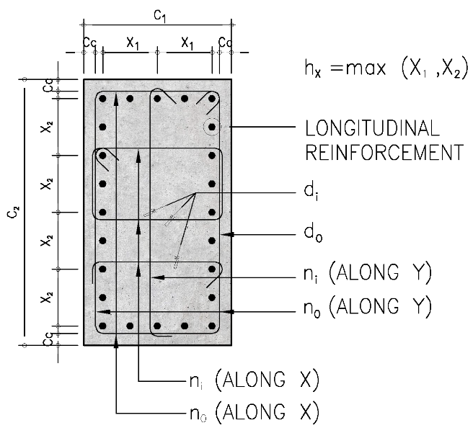
COLUMN DESCRIPTION

 | Designation: |  | C-1
 | Floor Levels: |  | L1-L5
 | Type of Detailing: |  | Special - Tied

SECTION GEOMETRY

 | Shape: |  | Rectangular
 | Width, c1 = |  | 1,500 | mm
 | Depth, c2 = |  | 3,000 | mm
 | Concrete Cover, cc = |  | 40 | mm

GOVERNING LOADS

 | Axial force, Pu = |  | 50,000 | kN

MATERIAL PROPERTIES

 | Concrete
 |  | Concrete compressive strength, fc' = |  |  |  | 68.00 |  | MPa

 | Reinforcement |  |  |  |  | OUTER | INNER
 |  | Longitudinal reinforcement yield strength, fyl = |  |  |  | 414 |  | MPa
 |  | Joint transverse reinforcement yield strength, fyj = |  |  |  | 414 | 414 | MPa
 |  | Confinement zone transverse reinforcement yield strength, fyc = |  |  |  | 414 | 414 | MPa
 |  | Ties zone transverse reinforcement yield strength, fyt = |  |  |  | 414 | 414 | MPa

REINFORCEMENT DETAILS |  |  |  |  |  | ALONG X | ALONG Y

 | Longitudinal Reinforcement
 |  | Number of longitudinal bars, nLB = |  |  |  | 35
 |  | Longitudinal reinforcement bar diameter, dLB = |  |  |  | 32 |  | mm

 | Joint Reinforcement
 |  | Number of outer transverse reinforcement legs, njo = |  |  |  | 2 | 2
 |  | Number of inner transverse reinforcement legs, nji = |  |  |  | 20 | 9
 |  | Outer transverse reinforcement bar diameter, djo = |  |  |  | 16 |  | mm
 |  | Inner transverse reinforcement bar diameter, dji = |  |  |  | 16 |  | mm
 |  | Longitudinal spacing of transverse reinf., sj = |  |  |  | 100 |  | mm

 | Confinement Zone Reinforcement
 |  | Number of outer transverse reinforcement legs, nco = |  |  |  | 2 | 2
 |  | Number of inner transverse reinforcement legs, nci = |  |  |  | 20 | 9
 |  | Outer transverse reinforcement bar diameter, dco = |  |  |  | 16 |  | mm
 |  | Inner transverse reinforcement bar diameter, dci = |  |  |  | 16 |  | mm
 |  | Longitudinal spacing of transverse reinf., sc = |  |  |  | 100 |  | mm

 | Ties Zone Reinforcement
 |  | Number of outer transverse reinforcement legs, nto = |  |  |  | 2 | 2
 |  | Number of inner transverse reinforcement legs, nti = |  |  |  | 20 | 9
 |  | Outer transverse reinforcement bar diameter, dto = |  |  |  | 12 |  | mm
 |  | Inner transverse reinforcement bar diameter, dti = |  |  |  | 12 |  | mm
 |  | Longitudinal spacing of transverse reinf., st = |  |  |  | 150 |  | mm

RESULT SUMMARY |  |  |  |  |  | ALONG X | ALONG Y

 | Demand-Capacity Ratios
 |  | Joint transverse reinforcement: |  |  |  | 0.98 | 0.95
 |  | Confinement zone transverse reinforcement: |  |  |  | 0.98 | 0.95
 |  | Ties zone transverse reinforcement: |  |  |  | 0.22 | 0.22

 | Other Requirement Checks
 |  | Minimum column dimension: |  |  |  | OK
 |  | Cross section ratio: |  |  |  | OK
 |  | Minimum number of longitudinal bars: |  |  |  | NOT OK
 |  | Minimum area of longitudinal reinforcement: |  |  |  | NOT OK
 |  | Maximum area of longitudinal reinforcement: |  |  |  | OK
 |  | Minimum longitudinal bar spacing: |  |  |  | OK
 |  | Maximum longitudinal bar spacing: |  |  |  | OK
 |  | Minimum tie diameter: |  |  |  | OK
 |  | Joint transverse reinforcement spacing: |  |  |  | OK
 |  | Confinement zone transverse reinforcement spacing: |  |  |  | OK
 |  | Ties zone transverse reinforcement spacing: |  |  |  | OK

CALCULATIONS |  |  |  |  |  | ALONG X | ALONG Y

 | Joint Transverse Reinforcement
 |  | Provided transverse reinforcement, [ Ashj/sjbc ]prov = |  |  |  | 0.01515 | 0.01558
 |  | Concrete strength factor, kf = |  |  |  | 1.00
 |  | Confinement effectiveness factor, kn = |  |  |  | 1.03
 |  | Maximum spacing of laterally-supported longitudinal bars, hx = |  |  |  | 136.00 |  | mm
 |  | Maximum factored compressive force, Pu = |  |  |  | 50,000.00 |  | kN
 |  | Required transverse reinforcement, [ Ashj/sjbc ]req = |  |  |  | 0.01478
 |  | Required spacing of transverse reinforcement, sjreq = |  |  |  | 150.00 |  | mm

 | Confinement Zone Transverse Reinforcement
 |  | Provided transverse reinforcement, [ Ashc/scbc ]prov = |  |  |  | 0.01515 | 0.01558
 |  | Concrete strength factor, kf = |  |  |  | 1.00
 |  | Confinement effectiveness factor, kn = |  |  |  | 1.03
 |  | Maximum spacing of laterally-supported longitudinal bars, hx = |  |  |  | 136.00 |  | mm
 |  | Maximum factored compressive force, Pu = |  |  |  | 50,000.00 |  | kN
 |  | Required transverse reinforcement, [ Ashc/scbc ]req = |  |  |  | 0.01478
 |  | Required spacing of transverse reinforcement, screq = |  |  |  | 150.00 |  | mm

 | Ties Zone Transverse Reinforcement
 |  | Provided transverse reinforcement, [ Asht/stbw ]prov = |  |  |  | 0.00553 | 0.00553
 |  | Required transverse reinforcement, [ Asht/stbw ]req = |  |  |  | 0.00123
 |  | Required spacing of transverse reinforcement, streq = |  |  |  | 150.00

