Sheet2
(65, 59)
(66, 54)
(66, 56)
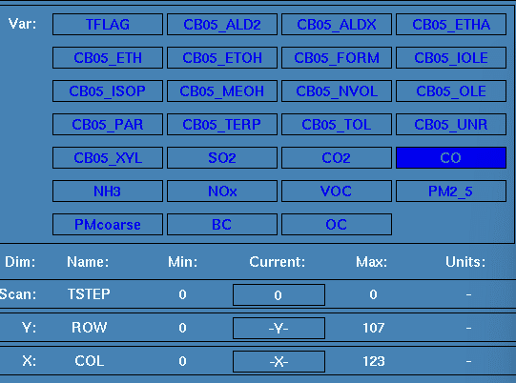
(66, 57)
(66, 58) |  |  | SO2 | CO | CO2 | NH3 | NOx | VOC | PM2.5 | PMcoarse | BC | OC
(66, 59) | " | ", | "SO2", | "CO", | "CO2", | "NH3", | "NOx", | "VOC", | "PM2.5", | "PMcoarse", | "BC", | "OC",
(66, 60)
(66, 61)
(67, 49)
(67, 50)
(67, 51)
(67, 53)
(67, 54)
(67, 55)
(67, 56)
(67, 57)
(67, 58)
(67, 59)
(67, 60)
(68, 48)
(68, 49)
(68, 50)
(68, 51)
(68, 52)
(68, 53)
(68, 54)
(68, 55)
(68, 56)
(68, 57)
(68, 58)
(68, 59)
(68, 60)
(69, 48)
(69, 49)
(69, 50)
(69, 51)
(69, 52)
(69, 53)
(69, 54)
(69, 55)
(69, 56)
(69, 57)
(69, 58)
(69, 59)
(69, 60)
(70, 49)
(70, 50)
(70, 51)
(70, 52)
(70, 53)
(70, 54)
(70, 56)
(70, 57)
(70, 58)
(70, 59)
(71, 49)
(71, 50)
(71, 51)
(71, 52)
(71, 53)
(71, 54)
(71, 57)
(71, 58)
(71, 59)
(71, 60)
(71, 61)
(72, 52)
(72, 58)
(72, 60)
(73, 60)

